Excel_Analysis
Financial Performance & Budget Analytics

KPI Analysis

Total Budget |  |  |  | 795,469,256

Total Actual Expenses |  |  |  | 890,267,029

Budget Variance |  |  |  | -94,797,773

Budget Utilization % |  |  |  | 112%

Average Expense per Transaction |  |  |  | 89,027

Business Requirements

Monthly Expense Trend

Monthly Actual Expense Trend
Row Labels | Sum of Actual Amount | Sum of Budget Amount
2021-01-01 | 24913213 | 21587408
2021-02-01 | 20632263 | 18142623
2021-03-01 | 24295909 | 19747700
2021-04-01 | 24364104 | 19710246
2021-05-01 | 27250381 | 24597175
2021-06-01 | 22396228 | 22265011
2021-07-01 | 24685975 | 21471995
2021-08-01 | 25003789 | 23607929
2021-09-01 | 25829986 | 22494061
2021-10-01 | 22180032 | 19594167 |  |  | 890267029
2021-11-01 | 22968470 | 21683155
2021-12-01 | 22990736 | 21779550
2022-01-01 | 26727517 | 23546292 |  |  | 45017
2022-02-01 | 21186138 | 19296156
2022-03-01 | 24891811 | 20905031
2022-04-01 | 24055215 | 20561645 |  |  |  | 15085
2022-05-01 | 26605506 | 22751826 | Highest Monthly Expense → April 2023
2022-06-01 | 24875581 | 22687896 | Amount → ₹29,230,433
2022-07-01 | 26115690 | 23703274
2022-08-01 | 26201877 | 22779028 | Lowest Monthly Expense → February 2021
2022-09-01 | 23615228 | 21101758 | Amount → ₹20,632,263
2022-10-01 | 26499256 | 24781493
2022-11-01 | 23619293 | 21084652
2022-12-01 | 28476038 | 23235485
2023-01-01 | 22556271 | 22033356
2023-02-01 | 22714535 | 19393433
2023-03-01 | 24144517 | 23064909
2023-04-01 | 29230433 | 26078247
2023-05-01 | 24725549 | 23256181
2023-06-01 | 23994290 | 22281988
2023-07-01 | 28433347 | 24964894
2023-08-01 | 25209565 | 22068703
2023-09-01 | 25829660 | 23636341
2023-10-01 | 24008371 | 21324454
2023-11-01 | 22933724 | 21286372
2023-12-01 | 26106531 | 22964822
Department-wise Budget vs Actual Expenses

Row Labels | Budget | Actual
Finance | 132947149 | 144084529
HR | 137371163 | 155439763
IT | 125771001 | 139663026
Marketing | 131939479 | 151816098
Operations | 132622213 | 147803987
Sales | 134702488 | 151344999
Unknown | 115763 | 114627
Department-wise Budget vs Actual Expenses

Category - wise Actual Expenses
Category-wise Actual Expenses
Row Labels | Actual Amount
Infrastructure | 140825422
Marketing | 146525696
Salaries | 147744247
Training | 145010926
Travel | 154885333
Unknown | 15085
Utilities | 155260320

Region - wise Actual Expenses
Region-wise Actual Expenses
Row Labels | Sum of Actual Amount
Central | 182078152
East | 181076974
North | 174461702
South | 176760699
Unknown | 383659
West | 175505843

Budget VS Actual Expenses Performance

Budget Amount | Actual Amount
795469256 | 890267029
Budget vs Actual Performance

Dashboard
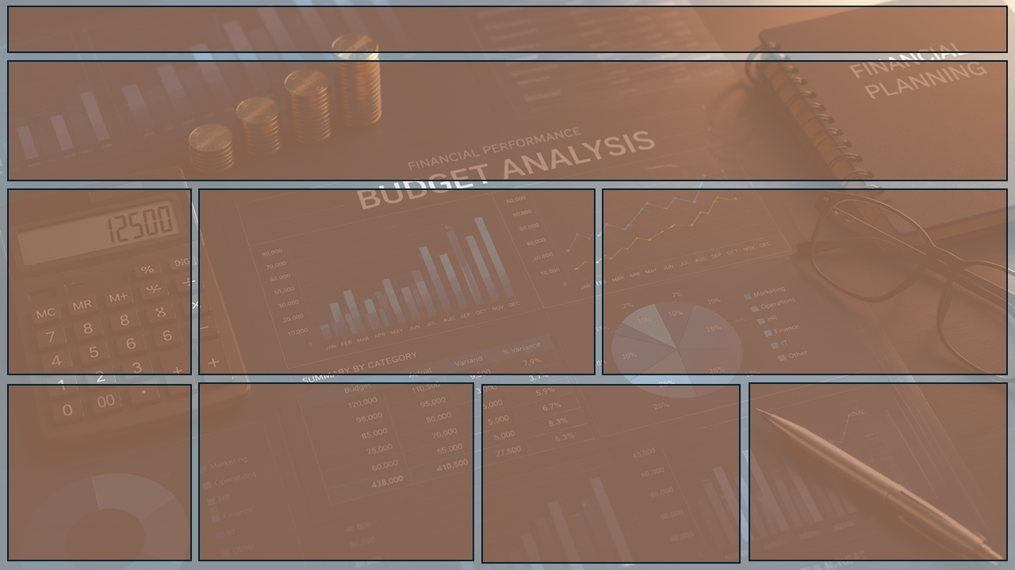
Financial Performance Analysis Dashboard

Total Budget
Total Actual Expense
Budget Variance
Budget Utilization %
Average Expense per Transaction

79,54,69,256
89,02,67,029
-9,47,97,773
112%
89,027

BUSINESS INSIGHTS
Budget vs Actual Performance
 | Budget Amount | Actual Amount
Total | 795469256 | 890267029
Monthly Actual Expense Trend
 | Sum of Actual Amount | Sum of Budget Amount
01-01-2021 | 24913213 | 21587408
01-02-2021 | 20632263 | 18142623
01-03-2021 | 24295909 | 19747700
01-04-2021 | 24364104 | 19710246
01-05-2021 | 27250381 | 24597175
01-06-2021 | 22396228 | 22265011
01-07-2021 | 24685975 | 21471995
01-08-2021 | 25003789 | 23607929
01-09-2021 | 25829986 | 22494061
01-10-2021 | 22180032 | 19594167
01-11-2021 | 22968470 | 21683155
01-12-2021 | 22990736 | 21779550
01-01-2022 | 26727517 | 23546292
01-02-2022 | 21186138 | 19296156
01-03-2022 | 24891811 | 20905031
01-04-2022 | 24055215 | 20561645
01-05-2022 | 26605506 | 22751826
01-06-2022 | 24875581 | 22687896
01-07-2022 | 26115690 | 23703274
01-08-2022 | 26201877 | 22779028
01-09-2022 | 23615228 | 21101758
01-10-2022 | 26499256 | 24781493
01-11-2022 | 23619293 | 21084652
01-12-2022 | 28476038 | 23235485
01-01-2023 | 22556271 | 22033356
01-02-2023 | 22714535 | 19393433
01-03-2023 | 24144517 | 23064909
01-04-2023 | 29230433 | 26078247
01-05-2023 | 24725549 | 23256181
01-06-2023 | 23994290 | 22281988
01-07-2023 | 28433347 | 24964894
01-08-2023 | 25209565 | 22068703
01-09-2023 | 25829660 | 23636341
01-10-2023 | 24008371 | 21324454
01-11-2023 | 22933724 | 21286372
01-12-2023 | 26106531 | 22964822
Budget vs Actual Performance
Actual expenses were higher than the planned budget, indicating an overall overspend.
Monthly Actual Expense Trend
Monthly expenses fluctuated, with actual spending staying above budget in most months.

BUSINESS INSIGHTS
Department-wise Budget vs Actual Expenses
 | Budget | Actual
Finance | 132947149 | 144084529
HR | 137371163 | 155439763
IT | 125771001 | 139663026
Marketing | 131939479 | 151816098
Operations | 132622213 | 147803987
Sales | 134702488 | 151344999
Unknown | 115763 | 114627
Category-wise Actual Expenses
 | Total
Infrastructure | 140825422
Marketing | 146525696
Salaries | 147744247
Training | 145010926
Travel | 154885333
Unknown | 15085
Utilities | 155260320
Region-wise Actual Expenses
 | Total
Central | 182078152
East | 181076974
North | 174461702
South | 176760699
Unknown | 383659
West | 175505843
Department-wise Budget vs Actual Expenses
HR recorded the highest actual expense among the departments.
Category-wise Actual Expenses
Utilities accounted for the highest category-wise expense.
Region-wise Actual Expenses
Central recorded the highest regional expense, followed closely by East and South.

