Arrays
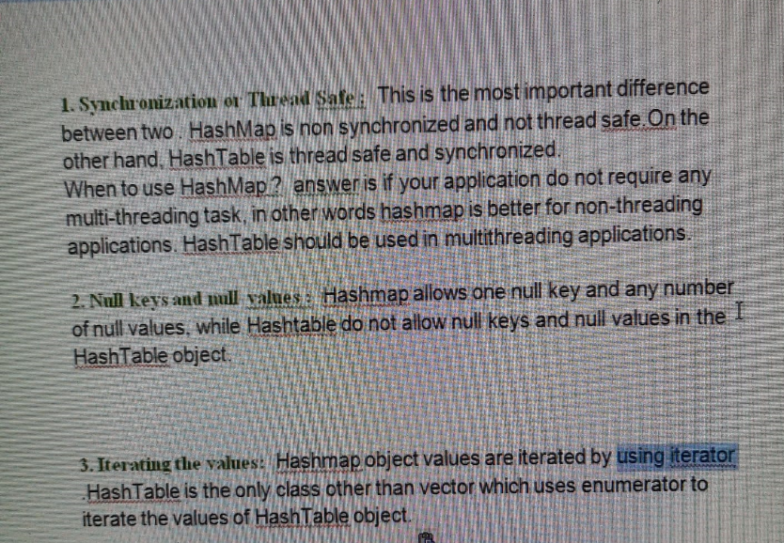
 | int[] arr= new int[3]
array | a[0]=1
 | a[1]=2
 | a[2]=3

 | sysout(a[i])

array | int arr = {1,2,3,4,5,6}

For loop | for (int i=0; i<a.length; i++) { Condition }

Enhanced for loop for Array list | for ( String s : arr) { Condition }

For if else | for (int i=0; i<a.length; i++) { if (Condition) else(condiion) }

break | To stop the loop

 | Method na access madoke object na create madbeku class li

 | to access any methods present in the class, create object of the class
 | // create object of the class --> object.method

 | ArrayList a = new ArrayList();

 | ArrayList is the class
 | new operator is the memory allocation

 | ArrayList<String> a = new ArrayList<String>();

Normal Array | a.length
ArrayList | a.Size

 | Converting Array [10,20,30,40] into list
 | Arrays.asList

String | Sequence of characters
String in Java | is an object that represents the sequence of characters
 | String Literal
 | String s = "abc def ghi"
 | S is an object strore above value
 | With same mutiple values, then it will not create object, it will refer to the existing

 | String object with new memory alocator
 | String s = new "abc def ghi"

 | How to print String by character
 | String s = "Rahul Shetty Academy";
 | for (int i=0; i<s.length(); i++)
 | {
 | System.out.println(s.charAt(i));
 | }

 | How to print String in reverse Order

 | Void --> String, integer

 | Intensive for loop

 | for(WebElement option : options)
 | {
 | if(option.getText().equalsIgnoreCase("india"))
 | {
 | option.click();
 | break;
 | }
 | }

 | Can accepts duplicate values
 | ArrayList, LinkedList, Vector --> Implementing List interface
 | Array have fixed size where as arraayList can grow dynamically
 | you can access or insert any values in any index

 | ArrayList<String> a = new ArrayList<String>();
 | a.add("Rahul");
 | a.add("Java");
 | System.out.println(a);
 | a.add(0, "Setty");
 | System.out.println(a);
 | //a.remove(1);
 | //System.out.println(a);
 | //a.remove("Java");
 | //System.out.println(a);

 | System.out.println(a.get(2));
 | System.out.println(a.contains("Java"));

 | System.out.println(a.indexOf("Rahul"));
 | System.out.println(a.isEmpty());
 | System.out.println(a.size());

 | HashSet, TreeSet, LinkedHashSet implements set interface
 | does not accept duplicate values
 | There is no guarantee elements stored in sequential order

 | HashSet<String> hs = new HashSet<String>();
 | hs.add("USA");
 | hs.add("UK");
 | hs.add("India");
 | hs.add("he");
 | hs.add("She");

 | System.out.println(hs);
 | hs.remove("UK");
 | System.out.println(hs.size());
 | System.out.println(hs.isEmpty());

 | //Iterator
 | Iterator<String> i = hs.iterator();
 | while(i.hasNext())
 | {
 | System.out.println(i.next());
 | }
 | }

 | HashMap<Integer, String> hm = new HashMap<Integer, String>();
 | hm.put(0, "Hello");
 | hm.put(1, "good bye");
 | hm.put(2, "Morning");
 | hm.put(3, "Evening");
 | System.out.println(hm.get(2));
 | hm.remove(2);
 | System.out.println(hm.get(2));

 | Set<Entry<Integer, String>> sn = hm.entrySet();
 | Iterator<Entry<Integer, String>> it = sn.iterator();

 | //hashtable
 | while(it.hasNext())
 | {
 | Map.Entry mp = (Map.Entry)it.next();
 | System.out.println(mp.getKey());
 | System.out.println(mp.getValue());
 | }

 | Difference between HashMap and HashTable
}

