Sheet1
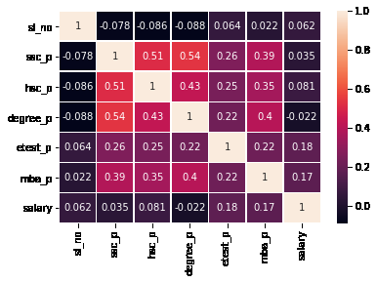
This data set consists of placement data of students in a college campus.
It includes secondary and higher secondary school percentage and specialization.
It also includes degree specialization, type and work experience and salary offered to the placed students

sl_no | gender | ssc_p | ssc_b | hsc_p | hsc_b | hsc_s | degree_p | degree_t | workex | etest_p | specialisation | mba_p | status | salary
1 | M | 67 | Others | 91 | Others | Commerce | 58 | Sci&Tech | No | 55 | Mkt&HR | 58.8 | Placed
2 | M | 79.33 | Central | 78.33 | Others | Science | 77.48 | Sci&Tech | Yes | 86.5 | Mkt&Fin | 66.28 | Placed | 200000
3 | M | 65 | Central | 68 | Central | Arts | 64 | Comm&Mgmt | No | 75 | Mkt&Fin | 57.8 | Placed | 250000
4 | M | 56 | Central | 52 | Central | Science | 52 | Sci&Tech | No | 66 | Mkt&HR | 59.43 | Not Placed
5 | M | 85.8 | Central | 73.6 | Central | Commerce | 73.3 | Comm&Mgmt | No | 96.8 | Mkt&Fin | 55.5 | Placed | 425000
6 | M | 55 | Others | 49.8 | Others | Science | 67.25 | Sci&Tech | Yes | 55 | Mkt&Fin | 51.58 | Not Placed
7 | F | 46 | Others | 49.2 | Others | Commerce | 79 | Comm&Mgmt | No | 74.28 | Mkt&Fin | 53.29 | Not Placed
8 | M | 82 | Central | 64 | Central | Science | 66 | Sci&Tech | Yes | 67 | Mkt&Fin | 62.14 | Placed | 252000
9 | M | 73 | Central | 79 | Central | Commerce | 72 | Comm&Mgmt | No | 91.34 | Mkt&Fin | 61.29 | Placed | 231000
10 | M | 58 | Central | 70 | Central | Commerce | 61 | Comm&Mgmt | No | 54 | Mkt&Fin | 52.21 | Not Placed
11 | M | 58 | Central | 61 | Central | Commerce | 60 | Comm&Mgmt | Yes | 62 | Mkt&HR | 60.85 | Placed | 260000
12 | M | 69.6 | Central | 68.4 | Central | Commerce | 78.3 | Comm&Mgmt | Yes | 60 | Mkt&Fin | 63.7 | Placed | 250000
13 | F | 47 | Central | 55 | Others | Science | 65 | Comm&Mgmt | No | 62 | Mkt&HR | 65.04 | Not Placed
14 | F | 77 | Central | 87 | Central | Commerce | 59 | Comm&Mgmt | No | 68 | Mkt&Fin | 68.63 | Placed | 218000
15 | M | 62 | Central | 47 | Central | Commerce | 50 | Comm&Mgmt | No | 76 | Mkt&HR | 54.96 | Not Placed
16 | F | 65 | Central | 75 | Central | Commerce | 69 | Comm&Mgmt | Yes | 72 | Mkt&Fin | 64.66 | Placed | 200000
17 | M | 63 | Central | 66.2 | Central | Commerce | 65.6 | Comm&Mgmt | Yes | 60 | Mkt&Fin | 62.54 | Placed | 300000
18 | F | 55 | Central | 67 | Central | Commerce | 64 | Comm&Mgmt | No | 60 | Mkt&Fin | 67.28 | Not Placed
19 | F | 63 | Central | 66 | Central | Commerce | 64 | Comm&Mgmt | No | 68 | Mkt&HR | 64.08 | Not Placed
20 | M | 60 | Others | 67 | Others | Arts | 70 | Comm&Mgmt | Yes | 50.48 | Mkt&Fin | 77.89 | Placed | 236000
21 | M | 62 | Others | 65 | Others | Commerce | 66 | Comm&Mgmt | No | 50 | Mkt&HR | 56.7 | Placed | 265000
22 | F | 79 | Others | 76 | Others | Commerce | 85 | Comm&Mgmt | No | 95 | Mkt&Fin | 69.06 | Placed | 393000
23 | F | 69.8 | Others | 60.8 | Others | Science | 72.23 | Sci&Tech | No | 55.53 | Mkt&HR | 68.81 | Placed | 360000
24 | F | 77.4 | Others | 60 | Others | Science | 64.74 | Sci&Tech | Yes | 92 | Mkt&Fin | 63.62 | Placed | 300000
25 | M | 76.5 | Others | 97.7 | Others | Science | 78.86 | Sci&Tech | No | 97.4 | Mkt&Fin | 74.01 | Placed | 360000
26 | F | 52.58 | Others | 54.6 | Central | Commerce | 50.2 | Comm&Mgmt | Yes | 76 | Mkt&Fin | 65.33 | Not Placed
27 | M | 71 | Others | 79 | Others | Commerce | 66 | Comm&Mgmt | Yes | 94 | Mkt&Fin | 57.55 | Placed | 240000
28 | M | 63 | Others | 67 | Others | Commerce | 66 | Comm&Mgmt | No | 68 | Mkt&HR | 57.69 | Placed | 265000
29 | M | 76.76 | Others | 76.5 | Others | Commerce | 67.5 | Comm&Mgmt | Yes | 73.35 | Mkt&Fin | 64.15 | Placed | 350000
30 | M | 62 | Central | 67 | Central | Commerce | 58 | Comm&Mgmt | No | 77 | Mkt&Fin | 51.29 | Not Placed
31 | F | 64 | Central | 73.5 | Central | Commerce | 73 | Comm&Mgmt | No | 52 | Mkt&HR | 56.7 | Placed | 250000
32 | F | 67 | Central | 53 | Central | Science | 65 | Sci&Tech | No | 64 | Mkt&HR | 58.32 | Not Placed
33 | F | 61 | Central | 81 | Central | Commerce | 66.4 | Comm&Mgmt | No | 50.89 | Mkt&HR | 62.21 | Placed | 278000
34 | F | 87 | Others | 65 | Others | Science | 81 | Comm&Mgmt | Yes | 88 | Mkt&Fin | 72.78 | Placed | 260000
35 | M | 62 | Others | 51 | Others | Science | 52 | Others | No | 68.44 | Mkt&HR | 62.77 | Not Placed
36 | F | 69 | Central | 78 | Central | Commerce | 72 | Comm&Mgmt | No | 71 | Mkt&HR | 62.74 | Placed | 300000
37 | M | 51 | Central | 44 | Central | Commerce | 57 | Comm&Mgmt | No | 64 | Mkt&Fin | 51.45 | Not Placed
38 | F | 79 | Central | 76 | Central | Science | 65.6 | Sci&Tech | No | 58 | Mkt&HR | 55.47 | Placed | 320000
39 | F | 73 | Others | 58 | Others | Science | 66 | Comm&Mgmt | No | 53.7 | Mkt&HR | 56.86 | Placed | 240000
40 | M | 81 | Others | 68 | Others | Science | 64 | Sci&Tech | No | 93 | Mkt&Fin | 62.56 | Placed | 411000
41 | F | 78 | Central | 77 | Others | Commerce | 80 | Comm&Mgmt | No | 60 | Mkt&Fin | 66.72 | Placed | 287000
42 | F | 74 | Others | 63.16 | Others | Commerce | 65 | Comm&Mgmt | Yes | 65 | Mkt&HR | 69.76 | Not Placed
43 | M | 49 | Others | 39 | Central | Science | 65 | Others | No | 63 | Mkt&Fin | 51.21 | Not Placed
44 | M | 87 | Others | 87 | Others | Commerce | 68 | Comm&Mgmt | No | 95 | Mkt&HR | 62.9 | Placed | 300000
45 | F | 77 | Others | 73 | Others | Commerce | 81 | Comm&Mgmt | Yes | 89 | Mkt&Fin | 69.7 | Placed | 200000
46 | F | 76 | Central | 64 | Central | Science | 72 | Sci&Tech | No | 58 | Mkt&HR | 66.53 | Not Placed
47 | F | 70.89 | Others | 71.98 | Others | Science | 65.6 | Comm&Mgmt | No | 68 | Mkt&HR | 71.63 | Not Placed
48 | M | 63 | Central | 60 | Central | Commerce | 57 | Comm&Mgmt | Yes | 78 | Mkt&Fin | 54.55 | Placed | 204000
49 | M | 63 | Others | 62 | Others | Commerce | 68 | Comm&Mgmt | No | 64 | Mkt&Fin | 62.46 | Placed | 250000
50 | F | 50 | Others | 37 | Others | Arts | 52 | Others | No | 65 | Mkt&HR | 56.11 | Not Placed
51 | F | 75.2 | Central | 73.2 | Central | Science | 68.4 | Comm&Mgmt | No | 65 | Mkt&HR | 62.98 | Placed | 200000
52 | M | 54.4 | Central | 61.12 | Central | Commerce | 56.2 | Comm&Mgmt | No | 67 | Mkt&HR | 62.65 | Not Placed
53 | F | 40.89 | Others | 45.83 | Others | Commerce | 53 | Comm&Mgmt | No | 71.2 | Mkt&HR | 65.49 | Not Placed
54 | M | 80 | Others | 70 | Others | Science | 72 | Sci&Tech | No | 87 | Mkt&HR | 71.04 | Placed | 450000
55 | F | 74 | Central | 60 | Others | Science | 69 | Comm&Mgmt | No | 78 | Mkt&HR | 65.56 | Placed | 216000
56 | M | 60.4 | Central | 66.6 | Others | Science | 65 | Comm&Mgmt | No | 71 | Mkt&HR | 52.71 | Placed | 220000
57 | M | 63 | Others | 71.4 | Others | Commerce | 61.4 | Comm&Mgmt | No | 68 | Mkt&Fin | 66.88 | Placed | 240000
58 | M | 68 | Central | 76 | Central | Commerce | 74 | Comm&Mgmt | No | 80 | Mkt&Fin | 63.59 | Placed | 360000
59 | M | 74 | Central | 62 | Others | Science | 68 | Comm&Mgmt | No | 74 | Mkt&Fin | 57.99 | Placed | 268000
60 | M | 52.6 | Central | 65.58 | Others | Science | 72.11 | Sci&Tech | No | 57.6 | Mkt&Fin | 56.66 | Placed | 265000
61 | M | 74 | Central | 70 | Central | Science | 72 | Comm&Mgmt | Yes | 60 | Mkt&Fin | 57.24 | Placed | 260000
62 | M | 84.2 | Central | 73.4 | Central | Commerce | 66.89 | Comm&Mgmt | No | 61.6 | Mkt&Fin | 62.48 | Placed | 300000
63 | F | 86.5 | Others | 64.2 | Others | Science | 67.4 | Sci&Tech | No | 59 | Mkt&Fin | 59.69 | Placed | 240000
64 | M | 61 | Others | 70 | Others | Commerce | 64 | Comm&Mgmt | No | 68.5 | Mkt&HR | 59.5 | Not Placed
65 | M | 80 | Others | 73 | Others | Commerce | 75 | Comm&Mgmt | No | 61 | Mkt&Fin | 58.78 | Placed | 240000
66 | M | 54 | Others | 47 | Others | Science | 57 | Comm&Mgmt | No | 89.69 | Mkt&HR | 57.1 | Not Placed
67 | M | 83 | Others | 74 | Others | Science | 66 | Comm&Mgmt | No | 68.92 | Mkt&HR | 58.46 | Placed | 275000
68 | M | 80.92 | Others | 78.5 | Others | Commerce | 67 | Comm&Mgmt | No | 68.71 | Mkt&Fin | 60.99 | Placed | 275000
69 | F | 69.7 | Central | 47 | Central | Commerce | 72.7 | Sci&Tech | No | 79 | Mkt&HR | 59.24 | Not Placed
70 | M | 73 | Central | 73 | Central | Science | 66 | Sci&Tech | Yes | 70 | Mkt&Fin | 68.07 | Placed | 275000
71 | M | 82 | Others | 61 | Others | Science | 62 | Sci&Tech | No | 89 | Mkt&Fin | 65.45 | Placed | 360000
72 | M | 75 | Others | 70.29 | Others | Commerce | 71 | Comm&Mgmt | No | 95 | Mkt&Fin | 66.94 | Placed | 240000
73 | M | 84.86 | Others | 67 | Others | Science | 78 | Comm&Mgmt | No | 95.5 | Mkt&Fin | 68.53 | Placed | 240000
74 | M | 64.6 | Central | 83.83 | Others | Commerce | 71.72 | Comm&Mgmt | No | 86 | Mkt&Fin | 59.75 | Placed | 218000
75 | M | 56.6 | Central | 64.8 | Central | Commerce | 70.2 | Comm&Mgmt | No | 84.27 | Mkt&Fin | 67.2 | Placed | 336000
76 | F | 59 | Central | 62 | Others | Commerce | 77.5 | Comm&Mgmt | No | 74 | Mkt&HR | 67 | Not Placed
77 | F | 66.5 | Others | 70.4 | Central | Arts | 71.93 | Comm&Mgmt | No | 61 | Mkt&Fin | 64.27 | Placed | 230000
78 | M | 64 | Others | 80 | Others | Science | 65 | Sci&Tech | Yes | 69 | Mkt&Fin | 57.65 | Placed | 500000
79 | M | 84 | Others | 90.9 | Others | Science | 64.5 | Sci&Tech | No | 86.04 | Mkt&Fin | 59.42 | Placed | 270000
80 | F | 69 | Central | 62 | Central | Science | 66 | Sci&Tech | No | 75 | Mkt&HR | 67.99 | Not Placed
81 | F | 69 | Others | 62 | Others | Commerce | 69 | Comm&Mgmt | Yes | 67 | Mkt&HR | 62.35 | Placed | 240000
82 | M | 81.7 | Others | 63 | Others | Science | 67 | Comm&Mgmt | Yes | 86 | Mkt&Fin | 70.2 | Placed | 300000
83 | M | 63 | Central | 67 | Central | Commerce | 74 | Comm&Mgmt | No | 82 | Mkt&Fin | 60.44 | Not Placed
84 | M | 84 | Others | 79 | Others | Science | 68 | Sci&Tech | Yes | 84 | Mkt&Fin | 66.69 | Placed | 300000
85 | M | 70 | Central | 63 | Others | Science | 70 | Sci&Tech | Yes | 55 | Mkt&Fin | 62 | Placed | 300000
86 | F | 83.84 | Others | 89.83 | Others | Commerce | 77.2 | Comm&Mgmt | Yes | 78.74 | Mkt&Fin | 76.18 | Placed | 400000
87 | M | 62 | Others | 63 | Others | Commerce | 64 | Comm&Mgmt | No | 67 | Mkt&Fin | 57.03 | Placed | 220000
88 | M | 59.6 | Central | 51 | Central | Science | 60 | Others | No | 75 | Mkt&HR | 59.08 | Not Placed
89 | F | 66 | Central | 62 | Central | Commerce | 73 | Comm&Mgmt | No | 58 | Mkt&HR | 64.36 | Placed | 210000
90 | F | 84 | Others | 75 | Others | Science | 69 | Sci&Tech | Yes | 62 | Mkt&HR | 62.36 | Placed | 210000
91 | F | 85 | Others | 90 | Others | Commerce | 82 | Comm&Mgmt | No | 92 | Mkt&Fin | 68.03 | Placed | 300000
92 | M | 52 | Central | 57 | Central | Commerce | 50.8 | Comm&Mgmt | No | 67 | Mkt&HR | 62.79 | Not Placed
93 | F | 60.23 | Central | 69 | Central | Science | 66 | Comm&Mgmt | No | 72 | Mkt&Fin | 59.47 | Placed | 230000
94 | M | 52 | Central | 62 | Central | Commerce | 54 | Comm&Mgmt | No | 72 | Mkt&HR | 55.41 | Not Placed
95 | M | 58 | Central | 62 | Central | Commerce | 64 | Comm&Mgmt | No | 53.88 | Mkt&Fin | 54.97 | Placed | 260000
96 | M | 73 | Central | 78 | Others | Commerce | 65 | Comm&Mgmt | Yes | 95.46 | Mkt&Fin | 62.16 | Placed | 420000
97 | F | 76 | Central | 70 | Central | Science | 76 | Comm&Mgmt | Yes | 66 | Mkt&Fin | 64.44 | Placed | 300000
98 | F | 70.5 | Central | 62.5 | Others | Commerce | 61 | Comm&Mgmt | No | 93.91 | Mkt&Fin | 69.03 | Not Placed
99 | F | 69 | Central | 73 | Central | Commerce | 65 | Comm&Mgmt | No | 70 | Mkt&Fin | 57.31 | Placed | 220000
100 | M | 54 | Central | 82 | Others | Commerce | 63 | Sci&Tech | No | 50 | Mkt&Fin | 59.47 | Not Placed
101 | F | 45 | Others | 57 | Others | Commerce | 58 | Comm&Mgmt | Yes | 56.39 | Mkt&HR | 64.95 | Not Placed
102 | M | 63 | Central | 72 | Central | Commerce | 68 | Comm&Mgmt | No | 78 | Mkt&HR | 60.44 | Placed | 380000
103 | F | 77 | Others | 61 | Others | Commerce | 68 | Comm&Mgmt | Yes | 57.5 | Mkt&Fin | 61.31 | Placed | 300000
104 | M | 73 | Central | 78 | Central | Science | 73 | Sci&Tech | Yes | 85 | Mkt&HR | 65.83 | Placed | 240000
105 | M | 69 | Central | 63 | Others | Science | 65 | Comm&Mgmt | Yes | 55 | Mkt&HR | 58.23 | Placed | 360000
106 | M | 59 | Central | 64 | Others | Science | 58 | Sci&Tech | No | 85 | Mkt&HR | 55.3 | Not Placed
107 | M | 61.08 | Others | 50 | Others | Science | 54 | Sci&Tech | No | 71 | Mkt&Fin | 65.69 | Not Placed
108 | M | 82 | Others | 90 | Others | Commerce | 83 | Comm&Mgmt | No | 80 | Mkt&HR | 73.52 | Placed | 200000
109 | M | 61 | Central | 82 | Central | Commerce | 69 | Comm&Mgmt | No | 84 | Mkt&Fin | 58.31 | Placed | 300000
110 | M | 52 | Central | 63 | Others | Science | 65 | Sci&Tech | Yes | 86 | Mkt&HR | 56.09 | Not Placed
111 | F | 69.5 | Central | 70 | Central | Science | 72 | Sci&Tech | No | 57.2 | Mkt&HR | 54.8 | Placed | 250000
112 | M | 51 | Others | 54 | Others | Science | 61 | Sci&Tech | No | 60 | Mkt&HR | 60.64 | Not Placed
113 | M | 58 | Others | 61 | Others | Commerce | 61 | Comm&Mgmt | No | 58 | Mkt&HR | 53.94 | Placed | 250000
114 | F | 73.96 | Others | 79 | Others | Commerce | 67 | Comm&Mgmt | No | 72.15 | Mkt&Fin | 63.08 | Placed | 280000
115 | M | 65 | Central | 68 | Others | Science | 69 | Comm&Mgmt | No | 53.7 | Mkt&HR | 55.01 | Placed | 250000
116 | F | 73 | Others | 63 | Others | Science | 66 | Comm&Mgmt | No | 89 | Mkt&Fin | 60.5 | Placed | 216000
117 | M | 68.2 | Central | 72.8 | Central | Commerce | 66.6 | Comm&Mgmt | Yes | 96 | Mkt&Fin | 70.85 | Placed | 300000
118 | M | 77 | Others | 75 | Others | Science | 73 | Sci&Tech | No | 80 | Mkt&Fin | 67.05 | Placed | 240000
119 | M | 76 | Central | 80 | Central | Science | 78 | Sci&Tech | Yes | 97 | Mkt&HR | 70.48 | Placed | 276000
120 | M | 60.8 | Central | 68.4 | Central | Commerce | 64.6 | Comm&Mgmt | Yes | 82.66 | Mkt&Fin | 64.34 | Placed | 940000
121 | M | 58 | Others | 40 | Others | Science | 59 | Comm&Mgmt | No | 73 | Mkt&HR | 58.81 | Not Placed
122 | F | 64 | Central | 67 | Others | Science | 69.6 | Sci&Tech | Yes | 55.67 | Mkt&HR | 71.49 | Placed | 250000
123 | F | 66.5 | Central | 66.8 | Central | Arts | 69.3 | Comm&Mgmt | Yes | 80.4 | Mkt&Fin | 71 | Placed | 236000
124 | M | 74 | Others | 59 | Others | Commerce | 73 | Comm&Mgmt | Yes | 60 | Mkt&HR | 56.7 | Placed | 240000
125 | M | 67 | Central | 71 | Central | Science | 64.33 | Others | Yes | 64 | Mkt&HR | 61.26 | Placed | 250000
126 | F | 84 | Central | 73 | Central | Commerce | 73 | Comm&Mgmt | No | 75 | Mkt&Fin | 73.33 | Placed | 350000
127 | F | 79 | Others | 61 | Others | Science | 75.5 | Sci&Tech | Yes | 70 | Mkt&Fin | 68.2 | Placed | 210000
128 | F | 72 | Others | 60 | Others | Science | 69 | Comm&Mgmt | No | 55.5 | Mkt&HR | 58.4 | Placed | 250000
129 | M | 80.4 | Central | 73.4 | Central | Science | 77.72 | Sci&Tech | Yes | 81.2 | Mkt&HR | 76.26 | Placed | 400000
130 | M | 76.7 | Central | 89.7 | Others | Commerce | 66 | Comm&Mgmt | Yes | 90 | Mkt&Fin | 68.55 | Placed | 250000
131 | M | 62 | Central | 65 | Others | Commerce | 60 | Comm&Mgmt | No | 84 | Mkt&Fin | 64.15 | Not Placed
132 | F | 74.9 | Others | 57 | Others | Science | 62 | Others | Yes | 80 | Mkt&Fin | 60.78 | Placed | 360000
133 | M | 67 | Others | 68 | Others | Commerce | 64 | Comm&Mgmt | Yes | 74.4 | Mkt&HR | 53.49 | Placed | 300000
134 | M | 73 | Central | 64 | Others | Commerce | 77 | Comm&Mgmt | Yes | 65 | Mkt&HR | 60.98 | Placed | 250000
135 | F | 77.44 | Central | 92 | Others | Commerce | 72 | Comm&Mgmt | Yes | 94 | Mkt&Fin | 67.13 | Placed | 250000
136 | F | 72 | Central | 56 | Others | Science | 69 | Comm&Mgmt | No | 55.6 | Mkt&HR | 65.63 | Placed | 200000
137 | F | 47 | Central | 59 | Central | Arts | 64 | Comm&Mgmt | No | 78 | Mkt&Fin | 61.58 | Not Placed
138 | M | 67 | Others | 63 | Central | Commerce | 72 | Comm&Mgmt | No | 56 | Mkt&HR | 60.41 | Placed | 225000
139 | F | 82 | Others | 64 | Others | Science | 73 | Sci&Tech | Yes | 96 | Mkt&Fin | 71.77 | Placed | 250000
140 | M | 77 | Central | 70 | Central | Commerce | 59 | Comm&Mgmt | Yes | 58 | Mkt&Fin | 54.43 | Placed | 220000
141 | M | 65 | Central | 64.8 | Others | Commerce | 69.5 | Comm&Mgmt | Yes | 56 | Mkt&Fin | 56.94 | Placed | 265000
142 | M | 66 | Central | 64 | Central | Science | 60 | Comm&Mgmt | No | 60 | Mkt&HR | 61.9 | Not Placed
143 | M | 85 | Central | 60 | Others | Science | 73.43 | Sci&Tech | Yes | 60 | Mkt&Fin | 61.29 | Placed | 260000
144 | M | 77.67 | Others | 64.89 | Others | Commerce | 70.67 | Comm&Mgmt | No | 89 | Mkt&Fin | 60.39 | Placed | 300000
145 | M | 52 | Others | 50 | Others | Arts | 61 | Comm&Mgmt | No | 60 | Mkt&Fin | 58.52 | Not Placed
146 | M | 89.4 | Others | 65.66 | Others | Science | 71.25 | Sci&Tech | No | 72 | Mkt&HR | 63.23 | Placed | 400000
147 | M | 62 | Central | 63 | Others | Science | 66 | Comm&Mgmt | No | 85 | Mkt&HR | 55.14 | Placed | 233000
148 | M | 70 | Central | 74 | Central | Commerce | 65 | Comm&Mgmt | No | 83 | Mkt&Fin | 62.28 | Placed | 300000
149 | F | 77 | Central | 86 | Central | Arts | 56 | Others | No | 57 | Mkt&Fin | 64.08 | Placed | 240000
150 | M | 44 | Central | 58 | Central | Arts | 55 | Comm&Mgmt | Yes | 64.25 | Mkt&HR | 58.54 | Not Placed
151 | M | 71 | Central | 58.66 | Central | Science | 58 | Sci&Tech | Yes | 56 | Mkt&Fin | 61.3 | Placed | 690000
152 | M | 65 | Central | 65 | Central | Commerce | 75 | Comm&Mgmt | No | 83 | Mkt&Fin | 58.87 | Placed | 270000
153 | F | 75.4 | Others | 60.5 | Central | Science | 84 | Sci&Tech | No | 98 | Mkt&Fin | 65.25 | Placed | 240000
154 | M | 49 | Others | 59 | Others | Science | 65 | Sci&Tech | Yes | 86 | Mkt&Fin | 62.48 | Placed | 340000
155 | M | 53 | Central | 63 | Others | Science | 60 | Comm&Mgmt | Yes | 70 | Mkt&Fin | 53.2 | Placed | 250000
156 | M | 51.57 | Others | 74.66 | Others | Commerce | 59.9 | Comm&Mgmt | Yes | 56.15 | Mkt&HR | 65.99 | Not Placed
157 | M | 84.2 | Central | 69.4 | Central | Science | 65 | Sci&Tech | Yes | 80 | Mkt&HR | 52.72 | Placed | 255000
158 | M | 66.5 | Central | 62.5 | Central | Commerce | 60.9 | Comm&Mgmt | No | 93.4 | Mkt&Fin | 55.03 | Placed | 300000
159 | M | 67 | Others | 63 | Others | Science | 64 | Sci&Tech | No | 60 | Mkt&Fin | 61.87 | Not Placed
160 | M | 52 | Central | 49 | Others | Commerce | 58 | Comm&Mgmt | No | 62 | Mkt&HR | 60.59 | Not Placed
161 | M | 87 | Central | 74 | Central | Science | 65 | Sci&Tech | Yes | 75 | Mkt&HR | 72.29 | Placed | 300000
162 | M | 55.6 | Others | 51 | Others | Commerce | 57.5 | Comm&Mgmt | No | 57.63 | Mkt&HR | 62.72 | Not Placed
163 | M | 74.2 | Central | 87.6 | Others | Commerce | 77.25 | Comm&Mgmt | Yes | 75.2 | Mkt&Fin | 66.06 | Placed | 285000
164 | M | 63 | Others | 67 | Others | Science | 64 | Sci&Tech | No | 75 | Mkt&Fin | 66.46 | Placed | 500000
165 | F | 67.16 | Central | 72.5 | Central | Commerce | 63.35 | Comm&Mgmt | No | 53.04 | Mkt&Fin | 65.52 | Placed | 250000
166 | F | 63.3 | Central | 78.33 | Others | Commerce | 74 | Comm&Mgmt | No | 80 | Mkt&Fin | 74.56 | Not Placed
167 | M | 62 | Others | 62 | Others | Commerce | 60 | Comm&Mgmt | Yes | 63 | Mkt&HR | 52.38 | Placed | 240000
168 | M | 67.9 | Others | 62 | Others | Science | 67 | Sci&Tech | Yes | 58.1 | Mkt&Fin | 75.71 | Not Placed
169 | F | 48 | Central | 51 | Central | Commerce | 58 | Comm&Mgmt | Yes | 60 | Mkt&HR | 58.79 | Not Placed
170 | M | 59.96 | Others | 42.16 | Others | Science | 61.26 | Sci&Tech | No | 54.48 | Mkt&HR | 65.48 | Not Placed
171 | F | 63.4 | Others | 67.2 | Others | Commerce | 60 | Comm&Mgmt | No | 58.06 | Mkt&HR | 69.28 | Not Placed
172 | M | 80 | Others | 80 | Others | Commerce | 72 | Comm&Mgmt | Yes | 63.79 | Mkt&Fin | 66.04 | Placed | 290000
173 | M | 73 | Others | 58 | Others | Commerce | 56 | Comm&Mgmt | No | 84 | Mkt&HR | 52.64 | Placed | 300000
174 | F | 52 | Others | 52 | Others | Science | 55 | Sci&Tech | No | 67 | Mkt&HR | 59.32 | Not Placed
175 | M | 73.24 | Others | 50.83 | Others | Science | 64.27 | Sci&Tech | Yes | 64 | Mkt&Fin | 66.23 | Placed | 500000
176 | M | 63 | Others | 62 | Others | Science | 65 | Sci&Tech | No | 87.5 | Mkt&HR | 60.69 | Not Placed
177 | F | 59 | Central | 60 | Others | Commerce | 56 | Comm&Mgmt | No | 55 | Mkt&HR | 57.9 | Placed | 220000
178 | F | 73 | Central | 97 | Others | Commerce | 79 | Comm&Mgmt | Yes | 89 | Mkt&Fin | 70.81 | Placed | 650000
179 | M | 68 | Others | 56 | Others | Science | 68 | Sci&Tech | No | 73 | Mkt&HR | 68.07 | Placed | 350000
180 | F | 77.8 | Central | 64 | Central | Science | 64.2 | Sci&Tech | No | 75.5 | Mkt&HR | 72.14 | Not Placed
181 | M | 65 | Central | 71.5 | Others | Commerce | 62.8 | Comm&Mgmt | Yes | 57 | Mkt&Fin | 56.6 | Placed | 265000
182 | M | 62 | Central | 60.33 | Others | Science | 64.21 | Sci&Tech | No | 63 | Mkt&HR | 60.02 | Not Placed
183 | M | 52 | Others | 65 | Others | Arts | 57 | Others | Yes | 75 | Mkt&Fin | 59.81 | Not Placed
184 | M | 65 | Central | 77 | Central | Commerce | 69 | Comm&Mgmt | No | 60 | Mkt&HR | 61.82 | Placed | 276000
185 | F | 56.28 | Others | 62.83 | Others | Commerce | 59.79 | Comm&Mgmt | No | 60 | Mkt&HR | 57.29 | Not Placed
186 | F | 88 | Central | 72 | Central | Science | 78 | Others | No | 82 | Mkt&HR | 71.43 | Placed | 252000
187 | F | 52 | Central | 64 | Central | Commerce | 61 | Comm&Mgmt | No | 55 | Mkt&Fin | 62.93 | Not Placed
188 | M | 78.5 | Central | 65.5 | Central | Science | 67 | Sci&Tech | Yes | 95 | Mkt&Fin | 64.86 | Placed | 280000
189 | M | 61.8 | Others | 47 | Others | Commerce | 54.38 | Comm&Mgmt | No | 57 | Mkt&Fin | 56.13 | Not Placed
190 | F | 54 | Central | 77.6 | Others | Commerce | 69.2 | Comm&Mgmt | No | 95.65 | Mkt&Fin | 66.94 | Not Placed
191 | F | 64 | Others | 70.2 | Central | Commerce | 61 | Comm&Mgmt | No | 50 | Mkt&Fin | 62.5 | Not Placed
192 | M | 67 | Others | 61 | Central | Science | 72 | Comm&Mgmt | No | 72 | Mkt&Fin | 61.01 | Placed | 264000
193 | M | 65.2 | Central | 61.4 | Central | Commerce | 64.8 | Comm&Mgmt | Yes | 93.4 | Mkt&Fin | 57.34 | Placed | 270000
194 | F | 60 | Central | 63 | Central | Arts | 56 | Others | Yes | 80 | Mkt&HR | 56.63 | Placed | 300000
195 | M | 52 | Others | 55 | Others | Commerce | 56.3 | Comm&Mgmt | No | 59 | Mkt&Fin | 64.74 | Not Placed
196 | M | 66 | Central | 76 | Central | Commerce | 72 | Comm&Mgmt | Yes | 84 | Mkt&HR | 58.95 | Placed | 275000
197 | M | 72 | Others | 63 | Others | Science | 77.5 | Sci&Tech | Yes | 78 | Mkt&Fin | 54.48 | Placed | 250000
198 | F | 83.96 | Others | 53 | Others | Science | 91 | Sci&Tech | No | 59.32 | Mkt&HR | 69.71 | Placed | 260000
199 | F | 67 | Central | 70 | Central | Commerce | 65 | Others | No | 88 | Mkt&HR | 71.96 | Not Placed
200 | M | 69 | Others | 65 | Others | Commerce | 57 | Comm&Mgmt | No | 73 | Mkt&HR | 55.8 | Placed | 265000
201 | M | 69 | Others | 60 | Others | Commerce | 65 | Comm&Mgmt | No | 87.55 | Mkt&Fin | 52.81 | Placed | 300000
202 | M | 54.2 | Central | 63 | Others | Science | 58 | Comm&Mgmt | No | 79 | Mkt&HR | 58.44 | Not Placed
203 | M | 70 | Central | 63 | Central | Science | 66 | Sci&Tech | No | 61.28 | Mkt&HR | 60.11 | Placed | 240000
204 | M | 55.68 | Others | 61.33 | Others | Commerce | 56.87 | Comm&Mgmt | No | 66 | Mkt&HR | 58.3 | Placed | 260000
205 | F | 74 | Others | 73 | Others | Commerce | 73 | Comm&Mgmt | Yes | 80 | Mkt&Fin | 67.69 | Placed | 210000
206 | M | 61 | Others | 62 | Others | Commerce | 65 | Comm&Mgmt | No | 62 | Mkt&Fin | 56.81 | Placed | 250000
207 | M | 41 | Central | 42 | Central | Science | 60 | Comm&Mgmt | No | 97 | Mkt&Fin | 53.39 | Not Placed
208 | M | 83.33 | Central | 78 | Others | Commerce | 61 | Comm&Mgmt | Yes | 88.56 | Mkt&Fin | 71.55 | Placed | 300000
209 | F | 43 | Central | 60 | Others | Science | 65 | Comm&Mgmt | No | 92.66 | Mkt&HR | 62.92 | Not Placed
210 | M | 62 | Central | 72 | Central | Commerce | 65 | Comm&Mgmt | No | 67 | Mkt&Fin | 56.49 | Placed | 216000
211 | M | 80.6 | Others | 82 | Others | Commerce | 77.6 | Comm&Mgmt | No | 91 | Mkt&Fin | 74.49 | Placed | 400000
212 | M | 58 | Others | 60 | Others | Science | 72 | Sci&Tech | No | 74 | Mkt&Fin | 53.62 | Placed | 275000
213 | M | 67 | Others | 67 | Others | Commerce | 73 | Comm&Mgmt | Yes | 59 | Mkt&Fin | 69.72 | Placed | 295000
214 | F | 74 | Others | 66 | Others | Commerce | 58 | Comm&Mgmt | No | 70 | Mkt&HR | 60.23 | Placed | 204000
215 | M | 62 | Central | 58 | Others | Science | 53 | Comm&Mgmt | No | 89 | Mkt&HR | 60.22 | Not Placed

1. Plotting of a histogram

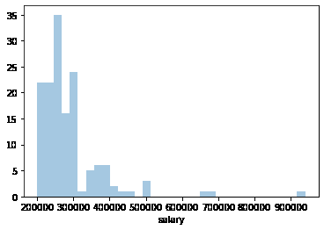

In this figure I have represented the change in the salary provided based on the marks received in different levels of education. Here salary being constant.
This method was chosen as an alternative to show all the histograms in one single chart.

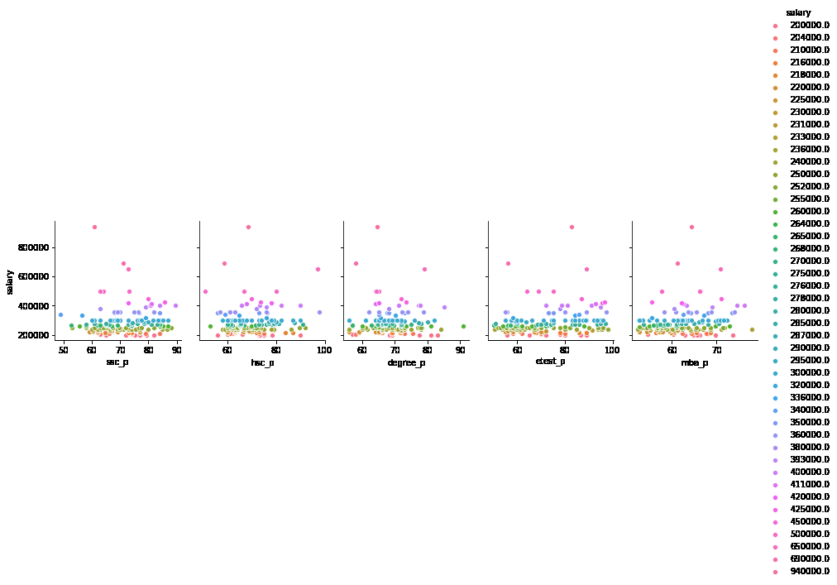

2. Plotting of a pairplot
Separating in terms of salary

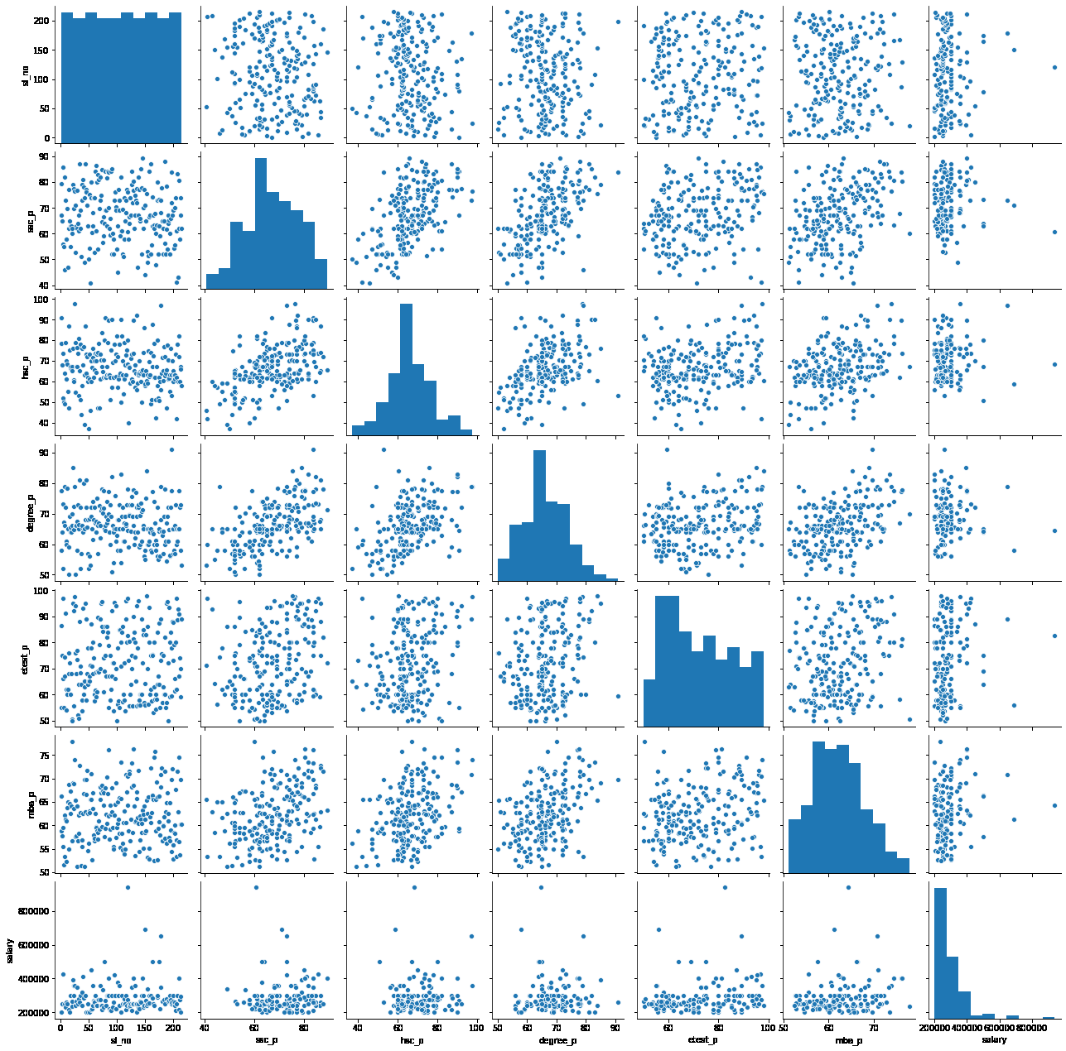
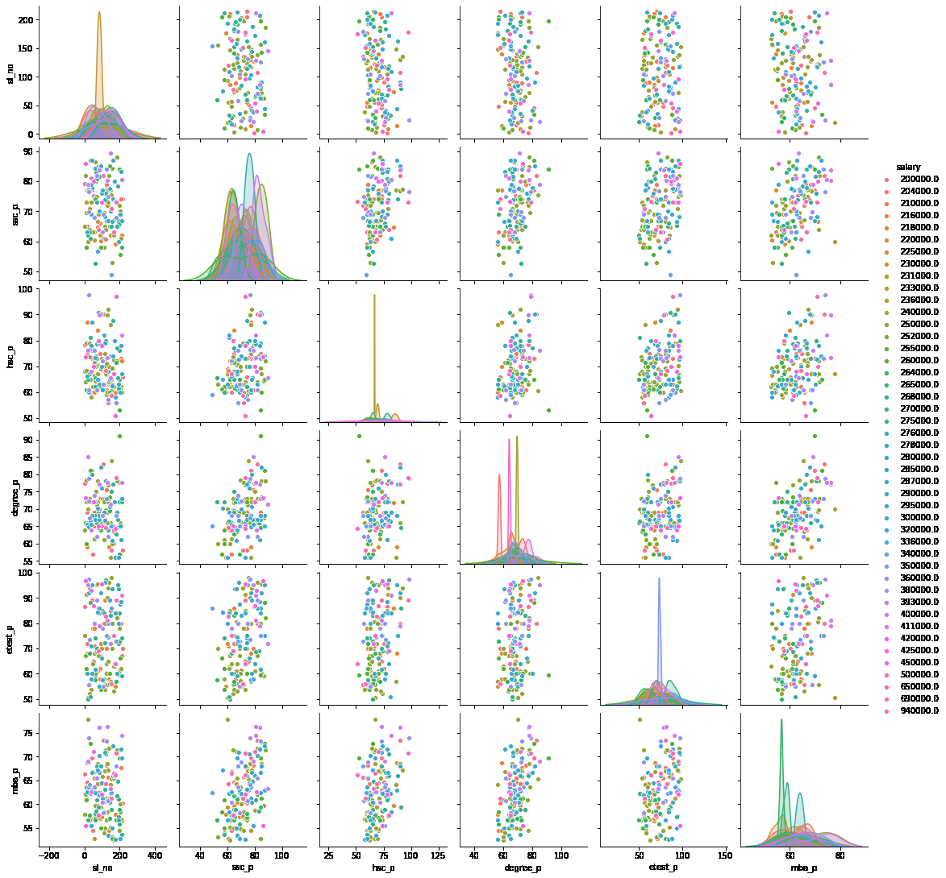

3. Plotting of a heatmap

