SWH 24XX & 32XX
 | BILL OF MATERIAL (BOM)
 | Prepared By : | ONKAR |  |  |  | MODEL | Solarium Qube 10L Dummy | Solarium Qube 15L Dummy | Solarium Qube 25L Dummy
 | Issued By: | Design |  |  |  | SKU
 | Issued To: | QA & Manufacting Plant |  |  |  | Release Date | 20.05.21 | 20.05.21 | 20.05.21
 | Format Date : | 2015-12-23 |  |  |  | Revision No | 0 | 0 | 0
SNO | PARTS | GENERAL SPECIFICATION | PICTURE | QTY | DOCUMENT | SUPPLIER | PARAMETERS | PARAMETERS
PACKAGING |  |  | NORMAL
1 | PACKAGING CARTON BROWN BOX 1 IN 1 | PLY: 3 150 gsm X2 120 gsm X 1 | 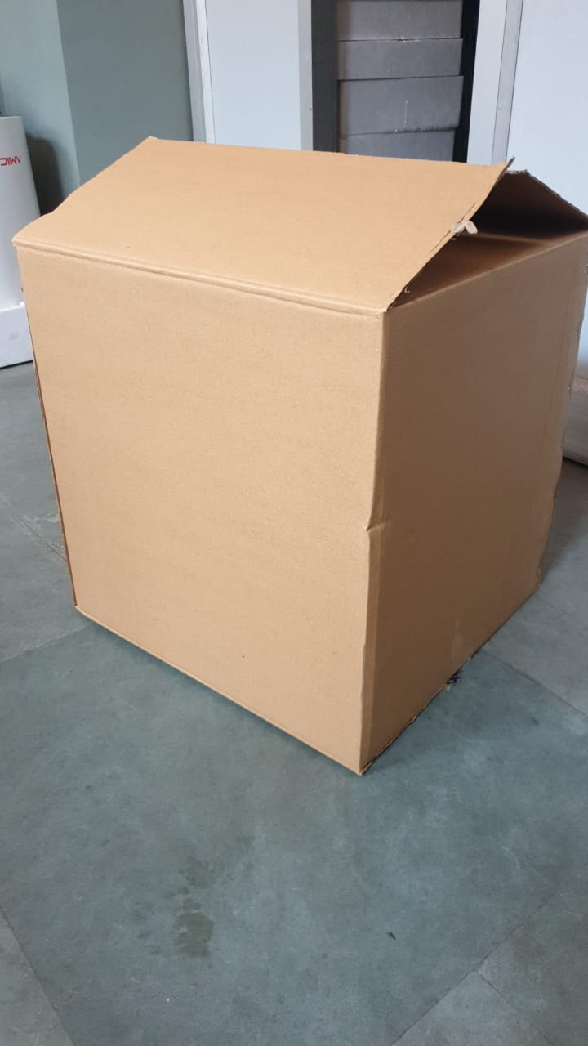 | 1 | NA | 1- Mauyra Printers Delhi 2- International Delhi | 370 X 370 X 405 ± 5 mm | 420 X 420 X 425 ± 5 mm
3 | BOPP TAPE | Material: Transparent BOPP TAPE Printing: Crompton logo Width: 60 mm |  | NA | ARTWORK | Unipack, Baddi | Length: 1250±50mm | Length: 1500±50mm | Length: 1600±50mm
6 | Shrinkable polybag 18" for dummy |  |  | 1 |  | Local | 50 grams | 71 Grams | 85 Grams
7 | STRAP | Size (width): 9 mm Thickness - 0.5mm Crompton printed |  | NA | ARTWORK | SEVEN STAR NOIDA | 3 mtr | 3.5 Mtr | 4 Mtr
STICKERS
9 | BEE STAR RATING | Material : Paper , Colour : Yellow (CMYK) Print : Black, Red & Green Size : 120*65 mm * Pasted online on BOX * Product * Artwork Provided by CROMPTON |  | 2 | ARTWORK | 1- IMPACT DELHI 2- BLUEDOT DELHI | SWH 2410 Artwork Provided by CROMPTON | SWH 2415 Artwork Provided by CROMPTON | SWH 2425 Artwork Provided by CROMPTON
12 | CAUTION / WARNING STICKER | Material : Polyster Paper Print :Black & Red Adhesive: Size : 70 X 30 MM GSM : 180 |  | 1 | Reference sample | 1- IMPACT DELHI 2- BLUEDOT DELHI | Common for Qube [10 L/15L/25L] | Common for Qube [10 L/15L/25L] | Common for Qube [10 L/15L/25L]
14 | STICKER "OK" TESTED | Material : Paper GSM Color Red |  | 1 | Reference sample | 1- IMPACT DELHI | Common for Qube [10 L/15L/25L] | Common for Qube [10 L/15L/25L] | Common for Qube [10 L/15L/25L]
17 | "CROMPTON" LOGO Chrome Plated |  |  | 1 | Reference sample | 1- IMPACT DELHI 2- BLUEDOT DELHI 3- ANIMESH GZB | Common for Qube [10 L/15L/25L] | Common for Qube [10 L/15L/25L] | Common for Qube [10 L/15L/25L]
18 | "Solarium Qube Plus" LOGO |  |  | 1 | Reference sample | 1- IMPACT DELHI 2- BLUEDOT DELHI 3- ANIMESH GZB | Common for Qube [10 L/15L/25L] | Common for Qube [10 L/15L/25L] | Common for Qube [10 L/15L/25L]
19 | KNOB "Plus/Mines" STICKER |  |  | 1 | Reference sample | 1- IMPACT DELHI 2- BLUEDOT DELHI 3- ANIMESH GZB | Common for Qube [10 L/15L/25L] | Common for Qube [10 L/15L/25L] | Common for Qube [10 L/15L/25L]
20 | Water "INLET OUTLET" STICKER |  |  | 1 | Reference sample | 1- IMPACT DELHI 2- BLUEDOT DELHI 3- ANIMESH GZB | Common for Qube [10 L/15L/25L] | Common for Qube [10 L/15L/25L] | Common for Qube [10 L/15L/25L]
21 | STICKERS "REMOVE" at Knob |  |  | 4 | Reference sample | 1- IMPACT DELHI 2- BLUEDOT DELHI 3- ANIMESH GZB | Common for Qube [10 L/15L/25L] | Common for Qube [10 L/15L/25L] | Common for Qube [10 L/15L/25L]
 | Sticker Diffuser Blue |  |  |  | Reference sample | 1- IMPACT DELHI 2- BLUEDOT DELHI 3- ANIMESH GZB | Common for Qube [10 L/15L/25L] | Common for Qube [10 L/15L/25L] | Common for Qube [10 L/15L/25L]
22 | Sticker OPS |  |  |  | Reference sample | 1- IMPACT DELHI 2- BLUEDOT DELHI 3- ANIMESH GZB | Common for Qube [10 L/15L/25L] | Common for Qube [10 L/15L/25L] | Common for Qube [10 L/15L/25L]
23 | Sticker Bar Code |  |  | 1 | Reference sample | 1- IMPACT DELHI 2- BLUEDOT DELHI 3- ANIMESH GZB | Common for Qube [10 L/15L/25L] | Common for Qube [10 L/15L/25L] | Common for Qube [10 L/15L/25L]
PLASTIC PARTS
24 | INLET OUTLET CAP | Material : PP Color : Inlet Light Blue Outlet Light Pink Weight: 8 - 10 Grams Master Batch: 0.500 gms addition with 25 kgs |  | 1 | NA | 1- GARG ENT DELHI 2- PRASAD ELEC NOIDA | Common for Qube [10 L/15L/25L] | Common for Qube [10 L/15L/25L] | Common for Qube [10 L/15L/25L]
25 | INLET OUTLET THREAD CAP | Material : PP Color : Inlet Light Blue Outlet Light Pink Weight: 4 - 6 Grams Master Batch: 0.500 gms addition with 25 kgs |  | 1 | NA | 1- GARG ENT DELHI 2- PRASAD ELEC NOIDA | Common for Qube [10 L/15L/25L] | Common for Qube [10 L/15L/25L] | Common for Qube [10 L/15L/25L]
26 | TOP COVER | Material: PP+10TF Colour: White RM Specs: PPCP120 Make: Reliance |  | 1 | DRAWING MDS | INHOUSE | Weight 1400 - 1450 grams | Weight 1800 - 1850 grams | Weight 2200 - 2250 grams
27 | BOTTOM COVER | Material: PP+10TF Colour: White RM Specs: PPCP120 Make: Reliance |  | 1 | DRAWING MDS | INHOUSE | Weight 775 -825 grams | Weight 870 - 920 grams | Weight 1180 - 1220 grams
28 | DECO PLATE | Material: PC - Clear Colour: Black RM Specs: 2407 Make: Cobestro Weight: 130 -150 Grams |  | 1 | DRAWING MDS | INHOUSE | Weight 130 - 150 grams | Weight 150 - 170 grams | Weight 150 - 170 grams
29 | PCB Water Protection Box | Material:PP +10TF Weight: 60 - 70 grams Grade : FR Make : Nahata |  | 1 | DRAWING MDS | INHOUSE | 60 - 70 | NA | NA
30 | KNOB | Material: ABS Colour: Black RM Specs: Natural 920 Master Batch Zet Black Make : Styluation Weight: 15 Grams |  | 1 | DRAWING MDS | INHOUSE | Common for Qube [10 L/15L/25L] | Common for Qube [10 L/15L/25L] | Common for Qube [10 L/15L/25L]
31 | LED DIFUSER | Material: GPPS Colour: Translution |  | 1 | MDS | INHOUSE | Common for Qube [10 L/15L/25L] | Common for Qube [10 L/15L/25L] | Common for Qube [10 L/15L/25L]
 | TANK ASSEMBLY
37 | I/L O/L MS PIPE WITH STRIP WELDED | Material: MS Sheet |  | 1 | NA | INHOUSE | Common for Qube [10 L/15L/25L] | Common for Qube [10 L/15L/25L] | Common for Qube [10 L/15L/25L]
 | ELECTRICALS & CONNECTION
50 | THERMOSTAT - CAPILLARY REJECTED | Stem Type : Capillary WH Operating Temp : 70-80 C Specs : (CLASS 1) 75 ± 3 C Electrical Rating : 250 V / 16 A |  | 1 | NA | Zhongsan China | Common for Qube [10 L/15L/25L] | Common for Qube [10 L/15L/25L] | Common for Qube [10 L/15L/25L]
HARDWARES
60 | ST SCREW FOR LED & DRIVER MOUNTING | Size: 6 X 9.5 Material: MS Finish: White Zn Plating |  | 8 | NA | 1- Chinar Chandigarh 2- Jasoria Delhi | 6 Nos | 2 Nos | 2 Nos
62 | SCREW FOR THERMOSTAT & EARTH | Size: 4 X 6 Material: MS Finish: White Zn Plating |  | 2 | NA | 1- Chinar Chandigarh 2- Jasoria Delhi | Common for Qube [10 L/15L/25L] | Common for Qube [10 L/15L/25L] | Common for Qube [10 L/15L/25L]
63 | THERMOSTAT STRIP 10 QUBE | Material: MS Finish: White Zn Plating |  | 1 | NA | KG ENGG DELHI | Common for Qube [10 L/15L/25L] | Common for Qube [10 L/15L/25L] | Common for Qube [10 L/15L/25L]
68 | THERMOSTAT STRIP 15/25 QUBE | Material: MS Finish: White Zn Plating |  | 1 | NA | KG ENGG DELHI | Common for Qube [10 L/15L/25L] | Common for Qube [10 L/15L/25L] | Common for Qube [10 L/15L/25L]
69 | TAFLON TAPE |  |  | 2 | NA | LOCAL PURCHASE | Common for Qube [10 L/15L/25L] | Common for Qube [10 L/15L/25L] | Common for Qube [10 L/15L/25L]
75 | MIN CREAM & THINNER FOR CLEANING | 20 ml |  |  | NA | LOCAL PURCHASE | Common for Qube [10 L/15L/25L] | Common for Qube [10 L/15L/25L] | Common for Qube [10 L/15L/25L]
76 | DOUBLE SIDED TAPE | 1 Mtr |  |  | NA | LOCAL PURCHASE | Common for Qube [10 L/15L/25L] | Common for Qube [10 L/15L/25L] | Common for Qube [10 L/15L/25L]
77 | PRIMER | 100 ml |  |  | NA | LOCAL PURCHASE | Common for Qube [10 L/15L/25L] | Common for Qube [10 L/15L/25L] | Common for Qube [10 L/15L/25L]
78 | SPE USE DECO PLATE | 150 X 100 mm |  |  | NA | LOCAL PURCHASE | Common for Qube [10 L/15L/25L] | Common for Qube [10 L/15L/25L] | Common for Qube [10 L/15L/25L]

