Questions
Q1 (a) | Protect cells C2 to C5 in the Answers sheet to prevent accidental edits.

Q1 (b) | Implement data validation on a column A in the Answers sheet to restrict entries to specific criteria.
 | Criteria |  | It should accept only 5 characters/integers
 |  |  | It should accept unique values
 |  |  | if user violates the specified criteria it should display this error "PLEASE ENTER UNIQUE ID"

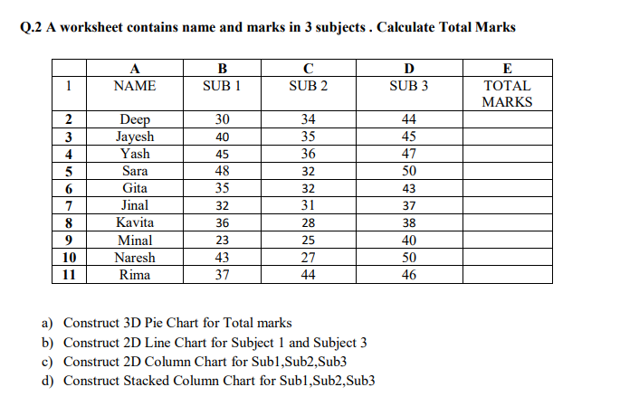

Q3 | Determine how many points are needed in the endterm to receive a total percentage of 60 by analyzing the data below.

Exam |  | Marks |  | Note : D40 is containing Average formula
CA1 |  | 29
MidTerm |  | 92
CA2 |  | 27
EndTerm
Total Percentage |  | 49.333333333

Q4 | Go to the Q4 Data Tab and answer the below given questions.

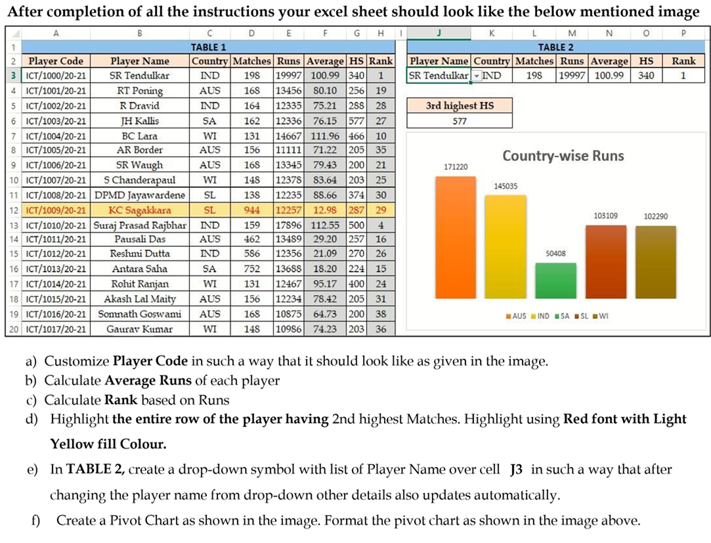

Q5 | Create a new sheet with name Validation and Implement data validation to restrict entries to specific criteria.

 | Name | RollNo | Address | qualification | Criteria | Attribute name should accept only characters
 |  |  |  |  |  | Attribute RollNO should accept only integer values
 |  |  |  |  |  | Fix the length of Address attribute to 15 characters
 |  |  |  |  |  | Add list for qualification attribute so that user can either select B.tech or M.tech only

Answers
 | Name | Anurag
12345 | Reg ID | 12220207
13579 | Roll No | 28
11111 | Section | K22GB
22222
33333 |  |  |  | A | B | C | D | E
44444 |  |  | 1 | NAME | SUB 1 | SUB 2 | SUB 3 | TOTAL MARKS | Q3
55555 |  |  | 2 | Deep | 30 | 34 | 44 | 108
66666 |  |  | 3 | Jayesh | 40 | 35 | 45 | 120 | Exam |  | Marks
 |  |  | 4 | Yash | 45 | 36 | 47 | 128 | CA1 |  | 29
 |  |  | 5 | Sara | 48 | 32 | 50 | 130 | MidTerm |  | 92
 |  |  | 6 | Gita | 35 | 32 | 43 | 110 | CA2 |  | 27
 |  |  | 7 | Jinal | 32 | 31 | 37 | 100 | EndTerm |  | 92
 |  |  | 8 | Kavita | 36 | 28 | 38 | 102 | Total Percentage |  | 60
 |  |  | 9 | Minal | 23 | 25 | 40 | 88
 |  |  | 10 | Naresh | 43 | 27 | 50 | 120
 |  |  | 11 | Rima | 37 | 44 | 46 | 127

 |  |  |  |  |  |  |  |  |  | Q5

 |  |  |  |  |  |  |  |  |  | Name | RollNo | Address | qualification
 |  |  |  |  |  |  |  |  |  | anurag | 15 |  | Mtech
 |  |  |  |  |  |  |  |  |  | ajay | 26 |  | Btech

Q4 Data
TABLE 1 |  |  |  |  |  |  |  | TABLE 2
Player Code | Player Name | Country | Matches | Runs | Average | HS | Rank | Player Name | Country | Matches | Runs | Average | HS
ICT/1000/(20-21)) | SR Tendulkar | IND | 198 | 19997 | 100.99 | 340 | 1
ICT/1001/(20-21)) | RT Poning | AUS | 168 | 13456 | 80.10 | 256 | 19
ICT/1002/(20-21)) | R Dravid | IND | 164 | 12335 | 75.21 | 288 | 28 | 3rd highest HS
ICT/1003/(20-21)) | JH Kallis | SA | 162 | 12336 | 76.15 | 577 | 27
ICT/1004/(20-21)) | BC Lara | WI | 131 | 14667 | 111.96 | 466 | 10
ICT/1005/(20-21)) | AR Border | AUS | 156 | 11111 | 71.22 | 205 | 35
ICT/1000/(20-21)) | SR Waugh | AUS | 168 | 13345 | 79.43 | 200 | 21
ICT/1000/(20-21)) | S Chanderapaul | WI | 148 | 12378 | 83.64 | 203 | 25
ICT/1000/(20-21)) | DPMD Jayawardene | SL | 138 | 12235 | 88.66 | 374 | 30
Country-wise runs
 | Total
AUS | 171220
IND | 145035
SA | 50408
SL | 103109
WI | 102290
ICT/1000/(20-21)) | KC Sagakkara | SL | 944 | 12257 | 12.98 | 287 | 29
ICT/1000/(20-21)) | Suraj Prasad Rajbhar | IND | 159 | 17896 | 112.55 | 500 | 4
ICT/1000/(20-21)) | Pausali Das | AUS | 462 | 13489 | 29.20 | 257 | 16
ICT/1000/(20-21)) | Reshmi Dutta | IND | 586 | 12356 | 21.09 | 270 | 26
ICT/1000/(20-21)) | Antara Saha | SA | 752 | 13688 | 18.20 | 224 | 15
ICT/1000/(20-21)) | Rohit Ranjan | WI | 131 | 12467 | 95.17 | 400 | 24
ICT/1000/(20-21)) | Akash Lal Maity | AUS | 156 | 12234 | 78.42 | 205 | 31
ICT/1000/(20-21)) | Somnath Goswami | AUS | 168 | 10875 | 64.73 | 200 | 38
ICT/1000/(20-21)) | Gaurav Kumar | WI | 148 | 10986 | 74.23 | 203 | 36
ICT/1000/(20-21)) | Sarita Kumari | SL | 138 | 10754 | 77.93 | 374 | 41
ICT/1000/(20-21)) | Priyottam Roy | SL | 117 | 17765 | 151.84 | 287 | 5
ICT/1000/(20-21)) | Ranajit Ghosh | IND | 123 | 16654 | 135.40 | 248 | 7
ICT/1000/(20-21)) | Rakesh Nair | AUS | 263 | 18865 | 71.73 | 257 | 3
ICT/1000/(20-21)) | Gitin Varghese | IND | 148 | 19986 | 135.04 | 270 | 2
ICT/1000/(20-21)) | Neeraj Sharma | SA | 596 | 11256 | 18.89 | 224 | 33
ICT/1000/(20-21)) | Akash Gupta | WI | 456 | 13466 | 29.53 | 876 | 17
ICT/1000/(20-21)) | Srishti Bansal | AUS | 230 | 13462 | 58.53 | 205 | 18
ICT/1000/(20-21)) | Shailja Agarwal | AUS | 158 | 14468 | 91.57 | 200 | 11
ICT/1000/(20-21)) | Manidipa Chatterjee | WI | 475 | 15543 | 32.72 | 203 | 9
ICT/1000/(20-21)) | Rinku Gorai | SL | 692 | 14437 | 20.86 | 374 | 12
ICT/1000/(20-21)) | Sk Raquib | SL | 130 | 14369 | 110.53 | 287 | 14
ICT/1000/(20-21)) | Nisha Singh | IND | 142 | 16686 | 117.51 | 248 | 6
ICT/1000/(20-21)) | Shaily | AUS | 158 | 14436 | 91.37 | 257 | 13
ICT/1000/(20-21)) | Komal Dobhal | IND | 956 | 13288 | 13.90 | 270 | 22
ICT/1000/(20-21)) | Km Anita Bisht | SA | 423 | 13128 | 31.04 | 224 | 23
ICT/1000/(20-21)) | Vinod Singh | WI | 258 | 11953 | 46.33 | 778 | 32
ICT/1000/(20-21)) | Neha Negi | AUS | 125 | 11174 | 89.39 | 205 | 34
ICT/1000/(20-21)) | Veeshant Arora | AUS | 348 | 10927 | 31.40 | 200 | 37
ICT/1000/(20-21)) | Abhishek | WI | 900 | 10830 | 12.03 | 203 | 39
ICT/1000/(20-21)) | Rajinder Kaur | SL | 845 | 10806 | 12.79 | 374 | 40
ICT/1000/(20-21)) | Parminder Singh | SL | 742 | 10486 | 14.13 | 287 | 42
ICT/1000/(20-21)) | Sandeep | IND | 236 | 15837 | 67.11 | 248 | 8
ICT/1000/(20-21)) | Sagar Adhikari | AUS | 520 | 13378 | 25.73 | 257 | 20

