exercise 4
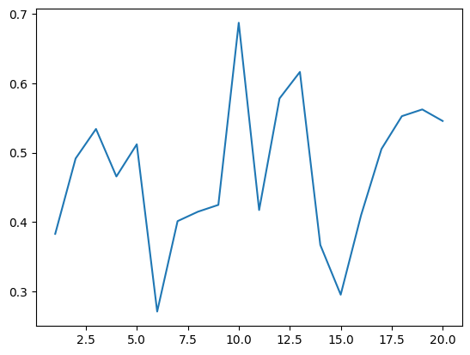
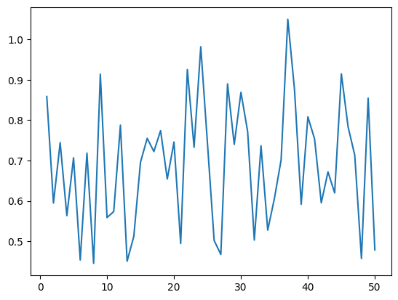
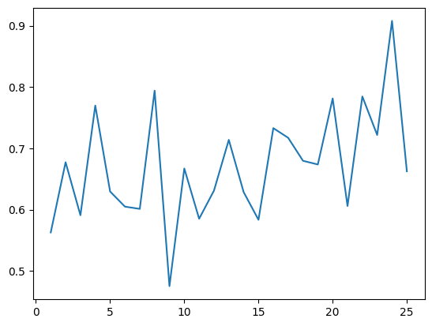
Dataset | Dataset size |  | Model Version | Model Description | Hyper-Parameters |  |  | Accuracy |  | Loss
 | Training | Validation |  |  | Learning rate | Step-size | Epochs | Training Acc | Validation Acc | Training Loss | Validation Loss
Classification of Ants/Bees Dataset | 244 | 153 | v1 | Resnet18(SGD Optimizer) | 0.001 | 7 | 20 | 84.83 | 94.11 | 0.051 | 0.19
 |  |  |  | Resnet18(SGD Optimizer) | 0.001 | 7 | 50 | 95.49 | 94.11 | 0.036 | 0.19
 | 244 | 153 | v1 | Resnet18(Adam Optimizer) | 0.0001 | 5 | 20 | 81.55 | 79.73 | 0.54 | 0.473
 |  |  |  | Resnet18(Adam Optimizer) | 0.001 | 5 | 50 | 54.5 | 59.6 | 0.47 | 0.66
 | 244 | 153 | v2 | Efficientnet(SGD Optimizer) | 0.001 | 7 | 25 | 52.46 | 65.359 | 0.66 | 0.67

Conclusion | Resnet18 with SGD Optimiser at learning rate 0.001 and step size 7 is giving best results with less inference time compared to others

Results:
 | Training Accuracy with Step size 7, learning rate 0.001 with SGD optimizer

 | 20 Epochs |  |  | 50 Epochs |  |  | Training loss
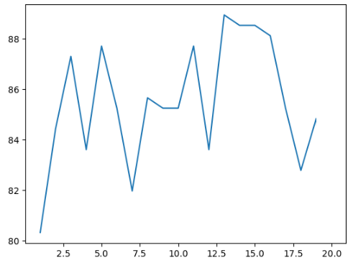
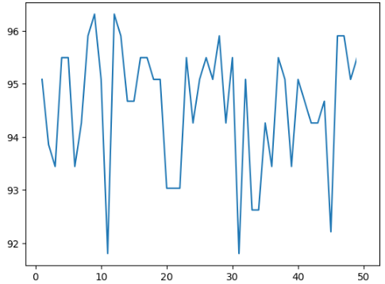
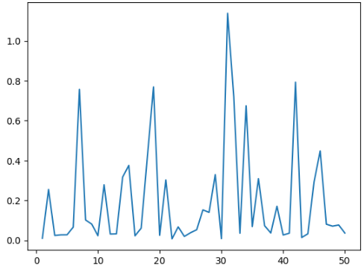

 | Training Accuracy with Step size 5, learning rate 0.001 with Adam optimizer |  |  |  |  |  |  | Training Accuracy Efficientnet with SGD optimizer

 | 20 Epochs |  |  | 50Epochs |  |  |  |  | 25 Epochs
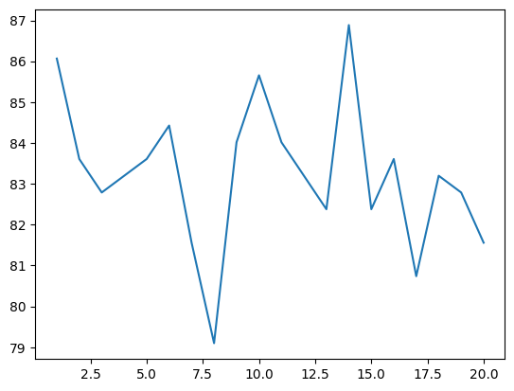
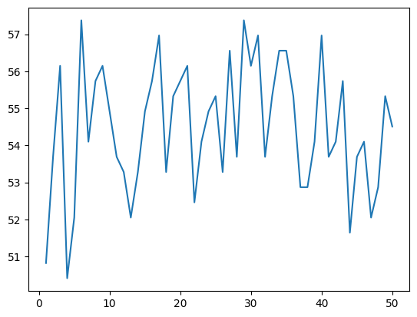
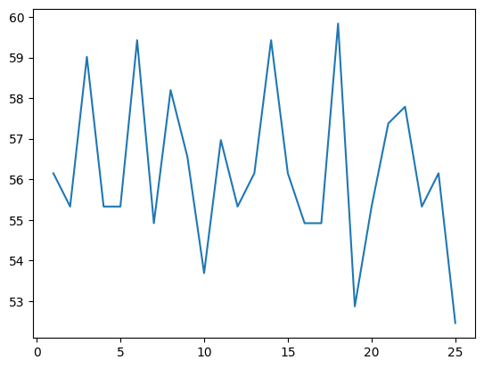

 | Training loss

exercise 5
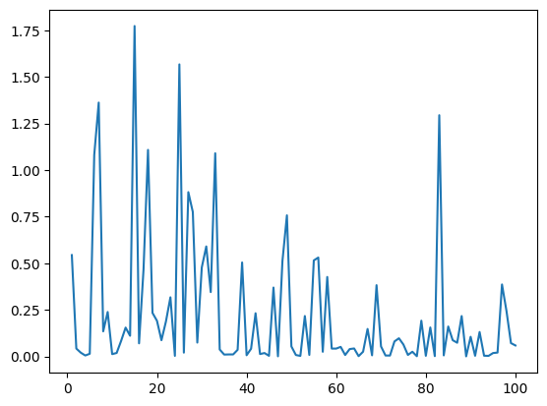
Dataset | Dataset size |  | Model Description | Hyper-Parameters |  | Accuracy |  | Loss
 | Training | Validation |  | Learning rate | Epochs | Training Acc | Validation Acc | Training Loss | Validation Loss
Classification of Ants/Bees Dataset | 244 | 153 | Resnet18(SGD Optimizer) | 0.001 | 100 | 97.95 | 92.8 | 0.059 | 0.28
 | 244 | 153 | Resnet18(RMS prop Optimizer) | 0.01 | 100-150 | 65.98 | 71.24 | 0.46 | 0.58
 | 244 | 153 | Resnet18(Adagrad Optimizer) | 0.001 | 120 | 69.26 | 70.588 | 0.715 | 0.656
 | 244 | 153 | vgg16(SGD Optimizer) | 0.008 | 80 | 50.4 | 45.9 | 0.64 | 0.52

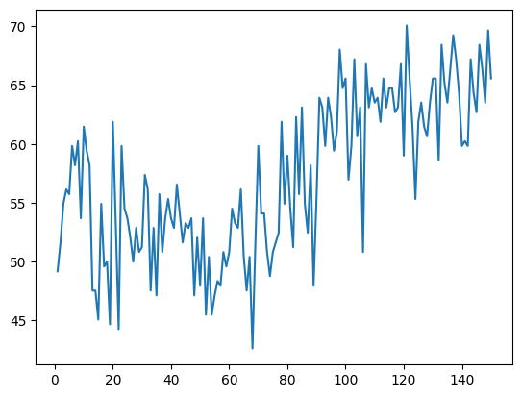
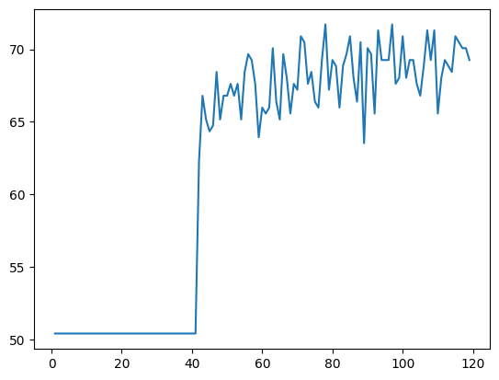
RESNET Results :
 | SGD optimizer |  | RMS Prop Optimizer |  | Adagrad Optimizer
Train Accuracy
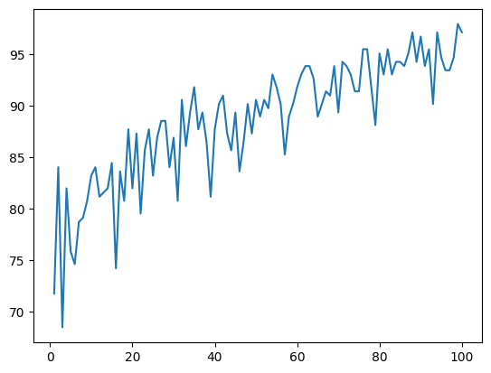

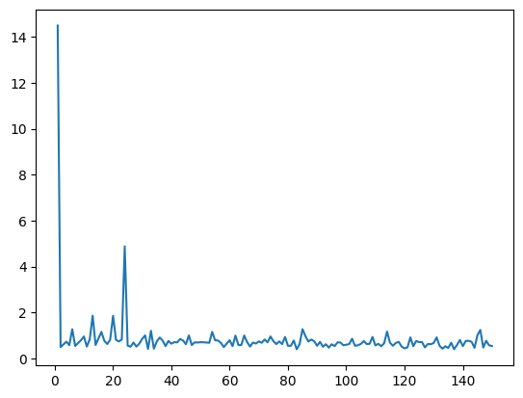
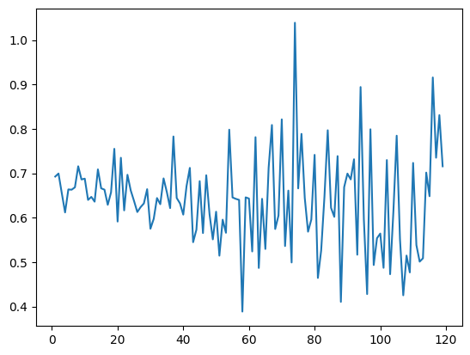
Training loss

