Results
 | Resnet34- SGD optimizer with learning rate 0.001

Epoch | Train Loss | Train Acc | Val loss | Val Accuracy
1 | 0.60 | 0.81 | 0.60 | 0.81
2 | 0.51 | 0.84 | 0.51 | 0.84
3 | 0.48 | 0.84 | 0.48 | 0.84
4 | 0.45 | 0.85 | 0.45 | 0.85
5 | 0.47 | 0.85 | 0.47 | 0.85
6 | 0.45 | 0.85 | 0.45 | 0.85
7 | 0.50 | 0.84 | 0.50 | 0.84
8 | 0.46 | 0.84 | 0.46 | 0.84
9 | 0.44 | 0.86 | 0.44 | 0.86
10 | 0.42 | 0.87 | 0.42 | 0.87
11 | 0.49 | 0.83 | 0.49 | 0.83
12 | 0.43 | 0.86 | 0.43 | 0.86
Train Accuracy
13 | 0.43 | 0.86 | 0.43 | 0.86
14 | 0.42 | 0.86 | 0.42 | 0.86
15 | 0.42 | 0.87 | 0.42 | 0.87
16 | 0.47 | 0.85 | 0.47 | 0.85
17 | 0.42 | 0.86 | 0.42 | 0.86
18 | 0.40 | 0.86 | 0.40 | 0.86
19 | 0.44 | 0.86 | 0.44 | 0.86
20 | 0.41 | 0.86 | 0.41 | 0.86
21 | 0.41 | 0.86 | 0.41 | 0.86
22 | 0.41 | 0.86 | 0.41 | 0.86
23 | 0.41 | 0.87 | 0.41 | 0.87
24 | 0.42 | 0.87 | 0.42 | 0.87
25 | 0.41 | 0.87 | 0.41 | 0.87

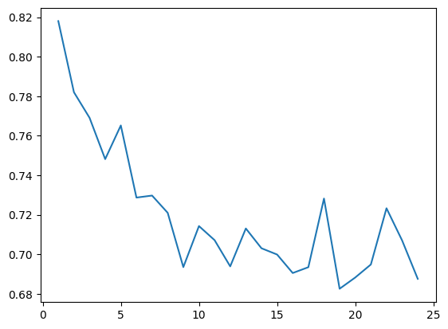
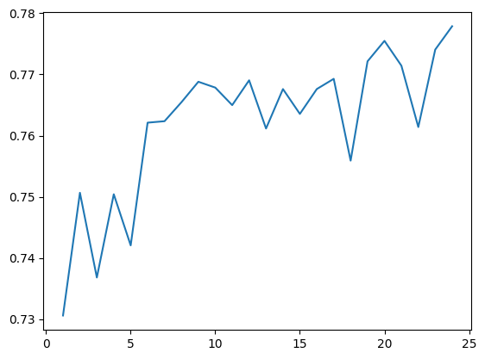
 | Effecientnet b0- SGD optimizer with learning rate 0.005
 |  |  |  |  | train loss | Train Accuracy
Epoch | Train Loss | Train Acc | Val loss | Val Accuracy
1 | 0.5735 | 0.8329 | 0.5735 | 0.8329
2 | 0.566 | 0.8307 | 0.566 | 0.8307
3 | 0.5416 | 0.8242 | 0.5416 | 0.8242
4 | 0.6095 | 0.8034 | 0.6095 | 0.8034
5 | 0.5529 | 0.8271 | 0.5529 | 0.8271
6 | 0.5445 | 0.8242 | 0.5445 | 0.8242
7 | 0.5157 | 0.8329 | 0.5157 | 0.8329
8 | 0.5271 | 0.835 | 0.5271 | 0.835
9 | 0.5112 | 0.8343 | 0.5112 | 0.8343
10 | 0.5444 | 0.8171 | 0.5444 | 0.8171
11 | 0.5302 | 0.8271 | 0.5302 | 0.8271
12 | 0.5388 | 0.8192 | 0.5388 | 0.8192
13 | 0.5052 | 0.8357 | 0.5052 | 0.8357
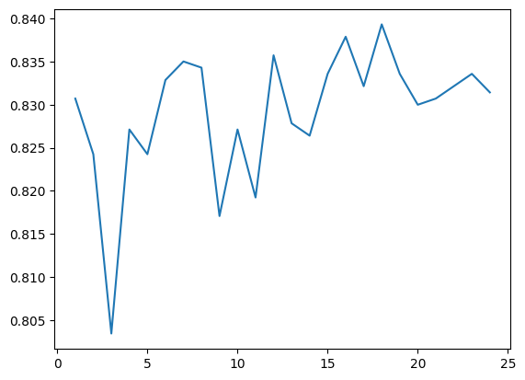
14 | 0.5102 | 0.8278 | 0.5102 | 0.8278 | Validation loss | Validation accuracy
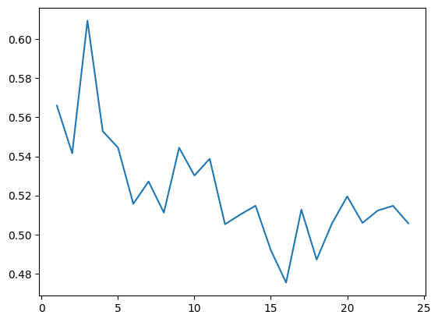
15 | 0.5147 | 0.8264 | 0.5147 | 0.8264
16 | 0.492 | 0.8336 | 0.492 | 0.8336
17 | 0.4754 | 0.8379 | 0.4754 | 0.8379
18 | 0.5127 | 0.8321 | 0.5127 | 0.8321
19 | 0.4871 | 0.8393 | 0.4871 | 0.8393
20 | 0.5056 | 0.8336 | 0.5056 | 0.8336
21 | 0.5195 | 0.83 | 0.5195 | 0.83
22 | 0.5059 | 0.8307 | 0.5059 | 0.8307
23 | 0.5123 | 0.8321 | 0.5123 | 0.8321
24 | 0.5147 | 0.8336 | 0.5147 | 0.8336
25 | 0.5057 | 0.8314 | 0.5057 | 0.8314

 | Efficientnet b1 - SGD optimizer with learning rate 0.003
Train loss
Validation loss
epoch | train loss | train acc | val loss | val acc
1 | 1.0055 | 0.7202 | 1.0055 | 0.7202
2 | 0.865 | 0.7461 | 0.865 | 0.7461
3 | 0.8073 | 0.7575 | 0.8073 | 0.7575
4 | 0.7805 | 0.7475 | 0.7805 | 0.7475
5 | 0.7472 | 0.7633 | 0.7472 | 0.7633
6 | 0.7593 | 0.7554 | 0.7593 | 0.7554
7 | 0.7692 | 0.7468 | 0.7692 | 0.7468
8 | 1.5655 | 0.7582 | 1.5655 | 0.7582
9 | 5.5442 | 0.7769 | 5.5442 | 0.7769
10 | 0.7379 | 0.7575 | 0.7379 | 0.7575
11 | 0.7309 | 0.7633 | 0.7309 | 0.7633
12 | 0.7365 | 0.7654 | 0.7365 | 0.7654
13 | 0.7167 | 0.7755 | 0.7167 | 0.7755
14 | 0.6936 | 0.7747 | 0.6936 | 0.7747
Train accuracy
Validation Accuracy
15 | 0.7375 | 0.7669 | 0.7375 | 0.7669
16 | 0.6878 | 0.7855 | 0.6878 | 0.7855
17 | 0.677 | 0.7712 | 0.677 | 0.7712
18 | 0.7166 | 0.7719 | 0.7166 | 0.7719
19 | 0.6916 | 0.7805 | 0.6916 | 0.7805
20 | 0.6929 | 0.7776 | 0.6929 | 0.7776
21 | 0.6832 | 0.7791 | 0.6832 | 0.7791
22 | 0.6668 | 0.7791 | 0.6668 | 0.7791
23 | 0.6815 | 0.7826 | 0.6815 | 0.7826
24 | 0.688 | 0.7697 | 0.688 | 0.7697
25 | 0.7272 | 0.7597 | 0.7272 | 0.7597
26 | 0.684 | 0.7877 | 0.684 | 0.7877
27 | 0.6917 | 0.7769 | 0.6917 | 0.7769
28 | 0.7103 | 0.7719 | 0.7103 | 0.7719
29 | 0.7945 | 0.7726 | 0.7945 | 0.7726
30 | 0.7536 | 0.7732 | 0.7536 | 0.7732
31 | 0.7234 | 0.7778 | 0.7234 | 0.7778
32 | 0.7006 | 0.7712 | 0.7006 | 0.7712
33 | 0.6931 | 0.7635 | 0.6931 | 0.7635
34 | 0.6892 | 0.7693 | 0.6892 | 0.7693
35 | 0.6784 | 0.7715 | 0.6784 | 0.7715
36 | 0.6706 | 0.7733 | 0.6706 | 0.7733
37 | 0.6612 | 0.7855 | 0.6612 | 0.7855
38 | 4.0656 | 0.7884 | 4.0656 | 0.7884
39 | 0.6556 | 0.7862 | 0.6556 | 0.7862
40 | 0.6822 | 0.7783 | 0.6822 | 0.7783
41 | 0.6994 | 0.7733 | 0.6994 | 0.7733
42 | 1.89 | 0.7898 | 1.89 | 0.7898
43 | 0.6724 | 0.7783 | 0.6724 | 0.7783
44 | 0.663 | 0.7834 | 0.663 | 0.7834
45 | 0.6735 | 0.7841 | 0.6735 | 0.7841
46 | 0.6857 | 0.7812 | 0.6857 | 0.7812
47 | 0.6814 | 0.774 | 0.6814 | 0.774
48 | 0.6565 | 0.7683 | 0.6565 | 0.7683
49 | 0.7178 | 0.7654 | 0.7178 | 0.7654
50 | 0.6712 | 0.7805 | 0.6712 | 0.7805

