1. Exploratory Testing
Type | Issues | Steps to reproduce | Screenshots
UI issues | Mandatory fields not mentioned with the '*' icon | 1. Open the URL in browser 2. Start filling out the form 3. Observe that mandatory fields are not marked with the '*' icon or any indication | 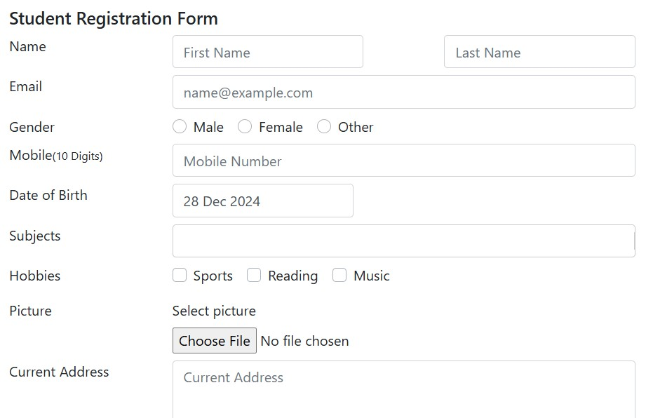
Functionality issues | Only 4 state can be select by using dropdown | 1. Open the URL in browser 2.Enter valid details in the form fields 3. Click the drop down to select the Status in given options 4. User able to select only 4 states, which is very less options | 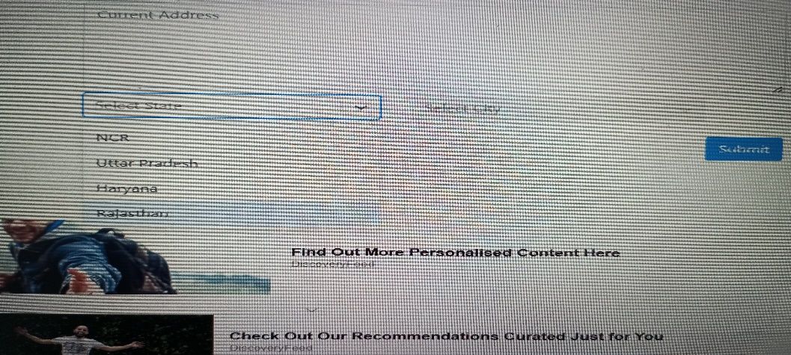
Usability issues | Terms and conditions part is missing in the 'Practice Form' | 1. Open the URL in browser 2. Scroll to the bottom of the form where the Submit button is located. 3. Check the terms and conditions section above the Submit button. | 

