Sheet1
 | KPI(Key Performance Indicator)
 | Total Sales | Average Rating | Average Order Value (AOV) | Rating Count | Total Orders
 | 484470 | 4.0282417582 | 483.98601399 | 910 | 1000
 |  |  |  |  |  | Sales by Food Type
 |  |  | Monthly Sales Trend |  |  | Row Labels | Sum of Total_Sales
Monthly Sales Trend |  |  |  |  |  | Non-Veg | 102605
Row Labels | Sum of Total_Sales |  |  |  |  | Veg | 381865
January | 62855 |  |  |  |  | Grand Total | 484470
February | 48960
March | 71825
April | 64880
May | 53955
June | 58030
July | 61215
August | 62750
Grand Total | 484470

 |  |  |  |  |  | Total Sales by State
 |  |  |  |  |  | Row Labels | Sum of Total_Sales
Daily Sales Trend |  |  |  |  |  | Bengaluru | 64070
 | Total
<1/1/2026
Jan | 62855
Feb | 48960
Mar | 71825
Apr | 64880
May | 53955
Jun | 58030
Jul | 61215
Aug | 62750
Row Labels | Sum of Total_Sales |  |  |  |  | Delhi | 65300
<1/1/2026 |  |  |  |  |  | Hyderabad | 54515
Jan | 62855 |  |  |  |  | Kolkata | 58735
Feb | 48960 |  |  |  |  | Mumbai | 176950
Mar | 71825 |  |  |  |  | Patna | 64900
Apr | 64880 |  |  |  |  | Grand Total | 484470
May | 53955
Jun | 58030
Jul | 61215
Aug | 62750
Grand Total | 484470

 | Total
Bihar | 81865
Delhi | 87280
Karnataka | 91210
Maharashtra | 74650
Telangana | 72500
West Bengal | 76965
(blank)
Total Sales by State
Row Labels | Sum of Total_Sales
Bihar | 81865
Delhi | 87280
Karnataka | 91210
Maharashtra | 74650
Telangana | 72500
West Bengal | 76965
(blank)
Grand Total | 484470

Dashboard
484470
4.028241758
483.986014
910
1000

Total Sales
Avg Rating
Avg Order Value
Rating Value
Total Order
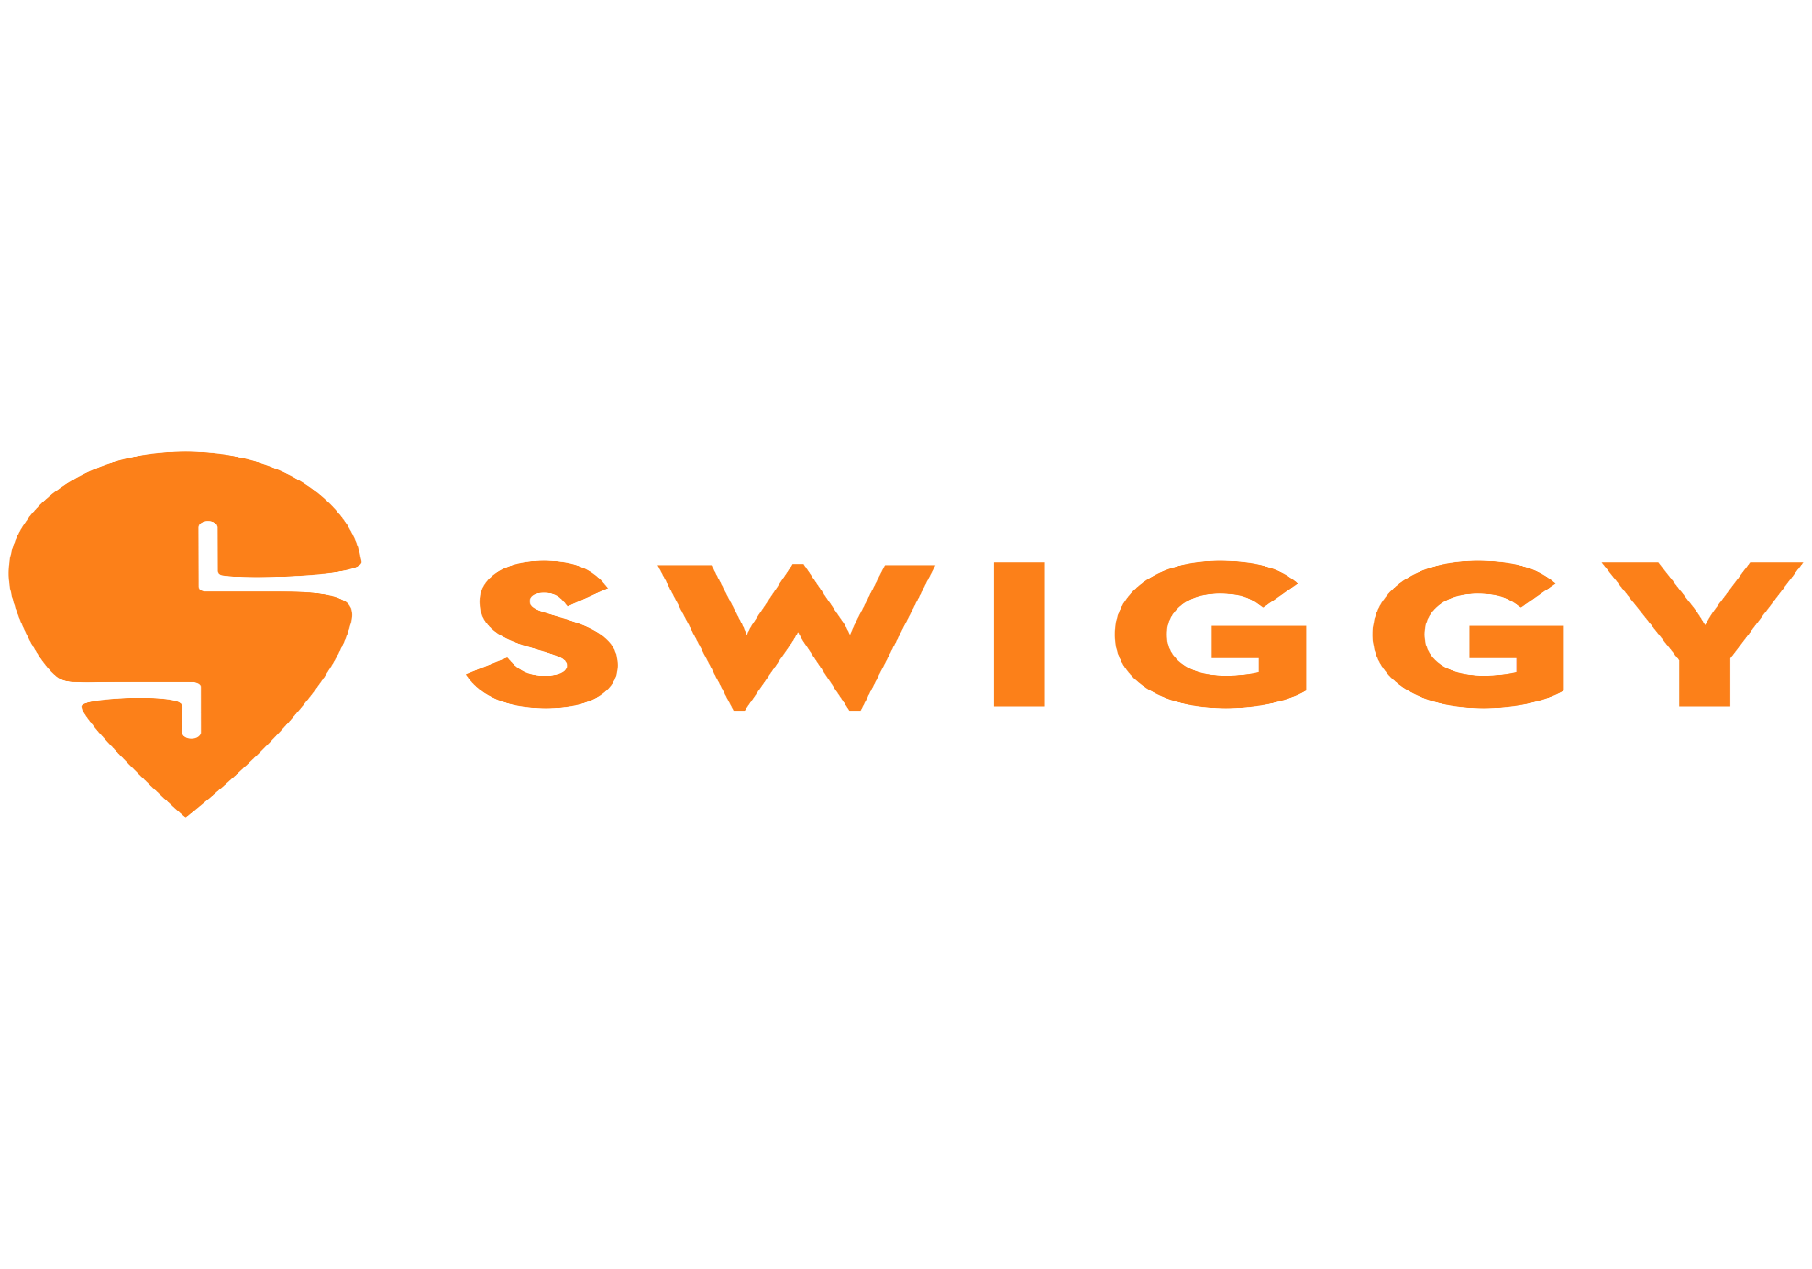

D
Daily_Sales_Trend
Total_Sales_by_State

 | Total
<1/1/2026
Jan | 62855
Feb | 48960
Mar | 71825
Apr | 64880
May | 53955
Jun | 58030
Jul | 61215
Aug | 62750
 | Total
Bihar | 81865
Delhi | 87280
Karnataka | 91210
Maharashtra | 74650
Telangana | 72500
West Bengal | 76965
(blank)

Monthly_Sales_Trend
Sales_BY_Food_Type

 | Total
January | 62855
February | 48960
March | 71825
April | 64880
May | 53955
June | 58030
July | 61215
August | 62750
 | Total
Non-Veg | 102605
Veg | 381865

