dashboard
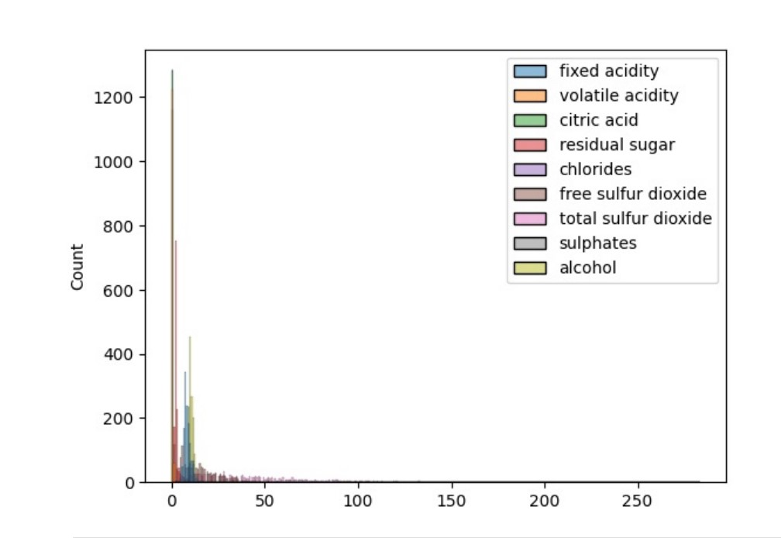
 | Sum of free sulfur dioxide | Sum of total sulfur dioxide
Total | 25385 | 74303
What is Wine Made Up Of?
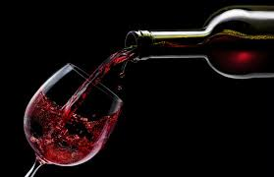

FIXED ACIDITY
VOLATILE ACIDITY

Sum of acids compounds
 | Sum of volatile acidity | Sum of fixed acidity
0.99007 | 0.36 | 16
0.9902 | 0.4 | 5
0.99064 | 0.56 | 13.4
0.9908 | 0.49 | 5.5
0.99084 | 0.38 | 5
0.9912 | 0.21 | 6.1
0.9915 | 0.29 | 5.8
0.99154 | 0.42 | 4.9
0.99157 | 0.42 | 5.1
0.9916 | 0.68 | 10.4
0.99162 | 0.69 | 6.4
0.9917 | 0.42 | 5
0.99182 | 0.94 | 10.6
0.99191 | 0.6 | 5.7
0.9921 | 0.47 | 5.1
0.9922 | 0.86 | 12.9
0.99235 | 0.54 | 7.9
0.99236 | 0.54 | 6
0.9924 | 2.195 | 16.1
0.99242 | 1.5 | 14.2
0.99252 | 0.39 | 7.1
0.99256 | 0.66 | 5.6
0.99258 | 2.085 | 16
0.99264 | 0.585 | 5.1
0.9927 | 0.48 | 5.2
0.9928 | 0.72 | 13.6
0.99286 | 0.6 | 8
0.9929 | 0.51 | 6.5
0.99292 | 0.49 | 6
0.99294 | 0.95 | 12.8
0.99306 | 0.6 | 6.3
0.99314 | 0.55 | 6.3
0.99316 | 0.6 | 15.8
0.99318 | 0.66 | 7.1
0.9932 | 0.6 | 4.7
0.99322 | 0.58 | 6.9
0.99323 | 0.53 | 7.2
0.99328 | 0.16 | 7.1
0.9933 | 0.36 | 7.4
0.99331 | 0.61 | 14.6
0.99332 | 0.62 | 7.2
0.99334 | 0.7 | 6.7
0.99336 | 0.6 | 6.1
0.9934 | 2.49 | 21.3
0.99341 | 0.19 | 5.9
0.99344 | 0.22 | 7.1
0.99346 | 1.775 | 19.6
0.99348 | 0.65 | 6.2
0.9935 | 0.44 | 7.3
0.99352 | 1.08 | 12.7
...

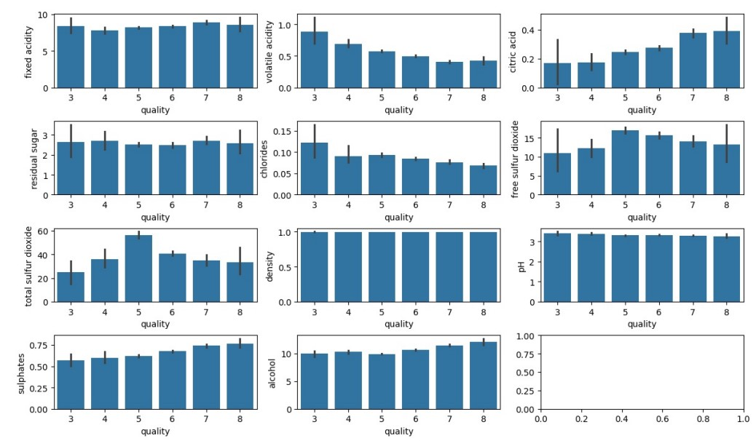

 | Total
3 | 33.98
4 | 179.22
5 | 2250.67
6 | 2116.93
7 | 654.86
8 | 58.81

SUM OF CHLORIDES
 | Total
0.99007 | 0.098
0.9902 | 0.046
0.99064 | 0.024
0.9908 | 0.044
0.99084 | 0.048
0.9912 | 0.066
0.9915 | 0.063
0.99154 | 0.048
0.99157 | 0.044
0.9916 | 0.1
0.99162 | 0.055
0.9917 | 0.06
0.99182 | 0.096
0.99191 | 0.063
0.9921 | 0.034
0.9922 | 0.125
0.99235 | 0.076
0.99236 | 0.05
0.9924 | 0.133
0.99242 | 0.118
0.99252 | 0.065
0.99256 | 0.066
0.99258 | 0.155
0.99264 | 0.044
0.9927 | 0.054
0.9928 | 0.134
0.99286 | 0.056
0.9929 | 0.064
0.99292 | 0.068
0.99294 | 0.124
0.99306 | 0.048
0.99314 | 0.077
0.99316 | 0.1
0.99318 | 0.052
0.9932 | 0.058
0.99322 | 0.058
0.99323 | 0.064
0.99328 | 0.068
0.9933 | 0.075
0.99331 | 0.118
0.99332 | 0.065
0.99334 | 0.067
0.99336 | 0.071
0.9934 | 0.388
0.99341 | 0.045
0.99344 | 0.039
0.99346 | 0.211
0.99348 | 0.05
0.9935 | 0.049
0.99352 | 0.106
...

Sum of sulphur compounds
 | Sum of total sulfur dioxide | Sum of free sulfur dioxide
0.99007 | 218 | 72
0.9902 | 80 | 29
0.99064 | 200 | 72
0.9908 | 87 | 28
0.99084 | 60 | 26
0.9912 | 165 | 40
0.9915 | 11 | 3
0.99154 | 42 | 16
0.99157 | 88 | 18
0.9916 | 126 | 54
0.99162 | 12 | 7
0.9917 | 50 | 19
0.99182 | 178 | 32
0.99191 | 18 | 11
0.9921 | 44 | 18
0.9922 | 182 | 50
0.99235 | 17 | 8
0.99236 | 89 | 38
0.9924 | 282 | 41
0.99242 | 36 | 22
0.99252 | 24 | 14
0.99256 | 15 | 7
0.99258 | 117 | 51
0.99264 | 86 | 14
0.9927 | 106 | 19
0.9928 | 16 | 8
0.99286 | 7 | 3
0.9929 | 27 | 12
0.99292 | 33 | 15
0.99294 | 118 | 29
0.99306 | 26 | 12
0.99314 | 35 | 26
0.99316 | 567 | 76
0.99318 | 11 | 6
0.9932 | 106 | 17
0.99322 | 22 | 8
0.99323 | 29 | 15
0.99328 | 31 | 17
0.9933 | 38 | 18
0.99331 | 22 | 14
0.99332 | 46 | 8
0.99334 | 16 | 8
0.99336 | 45 | 14
0.9934 | 223 | 64
0.99341 | 135 | 57
0.99344 | 18 | 8
0.99346 | 156 | 29
0.99348 | 18 | 6
0.9935 | 64 | 24
0.99352 | 98 | 37
...

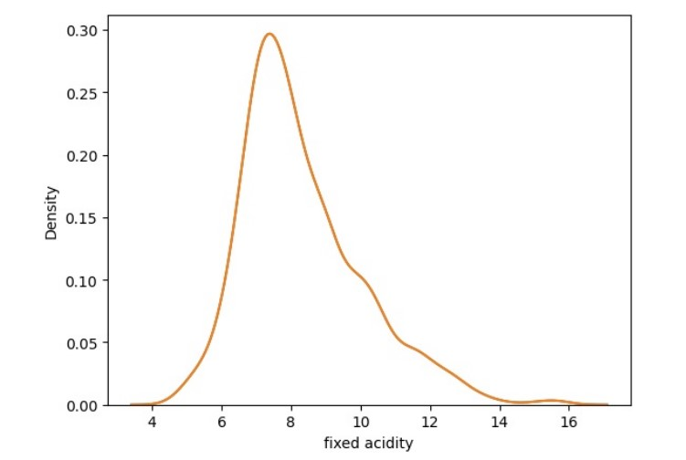
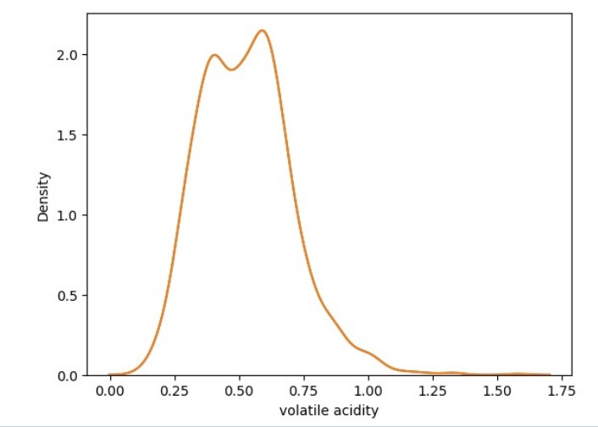
SUM OF SULPHATES
 | Total
0.99007 | 0.88
0.9902 | 0.66
0.99064 | 0.78
0.9908 | 0.82
0.99084 | 0.75
0.9912 | 0.59
0.9915 | 0.54
0.99154 | 0.74
0.99157 | 0.73
0.9916 | 1.58
0.99162 | 0.53
0.9917 | 0.74
0.99182 | 1.76
0.99191 | 0.56
0.9921 | 0.62
0.9922 | 0.98
0.99235 | 0.72
0.99236 | 0.5
0.9924 | 2.54
0.99242 | 0.8
0.99252 | 0.53
0.99256 | 0.58
0.99258 | 1.73
0.99264 | 0.94
0.9927 | 0.62
0.9928 | 1.1
0.99286 | 0.37
0.9929 | 0.59
0.99292 | 0.59
0.99294 | 1.22
0.99306 | 0.51
0.99314 | 0.82
0.99316 | 1.02
0.99318 | 0.66
0.9932 | 0.6
0.99322 | 0.49
0.99323 | 0.61
0.99328 | 0.54
0.9933 | 0.88
0.99331 | 1.04
0.99332 | 0.51
0.99334 | 0.52
0.99336 | 0.54
0.9934 | 2.95
0.99341 | 0.44
0.99344 | 0.56
0.99346 | 1.65
0.99348 | 0.54
0.9935 | 0.57
0.99352 | 1.2
...

SUM OF ALCOHOL
 | Total
0.99007 | 25.4
0.9902 | 13.6
0.99064 | 23.4
0.9908 | 14
0.99084 | 14
0.9912 | 11.9
0.9915 | 13.5
0.99154 | 14
0.99157 | 13.6
0.9916 | 28
0.99162 | 12.9
0.9917 | 14
0.99182 | 27.166666667
0.99191 | 12.2
0.9921 | 12.8
0.9922 | 23.8
0.99235 | 13.1
0.99236 | 10.55
0.9924 | 38.8
0.99242 | 25.6
0.99252 | 13.3
0.99256 | 12.9
0.99258 | 37.9
0.99264 | 12.9
0.9927 | 12.2
0.9928 | 25.6
0.99286 | 13
0.9929 | 12.8
0.99292 | 12.5
0.99294 | 22.7
0.99306 | 12.1
0.99314 | 11.6
0.99316 | 24.6
0.99318 | 12.7
0.9932 | 12.9
0.99322 | 11.7
0.99323 | 12.1
0.99328 | 12.4
0.9933 | 13.6
0.99331 | 23
0.99332 | 11.8
0.99334 | 12.6
0.99336 | 11
0.9934 | 49.5
0.99341 | 9.5
0.99344 | 12.4
0.99346 | 35.2
0.99348 | 11.95
0.9935 | 11.7
0.99352 | 24.8
...

Sum of citric acid
 | Total
0.99007 | 0.74
0.9902 | 0.5
0.99064 | 0.56
0.9908 | 0.03
0.99084 | 0.01
0.9912 | 0.4
0.9915 | 0.26
0.99154 | 0
0.99157 | 0
0.9916 | 0
0.99162 | 0
0.9917 | 0.24
0.99182 | 0.22
0.99191 | 0
0.9921 | 0.02
0.9922 | 0.49
0.99235 | 0.34
0.99236 | 0.06
0.9924 | 0.31
0.99242 | 0.02
0.99252 | 0.12
0.99256 | 0
0.99258 | 0.05
0.99264 | 0
0.9927 | 0.04
0.9928 | 0.64
0.99286 | 0.08
0.9929 | 0.15
0.99292 | 0
0.99294 | 0.48
0.99306 | 0.1
0.99314 | 0.15
0.99316 | 1.36
0.99318 | 0
0.9932 | 0.17
0.99322 | 0.2
0.99323 | 0.14
0.99328 | 0.44
0.9933 | 0.34
0.99331 | 0.78
0.99332 | 0.01
0.99334 | 0.08
0.99336 | 0.08
0.9934 | 0.93
0.99341 | 0.21
0.99344 | 0.49
0.99346 | 0.6
0.99348 | 0.06
0.9935 | 0.2
0.99352 | 0.23
...
Sum of residual sugar
 | Total
0.99007 | 1.8
0.9902 | 4.3
0.99064 | 4.8
0.9908 | 1.8
0.99084 | 1.6
0.9912 | 1.4
0.9915 | 1.7
0.99154 | 2.1
0.99157 | 1.8
0.9916 | 3.6
0.99162 | 1.65
0.9917 | 2
0.99182 | 4.4
0.99191 | 1.4
0.9921 | 1.3
0.9922 | 3.1
0.99235 | 2.5
0.99236 | 1.8
0.9924 | 4.7
0.99242 | 4.4
0.99252 | 2.1
0.99256 | 2.5
0.99258 | 4.8
0.99264 | 1.7
0.9927 | 1.6
0.9928 | 3.6
0.99286 | 2.6
0.9929 | 3
0.99292 | 2.3
0.99294 | 5.1
0.99306 | 1.6
0.99314 | 1.8
0.99316 | 16.6
0.99318 | 2.4
0.9932 | 2.3
0.99322 | 1.75
0.99323 | 2.1
0.99328 | 2.5
0.9933 | 1.8
0.99331 | 2.4
0.99332 | 2.3
0.99334 | 3.75
0.99336 | 1.8
0.9934 | 7.6
0.99341 | 1.7
0.99344 | 1.8
0.99346 | 6.1
0.99348 | 1.6
0.9935 | 1.6
0.99352 | 4.3
...

