Sheet
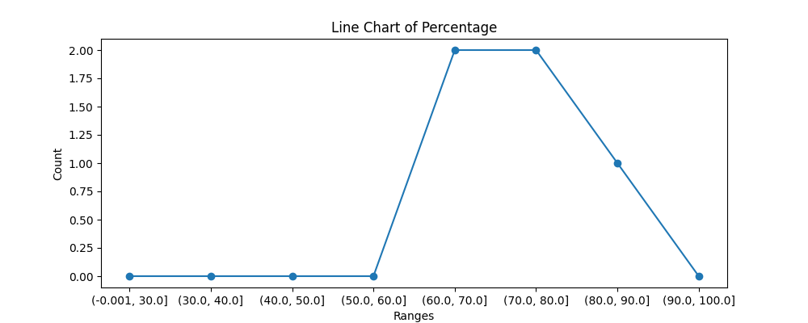
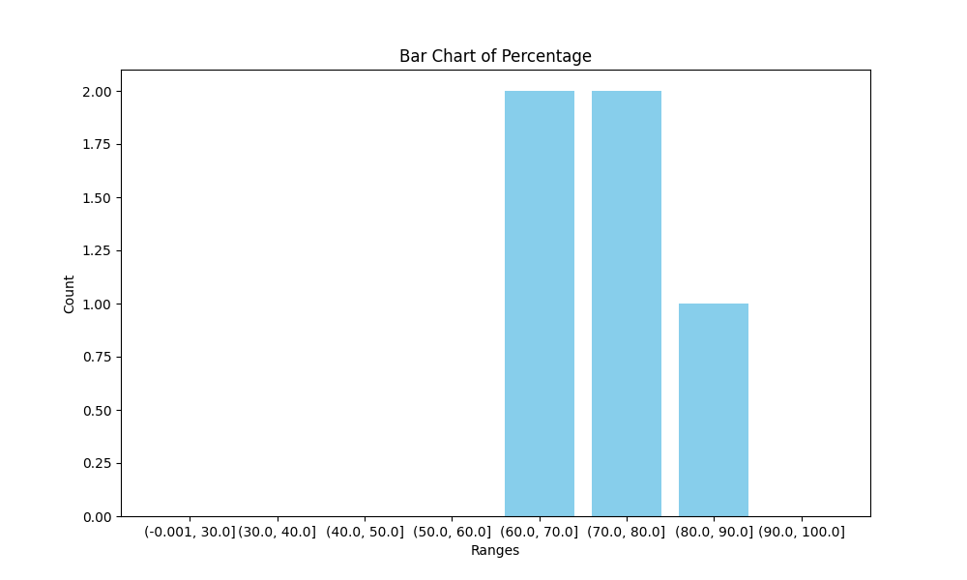
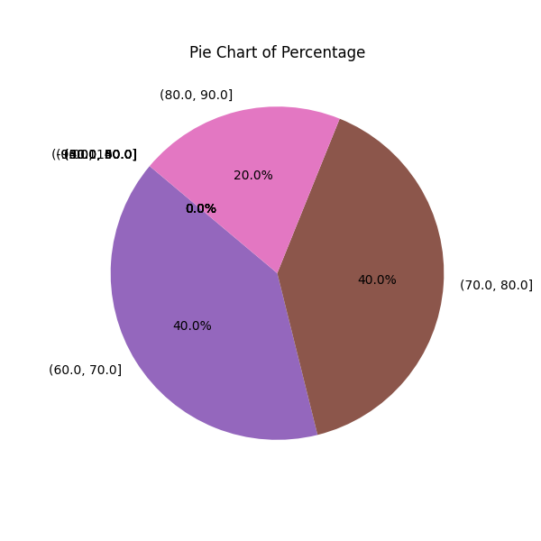
NAME | Percentage
Anushtha Singh Kushwah | 80
Harshita Bamniya | 80
Mansi Kushwah | 90
Shreyash Tewari | 70
Mohan Manjhi | 70
Total | 390

