Sheet
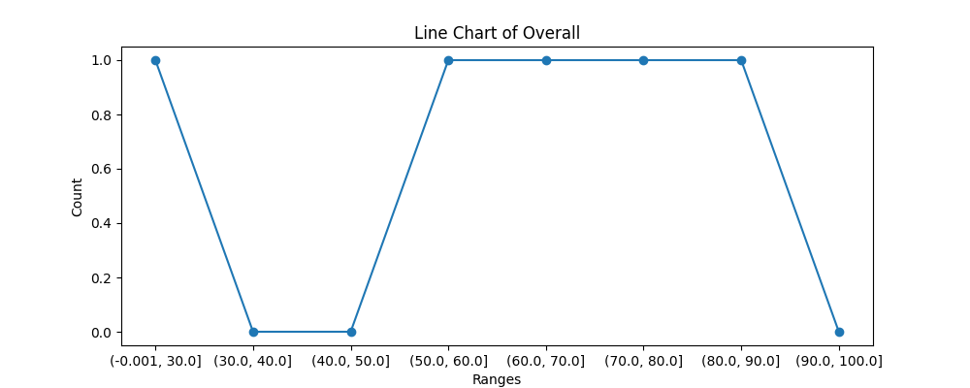
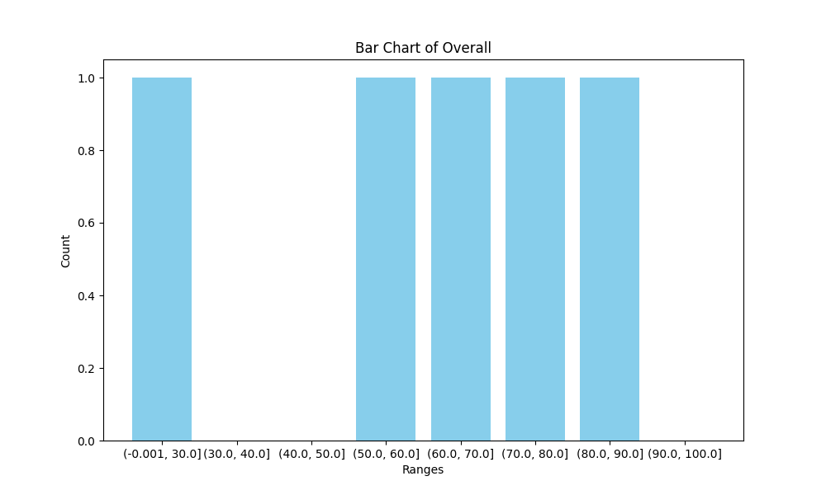
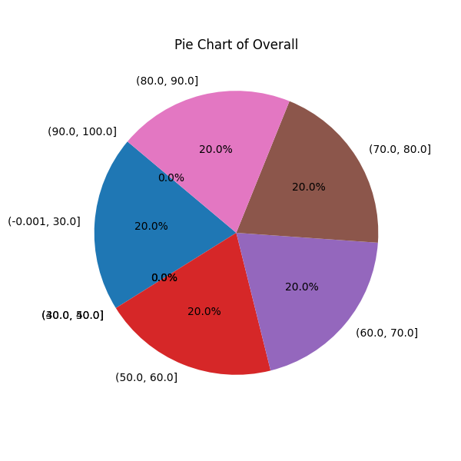
NAME | Percentage | Overall
Anushtha Singh Kushwah | 80 | 90
Harshita Bamniya | 80 | 69
Mansi Kushwah | 90 | 59
Shreyash Tewari | 70 | 71
Mohan Manjhi | 70 | 19

