Task ID 2
Subtask | Task 2.0
Navigation | Dashboard > Settings > Logout
Tester Name | John
Timestamp | 2025-05-04 09:32:17
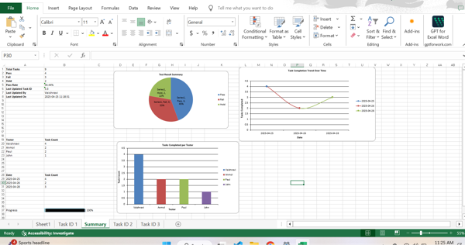

Test Result | Pass
Comment | pass

Subtask | Task 2.1
Navigation | Dashboard > Logout > Button
Tester Name | John
Timestamp | 2025-05-04 09:35:40


Test Result | Fail
Comment | Failed

Summary
Test Result Summary
Total Tasks | 18
Pass | 1
Fail | 2
Hold | 0
Pass Rate | 5.56%
Last Updated Task ID | 3.0
Last Updated By | Paul
Last Updated On | 2025-05-04 09:35:52

Progress | [███-----------------] 16%

Task Completion Over Time
Date | Test Count
2025-05-04 | 3

Tasks Completed Per Tester

Tester Name | Test Count
John | 2
Paul | 1

Task ID 3
Subtask | Task 3.0
Navigation | Home > Dashboard
Tester Name | Paul
Timestamp | 2025-05-04 09:35:52
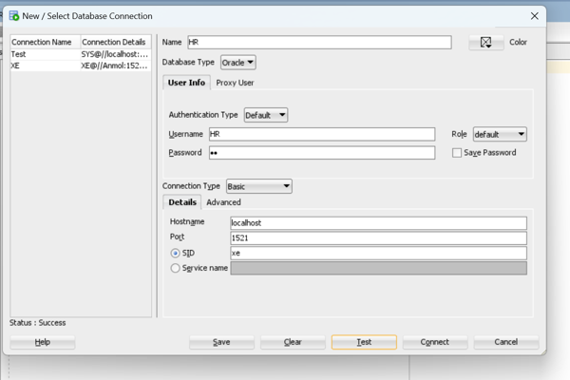

Test Result | Fail
Comment | TEst

