Task ID 3
Subtask | Task 3.0
Navigation | Home > Dashboard
Tester Name | Paul
Timestamp | 2025-05-04 09:42:46
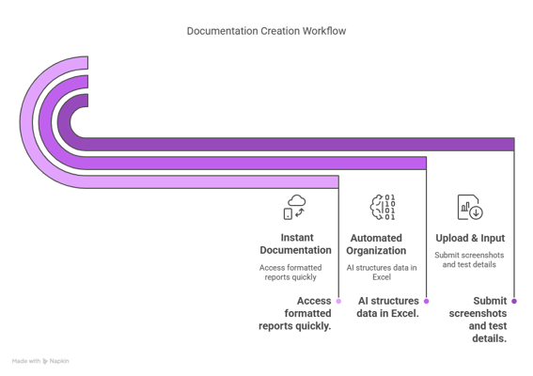

Test Result | Hold
Comment | hold

Subtask | Task 3.1
Navigation | Home > check > username
Tester Name | Paul
Timestamp | 2025-05-04 10:17:01
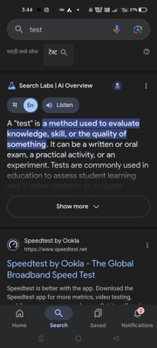

Test Result | Pass
Comment | Test2 - Ashish

Summary
Test Result Summary
Total Tasks | 18
Pass | 2
Fail | 1
Hold | 1
Pass Rate | 11.11%
Last Updated Task ID | 1.0
Last Updated By | Vaishnavi
Last Updated On | 2025-05-04 17:03:01

Progress | [████----------------] 22%

Task Completion Over Time
Date | Test Count
2025-05-04 | 4

Tasks Completed Per Tester

Tester Name | Test Count
Paul | 2
Vaishnavi | 1
John | 1

Task ID 1
Subtask | Task 1.0
Navigation | Home > Login
Tester Name | Vaishnavi
Timestamp | 2025-05-04 17:03:01
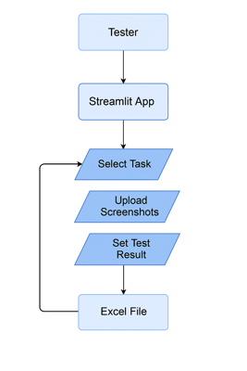

Test Result | Fail
Comment | fail

