Task ID 1
Subtask | Task 1.0
Navigation | Home > Login
Tester Name | Vaishnavi
Timestamp | 2025-05-04 21:33:47
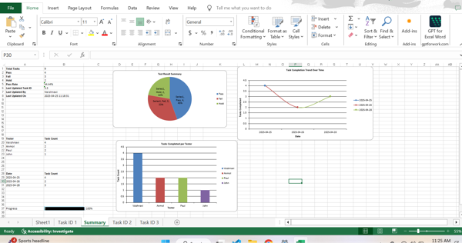

Test Result | Pass
Comment | Pass

Subtask | Task 1.1
Navigation | Home > Login > Username
Tester Name | Vaishnavi
Timestamp | 2025-05-04 21:34:27
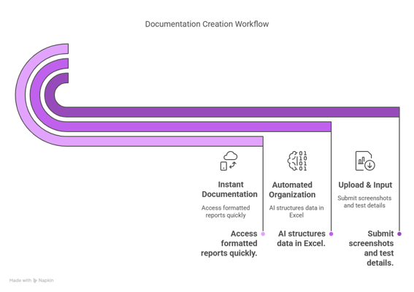

Test Result | Fail
Comment | Failed

Summary
Test Result Summary
Total Tasks | 18
Pass | 1
Fail | 1
Hold | 1
Pass Rate | 5.56%
Last Updated Task ID | 2.0
Last Updated By | John
Last Updated On | 2025-05-04 21:35:05

Progress | [███-----------------] 16%

Task Completion Over Time
Date | Test Count
2025-05-04 | 3

Tasks Completed Per Tester

Tester Name | Test Count
Vaishnavi | 2
John | 1

Task ID 2
Subtask | Task 2.0
Navigation | Dashboard > Settings > Logout
Tester Name | John
Timestamp | 2025-05-04 21:35:05


Test Result | Hold
Comment | On HOld

