Task ID 1
Subtask | Task 1.0
Navigation | Home > Login
Tester Name | Vaishnavi
Timestamp | 2025-05-04 21:49:59
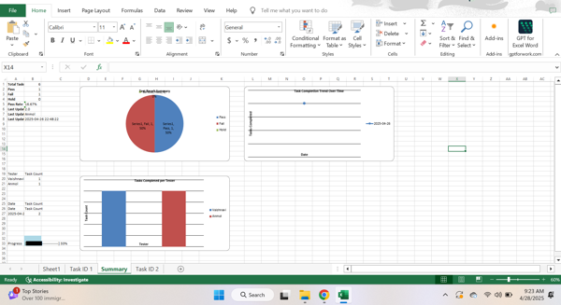

Test Result | Pass
Comment | pass test

Subtask | Task 1.1
Navigation | Home > Login > Username
Tester Name | Vaishnavi
Timestamp | 2025-05-04 21:51:19
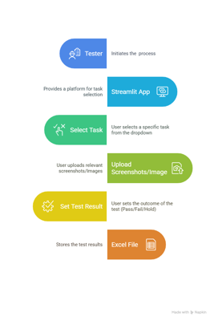

Test Result | Hold
Comment | on hold

Summary
Test Result Summary
Total Tasks | 18
Pass | 2
Fail | 1
Hold | 1
Pass Rate | 11.11%
Last Updated Task ID | 4.0
Last Updated By | Anmol
Last Updated On | 2025-05-06 18:21:32

Progress | [████----------------] 22%

Task Completion Over Time
Date | Test Count
2025-05-04 | 3
2025-05-06 | 1

Tasks Completed Per Tester

Tester Name | Test Count
Vaishnavi | 2
John | 1
Anmol | 1

Task ID 2
Subtask | Task 2.0
Navigation | Dashboard > Settings > Logout
Tester Name | John
Timestamp | 2025-05-04 21:50:40
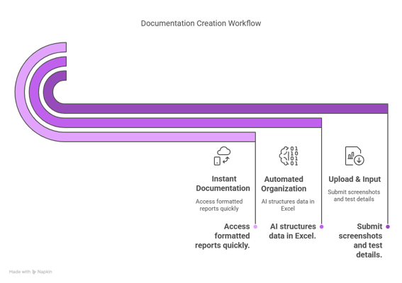

Test Result | Fail
Comment | fail test

