Task ID 3
Subtask | Task 3.0
Navigation | Home > Dashboard
Tester Name | Paul
Timestamp | 2025-05-04 09:42:46
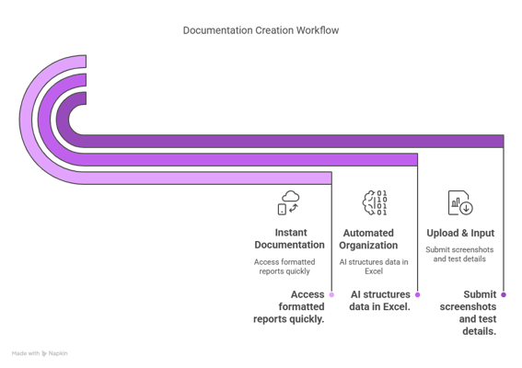

Test Result | Hold
Comment | hold

Summary
Test Result Summary
Total Tasks | 18
Pass | 0
Fail | 0
Hold | 1
Pass Rate | 0.00%
Last Updated Task ID | 3.0
Last Updated By | Paul
Last Updated On | 2025-05-04 09:42:46

Progress | [█-------------------] 5%

Task Completion Over Time
Date | Test Count
2025-05-04 | 1

Tasks Completed Per Tester

Tester Name | Test Count
Paul | 1

