Task ID 3
Subtask | Task 3.0
Navigation | Home > Dashboard
Tester Name | Paul
Timestamp | 2025-05-04 09:42:46
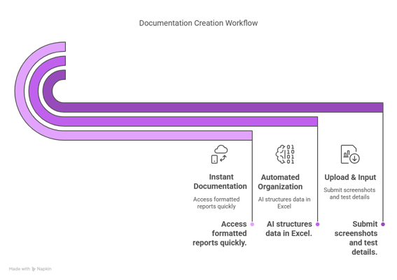

Test Result | Hold
Comment | hold

Subtask | Task 3.1
Navigation | Home > check > username
Tester Name | Paul
Timestamp | 2025-05-04 10:17:01
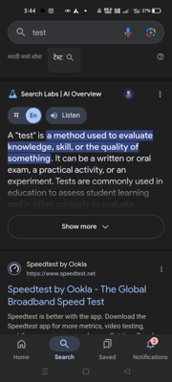

Test Result | Pass
Comment | Test2 - Ashish

Summary
Test Result Summary
Total Tasks | 18
Pass | 2
Fail | 0
Hold | 1
Pass Rate | 11.11%
Last Updated Task ID | 3.1
Last Updated By | Paul
Last Updated On | 2025-05-04 10:17:01

Progress | [███-----------------] 16%

Task Completion Over Time
Date | Test Count
2025-05-04 | 3

Tasks Completed Per Tester

Tester Name | Test Count
Paul | 2
John | 1

