Task ID 3
Subtask | Task 3.0
Navigation | Home > Dashboard
Tester Name | Paul
Timestamp | 2025-05-04 09:42:46
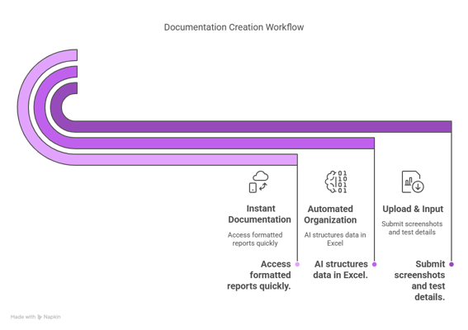

Test Result | Hold
Comment | hold

Summary
Test Result Summary
Total Tasks | 18
Pass | 1
Fail | 0
Hold | 1
Pass Rate | 5.56%
Last Updated Task ID | 2.0
Last Updated By | John
Last Updated On | 2025-05-04 10:16:16

Progress | [██------------------] 11%

Task Completion Over Time
Date | Test Count
2025-05-04 | 2

Tasks Completed Per Tester

Tester Name | Test Count
John | 1
Paul | 1

Task ID 2
Subtask | Task 2.0
Navigation | Dashboard > Settings > Logout
Tester Name | John
Timestamp | 2025-05-04 10:16:16
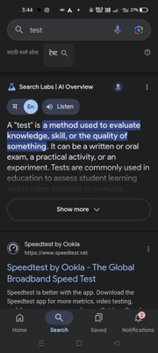

Test Result | Pass
Comment | Test1 - Ashish

