Task ID 1
Subtask | Task 1.0
Navigation | Home > Login
Tester Name | Vaishnavi
Timestamp | 2025-05-04 21:49:59
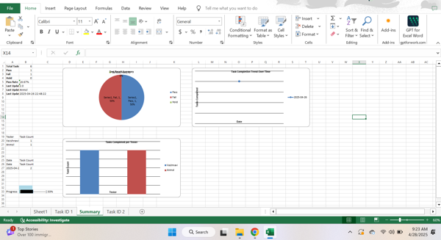

Test Result | Pass
Comment | pass test

Subtask | Task 1.1
Navigation | Home > Login > Username
Tester Name | Vaishnavi
Timestamp | 2025-05-04 21:51:19
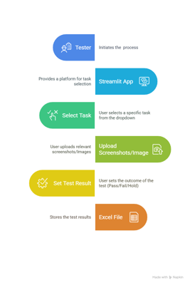

Test Result | Hold
Comment | on hold

Summary
Test Result Summary
Total Tasks | 18
Pass | 3
Fail | 2
Hold | 1
Pass Rate | 16.67%
Last Updated Task ID | 3.1
Last Updated By | Paul
Last Updated On | 2025-09-03 11:52:02

Progress | [██████--------------] 33%

Task Completion Over Time
Date | Test Count
2025-05-04 | 3
2025-05-06 | 1
2025-09-03 | 2

Tasks Completed Per Tester

Tester Name | Test Count
Vaishnavi | 2
Paul | 2
John | 1
Anmol | 1

Task ID 2
Subtask | Task 2.0
Navigation | Dashboard > Settings > Logout
Tester Name | John
Timestamp | 2025-05-04 21:50:40
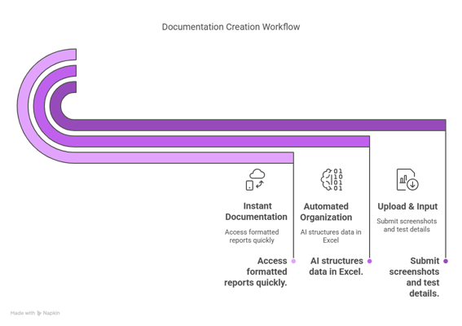

Test Result | Fail
Comment | fail test

Task ID 3
Subtask | Task 3.0
Navigation | Home > Dashboard
Tester Name | Paul
Timestamp | 2025-09-03 08:35:17
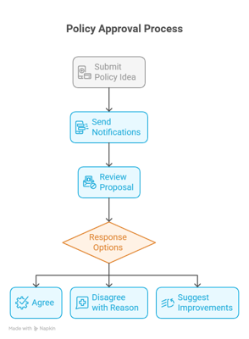

Test Result | Pass
Comment | passed

Subtask | Task 3.1
Navigation | Home > check > username
Tester Name | Paul
Timestamp | 2025-09-03 11:52:02

Test Result | Fail

