ordered_nodes
Rank 0 |  | 1 | 2 | 3 | 4 | 5 | 6 | 7 | 8 | 9 | 12
Rank 1 |  | 8 | 9 | 10 | 11 | 12 | 13 | 14 | 15 | 16 | 17 | 21
Rank 2 |  | 14 | 17 | 18 | 19 | 20 | 21 | 22 | 23 | 24 | 25 | 26
Rank 3 |  | 23 | 24 | 25 | 26 | 27 | 28 | 29 | 30 | 31 | 32

 |  | Rank 0 |  |  |  |  |  |  |  | Rank 1 |  |  |  |  |  |  |  | Rank 2 |  |  |  |  |  |  |  | Rank 3
 |  | 1 | 2 | 3 | 4 | 5 | 6 | 7 | 8 | 9 | 10 | 11 | 12 | 13 | 14 | 15 | 16 | 17 | 18 | 19 | 20 | 21 | 22 | 23 | 24 | 25 | 26 | 27 | 28 | 29 | 30 | 31 | 32

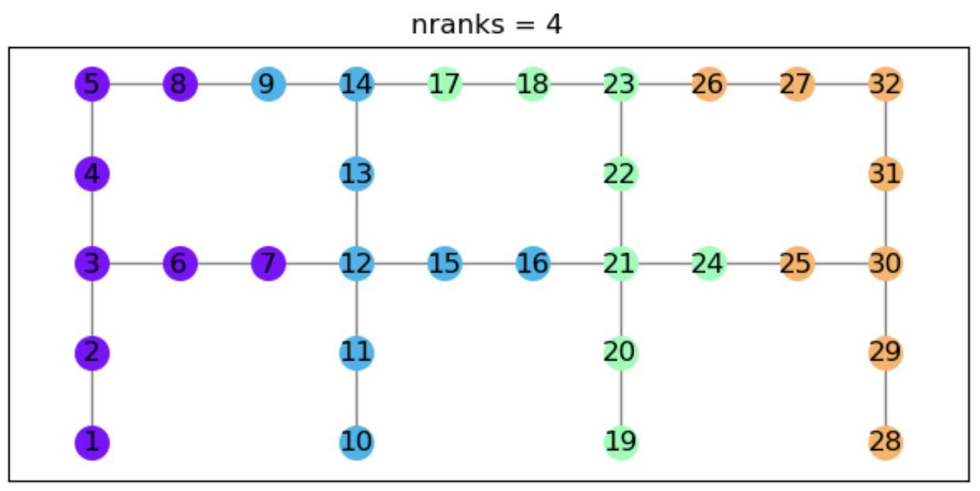
 | node id | ndofs | first elem | last elem |  | ndofs | first elem | last elem
Rank 0 | 1 | 6 | 0 | 5 |  | 0 | 0 | 0
 | 2 | 6 | 6 | 11 |  | 3 | 0 | 2
 | 3 | 6 | 12 | 17 |  | 3 | 3 | 5
 | 4 | 6 | 18 | 23 |  | 3 | 6 | 8
 | 5 | 6 | 24 | 29 |  | 3 | 9 | 11
 | 6 | 6 | 30 | 35 |  | 3 | 12 | 14
 | 7 | 6 | 36 | 41 |  | 3 | 15 | 17
 | 8 | 6 | 42 | 47 |  | 3 | 18 | 20
Rank 1 | 9 | 6 | 48 | 53 |  | 3 | 21 | 23
 | 10 | 6 | 54 | 59 |  | 0 | 24 | 24
 | 11 | 6 | 60 | 65 |  | 3 | 24 | 26
 | 12 | 6 | 66 | 71 |  | 3 | 27 | 29
 | 13 | 6 | 72 | 77 |  | 3 | 30 | 32
 | 14 | 6 | 78 | 83 |  | 3 | 33 | 35
 | 15 | 6 | 84 | 89 |  | 3 | 36 | 38
 | 16 | 6 | 90 | 95 |  | 3 | 39 | 41
Rank 2 | 17 | 6 | 96 | 101 |  | 3 | 42 | 44
 | 18 | 6 | 102 | 107 |  | 3 | 45 | 47
 | 19 | 6 | 108 | 113 |  | 0 | 48 | 48
 | 20 | 6 | 114 | 119 |  | 3 | 48 | 50
 | 21 | 6 | 120 | 125 |  | 3 | 51 | 53
 | 22 | 6 | 126 | 131 |  | 3 | 54 | 56
 | 23 | 6 | 132 | 137 |  | 3 | 57 | 59
 | 24 | 6 | 138 | 143 |  | 3 | 60 | 62
Rank 3 | 25 | 6 | 144 | 149 |  | 3 | 63 | 65
 | 26 | 6 | 150 | 155 |  | 3 | 66 | 68
 | 27 | 6 | 156 | 161 |  | 3 | 69 | 71
 | 28 | 6 | 162 | 167 |  | 0 | 72 | 72
 | 29 | 6 | 168 | 173 |  | 3 | 72 | 74
 | 30 | 6 | 174 | 179 |  | 3 | 75 | 77
 | 31 | 6 | 180 | 185 |  | 3 | 78 | 80
 | 32 | 6 | 186 | 191 |  | 3 | 81 | 83

Geometric decomposition countin
Geometric decomposition counting
Renumber the nodes on each rank. |  |  |  |  |  |  |  |  |  |  |  |  |  |  |  |  |  |  | requires knowing with which ranks to communicate to exchange nz_i values.
Once the nodes are renumbered on each rank, udpate the numbers based on the rank_nnodes of all previous ranks. |  |  |  |  |  |  |  |  |  |  |  |  |  |  |  |  |  |  | requires that recounting of ndofs is only performed after all BCs have been applied.
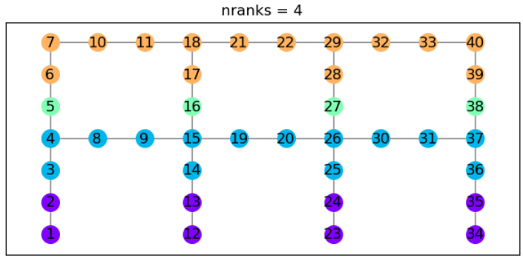
With the nodes all renumbered, count the DoFs using the rank-wise naïve counting methodology.

 |  | rank | counts | ndofs | starting_nz_i
 |  | 0 | 8 | 48 | 0
 |  | 1 | 14 | 84 | 48 |  |  |  |  |  |  |  |  |  |  |  |  |  |  |  |  |  |  | Rank 1
 |  | 2 | 4 | 24 | 132 |  |  |  |  |  |  |  |  |  |  |  |  |  |  |  |  |  |  | node id | 8 | 9 | 10 | 11 | 12 | 13 | 14 | 15 | 16 | 17 | 21 | rank_nodfs
 |  | 3 | 14 | 84 | 156 |  |  |  |  |  |  |  |  |  |  |  |  |  |  |  |  |  |  | ndofs |  | 6 | 6 | 6 | 6 | 6 | 6 | 6 | 6 |  |  | 48

 |  |  |  |  |  |  |  |  |  |  |  |  |  |  |  |  |  |  |  |  |  |  |  | nz_i |  | 0 | 6 | 12 | 18 | 24 | 30 | 36 | 42 |  |  | starting_nz_i

 |  | node renumbering |  |  | DoF counting |  |  |  |  |  |  |  |  |  |  |  |  |  |  |  |  |  |  |  |  |  |  |  |  |  |  |  |  |  |  | #REF!
 |  | original id | local id | global id | DoFs | nz_i | updated_nz_i |  | original id | local id | global id |  | original id | local id | global id |  | original id | local id | global id |  | original id | local id | global id | updated_nz_i |  | #REF! | #REF! | #REF! | #REF! | #REF! | #REF! | #REF! | #REF!
rank | 0 | 1 | 1 | 1 | 6 | 0 | 0 | rank 0 | 1 | 1 | 1 | rank 1 | 2 | 2 | 2 | rank 2 | 4 | 2 | 10 | rank 3 | 5 | 1 | 23 | exchanged_nz_i | #REF! |  |  |  |  |  |  |  |  | #REF! | #REF!
 |  | 2 | 2 | 2 | 6 | 6 | 6 |  | 2 | 2 | 2 |  | 3 | 1 | 9 |  | 5 | 1 | 23 |  | 6 | 1 | 27 | node id | 8 | 9 | 10 | 11 | 12 | 13 | 14 | 15 | 16 | 17 | 21 | rank_nodfs
 |  | 12 | 3 | 3 | 6 | 12 | 12 |  | 3 | 1 | 9 |  | 4 | 2 | 10 |  | 6 | 1 | 27 |  | 7 | 2 | 28 | ndofs |  | 3 | 0 | 3 | 3 | 3 | 3 | 3 | 3 |  |  | 21
 |  | 13 | 4 | 4 | 6 | 18 | 18 |  | 12 | 3 | 3 |  | 5 | 1 | 23 |  | 15 | 6 | 14 |  | 10 | 3 | 29 | nz_i |  | 0 | 0 | 3 | 3 | 6 | 9 | 12 | 15 |  |  | starting_nz_i
 |  | 23 | 5 | 5 | 6 | 24 | 24 |  | 13 | 4 | 4 |  | 8 | 3 | 11 |  | 16 | 2 | 24 |  | 11 | 4 | 30 |  |  |  |  |  |  |  |  |  |  |  |  | #REF!
 |  | 24 | 6 | 6 | 6 | 30 | 30 |  | 14 | 5 | 13 |  | 9 | 4 | 12 |  | 17 | 5 | 31 |  | 16 | 2 | 24 | updated_nz_i |  | #REF! | #REF! | #REF! | #REF! | #REF! | #REF! | #REF! | #REF!
 |  | 34 | 7 | 7 | 6 | 36 | 36 |  | 23 | 5 | 5 |  | 13 | 4 | 4 |  | 26 | 10 | 18 |  | 17 | 5 | 31 | exchanged_nz_i | #REF! |  |  |  |  |  |  |  |  | #REF! | #REF!
 |  | 35 | 8 | 8 | 6 | 42 | 42 |  | 24 | 6 | 6 |  | 14 | 5 | 13 |  | 27 | 3 | 25 |  | 18 | 6 | 32
rank | 1 | 3 | 1 | 9 | 6 | 0 | 48 |  | 25 | 9 | 17 |  | 15 | 6 | 14 |  | 28 | 9 | 35 |  | 21 | 7 | 33
 |  | 4 | 2 | 10 | 6 | 6 | 54 |  | 34 | 7 | 7 |  | 16 | 2 | 24 |  | 37 | 14 | 22 |  | 22 | 8 | 34 | Rank 3
 |  | 8 | 3 | 11 | 6 | 12 | 60 |  | 35 | 8 | 8 |  | 19 | 7 | 15 |  | 38 | 4 | 26 |  | 27 | 3 | 25 | node id | 23 | 24 | 25 | 26 | 27 | 28 | 29 | 30 | 31 | 32 |  | rank_nodfs
 |  | 9 | 4 | 12 | 6 | 18 | 66 |  | 36 | 13 | 21 |  | 20 | 8 | 16 |  | 39 | 13 | 39 |  | 28 | 9 | 35 | ndofs |  |  | 6 | 6 | 6 | 6 | 6 | 6 | 6 | 6 |  | 48
 |  | 14 | 5 | 13 | 6 | 24 | 72 |  |  |  |  |  | 24 | 6 | 6 |  |  |  |  |  | 29 | 10 | 36 | nz_i |  |  | 0 | 6 | 12 | 18 | 24 | 30 | 36 | 42 |  | starting_nz_i
 |  | 15 | 6 | 14 | 6 | 30 | 78 |  |  |  |  |  | 25 | 9 | 17 |  |  |  |  |  | 32 | 11 | 37 |  |  |  |  |  |  |  |  |  |  |  |  | #REF!
 |  | 19 | 7 | 15 | 6 | 36 | 84 |  |  |  |  |  | 26 | 10 | 18 |  |  |  |  |  | 33 | 12 | 38 | updated_nz_i |  |  | #REF! | #REF! | #REF! | #REF! | #REF! | #REF! | #REF! | #REF!
 |  | 20 | 8 | 16 | 6 | 42 | 90 |  |  |  |  |  | 27 | 3 | 25 |  |  |  |  |  | 38 | 4 | 26 | exchanged_nz_i | #REF! | #REF!
 |  | 25 | 9 | 17 | 6 | 48 | 96 |  |  |  |  |  | 30 | 11 | 19 |  |  |  |  |  | 39 | 13 | 39 | node id | 23 | 24 | 25 | 26 | 27 | 28 | 29 | 30 | 31 | 32 |  | rank_nodfs
 |  | 26 | 10 | 18 | 6 | 54 | 102 |  |  |  |  |  | 31 | 12 | 20 |  |  |  |  |  | 40 | 14 | 40 | ndofs |  |  | 3 | 3 | 3 | 0 | 3 | 3 | 3 | 3 |  | 21
 |  | 30 | 11 | 19 | 6 | 60 | 108 |  |  |  |  |  | 35 | 8 | 8 |  |  |  |  |  |  |  |  | nz_i |  |  | 0 | 3 | 6 | 9 | 9 | 12 | 15 | 18 |  | starting_nz_i
 |  | 31 | 12 | 20 | 6 | 66 | 114 |  |  |  |  |  | 36 | 13 | 21 |  |  |  |  |  |  |  |  |  |  |  |  |  |  |  |  |  |  |  |  | #REF!
 |  | 36 | 13 | 21 | 6 | 72 | 120 |  |  |  |  |  | 37 | 14 | 22 |  |  |  |  |  |  |  |  | updated_nz_i |  |  | #REF! | #REF! | #REF! | #REF! | #REF! | #REF! | #REF! | #REF!
 |  | 37 | 14 | 22 | 6 | 78 | 126 |  |  |  |  |  | 38 | 4 | 26 |  |  |  |  |  |  |  |  | exchanged_nz_i | #REF! | #REF!
rank | 2 | 5 | 1 | 23 | 6 | 0 | 132
 |  | 16 | 2 | 24 | 6 | 6 | 138
 |  | 27 | 3 | 25 | 6 | 12 | 144
 |  | 38 | 4 | 26 | 6 | 18 | 150
rank | 3 | 6 | 1 | 27 | 6 | 0 | 156
 |  | 7 | 2 | 28 | 6 | 6 | 162
 |  | 10 | 3 | 29 | 6 | 12 | 168
 |  | 11 | 4 | 30 | 6 | 18 | 174
 |  | 17 | 5 | 31 | 6 | 24 | 180
 |  | 18 | 6 | 32 | 6 | 30 | 186
 |  | 21 | 7 | 33 | 6 | 36 | 192
 |  | 22 | 8 | 34 | 6 | 42 | 198
 |  | 28 | 9 | 35 | 6 | 48 | 204
 |  | 29 | 10 | 36 | 6 | 54 | 210
 |  | 32 | 11 | 37 | 6 | 60 | 216
 |  | 33 | 12 | 38 | 6 | 66 | 222
 |  | 39 | 13 | 39 | 6 | 72 | 228
 |  | 40 | 14 | 40 | 6 | 78 | 234

