About
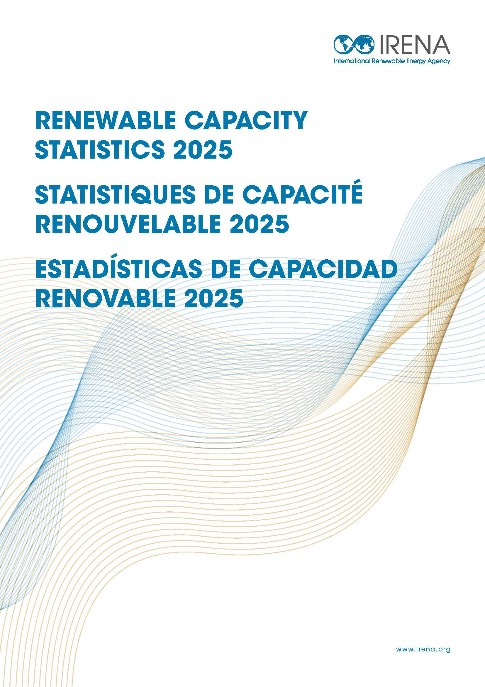
IRENA (2025), Renewable Capacity Statistics 2025, International Renewable Energy Agency, Abu Dhabi.
https://www.irena.org/Publications/2025/Mar/Renewable-capacity-statistics-2025

