About
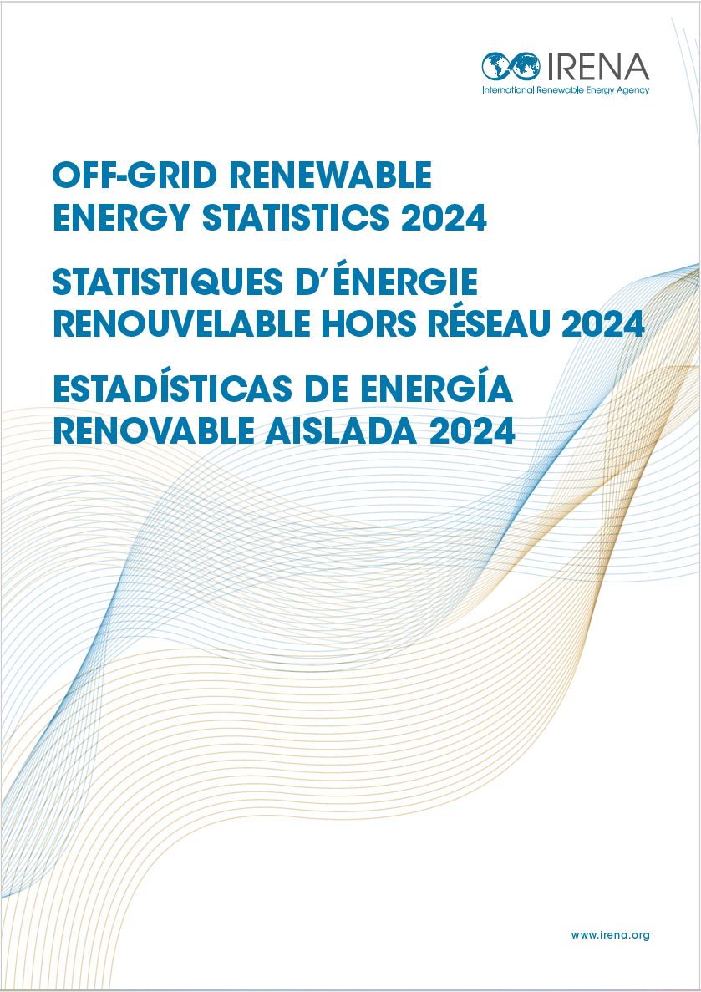
IRENA (2024), Off-grid renewable energy statistics 2024, International Renewable Energy Agency, Abu Dhabi.
https://www.irena.org/Publications/2024/Dec/Off-grid-Renewable-Energy-Statistics-2024

