LPBF Ti-6Al-4V Torsion Loadings
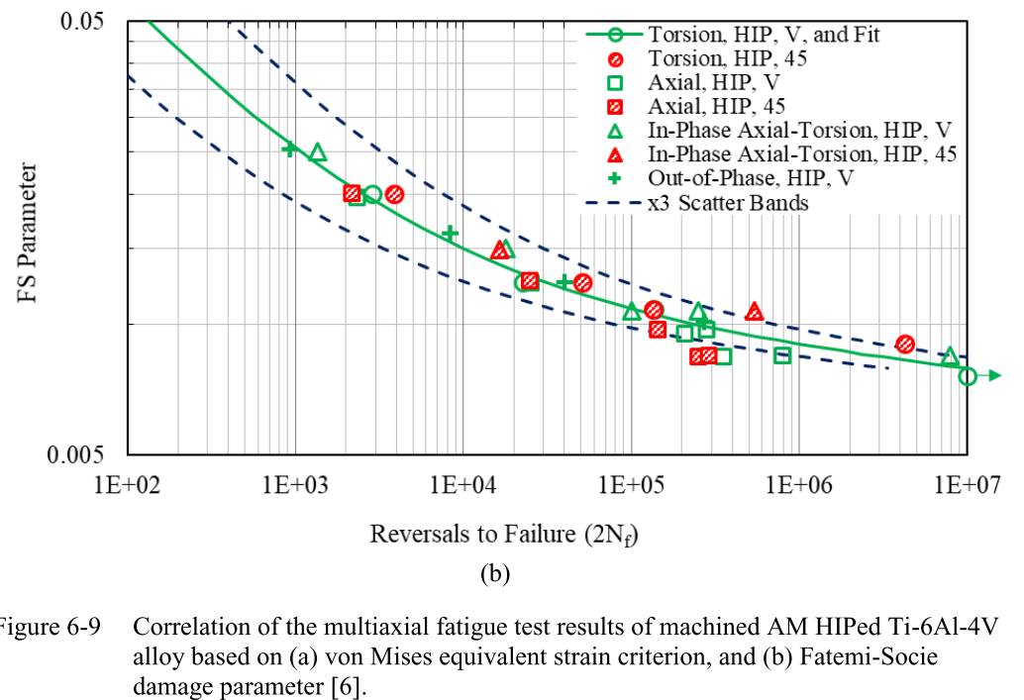
Elastic Modules (G) | Yield Strength (ty) | Fatigue Strength Coefficient (tf)

