AoPers_ForLoop_CalcNotes
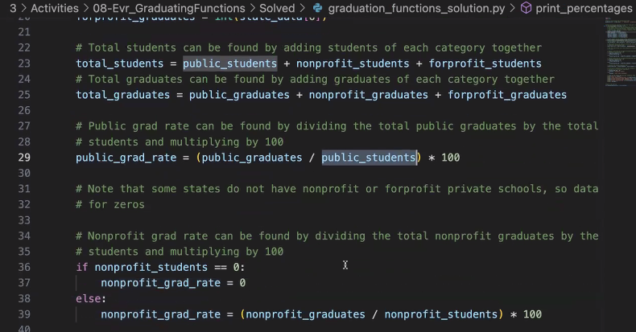
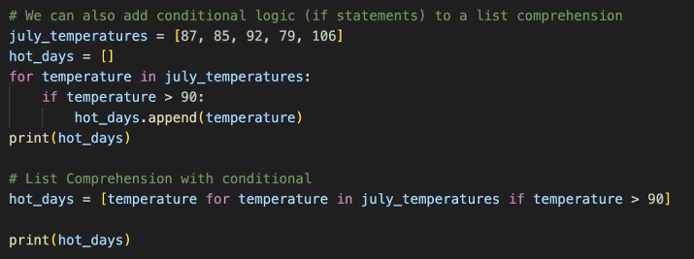
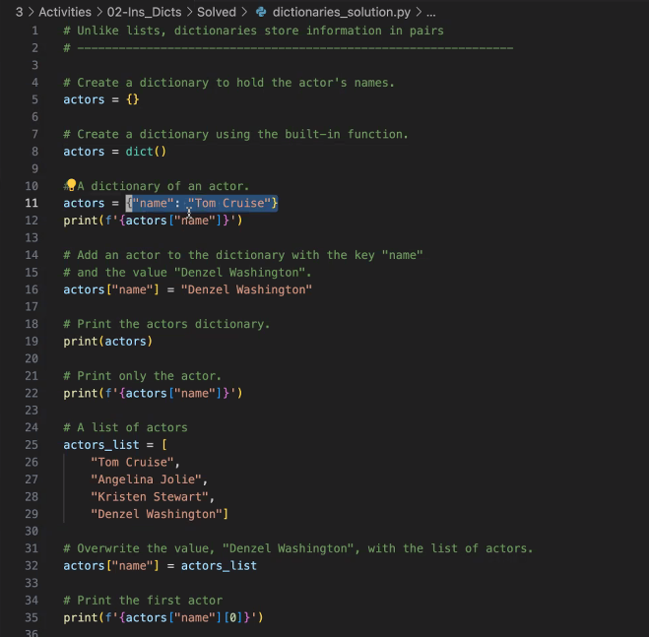
1 | Note Source: | Note Title: | Note_1: | Note_2: | Confirmed_NxtStp: | Code Example (or Psuedo): | URL Support: | 2
 | SCS_Class_Wk3_Class3 | Screen 9+9A+9B - Edge Cases | Key to Note …. Can create VAR from data: 1> state = str(state_data[0])
 | SCS_Class_Wk _Class |  | DEFERRING TO REVIEWING ALL SCREENS …. And coming up with my own approach … will dump them to the right hand side ….
 | SCS_Class_Wk _Class | SEE Carlos Screens on ListComp …. Screen 4 onwards …. | SCREEN 7A …. Shows how to use VARs as PARAMs within FUNCTIONs …. To deliver an ask ...
 | SCS_Class_Wk _Class
 | SCS_Class_Wk _Class | Screen 8 … is how to return the average …. YOU HAVE TO CREATE A FUNCTION …. For the assignment in Module 3 to be successful … within the approach I've aimed at using the …. DICT append to LIST … approach …. | 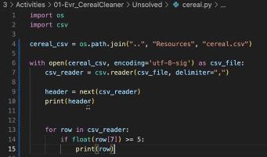
 | SCS_Class_Wk _Class
 | SCS_Class_Wk _Class
 | SCS_Class_Wk _Class | MODULE 3 ISSUE Appears to be …. I'm SO WEAK … on FUNCTIONS …. | FOCUSED GOAL IS NOW => *1* COME UP WITH A WAY TO TRIGGER MYSELF to note that I need to "DEVELOP A FUNCTION" …. Use a Template … as a .txt … to iterate through how I approach it logically.
 | SCS_Class_Wk _Class
 | SCS_Class_Wk _Class
 | SCS_Class_Wk _Class
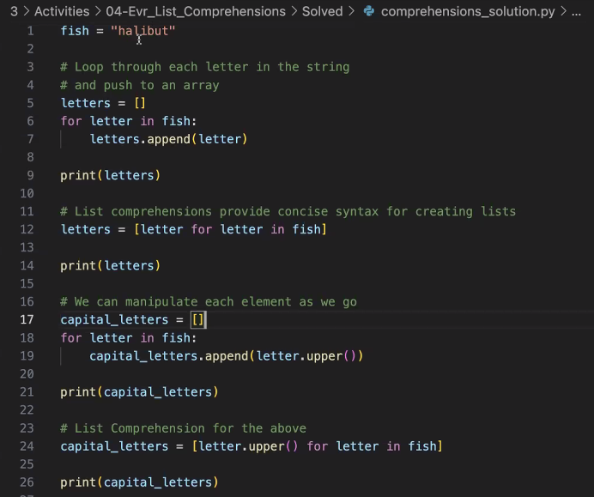
 | SCS_Class_Wk _Class
 | SCS_Class_Wk _Class
 | SCS_Class_Wk _Class
 | SCS_Class_Wk _Class
 | SCS_Class_Wk _Class
 | SCS_Class_Wk _Class

09-11vs09-17_SPOT Checks
1 | Code Observation Notes: | CALCs: | 09-11 | 09-17 | 2
 | the "continue" insert here is what "lost" ... my "row 1" ID .... +++++ if (count == 1): #Update profit loss variable ... to enable data storage to be the same for "all rows" ... (will return to clean up this comment...) calc_prof_loss_change = calc_prof_loss_change + 0 #MIGHT want to ensure I set this as "0".. #Append Change as "null" ... or "0" ... for the calculations anchor point ... Records_forAnalysis.update({str("Profit_Loss_Change_to_Prior"):calc_prof_loss_change}) #Store as placeholder for next row the prev month profit loss VAR to enable change calc for the "non first rows" ... (IE: create anchor point to start change calc ... ) prior_row_prof_loss = 0 + curr_row_prof_loss #Append to Dict the first row prof_loss change. Records_forAnalysis.update({str("Prior_Row_Profit_Loss"):prior_row_prof_loss}) #continue #via url => #REMOVING ... to see if this is why "row 1" went missing... CONFIRMED IT IS WHY ... ROW 1 WENT MISSING ... |  | {'Row_ID': 1, 'Date': 'Jan-10', 'Profit/Losses': 1088983, 'Total_Months_Calculated': 1, 'Net_Profit_Loss_RollingTotal': 1088983}, | KEY NOTE => 09-17 … somehow began to "drop the first row_id" … I will comment on observations below here: 1>
 | Row 2 …. Has Feb-10 for both … (+ve) … 1> Review why looper "skipped it" … (perhaps I have an "append" in the wrong place) …. 2> IN NEW APPROACH …. "Profit/losses" …. Data is now INCORRECT …. 2a> my "change prior" …. Is the actual PROFIT Losses col data it seems .... AND my ... Profit/Losses col ... is now the "rolling total" ... (equivalent) .... 3> Prior row profit losses ... is ALSO INCORRECT ... |  | {'Row_ID': 2, 'Date': 'Feb-10', 'Profit/Losses': -354534, 'Total_Months_Calculated': 2, 'Net_Profit_Loss_RollingTotal': 734449}, | {'Row_ID': 2, 'Date': 'Feb-10', 'Total_Months_Calculated': 2, 'Profit/Losses': 734449, 'Profit_Loss_Change_to_Prior': -354534, 'Prior_Row_Profit_Loss': 734449, 'Net_Profit_Loss_RollingTotal': 734449},
 | KEY NOTE …. 1745520 … is the "rolling total" … for what ??? 09-11 says … (rolling total in brackets) row1> 1088983 (1088983) row2> -354534 (734449) row3> 276622 (1011071) 09-17 says … row2> NULL (734449) - however … does look like it's "accumulating" the prior_row_profit_loss" .... rather than .... "storing it as a placeholder" .... I'm unsure why) ... row3> NULL (1745520) | Rolling 09-11 = 1088983 + (-354534) + 276622 …. Rolling 09-17 = (difference analysis) …. 1> 1745520 - 734449 = 1011071 …. Which represents …. (the VAR.<prior_row_profit_loss>)…. | {'Row_ID': 3, 'Date': 'Mar-10', 'Profit/Losses': 276622, 'Total_Months_Calculated': 3, 'Net_Profit_Loss_RollingTotal': 1011071}, | {'Row_ID': 3, 'Date': 'Mar-10', 'Total_Months_Calculated': 3, 'Profit/Losses': 1011071, 'Profit_Loss_Change_to_Prior': 276622, 'Prior_Row_Profit_Loss': 1011071, 'Net_Profit_Loss_RollingTotal': 1745520},
 |  | Rolling 09-17 = (difference analysis) …. 1> 2028458 (minus) prior row's ….. Is 1a> 2028458 - 1745520 = 282938 …. 282,938 …. Represent/reflects …. (the VAR.<prior_row_profit_loss>) | {'Row_ID': 4, 'Date': 'Apr-10', 'Profit/Losses': -728133, 'Total_Months_Calculated': 4, 'Net_Profit_Loss_RollingTotal': 282938}, | {'Row_ID': 4, 'Date': 'Apr-10', 'Total_Months_Calculated': 4, 'Profit/Losses': 282938, 'Profit_Loss_Change_to_Prior': -728133, 'Prior_Row_Profit_Loss': 282938, 'Net_Profit_Loss_RollingTotal': 2028458},
 | Analysis to see if the "Row 2" … issues "hold" : 0> both have "May-10" … (+ve) … same for "total months calc'd … meaning the looper (for loop with enumerate … IS working correctly) …. To observe the data …. But something with the "if statement" …. Is throwing out "data" ... we need to keep .... 1> Again ... the "09-17 Profit losses" .... has collected a ROLLING TOTAL ... into that data ... rather than fetch the LITERAL RAW DATA ... into the VAR (could be the "0 + " ... being a BEDMAS issue ??) ... 2> VAR.<profit_loss_change_to_prior> .... is actually capturing the (current row) ... "profit/losses" raw data ... and isn't doing "anything" related to change .... 3> |  | {'Row_ID': 5, 'Date': 'May-10', 'Profit/Losses': 852993, 'Total_Months_Calculated': 5, 'Net_Profit_Loss_RollingTotal': 1135931}, | {'Row_ID': 5, 'Date': 'May-10', 'Total_Months_Calculated': 5, 'Profit/Losses': 1135931, 'Profit_Loss_Change_to_Prior': 852993, 'Prior_Row_Profit_Loss': 1135931, 'Net_Profit_Loss_RollingTotal': 3164389} | Good = "know the for loop is seeing the data" … via total_months_calculated …. Need More Info = the "rolling calculations" … problem that my 09-17 code has created ….
 |  |  | {'Row_ID': 49, 'Date': 'Jan-14', 'Profit/Losses': 878810, 'Total_Months_Calculated': 49, 'Net_Profit_Loss_RollingTotal': 12843795}, | {'Row_ID': 49, 'Date': 'Jan-14', 'Total_Months_Calculated': 49, 'Profit/Losses': 12843795, 'Profit_Loss_Change_to_Prior': 878810, 'Prior_Row_Profit_Loss': 12843795, 'Net_Profit_Loss_RollingTotal': 211628136},
 |  |  | {'Row_ID': 50, 'Date': 'Feb-14', 'Profit/Losses': -946748, 'Total_Months_Calculated': 50, 'Net_Profit_Loss_RollingTotal': 11897047}, | {'Row_ID': 50, 'Date': 'Feb-14', 'Total_Months_Calculated': 50, 'Profit/Losses': 11897047, 'Profit_Loss_Change_to_Prior': -946748, 'Prior_Row_Profit_Loss': 11897047, 'Net_Profit_Loss_RollingTotal': 223525183},
 |  |  | {'Row_ID': 51, 'Date': 'Mar-14', 'Profit/Losses': 340335, 'Total_Months_Calculated': 51, 'Net_Profit_Loss_RollingTotal': 12237382}, | {'Row_ID': 51, 'Date': 'Mar-14', 'Total_Months_Calculated': 51, 'Profit/Losses': 12237382, 'Profit_Loss_Change_to_Prior': 340335, 'Prior_Row_Profit_Loss': 12237382, 'Net_Profit_Loss_RollingTotal': 235762565},
 |  |  | {'Row_ID': 52, 'Date': 'Apr-14', 'Profit/Losses': 292032, 'Total_Months_Calculated': 52, 'Net_Profit_Loss_RollingTotal': 12529414}, | {'Row_ID': 52, 'Date': 'Apr-14', 'Total_Months_Calculated': 52, 'Profit/Losses': 12529414, 'Profit_Loss_Change_to_Prior': 292032, 'Prior_Row_Profit_Loss': 12529414, 'Net_Profit_Loss_RollingTotal': 248291979},
 |  |  | {'Row_ID': 53, 'Date': 'May-14', 'Profit/Losses': 502266, 'Total_Months_Calculated': 53, 'Net_Profit_Loss_RollingTotal': 13031680}, | {'Row_ID': 53, 'Date': 'May-14', 'Total_Months_Calculated': 53, 'Profit/Losses': 13031680, 'Profit_Loss_Change_to_Prior': 502266, 'Prior_Row_Profit_Loss': 13031680, 'Net_Profit_Loss_RollingTotal': 261323659},
 |  |  | {'Row_ID': 68, 'Date': 'Aug-15', 'Profit/Losses': -496214, 'Total_Months_Calculated': 68, 'Net_Profit_Loss_RollingTotal': 19345663}, . | {'Row_ID': 68, 'Date': 'Aug-15', 'Total_Months_Calculated': 68, 'Profit/Losses': 19345663, 'Profit_Loss_Change_to_Prior': -496214, 'Prior_Row_Profit_Loss': 19345663, 'Net_Profit_Loss_RollingTotal': 509404529},
 |  |  | {'Row_ID': 69, 'Date': 'Sep-15', 'Profit/Losses': 854181, 'Total_Months_Calculated': 69, 'Net_Profit_Loss_RollingTotal': 20199844}, | {'Row_ID': 69, 'Date': 'Sep-15', 'Total_Months_Calculated': 69, 'Profit/Losses': 20199844, 'Profit_Loss_Change_to_Prior': 854181, 'Prior_Row_Profit_Loss': 20199844, 'Net_Profit_Loss_RollingTotal': 529604373},
 |  |  | {'Row_ID': 70, 'Date': 'Oct-15', 'Profit/Losses': 934719, 'Total_Months_Calculated': 70, 'Net_Profit_Loss_RollingTotal': 21134563}, | {'Row_ID': 70, 'Date': 'Oct-15', 'Total_Months_Calculated': 70, 'Profit/Losses': 21134563, 'Profit_Loss_Change_to_Prior': 934719, 'Prior_Row_Profit_Loss': 21134563, 'Net_Profit_Loss_RollingTotal': 550738936},
 | FIXED … in newfile with this title => 2023-09-17_Try2_LoopToDict+Changes_0replaced_VAR_Fixed_Prof_LossData.py + 1> I had "broken the loop" …. And made it double count by using the VAR instead of "0" …. The "curr_row" … var was being manipulated too many times (IE: updated twice) ... for each row .... +2> see calc .... | REMAINING ISSUE …. Appears to be that I'm not calculating the "curr_row_profit loss" … within each "loop" … of the IF STATEMENT ….. + DIDN'T WORK … but it's close …. START BACK with …. The following file (next cell) …. | {'Row_ID': 85, 'Date': 'Jan-17', 'Profit/Losses': 607208, 'Total_Months_Calculated': 85, 'Net_Profit_Loss_RollingTotal': 22181659}, | {'Row_ID': 85, 'Date': 'Jan-17', 'Total_Months_Calculated': 85, 'Profit/Losses': 22181659, 'Profit_Loss_Change_to_Prior': 607208, 'Prior_Row_Profit_Loss': 22181659, 'Net_Profit_Loss_RollingTotal': 867062567},
 |  | START FILE => 2023-09-17_Try2_LoopToDict+Changes_Moved_Curr_Row_toInnerLoop.py ACTUALLY Made more changes … IT'S => 2023-09-17_Try2_LoopToDict+Changes_Test3_Start_here_Close_butFARaway | {'Row_ID': 86, 'Date': 'Feb-17', 'Profit/Losses': 382539, 'Total_Months_Calculated': 86, 'Net_Profit_Loss_RollingTotal': 22564198} | {'Row_ID': 86, 'Date': 'Feb-17', 'Total_Months_Calculated': 86, 'Profit/Losses': 22564198, 'Profit_Loss_Change_to_Prior': 382539, 'Prior_Row_Profit_Loss': 22564198, 'Net_Profit_Loss_RollingTotal': 889626765}

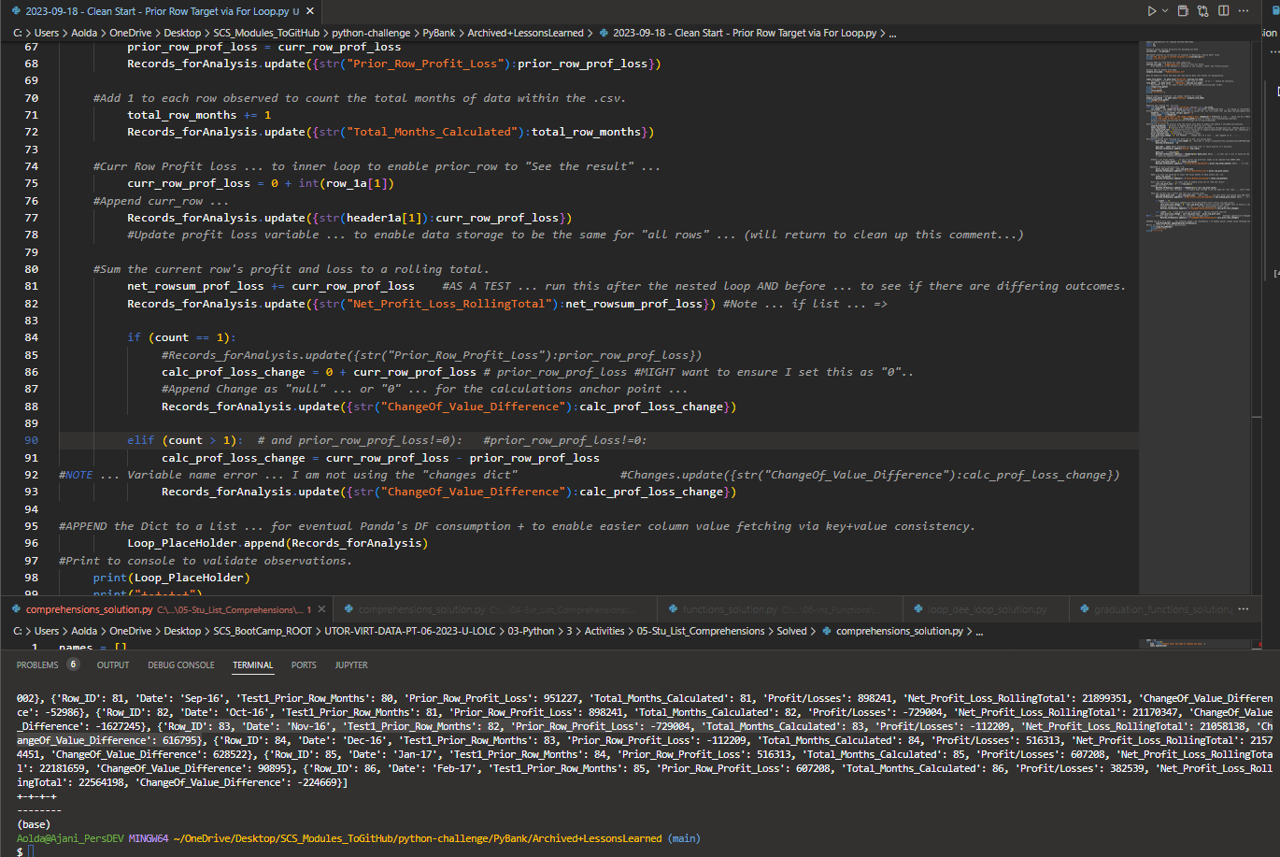
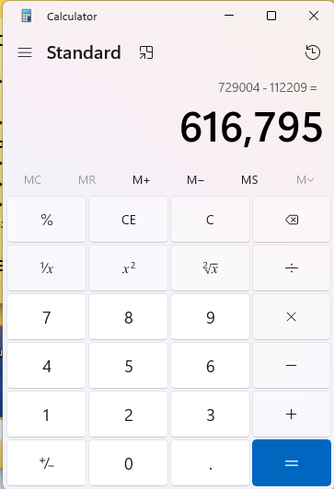
 | KEY NOTE … using the Row ID …. 82 to 83 …. From the Row 83 PERSPECTIVE ….
 | The change calc is "minus" … and it was delivered 2 NEGATIVES….
 | .resulting in the "change" …. Being a POSITIVE….
 | Thi s is correct because …. Row 83's "loss" … was closer to "0" …
 | Than Row 82s ….
 | IE: this is "simple math" for BEDMAS I believe …. But …. We have
 | so many rows being processed this way …. Spot checks to validate
 | necessary …. When flipping +ve to -ve …. In the loops iteration.

 | NOTE …. From Row ID 1 to Row ID 2 … it's WRONG …

 | FIGURED OUT A "FIX" …. Using LIST COMPREHENSIONS ….

