HS420561K-C30
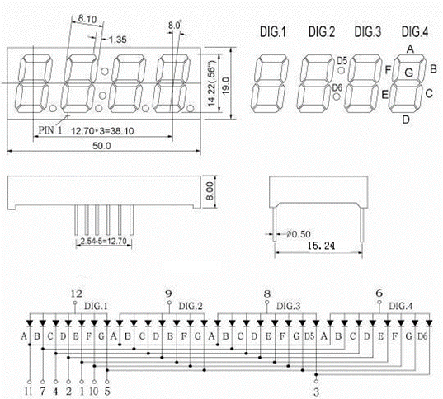
SLG46826V-DIP
VDD | VDD | 1 | - |  |  | O | 20 | IO14 | DIG2
E | IO0 | 2 | O |  |  | O | 19 | IO13 | A
D | IO1 | 3 | O |  |  | O | 18 | IO12 | F
D5,D6 | IO2 | 4 | O |  |  | O | 17 | IO11 | DIG1
C | IO3 | 5 | O |  |  | O | 16 | IO10 | DIG3
G | IO4 | 6 | O |  |  | O | 15 | IO9 | B
DIG4 | IO5 | 7 | O |  |  | - | 14 | VDD2 | VDD
SCL | SCL | 8 | I/O |  | PU10kΩ | I/O | 13 | IO8 | INOUT0
SDA | SDA | 9 | I/O |  | PU10kΩ | O | 12 | IO7 | OUT1
OUT2 | IO6 | 10 | O | PU10kΩ |  | - | 11 | GND | GND

HS420561K-C30

