OSL641505-BX
 | I2CMAT8x8.gp6
 | SLG46826V-DIP
 | VDD | VDD | 1 | - | O | 20 | IO14 | COL8 | 1
16 | ROW5 | IO0 | 2 | O | O | 19 | IO13 | ROW7 | 2
13, diode+9 | ROW1,COL1 | IO1 | 3 | I/O | I/O | 18 | IO12 | COL2 | 3
14 | ROW2 | IO2 | 4 | O | I/O | 17 | IO11 | COL3 | 4
12 | ROW4 | IO3 | 5 | O | O | 16 | IO10 | ROW8 | 5
15, diode+9 | ROW1,COL7 | IO4 | 6 | I/O | I/O | 15 | IO9 | COL5 | 6
11 | COL6 | IO5 | 7 | I/O | - | 14 | VDD2 | VDD
 | SCL | SCL | 8 | I | O | 13 | IO8 | ROW6 | 7
 | SDA | SDA | 9 | I/O | O | 12 | IO7 | ROW3 | 8
10 | COL4 | IO6 | 10 | O | - | 11 | GND | GND

 | OSL641505-BB
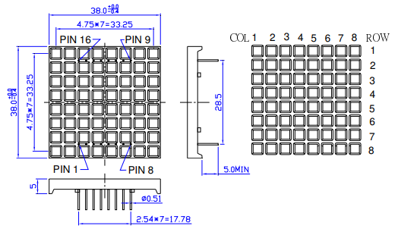

 |  |  |  |  |  |  |  |  |  | SLG46826-DIP
 |  |  |  |  |  |  |  |  |  | H0 | H1 | H2 | H3 | H4 | H5 | H6 | H7
 |  |  |  |  |  |  |  |  |  | G0 | G1 | G2 | G3 | G4 | G5 | G6 | G7
 |  |  |  |  |  |  |  |  |  | F0 | F1 | F2 | F3 | F4 | F5 | F6 | F7
 |  |  |  |  |  |  |  |  |  | E0 | E1 | E2 | E3 | E4 | E5 | E6 | E7
 |  |  |  |  |  |  |  |  |  | D0 | D1 | D2 | D3 | D4 | D5 | D6 | D7
 |  |  |  |  |  |  |  |  |  | C0 | C1 | C2 | C3 | C4 | C5 | C6 | C7
 |  |  |  |  |  |  |  |  |  | B0 | B1 | B2 | B3 | B4 | B5 | B6 | B7
 |  |  |  |  |  |  |  |  |  | A0 | A1 | A2 | A3 | A4 | A5 | A6 | A7

 |  |  |  |  |  |  |  |  |  | A0 | B0 | C0 | D0 | E0 | F0 | G0 | H0
 |  |  |  |  |  |  |  |  |  | A1 | B1 | C1 | D1 | E1 | F1 | G1 | H1
 |  |  |  |  |  |  |  |  |  | A2 | B2 | C2 | D2 | E2 | F2 | G2 | H2
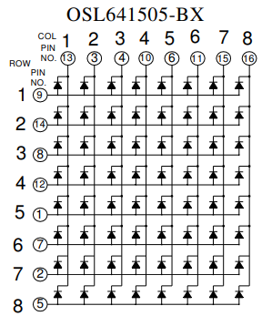
 |  |  |  |  |  |  |  |  |  | A3 | B3 | C3 | D3 | E3 | F3 | G3 | H3
 |  |  |  |  |  |  |  |  |  | A4 | B4 | C4 | D4 | E4 | F4 | G4 | H4
 |  |  |  |  |  |  |  |  |  | A5 | B5 | C5 | D5 | E5 | F5 | G5 | H5
 |  |  |  |  |  |  |  |  |  | A6 | B6 | C6 | D6 | E6 | F6 | G6 | H6
 |  |  |  |  |  |  |  |  |  | A7 | B7 | C7 | D7 | E7 | F7 | G7 | H7

