OSL641505-BX
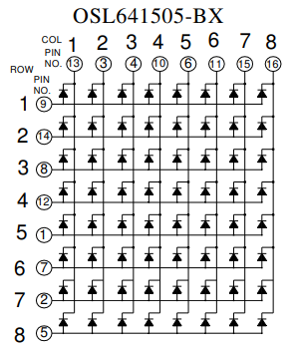
 | I2CMAT8x8R.gp6
 | SLG46826V-DIP
 | VDD | VDD | 1 | - |  | PU10kΩ | O | 20 | IO14 | ROW5 | 1
16 | COL8 | IO0 | 2 | O |  | PU10kΩ | O | 19 | IO13 | ROW7 | 2
13, diode+9 | COL1,ROW1 | IO1 | 3 | O |  |  | I/O | 18 | IO12 | COL2 | 3
14 | ROW2 | IO2 | 4 | O | PU10kΩ |  | I/O | 17 | IO11 | COL3 | 4
12 | ROW4 | IO3 | 5 | O | PU10kΩ | PU10kΩ | O | 16 | IO10 | ROW8 | 5
15 | COL7 | IO4 | 6 | I/O |  |  | I/O | 15 | IO9 | COL5 | 6
11 | COL6 | IO5 | 7 | I/O |  |  | - | 14 | VDD2 | VDD
 | SCL | SCL | 8 | I/O |  | PU10kΩ | O | 13 | IO8 | ROW6 | 7
 | SDA | SDA | 9 | I/O |  | PU10kΩ | O | 12 | IO7 | ROW3 | 8
10 | COL4 | IO6 | 10 | O |  |  | - | 11 | GND | GND

 | I2CMAT8x8.gp6
 | SLG46826V-DIP
 | VDD | VDD | 1 | - |  |  | O | 20 | IO14 | COL8 | 1
16 | ROW5 | IO0 | 2 | O |  |  | O | 19 | IO13 | ROW7 | 2
13, diode+9 | ROW1,COL1 | IO1 | 3 | O |  |  | I/O | 18 | IO12 | COL2 | 3
14 | ROW2 | IO2 | 4 | O |  |  | I/O | 17 | IO11 | COL3 | 4
12 | ROW4 | IO3 | 5 | O |  |  | O | 16 | IO10 | ROW8 | 5
15, diode+9 | ROW1,COL7 | IO4 | 6 | I/O |  |  | I/O | 15 | IO9 | COL5 | 6
11 | COL6 | IO5 | 7 | I/O |  |  | - | 14 | VDD2 | VDD
 | SCL | SCL | 8 | I/O |  |  | O | 13 | IO8 | ROW6 | 7
 | SDA | SDA | 9 | I/O |  |  | O | 12 | IO7 | ROW3 | 8
10 | COL4 | IO6 | 10 | O |  |  | - | 11 | GND | GND

 | OSL641505-BB
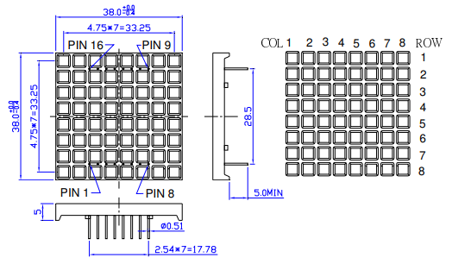

 |  |  |  |  |  |  |  |  |  |  |  | x | H1 | H2 | H3 | H4 | H5 | H6 | H7
 |  |  |  |  |  |  |  |  |  |  |  | G0 | G1 | G2 | G3 | G4 | G5 | G6 | G7
 |  |  |  |  |  |  |  |  |  |  |  | F0 | F1 | F2 | F3 | F4 | F5 | F6 | F7
 |  |  |  |  |  |  |  |  |  |  |  | E0 | E1 | E2 | E3 | E4 | E5 | E6 | E7
 |  |  |  |  |  |  |  |  |  |  |  | D0 | D1 | D2 | D3 | D4 | D5 | D6 | D7
 |  |  |  |  |  |  |  |  |  |  |  | C0 | C1 | C2 | C3 | C4 | C5 | C6 | C7
 |  |  |  |  |  |  |  |  |  |  |  | B0 | B1 | B2 | B3 | B4 | B5 | B6 | B7
 |  |  |  |  |  |  |  |  |  |  |  | A0 | A1 | A2 | A3 | A4 | A5 | A6 | A7

