Sheet1
Test case | Objective | Test steps | Expected Result | Result Image | Test Data | Manual status | Is AT | Status | Issue
TC-001 | Open "Minimal Todo" app first time check no todo list | 1.Open "Minimal Todo" app 2.Verify home page | 1.App open correctly 2.Verify app title should be "Minimal" 3.Page should show text "You don't have any todos" | 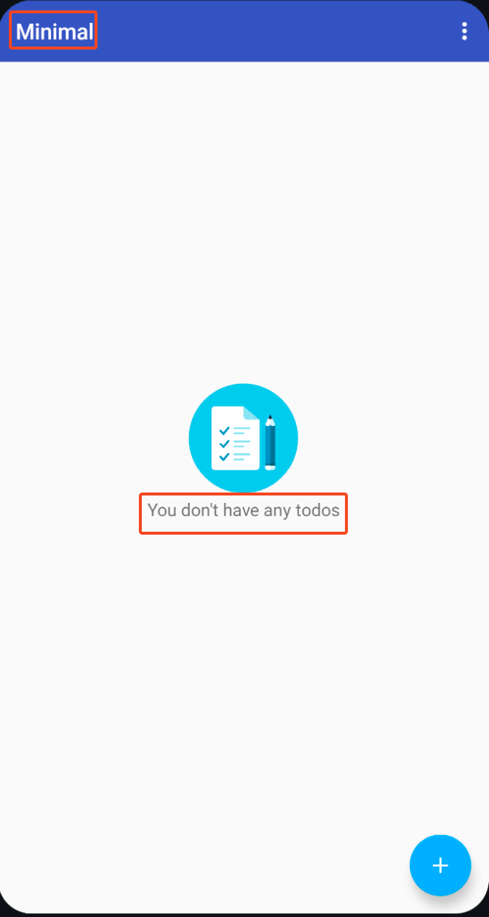 |  | Pass | Yes | Pass
TC-002 | Add new todo list | 1.Open "Minimal Todo" app 2.Tap add new todo 3.Input text "Feed cat" 4.Toggle "Remind Me" 5.Input date "Jan 1, 2026" 6.Input time "9:00 AM" 7.Tap set todo button 8.Verify new todo 9.Verify todo time | 1.Page should have new todo list 2.New todo list should be "Feed cat" 3.New todo list should have date and time "Jan 1, 2026 9:00 AM" |  | 1.todo: "Feed cat" 2.date: "1 Jan, 2026" 3.time: "9:00 AM" | Pass | Yes | Fail | Date and time value not update with automation input
TC-003 | Delete all todo list | 1.Open "Minimal Todo" app 2.Add new to do list 3.Delete todo list (by swipe todo list to right or left side) | 1.Page should have new todo list 2.Page show "Undo" popup after delete 3.Page should show text "You don't have any todos" after detete | 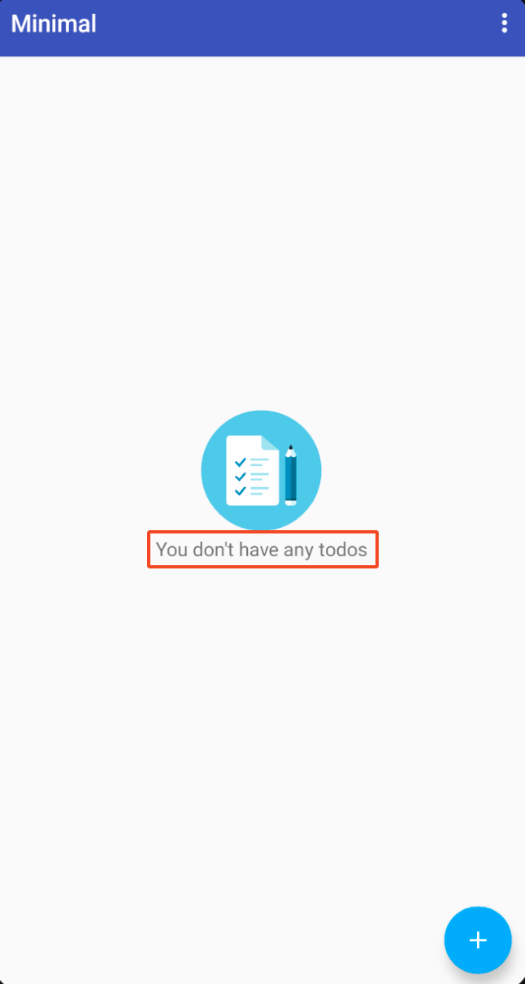 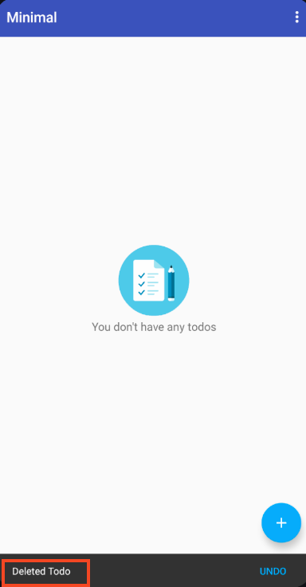 | 1.todo: "Feed cat" 2.date: "01/01/2026" 3.time: "9:00 AM" | Pass | Yes | Pass
TC-004 | Add new todo list with date time in the past | 1.Open "Minimal Todo" app 2.Tap add new todo 3.Input text "Feed cat" 4.Toggle "Remind Me" 5.Input date "Today" 6.Input time "current time -30 min" 7.Verify warning should be "The date you entered is in the past." | 1.Page should show text "The date you entered is in the past." | 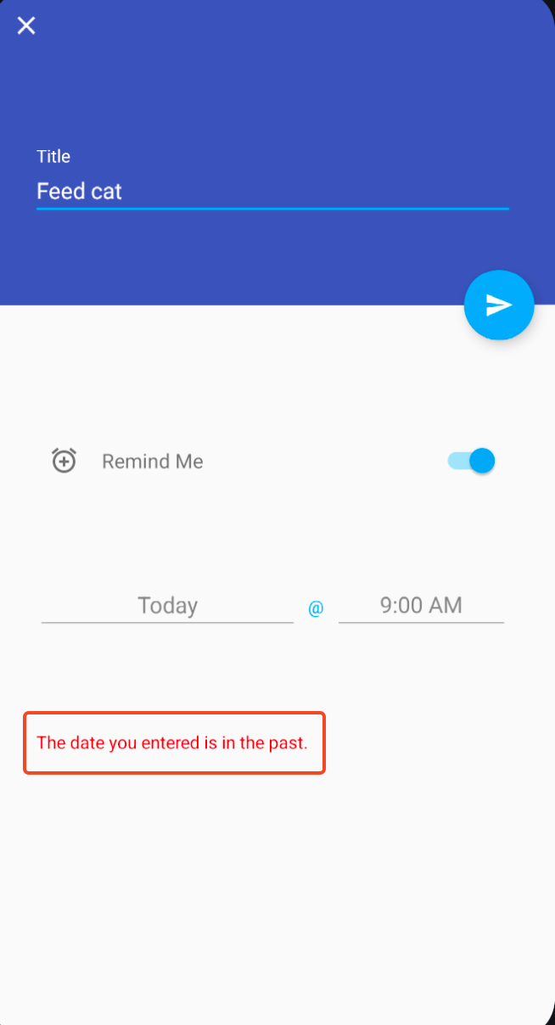 | 1.todo: "Feed cat" 2.date: "today" 3.time: "current time -30 min" | Pass | Yes | Fail | Date and time value not update with automation input
TC-005 | Toggle Nightmode | 1.Open "Minimal Todo" app 2.Tap "More menu" 3.Tap "Settings" 4.Toggle "Night Mode" 5.Verify app is Night Mode | 1.App should be Night Mode |  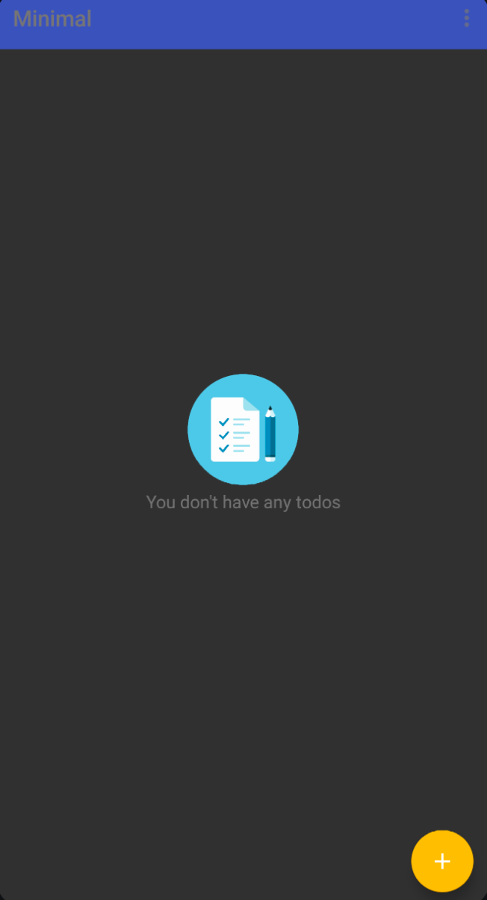 |  | Pass | No
TC-006 | Add new todo without date time | 1.Open "Minimal Todo" app 2.Tap add new todo 3.Input text "Feed cat" 4.Tap set todo button 5.Verify new todo | 1.Page should have new todo list 2.New todo list should be "Feed cat" |  | 1.todo: "Feed cat" | Pass | Yes | Pass
TC-007 | Cancel add new todo list | 1.Open "Minimal Todo" app 2.Tap add new todo 3.Input text "Feed cat" 4.Tap exits add new todo page 5.Verify no new todo list | 1.Page should show text "You don't have any todos" | 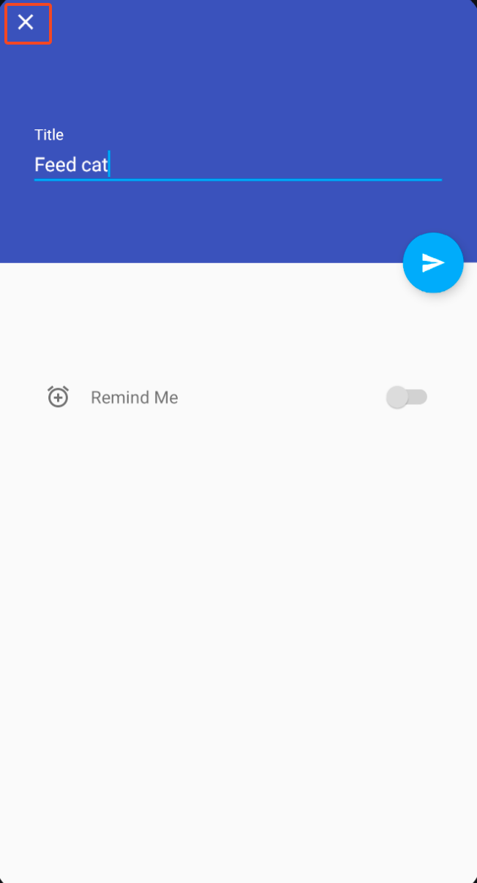 |  | Pass | Yes | Pass

