Manual_Test_Cases
TC ID | Module | Test Scenario | Preconditions | Test Steps | Test Data | Expected Result | Actual Result | Status | Evidence
TC_001 | File Upload | Upload a valid CSV file | Application is running | Select a valid CSV file and click Upload | data.csv | File uploaded successfully | File uploaded successfully | Pass | 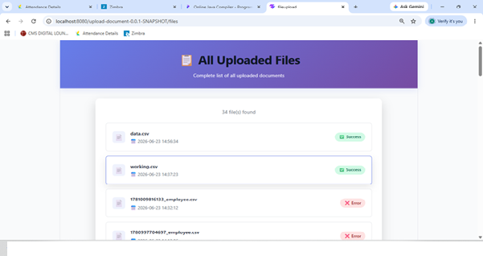
TC_002 | CSV Validation | Upload CSV with invalid header | Application is running | Upload CSV with incorrect header | wrong_header.csv | File moved to Error folder | File moved to Error folder | Pass | 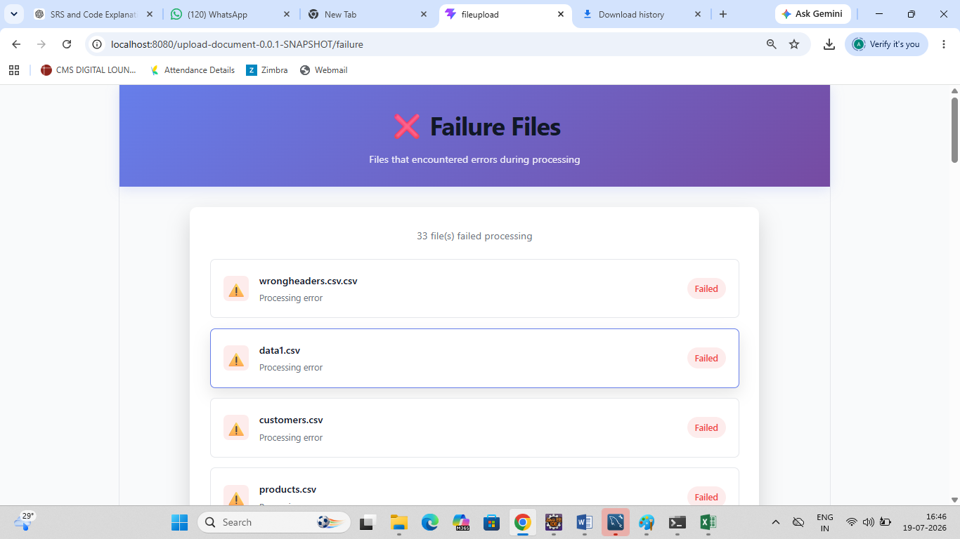
TC_003 | Employee Processing | Upload valid employee records | Application is running | Upload valid CSV | employee.csv | Employee records stored in MySQL | Records stored successfully | Pass | 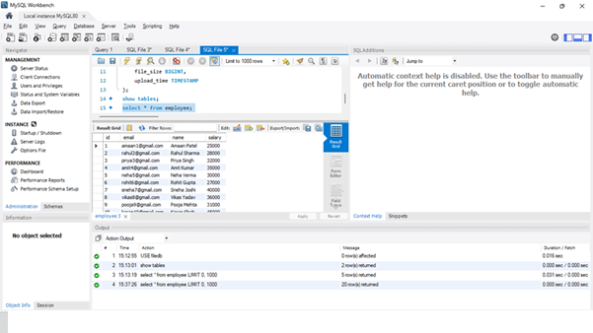
TC_004 | Scheduler | Verify automatic processing every 30 seconds | Scheduler running | Upload a CSV and wait | employee.csv | Scheduler processes file automatically | File processed automatically | Pass | 