Test Cases
TC ID | Module | Test Scenario | Precondition | Test Steps | Test Data | Expected Result | Actual Result | Status | Screenshot
TC-001 | Login | Admin Login | Admin exists | Login with admin credentials and valid OTP | admin@gmail.com / admin123 | Dashboard displayed | Login Successful | PASS | 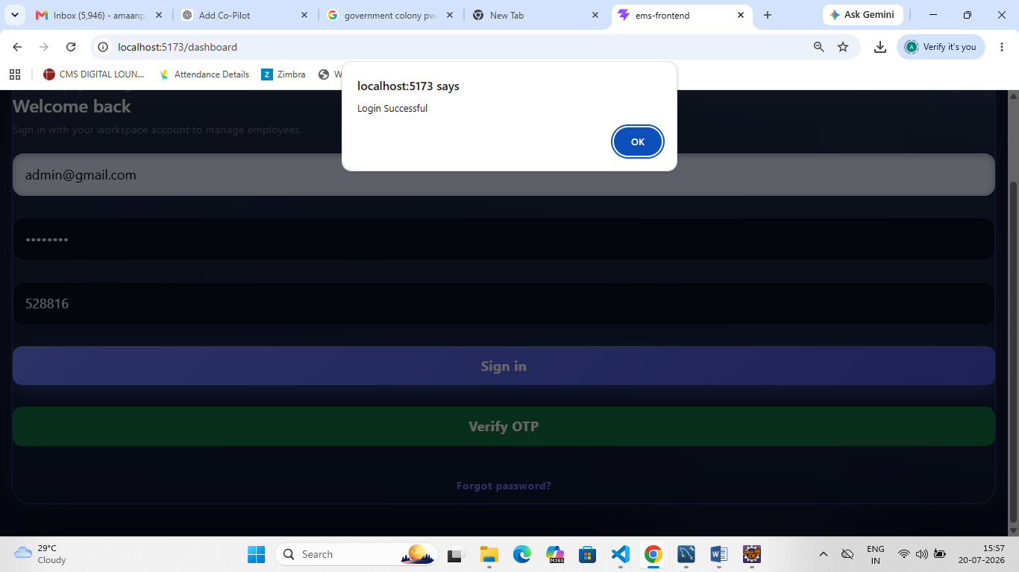
TC-002 | Login | HR Login | HR exists | Login with HR credentials and valid OTP | hr@gmail.com / hr123 | Dashboard displayed | Login Successful | PASS | 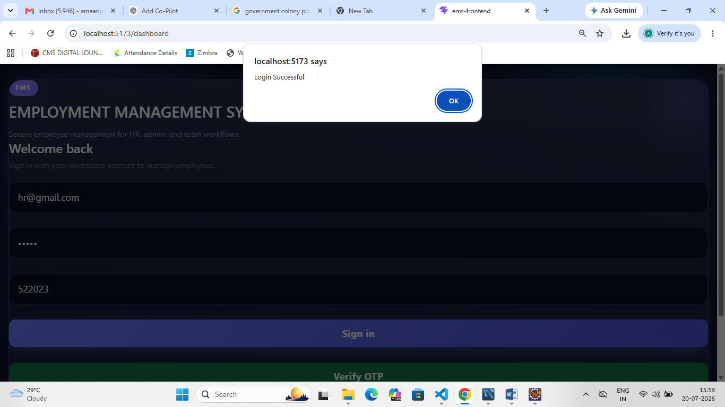
TC-003 | Employee | Add Employee | Admin logged in | Enter employee details and click Add | Amaan | Employee added | Employee Added Successfully | PASS | 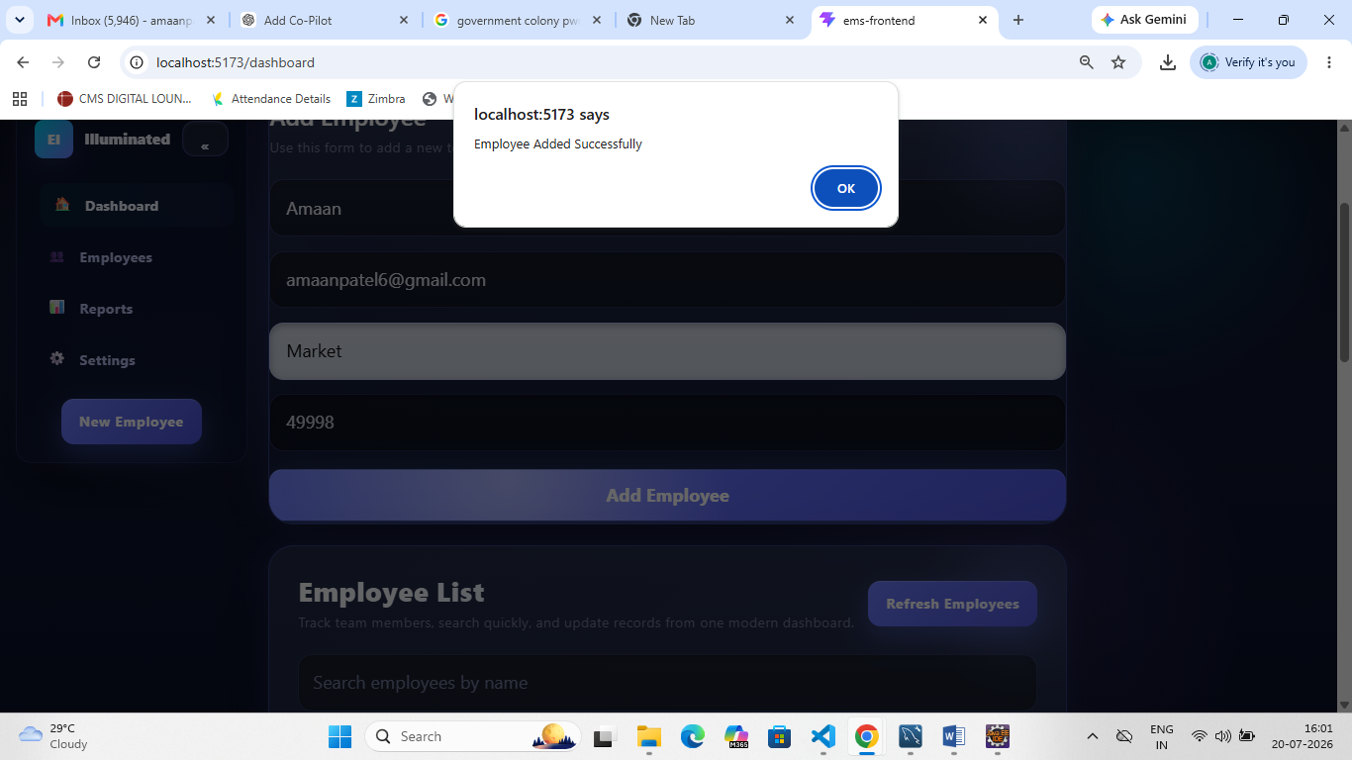
TC-004 | Employee | Update Employee | Employee exists | Edit employee | Khushi | Employee updated | Employee Updated Successfully | PASS | 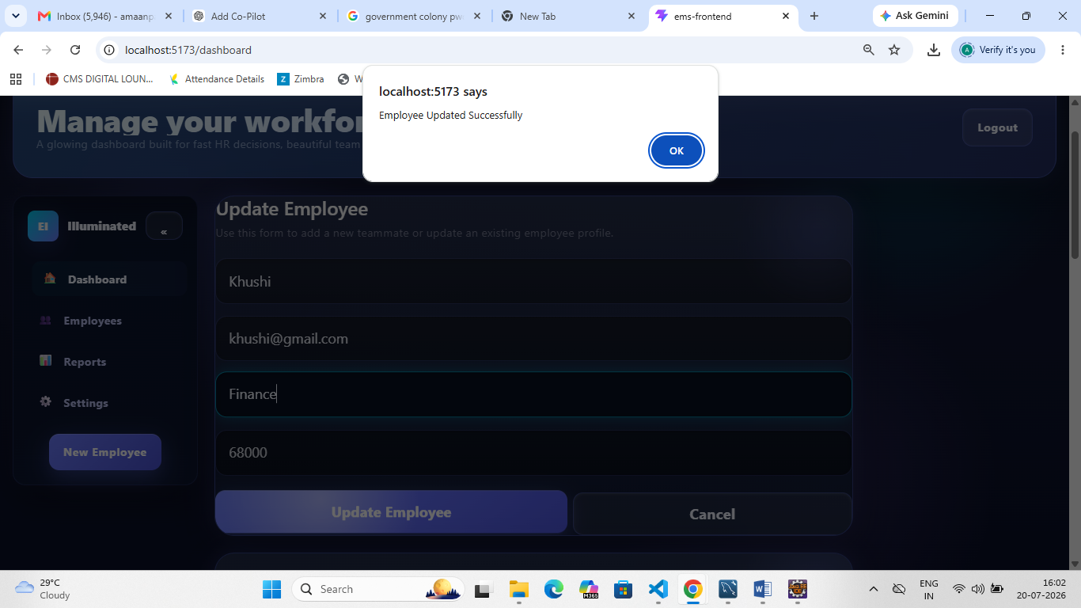
TC-005 | Employee | Delete Employee | Employee exists | Delete employee | Existing Employee | Employee deleted | Employee Deleted Successfully | PASS | 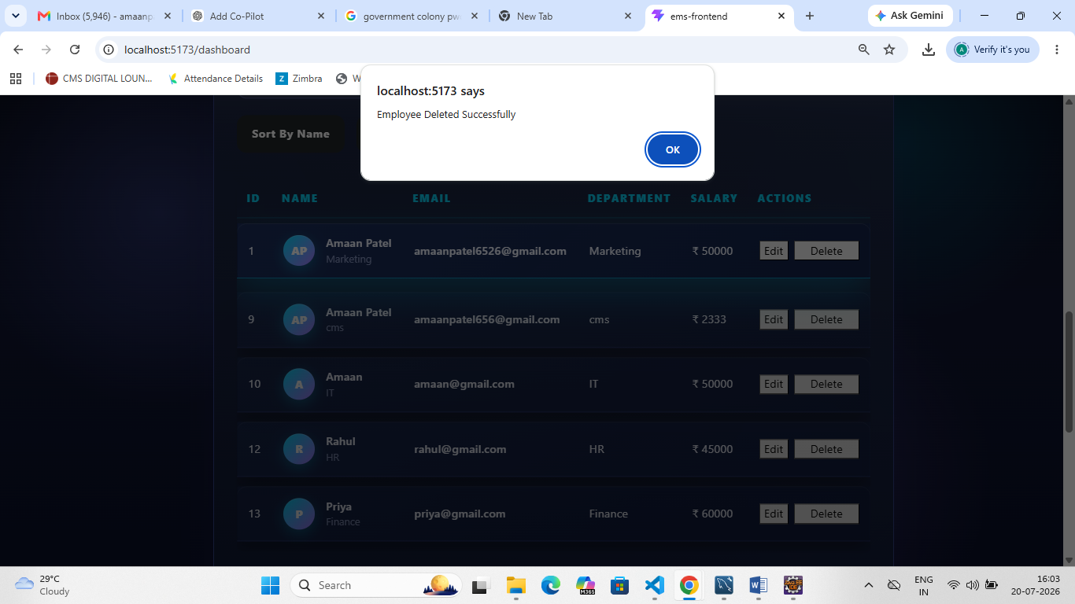
TC-006 | Employee | Search Employee | Employees exist | Search by name | Amaan Patel | Matching employee displayed | Matching employee displayed | PASS | 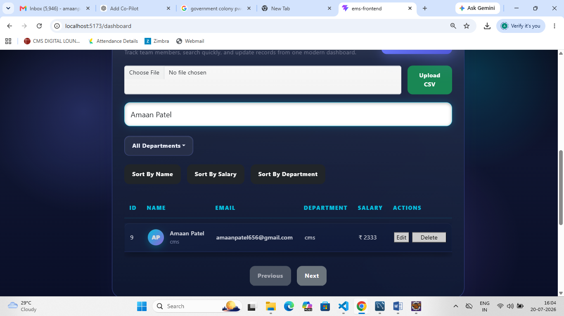
TC-007 | Employee | Department Filter | Employees exist | Select department | IT | Only IT employees displayed | Only IT employees displayed | PASS | 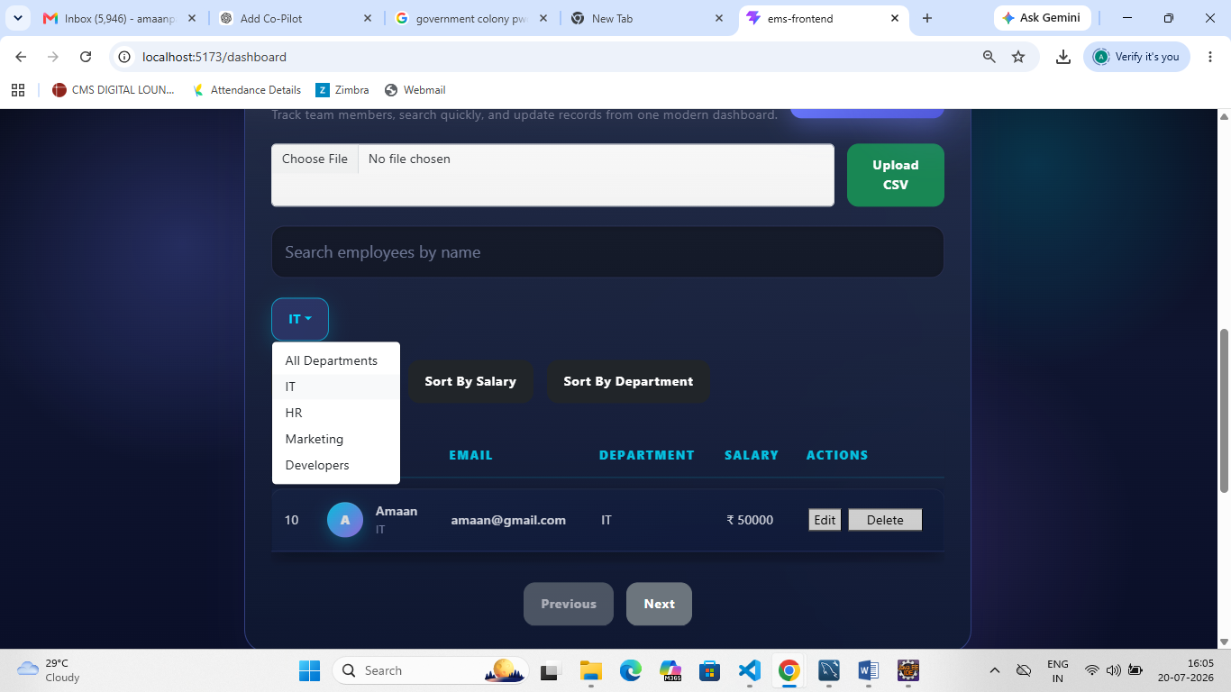
TC-008 | Login | Invalid Email | Login page | Enter invalid email | amaanpatel6526@gmail.com | Invalid Email | Invalid Email | PASS | 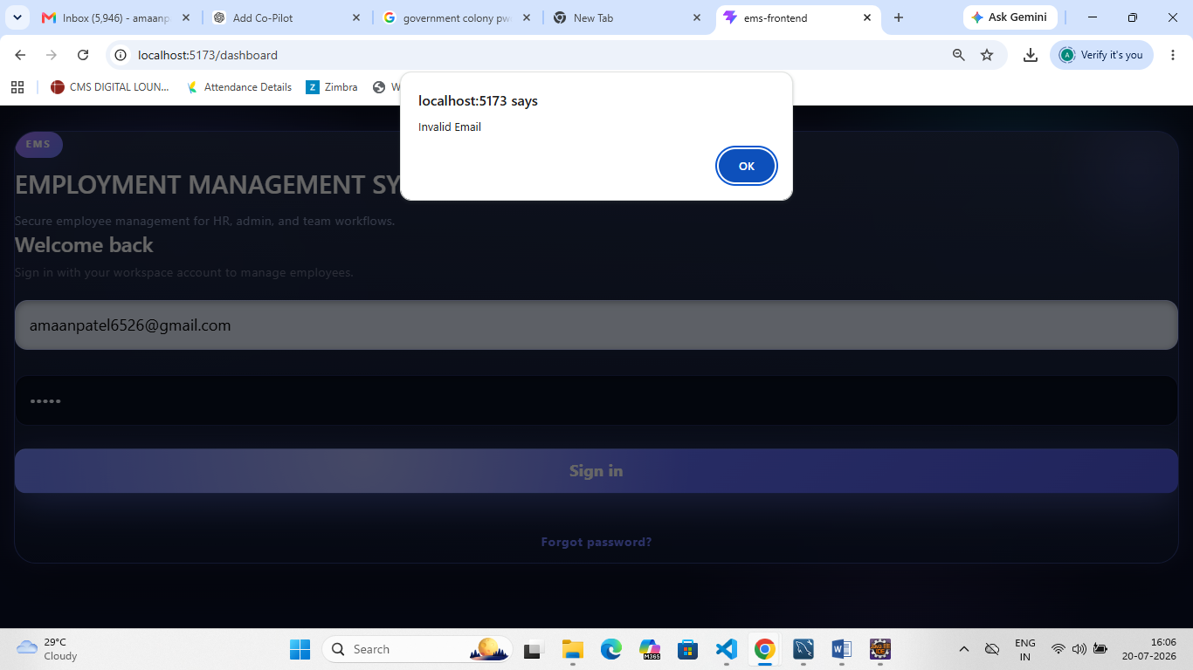
TC-009 | OTP | Invalid OTP | OTP screen | Enter wrong OTP | 1234 | Invalid OTP | Invalid OTP | PASS | 