Dashboard
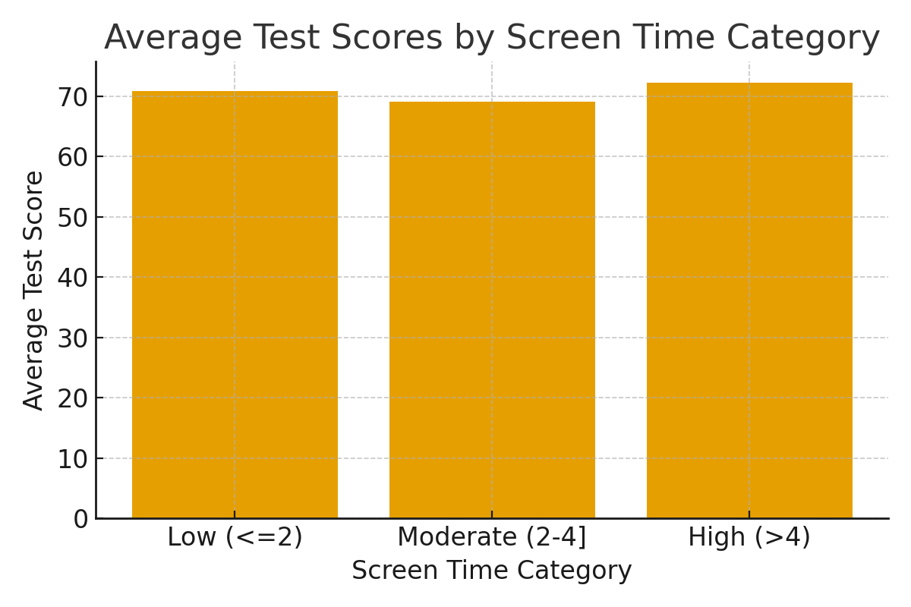
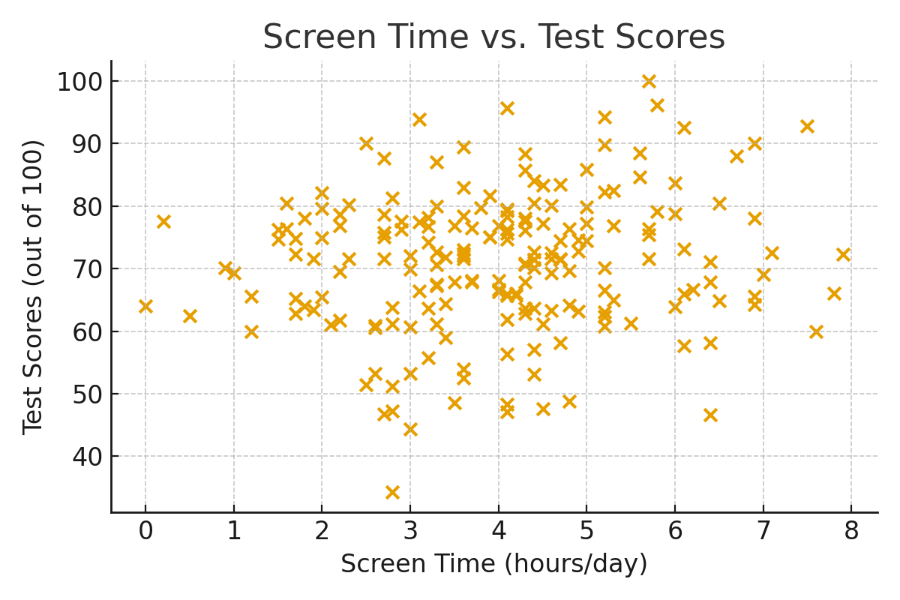
Screen_Category | Avg_Test_Score
Low (<=2) | 70.910869565
Moderate (2-4] | 69.074305556
High (>4) | 72.215238095

