TC001
Test case_ID | Test Scenario | Test Procedure | Module Name | Testing Type | Test case Type | Priority | Severity | Keyword | control_id | Data | Validation Message | Expected Result | Actual Result | Status | Priority | Severity
TC001 |  | Click Add Devotee icon | User Management | Positive | Functional |  |  | clickbyCssSelector | button[class='btn btn-u-yellow fa fa-user-plus fa-2x'] |  |  |  |  | Pass | 1 | 3 - Medium
TC002 |  | Click Other Information Tab. | Other Information | Positive | Functional |  |  | clickByXpath | //*[@id='step2tab']/a |  |  |  |  | Pass | 3 | 4 - Low
TC003 |  | Click Login Information Tab. | Login Information | Positive | Functional |  |  | clickByXpath | //*[@id='step3tab']/a |  |  |  |  | Pass | 2 | 1 - Critical
TC004 |  | Click Settings Tab. | Settings | Positive | Functional |  |  | clickByXpath | //*[@id='step4tab']/a |  |  |  |  | Pass | 4 | 2 - High
TC005 |  | Click Profile Information. | Profile Information | Positive | Functional |  |  | clickByXpath | //*[@id='step1tab']/a |  |  |  |  | Pass | 4 | 4 - Low
TC006 |  | Click Save Changes. | User Management | Positive | Functional |  |  | clickbyCssSelector | button[class='btn blue'] |  |  |  |  | Pass | 4 | 3 - Medium
TC007 |  | Verify Error Message | User Management | Negative | Non-Functional |  |  | verifyTextContainsByIdwithResult | errormessage |  | Fields marked with * are mandatory |  |  | Fail | 4 | 4 - Low
TC008 |  | Click Close | User Management | Positive | Functional |  |  | clickbyCssSelector | button[class='btn btn-default'] |  |  |  |  | Pass | 4 | 1 - Critical
TC009 |  | Click Add Devotee icon | User Management | Positive | Functional |  |  | clickbyCssSelector | button[class='btn btn-u-yellow fa fa-user-plus fa-2x'] |  |  |  |  | Pass | 2 | 3 - Medium
TC010 |  | Enter First name | Profile Information | Negative | Functional |  |  | enterById | txtfname | kamm12 |  |  |  | Pass | 3 | 4 - Low
TC011 |  | Verify Firstname Validation Message | Profile Information | Negative | Non-Functional |  |  | verifyTextByXpathResult | //*[@id='userFormData']/div[1]/div[1]/div/div/p[2] |  | The following characters (Alphabets,.,space) are only allowed |  |  | Fail | 3 | 4 - Low
TC012 |  | Enter Middle Name | Profile Information | Negative | Functional |  |  | enterById | txtmname | weq12 |  |  |  | Pass | 3 | 3 - Medium
TC013 |  | Verify Middlename Validation Message | Profile Information | Negative | Non-Functional |  |  | verifyTextByXpathResult | //*[@id='userFormData']/div[1]/div[2]/div/div/p |  | The following characters (Alphabets,.,space) are only allowed |  |  | Fail | 2 | 2 - High
TC014 |  | Enter Last Name | Profile Information | Negative | Functional |  |  | enterById | txtlname | ada345#$% |  |  |  | Pass | 2 | 4 - Low
TC015 |  | Verify Lastname Validation Message | Profile Information | Negative | Non-Functional |  |  | verifyTextByXpathResult | //*[@id='userFormData']/div[2]/div[1]/div/div/p[2] |  | The following characters (Alphabets,.,space) are only allowed |  |  | Fail | 2 | 4 - Low
TC016 |  | Enter Invalid Address | Profile Information | Negative | Functional |  |  | enterById | txtaddress | ~!23Qeqw |  |  |  | Pass | 2 | 3 - Medium
TC017 |  | Verify Address Validation Message | Profile Information | Negative | Non-Functional |  |  | verifyTextByXpathResult | //*[@id='userFormData']/div[2]/div[2]/div/p[1] |  | The following special characters (@,~,%,',$,^) are not allowed |  |  | Fail | 1 | 2 - High
TC018 |  | Enter Invalid Email Id | Profile Information | Negative | Functional |  |  | enterByXpath | //*[@id='userFormData']/div[3]/div[1]/div/input | as231 |  |  |  | Pass | 1 | 4 - Low
TC019 |  | Verify Email Id validation Message | Profile Information | Negative | Non-Functional |  |  | verifyTextByXpathResult | //*[@id='userFormData']/div[3]/div[1]/div/div/p[2] |  | Enter Valid Email Id |  |  | Pass | 1 | 3 - Medium
TC020 |  | Enter invalid Phone No. | Profile Information | Negative | Functional |  |  | enterById | txtphone | $#qewrq |  |  |  | Pass | 1 | 3 - Medium
TC021 |  | Verify Validation Message | Profile Information | Negative | Non-Functional |  |  | verifyTextByXpathResult | //*[@id='userFormData']/div[3]/div[2]/div/div/p[2] |  | The following characters (Numbers,+,-,(,)) are only allowed |  |  | Fail | 1 | 2 - High
TC022 |  | Enter invalid City | Profile Information | Negative | Functional |  |  | enterById | txtcity | q123 |  |  |  | Pass | 3 | 4 - Low
TC023 |  | Verify Validation Message | Profile Information | Negative | Non-Functional |  |  | verifyTextByXpathResult | //*[@id='userFormData']/div[4]/div[1]/div/div/p[2] |  | Enter Valid City |  |  | Fail | 3 | 3 - Medium
TC024 |  | Enter Invalid zipcode | Profile Information | Negative | Functional |  |  | enterById | txtzipcode | qwewq |  |  |  | Pass | 4 | 3 - Medium
TC025 |  | Verify Validation Message | Profile Information | Negative | Non-Functional |  |  | verifyTextByXpathResult | //*[@id='userFormData']/div[5]/div[1]/div/div/p[2] |  | Zip Code should contain Min 4 to Max 10 digits |  |  | Fail | 3 | 2 - High
TC026 |  | Select State | Profile Information | Positive | Functional |  |  | selectById | state | Others |  |  |  | Pass | 4 | 4 - Low
TC027 |  | Enter State | Profile Information | Positive | Functional |  |  | enterById | txtstate | Chennai |  |  |  | Fail | 3 | 1 - Critical
TC028 |  | Enter Country | Profile Information | Positive | Functional |  |  | enterById | txtcountry | India |  |  |  | Fail | 2 | 4 - Low
TC029 |  | Click Other Information Tab. | Other Information | Positive | Functional |  |  | clickByXpath | //*[@id='step2tab']/a |  |  |  |  | Pass | 2 | 3 - Medium
TC030 |  | Select Gender | Other Information | Positive | Functional |  |  | selectById | ddlgender | Male |  |  |  | Pass | 2 | 4 - Low
TC031 |  | Select Dob | Other Information | Positive | Functional |  |  | clickById | txtdob |  |  |  |  | Pass | 2 | 2 - High
TC032 |  | To close the D.O.B | Other Information | Positive | Functional |  |  | clickByXpath | //*[@id='userFormOtherInfo']/div/div/div/div[2]/div[1]/div/label |  |  |  |  | Pass | 1 | 3 - Medium
TC033 |  | Select date | Other Information | Positive | Functional |  |  | clickByXpath | //*[@id='userFormOtherInfo']/div/div/div/div[2]/div[1]/div/div/div/div/div[3]/div/div[12] |  |  |  |  | Fail | 1 | 2 - High
TC034 |  | Select Nakshatra | Other Information | Positive | Functional |  |  | selectById | ddlNakshatra | Krittikai [Rishabham] (Kaarttkai) |  |  |  | Pass | 1 | 4 - Low
TC035 |  | Enter Work Phone No. | Other Information | Negative | Functional |  |  | enterById | txtworkphone | asda!&*( |  |  |  | Pass | 3 | 1 - Critical
TC036 |  | Verify Validation Message | Other Information | Negative | Non-Functional |  |  | verifyTextByXpathResult | //*[@id='userFormOtherInfo']/div/div/div/div[3]/div[1]/div/div/p[2] |  | The following characters (Numbers,+,-,(,)) are only allowed |  |  | Fail | 1 | 4 - Low
TC037 |  | Enter Mobile No. | Other Information | Negative | Functional |  |  | enterById | txtMobile | afasd~!3 |  |  |  | Pass | 3 | 1 - Critical
TC038 |  | Verify Validation Message | Other Information | Negative | Non-Functional |  |  | verifyTextByXpathResult | //*[@id='userFormOtherInfo']/div/div/div/div[3]/div[2]/div/div/p[2] |  | The following characters (Numbers,+,-,(,)) are only allowed |  |  | Fail | 1 | 4 - Low
TC039 |  | Enter Work email id | Other Information | Negative | Functional |  |  | enterById | txtworkemail | sadsd |  |  |  | Pass | 3 | 2 - High
TC040 |  | Enter Alias First Name | Other Information | Negative | Functional |  |  | enterById | txtaliasfirstname | hagsdy3463 |  |  |  | Pass | 2 | 4 - Low
TC041 |  | Enter Alias last Name | Other Information | Negative | Functional |  |  | enterById | txtaliaslastname | adgus~!42 |  |  |  | Pass | 4 | 4 - Low
TC042 |  | Click Login Information Tab. | Login Information | Negative | Functional |  |  | clickByXpath | //*[@id='step3tab']/a |  |  |  |  | Pass | 3 | 4 - Low
TC043 |  | Enter Username | Login Information | Negative | Functional |  |  | enterById | txtusername | ~!ewewq32 |  |  |  | Pass | 2 | 1 - Critical
TC044 |  | Verify the validation Message | Login Information | Negative | Non-Functional |  |  | verifyTextByXpathResult | //*[@id='userFormLogin']/div/div/div/div[1]/div[1]/div/div/p[2] |  | Username must have minimum 6 characters. Can have the following special character ("_") and numbers (0-9) |  |  | Fail | 2 | 3 - Medium
TC045 |  | Click Close | Login Information | Positive | Functional |  |  | clickbyCssSelector | button[class='btn btn-default'] |  |  |  |  | Pass | 2 | 3 - Medium
TC046 |  | Click Add Devotee icon | User Management | Positive | Functional |  |  | clickbyCssSelector | button[class='btn btn-u-yellow fa fa-user-plus fa-2x'] |  |  |  |  | Pass | 3 | 4 - Low
TC047 |  | Enter First name | Profile Information | Positive | Functional |  |  | enterById | txtfname | Karthi |  |  |  | Fail | 1 | 4 - Low
TC048 |  | Enter Middle Name | Profile Information | Positive | Functional |  |  | enterById | txtmname | N |  |  |  | Fail | 1 | 3 - Medium
TC049 |  | Enter Last Name | Profile Information | Positive | Functional |  |  | enterById | txtlname | N |  |  |  | Fail | 1 | 3 - Medium
TC050 |  | Enter Address | Profile Information | Positive | Functional |  |  | enterById | txtaddress | Chennai |  |  |  | Fail | 1 | 2 - High
TC051 |  | Enter Email address | Profile Information | Positive | Functional |  |  | enterByXpath | //*[@id='userFormData']/div[3]/div[1]/div/input | nkarthikeyan@ventechsolutions.com |  |  |  | Fail | 3 | 2 - High
TC052 |  | Enter Phone No. | Profile Information | Positive | Functional |  |  | enterById | txtphone | 93781498314 |  |  |  | Fail | 3 | 2 - High
TC053 |  | Enter City | Profile Information | Positive | Functional |  |  | enterById | txtcity | Chennai |  |  |  | Fail | 3 | 4 - Low
TC054 |  | Enter zipcode | Profile Information | Positive | Functional |  |  | enterById | txtzipcode | 352523423 |  |  |  | Fail | 3 | 2 - High
TC055 |  | Click Next | Profile Information | Positive | Functional |  |  | clickById | step1next |  |  |  |  | Fail | 3 | 4 - Low
TC056 |  | Enter Work Phone No. | Profile Information | Positive | Functional |  |  | enterById | txtworkphone | 97898786896 |  |  |  | Fail | 3 | 2 - High
TC057 |  | Enter Mobile No. | Profile Information | Positive | Functional |  |  | enterById | txtMobile | 8979696978 |  |  |  | Fail | 4 | 3 - Medium
TC058 |  | Enter Work email id | Profile Information | Positive | Functional |  |  | enterById | txtworkemail | nkarthikeyan@ventechsolutions.com |  |  |  | Fail | 4 | 3 - Medium
TC059 |  | Enter Alias First Name | Profile Information | Positive | Functional |  |  | enterById | txtaliasfirstname | Jagan |  |  |  | Fail | 3 | 2 - High
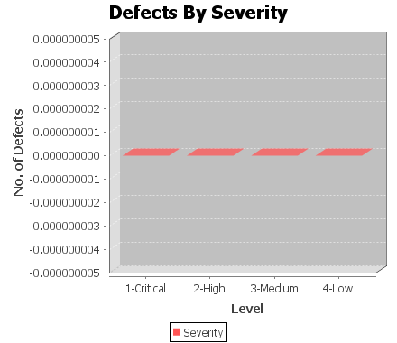
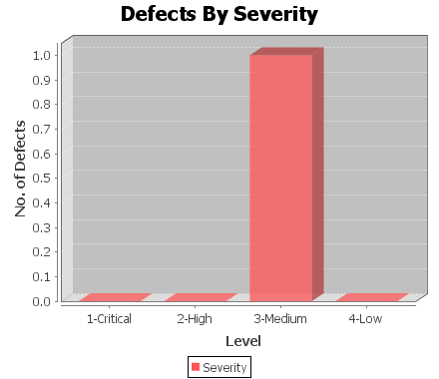
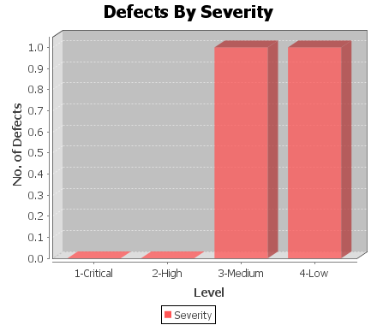
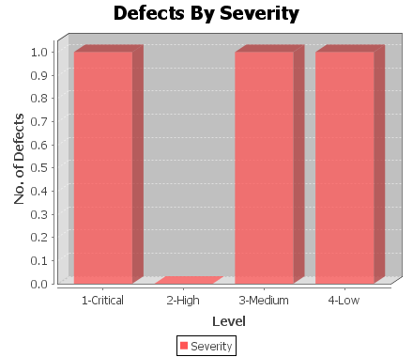
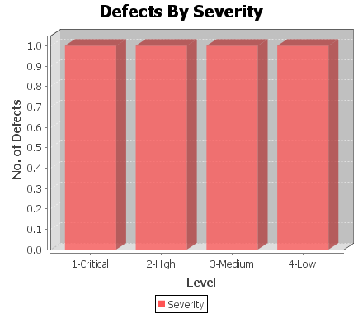
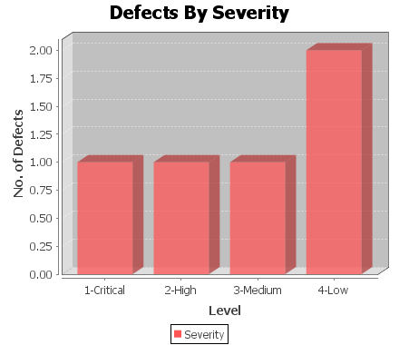
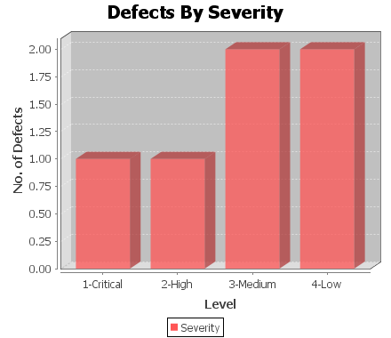
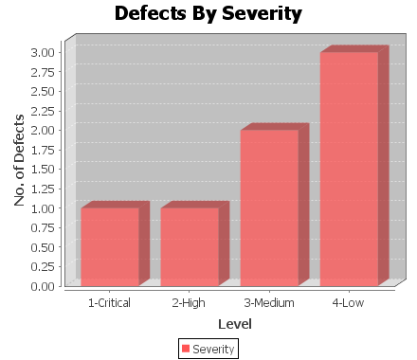
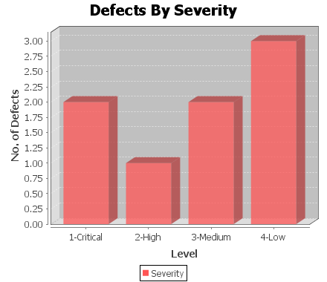
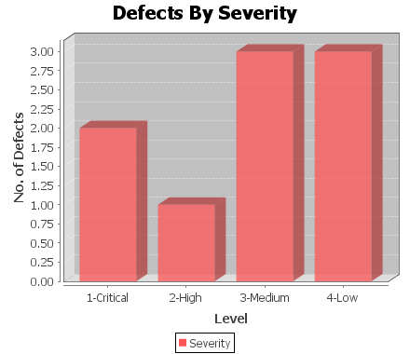
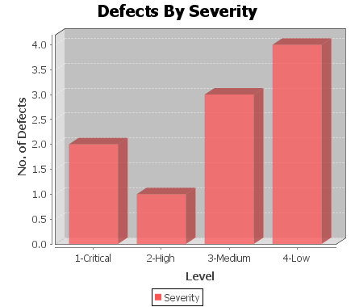
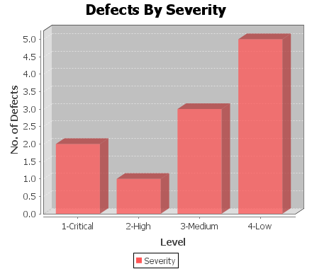
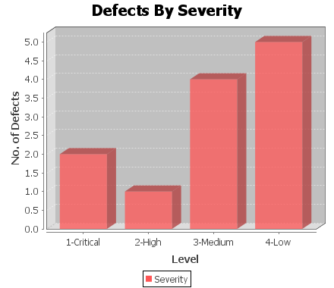
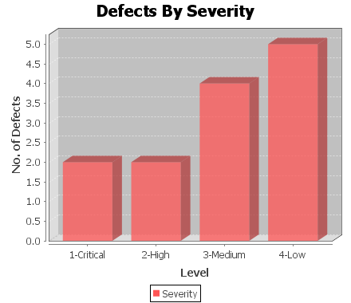
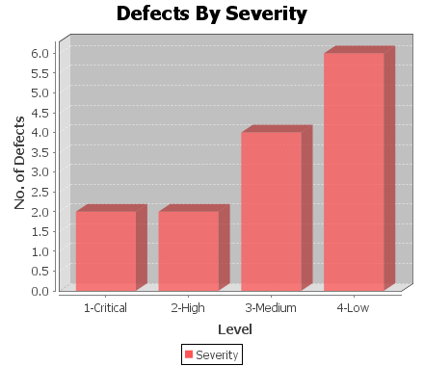
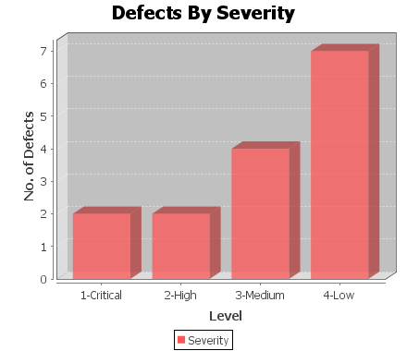
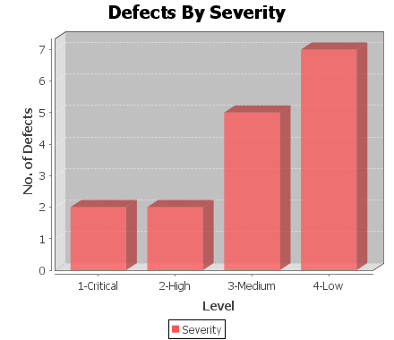
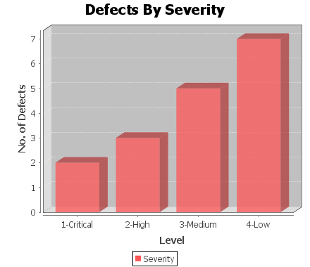
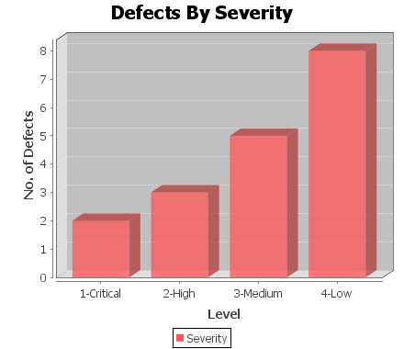
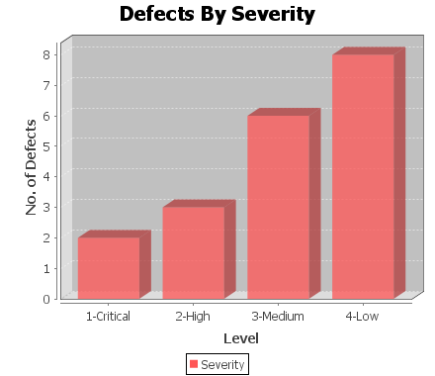
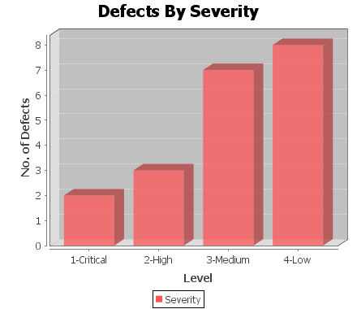
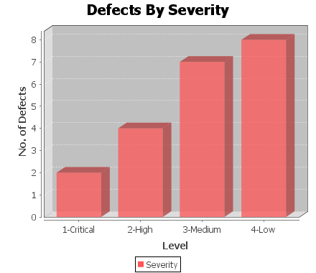
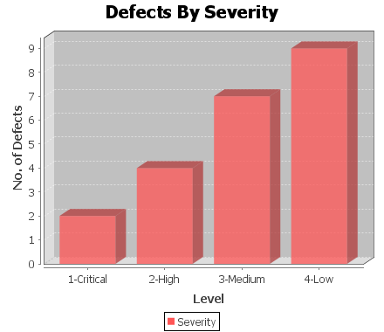
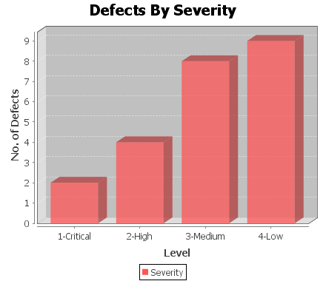
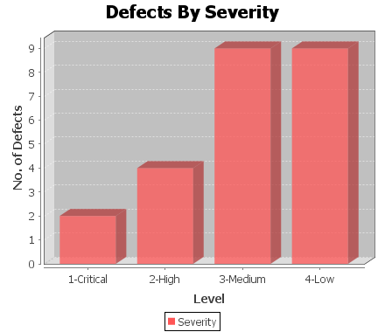
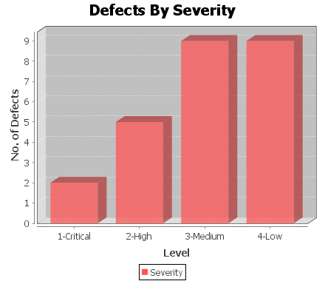
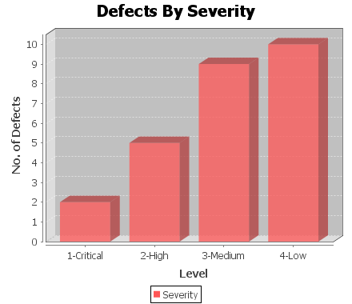
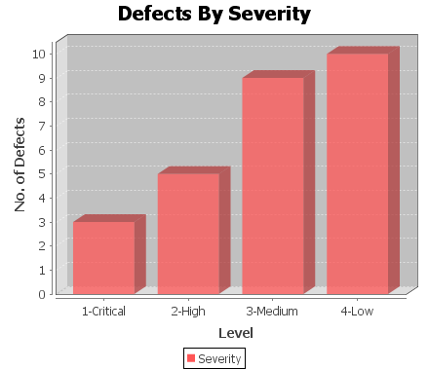
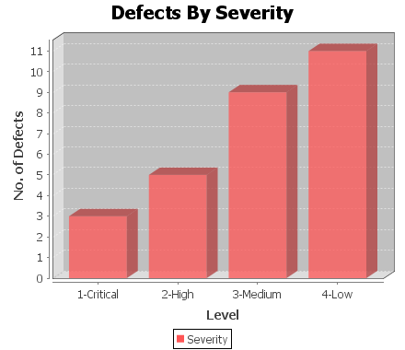
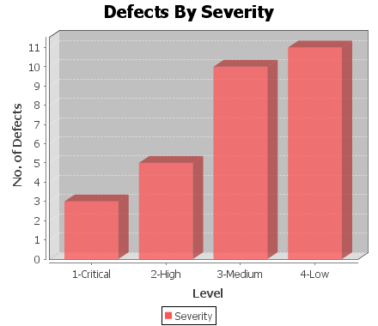
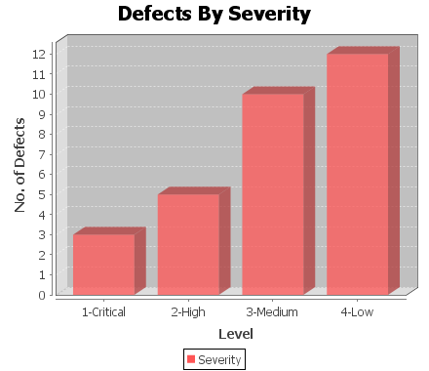
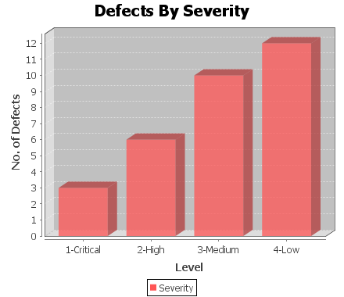

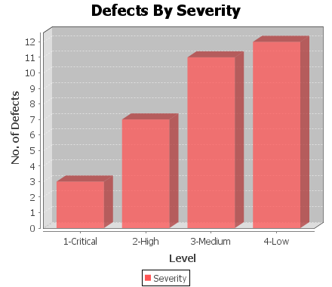
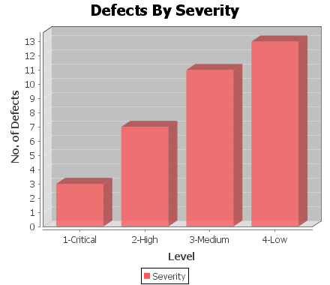
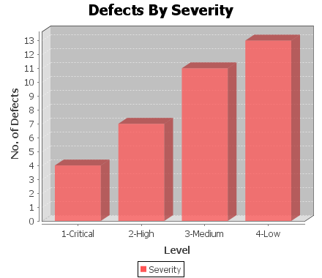
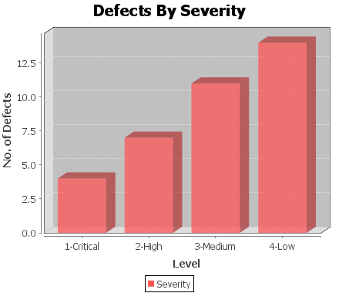
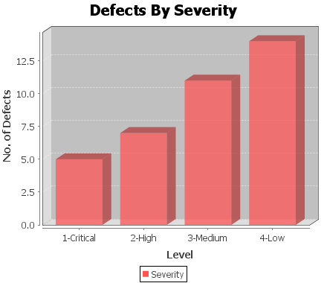
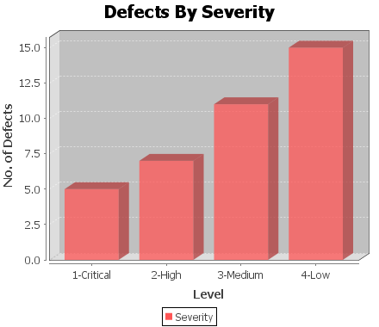
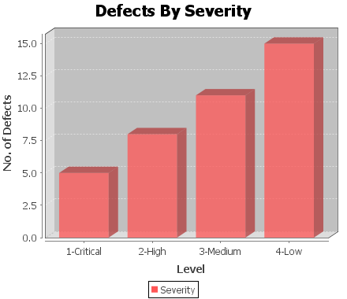
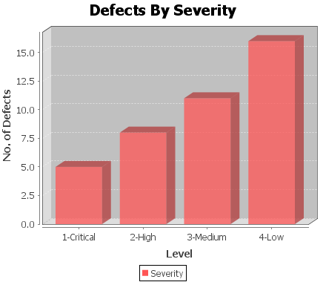
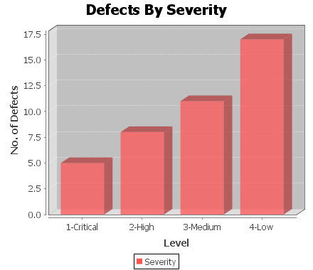

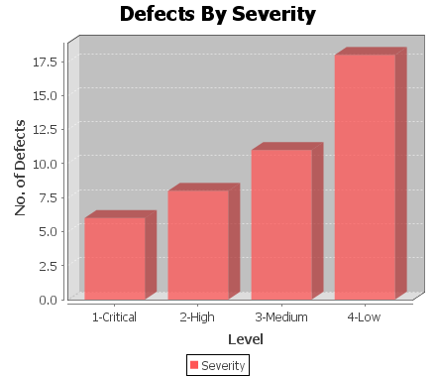

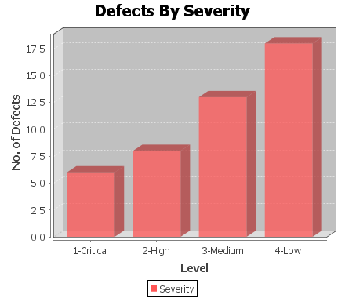


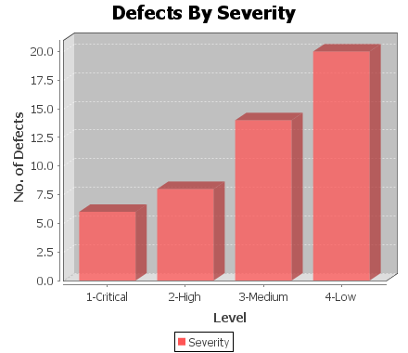
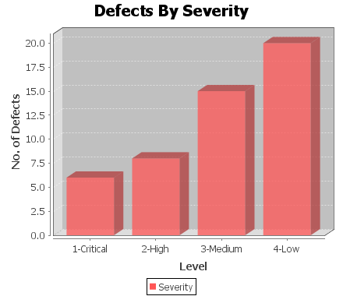
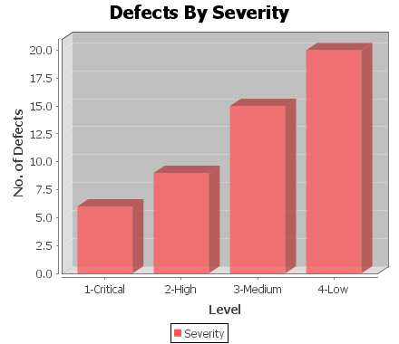
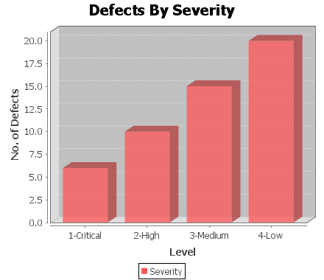
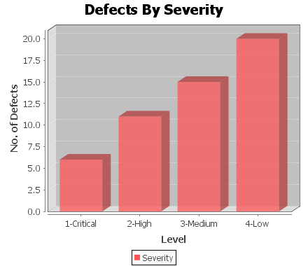
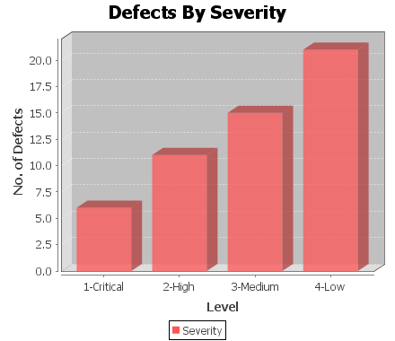
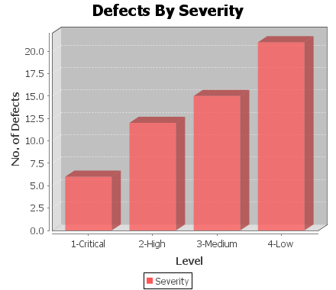









TC060 |  | Enter Alias last Name | Profile Information | Positive | Functional |  |  | enterById | txtaliaslastname | Nagaraj |  |  |  | Fail | 3 | 3 - Medium
TC061 |  | Click Next | Profile Information | Positive | Functional |  |  | clickById | step1next |  |  |  |  | Fail | 3 | 2 - High
TC062 |  | Enter Username | Profile Information | Positive | Functional |  |  | enterById | txtusername | karthi |  |  |  | Pass | 3 | 3 - Medium
TC063 |  | Click Save Changes. | Profile Information | Positive | Functional |  |  | clickByXpath | //*[@id='myModal']/div/div/div[3]/button[2] |  |  |  |  | Pass | 2 | 3 - Medium

