Sheet1
Bug ID | Description/Summary | Steps to Reproduce | Expected Result | Actual Result | Severity | Priority | Screenshot

BSTACK-BUG-1 | Not receiving warning and not blocking after 5 unsuccessful login attempts | 1. Click on 'Login' option 2. Enter invalid username into the 'Username' field - <Refer Test Data> 4. Enter invalid password into the 'Password' field - <Refer Test Data> 5. Click on 'Login' button 6. Repeat Step 5 for 4 more times (ER-1) | 1. Warning message with the text ' Warning: Your account has exceeded allowed number of login attempts. Please try again in 1 hour.' should be displayed for the 5th time of clicking the 'Login' button with the same invalid credentials | 1.Unlimited attempts to unsuccessful login | Minor | P2
BSTACK-BUG-2 | Text in password field is not toggled to hide its visibility | 1. Click on 'Login' option 2. Enter any text into the 'Password' field (ER-1) | 1.Text entered into the Password field should be toggled to hide its visibility (i.e. Instead of entered characters getting displayed, the Password field should show either * or . Symbols) | Text entered in the Password field is visible | Major | P1(Medium) | 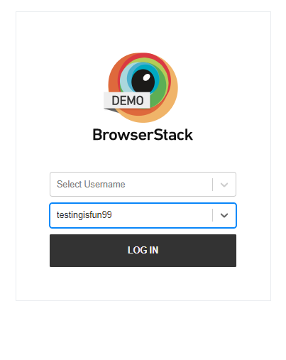
BSTACK-BUG-3 | Password text is visible in the Page source | 1. Click on 'Login' option 2. Enter any text into the 'Password' field 3. Inspect the Password text field (ER-1) 4. Click on 'Login' button and inspect the Password text field (ER-1) | 1. Password text should not be visible in the Page source | Password is visible in Page Source | Major | P0
BSTACK-BUG-4 | Session timeout is not working, user is logged in even after 30 minutes of inactivity in application | 1. Click on Login option 2. User is logged in | 1. User should get automatically logged out with a proper message stating your session got expired. | User not logged out and still logged in | Major | P1(Medium)
BSTACK-BUG-5 | Your wish list is empty.'is not displayed in empty Favourites page | 1. Click on 'Favourites' option 2. Check the displayed 'Favourites' page (Validate ER-1) 3. Click on 'Continue' button (Validate ER-2) | 1. Text - 'Your wish list is empty.' should be displayed | 1. No text was displayed | Minor | P2 | 

