overview
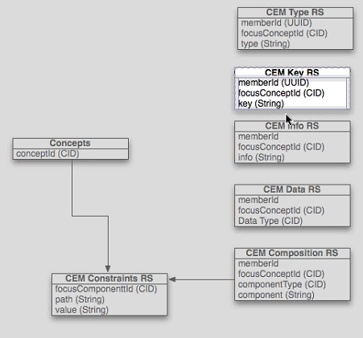
Concepts | CEM Type RS | CEM Data RS
ConceptID (CID) | memberID (CID) | memberID (CID)
 | focusConcept(CID) | focusConcept(CID)
 | type (string) | data type (CID)

 | CEM Key RS | CEM Composition RS
 | memberID (CID) | memberID (CID)
 | focusConcept(CID) | focusConcept(CID)
 | key (string) | componentType (CID)
 |  | component (string)
 | CEM Info RS
 | memberID (CID)
 | focusConcept(CID)
 | info (string)

 | CEM Constraints
 | focusComponentID (CD)
 | path (string)
 | value (string)

