source
Attribute Name | Attribute Type | Multiplicity | Default Value

DiastolicBloodPressureObservation
observedCharacteristic | Code |  | cs="LOINC" c="8462-4"
value | PhysicalQuantity

SystolicBloodPressureObservation
observedCharacteristic | Code |  | cs="LOINC" c="55284-4"
value | PhysicalQuantity

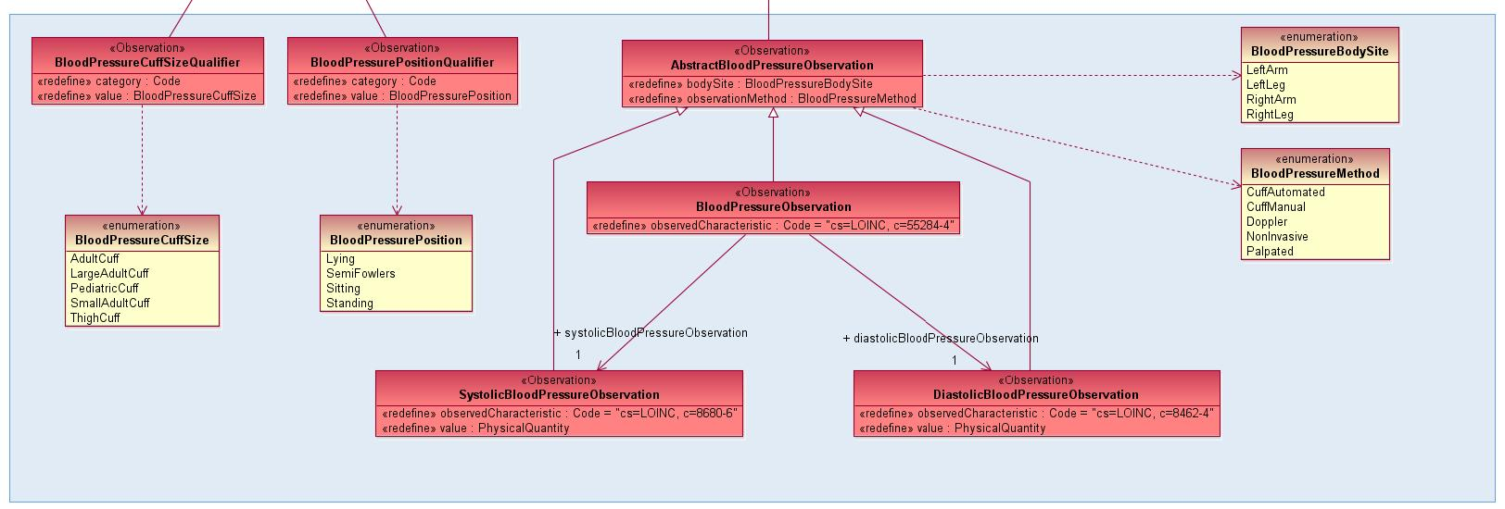
BloodPressureObservation
observedCharacteristic | Code |  | cs="LOINC" c="8680-6"
diastolicBloodPressureObservation | DiastolicBloodPressureObservation | 1
systolicBloodPressureObservation | SystolicBloodPressureObservation | 1

AbstractBloodPressureObservation
bodySite | BloodPressureBodySite | 0..1
observationMethod | BloodPressureMethod | 0..1

BloodPressureCuffSizeQualifier
category | Code
value | BloodPressureCuffSize | 0..1

BloodPressurePositionQualifier
category | Code
value | BloodPressurePosition | 0..1

BloodPressurePatientPosition
category | Code
value | PulsePosition | 0..1

