EOS-04_16, 1
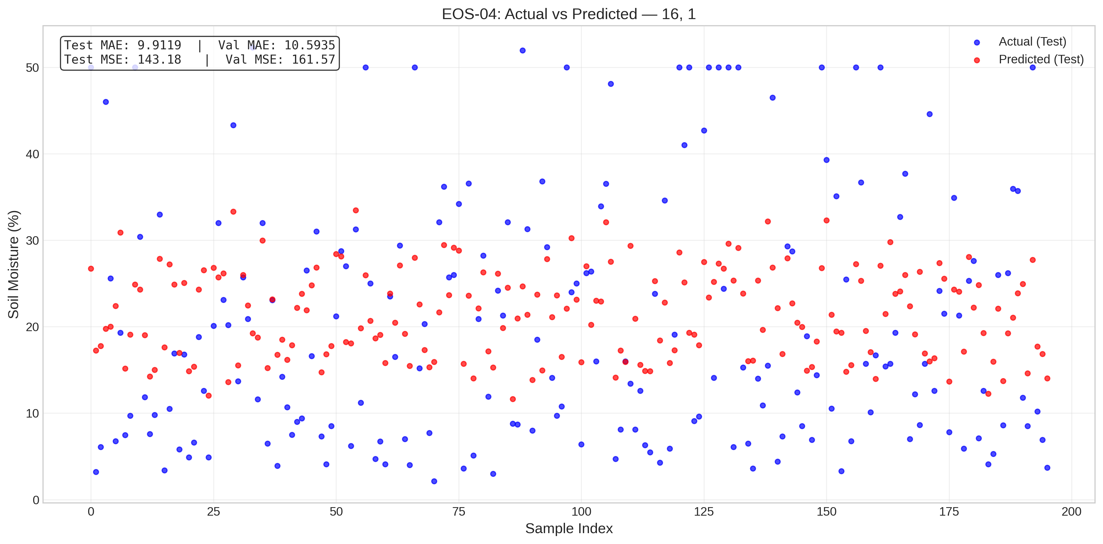
EOS-04_16, 1.png
Satellite | Model / Architecture | Experiment Type | Data Type | Input Features | Test Set (plot data)
EOS-04 | 16, 1 | ANN Regression — Censored | Censored | HH-pol, HV-pol, NDVI, DpRVI, Depolarization_Rate | ~195 samples (10% held-out split) Total dataset: 1953 rows Train 1562 · Val 196 · Test 195
Plot generated from the test split of EOS-04 processed CSV (80% train · 10% val · 10% test). Each point represents one field measurement.

EOS-04_16, Dropout, 8, Dropout
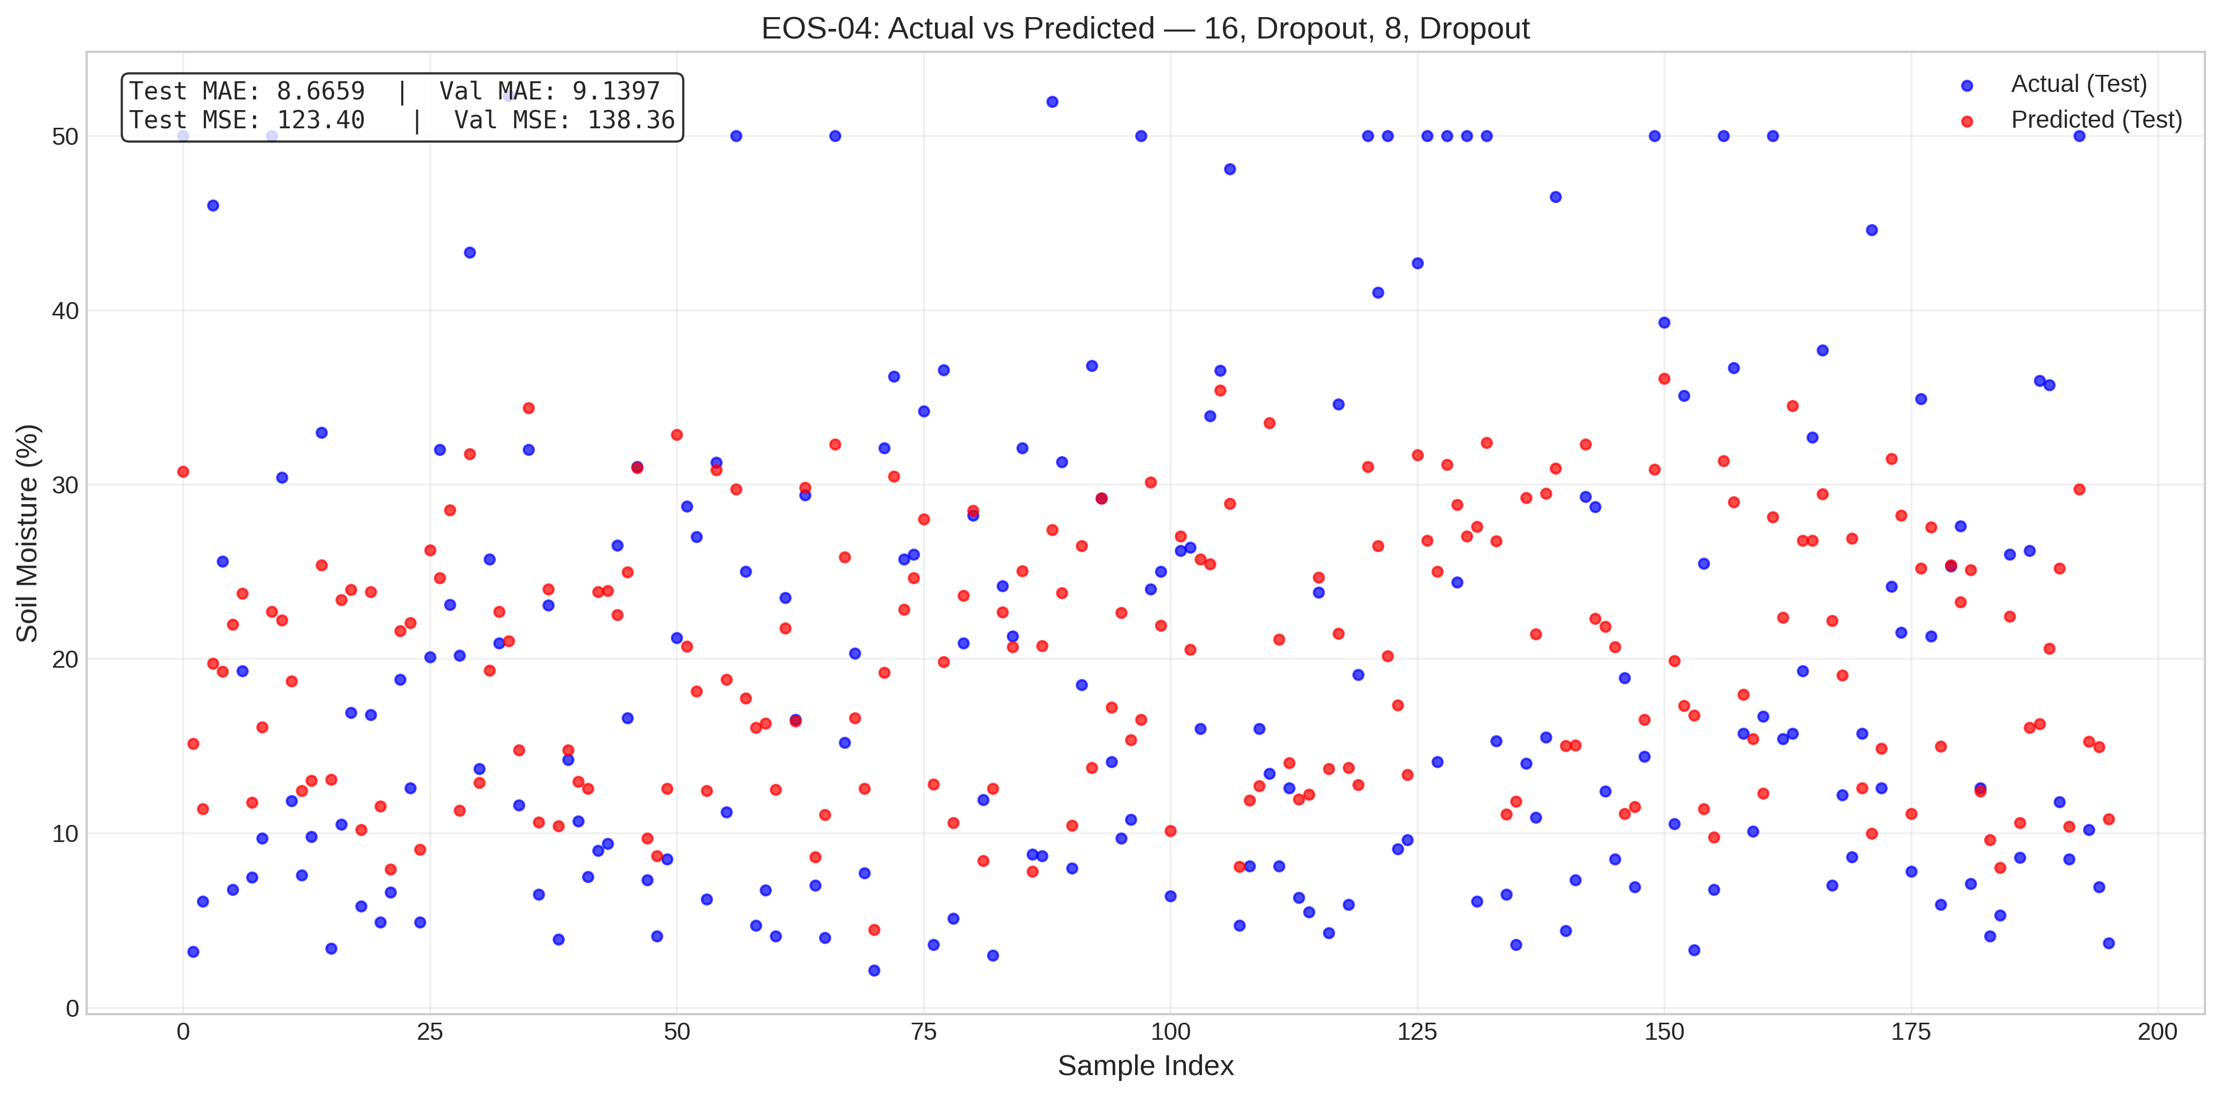
EOS-04_16, Dropout, 8, Dropout.png
Satellite | Model / Architecture | Experiment Type | Data Type | Input Features | Test Set (plot data)
EOS-04 | 16, Dropout, 8, Dropout | ANN Regression — Censored | Censored | HH-pol, HV-pol, NDVI, DpRVI, Depolarization_Rate | ~195 samples (10% held-out split) Total dataset: 1953 rows Train 1562 · Val 196 · Test 195
Plot generated from the test split of EOS-04 processed CSV (80% train · 10% val · 10% test). Each point represents one field measurement.

EOS-04_16, Dropout
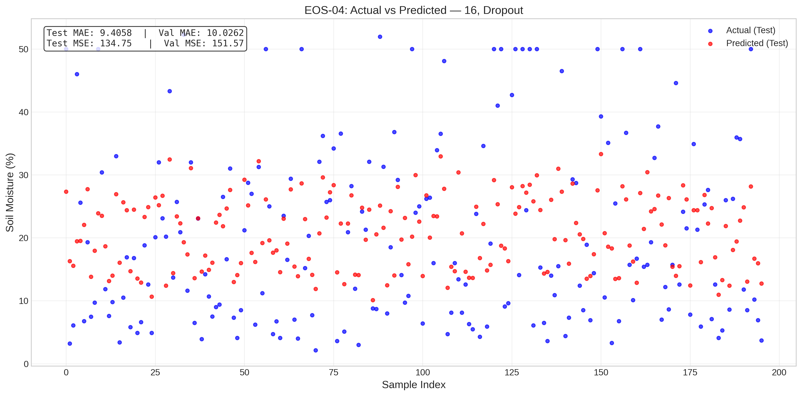
EOS-04_16, Dropout.png
Satellite | Model / Architecture | Experiment Type | Data Type | Input Features | Test Set (plot data)
EOS-04 | 16, Dropout | ANN Regression — Censored | Censored | HH-pol, HV-pol, NDVI, DpRVI, Depolarization_Rate | ~195 samples (10% held-out split) Total dataset: 1953 rows Train 1562 · Val 196 · Test 195
Plot generated from the test split of EOS-04 processed CSV (80% train · 10% val · 10% test). Each point represents one field measurement.

EOS-04_2, 1
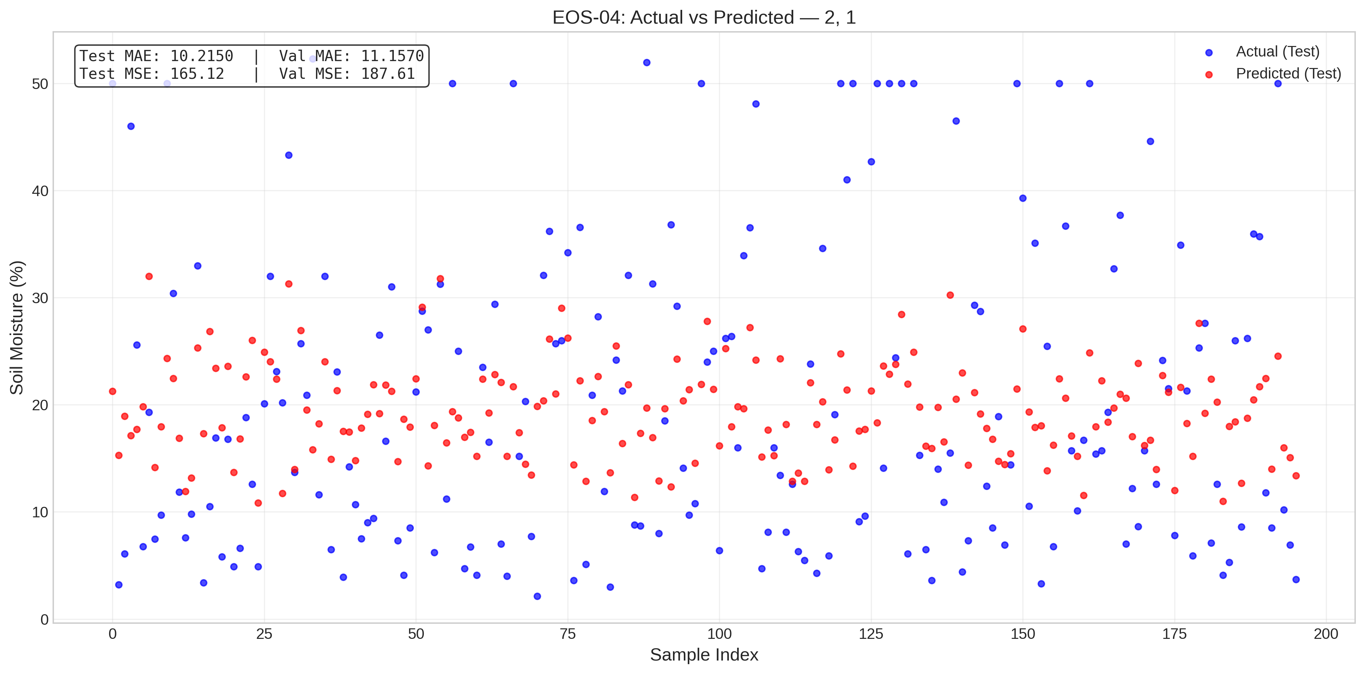
EOS-04_2, 1.png
Satellite | Model / Architecture | Experiment Type | Data Type | Input Features | Test Set (plot data)
EOS-04 | 2, 1 | ANN Regression — Censored | Censored | HH-pol, HV-pol, NDVI, DpRVI, Depolarization_Rate | ~195 samples (10% held-out split) Total dataset: 1953 rows Train 1562 · Val 196 · Test 195
Plot generated from the test split of EOS-04 processed CSV (80% train · 10% val · 10% test). Each point represents one field measurement.

EOS-04_4, 1
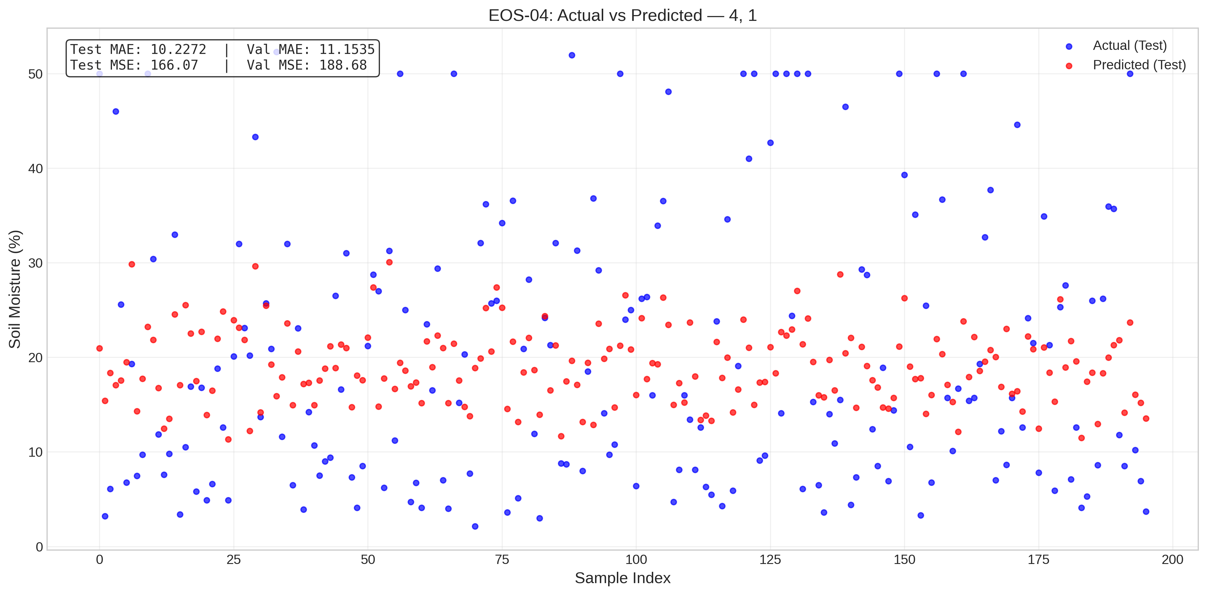
EOS-04_4, 1.png
Satellite | Model / Architecture | Experiment Type | Data Type | Input Features | Test Set (plot data)
EOS-04 | 4, 1 | ANN Regression — Censored | Censored | HH-pol, HV-pol, NDVI, DpRVI, Depolarization_Rate | ~195 samples (10% held-out split) Total dataset: 1953 rows Train 1562 · Val 196 · Test 195
Plot generated from the test split of EOS-04 processed CSV (80% train · 10% val · 10% test). Each point represents one field measurement.

EOS-04_8, 1

EOS-04_8, 1.png
Satellite | Model / Architecture | Experiment Type | Data Type | Input Features | Test Set (plot data)
EOS-04 | 8, 1 | ANN Regression — Censored | Censored | HH-pol, HV-pol, NDVI, DpRVI, Depolarization_Rate | ~195 samples (10% held-out split) Total dataset: 1953 rows Train 1562 · Val 196 · Test 195
Plot generated from the test split of EOS-04 processed CSV (80% train · 10% val · 10% test). Each point represents one field measurement.

EOS-04_8, 4, 2, 1
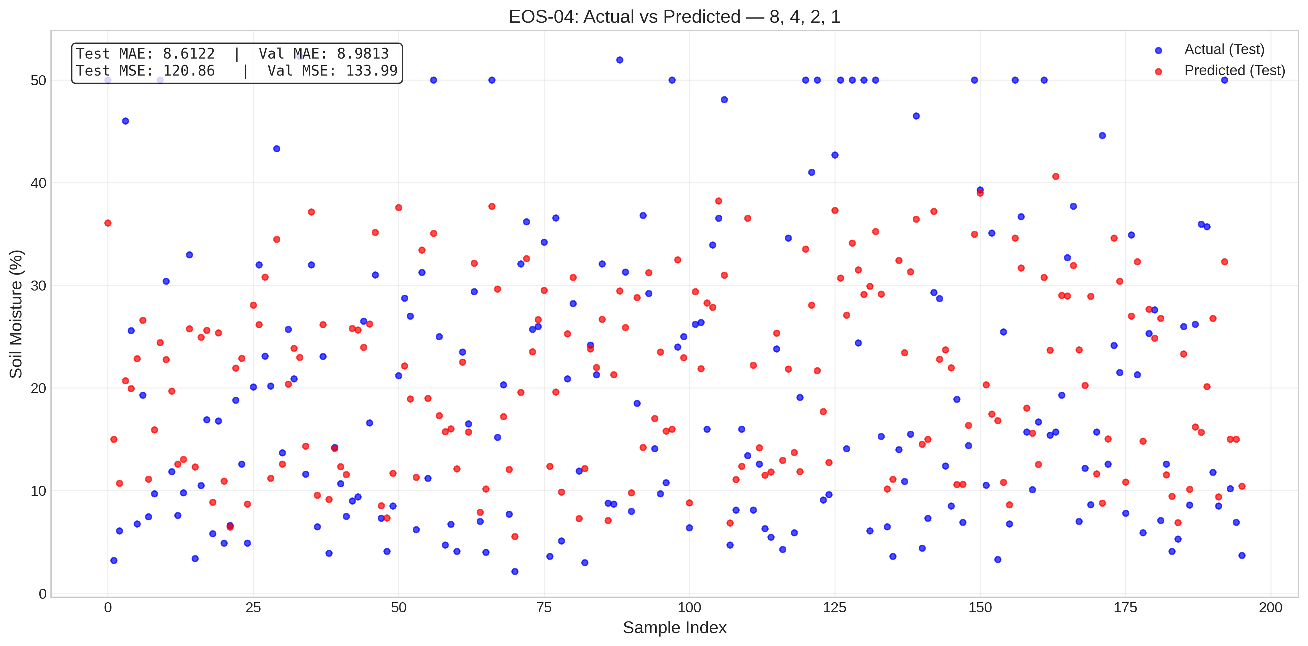
EOS-04_8, 4, 2, 1.png
Satellite | Model / Architecture | Experiment Type | Data Type | Input Features | Test Set (plot data)
EOS-04 | 8, 4, 2, 1 | ANN Regression — Censored | Censored | HH-pol, HV-pol, NDVI, DpRVI, Depolarization_Rate | ~195 samples (10% held-out split) Total dataset: 1953 rows Train 1562 · Val 196 · Test 195
Plot generated from the test split of EOS-04 processed CSV (80% train · 10% val · 10% test). Each point represents one field measurement.

Sentinel-1_16, 1
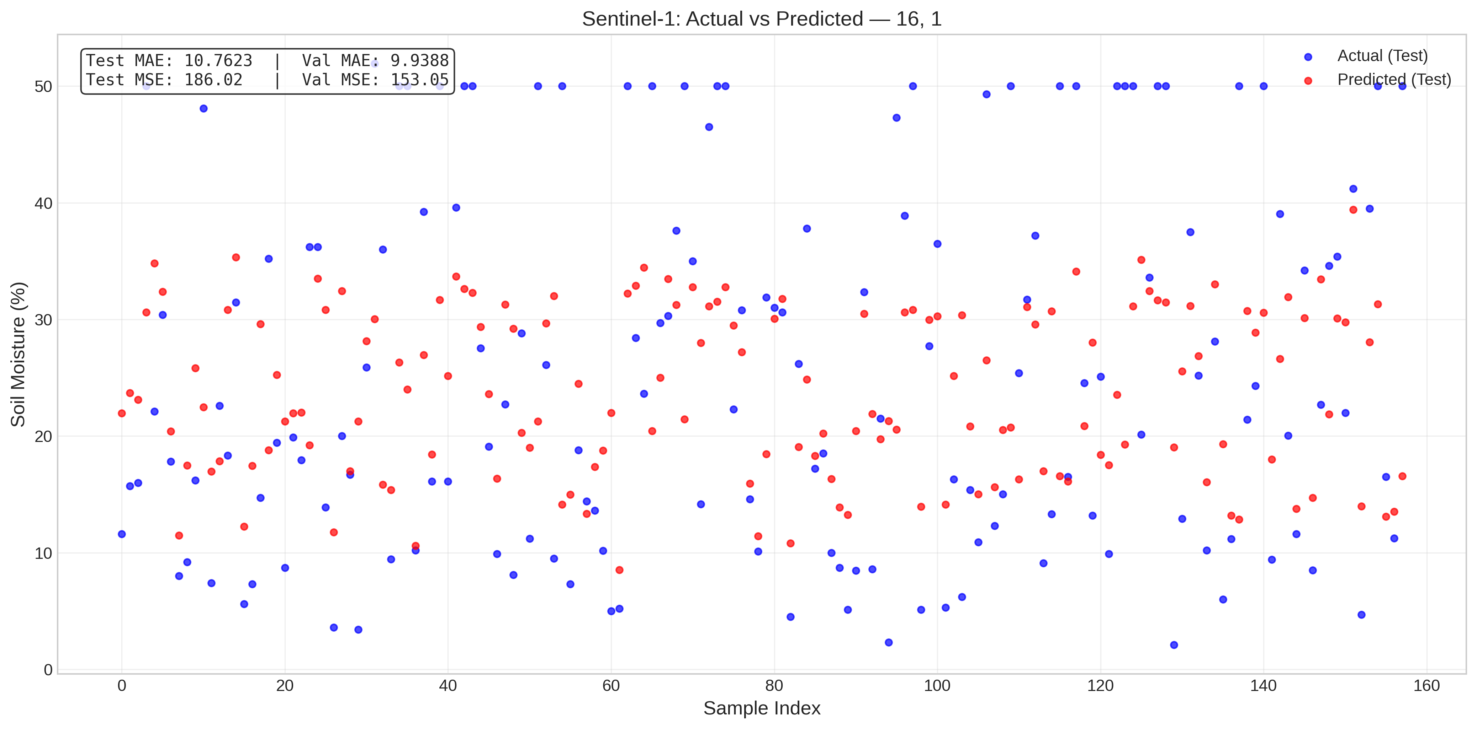
Sentinel-1_16, 1.png
Satellite | Model / Architecture | Experiment Type | Data Type | Input Features | Test Set (plot data)
Sentinel-1 | 16, 1 | ANN Regression — Censored | Censored | VH-pol, VV-pol, NDVI, DpRVI, Depolarization_Rate | ~158 samples (10% held-out split) Total dataset: 1575 rows Train 1260 · Val 157 · Test 158
Plot generated from the test split of Sentinel-1 processed CSV (80% train · 10% val · 10% test). Each point represents one field measurement.

Sentinel-1_16, Dropout, 8, Drop
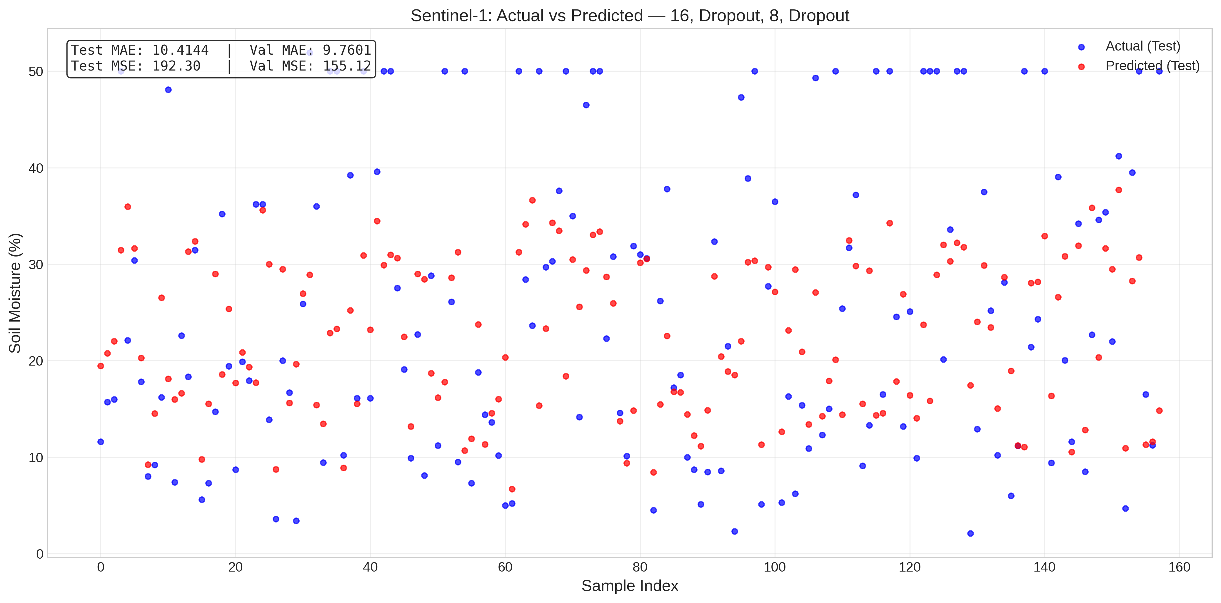
Sentinel-1_16, Dropout, 8, Dropout.png
Satellite | Model / Architecture | Experiment Type | Data Type | Input Features | Test Set (plot data)
Sentinel-1 | 16, Dropout, 8, Dropout | ANN Regression — Censored | Censored | VH-pol, VV-pol, NDVI, DpRVI, Depolarization_Rate | ~158 samples (10% held-out split) Total dataset: 1575 rows Train 1260 · Val 157 · Test 158
Plot generated from the test split of Sentinel-1 processed CSV (80% train · 10% val · 10% test). Each point represents one field measurement.

Sentinel-1_16, Dropout
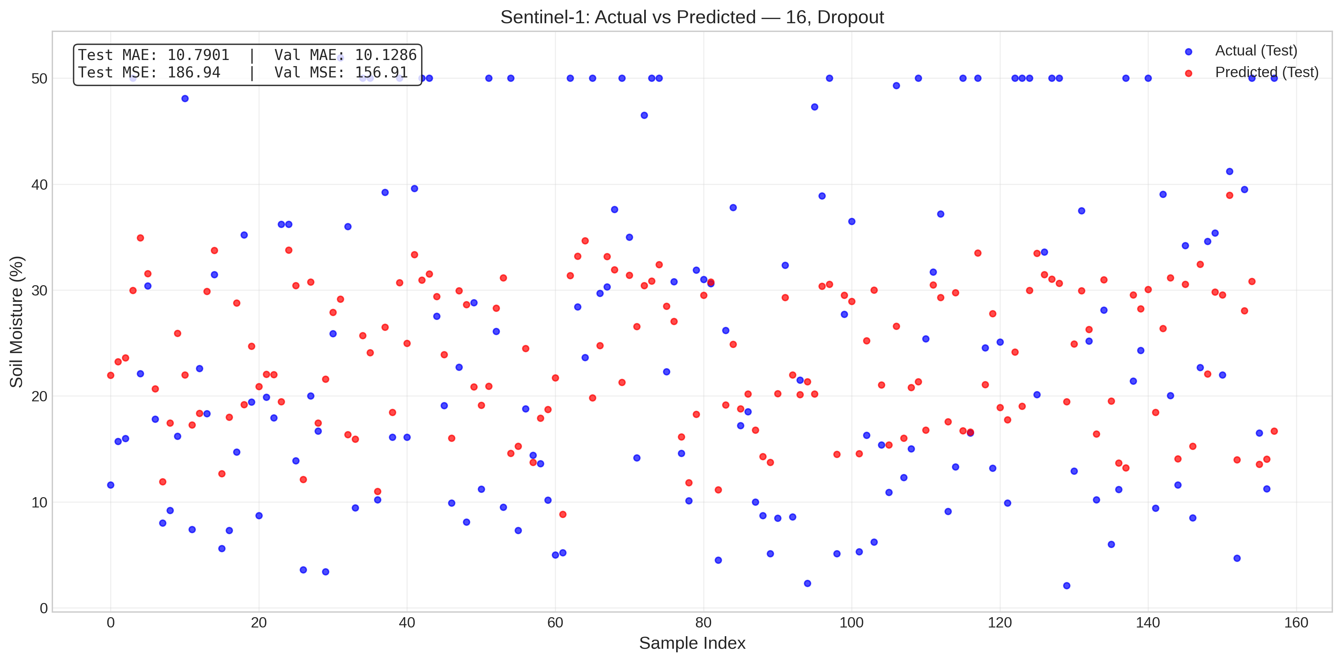
Sentinel-1_16, Dropout.png
Satellite | Model / Architecture | Experiment Type | Data Type | Input Features | Test Set (plot data)
Sentinel-1 | 16, Dropout | ANN Regression — Censored | Censored | VH-pol, VV-pol, NDVI, DpRVI, Depolarization_Rate | ~158 samples (10% held-out split) Total dataset: 1575 rows Train 1260 · Val 157 · Test 158
Plot generated from the test split of Sentinel-1 processed CSV (80% train · 10% val · 10% test). Each point represents one field measurement.

Sentinel-1_2, 1
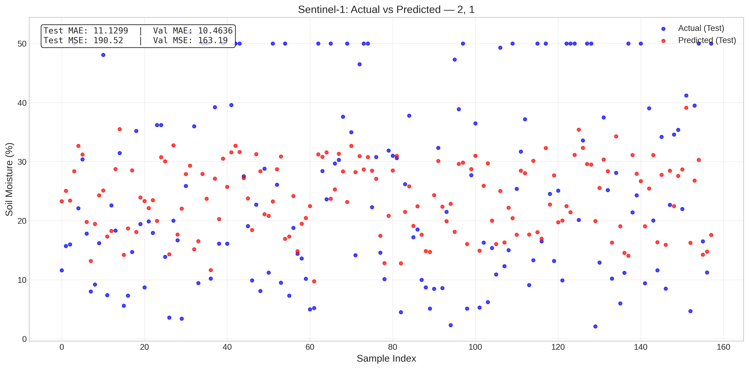
Sentinel-1_2, 1.png
Satellite | Model / Architecture | Experiment Type | Data Type | Input Features | Test Set (plot data)
Sentinel-1 | 2, 1 | ANN Regression — Censored | Censored | VH-pol, VV-pol, NDVI, DpRVI, Depolarization_Rate | ~158 samples (10% held-out split) Total dataset: 1575 rows Train 1260 · Val 157 · Test 158
Plot generated from the test split of Sentinel-1 processed CSV (80% train · 10% val · 10% test). Each point represents one field measurement.

Sentinel-1_4, 1

Sentinel-1_4, 1.png
Satellite | Model / Architecture | Experiment Type | Data Type | Input Features | Test Set (plot data)
Sentinel-1 | 4, 1 | ANN Regression — Censored | Censored | VH-pol, VV-pol, NDVI, DpRVI, Depolarization_Rate | ~158 samples (10% held-out split) Total dataset: 1575 rows Train 1260 · Val 157 · Test 158
Plot generated from the test split of Sentinel-1 processed CSV (80% train · 10% val · 10% test). Each point represents one field measurement.

Sentinel-1_8, 1
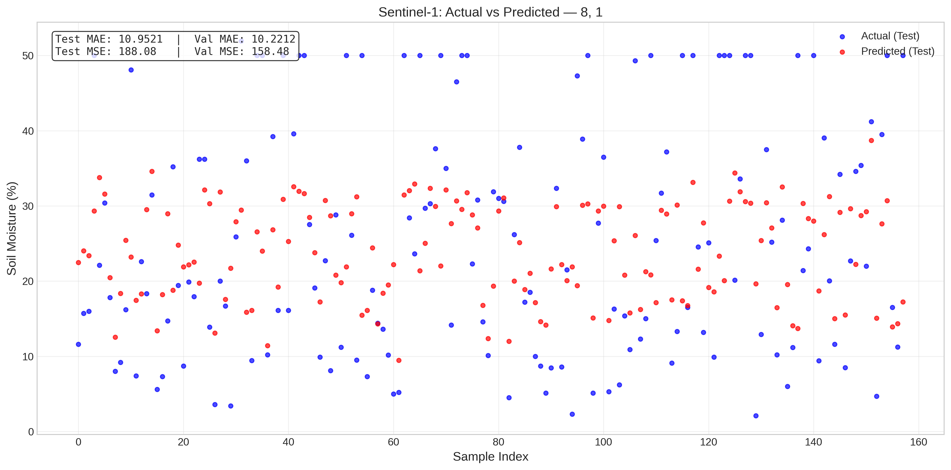
Sentinel-1_8, 1.png
Satellite | Model / Architecture | Experiment Type | Data Type | Input Features | Test Set (plot data)
Sentinel-1 | 8, 1 | ANN Regression — Censored | Censored | VH-pol, VV-pol, NDVI, DpRVI, Depolarization_Rate | ~158 samples (10% held-out split) Total dataset: 1575 rows Train 1260 · Val 157 · Test 158
Plot generated from the test split of Sentinel-1 processed CSV (80% train · 10% val · 10% test). Each point represents one field measurement.

Sentinel-1_8, 4, 2, 1
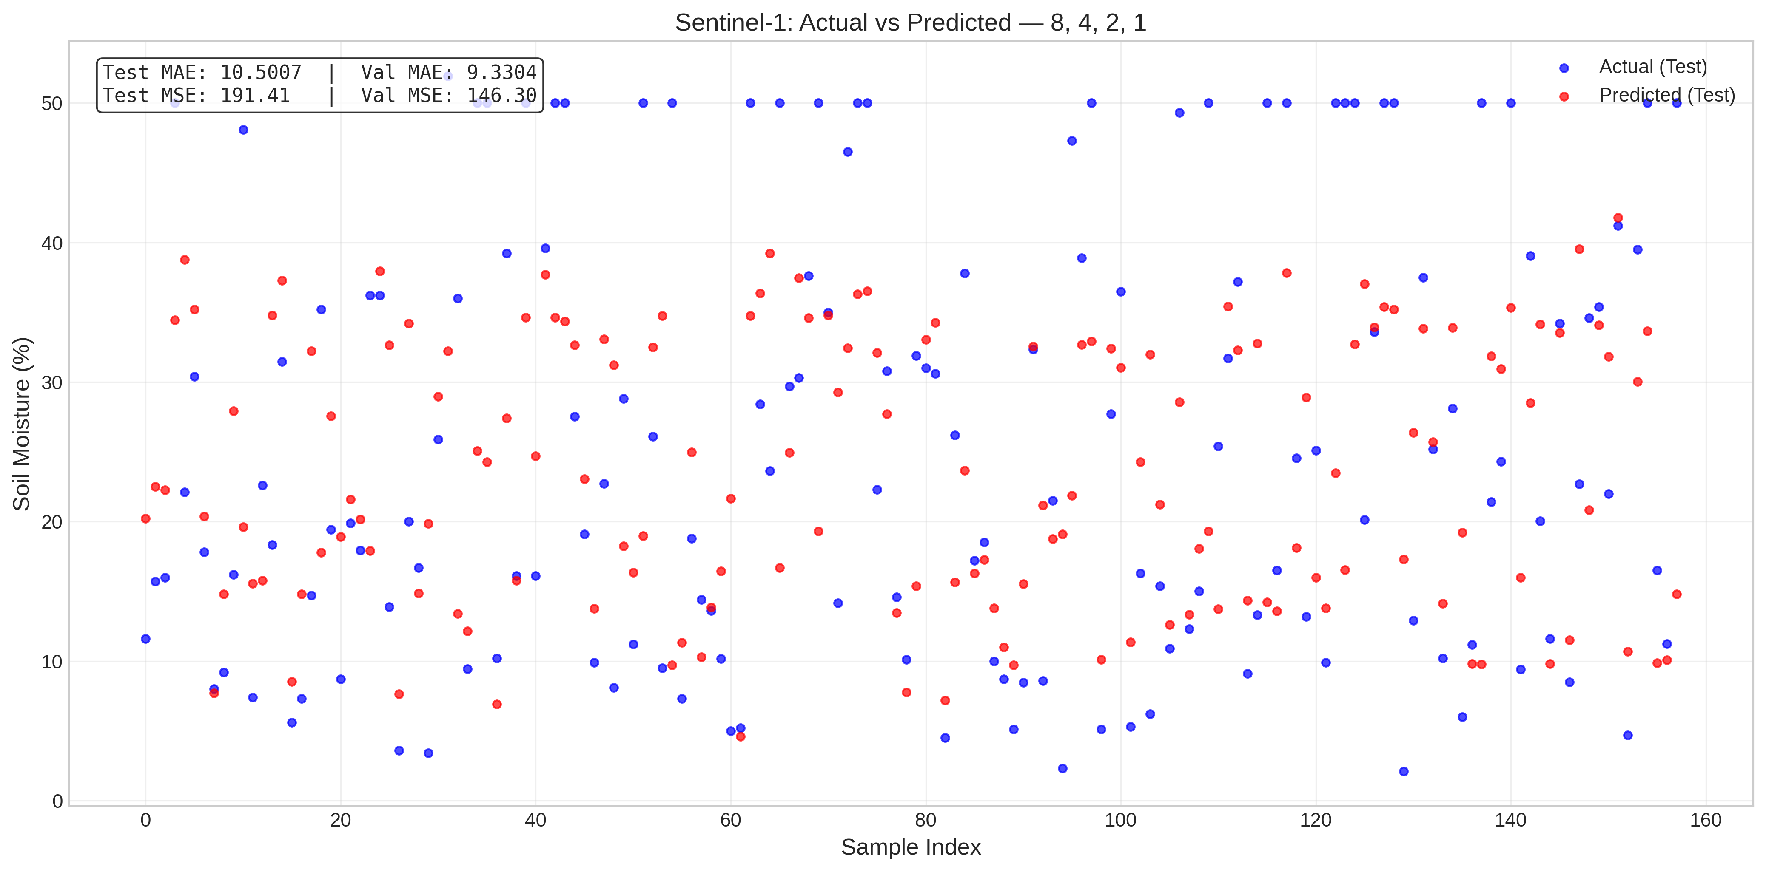
Sentinel-1_8, 4, 2, 1.png
Satellite | Model / Architecture | Experiment Type | Data Type | Input Features | Test Set (plot data)
Sentinel-1 | 8, 4, 2, 1 | ANN Regression — Censored | Censored | VH-pol, VV-pol, NDVI, DpRVI, Depolarization_Rate | ~158 samples (10% held-out split) Total dataset: 1575 rows Train 1260 · Val 157 · Test 158
Plot generated from the test split of Sentinel-1 processed CSV (80% train · 10% val · 10% test). Each point represents one field measurement.

