EOS-04_ada_confusion_matrix
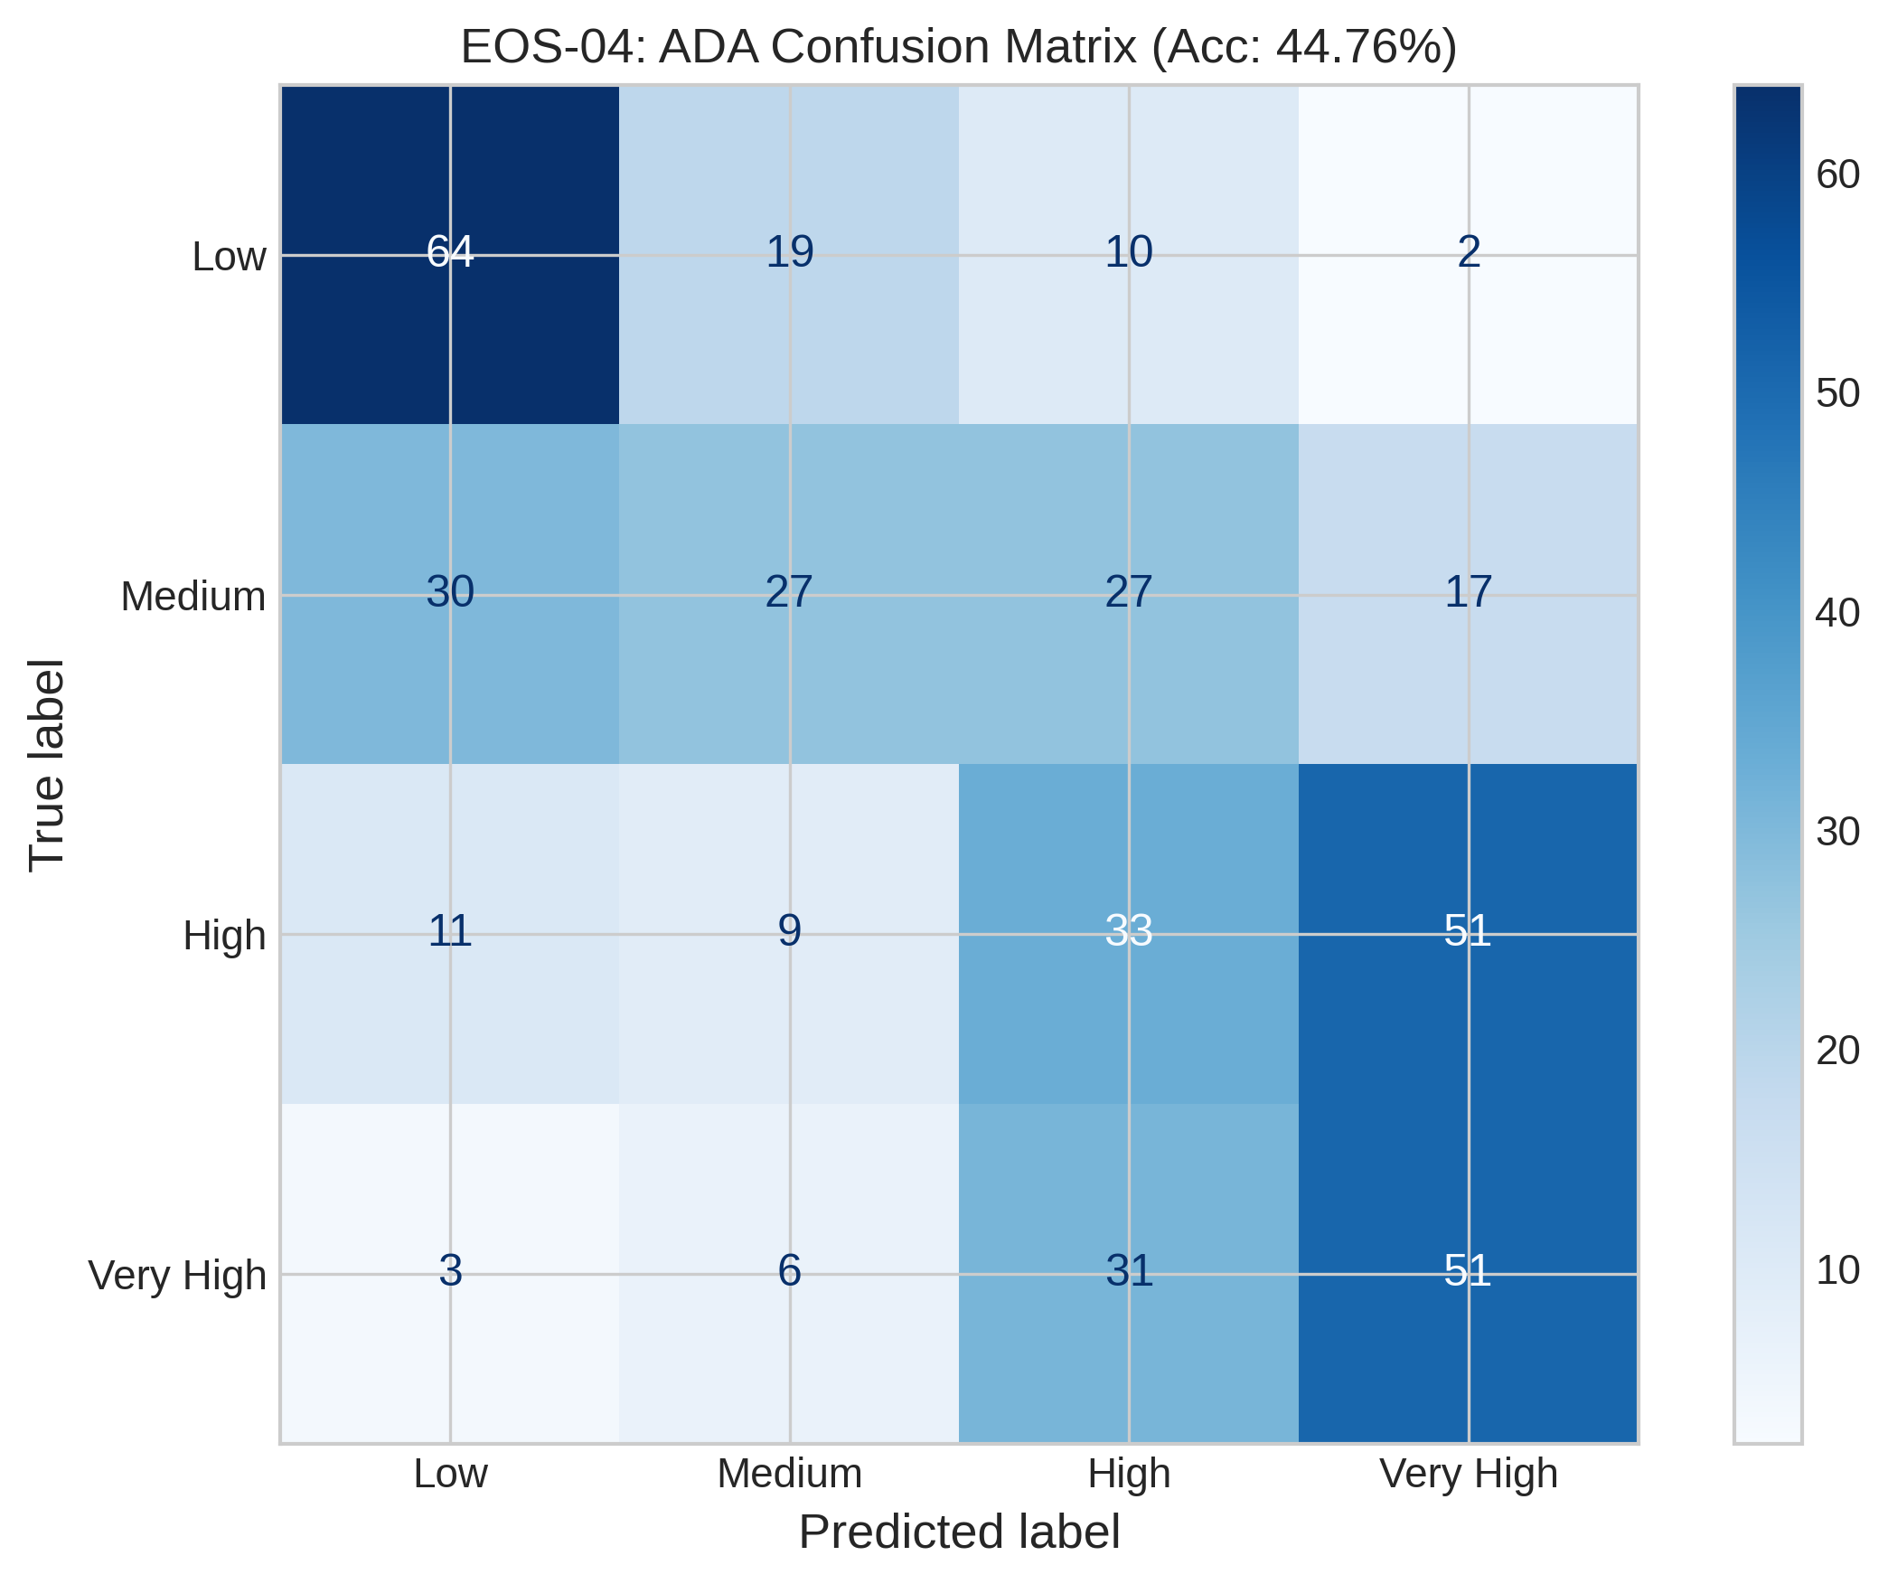
EOS-04_ada_confusion_matrix.png
Satellite | Model / Architecture | Experiment Type | Data Type | Input Features | Test Set (plot data)
EOS-04 | ada_confusion_matrix | 4-class Classification — Censored | Censored | HH-pol, HV-pol, NDVI, DpRVI, Depolarization_Rate | ~195 samples (10% held-out split) Total dataset: 1953 rows Train 1562 · Val 196 · Test 195
Plot generated from the test split of EOS-04 processed CSV (80% train · 10% val · 10% test). Each point represents one field measurement.

EOS-04_rf_confusion_matrix
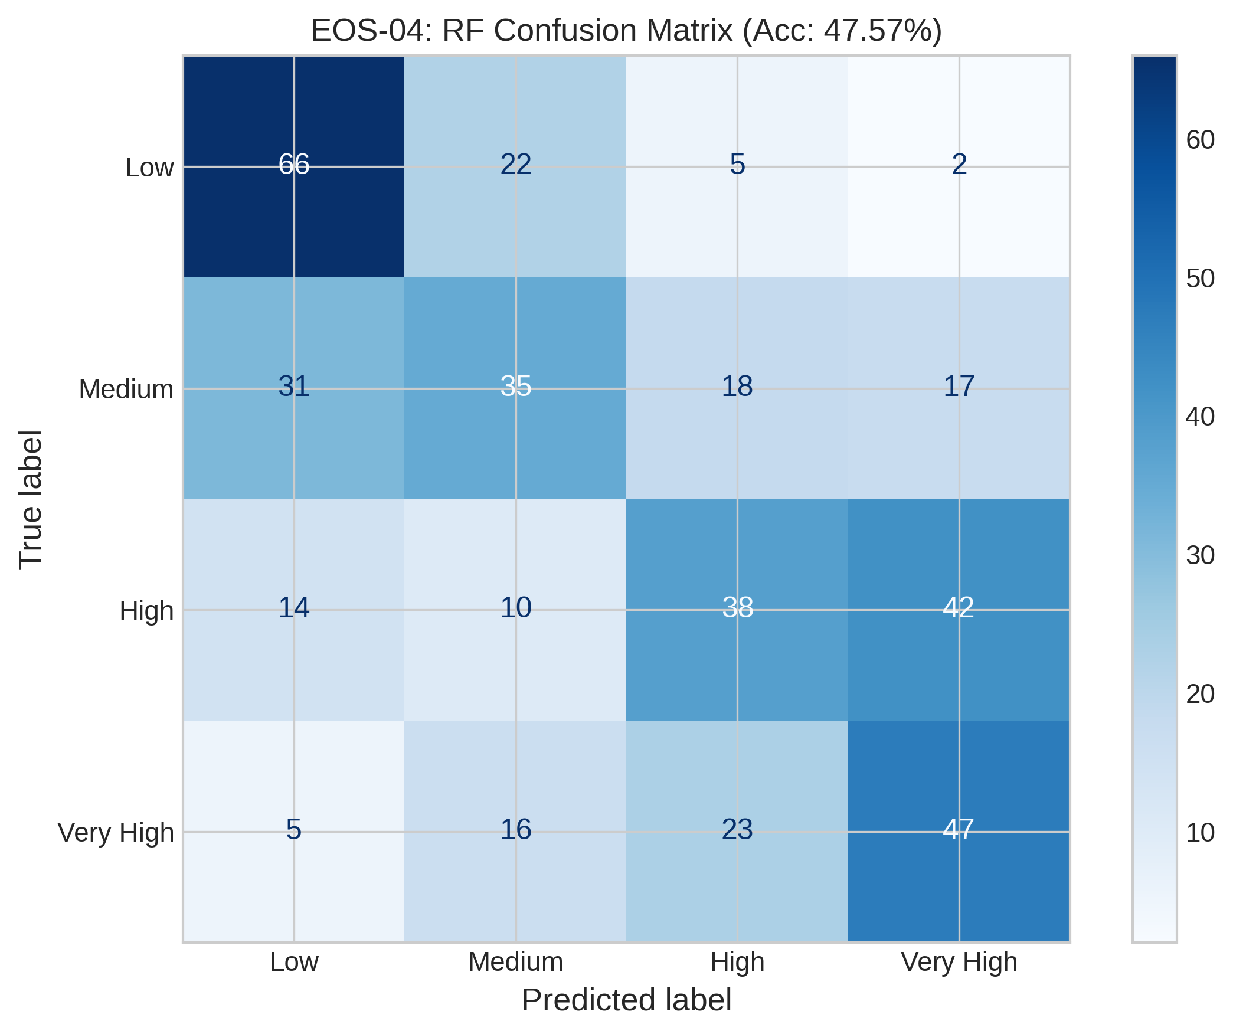
EOS-04_rf_confusion_matrix.png
Satellite | Model / Architecture | Experiment Type | Data Type | Input Features | Test Set (plot data)
EOS-04 | rf_confusion_matrix | 4-class Classification — Censored | Censored | HH-pol, HV-pol, NDVI, DpRVI, Depolarization_Rate | ~195 samples (10% held-out split) Total dataset: 1953 rows Train 1562 · Val 196 · Test 195
Plot generated from the test split of EOS-04 processed CSV (80% train · 10% val · 10% test). Each point represents one field measurement.

EOS-04_svc_confusion_matrix
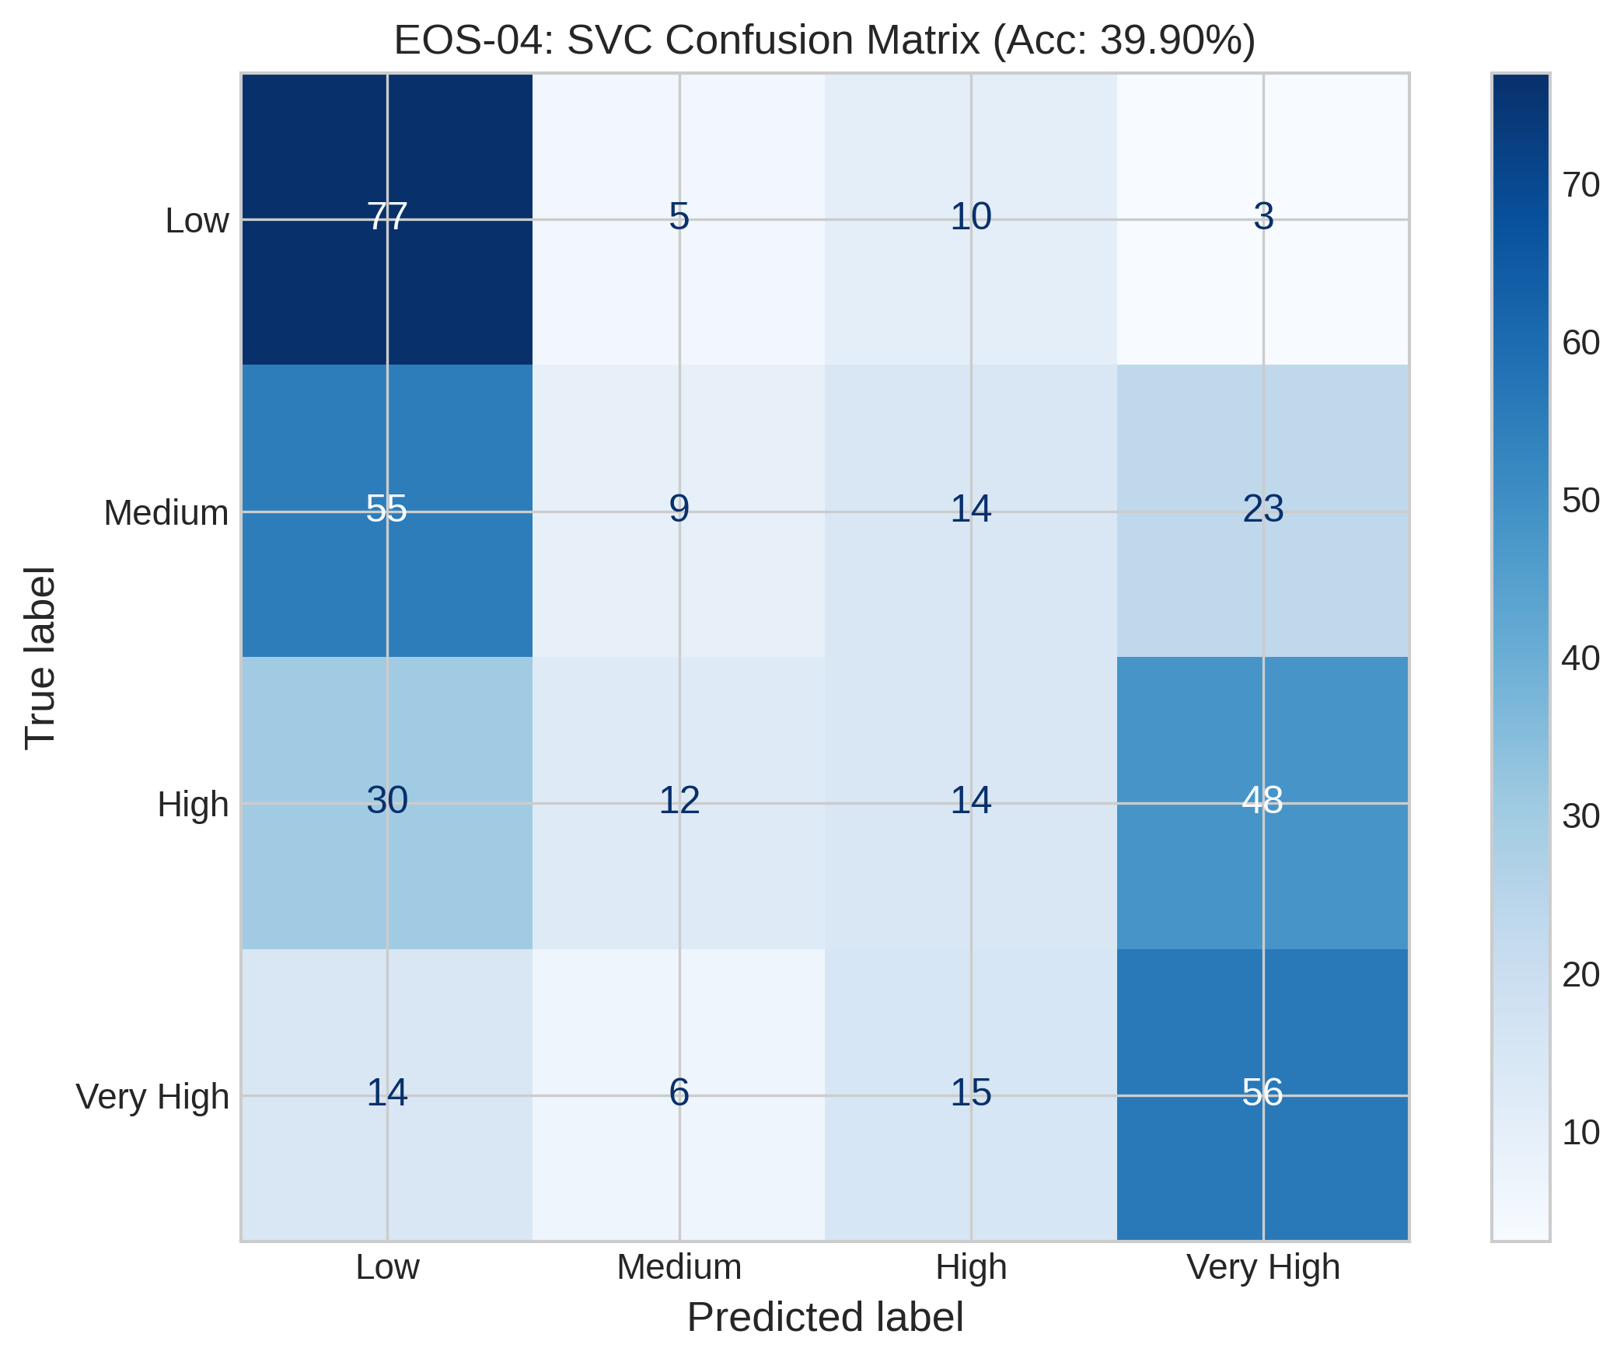
EOS-04_svc_confusion_matrix.png
Satellite | Model / Architecture | Experiment Type | Data Type | Input Features | Test Set (plot data)
EOS-04 | svc_confusion_matrix | 4-class Classification — Censored | Censored | HH-pol, HV-pol, NDVI, DpRVI, Depolarization_Rate | ~195 samples (10% held-out split) Total dataset: 1953 rows Train 1562 · Val 196 · Test 195
Plot generated from the test split of EOS-04 processed CSV (80% train · 10% val · 10% test). Each point represents one field measurement.

EOS-04_xgb_confusion_matrix
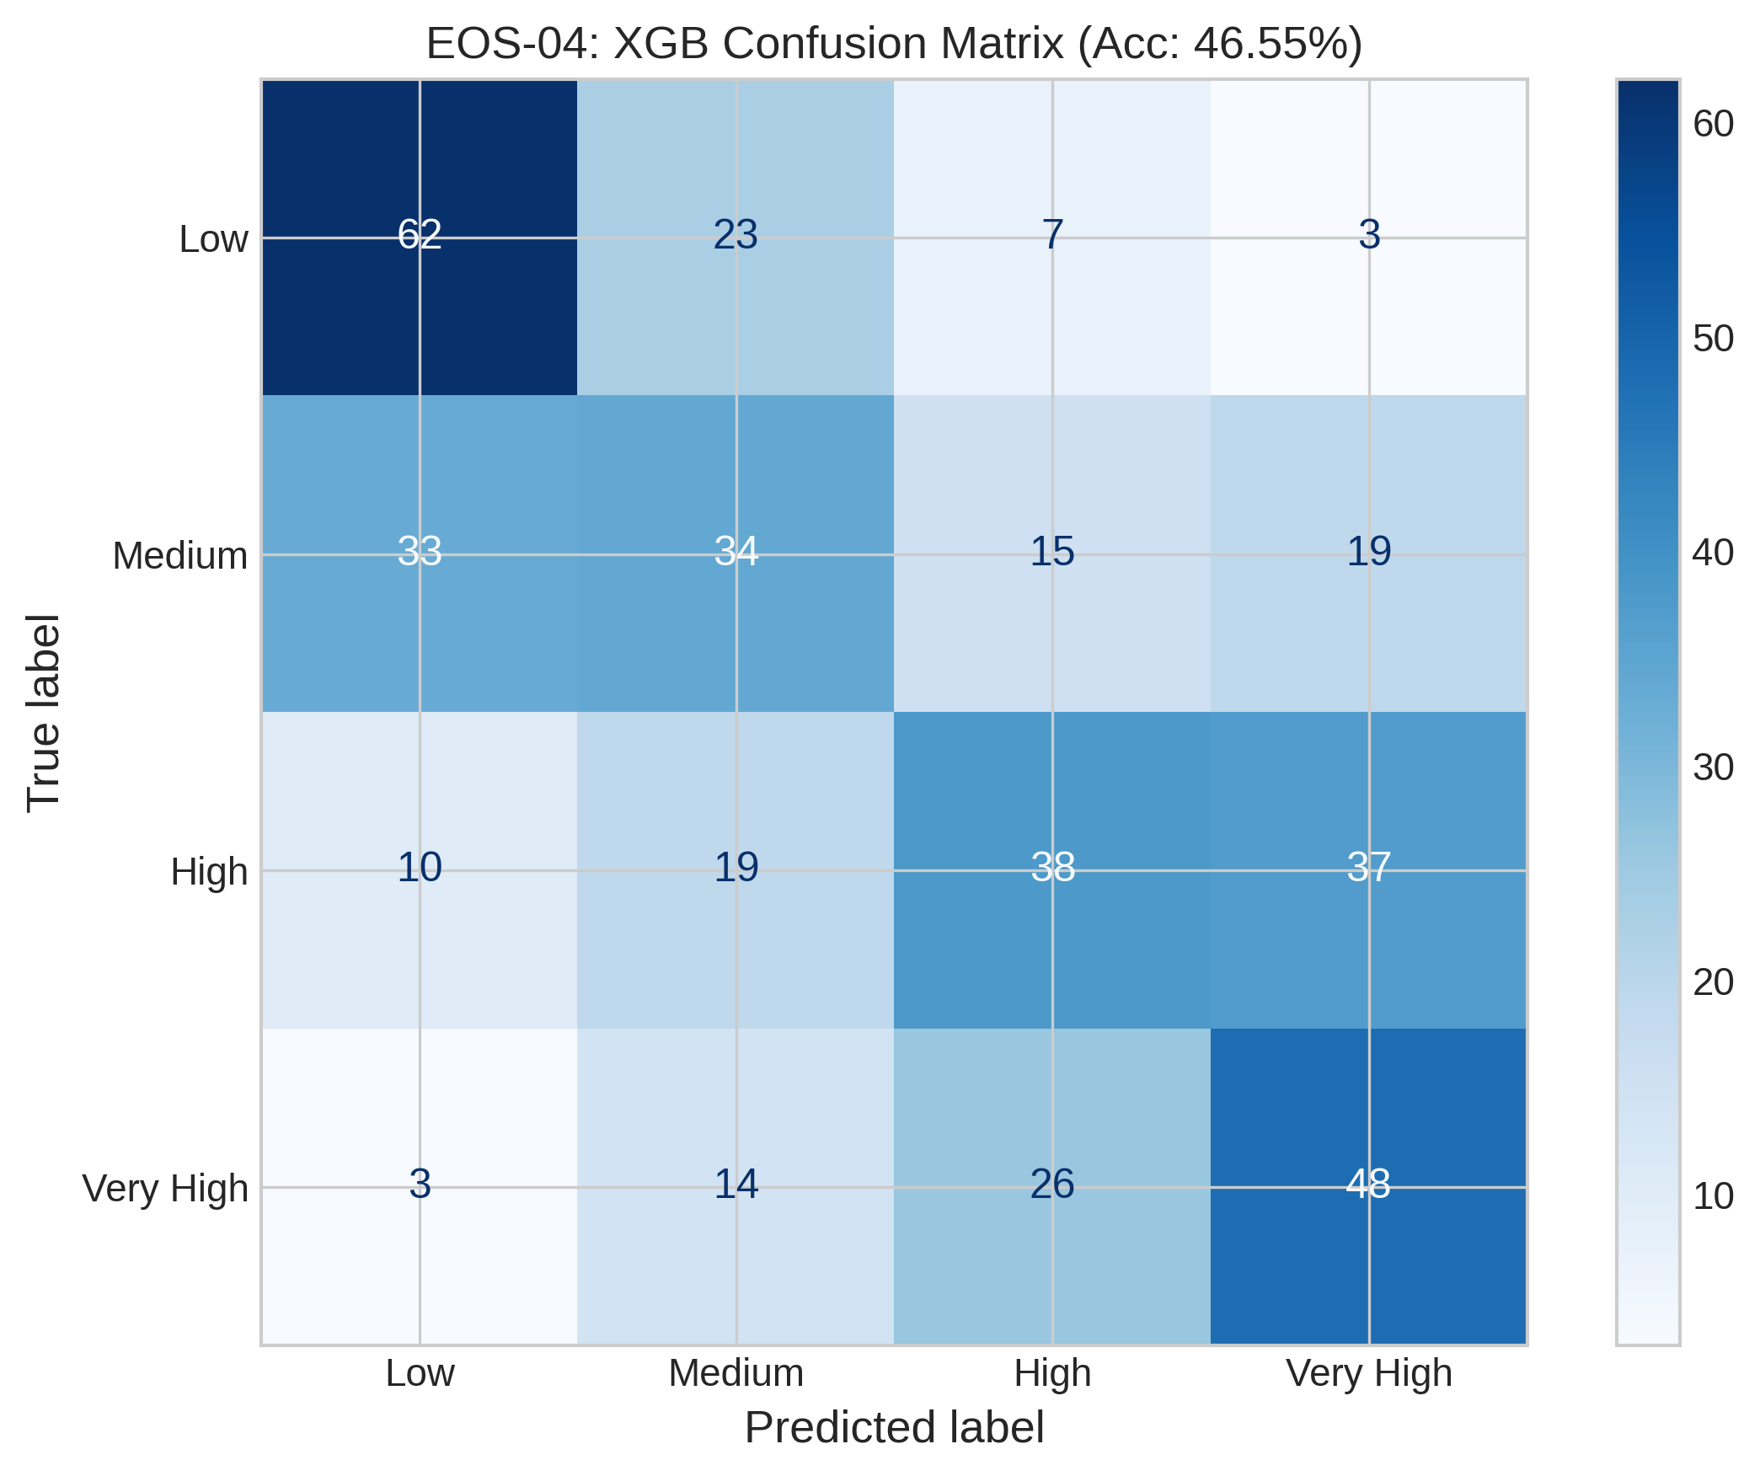
EOS-04_xgb_confusion_matrix.png
Satellite | Model / Architecture | Experiment Type | Data Type | Input Features | Test Set (plot data)
EOS-04 | xgb_confusion_matrix | 4-class Classification — Censored | Censored | HH-pol, HV-pol, NDVI, DpRVI, Depolarization_Rate | ~195 samples (10% held-out split) Total dataset: 1953 rows Train 1562 · Val 196 · Test 195
Plot generated from the test split of EOS-04 processed CSV (80% train · 10% val · 10% test). Each point represents one field measurement.

Sentinel-1_ada_confusion_matrix
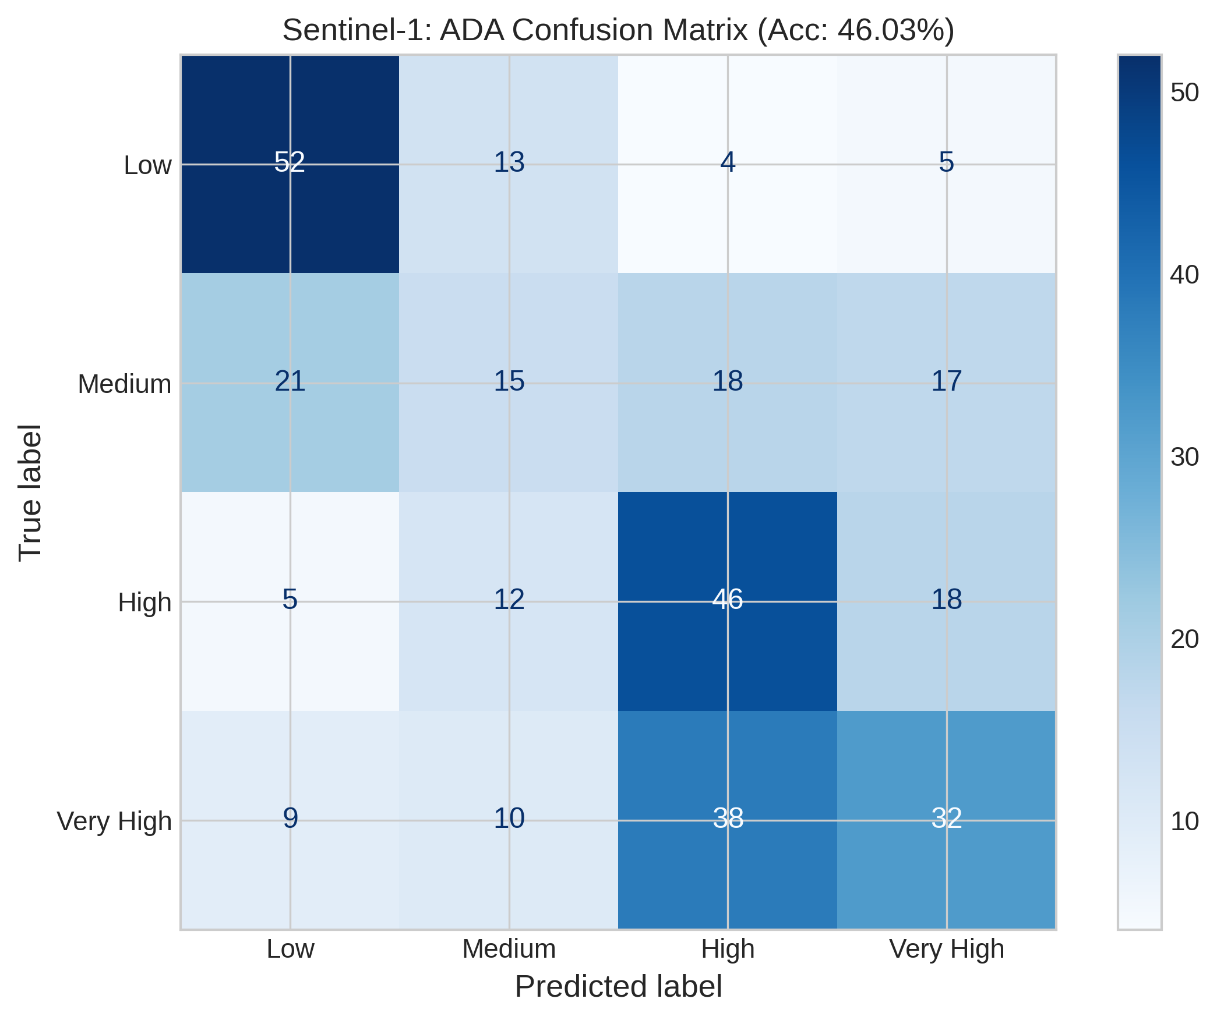
Sentinel-1_ada_confusion_matrix.png
Satellite | Model / Architecture | Experiment Type | Data Type | Input Features | Test Set (plot data)
Sentinel-1 | ada_confusion_matrix | 4-class Classification — Censored | Censored | VH-pol, VV-pol, NDVI, DpRVI, Depolarization_Rate | ~158 samples (10% held-out split) Total dataset: 1575 rows Train 1260 · Val 157 · Test 158
Plot generated from the test split of Sentinel-1 processed CSV (80% train · 10% val · 10% test). Each point represents one field measurement.

Sentinel-1_rf_confusion_matrix
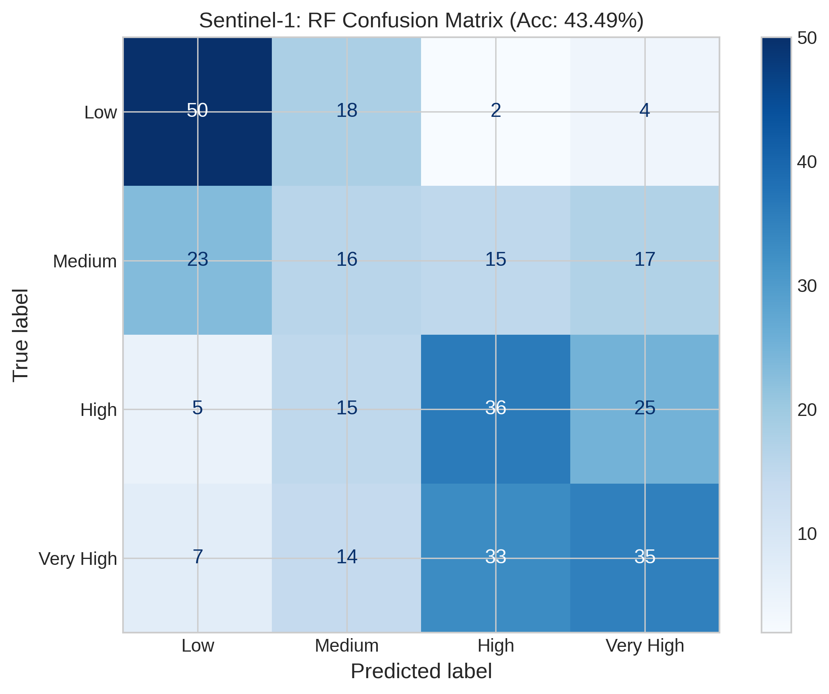
Sentinel-1_rf_confusion_matrix.png
Satellite | Model / Architecture | Experiment Type | Data Type | Input Features | Test Set (plot data)
Sentinel-1 | rf_confusion_matrix | 4-class Classification — Censored | Censored | VH-pol, VV-pol, NDVI, DpRVI, Depolarization_Rate | ~158 samples (10% held-out split) Total dataset: 1575 rows Train 1260 · Val 157 · Test 158
Plot generated from the test split of Sentinel-1 processed CSV (80% train · 10% val · 10% test). Each point represents one field measurement.

Sentinel-1_svc_confusion_matrix
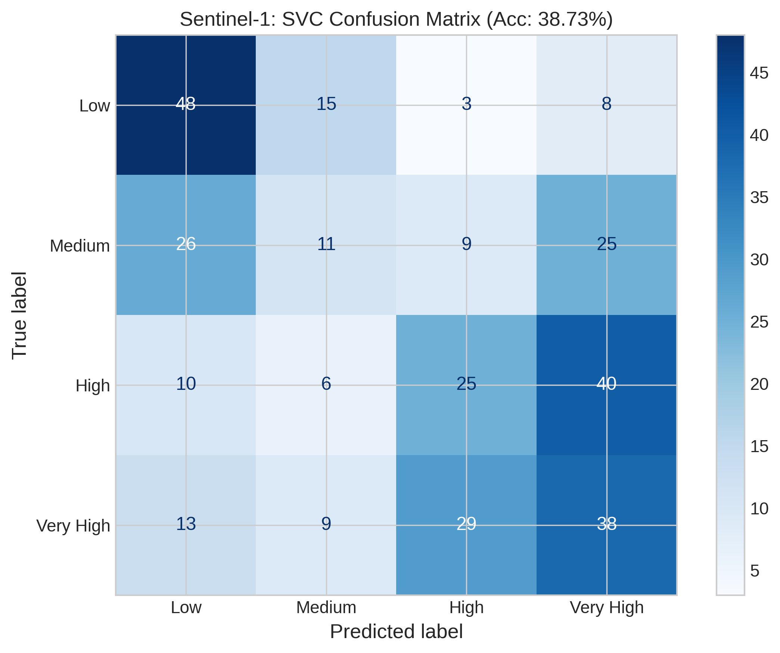
Sentinel-1_svc_confusion_matrix.png
Satellite | Model / Architecture | Experiment Type | Data Type | Input Features | Test Set (plot data)
Sentinel-1 | svc_confusion_matrix | 4-class Classification — Censored | Censored | VH-pol, VV-pol, NDVI, DpRVI, Depolarization_Rate | ~158 samples (10% held-out split) Total dataset: 1575 rows Train 1260 · Val 157 · Test 158
Plot generated from the test split of Sentinel-1 processed CSV (80% train · 10% val · 10% test). Each point represents one field measurement.

Sentinel-1_xgb_confusion_matrix
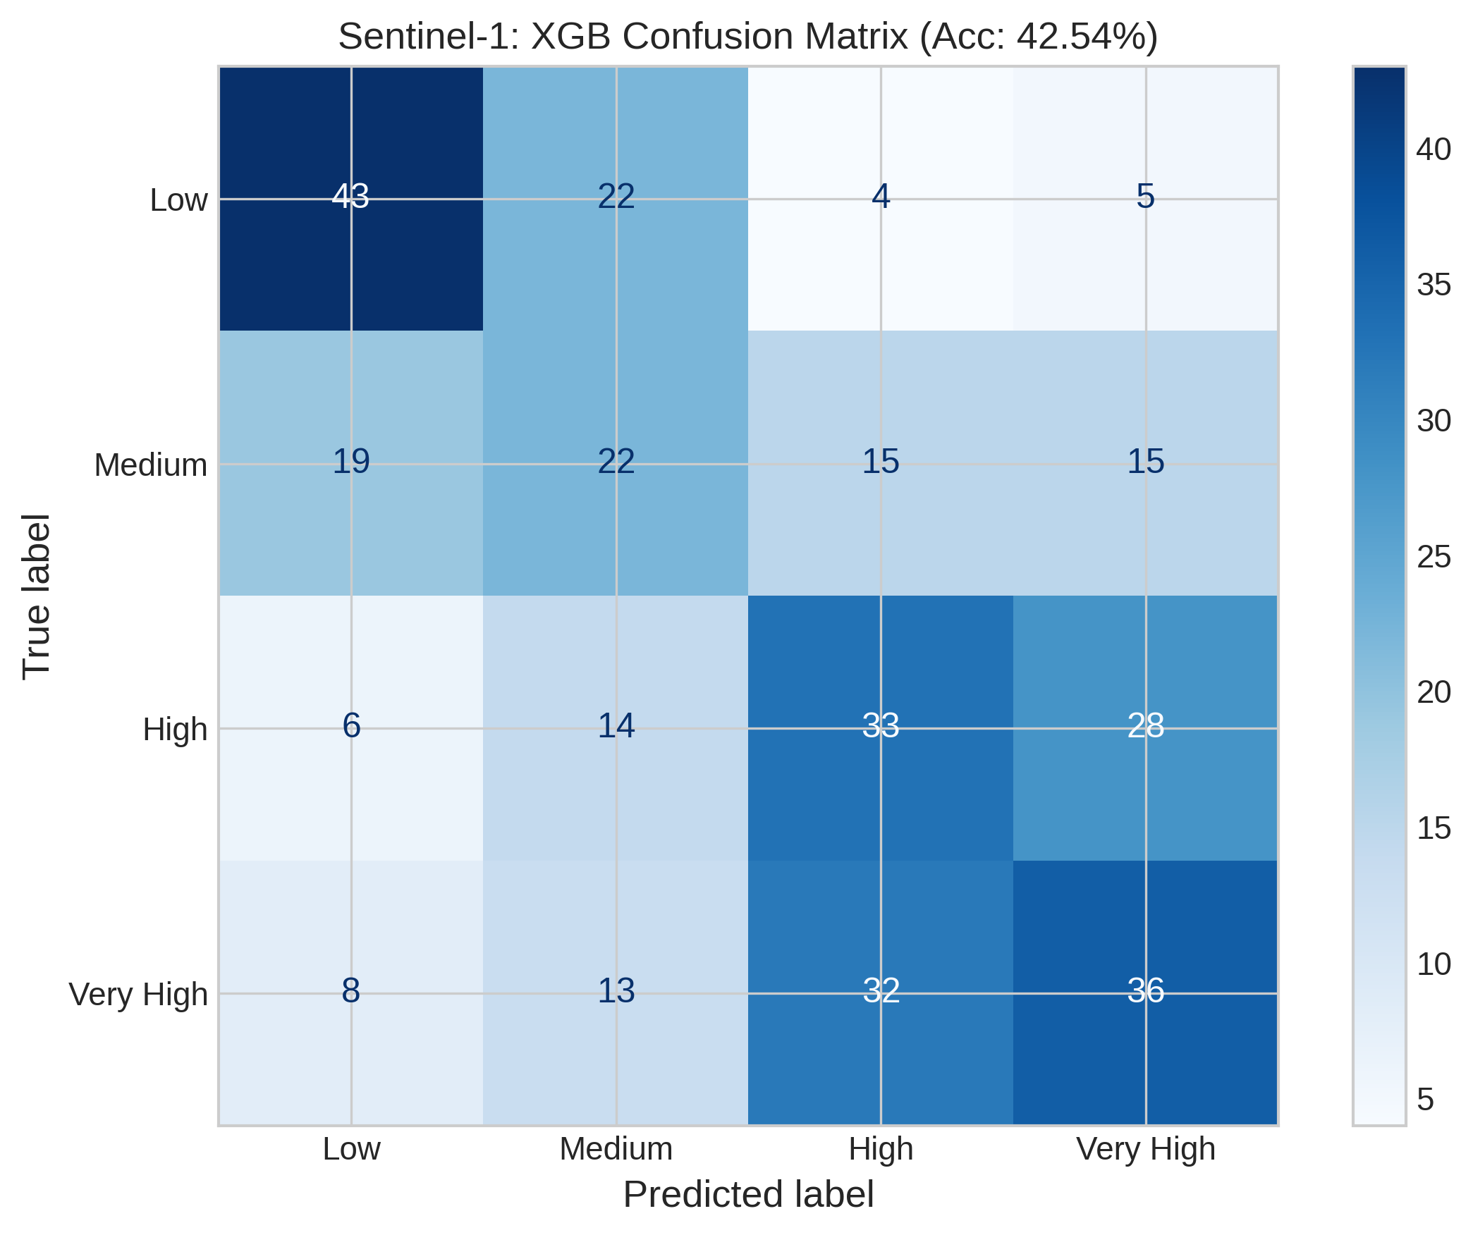
Sentinel-1_xgb_confusion_matrix.png
Satellite | Model / Architecture | Experiment Type | Data Type | Input Features | Test Set (plot data)
Sentinel-1 | xgb_confusion_matrix | 4-class Classification — Censored | Censored | VH-pol, VV-pol, NDVI, DpRVI, Depolarization_Rate | ~158 samples (10% held-out split) Total dataset: 1575 rows Train 1260 · Val 157 · Test 158
Plot generated from the test split of Sentinel-1 processed CSV (80% train · 10% val · 10% test). Each point represents one field measurement.

