EOS-04_GradientBoostingRegresso
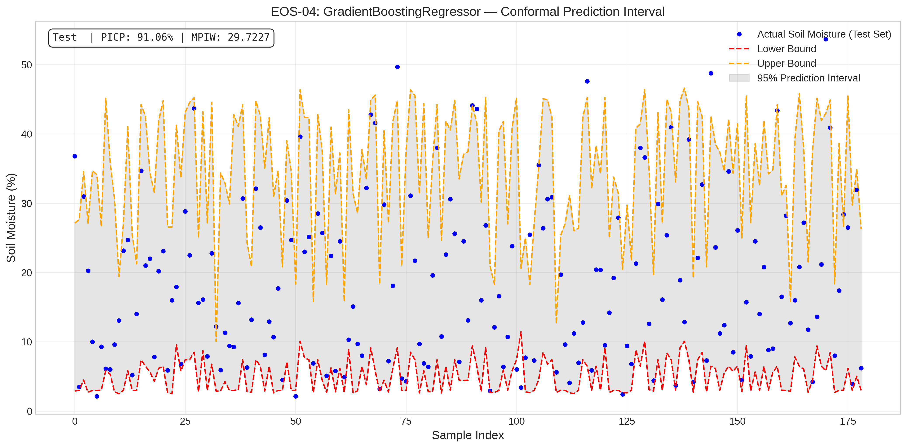
EOS-04_GradientBoostingRegressor.png
Satellite | Model / Architecture | Experiment Type | Data Type | Input Features | Test Set (plot data)
EOS-04 | GradientBoostingRegressor | Conformal Regression PI — Uncensored | Uncensored | HH-pol, HV-pol, NDVI, DpRVI, Depolarization_Rate | ~195 samples (10% held-out split) Total dataset: 1953 rows Train 1562 · Val 196 · Test 195
Plot generated from the test split of EOS-04 processed CSV (80% train · 10% conformalize · 10% test). Each point represents one field measurement.

EOS-04_HistGradientBoostingRegr
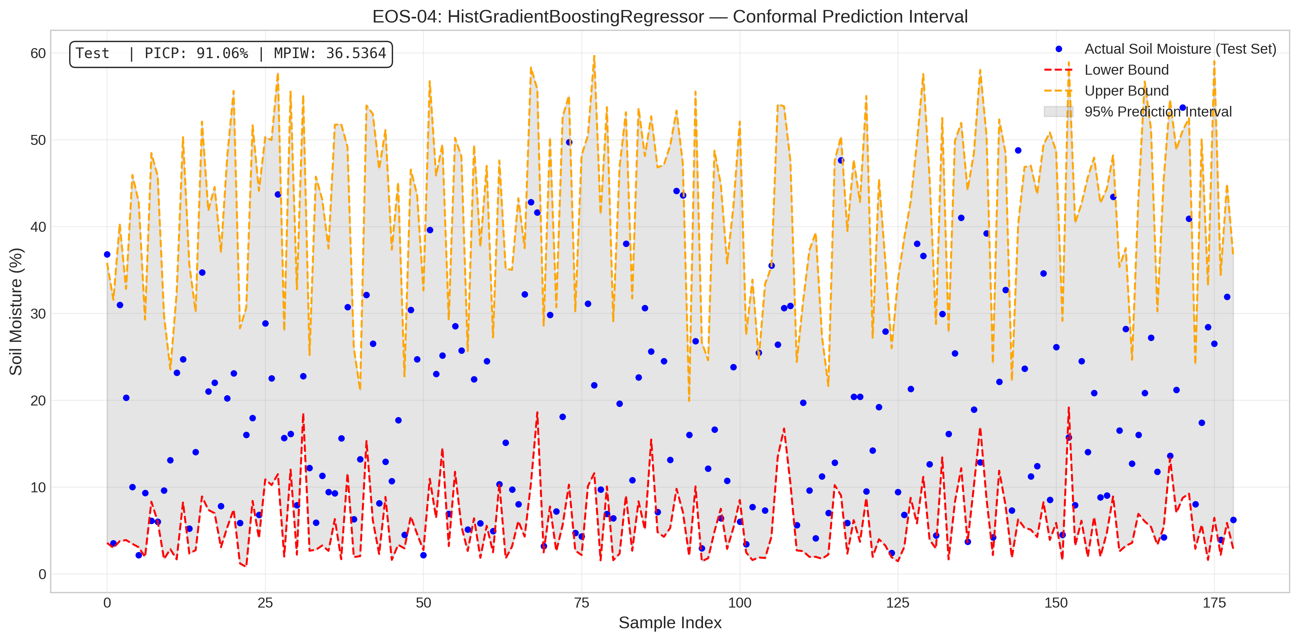
EOS-04_HistGradientBoostingRegressor.png
Satellite | Model / Architecture | Experiment Type | Data Type | Input Features | Test Set (plot data)
EOS-04 | HistGradientBoostingRegressor | Conformal Regression PI — Uncensored | Uncensored | HH-pol, HV-pol, NDVI, DpRVI, Depolarization_Rate | ~195 samples (10% held-out split) Total dataset: 1953 rows Train 1562 · Val 196 · Test 195
Plot generated from the test split of EOS-04 processed CSV (80% train · 10% conformalize · 10% test). Each point represents one field measurement.

EOS-04_LGBMRegressor
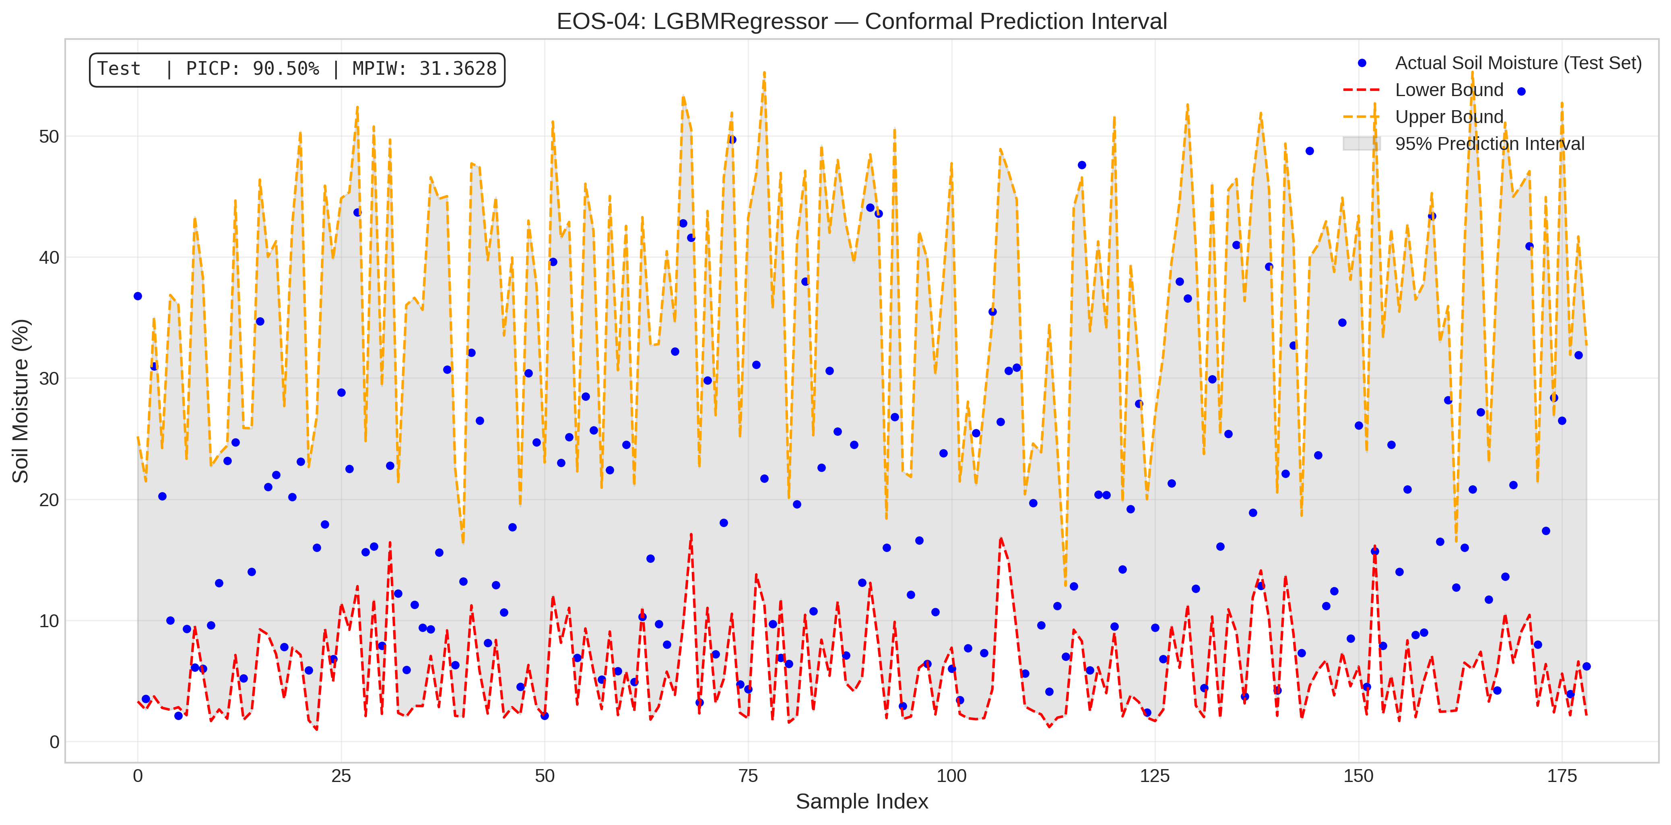
EOS-04_LGBMRegressor.png
Satellite | Model / Architecture | Experiment Type | Data Type | Input Features | Test Set (plot data)
EOS-04 | LGBMRegressor | Conformal Regression PI — Uncensored | Uncensored | HH-pol, HV-pol, NDVI, DpRVI, Depolarization_Rate | ~195 samples (10% held-out split) Total dataset: 1953 rows Train 1562 · Val 196 · Test 195
Plot generated from the test split of EOS-04 processed CSV (80% train · 10% conformalize · 10% test). Each point represents one field measurement.

EOS-04_QuantileRegressor
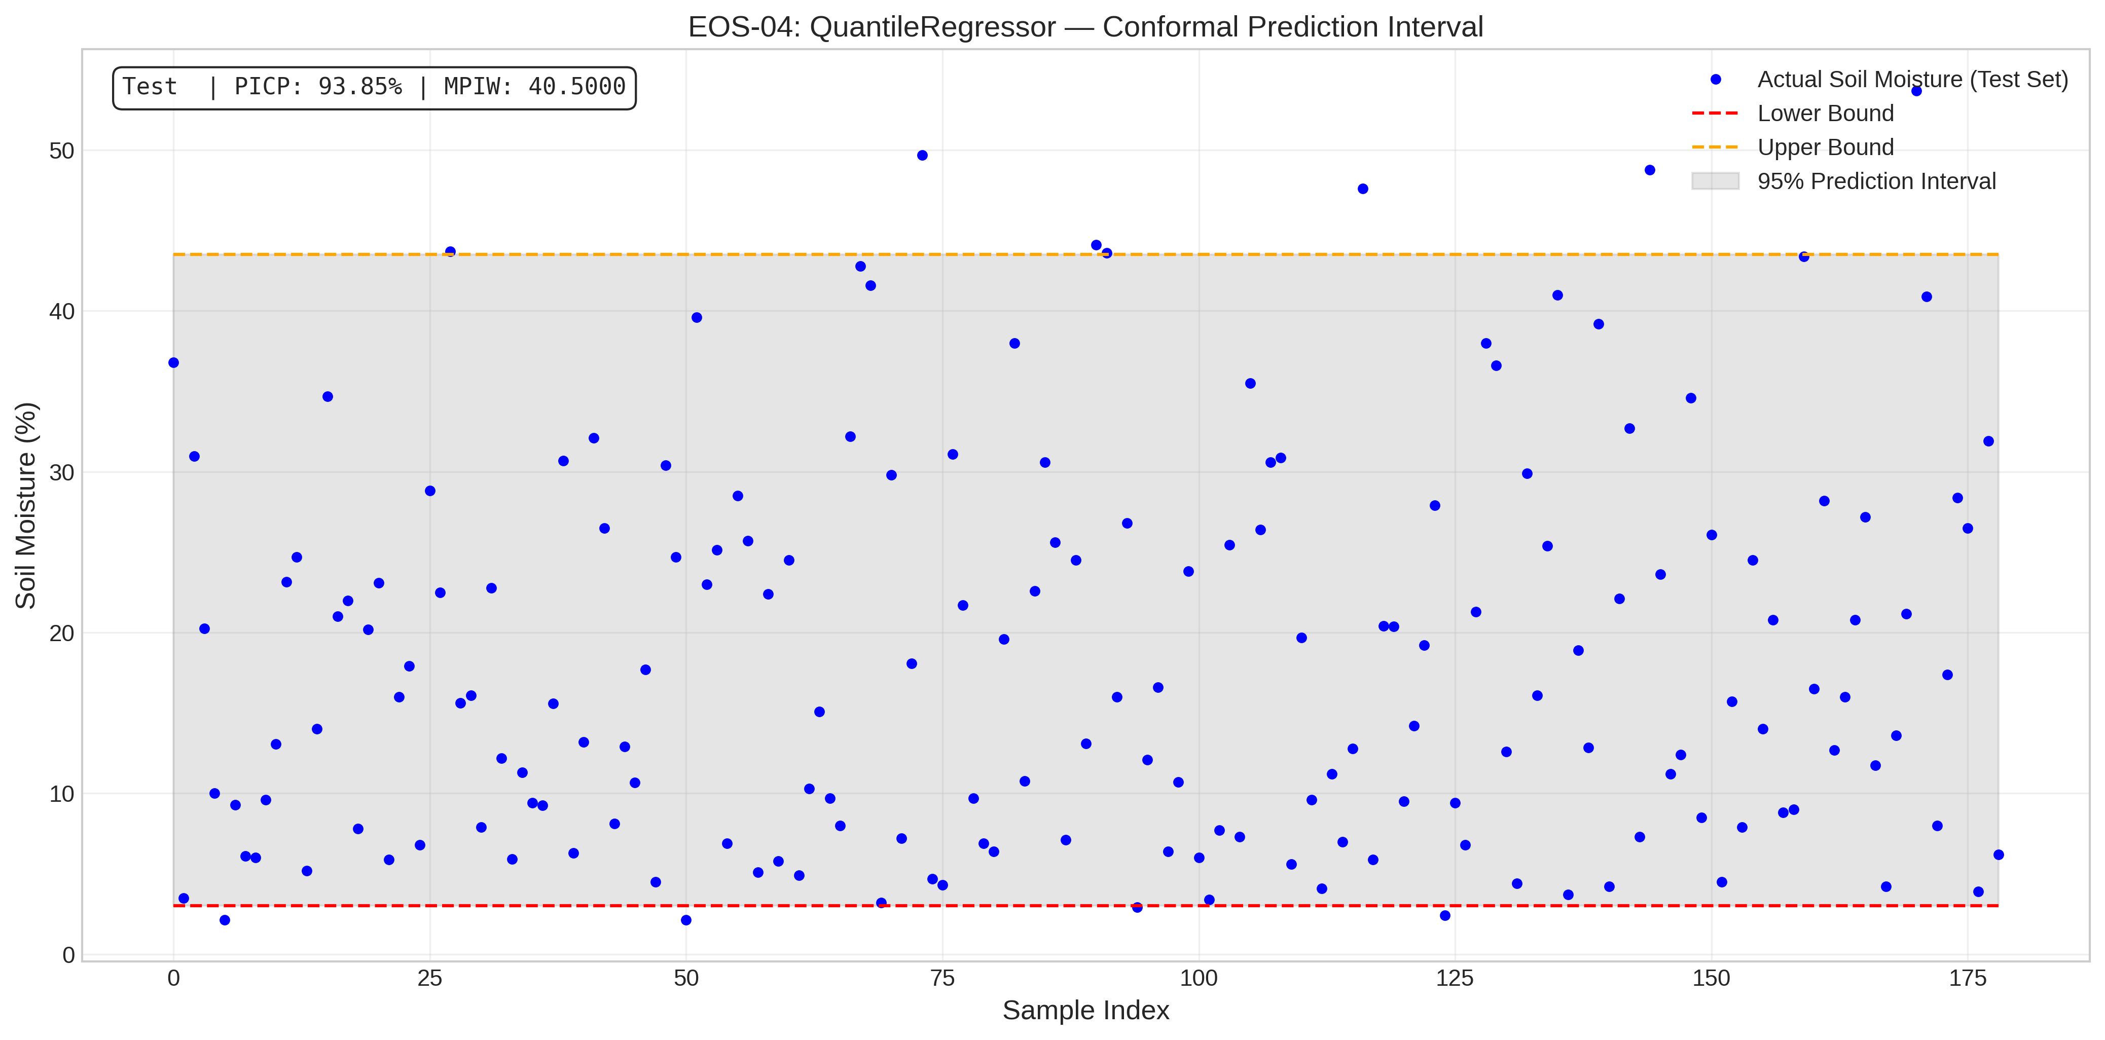
EOS-04_QuantileRegressor.png
Satellite | Model / Architecture | Experiment Type | Data Type | Input Features | Test Set (plot data)
EOS-04 | QuantileRegressor | Conformal Regression PI — Uncensored | Uncensored | HH-pol, HV-pol, NDVI, DpRVI, Depolarization_Rate | ~195 samples (10% held-out split) Total dataset: 1953 rows Train 1562 · Val 196 · Test 195
Plot generated from the test split of EOS-04 processed CSV (80% train · 10% conformalize · 10% test). Each point represents one field measurement.

Sentinel-1_GradientBoostingRegr
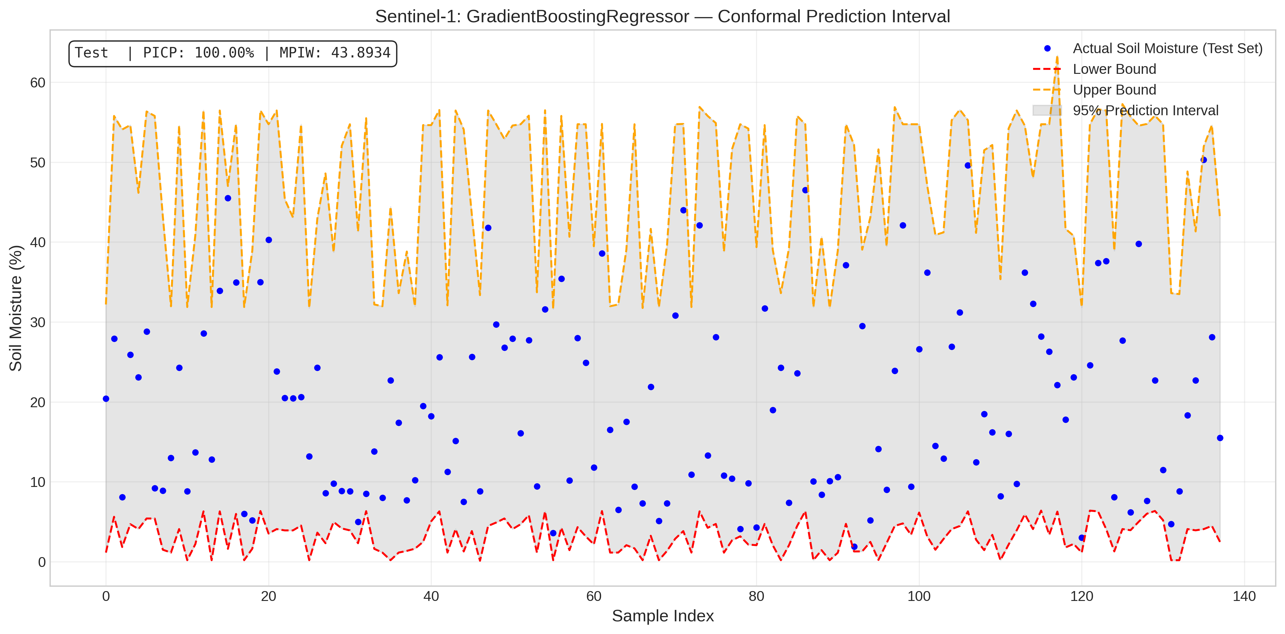
Sentinel-1_GradientBoostingRegressor.png
Satellite | Model / Architecture | Experiment Type | Data Type | Input Features | Test Set (plot data)
Sentinel-1 | GradientBoostingRegressor | Conformal Regression PI — Uncensored | Uncensored | VH-pol, VV-pol, NDVI, DpRVI, Depolarization_Rate | ~158 samples (10% held-out split) Total dataset: 1575 rows Train 1260 · Val 157 · Test 158
Plot generated from the test split of Sentinel-1 processed CSV (80% train · 10% conformalize · 10% test). Each point represents one field measurement.

Sentinel-1_HistGradientBoosting
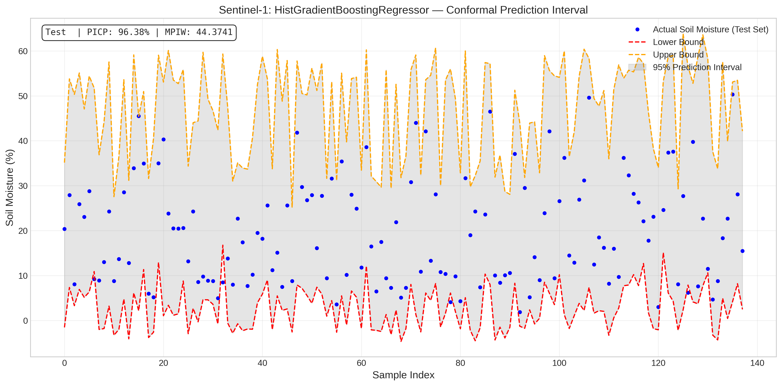
Sentinel-1_HistGradientBoostingRegressor.png
Satellite | Model / Architecture | Experiment Type | Data Type | Input Features | Test Set (plot data)
Sentinel-1 | HistGradientBoostingRegressor | Conformal Regression PI — Uncensored | Uncensored | VH-pol, VV-pol, NDVI, DpRVI, Depolarization_Rate | ~158 samples (10% held-out split) Total dataset: 1575 rows Train 1260 · Val 157 · Test 158
Plot generated from the test split of Sentinel-1 processed CSV (80% train · 10% conformalize · 10% test). Each point represents one field measurement.

Sentinel-1_LGBMRegressor
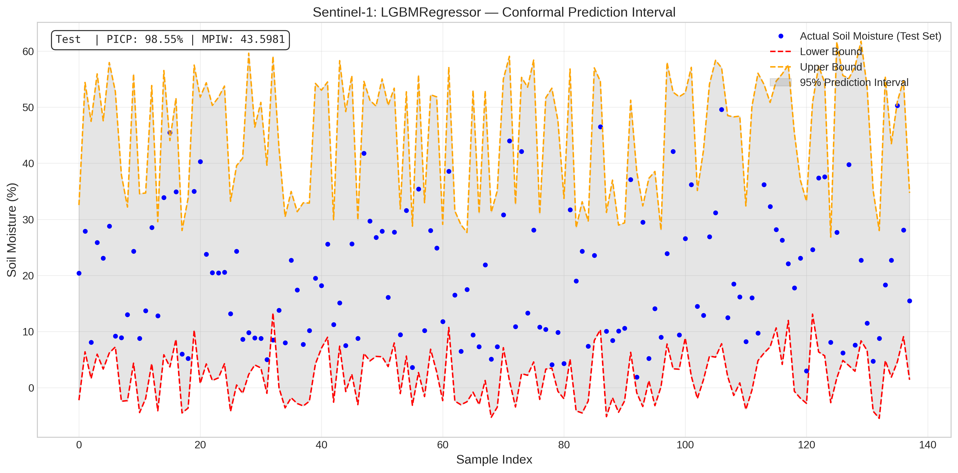
Sentinel-1_LGBMRegressor.png
Satellite | Model / Architecture | Experiment Type | Data Type | Input Features | Test Set (plot data)
Sentinel-1 | LGBMRegressor | Conformal Regression PI — Uncensored | Uncensored | VH-pol, VV-pol, NDVI, DpRVI, Depolarization_Rate | ~158 samples (10% held-out split) Total dataset: 1575 rows Train 1260 · Val 157 · Test 158
Plot generated from the test split of Sentinel-1 processed CSV (80% train · 10% conformalize · 10% test). Each point represents one field measurement.

Sentinel-1_QuantileRegressor
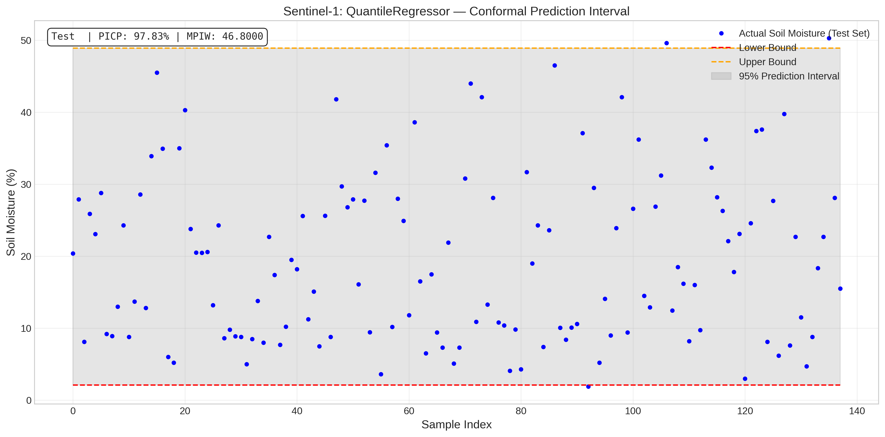
Sentinel-1_QuantileRegressor.png
Satellite | Model / Architecture | Experiment Type | Data Type | Input Features | Test Set (plot data)
Sentinel-1 | QuantileRegressor | Conformal Regression PI — Uncensored | Uncensored | VH-pol, VV-pol, NDVI, DpRVI, Depolarization_Rate | ~158 samples (10% held-out split) Total dataset: 1575 rows Train 1260 · Val 157 · Test 158
Plot generated from the test split of Sentinel-1 processed CSV (80% train · 10% conformalize · 10% test). Each point represents one field measurement.

