EOS-04_ANN_CQR_plot
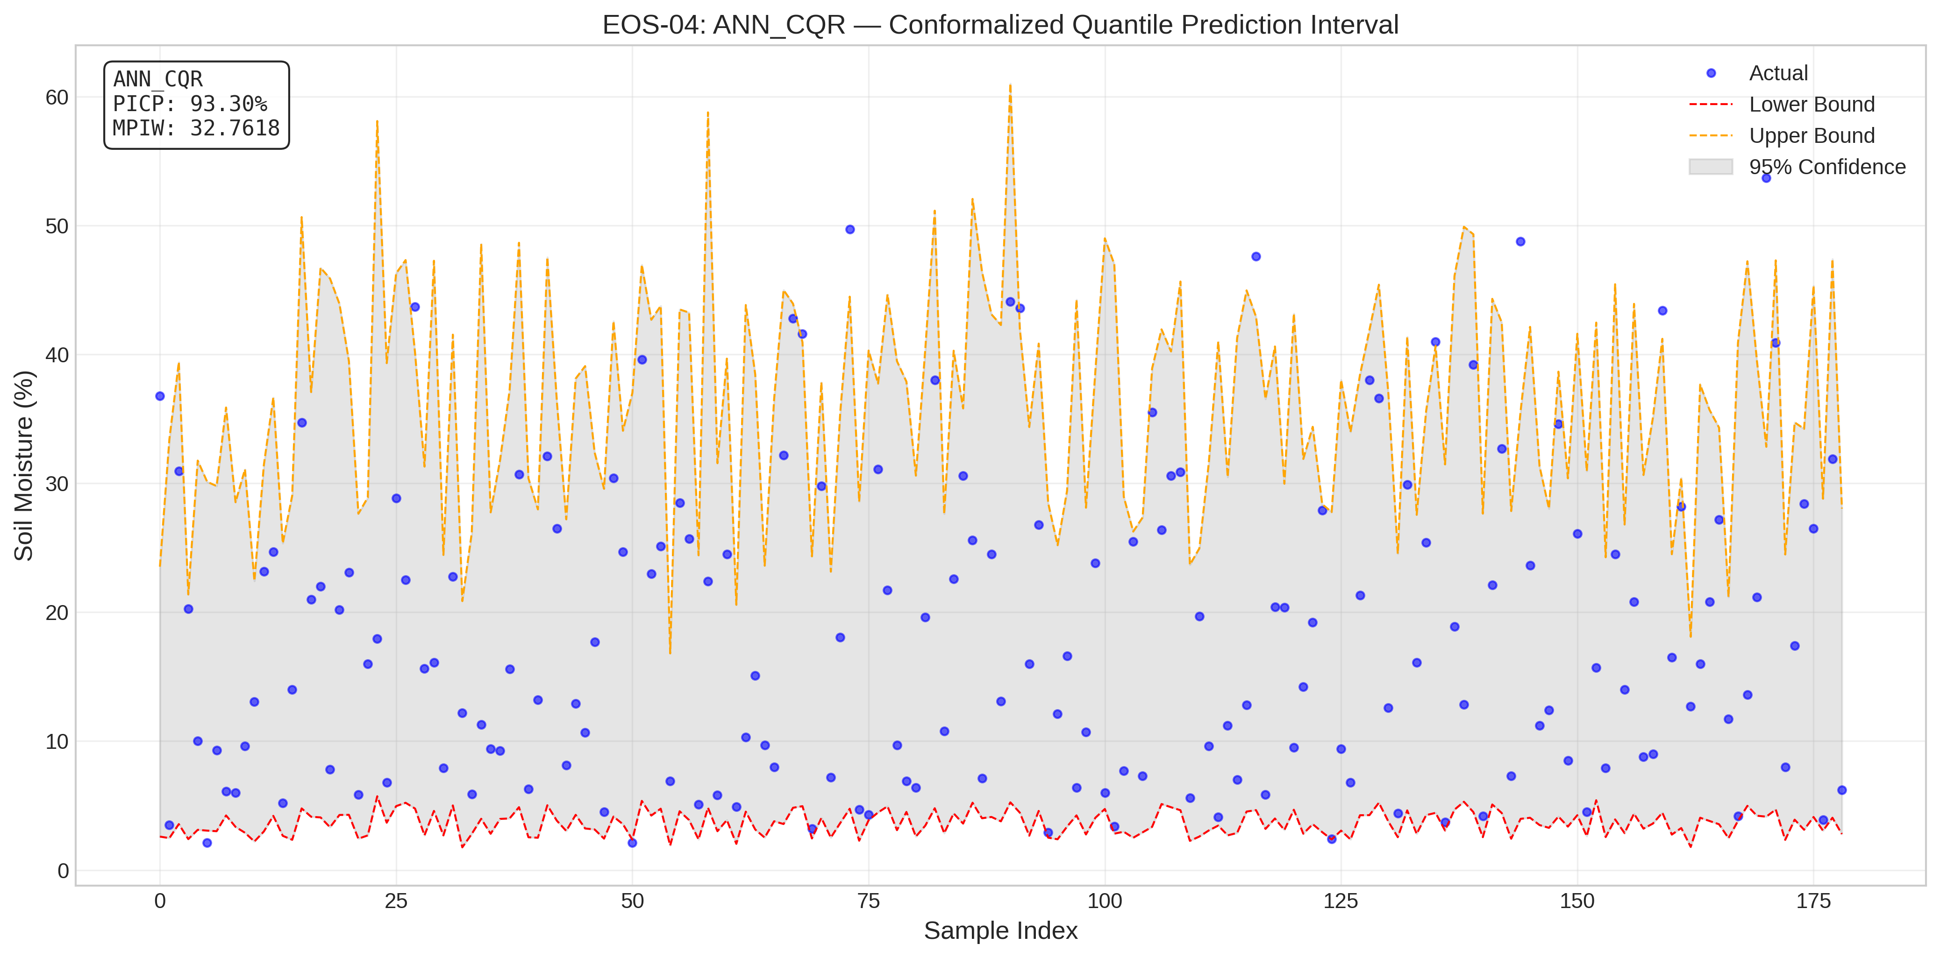
EOS-04_ANN_CQR_plot.png
Satellite | Model / Architecture | Experiment Type | Data Type | Input Features | Test Set (plot data)
EOS-04 | ANN_CQR_plot | Conformalized Quantile Regression (CQR) — Uncensored | Uncensored | HH-pol, HV-pol, NDVI, DpRVI, Depolarization_Rate | ~195 samples (10% held-out split) Total dataset: 1953 rows Train 1562 · Val 196 · Test 195
Plot generated from the test split of EOS-04 processed CSV (80% train · 10% calibration · 10% test). Each point represents one field measurement.

EOS-04_Linear_CQR_plot
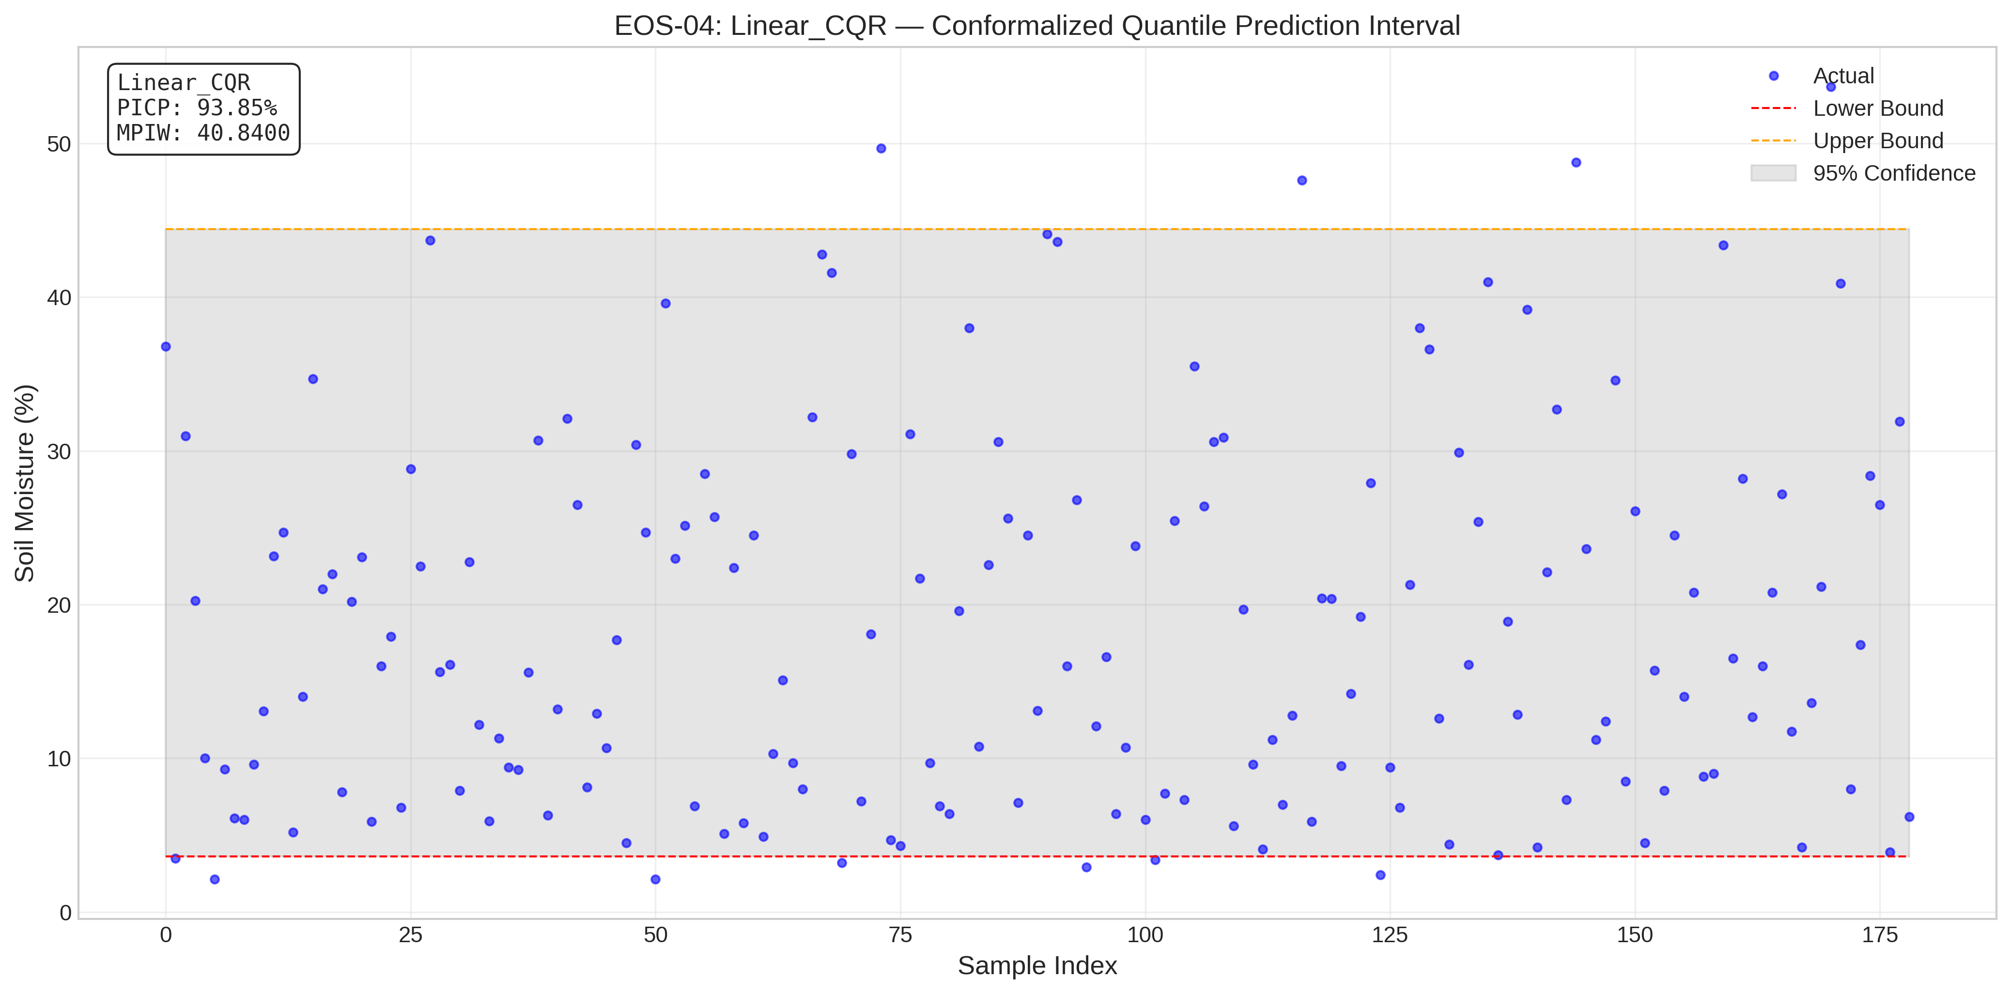
EOS-04_Linear_CQR_plot.png
Satellite | Model / Architecture | Experiment Type | Data Type | Input Features | Test Set (plot data)
EOS-04 | Linear_CQR_plot | Conformalized Quantile Regression (CQR) — Uncensored | Uncensored | HH-pol, HV-pol, NDVI, DpRVI, Depolarization_Rate | ~195 samples (10% held-out split) Total dataset: 1953 rows Train 1562 · Val 196 · Test 195
Plot generated from the test split of EOS-04 processed CSV (80% train · 10% calibration · 10% test). Each point represents one field measurement.

EOS-04_SVM_Split_Conformal_plot
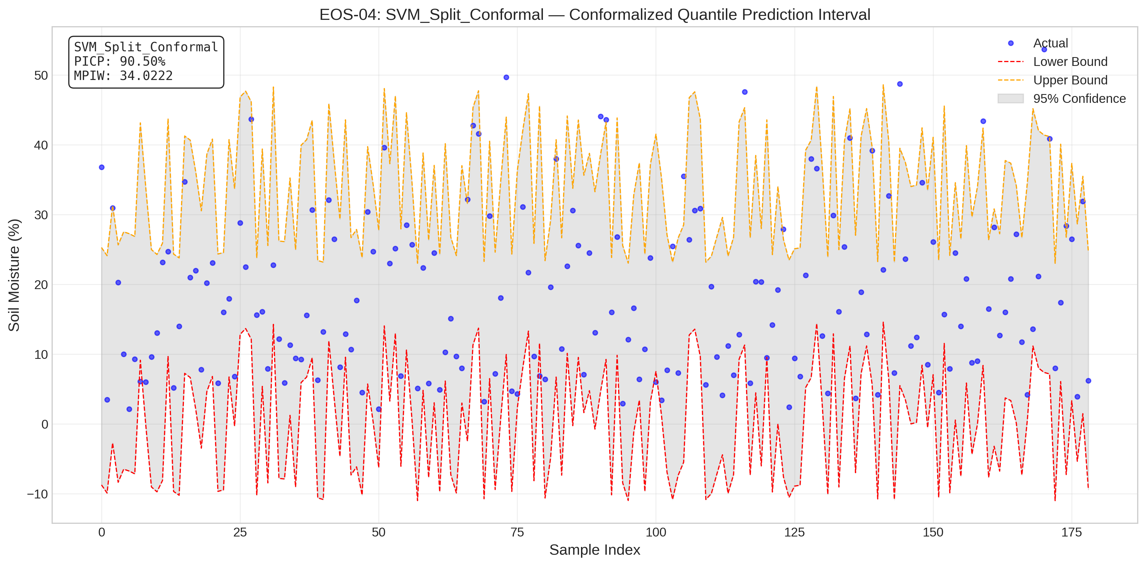
EOS-04_SVM_Split_Conformal_plot.png
Satellite | Model / Architecture | Experiment Type | Data Type | Input Features | Test Set (plot data)
EOS-04 | SVM_Split_Conformal_plot | Conformalized Quantile Regression (CQR) — Uncensored | Uncensored | HH-pol, HV-pol, NDVI, DpRVI, Depolarization_Rate | ~195 samples (10% held-out split) Total dataset: 1953 rows Train 1562 · Val 196 · Test 195
Plot generated from the test split of EOS-04 processed CSV (80% train · 10% calibration · 10% test). Each point represents one field measurement.

EOS-04_tau_tuning_comparison
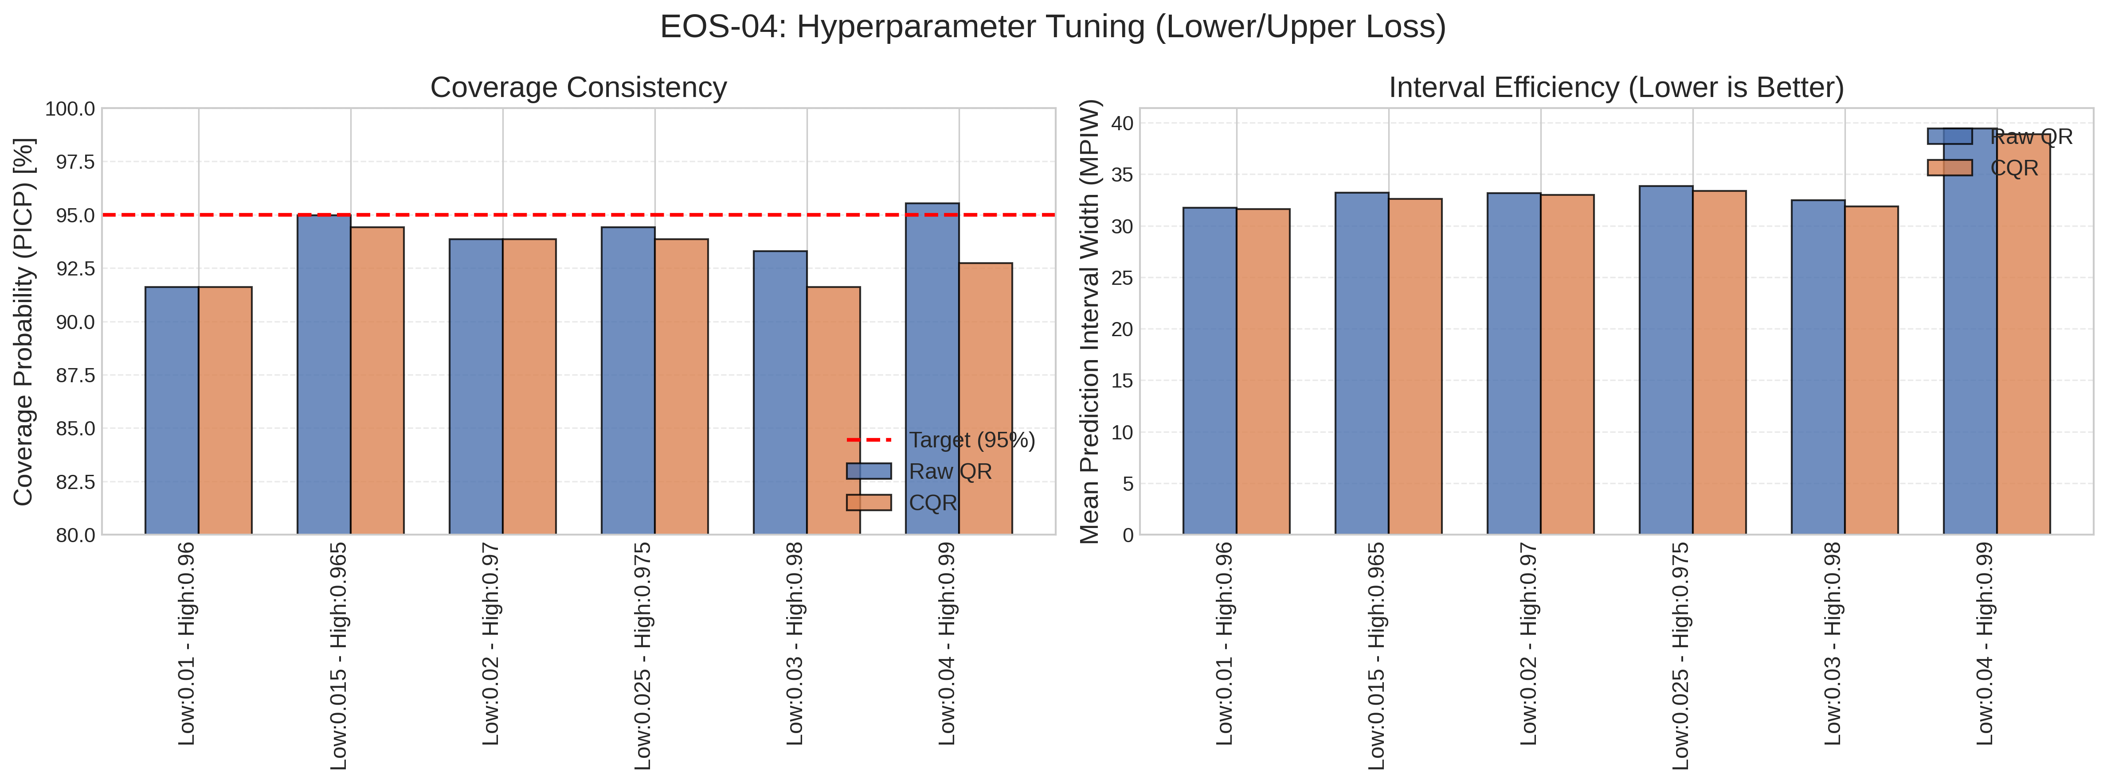
EOS-04_tau_tuning_comparison.png
Satellite | Model / Architecture | Experiment Type | Data Type | Input Features | Test Set (plot data)
EOS-04 | tau_tuning_comparison | Conformalized Quantile Regression (CQR) — Uncensored | Uncensored | HH-pol, HV-pol, NDVI, DpRVI, Depolarization_Rate | ~195 samples (10% held-out split) Total dataset: 1953 rows Train 1562 · Val 196 · Test 195
Plot generated from the test split of EOS-04 processed CSV (80% train · 10% calibration · 10% test). Each point represents one field measurement.

Sentinel-1_ANN_CQR_plot
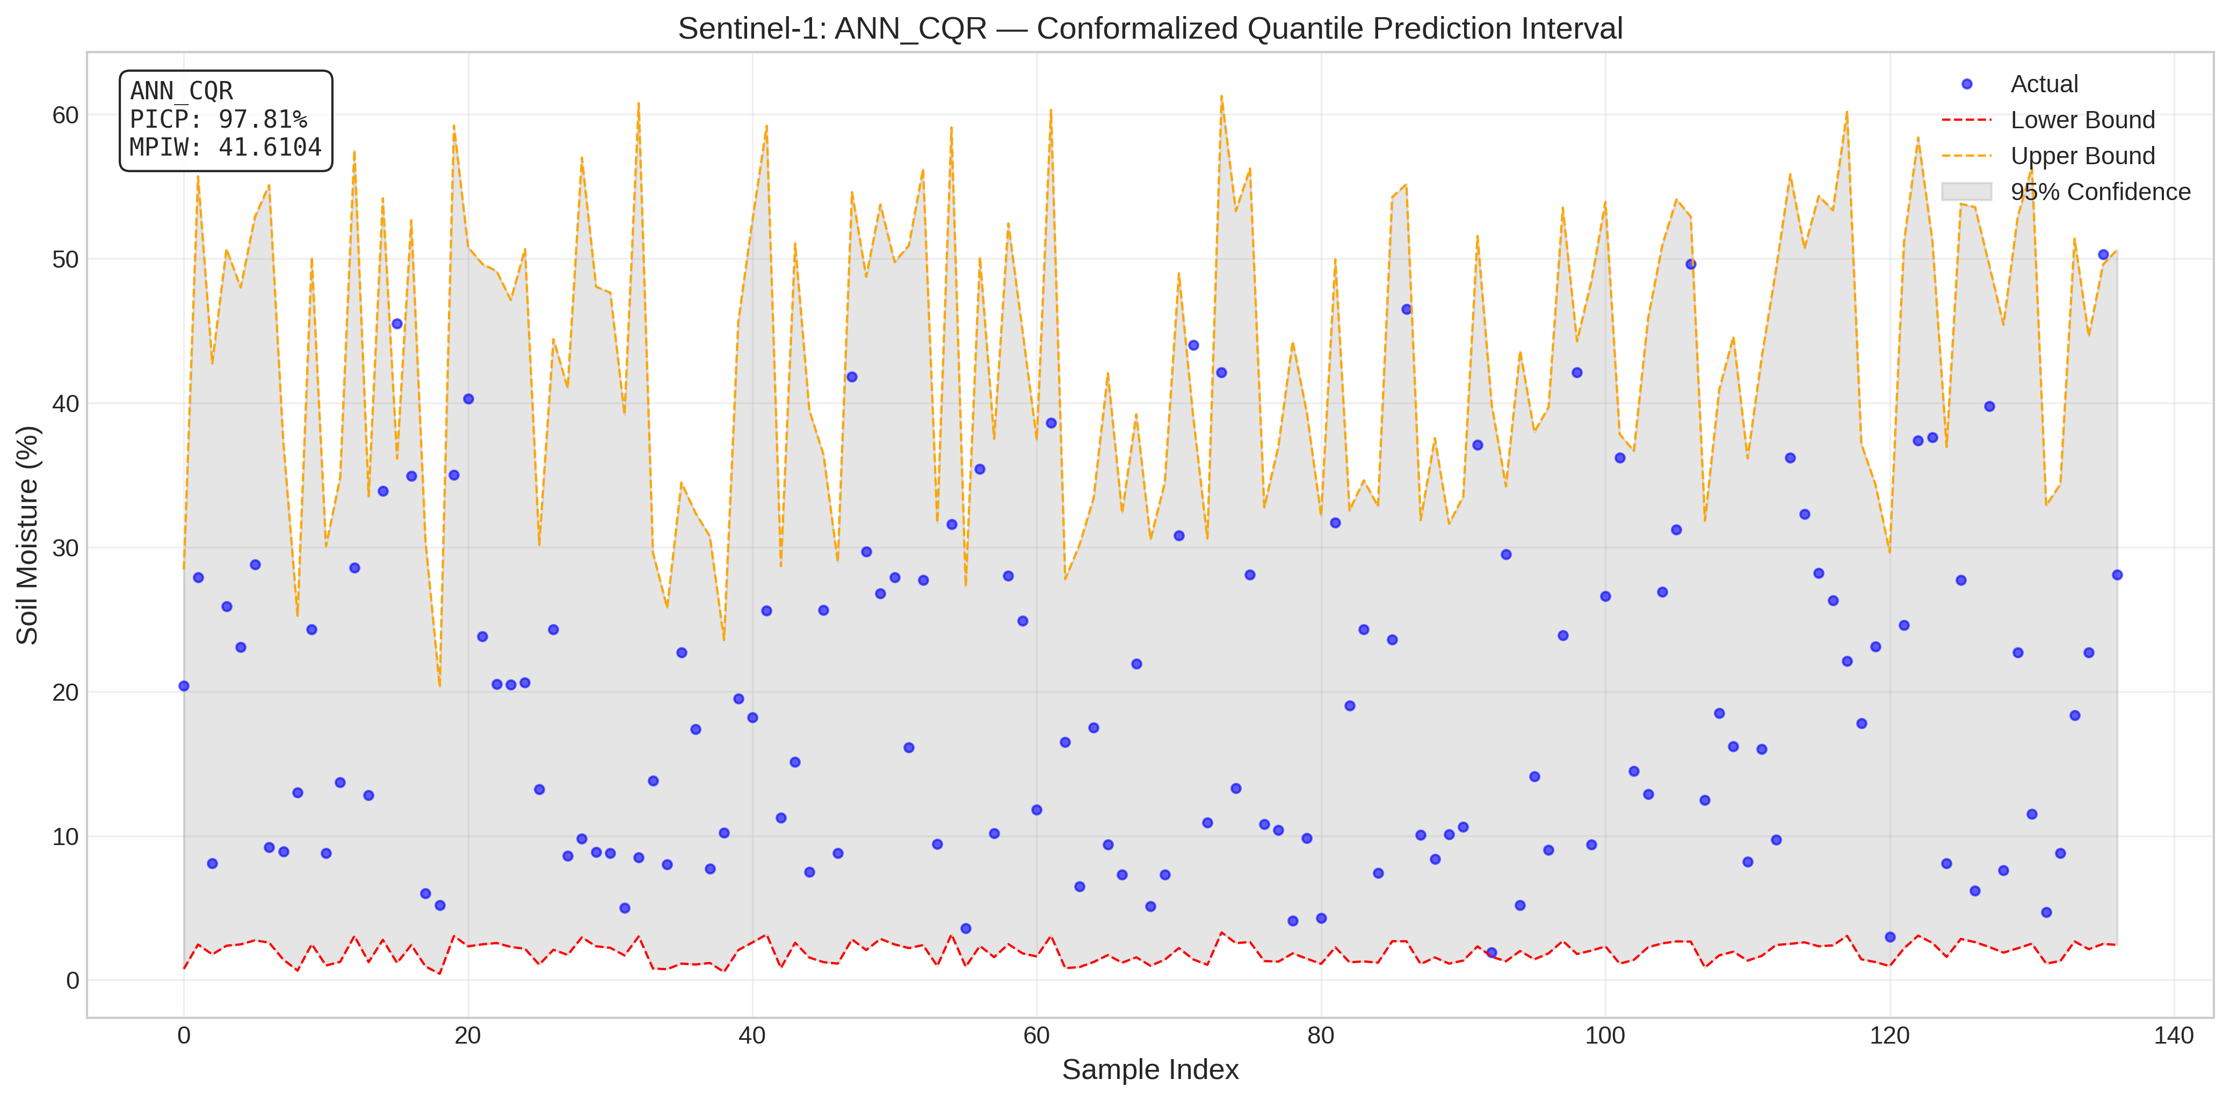
Sentinel-1_ANN_CQR_plot.png
Satellite | Model / Architecture | Experiment Type | Data Type | Input Features | Test Set (plot data)
Sentinel-1 | ANN_CQR_plot | Conformalized Quantile Regression (CQR) — Uncensored | Uncensored | VH-pol, VV-pol, NDVI, DpRVI, Depolarization_Rate | ~158 samples (10% held-out split) Total dataset: 1575 rows Train 1260 · Val 157 · Test 158
Plot generated from the test split of Sentinel-1 processed CSV (80% train · 10% calibration · 10% test). Each point represents one field measurement.

Sentinel-1_Linear_CQR_plot
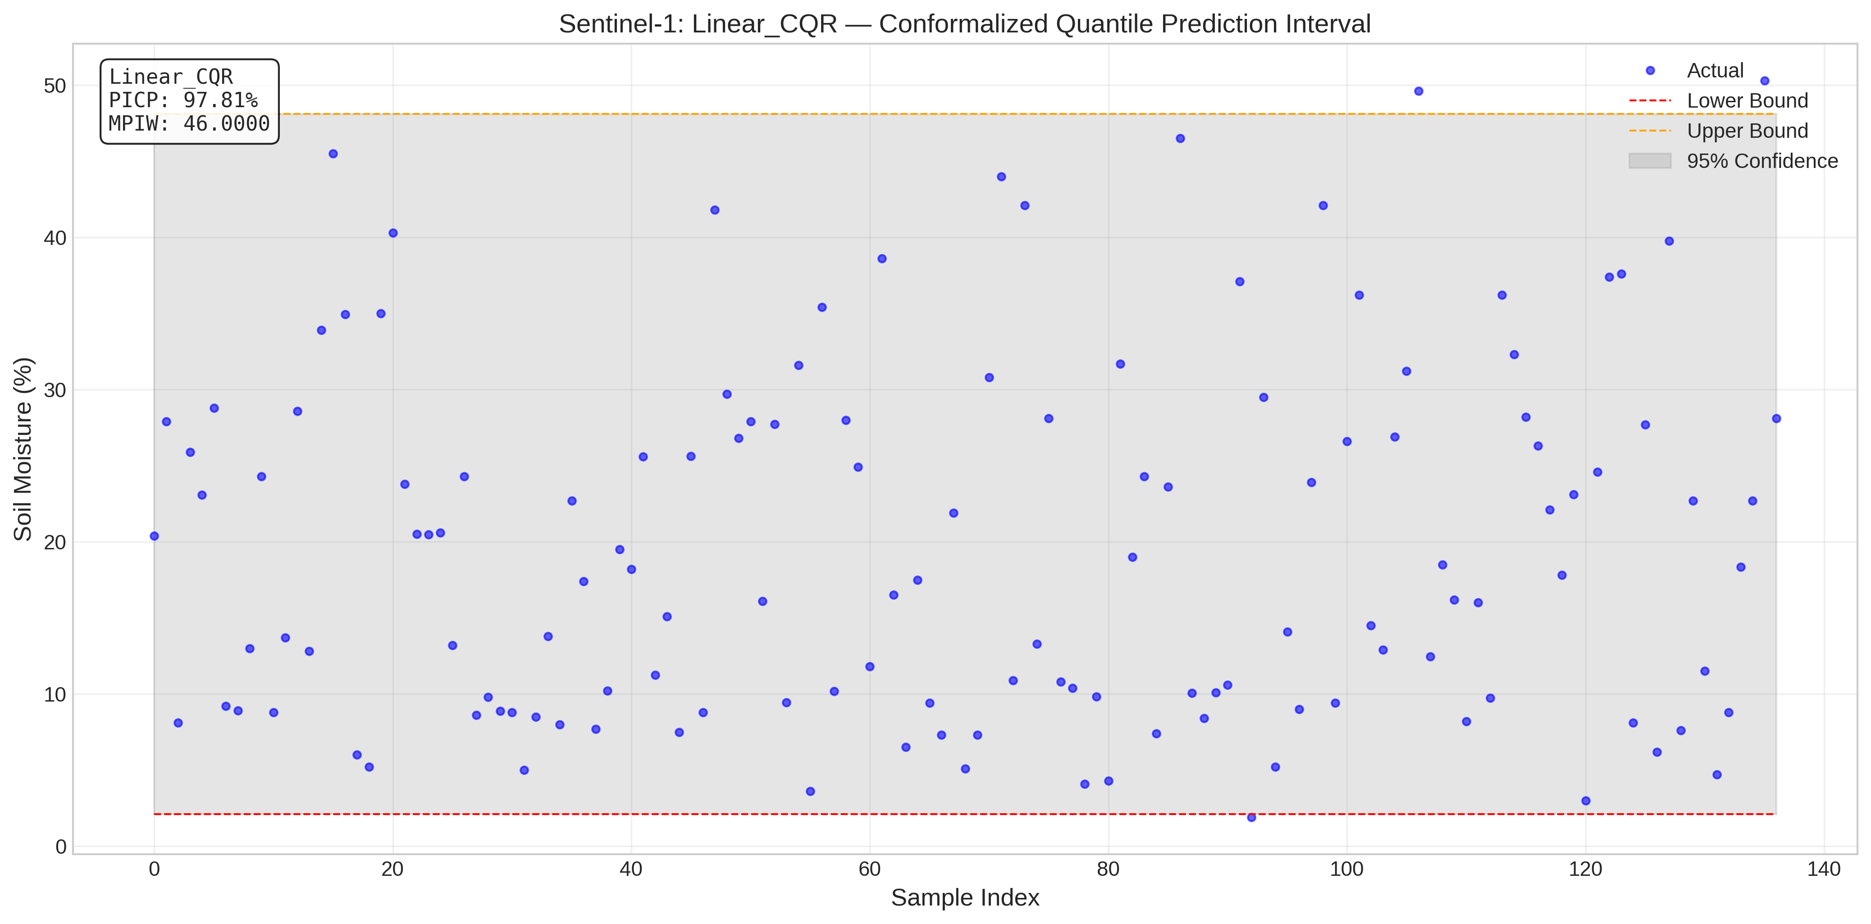
Sentinel-1_Linear_CQR_plot.png
Satellite | Model / Architecture | Experiment Type | Data Type | Input Features | Test Set (plot data)
Sentinel-1 | Linear_CQR_plot | Conformalized Quantile Regression (CQR) — Uncensored | Uncensored | VH-pol, VV-pol, NDVI, DpRVI, Depolarization_Rate | ~158 samples (10% held-out split) Total dataset: 1575 rows Train 1260 · Val 157 · Test 158
Plot generated from the test split of Sentinel-1 processed CSV (80% train · 10% calibration · 10% test). Each point represents one field measurement.

Sentinel-1_SVM_Split_Conformal_
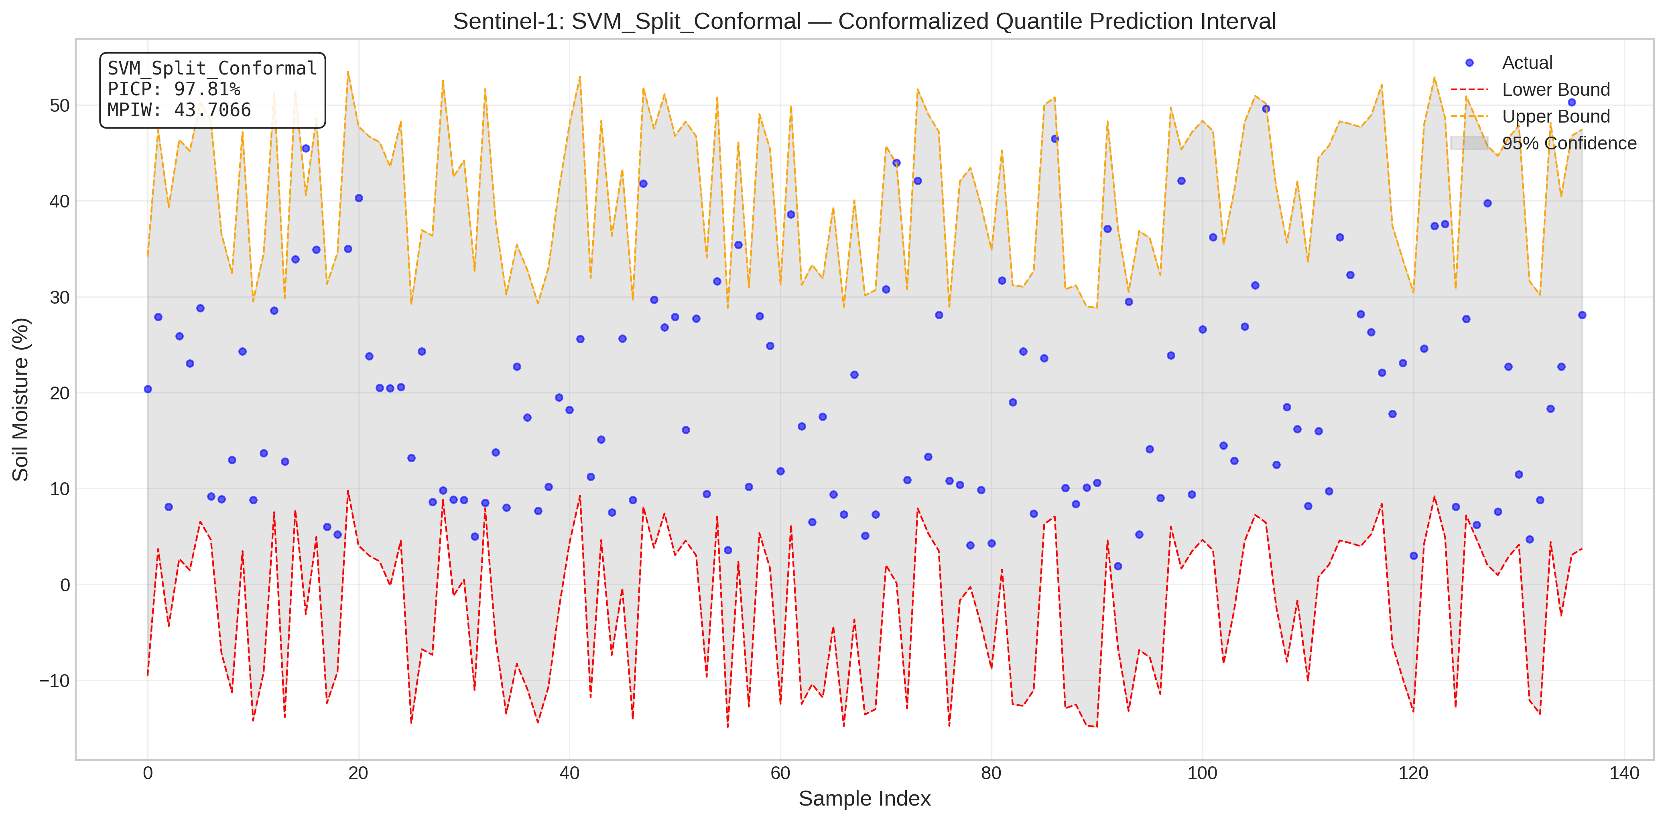
Sentinel-1_SVM_Split_Conformal_plot.png
Satellite | Model / Architecture | Experiment Type | Data Type | Input Features | Test Set (plot data)
Sentinel-1 | SVM_Split_Conformal_plot | Conformalized Quantile Regression (CQR) — Uncensored | Uncensored | VH-pol, VV-pol, NDVI, DpRVI, Depolarization_Rate | ~158 samples (10% held-out split) Total dataset: 1575 rows Train 1260 · Val 157 · Test 158
Plot generated from the test split of Sentinel-1 processed CSV (80% train · 10% calibration · 10% test). Each point represents one field measurement.

Sentinel-1_tau_tuning_compariso
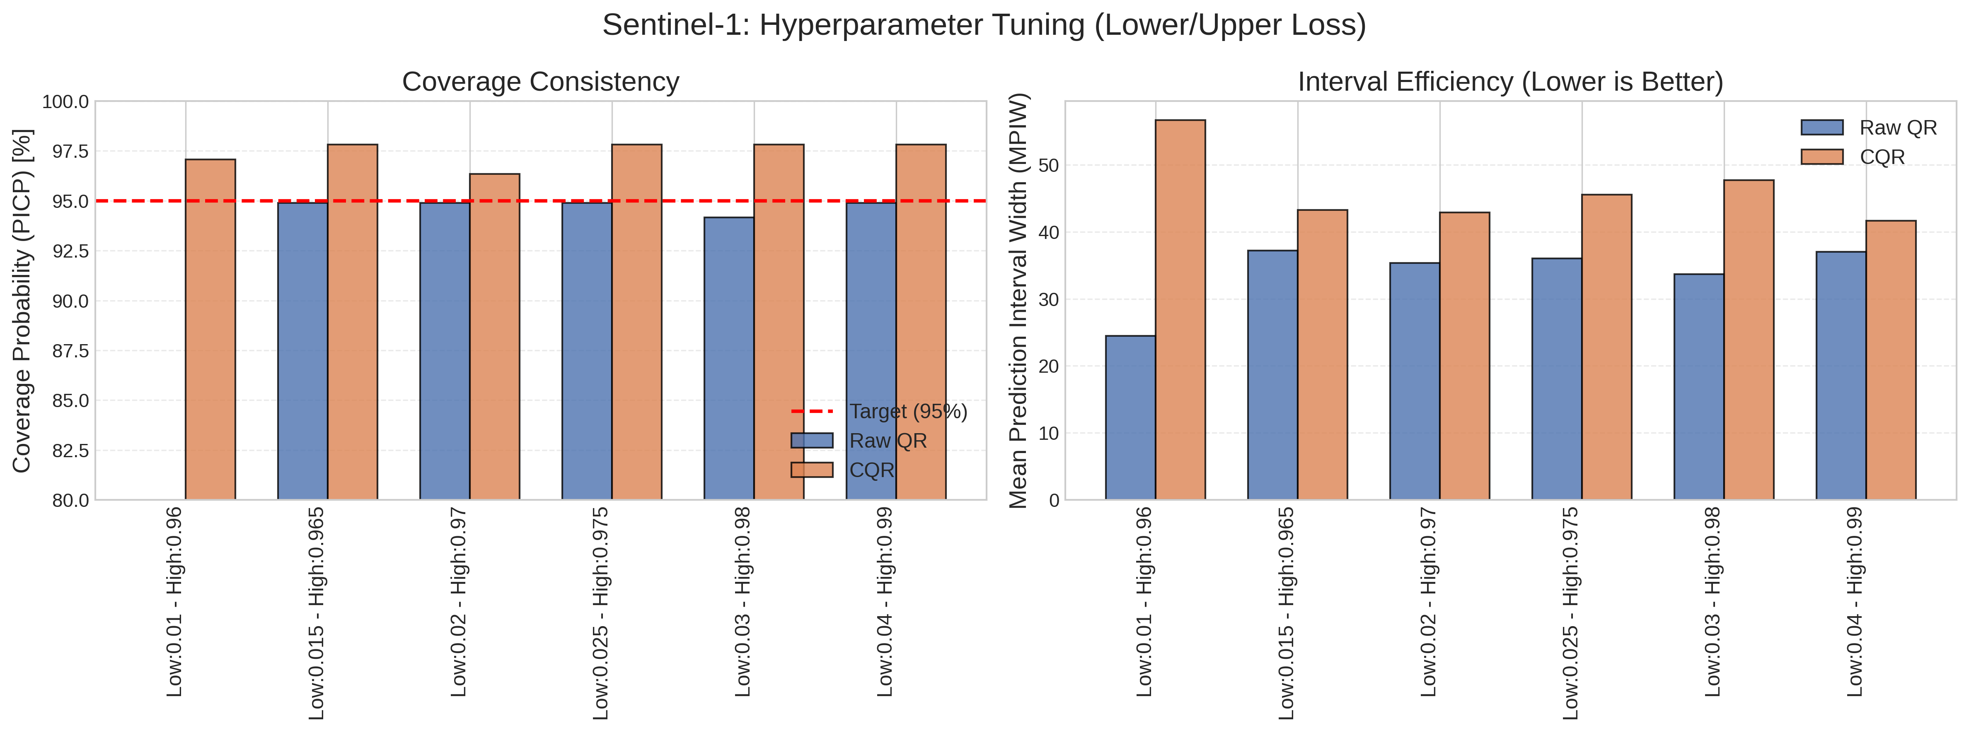
Sentinel-1_tau_tuning_comparison.png
Satellite | Model / Architecture | Experiment Type | Data Type | Input Features | Test Set (plot data)
Sentinel-1 | tau_tuning_comparison | Conformalized Quantile Regression (CQR) — Uncensored | Uncensored | VH-pol, VV-pol, NDVI, DpRVI, Depolarization_Rate | ~158 samples (10% held-out split) Total dataset: 1575 rows Train 1260 · Val 157 · Test 158
Plot generated from the test split of Sentinel-1 processed CSV (80% train · 10% calibration · 10% test). Each point represents one field measurement.

