EOS-04_AdaBoost_actual_vs_predi
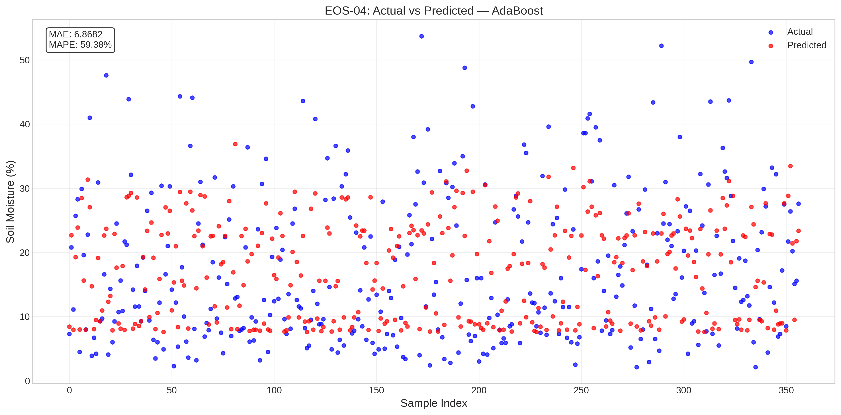
EOS-04_AdaBoost_actual_vs_predicted.png
Satellite | Model / Architecture | Experiment Type | Data Type | Input Features | Test Set (plot data)
EOS-04 | AdaBoost | Classical ML Regression — Uncensored | Uncensored | HH-pol, HV-pol, NDVI, DpRVI, Depolarization_Rate | ~195 samples (10% held-out split) Total dataset: 1953 rows Train 1562 · Val 196 · Test 195
Plot generated from the test split of EOS-04 processed CSV (80% train · 10% val · 10% test). Each point represents one field measurement.

EOS-04_RandomForest_actual_vs_p
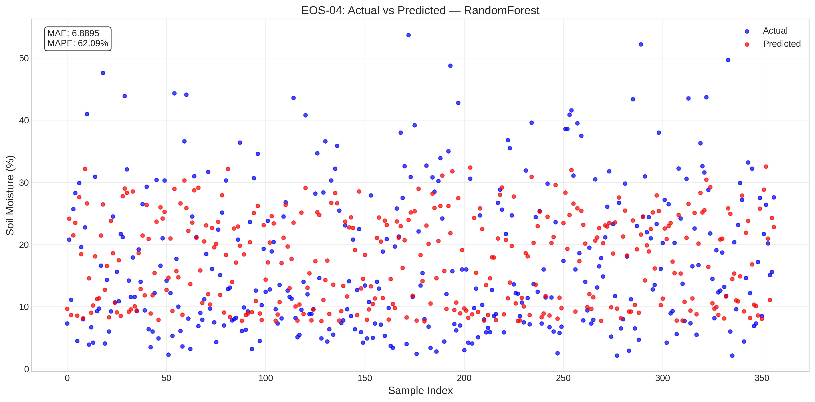
EOS-04_RandomForest_actual_vs_predicted.png
Satellite | Model / Architecture | Experiment Type | Data Type | Input Features | Test Set (plot data)
EOS-04 | RandomForest | Classical ML Regression — Uncensored | Uncensored | HH-pol, HV-pol, NDVI, DpRVI, Depolarization_Rate | ~195 samples (10% held-out split) Total dataset: 1953 rows Train 1562 · Val 196 · Test 195
Plot generated from the test split of EOS-04 processed CSV (80% train · 10% val · 10% test). Each point represents one field measurement.

EOS-04_SVR_actual_vs_predicted
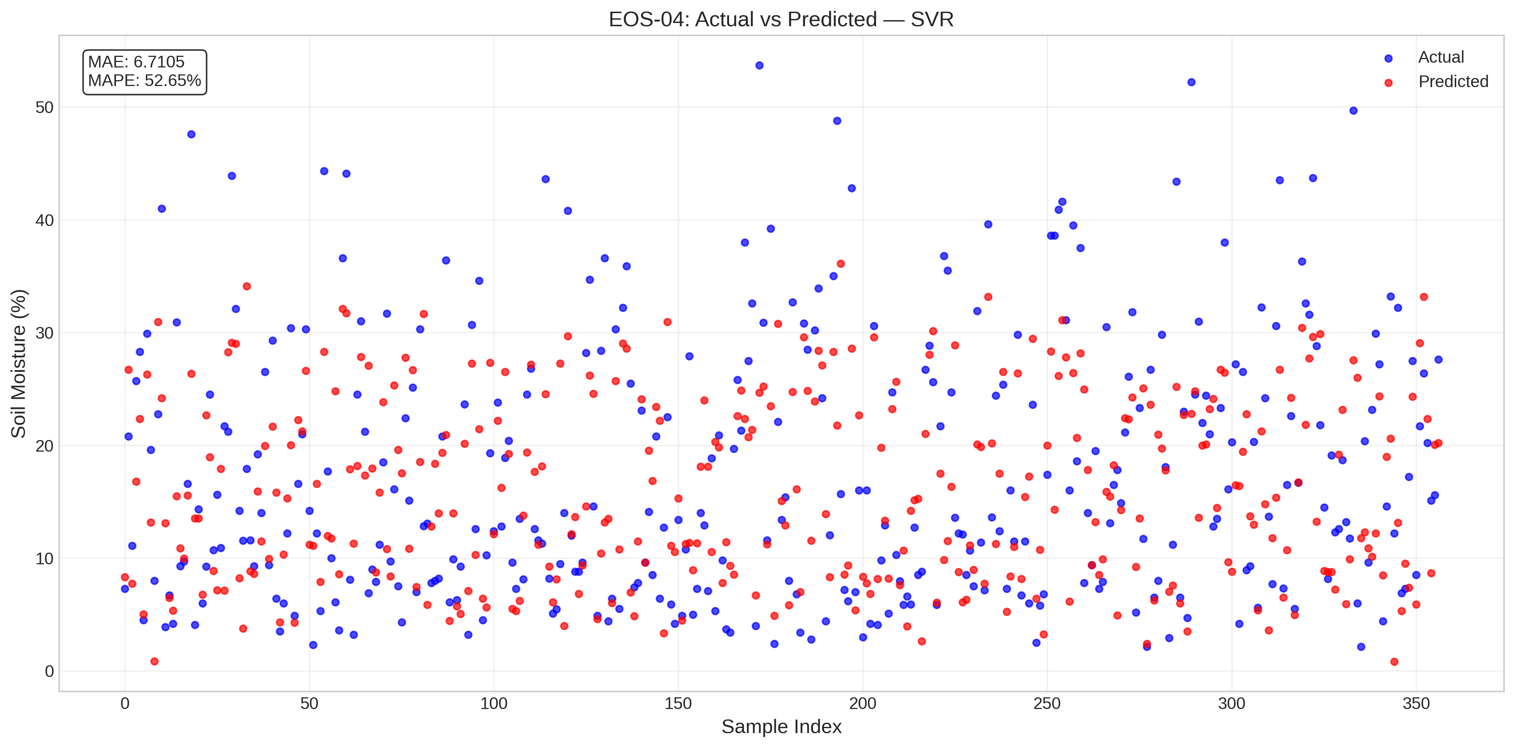
EOS-04_SVR_actual_vs_predicted.png
Satellite | Model / Architecture | Experiment Type | Data Type | Input Features | Test Set (plot data)
EOS-04 | SVR | Classical ML Regression — Uncensored | Uncensored | HH-pol, HV-pol, NDVI, DpRVI, Depolarization_Rate | ~195 samples (10% held-out split) Total dataset: 1953 rows Train 1562 · Val 196 · Test 195
Plot generated from the test split of EOS-04 processed CSV (80% train · 10% val · 10% test). Each point represents one field measurement.

EOS-04_XGBoost_actual_vs_predic
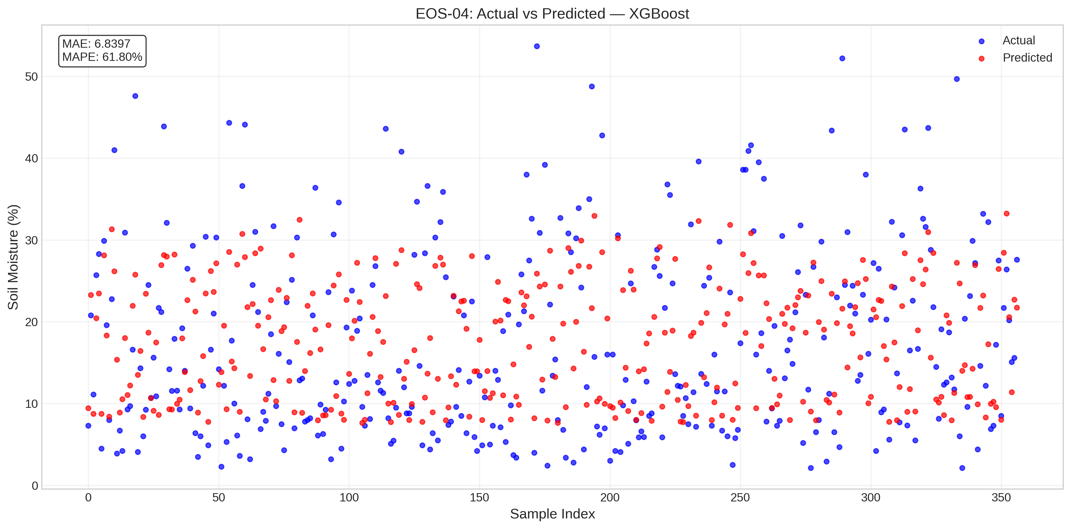
EOS-04_XGBoost_actual_vs_predicted.png
Satellite | Model / Architecture | Experiment Type | Data Type | Input Features | Test Set (plot data)
EOS-04 | XGBoost | Classical ML Regression — Uncensored | Uncensored | HH-pol, HV-pol, NDVI, DpRVI, Depolarization_Rate | ~195 samples (10% held-out split) Total dataset: 1953 rows Train 1562 · Val 196 · Test 195
Plot generated from the test split of EOS-04 processed CSV (80% train · 10% val · 10% test). Each point represents one field measurement.

Sentinel-1_AdaBoost_actual_vs_p
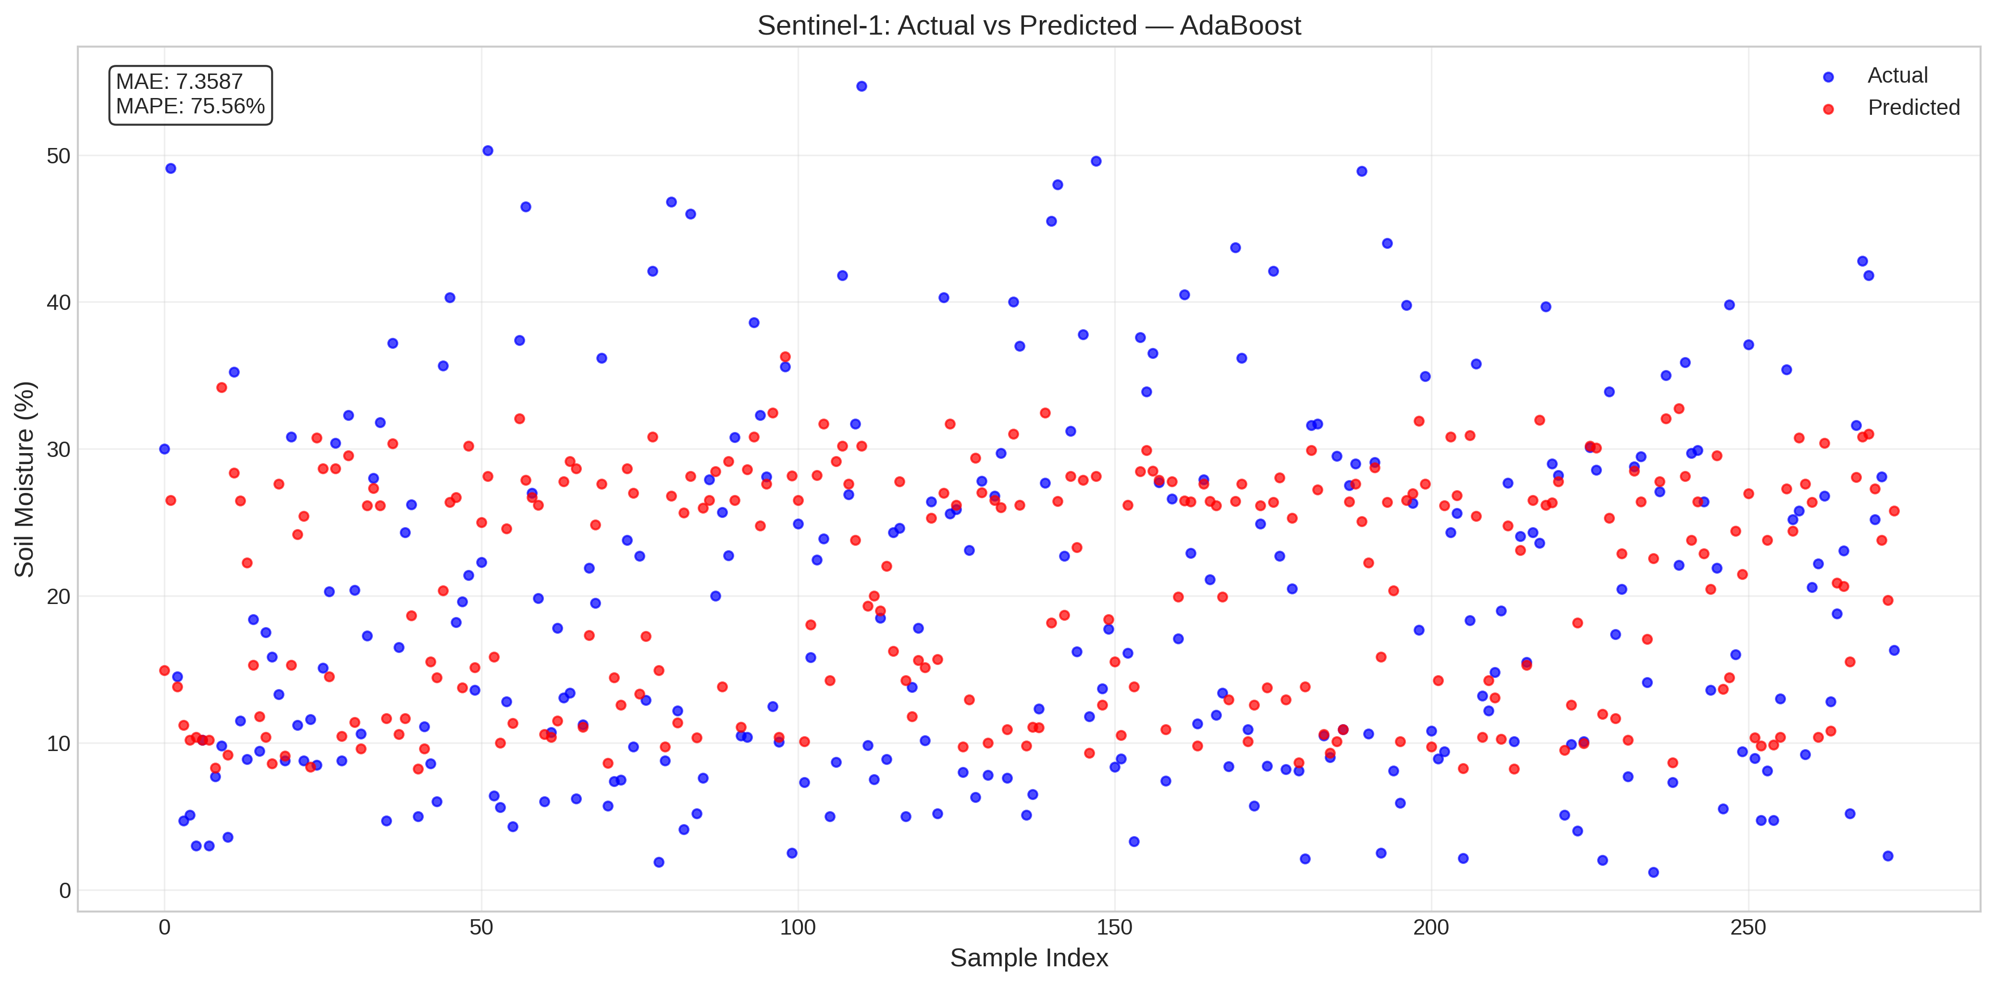
Sentinel-1_AdaBoost_actual_vs_predicted.png
Satellite | Model / Architecture | Experiment Type | Data Type | Input Features | Test Set (plot data)
Sentinel-1 | AdaBoost | Classical ML Regression — Uncensored | Uncensored | VH-pol, VV-pol, NDVI, DpRVI, Depolarization_Rate | ~158 samples (10% held-out split) Total dataset: 1575 rows Train 1260 · Val 157 · Test 158
Plot generated from the test split of Sentinel-1 processed CSV (80% train · 10% val · 10% test). Each point represents one field measurement.

Sentinel-1_RandomForest_actual_
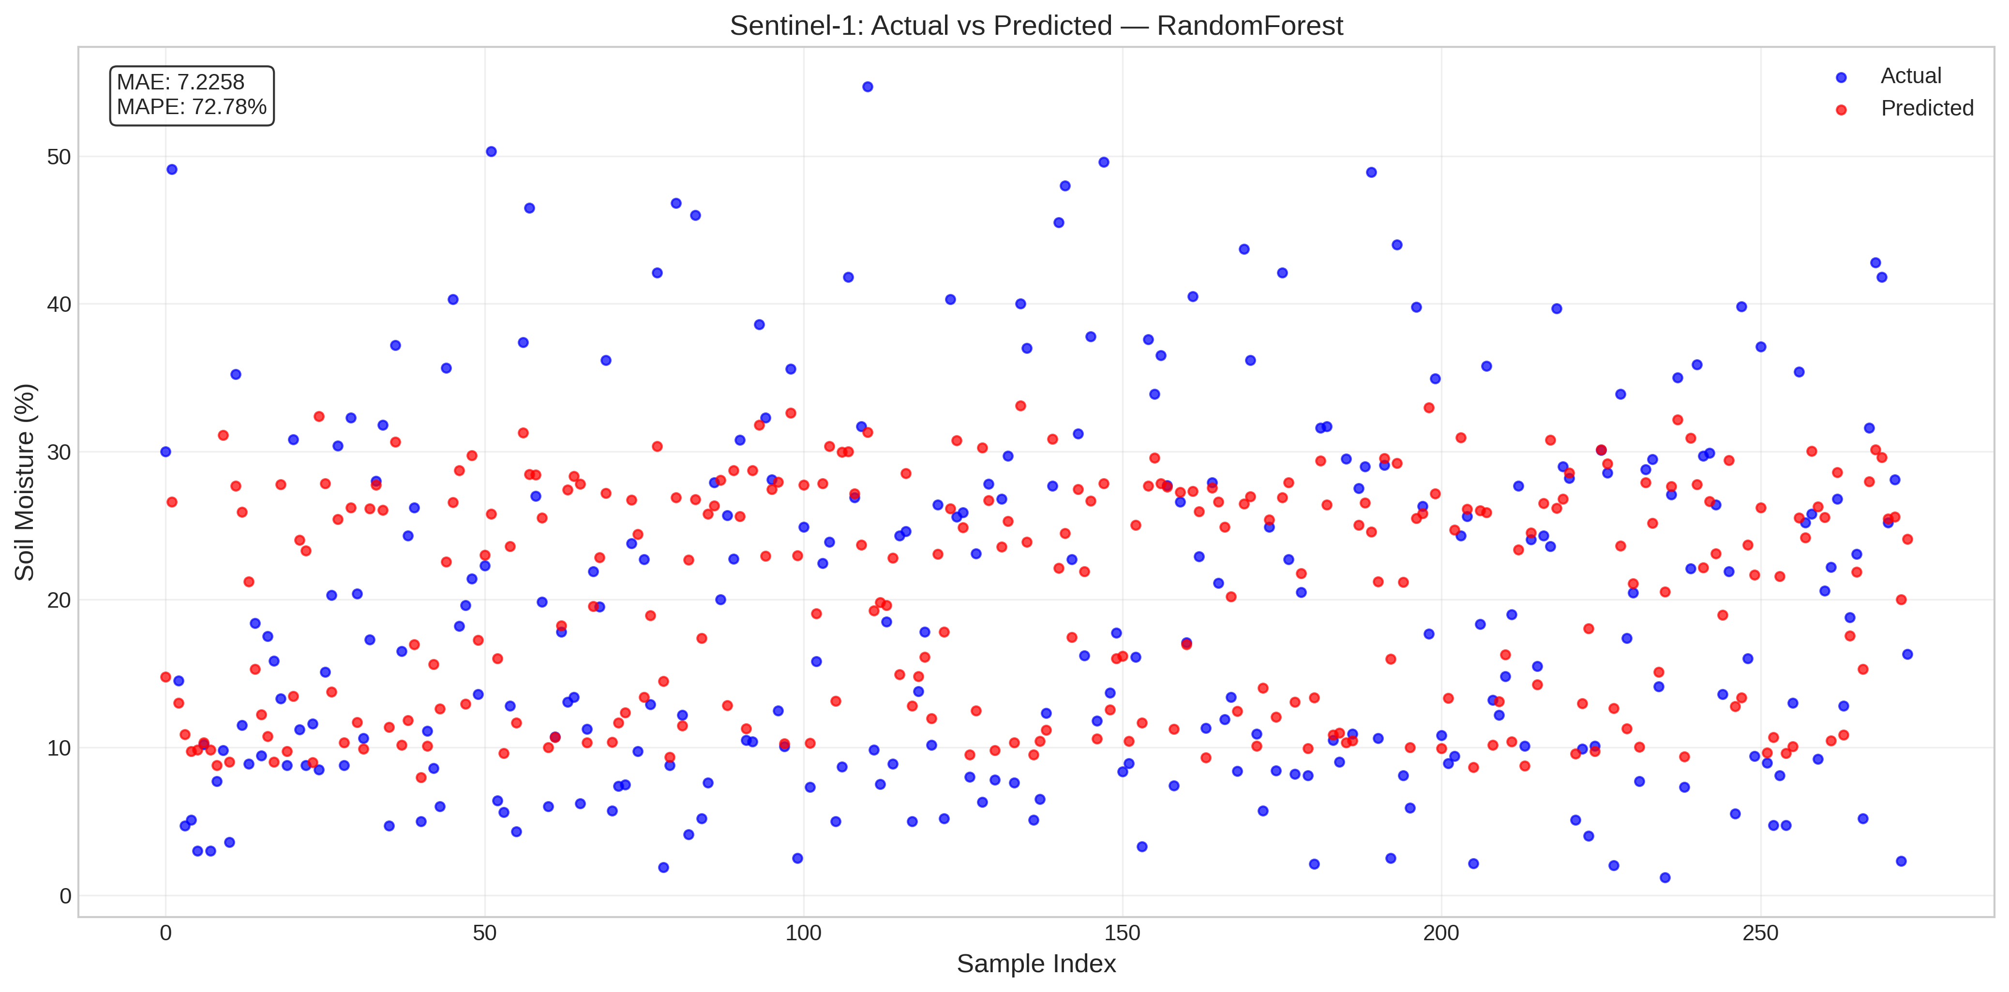
Sentinel-1_RandomForest_actual_vs_predicted.png
Satellite | Model / Architecture | Experiment Type | Data Type | Input Features | Test Set (plot data)
Sentinel-1 | RandomForest | Classical ML Regression — Uncensored | Uncensored | VH-pol, VV-pol, NDVI, DpRVI, Depolarization_Rate | ~158 samples (10% held-out split) Total dataset: 1575 rows Train 1260 · Val 157 · Test 158
Plot generated from the test split of Sentinel-1 processed CSV (80% train · 10% val · 10% test). Each point represents one field measurement.

Sentinel-1_SVR_actual_vs_predic
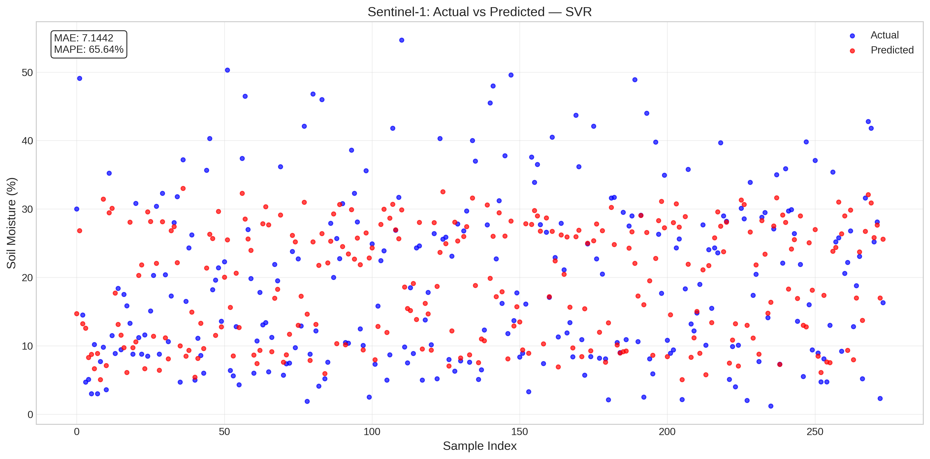
Sentinel-1_SVR_actual_vs_predicted.png
Satellite | Model / Architecture | Experiment Type | Data Type | Input Features | Test Set (plot data)
Sentinel-1 | SVR | Classical ML Regression — Uncensored | Uncensored | VH-pol, VV-pol, NDVI, DpRVI, Depolarization_Rate | ~158 samples (10% held-out split) Total dataset: 1575 rows Train 1260 · Val 157 · Test 158
Plot generated from the test split of Sentinel-1 processed CSV (80% train · 10% val · 10% test). Each point represents one field measurement.

Sentinel-1_XGBoost_actual_vs_pr
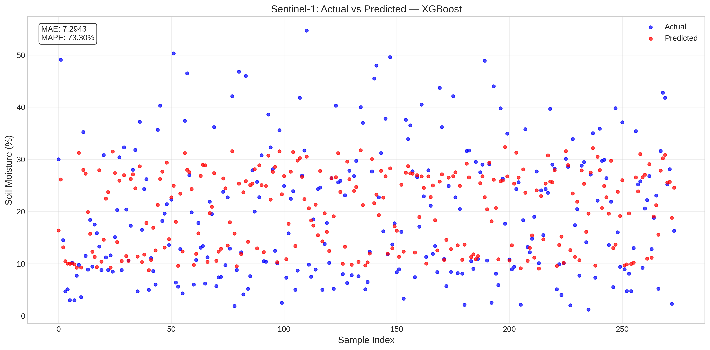
Sentinel-1_XGBoost_actual_vs_predicted.png
Satellite | Model / Architecture | Experiment Type | Data Type | Input Features | Test Set (plot data)
Sentinel-1 | XGBoost | Classical ML Regression — Uncensored | Uncensored | VH-pol, VV-pol, NDVI, DpRVI, Depolarization_Rate | ~158 samples (10% held-out split) Total dataset: 1575 rows Train 1260 · Val 157 · Test 158
Plot generated from the test split of Sentinel-1 processed CSV (80% train · 10% val · 10% test). Each point represents one field measurement.

