Bhaji
EOS-04 · Bhaji (4 records)
Statistic | HH-pol | HV-pol | SM1 (%) | NDVI
N | 4 | 4 | 4 | 4
Mean | -7.7941 | -13.4773 | 24.0000 | 0.6660
Std Dev | 1.2302 | 1.9760 | 12.3118 | 0.1665
Variance | 1.5134 | 3.9047 | 151.5800 | 0.0277
Min | -8.5443 | -15.7022 | 13.6000 | 0.4961
25% | -8.4539 | -14.8047 | 16.6750 | 0.5462
Median | -8.3372 | -13.4063 | 20.4500 | 0.6543
75% | -7.6773 | -12.0789 | 27.7750 | 0.7741
Max | -5.9577 | -11.3947 | 41.5000 | 0.8593
Skewness | 1.9430 | -0.1264 | 1.4232 | 0.2498

Box Plots — Bhaji
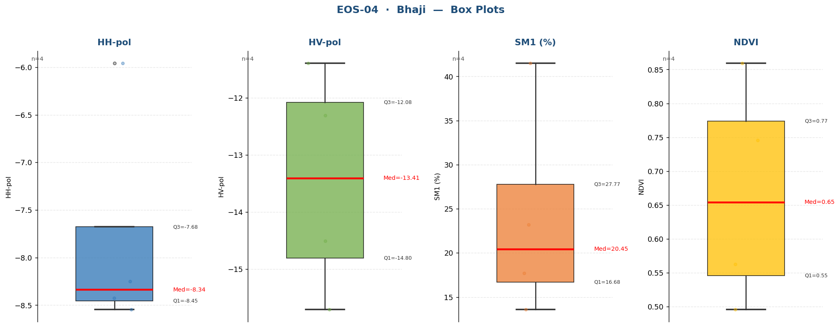

Raw Data (4 records)
Crop Name | HH-pol | HV-pol | SM1 (%) | NDVI | label
Bhaji | -5.9577 | -11.3947 | 17.7000 | 0.4961 | High
Bhaji | -8.2505 | -12.3070 | 41.5000 | 0.7457 | Very High
Bhaji | -8.4238 | -15.7022 | 13.6000 | 0.8593 | Medium
Bhaji | -8.5443 | -14.5055 | 23.2000 | 0.5629 | High

Chickori
EOS-04 · Chickori (60 records)
Statistic | HH-pol | HV-pol | SM1 (%) | NDVI
N | 60 | 60 | 60 | 60
Mean | -8.0334 | -14.7092 | 26.0706 | 0.6308
Std Dev | 1.6892 | 1.7949 | 12.9996 | 0.1793
Variance | 2.8533 | 3.2215 | 168.9907 | 0.0321
Min | -11.2618 | -18.0511 | 6.0000 | 0.1148
25% | -8.9927 | -15.9041 | 14.8000 | 0.5932
Median | -8.2091 | -14.4909 | 25.2000 | 0.6690
75% | -7.1490 | -13.3854 | 34.7250 | 0.7610
Max | -3.3892 | -10.5910 | 50.0000 | 0.8610
Skewness | 0.4313 | 0.0174 | 0.2801 | -1.3665

Box Plots — Chickori
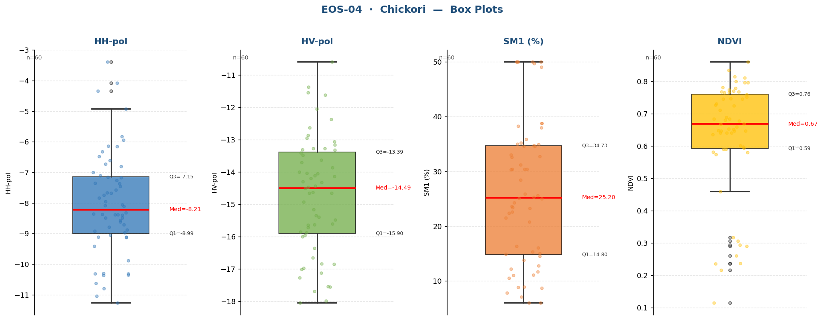

Raw Data (60 records)
Crop Name | HH-pol | HV-pol | SM1 (%) | NDVI | label
Chickori | -8.5695 | -13.3250 | 14.5000 | 0.2153 | Medium
Chickori | -6.6094 | -17.2707 | 11.0333 | 0.2372 | Medium
Chickori | -8.4862 | -15.8564 | 38.8000 | 0.2360 | Very High
Chickori | -8.3886 | -17.5427 | 8.8000 | 0.2935 | Medium
Chickori | -3.3891 | -15.4844 | 8.9000 | 0.3168 | Medium
Chickori | -6.1480 | -13.2700 | 35.9000 | 0.4592 | Very High
Chickori | -6.1437 | -12.3639 | 25.1000 | 0.7120 | High
Chickori | -9.1068 | -11.6177 | 23.6333 | 0.6537 | High
Chickori | -8.8812 | -14.0498 | 6.0000 | 0.6486 | Low
Chickori | -7.6655 | -16.9779 | 15.3000 | 0.6801 | Medium
Chickori | -6.7218 | -14.6519 | 10.5000 | 0.5900 | Medium
Chickori | -10.3016 | -12.9483 | 12.2000 | 0.6778 | Medium
Chickori | -8.0846 | -15.9685 | 11.7000 | 0.7270 | Medium
Chickori | -8.3787 | -10.5910 | 8.7000 | 0.7460 | Medium
Chickori | -7.4531 | -13.1559 | 34.6000 | 0.7789 | Very High
Chickori | -8.3134 | -11.5365 | 30.3667 | 0.7970 | High
Chickori | -8.6208 | -13.4055 | 6.0000 | 0.7313 | Low
Chickori | -5.8305 | -17.1317 | 7.8000 | 0.5737 | Low
Chickori | -7.7405 | -14.3259 | 7.1000 | 0.5807 | Low
Chickori | -10.6295 | -16.8479 | 30.3000 | 0.5899 | High
Chickori | -7.1742 | -13.6343 | 13.8000 | 0.6894 | Medium
Chickori | -6.4843 | -11.3633 | 25.6000 | 0.7672 | High
Chickori | -7.3603 | -14.1414 | 22.4000 | 0.7253 | High
Chickori | -4.3427 | -12.8636 | 35.0000 | 0.7687 | Very High
Chickori | -9.0491 | -16.0064 | 34.9000 | 0.6699 | Very High
Chickori | -4.0850 | -15.3982 | 23.4000 | 0.6848 | High
Chickori | -6.8055 | -12.0493 | 24.2667 | 0.6476 | High
Chickori | -7.5706 | -15.6327 | 50.0000 | 0.6518 | Very High
Chickori | -10.3108 | -16.6583 | 50.0000 | 0.5817 | Very High
Chickori | -7.1107 | -14.4702 | 23.2667 | 0.6467 | High
Chickori | -5.9469 | -12.6293 | 25.0000 | 0.6408 | High
Chickori | -8.4924 | -14.0406 | 21.5000 | 0.6839 | High
Chickori | -8.3518 | -15.7204 | 50.0000 | 0.6416 | Very High
Chickori | -8.9127 | -15.8827 | 28.4333 | 0.6367 | High
Chickori | -8.3941 | -14.4306 | 15.0000 | 0.8147 | Medium
Chickori | -7.1618 | -18.0511 | 30.4000 | 0.8356 | High
Chickori | -9.4070 | -16.3584 | 32.7000 | 0.7824 | Very High
Chickori | -7.6830 | -14.2940 | 20.8000 | 0.7465 | High
Chickori | -8.7029 | -14.6517 | 34.6000 | 0.6478 | Very High
Chickori | -8.3729 | -14.0061 | 31.2333 | 0.6015 | Very High
Chickori | -8.0502 | -14.5116 | 50.0000 | 0.7681 | Very High
Chickori | -7.9529 | -14.2015 | 50.0000 | 0.7524 | Very High
Chickori | -7.3552 | -15.6407 | 32.6000 | 0.7963 | Very High
Chickori | -7.0064 | -15.3478 | 34.6667 | 0.7706 | Very High
Chickori | -6.3254 | -17.6933 | 25.9000 | 0.8610 | High
Chickori | -7.8400 | -14.9222 | 49.7000 | 0.8005 | Very High
Chickori | -4.9218 | -14.6292 | 49.0667 | 0.8114 | Very High
Chickori | -9.1168 | -13.8685 | 16.3000 | 0.7654 | Medium
Chickori | -11.0451 | -13.4866 | 14.9000 | 0.6601 | Medium
Chickori | -10.3126 | -13.3066 | 16.0667 | 0.5942 | Medium
Chickori | -8.9739 | -13.0633 | 38.0000 | 0.7472 | Very High
Chickori | -10.7928 | -14.1169 | 25.3000 | 0.7743 | High
Chickori | -7.2563 | -16.8507 | 38.3000 | 0.7595 | Very High
Chickori | -10.3453 | -15.6037 | 38.8000 | 0.6681 | Very High
Chickori | -9.1246 | -13.7024 | 22.6000 | 0.5981 | High
Chickori | -8.1047 | -13.2684 | 12.8000 | 0.3066 | Medium
Chickori | -10.3588 | -15.1596 | 33.0000 | 0.2906 | Very High
Chickori | -8.7931 | -17.5653 | 35.2000 | 0.2600 | Very High
Chickori | -11.2618 | -17.9935 | 30.4000 | 0.6407 | High
Chickori | -9.8847 | -17.0137 | 11.1000 | 0.1148 | Medium

Daicha
EOS-04 · Daicha (1 records)
Statistic | HH-pol | HV-pol | SM1 (%) | NDVI
N | 1 | 1 | 1 | 1
Mean | -7.7477 | -17.3354 | 13.3000 | 0.3100
Std Dev
Variance
Min | -7.7477 | -17.3354 | 13.3000 | 0.3100
25% | -7.7477 | -17.3354 | 13.3000 | 0.3100
Median | -7.7477 | -17.3354 | 13.3000 | 0.3100
75% | -7.7477 | -17.3354 | 13.3000 | 0.3100
Max | -7.7477 | -17.3354 | 13.3000 | 0.3100
Skewness

Box Plots — Daicha
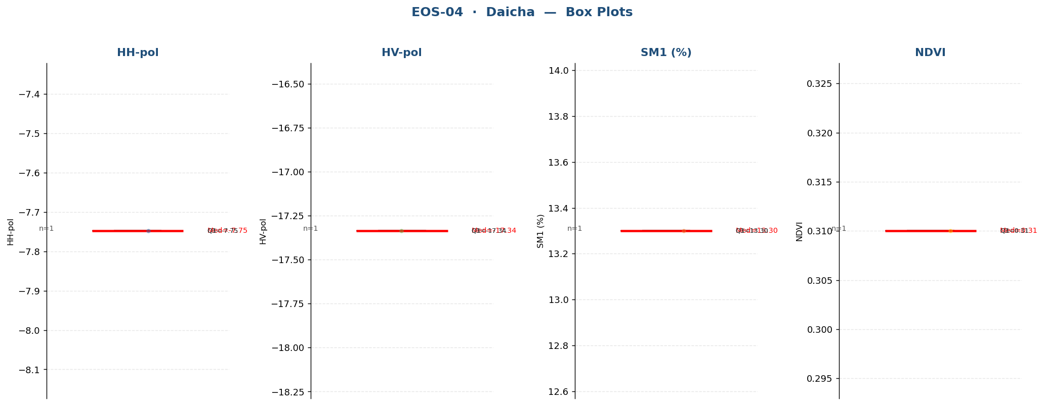

Raw Data (1 records)
Crop Name | HH-pol | HV-pol | SM1 (%) | NDVI | label
Daicha | -7.7477 | -17.3354 | 13.3000 | 0.3100 | Medium

Dalia
EOS-04 · Dalia (1 records)
Statistic | HH-pol | HV-pol | SM1 (%) | NDVI
N | 1 | 1 | 1 | 1
Mean | -9.4895 | -17.5486 | 52.2000 | 0.7268
Std Dev
Variance
Min | -9.4895 | -17.5486 | 52.2000 | 0.7268
25% | -9.4895 | -17.5486 | 52.2000 | 0.7268
Median | -9.4895 | -17.5486 | 52.2000 | 0.7268
75% | -9.4895 | -17.5486 | 52.2000 | 0.7268
Max | -9.4895 | -17.5486 | 52.2000 | 0.7268
Skewness

Box Plots — Dalia
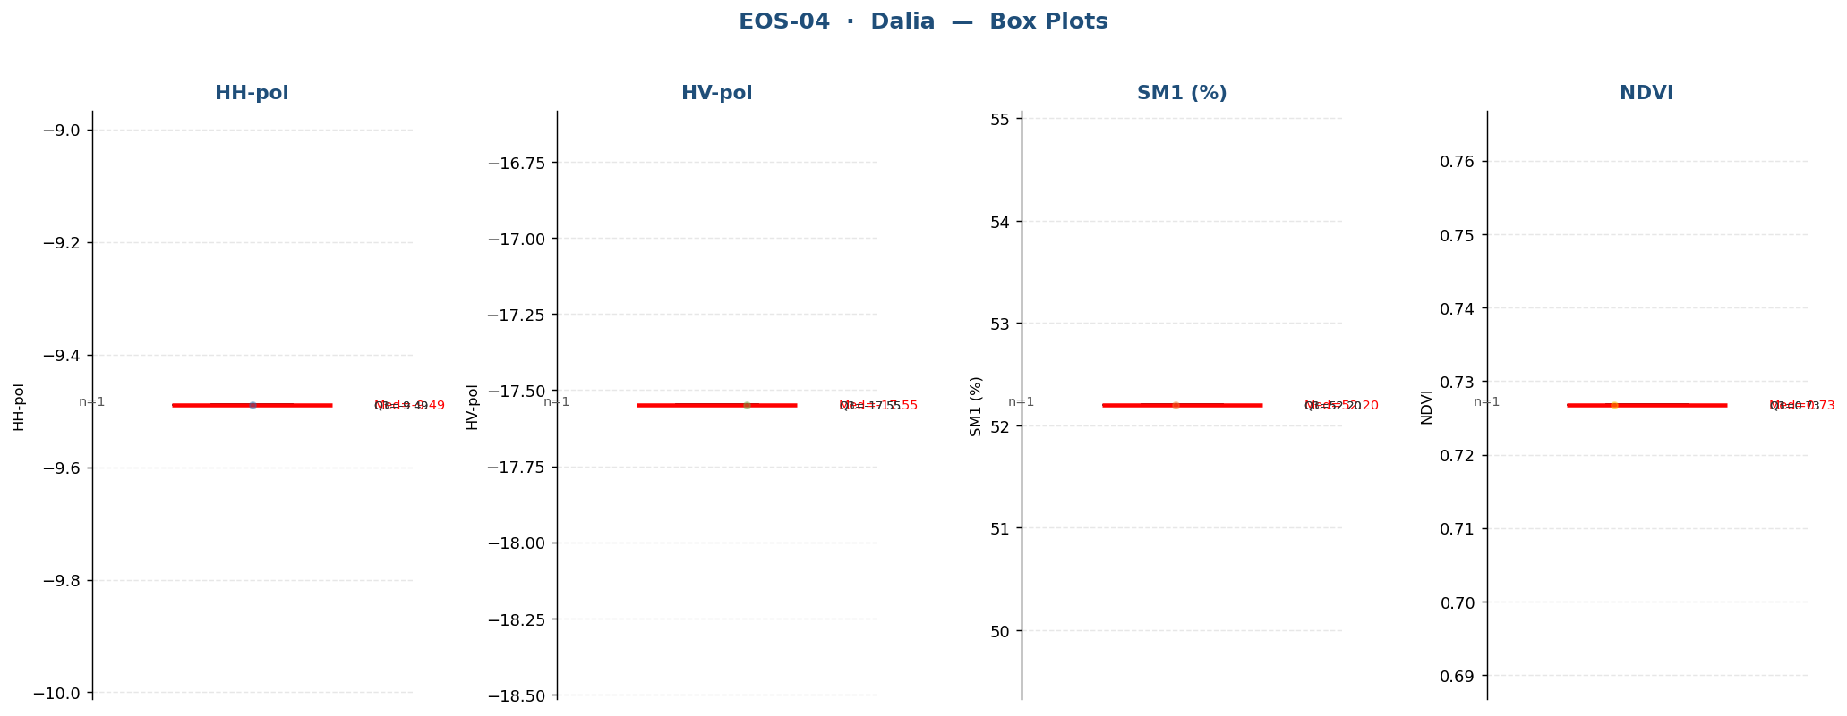

Raw Data (1 records)
Crop Name | HH-pol | HV-pol | SM1 (%) | NDVI | label
Dalia | -9.4895 | -17.5486 | 52.2000 | 0.7268 | Very High

Fallow
EOS-04 · Fallow (876 records)
Statistic | HH-pol | HV-pol | SM1 (%) | NDVI
N | 876 | 876 | 876 | 876
Mean | -9.7251 | -17.5186 | 12.2857 | 0.2238
Std Dev | 2.1325 | 2.3359 | 11.1511 | 0.1423
Variance | 4.5475 | 5.4563 | 124.3474 | 0.0202
Min | -16.1122 | -25.0420 | 1.2000 | 0.0616
25% | -11.1208 | -19.1545 | 5.6833 | 0.1356
Median | -9.7783 | -17.5855 | 8.1000 | 0.1745
75% | -8.4245 | -15.9506 | 14.0000 | 0.2584
Max | -3.0745 | -8.9832 | 50.0000 | 0.8384
Skewness | 0.2275 | 0.1670 | 2.0532 | 2.0827

Box Plots — Fallow
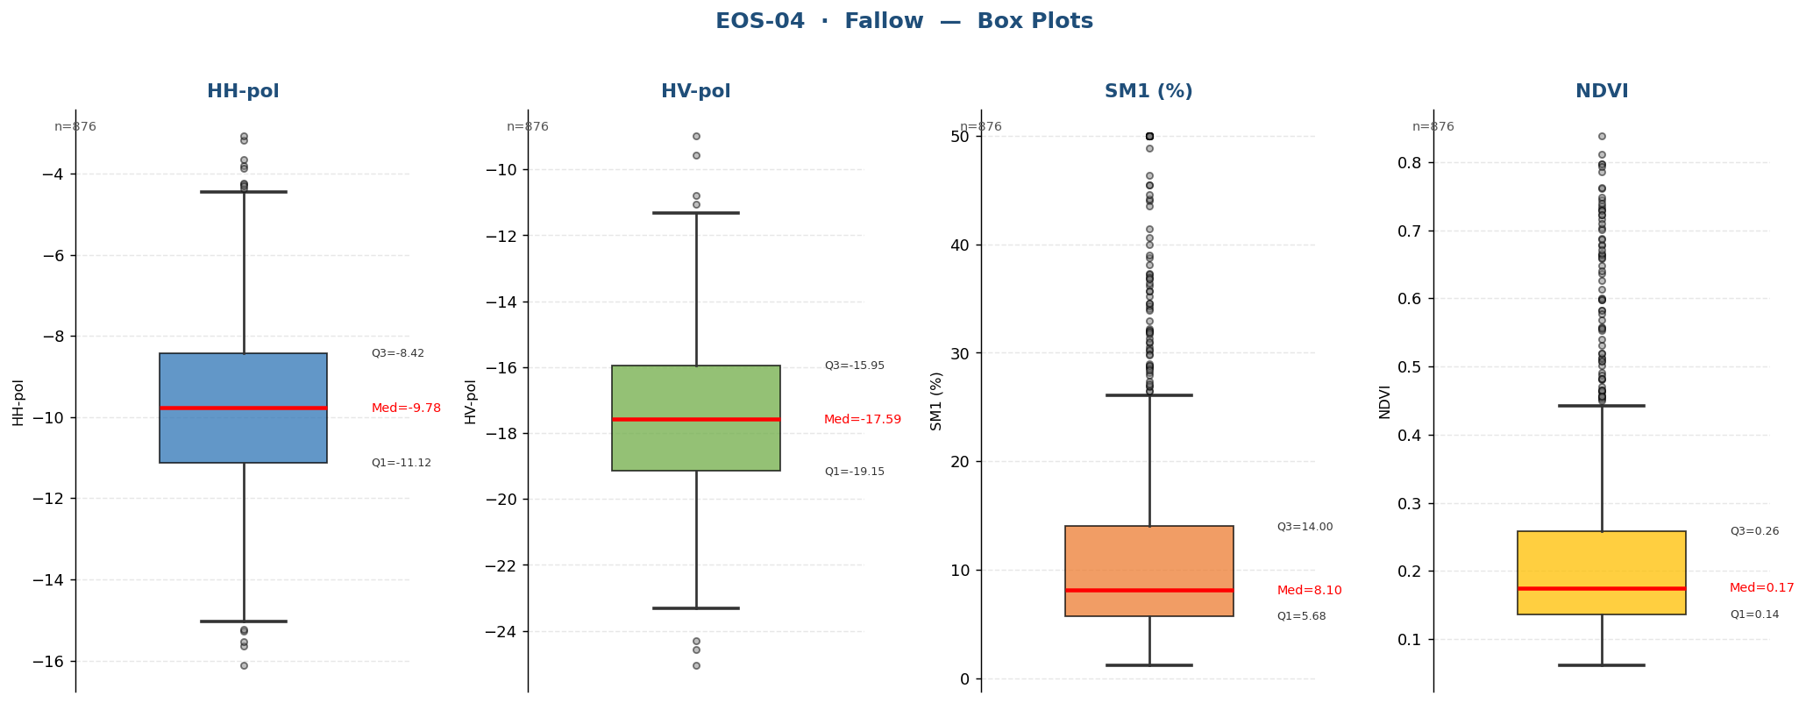

Raw Data (876 records)
Crop Name | HH-pol | HV-pol | SM1 (%) | NDVI | label
Fallow | -9.3094 | -17.0018 | 8.2000 | 0.1873 | Medium
Fallow | -9.6235 | -17.1517 | 6.0000 | 0.1471 | Low
Fallow | -6.8065 | -17.5908 | 2.7000 | 0.1512 | Low
Fallow | -7.9306 | -19.2929 | 3.8000 | 0.1791 | Low
Fallow | -10.3505 | -17.0513 | 4.7000 | 0.1800 | Low
Fallow | -10.0614 | -19.1301 | 5.0000 | 0.1244 | Low
Fallow | -12.0598 | -19.2942 | 2.1000 | 0.2444 | Low
Fallow | -10.3070 | -19.4512 | 2.4000 | 0.1331 | Low
Fallow | -12.8257 | -21.2937 | 12.6000 | 0.1388 | Medium
Fallow | -10.2204 | -19.0692 | 5.0000 | 0.1442 | Low
Fallow | -8.6176 | -20.4201 | 6.8000 | 0.1554 | Low
Fallow | -12.7360 | -17.8405 | 6.2000 | 0.3020 | Low
Fallow | -12.2253 | -22.5435 | 5.8333 | 0.2803 | Low
Fallow | -10.9257 | -15.4992 | 6.3000 | 0.1222 | Low
Fallow | -12.6588 | -16.4699 | 3.8000 | 0.1351 | Low
Fallow | -12.5711 | -20.6638 | 6.3000 | 0.1115 | Low
Fallow | -12.6319 | -15.3424 | 7.0000 | 0.1305 | Low
Fallow | -13.0212 | -15.6957 | 7.6000 | 0.1522 | Low
Fallow | -11.5463 | -13.2147 | 8.7000 | 0.1271 | Medium
Fallow | -10.5884 | -15.8536 | 5.0000 | 0.2728 | Low
Fallow | -8.4251 | -17.4077 | 4.0000 | 0.1276 | Low
Fallow | -12.0299 | -15.6005 | 3.4000 | 0.1281 | Low
Fallow | -13.0662 | -14.9699 | 5.3000 | 0.1219 | Low
Fallow | -12.0468 | -19.2503 | 2.4000 | 0.1379 | Low
Fallow | -8.4518 | -17.3178 | 6.8000 | 0.1328 | Low
Fallow | -9.3763 | -19.0020 | 3.0000 | 0.1443 | Low
Fallow | -8.8462 | -15.8138 | 4.3000 | 0.1546 | Low
Fallow | -9.5058 | -15.5643 | 3.0333 | 0.1573 | Low
Fallow | -7.2449 | -18.3496 | 3.6000 | 0.1464 | Low
Fallow | -9.5581 | -16.2539 | 4.2000 | 0.1373 | Low
Fallow | -12.9185 | -19.1210 | 6.0000 | 0.1410 | Low
Fallow | -10.3566 | -17.4317 | 2.3000 | 0.2692 | Low
Fallow | -11.8979 | -19.2782 | 4.5333 | 0.1998 | Low
Fallow | -7.0813 | -15.5744 | 2.6000 | 0.2769 | Low
Fallow | -9.9969 | -18.6641 | 2.4000 | 0.1983 | Low
Fallow | -9.6124 | -16.5973 | 2.8000 | 0.4052 | Low
Fallow | -9.8358 | -15.6172 | 32.1000 | 0.3212 | Very High
Fallow | -9.1546 | -14.6485 | 5.8667 | 0.1540 | Low
Fallow | -5.9622 | -16.0004 | 14.4000 | 0.1295 | Medium
Fallow | -7.3993 | -16.9943 | 23.3000 | 0.4290 | High
Fallow | -12.4412 | -18.0735 | 4.3000 | 0.1404 | Low
Fallow | -9.0602 | -20.2811 | 40.6000 | 0.1409 | Very High
Fallow | -10.5291 | -19.3200 | 25.4667 | 0.1503 | High
Fallow | -9.9541 | -12.7377 | 4.5000 | 0.5565 | Low
Fallow | -10.9171 | -19.1987 | 5.2000 | 0.7615 | Low
Fallow | -7.8157 | -18.9431 | 4.8000 | 0.1639 | Low
Fallow | -6.5977 | -18.3928 | 27.4000 | 0.3602 | High
Fallow | -10.1896 | -14.5075 | 37.3000 | 0.2588 | Very High
Fallow | -9.9689 | -15.2461 | 8.2000 | 0.4030 | Medium
Fallow | -12.6130 | -20.1716 | 5.8667 | 0.2285 | Low
Fallow | -13.3849 | -19.7357 | 4.1000 | 0.2742 | Low
Fallow | -9.3674 | -16.3651 | 3.5000 | 0.1321 | Low
Fallow | -8.8645 | -15.5614 | 4.0000 | 0.2359 | Low
Fallow | -10.8119 | -15.7744 | 3.8000 | 0.2452 | Low
Fallow | -12.7750 | -17.4072 | 5.1333 | 0.1332 | Low
Fallow | -9.9245 | -18.7951 | 3.6000 | 0.1786 | Low
Fallow | -11.6508 | -17.9291 | 5.1000 | 0.1991 | Low
Fallow | -12.5527 | -17.3999 | 16.0000 | 0.1665 | Medium
Fallow | -8.4238 | -19.0550 | 2.8000 | 0.2143 | Low
Fallow | -10.1243 | -19.8444 | 10.7667 | 0.3143 | Medium
Fallow | -8.6232 | -17.7477 | 3.2000 | 0.2110 | Low
Fallow | -13.3840 | -18.1786 | 6.5000 | 0.2122 | Low
Fallow | -9.9394 | -18.4850 | 6.0000 | 0.1511 | Low
Fallow | -12.5722 | -19.6052 | 4.9000 | 0.1515 | Low
Fallow | -11.5867 | -22.1379 | 6.0667 | 0.2010 | Low
Fallow | -11.8499 | -18.4802 | 9.6000 | 0.1979 | Medium
Fallow | -10.2915 | -16.8152 | 3.4000 | 0.1943 | Low
Fallow | -11.1849 | -20.6861 | 21.8000 | 0.4577 | High
Fallow | -9.2069 | -19.9340 | 5.9000 | 0.2606 | Low
Fallow | -9.8275 | -20.4162 | 4.6000 | 0.2023 | Low
Fallow | -11.9066 | -15.6542 | 3.9000 | 0.4525 | Low
Fallow | -9.5833 | -15.2667 | 3.8000 | 0.2785 | Low
Fallow | -11.4077 | -16.7459 | 2.7000 | 0.1981 | Low
Fallow | -10.6665 | -18.7068 | 2.3000 | 0.1958 | Low
Fallow | -10.4091 | -19.0085 | 3.8000 | 0.3259 | Low
Fallow | -10.6445 | -14.9134 | 4.4000 | 0.1671 | Low
Fallow | -10.8531 | -15.5749 | 3.0333 | 0.2733 | Low
Fallow | -11.5998 | -15.2404 | 2.7000 | 0.1461 | Low
Fallow | -10.1549 | -16.6594 | 1.8000 | 0.1366 | Low
Fallow | -10.2777 | -15.6244 | 6.5000 | 0.1410 | Low
Fallow | -11.4101 | -14.1852 | 4.3000 | 0.1528 | Low
Fallow | -9.9917 | -17.7198 | 4.3000 | 0.1353 | Low
Fallow | -16.1122 | -16.4793 | 3.4000 | 0.1340 | Low
Fallow | -12.4059 | -18.2571 | 3.4000 | 0.1318 | Low
Fallow | -11.4236 | -18.8493 | 3.5000 | 0.1318 | Low
Fallow | -9.7320 | -20.6896 | 8.1000 | 0.1514 | Medium
Fallow | -4.6154 | -16.6383 | 8.2000 | 0.1694 | Medium
Fallow | -5.9683 | -17.7861 | 7.6333 | 0.2960 | Low
Fallow | -8.3486 | -15.8898 | 6.7000 | 0.1425 | Low
Fallow | -11.1466 | -17.5219 | 4.5000 | 0.1270 | Low
Fallow | -8.5232 | -20.6759 | 7.2000 | 0.1368 | Low
Fallow | -10.1982 | -20.3320 | 10.9000 | 0.5984 | Medium
Fallow | -8.4192 | -16.5336 | 7.3000 | 0.1166 | Low
Fallow | -12.5390 | -19.5973 | 3.1000 | 0.2044 | Low
Fallow | -9.7171 | -19.0863 | 6.3000 | 0.1535 | Low
Fallow | -8.5831 | -19.8472 | 8.2000 | 0.3461 | Medium
Fallow | -10.1059 | -19.3042 | 3.1000 | 0.1532 | Low
Fallow | -8.6396 | -17.6376 | 3.0667 | 0.1459 | Low
Fallow | -11.7059 | -19.3558 | 4.8000 | 0.2034 | Low
Fallow | -12.5956 | -18.6620 | 6.0000 | 0.1316 | Low
Fallow | -8.3175 | -16.2429 | 4.7000 | 0.2220 | Low
Fallow | -13.6996 | -17.9134 | 5.3000 | 0.1280 | Low
Fallow | -12.8282 | -17.0029 | 3.9333 | 0.1805 | Low
Fallow | -10.1432 | -16.1852 | 7.5000 | 0.1601 | Low
Fallow | -9.9271 | -13.4896 | 5.5000 | 0.1386 | Low
Fallow | -8.0257 | -17.0013 | 3.6000 | 0.1261 | Low
Fallow | -6.7915 | -13.4038 | 4.1333 | 0.3976 | Low
Fallow | -11.3993 | -16.9571 | 3.9000 | 0.1339 | Low
Fallow | -10.3728 | -18.1066 | 3.2000 | 0.1414 | Low
Fallow | -12.7393 | -18.6088 | 6.2000 | 0.1934 | Low
Fallow | -13.7772 | -20.5564 | 6.0000 | 0.1577 | Low
Fallow | -13.0178 | -18.8731 | 5.2000 | 0.2299 | Low
Fallow | -12.1288 | -17.8379 | 4.6000 | 0.1077 | Low
Fallow | -10.8719 | -17.3100 | 6.4000 | 0.0946 | Low
Fallow | -8.4750 | -17.8361 | 3.9000 | 0.1814 | Low
Fallow | -13.2706 | -18.0800 | 9.9000 | 0.1278 | Medium
Fallow | -9.5277 | -15.9263 | 4.6000 | 0.1066 | Low
Fallow | -10.5547 | -18.7343 | 3.6333 | 0.1470 | Low
Fallow | -8.0458 | -16.0443 | 4.8000 | 0.2272 | Low
Fallow | -11.4912 | -14.5809 | 6.0000 | 0.1072 | Low
Fallow | -12.4182 | -19.9374 | 7.0000 | 0.0995 | Low
Fallow | -8.4706 | -18.0747 | 6.1000 | 0.1520 | Low
Fallow | -9.3815 | -15.6557 | 4.6667 | 0.1016 | Low
Fallow | -9.7678 | -19.8534 | 5.6000 | 0.1128 | Low
Fallow | -8.0899 | -20.0004 | 6.0000 | 0.0914 | Low
Fallow | -13.2588 | -19.6964 | 7.5000 | 0.1272 | Low
Fallow | -12.5770 | -18.3480 | 6.0000 | 0.4407 | Low
Fallow | -12.4241 | -21.5835 | 4.2333 | 0.1239 | Low
Fallow | -8.8103 | -16.9990 | 4.5000 | 0.1008 | Low
Fallow | -9.5560 | -20.4359 | 4.4000 | 0.0856 | Low
Fallow | -10.8836 | -19.1706 | 4.9000 | 0.0792 | Low
Fallow | -9.8967 | -18.5101 | 5.1000 | 0.0830 | Low
Fallow | -9.9474 | -19.9898 | 5.2333 | 0.1011 | Low
Fallow | -9.7347 | -17.5463 | 3.1000 | 0.1154 | Low
Fallow | -8.3977 | -18.1889 | 3.4000 | 0.1855 | Low
Fallow | -10.9022 | -20.4282 | 5.3000 | 0.0867 | Low
Fallow | -9.0664 | -20.1519 | 5.9000 | 0.1102 | Low
Fallow | -9.9862 | -19.5414 | 5.1000 | 0.0899 | Low
Fallow | -13.5217 | -18.0639 | 5.3000 | 0.1488 | Low
Fallow | -9.5324 | -21.0133 | 2.0000 | 0.1473 | Low
Fallow | -12.9274 | -18.3412 | 5.6000 | 0.1129 | Low
Fallow | -12.3096 | -18.7518 | 4.5000 | 0.1230 | Low
Fallow | -7.2365 | -17.4462 | 2.9000 | 0.1059 | Low
Fallow | -5.3036 | -16.9171 | 4.4000 | 0.1369 | Low
Fallow | -10.8002 | -20.3660 | 5.2000 | 0.1549 | Low
Fallow | -9.4701 | -20.0363 | 4.4000 | 0.1677 | Low
Fallow | -8.8186 | -20.7206 | 6.3333 | 0.1579 | Low
Fallow | -6.3153 | -14.8889 | 5.9000 | 0.1594 | Low
Fallow | -10.8824 | -17.1218 | 9.6000 | 0.2389 | Medium
Fallow | -13.5511 | -17.0888 | 10.6000 | 0.2937 | Medium
Fallow | -6.1314 | -14.6600 | 8.4000 | 0.5986 | Medium
Fallow | -10.5901 | -20.7581 | 5.2000 | 0.0713 | Low
Fallow | -11.8405 | -20.2147 | 3.6000 | 0.1123 | Low
Fallow | -12.9239 | -17.1784 | 4.0000 | 0.1353 | Low
Fallow | -11.0489 | -19.7462 | 14.3000 | 0.0902 | Medium
Fallow | -10.3795 | -19.6409 | 4.7333 | 0.0976 | Low
Fallow | -10.6719 | -17.0116 | 8.8000 | 0.1342 | Medium
Fallow | -11.1207 | -17.8998 | 7.5000 | 0.1748 | Low
Fallow | -6.9806 | -19.1170 | 16.5000 | 0.1187 | Medium
Fallow | -11.1056 | -15.6527 | 5.1000 | 0.1482 | Low
Fallow | -12.8535 | -16.7651 | 5.0333 | 0.1288 | Low
Fallow | -10.2783 | -19.2046 | 10.1000 | 0.1249 | Medium
Fallow | -11.1210 | -18.5113 | 4.0000 | 0.1560 | Low
Fallow | -10.8248 | -17.2584 | 10.9000 | 0.2089 | Medium
Fallow | -9.4462 | -20.6972 | 12.1000 | 0.1797 | Medium
Fallow | -11.5857 | -18.7334 | 4.5000 | 0.1360 | Low
Fallow | -11.6128 | -21.1489 | 9.2000 | 0.1299 | Medium
Fallow | -10.9807 | -20.5708 | 8.6000 | 0.1493 | Medium
Fallow | -11.7334 | -14.9529 | 5.3000 | 0.3252 | Low
Fallow | -12.8976 | -22.3723 | 8.8000 | 0.1330 | Medium
Fallow | -11.0307 | -22.9416 | 7.9000 | 0.1474 | Low
Fallow | -9.2671 | -18.8370 | 8.0000 | 0.0932 | Low
Fallow | -9.1529 | -16.9023 | 7.5000 | 0.1134 | Low
Fallow | -9.3778 | -18.7760 | 7.7000 | 0.0616 | Low
Fallow | -10.1953 | -21.2705 | 6.5333 | 0.0900 | Low
Fallow | -13.5831 | -19.5702 | 10.1000 | 0.1171 | Medium
Fallow | -7.6086 | -17.8889 | 7.3000 | 0.1618 | Low
Fallow | -11.9363 | -20.2576 | 5.7000 | 0.1595 | Low
Fallow | -10.7691 | -18.3809 | 10.9000 | 0.1644 | Medium
Fallow | -10.1175 | -17.9015 | 11.1667 | 0.1059 | Medium
Fallow | -9.6351 | -14.1782 | 7.2000 | 0.4419 | Low
Fallow | -10.8323 | -19.3439 | 12.2000 | 0.2554 | Medium
Fallow | -12.4923 | -17.7005 | 3.6000 | 0.1114 | Low
Fallow | -13.3514 | -18.0166 | 3.5000 | 0.1356 | Low
Fallow | -12.4104 | -19.6710 | 5.0000 | 0.1265 | Low
Fallow | -11.4470 | -19.2646 | 4.1000 | 0.2435 | Low
Fallow | -11.8544 | -17.1477 | 2.0000 | 0.1662 | Low
Fallow | -9.8558 | -18.1235 | 3.3000 | 0.2270 | Low
Fallow | -8.8256 | -17.0347 | 26.5000 | 0.3101 | High
Fallow | -12.1764 | -19.5592 | 3.5667 | 0.1437 | Low
Fallow | -8.5056 | -15.9439 | 3.5000 | 0.1761 | Low
Fallow | -9.2536 | -16.7552 | 4.2000 | 0.1966 | Low
Fallow | -10.4109 | -17.8677 | 2.3000 | 0.1771 | Low
Fallow | -11.2814 | -19.2223 | 3.8000 | 0.1580 | Low
Fallow | -14.3259 | -18.3308 | 5.8000 | 0.3296 | Low
Fallow | -12.1700 | -15.8919 | 3.4000 | 0.1259 | Low
Fallow | -10.3100 | -18.0131 | 3.7333 | 0.1813 | Low
Fallow | -10.9711 | -19.1512 | 5.8000 | 0.1430 | Low
Fallow | -10.7951 | -18.2569 | 5.9000 | 0.2901 | Low
Fallow | -10.5153 | -17.5802 | 4.9000 | 0.1372 | Low
Fallow | -11.1528 | -18.5854 | 8.9000 | 0.7319 | Medium
Fallow | -9.5605 | -14.2071 | 5.0000 | 0.0936 | Low
Fallow | -9.9756 | -17.3320 | 21.7000 | 0.0989 | High
Fallow | -12.7021 | -21.2413 | 6.0000 | 0.0880 | Low
Fallow | -8.7093 | -15.9436 | 5.7000 | 0.1051 | Low
Fallow | -8.8294 | -20.0266 | 4.9333 | 0.1515 | Low
Fallow | -12.3685 | -17.6712 | 6.6000 | 0.0782 | Low
Fallow | -9.9833 | -20.2923 | 4.5000 | 0.0759 | Low
Fallow | -11.1233 | -22.1802 | 4.9000 | 0.1070 | Low
Fallow | -10.6691 | -18.2204 | 6.5000 | 0.1118 | Low
Fallow | -11.6647 | -20.8407 | 6.7000 | 0.0930 | Low
Fallow | -11.2775 | -18.2318 | 1.3000 | 0.2030 | Low
Fallow | -9.7133 | -14.9305 | 1.5000 | 0.2240 | Low
Fallow | -12.8778 | -17.3188 | 5.5000 | 0.1245 | Low
Fallow | -11.9395 | -16.6588 | 6.6000 | 0.1197 | Low
Fallow | -11.7584 | -16.8314 | 4.7333 | 0.1363 | Low
Fallow | -10.7224 | -17.0762 | 6.7000 | 0.1012 | Low
Fallow | -8.7644 | -20.7882 | 5.1000 | 0.0968 | Low
Fallow | -12.1323 | -19.2558 | 4.5000 | 0.0884 | Low
Fallow | -9.6321 | -18.7257 | 12.3000 | 0.1073 | Medium
Fallow | -8.3754 | -19.0087 | 5.4667 | 0.0841 | Low
Fallow | -10.1759 | -19.2662 | 5.8000 | 0.2491 | Low
Fallow | -12.2818 | -18.6195 | 24.8000 | 0.1402 | High
Fallow | -9.1123 | -17.7916 | 10.7000 | 0.1368 | Medium
Fallow | -10.8465 | -17.7304 | 5.0000 | 0.0949 | Low
Fallow | -8.6817 | -17.8269 | 5.9000 | 0.2069 | Low
Fallow | -13.6694 | -17.1491 | 31.9000 | 0.2853 | Very High
Fallow | -15.0310 | -20.1679 | 5.4000 | 0.1856 | Low
Fallow | -13.2440 | -19.5706 | 4.7000 | 0.1402 | Low
Fallow | -11.2291 | -17.7356 | 1.9000 | 0.0765 | Low
Fallow | -15.2726 | -18.0514 | 2.1333 | 0.0952 | Low
Fallow | -8.0485 | -17.9763 | 23.3000 | 0.1660 | High
Fallow | -10.6653 | -15.9169 | 7.1000 | 0.1202 | Low
Fallow | -10.2616 | -19.3334 | 5.2000 | 0.0955 | Low
Fallow | -9.2145 | -15.3874 | 5.7000 | 0.1644 | Low
Fallow | -10.1696 | -19.1793 | 5.1667 | 0.1196 | Low
Fallow | -11.8137 | -18.5424 | 5.5000 | 0.2089 | Low
Fallow | -11.9547 | -20.2853 | 3.6000 | 0.0750 | Low
Fallow | -9.5490 | -17.5983 | 6.2000 | 0.1649 | Low
Fallow | -11.2233 | -18.5828 | 7.3000 | 0.1020 | Low
Fallow | -11.1039 | -17.0362 | 7.3333 | 0.1179 | Low
Fallow | -7.3871 | -15.0910 | 24.4000 | 0.7027 | High
Fallow | -6.5973 | -13.9734 | 20.8000 | 0.5315 | High
Fallow | -7.9812 | -18.4902 | 22.5000 | 0.3302 | High
Fallow | -4.8032 | -14.8196 | 38.1000 | 0.7166 | Very High
Fallow | -8.0354 | -12.6730 | 25.7000 | 0.3080 | High
Fallow | -7.5918 | -12.0860 | 24.4000 | 0.3059 | High
Fallow | -6.5511 | -12.5588 | 30.5000 | 0.2144 | High
Fallow | -8.2013 | -11.3304 | 32.2000 | 0.1041 | Very High
Fallow | -6.8152 | -14.8356 | 36.8000 | 0.0890 | Very High
Fallow | -7.2396 | -12.5651 | 30.9667 | 0.1459 | High
Fallow | -5.4927 | -14.8813 | 26.0000 | 0.3597 | High
Fallow | -4.7023 | -11.7619 | 23.8000 | 0.3943 | High
Fallow | -4.9936 | -9.5577 | 26.5000 | 0.4148 | High
Fallow | -3.8143 | -8.9832 | 32.9667 | 0.3661 | Very High
Fallow | -8.4421 | -14.3791 | 13.4000 | 0.4081 | Medium
Fallow | -7.2344 | -12.6562 | 24.5000 | 0.3875 | High
Fallow | -4.5662 | -11.8433 | 19.9000 | 0.3644 | High
Fallow | -6.0958 | -12.7380 | 26.8667 | 0.4808 | High
Fallow | -4.5274 | -13.2964 | 28.7000 | 0.2927 | High
Fallow | -4.3730 | -14.0566 | 28.8333 | 0.3162 | High
Fallow | -9.6799 | -17.0689 | 8.6000 | 0.2948 | Medium
Fallow | -10.8795 | -16.4961 | 19.7000 | 0.4378 | High
Fallow | -4.7667 | -15.5283 | 28.2000 | 0.2072 | High
Fallow | -6.4634 | -18.1147 | 31.3000 | 0.5072 | Very High
Fallow | -9.4776 | -12.5884 | 16.2000 | 0.2231 | Medium
Fallow | -7.0056 | -15.2191 | 12.9000 | 0.1787 | Medium
Fallow | -11.9150 | -16.7744 | 9.6000 | 0.6778 | Medium
Fallow | -6.8764 | -16.6581 | 8.8000 | 0.7014 | Medium
Fallow | -8.1482 | -14.9584 | 8.0000 | 0.3633 | Low
Fallow | -8.4360 | -16.2115 | 8.0000 | 0.4710 | Low
Fallow | -7.8633 | -16.9108 | 31.0000 | 0.3116 | High
Fallow | -6.9178 | -15.0552 | 34.1000 | 0.5120 | Very High
Fallow | -9.0780 | -14.3956 | 37.2000 | 0.3532 | Very High
Fallow | -12.3673 | -16.4646 | 13.8000 | 0.1597 | Medium
Fallow | -10.5732 | -19.1491 | 11.9000 | 0.1694 | Medium
Fallow | -7.4989 | -15.3895 | 14.9000 | 0.1647 | Medium
Fallow | -9.9629 | -16.1293 | 13.8333 | 0.1781 | Medium
Fallow | -8.6007 | -15.7598 | 16.0000 | 0.2000 | Medium
Fallow | -6.0407 | -12.5234 | 11.4000 | 0.2142 | Medium
Fallow | -10.7382 | -16.6534 | 8.5000 | 0.1933 | Medium
Fallow | -8.0663 | -14.8909 | 10.1667 | 0.2712 | Medium
Fallow | -7.2251 | -15.3148 | 15.4000 | 0.1740 | Medium
Fallow | -9.8725 | -13.0439 | 21.8000 | 0.4658 | High
Fallow | -9.4450 | -14.2350 | 45.5000 | 0.2614 | Very High
Fallow | -7.6177 | -15.6109 | 18.8000 | 0.2593 | High
Fallow | -8.6438 | -17.0072 | 15.7000 | 0.5534 | Medium
Fallow | -6.3096 | -12.5201 | 14.6000 | 0.2584 | Medium
Fallow | -8.8736 | -14.1993 | 13.0000 | 0.2017 | Medium
Fallow | -4.4589 | -17.1983 | 12.7000 | 0.1977 | Medium
Fallow | -8.4007 | -15.4095 | 10.9000 | 0.2744 | Medium
Fallow | -9.1015 | -18.8687 | 11.5667 | 0.2398 | Medium
Fallow | -9.2994 | -19.7905 | 8.5000 | 0.5011 | Medium
Fallow | -8.0510 | -18.9809 | 30.2000 | 0.2657 | High
Fallow | -8.2103 | -13.6238 | 14.6000 | 0.6640 | Medium
Fallow | -9.5711 | -16.0568 | 11.5000 | 0.2172 | Medium
Fallow | -9.7120 | -17.2148 | 16.0000 | 0.2995 | Medium
Fallow | -9.1826 | -16.7745 | 17.7000 | 0.2526 | High
Fallow | -8.1587 | -13.8507 | 30.3000 | 0.4634 | High
Fallow | -8.2963 | -13.2156 | 25.0000 | 0.5126 | High
Fallow | -7.1540 | -17.8454 | 9.3000 | 0.2370 | Medium
Fallow | -7.5260 | -14.1695 | 26.0667 | 0.4195 | High
Fallow | -9.9810 | -13.2577 | 11.6000 | 0.1465 | Medium
Fallow | -13.7665 | -19.1326 | 7.3000 | 0.1945 | Low
Fallow | -8.8727 | -17.7428 | 6.8000 | 0.1583 | Low
Fallow | -8.4705 | -17.1532 | 25.5000 | 0.1433 | High
Fallow | -9.3176 | -17.4973 | 6.6000 | 0.2787 | Low
Fallow | -7.1832 | -16.1856 | 19.0000 | 0.2097 | High
Fallow | -5.3260 | -13.4482 | 19.5000 | 0.1603 | High
Fallow | -9.0057 | -16.1422 | 19.6000 | 0.1595 | High
Fallow | -12.6097 | -18.7169 | 23.7000 | 0.2318 | High
Fallow | -8.4295 | -17.0573 | 18.8667 | 0.1612 | High
Fallow | -9.6718 | -18.0330 | 8.4000 | 0.1675 | Medium
Fallow | -9.1888 | -13.7637 | 7.5000 | 0.1909 | Low
Fallow | -9.6165 | -12.5773 | 11.3000 | 0.3931 | Medium
Fallow | -9.9291 | -13.2096 | 12.5000 | 0.4265 | Medium
Fallow | -7.5807 | -15.1945 | 29.0000 | 0.1968 | High
Fallow | -11.0089 | -15.4844 | 12.6000 | 0.2003 | Medium
Fallow | -8.0313 | -18.8682 | 20.3000 | 0.2646 | High
Fallow | -7.4586 | -17.6693 | 11.6000 | 0.2067 | Medium
Fallow | -9.6965 | -16.3736 | 10.3333 | 0.4044 | Medium
Fallow | -9.1865 | -14.8616 | 14.1000 | 0.3125 | Medium
Fallow | -6.7010 | -15.0627 | 12.6000 | 0.1636 | Medium
Fallow | -8.8150 | -16.6733 | 10.0000 | 0.2232 | Medium
Fallow | -8.4624 | -15.2437 | 13.5333 | 0.1828 | Medium
Fallow | -10.0994 | -15.9901 | 14.7000 | 0.1695 | Medium
Fallow | -6.9759 | -15.3507 | 13.4000 | 0.2608 | Medium
Fallow | -6.1760 | -15.4625 | 13.5000 | 0.1875 | Medium
Fallow | -8.3586 | -13.6347 | 11.4000 | 0.1688 | Medium
Fallow | -5.1396 | -16.3699 | 16.6000 | 0.1896 | High
Fallow | -6.6232 | -13.8727 | 25.0000 | 0.1954 | High
Fallow | -5.1986 | -17.9024 | 27.0000 | 0.1953 | High
Fallow | -7.1824 | -12.1853 | 22.0000 | 0.3047 | High
Fallow | -7.4147 | -15.4380 | 23.5000 | 0.2889 | High
Fallow | -6.3072 | -16.4916 | 25.6333 | 0.3227 | High
Fallow | -6.5201 | -13.7252 | 34.6000 | 0.3559 | Very High
Fallow | -6.7550 | -14.3575 | 35.2000 | 0.2599 | Very High
Fallow | -8.0978 | -17.2015 | 24.2000 | 0.1973 | High
Fallow | -4.7054 | -16.3183 | 28.6000 | 0.1576 | High
Fallow | -7.1627 | -16.8087 | 28.8000 | 0.2037 | High
Fallow | -9.7058 | -13.3971 | 4.4000 | 0.2423 | Low
Fallow | -12.1026 | -20.8367 | 3.7000 | 0.2149 | Low
Fallow | -8.2603 | -22.6962 | 50.0000 | 0.2472 | Very High
Fallow | -11.5015 | -20.7068 | 6.2333 | 0.2278 | Low
Fallow | -10.2580 | -20.7818 | 4.3000 | 0.2861 | Low
Fallow | -8.9028 | -19.3542 | 5.2000 | 0.1604 | Low
Fallow | -10.5962 | -17.9255 | 4.7000 | 0.1712 | Low
Fallow | -10.2813 | -14.2522 | 5.2000 | 0.1948 | Low
Fallow | -10.0447 | -16.1719 | 4.2667 | 0.2052 | Low
Fallow | -9.7436 | -16.8228 | 50.0000 | 0.2109 | Very High
Fallow | -3.1851 | -18.2523 | 50.0000 | 0.2103 | Very High
Fallow | -5.0538 | -15.1386 | 11.2000 | 0.1807 | Medium
Fallow | -7.6359 | -15.3069 | 10.3000 | 0.2669 | Medium
Fallow | -6.0877 | -14.0054 | 50.0000 | 0.2052 | Very High
Fallow | -7.5910 | -15.5280 | 7.3000 | 0.1689 | Low
Fallow | -10.0579 | -18.5031 | 4.7000 | 0.1709 | Low
Fallow | -8.3873 | -16.9049 | 25.4000 | 0.1963 | High
Fallow | -11.4819 | -18.5017 | 3.6000 | 0.2091 | Low
Fallow | -9.0384 | -17.2954 | 10.0667 | 0.1833 | Medium
Fallow | -9.0972 | -12.1868 | 9.3000 | 0.1765 | Medium
Fallow | -6.0090 | -11.0574 | 44.0000 | 0.3685 | Very High
Fallow | -9.8511 | -18.1213 | 10.4000 | 0.1693 | Medium
Fallow | -8.7430 | -16.3932 | 9.5000 | 0.2165 | Medium
Fallow | -11.0745 | -14.8132 | 50.0000 | 0.3083 | Very High
Fallow | -10.2556 | -18.7216 | 4.5000 | 0.2770 | Low
Fallow | -9.8266 | -14.9431 | 8.8000 | 0.3607 | Medium
Fallow | -7.5158 | -14.7887 | 50.0000 | 0.3068 | Very High
Fallow | -10.4334 | -14.3769 | 48.9000 | 0.1752 | Very High
Fallow | -10.6279 | -15.1352 | 9.8333 | 0.2657 | Medium
Fallow | -8.8466 | -18.3414 | 27.9000 | 0.2332 | High
Fallow | -5.5470 | -16.9786 | 36.2000 | 0.2115 | Very High
Fallow | -4.6067 | -10.7921 | 35.7000 | 0.1997 | Very High
Fallow | -5.8113 | -11.4304 | 36.4000 | 0.2464 | Very High
Fallow | -4.2599 | -12.1033 | 38.8000 | 0.2237 | Very High
Fallow | -6.2848 | -16.2722 | 50.0000 | 0.2106 | Very High
Fallow | -5.5629 | -16.2288 | 50.0000 | 0.2744 | Very High
Fallow | -7.5982 | -15.2360 | 50.0000 | 0.2421 | Very High
Fallow | -6.1110 | -12.9147 | 50.0000 | 0.4639 | Very High
Fallow | -6.9028 | -15.7894 | 50.0000 | 0.2183 | Very High
Fallow | -10.9741 | -18.0641 | 13.2000 | 0.2529 | Medium
Fallow | -6.7127 | -12.7405 | 6.4000 | 0.2220 | Low
Fallow | -9.9390 | -14.5421 | 19.6000 | 0.2802 | High
Fallow | -10.6552 | -15.1802 | 10.6667 | 0.2398 | Medium
Fallow | -8.7340 | -19.0875 | 22.6000 | 0.1899 | High
Fallow | -8.5496 | -16.3628 | 7.3000 | 0.2980 | Low
Fallow | -4.4859 | -15.7237 | 45.5000 | 0.1788 | Very High
Fallow | -7.9121 | -15.3249 | 12.6000 | 0.4032 | Medium
Fallow | -9.0115 | -18.8411 | 50.0000 | 0.1968 | Very High
Fallow | -8.7952 | -18.0004 | 19.3000 | 0.1947 | High
Fallow | -11.2594 | -20.7269 | 17.2000 | 0.2232 | High
Fallow | -12.8078 | -15.9140 | 11.2000 | 0.2318 | Medium
Fallow | -11.7715 | -15.4967 | 14.5000 | 0.1865 | Medium
Fallow | -14.1164 | -15.0017 | 18.5667 | 0.1860 | High
Fallow | -8.7636 | -20.3132 | 4.9000 | 0.2277 | Low
Fallow | -7.2741 | -19.7108 | 6.0000 | 0.4113 | Low
Fallow | -8.8895 | -20.0700 | 6.7000 | 0.2280 | Low
Fallow | -8.8099 | -14.2347 | 2.4000 | 0.3874 | Low
Fallow | -9.5878 | -15.9541 | 16.2000 | 0.2067 | Medium
Fallow | -13.1768 | -17.8273 | 13.5000 | 0.2034 | Medium
Fallow | -9.4869 | -17.9304 | 12.2000 | 0.3254 | Medium
Fallow | -11.8783 | -17.0375 | 14.0000 | 0.3228 | Medium
Fallow | -9.0881 | -19.5894 | 2.5000 | 0.2940 | Low
Fallow | -10.5056 | -14.9411 | 2.3000 | 0.3054 | Low
Fallow | -9.9614 | -17.6337 | 6.4000 | 0.4538 | Low
Fallow | -8.6125 | -17.3331 | 2.1333 | 0.2248 | Low
Fallow | -11.2209 | -14.3435 | 1.2000 | 0.4044 | Low
Fallow | -9.2684 | -18.1101 | 24.1000 | 0.2000 | High
Fallow | -3.0745 | -16.7986 | 9.2667 | 0.3812 | Medium
Fallow | -5.5577 | -17.4062 | 2.1000 | 0.2679 | Low
Fallow | -10.9997 | -18.6642 | 1.4000 | 0.3639 | Low
Fallow | -7.8301 | -20.4671 | 21.9000 | 0.4905 | High
Fallow | -8.9498 | -16.6192 | 2.3000 | 0.2023 | Low
Fallow | -7.9805 | -17.0565 | 20.3667 | 0.2106 | High
Fallow | -9.1828 | -17.4358 | 34.3000 | 0.2593 | Very High
Fallow | -11.0518 | -16.8700 | 37.0000 | 0.1116 | Very High
Fallow | -6.5785 | -13.8570 | 32.0667 | 0.1687 | Very High
Fallow | -8.7047 | -20.8160 | 36.8000 | 0.1932 | Very High
Fallow | -8.1142 | -14.4277 | 39.0000 | 0.2361 | Very High
Fallow | -11.0841 | -19.1276 | 50.0000 | 0.3046 | Very High
Fallow | -5.8673 | -15.2912 | 9.4000 | 0.1742 | Medium
Fallow | -6.0395 | -15.3621 | 35.6667 | 0.2958 | Very High
Fallow | -5.1776 | -12.6682 | 25.1000 | 0.3166 | High
Fallow | -7.4351 | -15.9492 | 15.0000 | 0.2444 | Medium
Fallow | -8.1251 | -16.8643 | 13.3000 | 0.3005 | Medium
Fallow | -8.8195 | -15.8856 | 14.2000 | 0.1875 | Medium
Fallow | -7.8939 | -12.7493 | 14.3333 | 0.1722 | Medium
Fallow | -4.2326 | -17.7640 | 43.5000 | 0.2262 | Very High
Fallow | -7.0941 | -17.9483 | 44.2000 | 0.2405 | Very High
Fallow | -5.0266 | -14.4686 | 46.4000 | 0.2269 | Very High
Fallow | -12.6272 | -20.1478 | 2.5000 | 0.1518 | Low
Fallow | -9.0420 | -19.5387 | 14.0000 | 0.2641 | Medium
Fallow | -9.0221 | -18.7813 | 8.2000 | 0.2545 | Medium
Fallow | -8.6846 | -20.3458 | 18.1000 | 0.3536 | High
Fallow | -7.7632 | -17.1662 | 26.0000 | 0.3348 | High
Fallow | -8.3076 | -19.5493 | 18.1667 | 0.2359 | High
Fallow | -8.3282 | -16.0517 | 9.6000 | 0.1542 | Medium
Fallow | -11.3235 | -18.2064 | 11.2000 | 0.1957 | Medium
Fallow | -7.6257 | -17.3408 | 12.4000 | 0.1901 | Medium
Fallow | -10.6839 | -17.2686 | 11.6000 | 0.1927 | Medium
Fallow | -11.2771 | -16.9856 | 12.5333 | 0.1872 | Medium
Fallow | -10.4084 | -18.8361 | 23.7000 | 0.2758 | High
Fallow | -7.6015 | -16.7313 | 29.9000 | 0.3159 | High
Fallow | -11.2267 | -16.6094 | 7.2000 | 0.3451 | Low
Fallow | -5.0324 | -12.6597 | 27.1000 | 0.6366 | High
Fallow | -5.8382 | -12.1848 | 14.4000 | 0.7092 | Medium
Fallow | -8.8042 | -17.8039 | 2.7000 | 0.3147 | Low
Fallow | -9.4725 | -17.3905 | 50.0000 | 0.3397 | Very High
Fallow | -10.9695 | -16.1139 | 6.2000 | 0.2873 | Low
Fallow | -10.6930 | -18.5272 | 2.8000 | 0.3421 | Low
Fallow | -13.1714 | -20.5878 | 2.9333 | 0.3015 | Low
Fallow | -9.7258 | -16.8333 | 3.3000 | 0.3307 | Low
Fallow | -3.8687 | -14.8599 | 8.8000 | 0.2718 | Medium
Fallow | -11.3321 | -18.6006 | 50.0000 | 0.3019 | Very High
Fallow | -9.6944 | -17.0121 | 50.0000 | 0.3066 | Very High
Fallow | -12.2493 | -16.6397 | 50.0000 | 0.3475 | Very High
Fallow | -9.1731 | -18.5074 | 50.0000 | 0.2659 | Very High
Fallow | -13.8072 | -18.8156 | 50.0000 | 0.2571 | Very High
Fallow | -8.6444 | -16.0484 | 50.0000 | 0.3797 | Very High
Fallow | -5.3875 | -15.0906 | 17.4000 | 0.3697 | High
Fallow | -6.6589 | -16.0480 | 31.7000 | 0.4494 | Very High
Fallow | -10.4852 | -19.6821 | 50.0000 | 0.2750 | Very High
Fallow | -8.7007 | -15.3299 | 50.0000 | 0.3149 | Very High
Fallow | -8.7537 | -15.8308 | 50.0000 | 0.1501 | Very High
Fallow | -11.0408 | -17.5658 | 50.0000 | 0.1480 | Very High
Fallow | -12.0803 | -17.7778 | 50.0000 | 0.2099 | Very High
Fallow | -4.4708 | -16.0227 | 50.0000 | 0.3485 | Very High
Fallow | -3.6555 | -14.4250 | 40.0000 | 0.2788 | Very High
Fallow | -5.1509 | -15.0399 | 8.7000 | 0.2704 | Medium
Fallow | -5.6728 | -18.2080 | 50.0000 | 0.7863 | Very High
Fallow | -4.8020 | -18.6468 | 50.0000 | 0.8384 | Very High
Fallow | -7.8213 | -15.6427 | 50.0000 | 0.6878 | Very High
Fallow | -6.3192 | -17.8175 | 50.0000 | 0.8108 | Very High
Fallow | -5.3022 | -19.0920 | 50.0000 | 0.7967 | Very High
Fallow | -7.9229 | -16.2736 | 50.0000 | 0.4158 | Very High
Fallow | -8.4938 | -19.4004 | 33.9000 | 0.1986 | Very High
Fallow | -8.6463 | -16.3134 | 2.4000 | 0.1583 | Low
Fallow | -9.6457 | -15.3552 | 1.6000 | 0.1714 | Low
Fallow | -9.2195 | -14.9765 | 2.8000 | 0.2005 | Low
Fallow | -11.7311 | -16.3252 | 15.1000 | 0.2988 | Medium
Fallow | -9.4678 | -20.7118 | 22.4000 | 0.2841 | High
Fallow | -5.8695 | -15.8278 | 17.1000 | 0.2312 | High
Fallow | -9.3925 | -16.4563 | 15.3000 | 0.1653 | Medium
Fallow | -7.6494 | -16.4518 | 16.7000 | 0.1107 | High
Fallow | -9.9662 | -13.7555 | 17.2000 | 0.1242 | High
Fallow | -8.5925 | -14.8136 | 12.3667 | 0.1113 | Medium
Fallow | -10.2575 | -15.2685 | 16.4000 | 0.2036 | Medium
Fallow | -11.1337 | -20.1633 | 11.5000 | 0.1564 | Medium
Fallow | -12.3091 | -18.1222 | 13.0000 | 0.1775 | Medium
Fallow | -12.6527 | -16.6491 | 13.9000 | 0.1308 | Medium
Fallow | -13.7463 | -18.8742 | 11.5667 | 0.1528 | Medium
Fallow | -9.1493 | -16.2859 | 8.3000 | 0.2413 | Medium
Fallow | -12.0435 | -16.5274 | 7.9000 | 0.1214 | Low
Fallow | -11.5716 | -17.9457 | 6.3000 | 0.1256 | Low
Fallow | -8.7048 | -19.8832 | 6.4000 | 0.1385 | Low
Fallow | -11.0220 | -20.4580 | 7.2667 | 0.1555 | Low
Fallow | -10.4613 | -17.0288 | 14.2000 | 0.1618 | Medium
Fallow | -9.6390 | -16.9840 | 12.6000 | 0.2658 | Medium
Fallow | -8.8935 | -21.3318 | 16.7000 | 0.1433 | High
Fallow | -13.0041 | -21.5350 | 15.1000 | 0.1937 | Medium
Fallow | -11.5123 | -21.9694 | 13.0667 | 0.1889 | Medium
Fallow | -8.7568 | -18.0677 | 16.2000 | 0.2329 | Medium
Fallow | -9.4657 | -20.1278 | 16.5000 | 0.2532 | Medium
Fallow | -8.7002 | -17.9202 | 6.6000 | 0.2668 | Low
Fallow | -6.5437 | -14.7716 | 4.1000 | 0.1435 | Low
Fallow | -7.8350 | -19.3125 | 15.2667 | 0.1599 | Medium
Fallow | -11.0069 | -18.6662 | 15.1000 | 0.1564 | Medium
Fallow | -13.5766 | -19.4133 | 13.4000 | 0.2342 | Medium
Fallow | -12.4898 | -15.4301 | 17.7000 | 0.2745 | High
Fallow | -10.3527 | -23.3297 | 19.1000 | 0.2662 | High
Fallow | -9.6223 | -19.0236 | 13.7000 | 0.1713 | Medium
Fallow | -9.8516 | -17.1643 | 9.6000 | 0.1832 | Medium
Fallow | -10.8980 | -16.9779 | 19.3333 | 0.3133 | High
Fallow | -8.4676 | -17.8106 | 16.1000 | 0.1354 | Medium
Fallow | -10.9681 | -16.1185 | 10.9000 | 0.1945 | Medium
Fallow | -12.3767 | -19.9925 | 18.9000 | 0.2336 | High
Fallow | -8.1100 | -20.4596 | 16.1000 | 0.2211 | Medium
Fallow | -7.6597 | -22.8233 | 9.8000 | 0.2473 | Medium
Fallow | -8.8737 | -22.2399 | 20.2667 | 0.1774 | High
Fallow | -9.8972 | -20.1869 | 9.8000 | 0.2036 | Medium
Fallow | -8.7602 | -24.2974 | 7.6000 | 0.1393 | Low
Fallow | -9.3348 | -20.1129 | 6.2000 | 0.1903 | Low
Fallow | -10.5880 | -16.5801 | 7.1000 | 0.1256 | Low
Fallow | -9.6317 | -20.4666 | 7.3667 | 0.1309 | Low
Fallow | -9.0743 | -18.3460 | 9.4000 | 0.1861 | Medium
Fallow | -8.3848 | -19.3825 | 7.2000 | 0.1849 | Low
Fallow | -12.4168 | -20.0784 | 6.1000 | 0.1509 | Low
Fallow | -9.6451 | -18.8656 | 7.7000 | 0.2981 | Low
Fallow | -8.9529 | -19.8176 | 8.1667 | 0.1502 | Medium
Fallow | -11.5183 | -16.9809 | 6.7000 | 0.2235 | Low
Fallow | -8.9470 | -12.8078 | 6.9000 | 0.1978 | Low
Fallow | -10.1450 | -15.5731 | 7.4000 | 0.3779 | Low
Fallow | -6.9787 | -12.1139 | 5.2000 | 0.2026 | Low
Fallow | -11.0799 | -16.1934 | 3.1000 | 0.2820 | Low
Fallow | -8.4453 | -12.2411 | 7.1000 | 0.3569 | Low
Fallow | -6.7739 | -13.5438 | 6.2000 | 0.2474 | Low
Fallow | -7.5251 | -14.4771 | 7.3667 | 0.1769 | Low
Fallow | -8.0259 | -17.3464 | 9.1000 | 0.6580 | Medium
Fallow | -11.0670 | -15.5444 | 6.7000 | 0.0923 | Low
Fallow | -10.9850 | -18.0900 | 11.3000 | 0.0944 | Medium
Fallow | -10.5576 | -18.1413 | 13.2000 | 0.0910 | Medium
Fallow | -10.3858 | -16.6982 | 12.2333 | 0.1060 | Medium
Fallow | -8.4046 | -15.9423 | 6.1000 | 0.7440 | Low
Fallow | -8.2789 | -14.1730 | 4.3000 | 0.1499 | Low
Fallow | -7.9055 | -14.8340 | 16.5000 | 0.4183 | Medium
Fallow | -8.6660 | -15.6193 | 6.2000 | 0.1267 | Low
Fallow | -6.6712 | -16.7928 | 9.7000 | 0.2085 | Medium
Fallow | -9.3621 | -21.9600 | 12.4000 | 0.5581 | Medium
Fallow | -7.2609 | -14.8216 | 12.4667 | 0.2794 | Medium
Fallow | -9.0297 | -18.8847 | 6.2000 | 0.1781 | Low
Fallow | -10.8003 | -16.5220 | 7.3000 | 0.1681 | Low
Fallow | -11.6296 | -17.4552 | 8.1000 | 0.2150 | Medium
Fallow | -11.1331 | -17.6352 | 8.2000 | 0.1292 | Medium
Fallow | -10.0976 | -19.2103 | 7.9667 | 0.1537 | Low
Fallow | -7.3607 | -16.1818 | 7.7000 | 0.1775 | Low
Fallow | -8.3408 | -15.6483 | 3.3000 | 0.1831 | Low
Fallow | -8.4957 | -15.2925 | 29.8000 | 0.1361 | High
Fallow | -11.0273 | -15.0158 | 5.9000 | 0.3696 | Low
Fallow | -8.8522 | -16.3476 | 23.1667 | 0.1533 | High
Fallow | -10.1328 | -14.6899 | 18.2000 | 0.1996 | High
Fallow | -7.6750 | -18.0294 | 2.9000 | 0.1533 | Low
Fallow | -9.4927 | -19.5737 | 3.2000 | 0.1055 | Low
Fallow | -7.6444 | -16.2092 | 15.2000 | 0.0883 | Medium
Fallow | -7.2961 | -17.3133 | 2.5000 | 0.0959 | Low
Fallow | -9.7773 | -17.2911 | 8.0000 | 0.1493 | Low
Fallow | -10.8673 | -20.6698 | 9.6000 | 0.1251 | Medium
Fallow | -12.3331 | -19.7727 | 7.2000 | 0.1592 | Low
Fallow | -11.8056 | -17.7504 | 44.6000 | 0.1393 | Very High
Fallow | -10.6887 | -18.7094 | 4.2000 | 0.1441 | Low
Fallow | -10.6596 | -19.7863 | 7.8000 | 0.2525 | Low
Fallow | -12.0746 | -17.1268 | 5.7000 | 0.0904 | Low
Fallow | -9.7341 | -18.3192 | 6.2000 | 0.0987 | Low
Fallow | -13.7370 | -19.3535 | 7.1000 | 0.1144 | Low
Fallow | -13.4630 | -20.2511 | 6.7667 | 0.1367 | Low
Fallow | -11.0620 | -17.5236 | 7.4000 | 0.1528 | Low
Fallow | -11.1248 | -18.0475 | 7.9000 | 0.1473 | Low
Fallow | -11.5744 | -20.5246 | 7.3000 | 0.1390 | Low
Fallow | -9.4130 | -17.3895 | 6.7000 | 0.1602 | Low
Fallow | -10.2966 | -18.9557 | 7.4667 | 0.1508 | Low
Fallow | -11.3566 | -18.0677 | 3.8000 | 0.1178 | Low
Fallow | -7.8173 | -16.1882 | 5.1000 | 0.2206 | Low
Fallow | -9.6808 | -15.5803 | 6.2000 | 0.1269 | Low
Fallow | -13.5050 | -18.1912 | 7.4000 | 0.1688 | Low
Fallow | -11.6475 | -15.1289 | 8.2667 | 0.1562 | Medium
Fallow | -10.1069 | -18.5012 | 6.2000 | 0.1912 | Low
Fallow | -6.8382 | -19.4617 | 5.8000 | 0.2123 | Low
Fallow | -10.9337 | -20.0104 | 3.8000 | 0.2233 | Low
Fallow | -9.7827 | -15.3466 | 3.9000 | 0.1372 | Low
Fallow | -9.9839 | -18.0780 | 6.8000 | 0.1432 | Low
Fallow | -10.1426 | -20.3775 | 8.5000 | 0.4872 | Medium
Fallow | -15.0210 | -17.2268 | 11.4000 | 0.7631 | Medium
Fallow | -10.5807 | -16.1342 | 5.1000 | 0.1630 | Low
Fallow | -10.7185 | -16.7974 | 9.3000 | 0.1456 | Medium
Fallow | -11.5678 | -20.0526 | 17.1000 | 0.2068 | High
Fallow | -8.3187 | -16.1022 | 8.8000 | 0.1658 | Medium
Fallow | -9.9471 | -20.0220 | 6.9000 | 0.1532 | Low
Fallow | -10.5576 | -20.2148 | 6.5333 | 0.1433 | Low
Fallow | -8.2127 | -16.5974 | 4.7000 | 0.1401 | Low
Fallow | -8.3034 | -15.8035 | 3.6000 | 0.1514 | Low
Fallow | -11.2739 | -16.2629 | 19.5000 | 0.5829 | High
Fallow | -9.9314 | -17.5236 | 8.3000 | 0.6639 | Medium
Fallow | -11.7604 | -15.9511 | 7.5000 | 0.6474 | Low
Fallow | -10.0056 | -17.5551 | 12.3667 | 0.1580 | Medium
Fallow | -11.5929 | -19.0681 | 7.3000 | 0.1308 | Low
Fallow | -7.9156 | -13.8029 | 6.7000 | 0.1346 | Low
Fallow | -9.3010 | -16.7970 | 7.2000 | 0.1648 | Low
Fallow | -11.2479 | -16.5811 | 7.1000 | 0.1140 | Low
Fallow | -10.2571 | -16.9070 | 6.9667 | 0.1119 | Low
Fallow | -14.1966 | -16.4906 | 3.7000 | 0.1671 | Low
Fallow | -11.4325 | -18.0873 | 6.5000 | 0.1713 | Low
Fallow | -10.0145 | -19.0944 | 4.9000 | 0.1302 | Low
Fallow | -10.3322 | -18.8221 | 50.0000 | 0.2317 | Very High
Fallow | -9.9837 | -17.2227 | 7.1667 | 0.1235 | Low
Fallow | -9.9624 | -12.7385 | 5.3000 | 0.1643 | Low
Fallow | -12.9110 | -16.8585 | 11.9000 | 0.1316 | Medium
Fallow | -7.7261 | -21.4027 | 5.2000 | 0.5823 | Low
Fallow | -8.4076 | -17.5376 | 12.3000 | 0.7359 | Medium
Fallow | -6.8932 | -18.2126 | 12.0000 | 0.1620 | Medium
Fallow | -8.3028 | -14.0919 | 8.1000 | 0.1749 | Medium
Fallow | -10.3092 | -15.8381 | 9.1000 | 0.1691 | Medium
Fallow | -10.2173 | -17.0327 | 7.3000 | 0.1500 | Low
Fallow | -8.4213 | -15.5387 | 7.1000 | 0.2625 | Low
Fallow | -6.3625 | -17.2158 | 3.2000 | 0.1772 | Low
Fallow | -12.7479 | -17.5613 | 6.1000 | 0.2563 | Low
Fallow | -8.7404 | -16.4698 | 7.8000 | 0.3398 | Low
Fallow | -7.6575 | -13.1164 | 4.2000 | 0.2936 | Low
Fallow | -8.4499 | -15.6901 | 6.4333 | 0.1511 | Low
Fallow | -8.1432 | -17.5295 | 7.8000 | 0.7482 | Low
Fallow | -4.3027 | -13.8390 | 50.0000 | 0.1631 | Very High
Fallow | -8.1383 | -18.0734 | 12.1000 | 0.6135 | Medium
Fallow | -8.7252 | -19.1642 | 19.7000 | 0.1211 | High
Fallow | -7.7127 | -18.1656 | 13.6000 | 0.1342 | Medium
Fallow | -8.6255 | -15.8298 | 14.3333 | 0.1060 | Medium
Fallow | -8.0241 | -13.6249 | 12.7000 | 0.1799 | Medium
Fallow | -11.9958 | -15.6252 | 31.9000 | 0.6594 | Very High
Fallow | -10.0293 | -16.8415 | 14.1000 | 0.6791 | Medium
Fallow | -7.7895 | -16.2085 | 12.4333 | 0.2906 | Medium
Fallow | -9.0688 | -17.9618 | 6.2000 | 0.1566 | Low
Fallow | -8.2760 | -19.1201 | 7.3000 | 0.1366 | Low
Fallow | -10.1091 | -19.1807 | 6.9000 | 0.2047 | Low
Fallow | -9.3513 | -18.4341 | 5.2000 | 0.1394 | Low
Fallow | -8.7549 | -17.2138 | 9.7000 | 0.1439 | Medium
Fallow | -11.2292 | -17.0547 | 16.8000 | 0.1530 | High
Fallow | -5.4513 | -16.5076 | 12.3000 | 0.1286 | Medium
Fallow | -12.9020 | -17.7772 | 13.6000 | 0.1075 | Medium
Fallow | -11.6159 | -18.2267 | 13.9000 | 0.1227 | Medium
Fallow | -8.2611 | -15.4348 | 16.6000 | 0.1789 | High
Fallow | -8.9678 | -18.5320 | 14.6000 | 0.1409 | Medium
Fallow | -8.6347 | -17.6473 | 13.2333 | 0.1470 | Medium
Fallow | -8.5193 | -14.2786 | 6.3000 | 0.1272 | Low
Fallow | -9.9541 | -17.0027 | 10.4000 | 0.3481 | Medium
Fallow | -9.0196 | -17.7087 | 12.2000 | 0.1268 | Medium
Fallow | -12.9249 | -18.5296 | 18.7000 | 0.1520 | High
Fallow | -12.7389 | -20.5879 | 5.6000 | 0.1550 | Low
Fallow | -9.6275 | -20.1530 | 24.8000 | 0.4823 | High
Fallow | -13.4454 | -15.1996 | 7.9000 | 0.1862 | Low
Fallow | -9.7028 | -16.8371 | 8.2000 | 0.1300 | Medium
Fallow | -9.6389 | -18.2860 | 7.1000 | 0.1119 | Low
Fallow | -8.1860 | -20.4146 | 7.3000 | 0.1069 | Low
Fallow | -9.2970 | -16.7143 | 8.1333 | 0.0936 | Medium
Fallow | -8.9784 | -18.8941 | 6.8000 | 0.2305 | Low
Fallow | -9.9947 | -19.4808 | 8.8000 | 0.1317 | Medium
Fallow | -11.4861 | -18.3270 | 8.9000 | 0.1636 | Medium
Fallow | -11.9705 | -20.5390 | 6.7000 | 0.1178 | Low
Fallow | -10.4119 | -19.0963 | 8.8000 | 0.1354 | Medium
Fallow | -12.9152 | -19.6249 | 7.0000 | 0.2047 | Low
Fallow | -13.6562 | -20.3030 | 8.5000 | 0.0843 | Medium
Fallow | -9.9972 | -20.0930 | 8.5000 | 0.1062 | Medium
Fallow | -12.3971 | -19.4477 | 7.9000 | 0.0950 | Low
Fallow | -15.6511 | -20.3801 | 7.5333 | 0.1328 | Low
Fallow | -9.7824 | -18.7993 | 6.0000 | 0.0975 | Low
Fallow | -13.1635 | -19.0969 | 5.4000 | 0.1006 | Low
Fallow | -11.2235 | -20.0038 | 3.2000 | 0.1423 | Low
Fallow | -11.2509 | -16.9341 | 3.7000 | 0.1644 | Low
Fallow | -10.4834 | -19.3263 | 6.2000 | 0.1022 | Low
Fallow | -10.4720 | -18.6956 | 2.5000 | 0.1154 | Low
Fallow | -8.5427 | -15.1393 | 3.5000 | 0.1217 | Low
Fallow | -10.2475 | -19.1413 | 7.9000 | 0.1278 | Low
Fallow | -10.8533 | -19.2339 | 7.2000 | 0.1257 | Low
Fallow | -10.7513 | -20.4352 | 6.9333 | 0.1308 | Low
Fallow | -14.4095 | -18.5202 | 6.8000 | 0.1397 | Low
Fallow | -12.9180 | -15.9588 | 6.4000 | 0.2035 | Low
Fallow | -11.2752 | -16.5906 | 5.8000 | 0.1168 | Low
Fallow | -12.4964 | -18.9140 | 4.5000 | 0.1570 | Low
Fallow | -12.6810 | -18.6138 | 5.7667 | 0.1584 | Low
Fallow | -9.6956 | -17.2416 | 5.8000 | 0.2346 | Low
Fallow | -11.0905 | -19.5647 | 5.4000 | 0.1940 | Low
Fallow | -9.3196 | -17.1585 | 3.7000 | 0.2421 | Low
Fallow | -7.7106 | -14.1265 | 1.2000 | 0.1057 | Low
Fallow | -8.7744 | -18.4225 | 6.9000 | 0.1355 | Low
Fallow | -9.5749 | -17.7051 | 4.2000 | 0.1450 | Low
Fallow | -9.0172 | -19.7578 | 4.2000 | 0.1418 | Low
Fallow | -11.3889 | -20.4351 | 5.1000 | 0.1986 | Low
Fallow | -10.5043 | -19.5540 | 3.9000 | 0.1511 | Low
Fallow | -9.5231 | -17.2182 | 4.8000 | 0.1325 | Low
Fallow | -8.9139 | -17.6928 | 5.6333 | 0.1433 | Low
Fallow | -11.3547 | -19.1664 | 3.8000 | 0.1270 | Low
Fallow | -7.1678 | -18.5411 | 7.4000 | 0.2260 | Low
Fallow | -9.5487 | -15.3622 | 6.8000 | 0.4111 | Low
Fallow | -9.5645 | -19.5319 | 6.7000 | 0.1533 | Low
Fallow | -7.6917 | -16.0711 | 10.3000 | 0.1375 | Medium
Fallow | -10.4614 | -18.5953 | 9.1000 | 0.0992 | Medium
Fallow | -8.2576 | -18.0670 | 8.2000 | 0.1131 | Medium
Fallow | -10.6587 | -12.8958 | 7.8000 | 0.1394 | Low
Fallow | -7.3420 | -13.3610 | 7.1000 | 0.1084 | Low
Fallow | -8.5656 | -15.6161 | 9.9333 | 0.0949 | Medium
Fallow | -11.6668 | -17.5192 | 8.4000 | 0.2022 | Medium
Fallow | -10.6714 | -19.2294 | 7.4000 | 0.1662 | Low
Fallow | -9.1359 | -21.4873 | 7.1000 | 0.0970 | Low
Fallow | -9.5896 | -18.6739 | 6.9000 | 0.2584 | Low
Fallow | -9.8902 | -20.7247 | 7.8000 | 0.1242 | Low
Fallow | -9.8431 | -17.9676 | 5.7000 | 0.1747 | Low
Fallow | -11.4602 | -21.9882 | 4.9000 | 0.1351 | Low
Fallow | -8.0305 | -17.8721 | 6.1000 | 0.5195 | Low
Fallow | -10.7503 | -16.1550 | 6.4000 | 0.7293 | Low
Fallow | -10.8107 | -18.9441 | 7.0000 | 0.1738 | Low
Fallow | -7.7540 | -16.4303 | 9.3000 | 0.1314 | Medium
Fallow | -9.7794 | -17.6453 | 5.1000 | 0.1607 | Low
Fallow | -9.3817 | -16.7643 | 5.6000 | 0.1138 | Low
Fallow | -10.1151 | -19.6032 | 4.9000 | 0.3017 | Low
Fallow | -11.0592 | -21.9229 | 6.2000 | 0.1873 | Low
Fallow | -8.8187 | -20.8079 | 7.6000 | 0.1393 | Low
Fallow | -9.4404 | -17.5721 | 9.5000 | 0.4558 | Medium
Fallow | -9.2819 | -15.5801 | 8.5000 | 0.1816 | Medium
Fallow | -10.0162 | -13.6710 | 10.6667 | 0.2424 | Medium
Fallow | -8.6096 | -14.4611 | 4.0000 | 0.7224 | Low
Fallow | -9.9829 | -19.5571 | 9.8000 | 0.1606 | Medium
Fallow | -8.1621 | -20.0598 | 10.1000 | 0.1311 | Medium
Fallow | -9.1322 | -16.2044 | 7.9000 | 0.1421 | Low
Fallow | -7.7087 | -22.3234 | 11.7333 | 0.1628 | Medium
Fallow | -10.2335 | -19.5073 | 6.3000 | 0.1628 | Low
Fallow | -9.8015 | -20.1151 | 7.2000 | 0.1699 | Low
Fallow | -12.5383 | -17.0272 | 8.2000 | 0.1300 | Medium
Fallow | -5.2944 | -15.4923 | 9.1000 | 0.1361 | Medium
Fallow | -8.0859 | -18.5072 | 7.0667 | 0.1426 | Low
Fallow | -8.2492 | -20.3755 | 10.2000 | 0.1536 | Medium
Fallow | -10.0362 | -18.4838 | 8.1000 | 0.1956 | Medium
Fallow | -8.4247 | -16.0691 | 9.6000 | 0.1111 | Medium
Fallow | -8.3543 | -16.2201 | 6.4000 | 0.2071 | Low
Fallow | -8.3627 | -15.9796 | 6.7333 | 0.2344 | Low
Fallow | -13.3476 | -16.2093 | 6.1000 | 0.1468 | Low
Fallow | -10.7627 | -15.9325 | 5.2000 | 0.1306 | Low
Fallow | -10.4352 | -20.1480 | 4.7000 | 0.2477 | Low
Fallow | -12.5768 | -18.2055 | 6.7000 | 0.1495 | Low
Fallow | -12.1650 | -18.3078 | 6.7667 | 0.1517 | Low
Fallow | -8.5409 | -14.9414 | 28.4000 | 0.1251 | High
Fallow | -10.6795 | -17.2943 | 7.6000 | 0.1318 | Low
Fallow | -8.7517 | -20.0423 | 9.7000 | 0.1272 | Medium
Fallow | -7.8885 | -18.3217 | 10.4000 | 0.1251 | Medium
Fallow | -8.9586 | -15.9229 | 5.2000 | 0.1148 | Low
Fallow | -9.5217 | -16.8555 | 6.1000 | 0.1268 | Low
Fallow | -9.8145 | -19.4531 | 5.8000 | 0.5998 | Low
Fallow | -10.3970 | -17.5506 | 5.5000 | 0.5395 | Low
Fallow | -10.1828 | -22.8113 | 9.2000 | 0.1520 | Medium
Fallow | -10.9927 | -23.1511 | 9.6000 | 0.1550 | Medium
Fallow | -10.1072 | -18.3406 | 7.5333 | 0.4823 | Low
Fallow | -9.6531 | -17.3745 | 34.6000 | 0.1862 | Very High
Fallow | -10.9748 | -16.9006 | 10.7000 | 0.1300 | Medium
Fallow | -11.6078 | -19.9834 | 9.8000 | 0.1119 | Medium
Fallow | -9.7752 | -18.1746 | 6.9000 | 0.1069 | Low
Fallow | -8.4115 | -18.4830 | 7.7000 | 0.0936 | Low
Fallow | -11.9721 | -17.8365 | 19.6000 | 0.2305 | High
Fallow | -9.4181 | -19.7190 | 16.0000 | 0.1317 | Medium
Fallow | -8.5973 | -19.8598 | 7.3000 | 0.1636 | Low
Fallow | -12.5868 | -18.9184 | 14.0000 | 0.1178 | Medium
Fallow | -12.8587 | -19.9916 | 13.7000 | 0.1354 | Medium
Fallow | -12.3111 | -21.8925 | 16.2000 | 0.2047 | Medium
Fallow | -13.6238 | -21.5276 | 8.0000 | 0.0843 | Low
Fallow | -13.7408 | -22.7705 | 12.2000 | 0.1062 | Medium
Fallow | -13.5932 | -18.8038 | 13.2000 | 0.0950 | Medium
Fallow | -15.2292 | -22.9485 | 10.6667 | 0.1328 | Medium
Fallow | -9.4483 | -25.0420 | 6.9000 | 0.0975 | Low
Fallow | -9.5769 | -23.1715 | 8.6000 | 0.1006 | Medium
Fallow | -9.2172 | -20.3944 | 7.2000 | 0.1423 | Low
Fallow | -12.5913 | -16.9657 | 7.7000 | 0.1644 | Low
Fallow | -10.1812 | -20.9932 | 11.2333 | 0.1022 | Medium
Fallow | -10.3818 | -17.4108 | 10.1000 | 0.1154 | Medium
Fallow | -11.8069 | -19.5259 | 6.4000 | 0.1217 | Low
Fallow | -10.1885 | -19.6512 | 11.2000 | 0.1278 | Medium
Fallow | -9.4180 | -16.7228 | 15.7000 | 0.1257 | Medium
Fallow | -8.9869 | -17.2933 | 15.3000 | 0.1308 | Medium
Fallow | -9.3100 | -17.1425 | 5.0000 | 0.1397 | Low
Fallow | -9.4232 | -19.2513 | 5.9000 | 0.2035 | Low
Fallow | -9.4533 | -18.3934 | 20.0000 | 0.1168 | High
Fallow | -9.2809 | -21.3398 | 11.8000 | 0.1570 | Medium
Fallow | -9.5433 | -19.9158 | 4.9000 | 0.1584 | Low
Fallow | -12.1106 | -20.4564 | 6.8000 | 0.2346 | Low
Fallow | -15.5368 | -21.0500 | 16.6000 | 0.1940 | High
Fallow | -11.6158 | -21.5860 | 6.1000 | 0.2421 | Low
Fallow | -8.8936 | -21.7973 | 17.3000 | 0.1057 | High
Fallow | -11.9947 | -23.2227 | 8.6000 | 0.1355 | Medium
Fallow | -10.8903 | -17.5135 | 7.0000 | 0.6400 | Low
Fallow | -9.7090 | -17.8188 | 14.0000 | 0.7968 | Medium
Fallow | -8.4137 | -16.4217 | 6.7000 | 0.1450 | Low
Fallow | -7.8034 | -14.7939 | 17.6667 | 0.7936 | High
Fallow | -12.5645 | -18.0945 | 18.7000 | 0.1418 | High
Fallow | -11.5038 | -19.3272 | 1.9000 | 0.1986 | Low
Fallow | -10.0298 | -18.7628 | 10.8000 | 0.1511 | Medium
Fallow | -8.6444 | -17.5658 | 12.2000 | 0.1325 | Medium
Fallow | -11.7848 | -20.3229 | 17.8333 | 0.1433 | High
Fallow | -10.3806 | -17.1800 | 2.5000 | 0.1270 | Low
Fallow | -10.6901 | -17.5787 | 14.3667 | 0.2260 | Medium
Fallow | -10.8277 | -16.9033 | 9.9000 | 0.4111 | Medium
Fallow | -11.5044 | -22.5291 | 4.1000 | 0.1533 | Low
Fallow | -10.7775 | -19.3294 | 12.2000 | 0.5074 | Medium
Fallow | -10.3667 | -17.9676 | 10.8000 | 0.6657 | Medium
Fallow | -10.8520 | -19.8458 | 12.1000 | 0.1375 | Medium
Fallow | -8.1069 | -19.9482 | 7.2000 | 0.0992 | Low
Fallow | -8.7488 | -15.0570 | 8.2000 | 0.1131 | Medium
Fallow | -9.9380 | -17.8672 | 9.3000 | 0.1394 | Medium
Fallow | -7.4287 | -19.0936 | 7.9000 | 0.1084 | Low
Fallow | -7.7079 | -21.4967 | 7.1667 | 0.0949 | Low
Fallow | -13.2070 | -19.0324 | 4.2000 | 0.2022 | Low
Fallow | -9.2050 | -20.1236 | 7.9000 | 0.1662 | Low
Fallow | -10.5021 | -18.7613 | 8.5000 | 0.0970 | Medium
Fallow | -9.5342 | -18.1388 | 6.1667 | 0.1242 | Low
Fallow | -10.7943 | -15.2684 | 9.4000 | 0.1747 | Medium
Fallow | -13.3611 | -19.7285 | 9.0000 | 0.1351 | Medium
Fallow | -10.3195 | -19.8543 | 8.9000 | 0.5195 | Medium
Fallow | -10.1830 | -20.8425 | 8.0000 | 0.7293 | Low
Fallow | -11.5278 | -21.3591 | 10.2667 | 0.1738 | Medium
Fallow | -10.2034 | -20.3452 | 17.0000 | 0.5559 | High
Fallow | -9.4883 | -17.0400 | 12.6000 | 0.5686 | Medium
Fallow | -10.3945 | -18.0589 | 12.3000 | 0.4077 | Medium
Fallow | -6.2726 | -15.9144 | 15.1000 | 0.2852 | Medium
Fallow | -8.6279 | -18.2875 | 15.0000 | 0.2984 | Medium
Fallow | -10.1743 | -14.2737 | 12.2000 | 0.6867 | Medium
Fallow | -10.5680 | -16.3915 | 11.6000 | 0.1768 | Medium
Fallow | -11.3871 | -16.6928 | 5.6000 | 0.1772 | Low
Fallow | -12.2741 | -17.2852 | 7.8000 | 0.1314 | Low
Fallow | -11.1501 | -15.3750 | 8.2333 | 0.3278 | Medium
Fallow | -11.7364 | -16.3743 | 15.2000 | 0.1607 | Medium
Fallow | -10.5461 | -18.6225 | 12.4000 | 0.1138 | Medium
Fallow | -9.8062 | -14.9603 | 7.7000 | 0.3017 | Low
Fallow | -9.1659 | -15.0030 | 9.5000 | 0.1873 | Medium
Fallow | -10.9195 | -15.5000 | 6.6333 | 0.1393 | Low
Fallow | -11.1714 | -16.4043 | 7.9000 | 0.4558 | Low
Fallow | -9.9777 | -15.5812 | 12.1000 | 0.1816 | Medium
Fallow | -9.8671 | -15.2365 | 6.0000 | 0.2424 | Low
Fallow | -9.6110 | -14.9619 | 10.8000 | 0.5777 | Medium
Fallow | -9.6276 | -18.4361 | 19.6000 | 0.1230 | High
Fallow | -7.3165 | -15.9533 | 15.7000 | 0.2567 | Medium
Fallow | -7.6159 | -14.1712 | 8.2000 | 0.7224 | Medium
Fallow | -7.0966 | -16.1768 | 13.5667 | 0.2730 | Medium
Fallow | -12.3350 | -24.5812 | 12.7000 | 0.1606 | Medium
Fallow | -9.7311 | -21.0817 | 20.2000 | 0.1311 | High
Fallow | -8.2070 | -18.8151 | 16.7000 | 0.1421 | High
Fallow | -10.5945 | -18.6578 | 8.5000 | 0.1628 | Medium
Fallow | -12.0430 | -19.6794 | 7.6000 | 0.1628 | Low
Fallow | -9.4750 | -14.9823 | 8.3000 | 0.1699 | Medium
Fallow | -12.2148 | -19.7790 | 8.5000 | 0.1300 | Medium
Fallow | -12.2768 | -18.1658 | 9.2000 | 0.1361 | Medium
Fallow | -11.2244 | -16.4866 | 11.2000 | 0.1426 | Medium
Fallow | -7.8958 | -16.3589 | 10.9000 | 0.1536 | Medium
Fallow | -11.7406 | -18.0371 | 6.0000 | 0.3246 | Low
Fallow | -8.4502 | -17.0766 | 8.1000 | 0.4651 | Medium
Fallow | -10.9477 | -19.8447 | 10.5000 | 0.1956 | Medium
Fallow | -8.6939 | -19.2537 | 12.0333 | 0.1111 | Medium
Fallow | -6.2161 | -18.9661 | 12.3000 | 0.2071 | Medium
Fallow | -8.3972 | -13.3304 | 11.2000 | 0.6714 | Medium
Fallow | -13.1476 | -20.4934 | 10.3000 | 0.1564 | Medium
Fallow | -12.3843 | -16.7216 | 10.7000 | 0.2344 | Medium
Fallow | -11.7640 | -21.8581 | 8.0000 | 0.1468 | Low
Fallow | -13.5569 | -19.0709 | 41.4000 | 0.1306 | Very High
Fallow | -11.3447 | -19.2001 | 16.0000 | 0.2477 | Medium
Fallow | -9.3434 | -18.3995 | 4.3000 | 0.1495 | Low
Fallow | -12.3067 | -19.0302 | 9.2667 | 0.1517 | Medium
Fallow | -7.5322 | -20.0408 | 8.6000 | 0.1251 | Medium
Fallow | -7.5152 | -19.3157 | 12.6000 | 0.1318 | Medium
Fallow | -11.0616 | -19.1014 | 9.0000 | 0.6267 | Medium
Fallow | -7.0386 | -16.7415 | 12.0000 | 0.7399 | Medium
Fallow | -9.4104 | -18.7442 | 6.4000 | 0.5974 | Low
Fallow | -12.3540 | -17.9594 | 6.7000 | 0.1530 | Low
Fallow | -10.3879 | -16.9754 | 9.1000 | 0.1081 | Medium
Fallow | -9.9066 | -14.8566 | 7.4000 | 0.1944 | Low
Fallow | -10.7633 | -20.0748 | 8.0000 | 0.1258 | Low
Fallow | -10.2643 | -18.2049 | 10.5333 | 0.1507 | Medium

Fodder
EOS-04 · Fodder (8 records)
Statistic | HH-pol | HV-pol | SM1 (%) | NDVI
N | 8 | 8 | 8 | 8
Mean | -10.1465 | -16.4785 | 17.2708 | 0.5463
Std Dev | 1.9809 | 1.6237 | 13.8426 | 0.2330
Variance | 3.9239 | 2.6364 | 191.6173 | 0.0543
Min | -12.9403 | -18.5109 | 7.1000 | 0.1882
25% | -11.5094 | -17.5621 | 10.0750 | 0.4141
Median | -10.1478 | -16.8146 | 12.9333 | 0.6619
75% | -8.6868 | -15.7379 | 15.8250 | 0.6953
Max | -7.3575 | -13.3391 | 50.0000 | 0.7748
Skewness | -0.0436 | 0.9611 | 2.3770 | -0.9965

Box Plots — Fodder
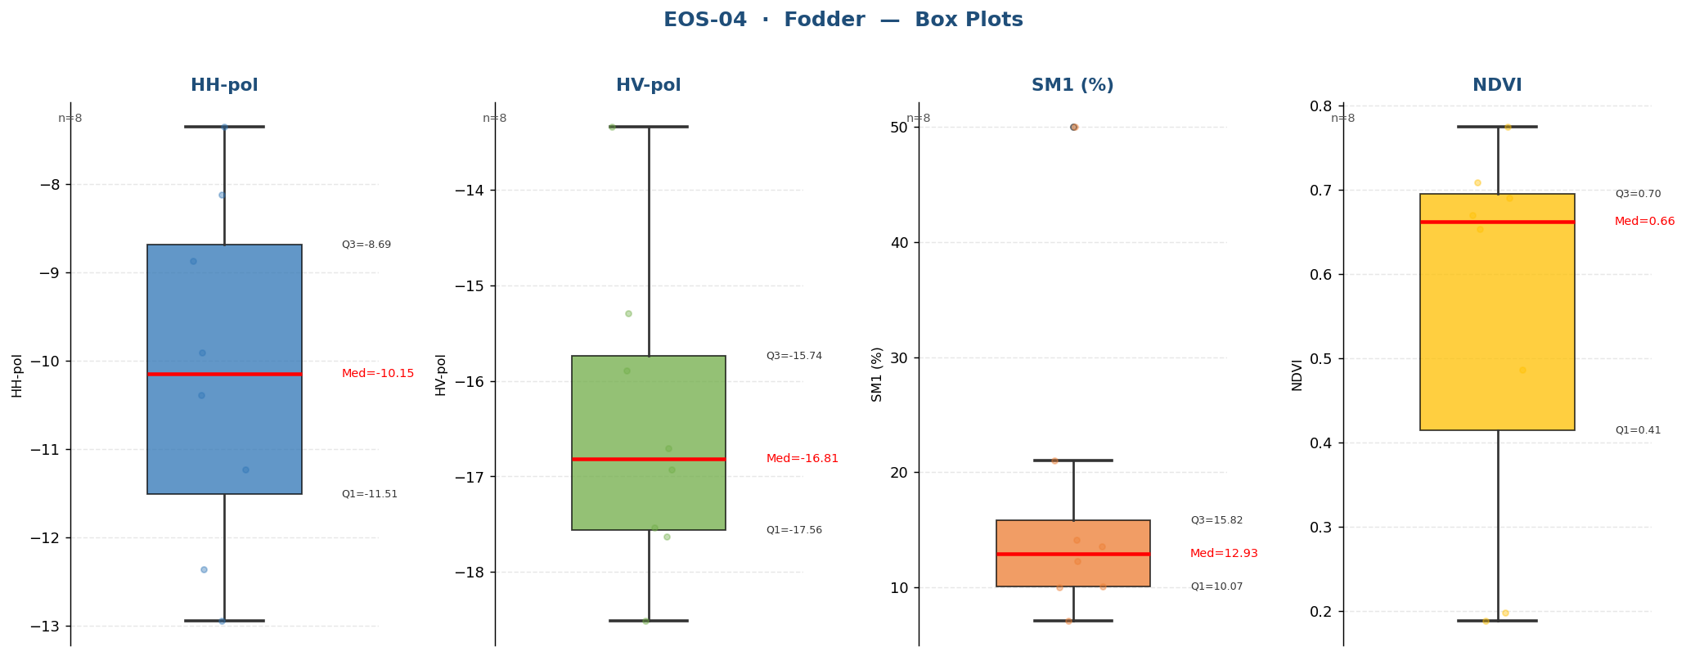

Raw Data (8 records)
Crop Name | HH-pol | HV-pol | SM1 (%) | NDVI | label
Fodder | -9.9052 | -15.8872 | 10.0000 | 0.7093 | Medium
Fodder | -10.3905 | -17.6328 | 10.1000 | 0.1976 | Medium
Fodder | -12.3549 | -16.9242 | 14.1000 | 0.6907 | Medium
Fodder | -12.9403 | -16.7050 | 13.5667 | 0.6703 | Medium
Fodder | -8.8756 | -15.2899 | 7.1000 | 0.6534 | Low
Fodder | -11.2275 | -17.5385 | 12.3000 | 0.1882 | Medium
Fodder | -7.3575 | -13.3391 | 21.0000 | 0.4863 | High
Fodder | -8.1204 | -18.5109 | 50.0000 | 0.7748 | Very High

Grass
EOS-04 · Grass (6 records)
Statistic | HH-pol | HV-pol | SM1 (%) | NDVI
N | 6 | 6 | 6 | 6
Mean | -8.9692 | -17.2083 | 19.6167 | 0.6582
Std Dev | 1.7330 | 1.0363 | 15.1502 | 0.2121
Variance | 3.0035 | 1.0738 | 229.5297 | 0.0450
Min | -11.1326 | -18.9840 | 9.0000 | 0.2584
25% | -9.9119 | -17.6682 | 12.5000 | 0.6387
Median | -9.2724 | -16.7215 | 15.2000 | 0.7168
75% | -8.1574 | -16.4958 | 16.3250 | 0.7960
Max | -6.2274 | -16.4183 | 50.0000 | 0.8221
Skewness | 0.6071 | -1.2929 | 2.2551 | -1.7088

Box Plots — Grass
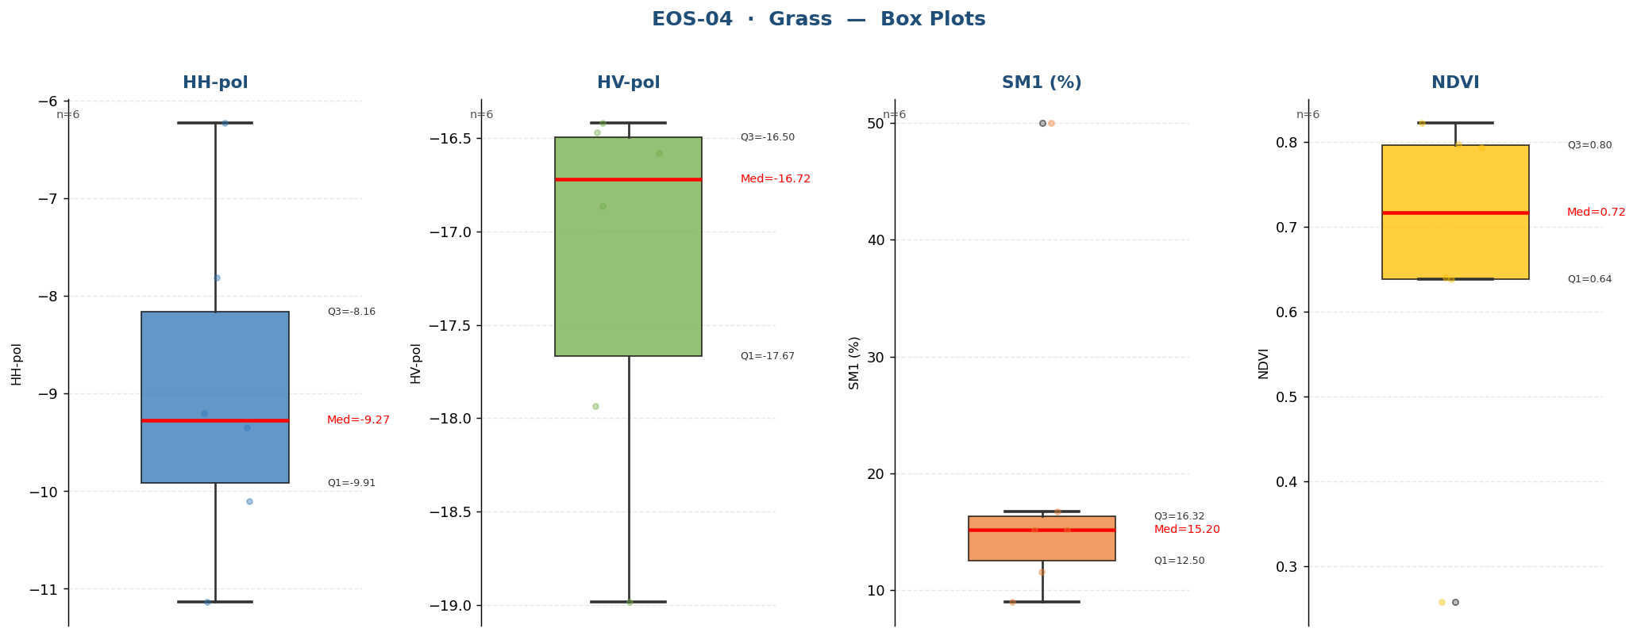

Raw Data (6 records)
Crop Name | HH-pol | HV-pol | SM1 (%) | NDVI | label
Grass | -9.3446 | -17.9358 | 9.0000 | 0.6400 | Medium
Grass | -7.8098 | -16.8653 | 50.0000 | 0.7968 | Very High
Grass | -11.1326 | -16.5776 | 16.7000 | 0.8221 | High
Grass | -9.2002 | -16.4183 | 15.2000 | 0.7936 | Medium
Grass | -10.1010 | -16.4685 | 11.6000 | 0.2584 | Medium
Grass | -6.2274 | -18.9840 | 15.2000 | 0.6382 | Medium

Jowar
EOS-04 · Jowar (11 records)
Statistic | HH-pol | HV-pol | SM1 (%) | NDVI
N | 11 | 11 | 11 | 11
Mean | -7.4771 | -14.2072 | 19.5364 | 0.3832
Std Dev | 2.5199 | 2.5996 | 9.8295 | 0.1833
Variance | 6.3499 | 6.7581 | 96.6185 | 0.0336
Min | -12.1001 | -21.2964 | 3.0000 | 0.1415
25% | -8.8849 | -14.3773 | 11.3000 | 0.2086
Median | -7.8175 | -13.8023 | 25.0000 | 0.4254
75% | -5.8229 | -12.9246 | 27.3000 | 0.5460
Max | -2.9486 | -11.5353 | 29.8000 | 0.6208
Skewness | -0.0204 | -2.2483 | -0.5617 | -0.1845

Box Plots — Jowar
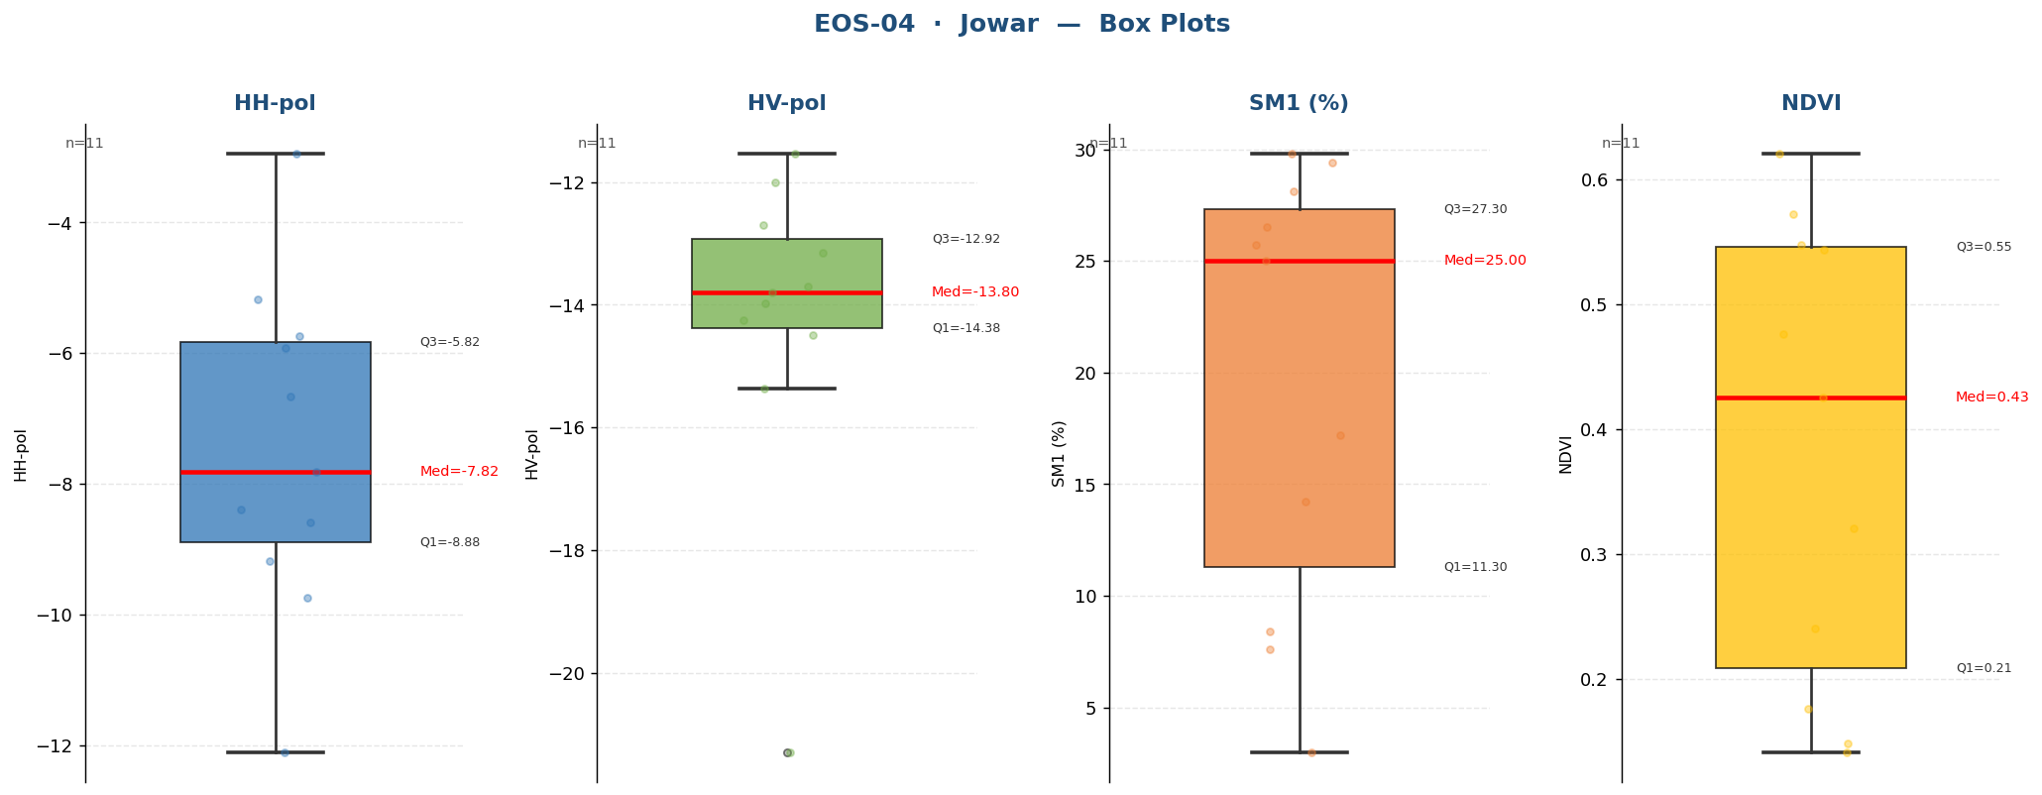

Raw Data (11 records)
Crop Name | HH-pol | HV-pol | SM1 (%) | NDVI | label
Jowar | -12.1001 | -13.8023 | 17.2000 | 0.2405 | High
Jowar | -5.9116 | -15.3702 | 3.0000 | 0.1485 | Low
Jowar | -8.3915 | -21.2964 | 7.6000 | 0.1415 | Low
Jowar | -6.6659 | -13.7045 | 25.7000 | 0.4254 | High
Jowar | -5.7341 | -11.5353 | 25.0000 | 0.5478 | High
Jowar | -5.1754 | -13.1468 | 29.8000 | 0.3211 | High
Jowar | -7.8175 | -12.7025 | 29.4000 | 0.1766 | High
Jowar | -2.9486 | -13.9703 | 28.1000 | 0.5726 | High
Jowar | -9.1761 | -11.9970 | 8.4000 | 0.4764 | Medium
Jowar | -8.5937 | -14.4974 | 14.2000 | 0.6208 | Medium
Jowar | -9.7331 | -14.2571 | 26.5000 | 0.5442 | High

Lemon
EOS-04 · Lemon (13 records)
Statistic | HH-pol | HV-pol | SM1 (%) | NDVI
N | 13 | 13 | 13 | 13
Mean | -8.6879 | -15.2163 | 9.4385 | 0.3379
Std Dev | 1.9268 | 1.7850 | 7.7635 | 0.1229
Variance | 3.7126 | 3.1864 | 60.2726 | 0.0151
Min | -11.5090 | -17.8861 | 1.9000 | 0.1251
25% | -10.5337 | -17.0563 | 4.1000 | 0.3330
Median | -8.4638 | -15.1946 | 8.4000 | 0.3570
75% | -7.3125 | -14.1562 | 9.8000 | 0.3879
Max | -5.8408 | -11.8354 | 29.2000 | 0.5398
Skewness | -0.0225 | 0.1431 | 1.6930 | -0.5794

Box Plots — Lemon
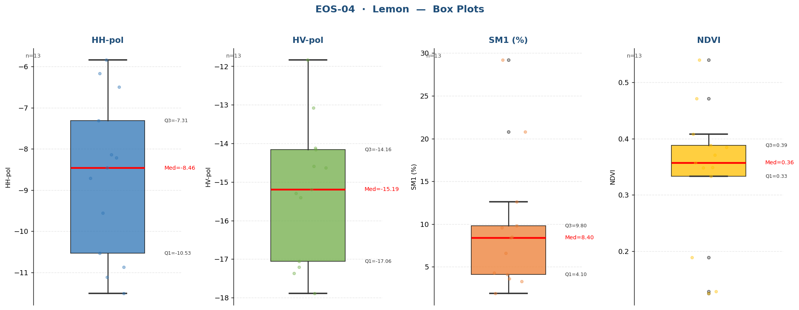

Raw Data (13 records)
Crop Name | HH-pol | HV-pol | SM1 (%) | NDVI | label
Lemon | -11.1170 | -17.8861 | 9.6000 | 0.1886 | Medium
Lemon | -7.3125 | -14.6275 | 29.2000 | 0.3330 | High
Lemon | -8.7167 | -17.2082 | 20.8000 | 0.5398 | High
Lemon | -11.5090 | -15.1945 | 6.6000 | 0.3570 | Low
Lemon | -8.1450 | -11.8354 | 12.6000 | 0.4708 | Medium
Lemon | -6.4939 | -13.0765 | 8.5000 | 0.4083 | Medium
Lemon | -5.8408 | -14.1161 | 9.8000 | 0.3712 | Medium
Lemon | -6.1654 | -14.5907 | 1.9000 | 0.3489 | Low
Lemon | -8.4638 | -17.3686 | 3.3000 | 0.3849 | Low
Lemon | -8.2142 | -14.1562 | 4.3000 | 0.3879 | Low
Lemon | -9.5544 | -15.4067 | 3.6000 | 0.1285 | Low
Lemon | -10.5337 | -17.0563 | 8.4000 | 0.1251 | Medium
Lemon | -10.8765 | -15.2882 | 4.1000 | 0.3481 | Low

Maize
EOS-04 · Maize (4 records)
Statistic | HH-pol | HV-pol | SM1 (%) | NDVI
N | 4 | 4 | 4 | 4
Mean | -11.9429 | -17.2820 | 13.3333 | 0.1712
Std Dev | 2.3168 | 0.7742 | 6.5345 | 0.0693
Variance | 5.3676 | 0.5993 | 42.7000 | 0.0048
Min | -14.7778 | -18.1469 | 4.1000 | 0.1206
25% | -13.0781 | -17.7824 | 11.6750 | 0.1270
Median | -11.8703 | -17.2895 | 14.9167 | 0.1464
75% | -10.7351 | -16.7891 | 16.5750 | 0.1907
Max | -9.2534 | -16.4023 | 19.4000 | 0.2714
Skewness | -0.1687 | 0.0401 | -1.3167 | 1.6001

Box Plots — Maize
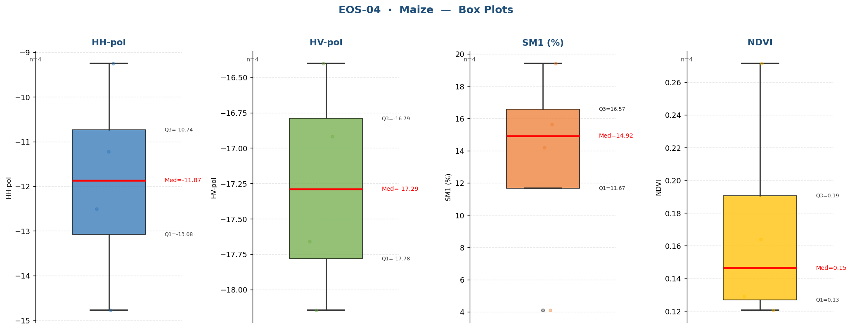

Raw Data (4 records)
Crop Name | HH-pol | HV-pol | SM1 (%) | NDVI | label
Maize | -12.5115 | -16.9181 | 4.1000 | 0.1206 | Low
Maize | -14.7778 | -16.4023 | 14.2000 | 0.1291 | Medium
Maize | -9.2534 | -18.1469 | 19.4000 | 0.2714 | High
Maize | -11.2290 | -17.6609 | 15.6333 | 0.1638 | Medium

Mustard
EOS-04 · Mustard (8 records)
Statistic | HH-pol | HV-pol | SM1 (%) | NDVI
N | 8 | 8 | 8 | 8
Mean | -6.5209 | -14.8254 | 18.9500 | 0.5607
Std Dev | 2.8569 | 3.1488 | 12.8682 | 0.1646
Variance | 8.1616 | 9.9150 | 165.5914 | 0.0271
Min | -10.1680 | -19.5581 | 5.4000 | 0.2745
25% | -8.9759 | -17.2816 | 7.8750 | 0.4715
Median | -6.5615 | -13.9868 | 17.1500 | 0.5732
75% | -4.2906 | -12.3945 | 26.3000 | 0.6570
Max | -2.2777 | -10.9208 | 37.6000 | 0.7863
Skewness | 0.1448 | -0.4605 | 0.5991 | -0.4015

Box Plots — Mustard
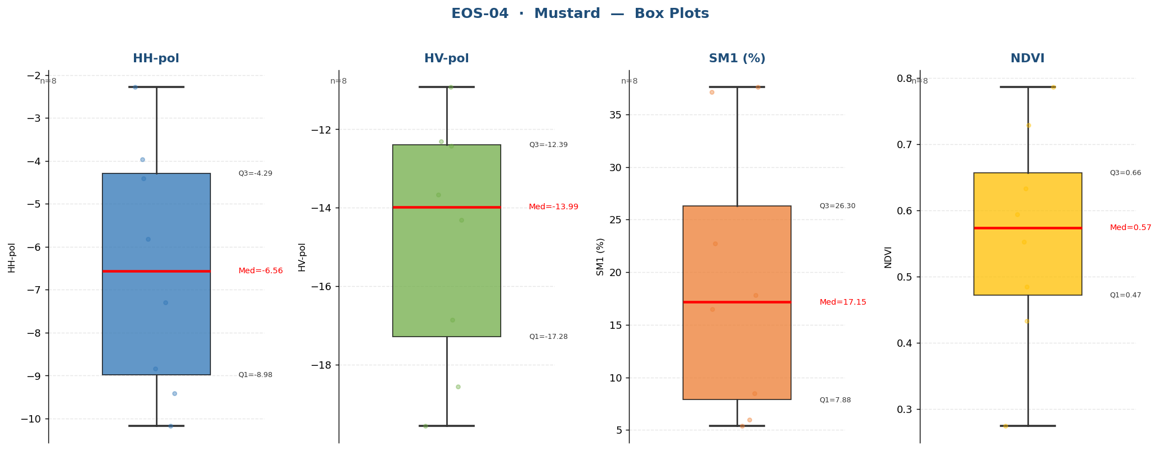

Raw Data (8 records)
Crop Name | HH-pol | HV-pol | SM1 (%) | NDVI | label
Mustard | -8.8324 | -19.5581 | 6.0000 | 0.2745 | Low
Mustard | -10.1680 | -18.5596 | 22.7000 | 0.4324 | High
Mustard | -5.8229 | -14.3065 | 8.5000 | 0.7863 | Medium
Mustard | -3.9578 | -16.8556 | 37.1000 | 0.6331 | Very High
Mustard | -7.3001 | -13.6671 | 17.8000 | 0.7285 | High
Mustard | -9.4066 | -10.9208 | 5.4000 | 0.5940 | Low
Mustard | -2.2777 | -12.3148 | 37.6000 | 0.4846 | Very High
Mustard | -4.4016 | -12.4211 | 16.5000 | 0.5525 | Medium

Orchad
EOS-04 · Orchad (1 records)
Statistic | HH-pol | HV-pol | SM1 (%) | NDVI
N | 1 | 1 | 1 | 1
Mean | -2.8547 | -17.0050 | 53.7000 | 0.4554
Std Dev
Variance
Min | -2.8547 | -17.0050 | 53.7000 | 0.4554
25% | -2.8547 | -17.0050 | 53.7000 | 0.4554
Median | -2.8547 | -17.0050 | 53.7000 | 0.4554
75% | -2.8547 | -17.0050 | 53.7000 | 0.4554
Max | -2.8547 | -17.0050 | 53.7000 | 0.4554
Skewness

Box Plots — Orchad
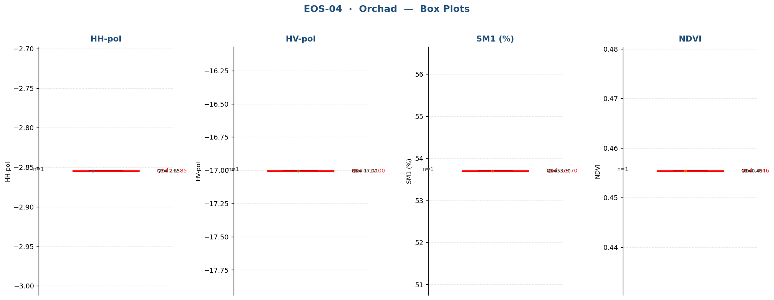

Raw Data (1 records)
Crop Name | HH-pol | HV-pol | SM1 (%) | NDVI | label
Orchad | -2.8547 | -17.0050 | 53.7000 | 0.4554 | Very High

Ortho
EOS-04 · Ortho (1 records)
Statistic | HH-pol | HV-pol | SM1 (%) | NDVI
N | 1 | 1 | 1 | 1
Mean | -9.9493 | -19.3764 | 5.7000 | 0.1759
Std Dev
Variance
Min | -9.9493 | -19.3764 | 5.7000 | 0.1759
25% | -9.9493 | -19.3764 | 5.7000 | 0.1759
Median | -9.9493 | -19.3764 | 5.7000 | 0.1759
75% | -9.9493 | -19.3764 | 5.7000 | 0.1759
Max | -9.9493 | -19.3764 | 5.7000 | 0.1759
Skewness

Box Plots — Ortho
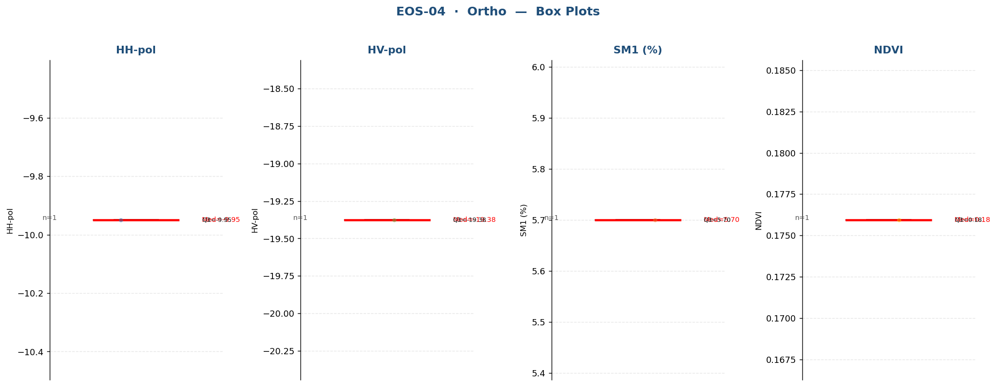

Raw Data (1 records)
Crop Name | HH-pol | HV-pol | SM1 (%) | NDVI | label
Ortho | -9.9493 | -19.3764 | 5.7000 | 0.1759 | Low

Paddy
EOS-04 · Paddy (222 records)
Statistic | HH-pol | HV-pol | SM1 (%) | NDVI
N | 222 | 222 | 222 | 222
Mean | -7.4714 | -15.0113 | 35.5676 | 0.6559
Std Dev | 1.8196 | 1.8214 | 13.1303 | 0.2140
Variance | 3.3109 | 3.3176 | 172.4049 | 0.0458
Min | -13.2410 | -19.6682 | 5.8000 | 0.1279
25% | -8.8107 | -16.3328 | 23.8500 | 0.5462
Median | -7.5188 | -15.0125 | 37.6667 | 0.7380
75% | -6.1776 | -13.7594 | 50.0000 | 0.8195
Max | -3.6278 | -9.1063 | 52.7000 | 0.8889
Skewness | -0.0543 | 0.0959 | -0.3495 | -1.0583

Box Plots — Paddy
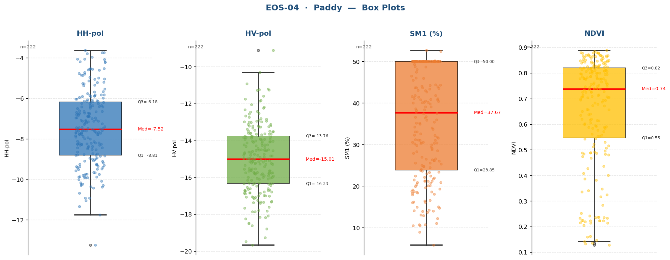

Raw Data (222 records)
Crop Name | HH-pol | HV-pol | SM1 (%) | NDVI | label
Paddy | -6.2574 | -12.0539 | 41.0000 | 0.8791 | Very High
Paddy | -8.4413 | -16.4607 | 25.3000 | 0.8432 | High
Paddy | -6.8887 | -12.3238 | 49.3000 | 0.8773 | Very High
Paddy | -3.9707 | -16.2995 | 50.0000 | 0.8532 | Very High
Paddy | -4.7232 | -14.5110 | 50.0000 | 0.8696 | Very High
Paddy | -6.2034 | -14.2352 | 50.0000 | 0.8643 | Very High
Paddy | -3.7530 | -15.1481 | 50.0000 | 0.8273 | Very High
Paddy | -5.3861 | -17.0811 | 50.0000 | 0.8233 | Very High
Paddy | -7.3917 | -9.1063 | 50.0000 | 0.8216 | Very High
Paddy | -5.2730 | -12.9538 | 50.0000 | 0.8377 | Very High
Paddy | -5.2830 | -14.0806 | 44.2000 | 0.8468 | Very High
Paddy | -6.9508 | -13.6440 | 39.8000 | 0.8275 | Very High
Paddy | -7.0976 | -14.0430 | 37.8333 | 0.8182 | Very High
Paddy | -8.2046 | -16.6498 | 40.8000 | 0.8393 | Very High
Paddy | -4.8706 | -16.8935 | 43.7000 | 0.8750 | Very High
Paddy | -4.5578 | -16.6715 | 46.5000 | 0.8154 | Very High
Paddy | -6.6056 | -16.3464 | 50.0000 | 0.8633 | Very High
Paddy | -4.7676 | -13.0073 | 50.0000 | 0.8334 | Very High
Paddy | -6.3637 | -15.0286 | 50.0000 | 0.8194 | Very High
Paddy | -7.2767 | -16.7805 | 50.0000 | 0.8446 | Very High
Paddy | -3.7446 | -15.6402 | 50.0000 | 0.8722 | Very High
Paddy | -7.2201 | -16.0361 | 50.0000 | 0.8491 | Very High
Paddy | -6.9567 | -15.1004 | 50.0000 | 0.8256 | Very High
Paddy | -8.2594 | -14.4980 | 50.0000 | 0.8243 | Very High
Paddy | -7.2035 | -12.9831 | 50.0000 | 0.8889 | Very High
Paddy | -4.9896 | -16.9843 | 50.0000 | 0.8846 | Very High
Paddy | -6.0826 | -14.5855 | 50.0000 | 0.8190 | Very High
Paddy | -6.1954 | -13.7502 | 50.0000 | 0.8545 | Very High
Paddy | -10.4201 | -18.0852 | 50.0000 | 0.8786 | Very High
Paddy | -6.7284 | -16.7152 | 50.0000 | 0.8637 | Very High
Paddy | -6.4923 | -16.8321 | 50.0000 | 0.8778 | Very High
Paddy | -10.2993 | -15.7343 | 50.0000 | 0.8690 | Very High
Paddy | -9.3732 | -13.5072 | 50.0000 | 0.7131 | Very High
Paddy | -6.1195 | -14.5398 | 50.0000 | 0.5768 | Very High
Paddy | -6.0723 | -16.5322 | 50.0000 | 0.1590 | Very High
Paddy | -6.6372 | -12.8422 | 50.0000 | 0.3165 | Very High
Paddy | -5.9934 | -13.8240 | 50.0000 | 0.3478 | Very High
Paddy | -7.5038 | -18.2499 | 50.0000 | 0.7250 | Very High
Paddy | -5.8880 | -14.2337 | 33.1000 | 0.7786 | Very High
Paddy | -4.5271 | -15.0870 | 50.0000 | 0.7754 | Very High
Paddy | -6.6673 | -18.4706 | 50.0000 | 0.6946 | Very High
Paddy | -6.4165 | -16.9890 | 50.0000 | 0.6576 | Very High
Paddy | -4.6041 | -16.8357 | 50.0000 | 0.6864 | Very High
Paddy | -5.1949 | -14.3800 | 50.0000 | 0.7061 | Very High
Paddy | -4.8547 | -15.7781 | 40.4000 | 0.7407 | Very High
Paddy | -5.0569 | -16.7189 | 50.0000 | 0.6376 | Very High
Paddy | -6.3520 | -15.1295 | 50.0000 | 0.8146 | Very High
Paddy | -4.5285 | -14.6591 | 50.0000 | 0.8206 | Very High
Paddy | -4.9579 | -16.3196 | 42.7000 | 0.8657 | Very High
Paddy | -3.7964 | -16.6955 | 50.0000 | 0.8429 | Very High
Paddy | -7.5338 | -11.8508 | 41.1000 | 0.2148 | Very High
Paddy | -8.4315 | -13.1187 | 50.0000 | 0.2357 | Very High
Paddy | -7.5837 | -15.7115 | 39.1000 | 0.7030 | Very High
Paddy | -4.1963 | -13.6532 | 50.0000 | 0.8223 | Very High
Paddy | -10.1728 | -14.8224 | 48.7000 | 0.8141 | Very High
Paddy | -9.5073 | -14.0746 | 43.5000 | 0.8097 | Very High
Paddy | -8.3154 | -14.2350 | 43.0000 | 0.8000 | Very High
Paddy | -8.7789 | -15.8092 | 43.9000 | 0.7875 | Very High
Paddy | -8.2680 | -16.3433 | 45.9333 | 0.7997 | Very High
Paddy | -8.2590 | -15.5119 | 50.0000 | 0.8107 | Very High
Paddy | -4.0717 | -13.6238 | 50.0000 | 0.8248 | Very High
Paddy | -10.3636 | -15.2914 | 26.2000 | 0.8219 | High
Paddy | -5.8711 | -15.7880 | 50.0000 | 0.8057 | Very High
Paddy | -7.7755 | -12.9896 | 37.5000 | 0.7788 | Very High
Paddy | -7.1215 | -10.3086 | 35.4333 | 0.7968 | Very High
Paddy | -7.7230 | -13.9196 | 48.8000 | 0.8683 | Very High
Paddy | -6.8974 | -12.6718 | 43.7000 | 0.8393 | Very High
Paddy | -7.6948 | -15.0524 | 40.0000 | 0.8677 | Very High
Paddy | -5.0454 | -15.2746 | 29.1000 | 0.8672 | High
Paddy | -5.7633 | -16.1431 | 43.7000 | 0.8004 | Very High
Paddy | -8.8533 | -14.9832 | 30.3000 | 0.8073 | High
Paddy | -7.7694 | -16.9905 | 43.1000 | 0.8679 | Very High
Paddy | -6.0408 | -11.5947 | 47.4000 | 0.8783 | Very High
Paddy | -7.1284 | -14.8038 | 50.0000 | 0.8381 | Very High
Paddy | -8.7339 | -13.2020 | 46.0000 | 0.8574 | Very High
Paddy | -6.8702 | -16.0729 | 31.6000 | 0.7773 | Very High
Paddy | -9.7934 | -13.7532 | 13.7000 | 0.4919 | Medium
Paddy | -7.5866 | -14.7356 | 8.9333 | 0.5875 | Medium
Paddy | -7.7850 | -13.2630 | 37.4000 | 0.7554 | Very High
Paddy | -9.0733 | -14.5002 | 40.9000 | 0.7862 | Very High
Paddy | -9.2355 | -16.1577 | 24.7000 | 0.7853 | High
Paddy | -9.4191 | -14.0302 | 29.4000 | 0.7056 | High
Paddy | -7.6979 | -13.6258 | 38.3667 | 0.7658 | Very High
Paddy | -4.2298 | -14.1704 | 36.6000 | 0.7271 | Very High
Paddy | -9.4002 | -13.3913 | 35.2000 | 0.6501 | Very High
Paddy | -5.8318 | -15.2310 | 35.9000 | 0.7494 | Very High
Paddy | -6.4125 | -11.8178 | 40.8000 | 0.7602 | Very High
Paddy | -6.3961 | -13.9286 | 44.3333 | 0.7467 | Very High
Paddy | -7.6250 | -17.3326 | 26.6000 | 0.6837 | High
Paddy | -9.9096 | -18.7965 | 21.3000 | 0.8500 | High
Paddy | -10.2360 | -17.3002 | 38.2000 | 0.7996 | Very High
Paddy | -10.3680 | -18.5071 | 20.1333 | 0.7901 | High
Paddy | -7.6979 | -17.6059 | 30.6000 | 0.8116 | High
Paddy | -8.8127 | -17.8520 | 30.4000 | 0.8485 | High
Paddy | -9.0242 | -15.4168 | 24.8000 | 0.8478 | High
Paddy | -6.7178 | -17.3256 | 34.9000 | 0.8449 | Very High
Paddy | -6.2368 | -18.1608 | 33.0333 | 0.8320 | Very High
Paddy | -7.4730 | -13.9252 | 30.3000 | 0.7790 | High
Paddy | -5.1357 | -15.5400 | 31.0000 | 0.7771 | High
Paddy | -10.0797 | -11.7567 | 22.4000 | 0.7333 | High
Paddy | -8.1206 | -14.2894 | 29.8000 | 0.7523 | High
Paddy | -8.9432 | -17.1463 | 24.5000 | 0.7767 | High
Paddy | -7.5816 | -12.4212 | 52.4000 | 0.7949 | Very High
Paddy | -8.0121 | -13.4483 | 50.0000 | 0.8090 | Very High
Paddy | -5.9530 | -15.1568 | 50.0000 | 0.7618 | Very High
Paddy | -9.1713 | -15.6057 | 50.0000 | 0.8071 | Very High
Paddy | -10.9238 | -14.9963 | 50.0000 | 0.8194 | Very High
Paddy | -7.6993 | -13.0208 | 50.0000 | 0.7991 | Very High
Paddy | -9.1117 | -16.7786 | 52.7000 | 0.7947 | Very High
Paddy | -6.3507 | -12.1952 | 27.9000 | 0.8063 | High
Paddy | -9.2817 | -17.6555 | 31.8000 | 0.7778 | Very High
Paddy | -7.8701 | -15.1445 | 50.0000 | 0.7963 | Very High
Paddy | -11.0515 | -16.3981 | 14.1000 | 0.7710 | Medium
Paddy | -10.9214 | -17.0529 | 23.0000 | 0.7783 | High
Paddy | -4.2131 | -15.7392 | 44.4000 | 0.4275 | Very High
Paddy | -6.4782 | -13.1291 | 50.0000 | 0.7808 | Very High
Paddy | -6.1474 | -14.4324 | 39.0667 | 0.7563 | Very High
Paddy | -3.6278 | -13.2109 | 50.0000 | 0.8443 | Very High
Paddy | -4.0697 | -15.2146 | 50.0000 | 0.8195 | Very High
Paddy | -6.7287 | -14.7881 | 50.0000 | 0.8481 | Very High
Paddy | -4.5695 | -14.5520 | 50.0000 | 0.8567 | Very High
Paddy | -4.8046 | -13.9245 | 50.0000 | 0.8274 | Very High
Paddy | -5.8241 | -14.0258 | 50.2000 | 0.7074 | Very High
Paddy | -5.2182 | -15.5259 | 50.0000 | 0.8061 | Very High
Paddy | -5.9060 | -10.9326 | 34.2000 | 0.6061 | Very High
Paddy | -5.3402 | -14.6114 | 50.0000 | 0.7773 | Very High
Paddy | -5.6648 | -15.1372 | 28.3000 | 0.7490 | High
Paddy | -8.7256 | -14.5528 | 41.8000 | 0.7821 | Very High
Paddy | -4.0785 | -14.8341 | 41.6000 | 0.7570 | Very High
Paddy | -9.4929 | -19.4676 | 26.1000 | 0.6930 | High
Paddy | -8.9818 | -16.0262 | 25.6000 | 0.2371 | High
Paddy | -10.2996 | -15.9892 | 21.7000 | 0.2225 | High
Paddy | -8.3786 | -16.8482 | 29.9000 | 0.2237 | High
Paddy | -9.0871 | -16.6152 | 40.2000 | 0.2055 | Very High
Paddy | -8.3745 | -13.8456 | 35.9667 | 0.2225 | Very High
Paddy | -7.0816 | -15.7574 | 14.0000 | 0.3869 | Medium
Paddy | -6.1321 | -13.5268 | 31.0000 | 0.7088 | High
Paddy | -10.6722 | -15.5589 | 36.4000 | 0.6562 | Very High
Paddy | -9.8652 | -15.0819 | 50.0000 | 0.7142 | Very High
Paddy | -8.2837 | -13.9735 | 38.6000 | 0.2520 | Very High
Paddy | -11.3346 | -17.2420 | 50.0000 | 0.6774 | Very High
Paddy | -6.8005 | -13.2547 | 48.1000 | 0.7039 | Very High
Paddy | -5.8288 | -14.6503 | 21.5000 | 0.6350 | High
Paddy | -9.3715 | -15.9901 | 20.7000 | 0.6984 | High
Paddy | -10.0039 | -11.2544 | 19.3000 | 0.6722 | High
Paddy | -9.0057 | -14.0830 | 20.1000 | 0.7070 | High
Paddy | -10.2399 | -12.9441 | 41.8000 | 0.7246 | Very High
...

Perl Millet
...
EOS-04 · Perl Millet (142 records)
Statistic | HH-pol | HV-pol | SM1 (%) | NDVI
Std Dev | 1.8945 | 2.1154 | 11.5822 | 0.2104
Variance | 3.5891 | 4.4748 | 134.1484 | 0.0443
Min | -12.4792 | -25.3586 | 3.8000 | 0.0897
25% | -9.7876 | -17.0930 | 13.3750 | 0.3013
Median | -8.5628 | -15.6318 | 21.3000 | 0.4796
75% | -7.5026 | -14.4611 | 30.6000 | 0.6429
Max | -1.4360 | -10.7938 | 50.0000 | 0.8373
Skewness | 0.5705 | -0.6154 | 0.5496 | -0.1235

Box Plots — Perl Millet
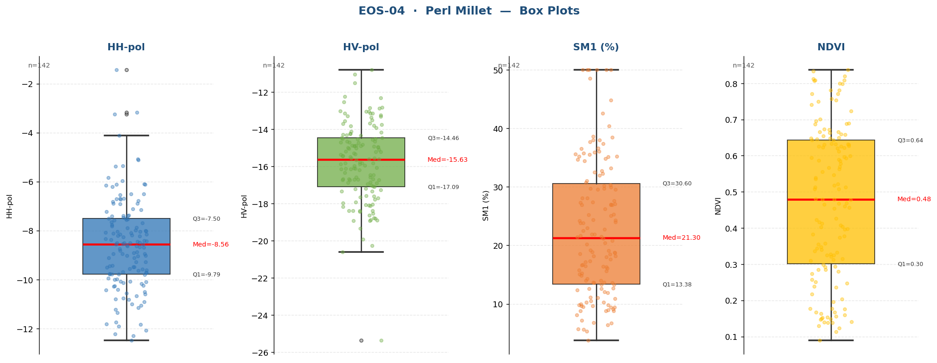

Raw Data (142 records)
Crop Name | HH-pol | HV-pol | SM1 (%) | NDVI | label
Perl Millet | -8.1032 | -15.8824 | 44.8000 | 0.6315 | Very High
Perl Millet | -9.7864 | -10.7938 | 37.4000 | 0.6547 | Very High
Perl Millet | -8.4439 | -15.3319 | 27.3000 | 0.6258 | High
Perl Millet | -8.7523 | -18.9309 | 15.2000 | 0.6426 | Medium
Perl Millet | -12.4792 | -18.1242 | 9.1000 | 0.5217 | Medium
Perl Millet | -9.4880 | -14.6461 | 26.9000 | 0.6322 | High
Perl Millet | -10.7659 | -18.8000 | 25.1000 | 0.2034 | High
Perl Millet | -8.6275 | -16.1248 | 21.5000 | 0.6307 | High
Perl Millet | -10.2613 | -17.7791 | 15.8000 | 0.5869 | Medium
Perl Millet | -10.8037 | -16.1476 | 23.8000 | 0.3769 | High
Perl Millet | -9.7773 | -14.9913 | 14.3000 | 0.4790 | Medium
Perl Millet | -7.9859 | -13.5401 | 11.0667 | 0.5630 | Medium
Perl Millet | -9.9935 | -17.5946 | 11.1000 | 0.1476 | Medium
Perl Millet | -10.1031 | -20.2687 | 10.0000 | 0.3958 | Medium
Perl Millet | -10.2768 | -15.4871 | 24.0000 | 0.4801 | High
Perl Millet | -10.5069 | -19.3430 | 9.0000 | 0.3431 | Medium
Perl Millet | -8.5009 | -14.9032 | 24.3000 | 0.5894 | High
Perl Millet | -10.5609 | -18.9054 | 7.2000 | 0.0897 | Low
Perl Millet | -11.3504 | -18.3783 | 9.4000 | 0.2362 | Medium
Perl Millet | -11.0527 | -20.6059 | 5.6000 | 0.1289 | Low
Perl Millet | -9.6155 | -16.5874 | 9.7000 | 0.2923 | Medium
...

Sorgham
...
EOS-04 · Sorgham (4 records)
Statistic | HH-pol | HV-pol | SM1 (%) | NDVI
Std Dev | 1.3145 | 1.9315 | 8.3958 | 0.0336
Variance | 1.7279 | 3.7307 | 70.4892 | 0.0011
Min | -11.3407 | -19.8840 | 7.6000 | 0.7748
25% | -10.3242 | -18.1009 | 8.8000 | 0.8103
Median | -9.5878 | -17.3276 | 14.0500 | 0.8341
75% | -8.9509 | -16.6552 | 20.5250 | 0.8462
Max | -8.2333 | -15.1750 | 25.4000 | 0.8462
Skewness | -0.3957 | -0.3089 | 0.4611 | -1.4011

Box Plots — Sorgham
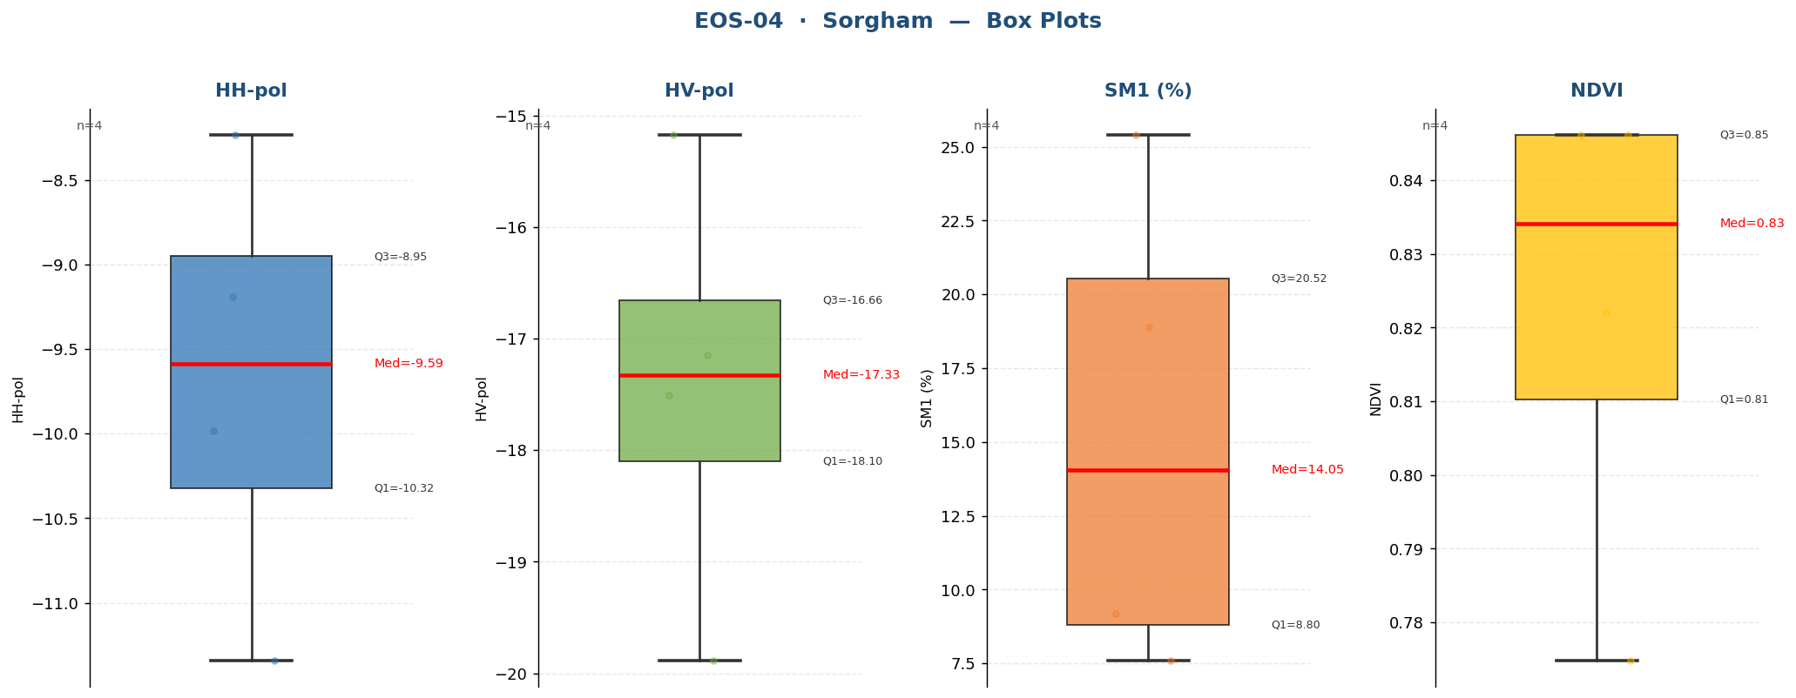

Raw Data (4 records)
Crop Name | HH-pol | HV-pol | SM1 (%) | NDVI | label
Sorgham | -8.2333 | -19.8840 | 25.4000 | 0.8462 | High
Sorgham | -9.1901 | -15.1751 | 18.9000 | 0.8221 | High
Sorgham | -11.3407 | -17.1486 | 7.6000 | 0.7748 | Low
Sorgham | -9.9854 | -17.5066 | 9.2000 | 0.8462 | Medium

Sorgham&PerlMillet
...
EOS-04 · Sorgham&PerlMillet (1 records)
Statistic | HH-pol | HV-pol | SM1 (%) | NDVI
Std Dev
Variance
Min | -8.8305 | -17.0361 | 23.1000 | 0.7399
25% | -8.8305 | -17.0361 | 23.1000 | 0.7399
Median | -8.8305 | -17.0361 | 23.1000 | 0.7399
75% | -8.8305 | -17.0361 | 23.1000 | 0.7399
Max | -8.8305 | -17.0361 | 23.1000 | 0.7399
Skewness

Box Plots — Sorgham&PerlMillet
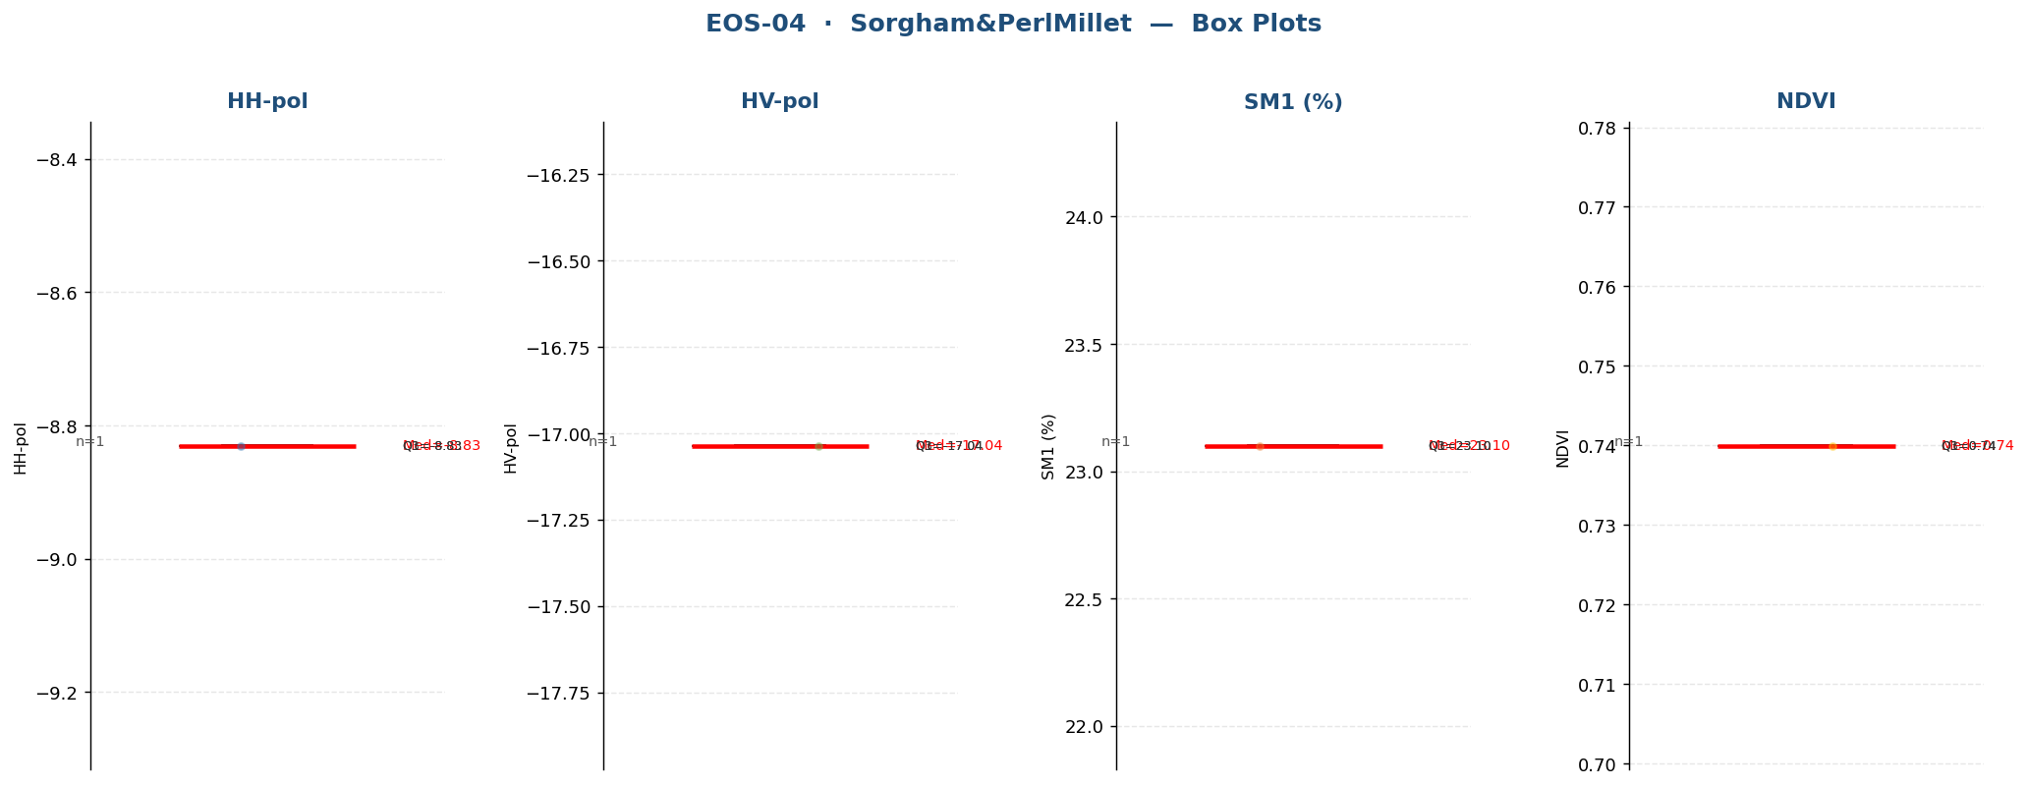

Raw Data (1 records)
Crop Name | HH-pol | HV-pol | SM1 (%) | NDVI | label
Sorgham&PerlMillet | -8.8305 | -17.0361 | 23.1000 | 0.7399 | High

Tobacco
...
EOS-04 · Tobacco (149 records)
Statistic | HH-pol | HV-pol | SM1 (%) | NDVI
Std Dev | 2.0676 | 2.6659 | 11.5076 | 0.1921
Variance | 4.2751 | 7.1071 | 132.4248 | 0.0369
Min | -11.7358 | -20.5299 | 5.1000 | 0.1760
25% | -7.7292 | -15.9423 | 20.6000 | 0.4781
Median | -6.1727 | -14.3679 | 28.2000 | 0.6465
75% | -4.8656 | -12.0916 | 34.9000 | 0.7163
Max | -0.9452 | -7.7426 | 52.3000 | 0.8396
Skewness | 0.0105 | 0.1096 | 0.2721 | -0.8348

Box Plots — Tobacco
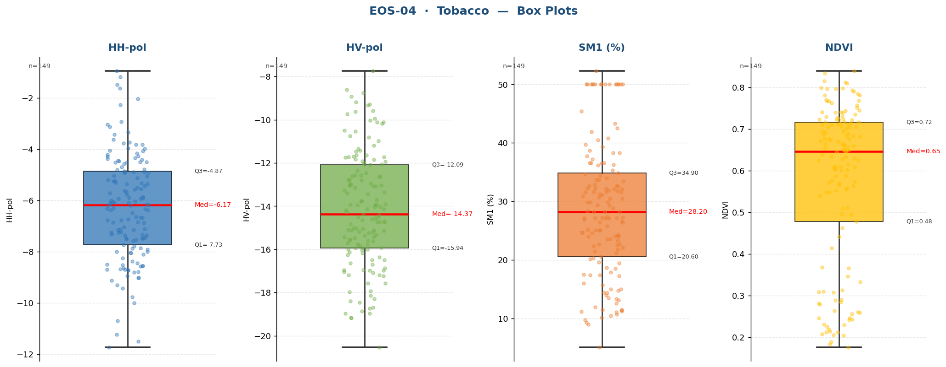

Raw Data (149 records)
Crop Name | HH-pol | HV-pol | SM1 (%) | NDVI | label
Tobacco | -11.5097 | -16.9849 | 31.7000 | 0.3098 | Very High
Tobacco | -10.7045 | -17.5772 | 11.5000 | 0.3658 | Medium
Tobacco | -7.3383 | -16.1644 | 11.2000 | 0.2845 | Medium
Tobacco | -9.3009 | -16.1324 | 11.4000 | 0.2074 | Medium
Tobacco | -8.4594 | -18.9579 | 12.6000 | 0.2057 | Medium
Tobacco | -8.7945 | -17.2377 | 10.2000 | 0.2188 | Medium
Tobacco | -6.6571 | -18.9740 | 9.8000 | 0.2126 | Medium
Tobacco | -8.2568 | -18.4017 | 36.6000 | 0.2786 | Very High
Tobacco | -7.0452 | -16.6443 | 30.9000 | 0.2888 | High
Tobacco | -4.4034 | -15.2468 | 27.1000 | 0.2593 | High
Tobacco | -3.7319 | -17.9769 | 31.5667 | 0.2640 | Very High
Tobacco | -8.7056 | -18.2903 | 11.1000 | 0.2249 | Medium
Tobacco | -9.0146 | -14.6549 | 10.7000 | 0.2604 | Medium
Tobacco | -6.7282 | -16.0103 | 10.5000 | 0.2559 | Medium
Tobacco | -11.7358 | -17.9244 | 9.0000 | 0.1893 | Medium
Tobacco | -11.2373 | -18.8538 | 9.3000 | 0.2461 | Medium
Tobacco | -7.4954 | -14.7290 | 11.3000 | 0.2299 | Medium
Tobacco | -8.0445 | -13.9152 | 21.5000 | 0.3073 | High
Tobacco | -8.5693 | -15.4137 | 25.1000 | 0.2041 | High
Tobacco | -9.7680 | -18.4485 | 17.4000 | 0.1760 | High
Tobacco | -9.1245 | -18.7345 | 14.5000 | 0.3092 | Medium
...

Tobacco&Chikori
...
EOS-04 · Tobacco&Chikori (12 records)
Statistic | HH-pol | HV-pol | SM1 (%) | NDVI
Std Dev | 1.5196 | 2.2945 | 13.2882 | 0.1840
Variance | 2.3092 | 5.2649 | 176.5773 | 0.0339
Min | -9.5544 | -20.5517 | 5.4000 | 0.2520
25% | -7.7782 | -16.9009 | 6.7000 | 0.5411
Median | -6.9763 | -15.6768 | 8.3500 | 0.6592
75% | -5.8769 | -14.0494 | 13.9250 | 0.7349
Max | -4.1456 | -11.8469 | 50.0000 | 0.8194
Skewness | 0.0195 | -0.4857 | 2.1578 | -1.0257

Box Plots — Tobacco&Chikori
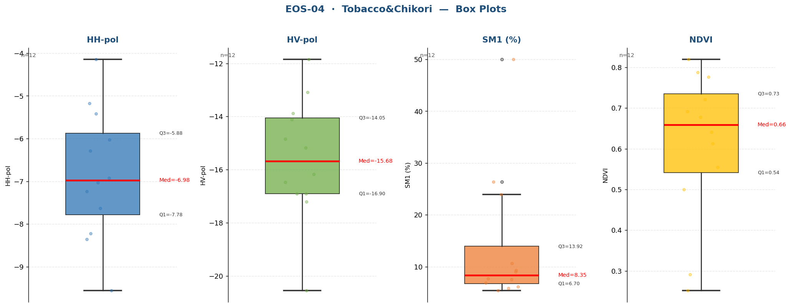

Raw Data (12 records)
Crop Name | HH-pol | HV-pol | SM1 (%) | NDVI | label
Tobacco&Chikori | -9.5543 | -16.9025 | 7.5000 | 0.2520 | Low
Tobacco&Chikori | -8.2195 | -20.5517 | 5.4000 | 0.2915 | Low
Tobacco&Chikori | -5.1710 | -16.4710 | 7.7000 | 0.5002 | Low
Tobacco&Chikori | -5.4217 | -16.1729 | 6.9000 | 0.6771 | Low
Tobacco&Chikori | -6.2889 | -17.2164 | 6.1000 | 0.6413 | Low
Tobacco&Chikori | -8.3514 | -15.1808 | 5.8000 | 0.7766 | Low
Tobacco&Chikori | -7.2369 | -13.0922 | 9.3000 | 0.5548 | Medium
Tobacco&Chikori | -6.9198 | -13.8805 | 50.0000 | 0.6918 | Very High
Tobacco&Chikori | -7.0328 | -14.8477 | 10.6000 | 0.6128 | Medium
Tobacco&Chikori | -4.1456 | -11.8469 | 9.0000 | 0.7880 | Medium
Tobacco&Chikori | -6.0286 | -16.9004 | 23.9000 | 0.7210 | High
Tobacco&Chikori | -7.6311 | -14.1057 | 26.4000 | 0.8194 | High

Weed
...
EOS-04 · Weed (1 records)
Statistic | HH-pol | HV-pol | SM1 (%) | NDVI
Std Dev
Variance
Min | -9.5201 | -17.4915 | 24.1000 | 0.6382
25% | -9.5201 | -17.4915 | 24.1000 | 0.6382
Median | -9.5201 | -17.4915 | 24.1000 | 0.6382
75% | -9.5201 | -17.4915 | 24.1000 | 0.6382
Max | -9.5201 | -17.4915 | 24.1000 | 0.6382
Skewness

Box Plots — Weed
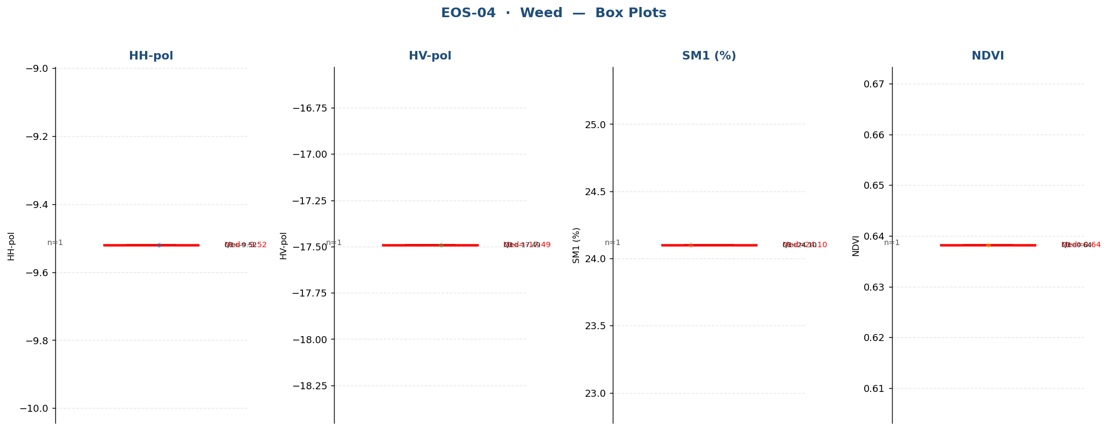

Raw Data (1 records)
Crop Name | HH-pol | HV-pol | SM1 (%) | NDVI | label
Weed | -9.5201 | -17.4915 | 24.1000 | 0.6382 | High

Weed&Chickori
...
EOS-04 · Weed&Chickori (4 records)
Statistic | HH-pol | HV-pol | SM1 (%) | NDVI
Std Dev | 1.1819 | 0.5771 | 10.6871 | 0.0859
Variance | 1.3969 | 0.3330 | 114.2133 | 0.0074
Min | -9.3376 | -16.3584 | 15.2000 | 0.6200
25% | -8.2431 | -15.9813 | 20.7500 | 0.6430
Median | -7.3946 | -15.6913 | 28.2000 | 0.7033
75% | -6.8768 | -15.3912 | 35.0500 | 0.7675
Max | -6.7743 | -14.9838 | 38.8000 | 0.8020
Skewness | -1.1288 | 0.0938 | -0.2121 | 0.1336

Box Plots — Weed&Chickori
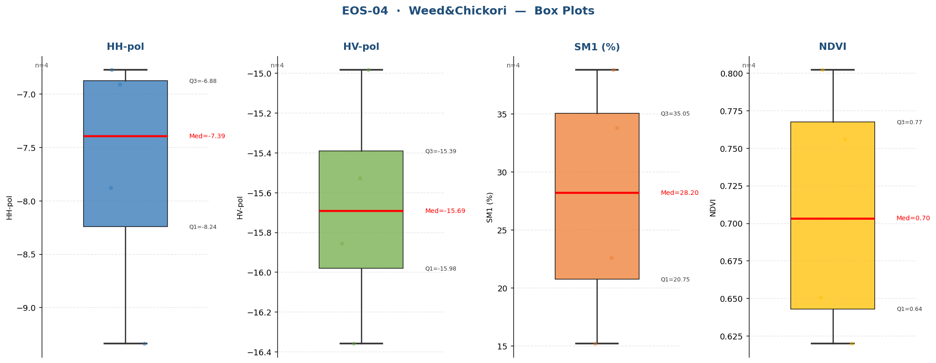

Raw Data (4 records)
Crop Name | HH-pol | HV-pol | SM1 (%) | NDVI | label
Weed&Chickori | -7.8782 | -15.5270 | 15.2000 | 0.6507 | Medium
Weed&Chickori | -6.9109 | -14.9838 | 22.6000 | 0.6200 | High
Weed&Chickori | -6.7743 | -15.8556 | 38.8000 | 0.8020 | Very High
Weed&Chickori | -9.3377 | -16.3584 | 33.8000 | 0.7559 | Very High

Wheat
...
EOS-04 · Wheat (424 records)
Statistic | HH-pol | HV-pol | SM1 (%) | NDVI
Std Dev | 2.1669 | 2.1181 | 13.2212 | 0.1541
Variance | 4.6956 | 4.4865 | 174.8005 | 0.0237
Min | -13.1892 | -21.6922 | 3.7000 | 0.2700
25% | -9.3099 | -17.1370 | 16.4500 | 0.4858
Median | -8.0354 | -15.5366 | 26.1500 | 0.6281
75% | -6.5381 | -14.1788 | 37.1250 | 0.7349
Max | -1.1734 | -8.3302 | 54.1000 | 0.8996
Skewness | 0.3515 | -0.0232 | 0.2693 | -0.1421

Box Plots — Wheat
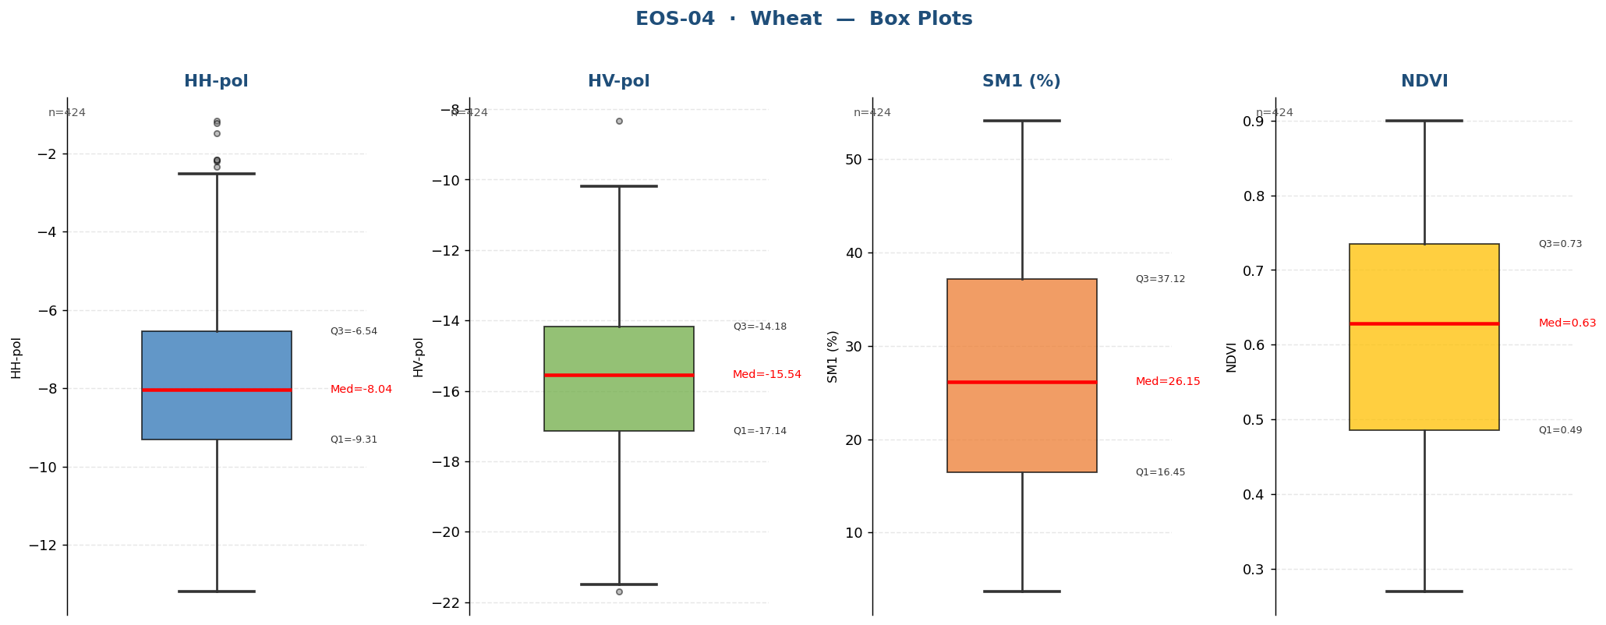

Raw Data (424 records)
Crop Name | HH-pol | HV-pol | SM1 (%) | NDVI | label
Wheat | -4.5595 | -17.2066 | 36.3000 | 0.5423 | Very High
Wheat | -2.3462 | -13.5347 | 32.6000 | 0.5472 | Very High
Wheat | -2.5271 | -13.3222 | 30.6000 | 0.5959 | High
Wheat | -9.4596 | -17.1370 | 29.8000 | 0.5608 | High
Wheat | -3.6616 | -16.5869 | 36.7000 | 0.6215 | Very High
Wheat | -8.9838 | -14.1861 | 53.6000 | 0.5404 | Very High
Wheat | -3.9584 | -14.7817 | 44.9000 | 0.5097 | Very High
Wheat | -8.6689 | -16.9875 | 35.1000 | 0.4919 | Very High
Wheat | -7.2024 | -14.4534 | 9.6000 | 0.4481 | Medium
Wheat | -7.1891 | -15.7445 | 43.7667 | 0.4306 | Very High
Wheat | -10.3986 | -18.5287 | 7.8000 | 0.3960 | Low
Wheat | -8.3077 | -20.0373 | 5.0000 | 0.4283 | Low
Wheat | -10.8807 | -20.2038 | 7.0000 | 0.3637 | Low
Wheat | -8.5461 | -17.6739 | 11.1000 | 0.4127 | Medium
Wheat | -9.8615 | -18.9748 | 11.2333 | 0.4020 | Medium
Wheat | -8.4578 | -18.6630 | 16.9000 | 0.4210 | High
Wheat | -7.4407 | -17.6607 | 15.7000 | 0.4328 | Medium
Wheat | -3.1793 | -12.0463 | 39.5000 | 0.4386 | Very High
Wheat | -8.9229 | -17.1978 | 33.1000 | 0.4412 | Very High
Wheat | -3.3637 | -16.6315 | 12.1667 | 0.4152 | Medium
Wheat | -8.8744 | -15.6532 | 25.6000 | 0.3923 | High
...

