All Crops Box Plots
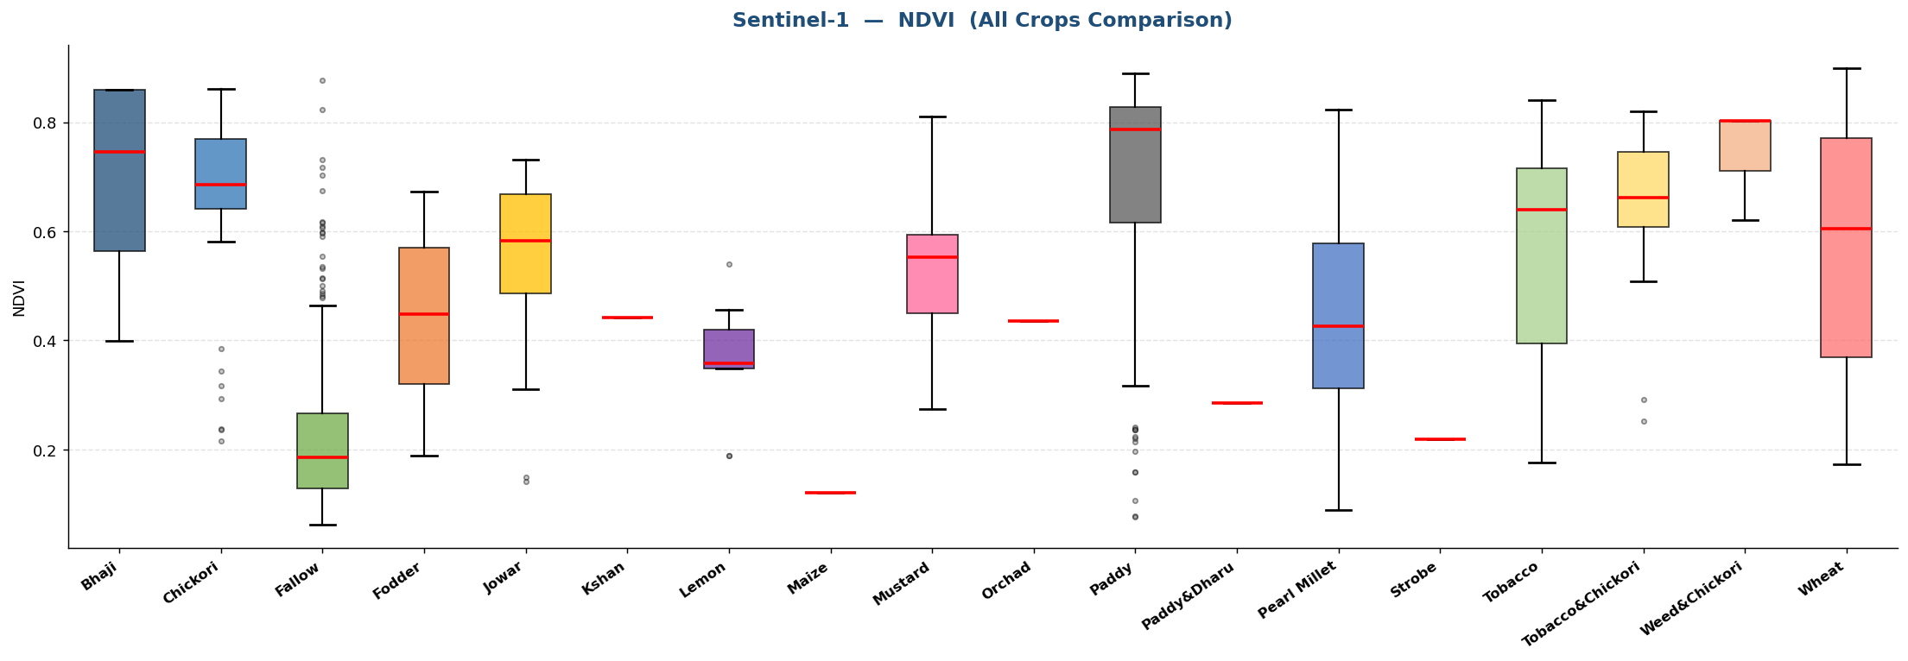
Sentinel-1 — All Crops Comparison (Box Plots)
VH-pol
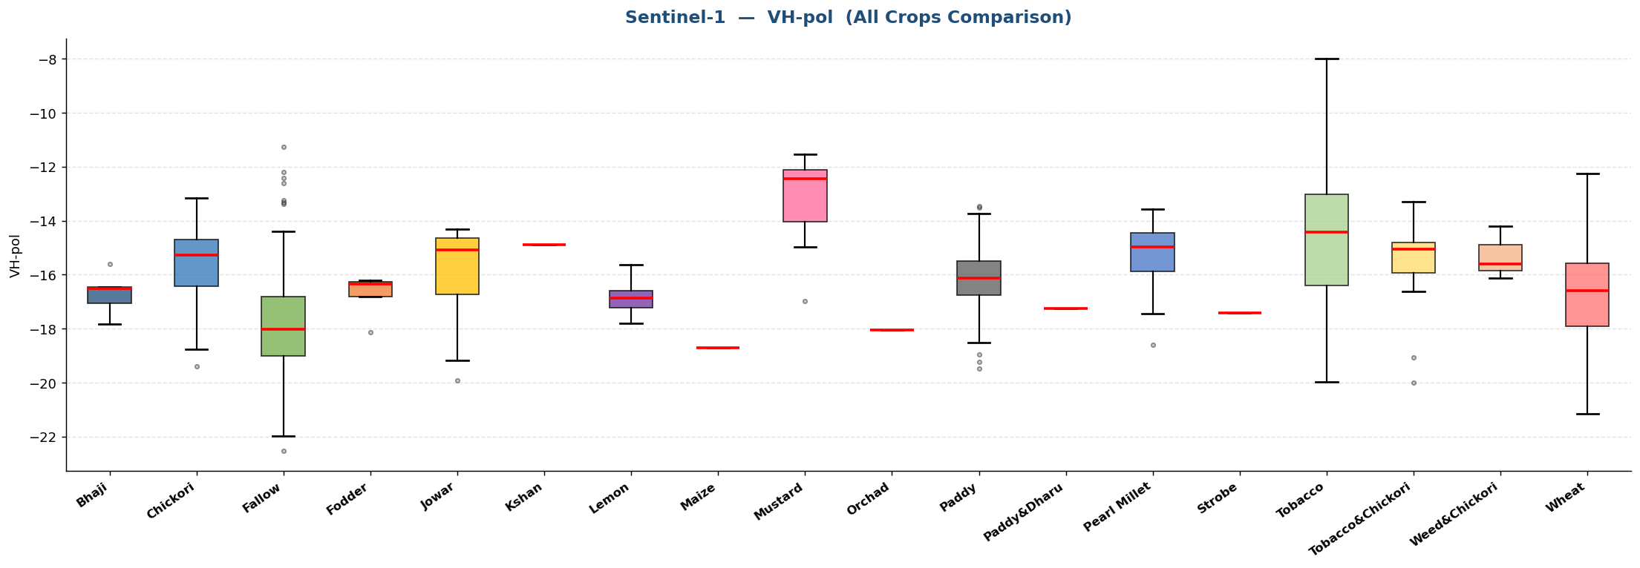

VV-pol
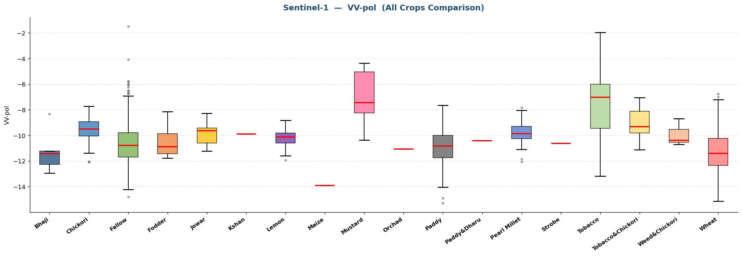

SM1 (%)
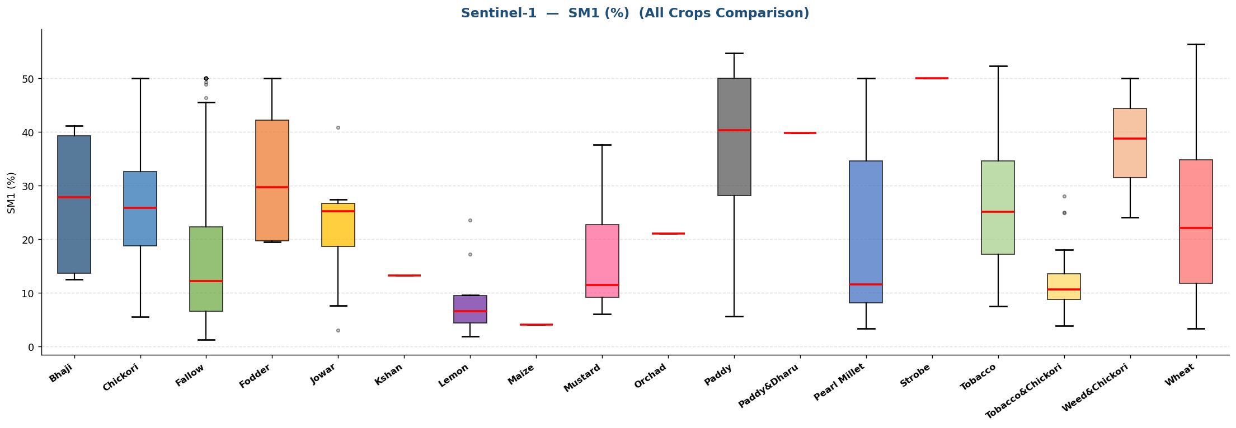

NDVI

Bhaji
Sentinel-1 · Bhaji (5 records)
Statistic | VH-pol | VV-pol | SM1 (%) | NDVI
N | 5 | 5 | 5 | 5
Mean | -16.6876 | -11.2366 | 26.8600 | 0.6854
Std Dev | 0.8188 | 1.7599 | 13.6056 | 0.2004
Variance | 0.6704 | 3.0972 | 185.1130 | 0.0402
Min | -17.8181 | -12.9422 | 12.5000 | 0.3999
25% | -17.0497 | -12.2592 | 13.6000 | 0.5629
Median | -16.5034 | -11.4268 | 27.8000 | 0.7457
75% | -16.4705 | -11.2159 | 39.3000 | 0.8593
Max | -15.5961 | -8.3388 | 41.1000 | 0.8593
Skewness | -0.1334 | 1.3985 | -0.0793 | -0.7446

Box Plots — Bhaji
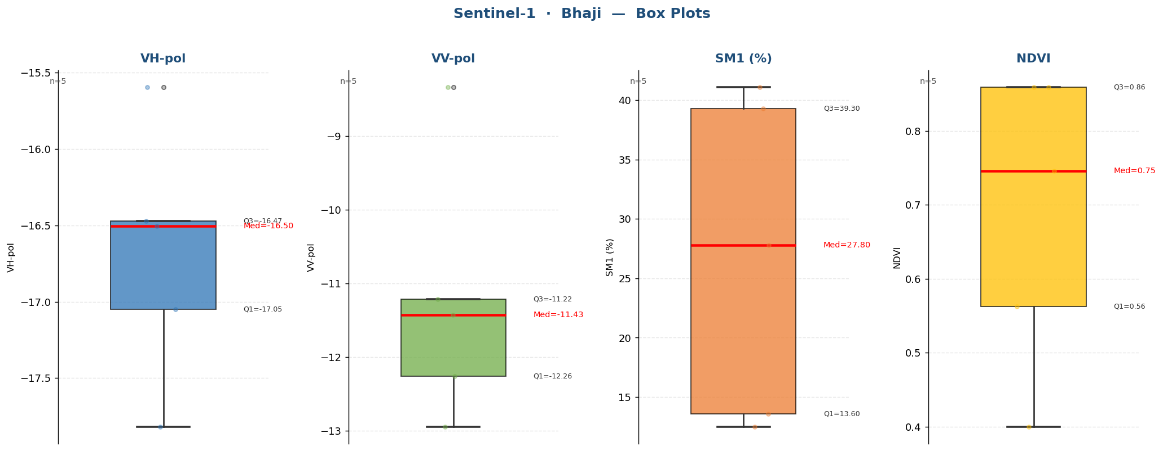

Raw Data (5 records)
Crop Name | VH-pol | VV-pol | SM1 (%) | NDVI | label
Bhaji | -17.0497 | -8.3388 | 41.1000 | 0.3999 | Very High
Bhaji | -16.4705 | -11.4268 | 27.8000 | 0.7457 | High
Bhaji | -15.5961 | -11.2159 | 39.3000 | 0.8593 | Very High
Bhaji | -16.5034 | -12.2592 | 13.6000 | 0.8593 | Medium
Bhaji | -17.8181 | -12.9422 | 12.5000 | 0.5629 | Medium

Chickori
Sentinel-1 · Chickori (59 records)
Statistic | VH-pol | VV-pol | SM1 (%) | NDVI
N | 59 | 59 | 59 | 59
Mean | -15.5783 | -9.6126 | 26.5153 | 0.6654
Std Dev | 1.3274 | 1.0183 | 11.5299 | 0.1573
Variance | 1.7621 | 1.0369 | 132.9386 | 0.0247
Min | -19.4064 | -12.0915 | 5.5333 | 0.2153
25% | -16.4306 | -10.0629 | 18.7167 | 0.6412
Median | -15.2722 | -9.5159 | 25.8000 | 0.6848
75% | -14.7090 | -8.9238 | 32.6500 | 0.7696
Max | -13.1507 | -7.7373 | 50.0000 | 0.8610
Skewness | -0.6472 | -0.4457 | 0.4397 | -1.6004

Box Plots — Chickori
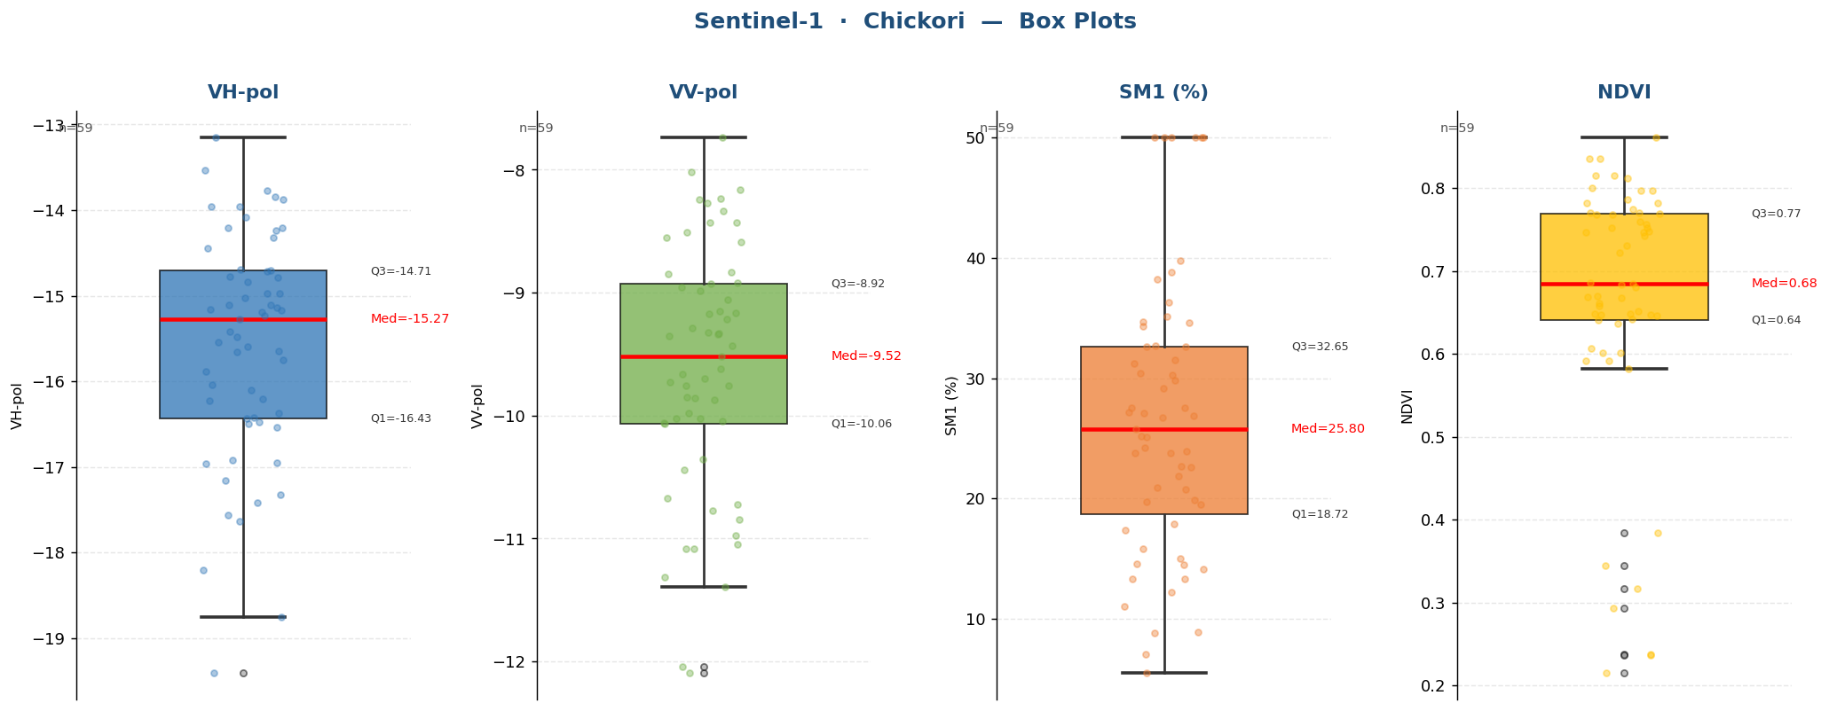

Raw Data (59 records)
Crop Name | VH-pol | VV-pol | SM1 (%) | NDVI | label
Chickori | -19.4064 | -11.3905 | 14.5000 | 0.2153 | Medium
Chickori | -17.6363 | -10.9754 | 11.0333 | 0.2372 | Medium
Chickori | -18.2030 | -9.7581 | 38.8000 | 0.2360 | Very High
Chickori | -18.7571 | -11.3143 | 8.8000 | 0.2935 | Low
Chickori | -17.3258 | -9.8467 | 8.9000 | 0.3168 | Low
Chickori | -16.2277 | -9.3335 | 7.1000 | 0.3445 | Low
Chickori | -15.1951 | -9.2840 | 27.1000 | 0.7221 | High
Chickori | -15.2722 | -8.3361 | 27.5333 | 0.6851 | High
Chickori | -14.7919 | -10.0595 | 12.2000 | 0.6069 | Medium
Chickori | -16.4965 | -10.0229 | 27.2000 | 0.6576 | High
Chickori | -15.6522 | -10.7192 | 20.9000 | 0.5921 | Medium
Chickori | -16.1047 | -10.7707 | 17.9000 | 0.6456 | Medium
Chickori | -16.4258 | -11.0807 | 19.5333 | 0.6606 | Medium
Chickori | -14.3230 | -8.9867 | 50.0000 | 0.6699 | Very High
Chickori | -17.1612 | -9.1680 | 15.8000 | 0.6848 | Medium
Chickori | -15.4173 | -9.8549 | 5.5333 | 0.6476 | Low
Chickori | -14.7180 | -8.1607 | 26.7000 | 0.6518 | High
Chickori | -16.4789 | -9.7555 | 31.5000 | 0.5817 | High
Chickori | -15.6628 | -9.2148 | 29.1667 | 0.6467 | High
Chickori | -14.0855 | -9.1527 | 14.1000 | 0.6408 | Medium
Chickori | -14.2032 | -8.2330 | 17.4000 | 0.6839 | Medium
Chickori | -15.0224 | -9.3205 | 36.3000 | 0.6416 | Very High
Chickori | -14.6934 | -8.9256 | 38.2333 | 0.6367 | Very High
Chickori | -14.2387 | -8.5873 | 30.3000 | 0.8147 | High
Chickori | -15.5438 | -9.5159 | 21.9000 | 0.8356 | High
Chickori | -14.9784 | -8.8465 | 13.3000 | 0.7824 | Medium
Chickori | -13.8753 | -9.3372 | 24.2000 | 0.7465 | High
Chickori | -14.7001 | -8.4297 | 22.6000 | 0.6478 | High
Chickori | -14.2055 | -7.7373 | 23.8000 | 0.6015 | High
Chickori | -13.1507 | -8.5120 | 29.8000 | 0.7681 | High
Chickori | -13.8451 | -8.0208 | 25.1000 | 0.7524 | High
Chickori | -14.9713 | -10.4383 | 25.8000 | 0.7963 | High
Chickori | -15.1571 | -10.6741 | 27.5667 | 0.7706 | High
Chickori | -15.1052 | -10.0420 | 15.0000 | 0.8147 | Medium
Chickori | -16.2079 | -8.8364 | 30.4000 | 0.8356 | High
Chickori | -15.1126 | -8.2686 | 32.7000 | 0.7824 | High
Chickori | -15.1353 | -8.9542 | 20.8000 | 0.7465 | Medium
Chickori | -13.7710 | -9.0568 | 34.6000 | 0.6478 | High
Chickori | -13.9581 | -9.1712 | 31.2333 | 0.6015 | High
Chickori | -13.5356 | -8.2404 | 50.0000 | 0.7681 | Very High
Chickori | -13.9604 | -8.4315 | 50.0000 | 0.7524 | Very High
Chickori | -15.2355 | -9.7272 | 32.6000 | 0.7963 | High
Chickori | -15.5949 | -9.9822 | 34.6667 | 0.7706 | High
Chickori | -17.4200 | -9.3494 | 19.7000 | 0.8610 | Medium
Chickori | -16.9565 | -10.3548 | 32.6000 | 0.8005 | High
Chickori | -16.3737 | -10.0251 | 23.9333 | 0.8114 | High
Chickori | -16.4354 | -11.0810 | 26.9000 | 0.7472 | High
Chickori | -16.9237 | -11.0487 | 23.8000 | 0.7743 | High
Chickori | -14.4477 | -9.6995 | 25.2000 | 0.7686 | High
Chickori | -14.7729 | -9.6614 | 13.3000 | 0.7595 | Medium
Chickori | -14.8425 | -10.0662 | 22.7000 | 0.6681 | High
Chickori | -15.1700 | -12.0915 | 14.6000 | 0.7559 | Medium
Chickori | -15.4805 | -8.9220 | 34.3000 | 0.7858 | High
Chickori | -16.0453 | -9.4344 | 35.1000 | 0.7309 | High
Chickori | -15.7507 | -8.5546 | 39.7667 | 0.7421 | Very High
Chickori | -15.8806 | -12.0434 | 19.9000 | 0.3845 | Medium
Chickori | -16.5415 | -9.8735 | 50.0000 | 0.6671 | Very High
Chickori | -16.9678 | -9.6220 | 50.0000 | 0.5914 | Very High
Chickori | -17.5690 | -10.8421 | 50.0000 | 0.6806 | Very High

Fallow
Sentinel-1 · Fallow (515 records)
Statistic | VH-pol | VV-pol | SM1 (%) | NDVI
N | 515 | 515 | 515 | 515
Mean | -17.8864 | -10.6490 | 17.2271 | 0.2163
Std Dev | 1.6277 | 1.6121 | 14.3540 | 0.1228
Variance | 2.6494 | 2.5990 | 206.0387 | 0.0151
Min | -22.5424 | -14.7882 | 1.2000 | 0.0616
25% | -19.0095 | -11.7045 | 6.6000 | 0.1294
Median | -18.0218 | -10.7904 | 12.2000 | 0.1856
75% | -16.8012 | -9.7859 | 22.2500 | 0.2664
Max | -11.2685 | -1.4846 | 50.0000 | 0.8773
Skewness | 0.4058 | 0.8441 | 1.2635 | 1.8162

Box Plots — Fallow
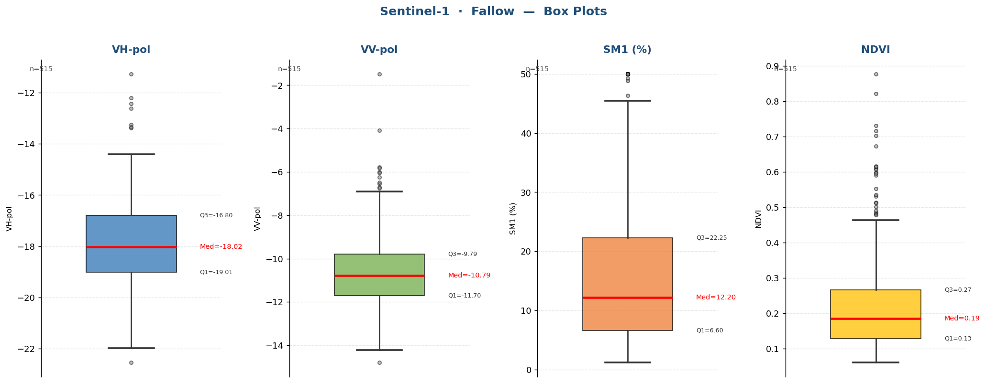

Raw Data (515 records)
Crop Name | VH-pol | VV-pol | SM1 (%) | NDVI | label
Fallow | -19.3557 | -13.5461 | 4.6000 | 0.1077 | Low
Fallow | -17.8729 | -9.9893 | 6.4000 | 0.0946 | Low
Fallow | -17.3646 | -10.7327 | 3.9000 | 0.1814 | Low
Fallow | -20.1790 | -12.6369 | 9.9000 | 0.1278 | Low
Fallow | -18.3151 | -11.1065 | 4.6000 | 0.1066 | Low
Fallow | -18.3690 | -12.5258 | 3.6333 | 0.1470 | Low
Fallow | -18.3568 | -9.8546 | 4.8000 | 0.2272 | Low
Fallow | -19.1375 | -12.3611 | 6.0000 | 0.1072 | Low
Fallow | -17.2726 | -11.5579 | 7.0000 | 0.0995 | Low
Fallow | -18.5586 | -10.7904 | 6.1000 | 0.1520 | Low
Fallow | -18.7528 | -11.6258 | 4.6667 | 0.1016 | Low
Fallow | -19.9924 | -12.1953 | 5.6000 | 0.1128 | Low
Fallow | -20.8285 | -13.2891 | 6.0000 | 0.0914 | Low
Fallow | -19.5959 | -10.4823 | 7.5000 | 0.1272 | Low
Fallow | -17.1316 | -10.9405 | 6.0000 | 0.4407 | Low
Fallow | -20.7021 | -12.4180 | 4.2333 | 0.1239 | Low
Fallow | -19.2150 | -11.5860 | 4.5000 | 0.1008 | Low
Fallow | -19.4059 | -11.3702 | 4.4000 | 0.0856 | Low
Fallow | -19.3264 | -11.8751 | 4.9000 | 0.0792 | Low
Fallow | -18.7644 | -11.1875 | 5.1000 | 0.0830 | Low
Fallow | -19.1452 | -10.9786 | 5.2333 | 0.1011 | Low
Fallow | -18.0508 | -10.5011 | 3.1000 | 0.1154 | Low
Fallow | -17.7971 | -10.7217 | 3.4000 | 0.1855 | Low
Fallow | -18.7731 | -10.2765 | 5.3000 | 0.0867 | Low
Fallow | -18.4068 | -12.4165 | 5.9000 | 0.1102 | Low
Fallow | -18.4484 | -11.2283 | 5.1000 | 0.0899 | Low
Fallow | -19.2643 | -10.5667 | 5.3000 | 0.1488 | Low
Fallow | -17.6720 | -9.7187 | 2.0000 | 0.1473 | Low
Fallow | -18.4260 | -10.9651 | 5.6000 | 0.1129 | Low
Fallow | -18.8060 | -11.1999 | 4.5000 | 0.1230 | Low
Fallow | -18.3314 | -12.2879 | 2.9000 | 0.1059 | Low
Fallow | -18.2699 | -11.5343 | 4.4000 | 0.1369 | Low
Fallow | -19.5135 | -11.5082 | 5.2000 | 0.1549 | Low
Fallow | -18.4931 | -9.8175 | 4.4000 | 0.1677 | Low
Fallow | -18.8967 | -10.9847 | 6.3333 | 0.1579 | Low
Fallow | -18.7502 | -11.5313 | 5.9000 | 0.1594 | Low
Fallow | -18.2951 | -12.0155 | 9.6000 | 0.2389 | Low
Fallow | -19.4342 | -10.4312 | 10.6000 | 0.2937 | Low
Fallow | -17.8061 | -11.2779 | 8.4000 | 0.5986 | Low
Fallow | -22.5424 | -12.1545 | 5.2000 | 0.0713 | Low
Fallow | -20.7219 | -12.3306 | 3.6000 | 0.1123 | Low
Fallow | -20.0113 | -12.1021 | 4.0000 | 0.1353 | Low
Fallow | -21.8338 | -12.6317 | 14.3000 | 0.0902 | Medium
Fallow | -21.9811 | -12.0595 | 4.7333 | 0.0976 | Low
Fallow | -18.1402 | -12.5663 | 8.8000 | 0.1342 | Low
Fallow | -19.1513 | -11.4172 | 7.5000 | 0.1748 | Low
Fallow | -19.5760 | -11.0103 | 16.5000 | 0.1187 | Medium
Fallow | -18.5322 | -10.5402 | 5.1000 | 0.1482 | Low
Fallow | -19.2907 | -11.8609 | 5.0333 | 0.1288 | Low
Fallow | -19.7057 | -11.8149 | 10.1000 | 0.1249 | Low
Fallow | -20.1477 | -12.5277 | 4.0000 | 0.1560 | Low
Fallow | -19.3053 | -11.3072 | 10.9000 | 0.2089 | Medium
Fallow | -17.4265 | -10.7271 | 12.1000 | 0.1797 | Medium
Fallow | -21.3386 | -13.1527 | 4.5000 | 0.1360 | Low
Fallow | -19.2902 | -11.0875 | 9.2000 | 0.1299 | Low
Fallow | -18.6875 | -12.2219 | 8.6000 | 0.1493 | Low
Fallow | -17.7212 | -10.4330 | 5.3000 | 0.3252 | Low
Fallow | -19.0286 | -11.6004 | 8.8000 | 0.1330 | Low
Fallow | -17.2037 | -11.6349 | 7.9000 | 0.1474 | Low
Fallow | -20.3589 | -11.9589 | 8.0000 | 0.0932 | Low
Fallow | -19.5296 | -13.0626 | 7.5000 | 0.1134 | Low
Fallow | -19.5386 | -12.8276 | 7.7000 | 0.0616 | Low
Fallow | -20.6152 | -12.8842 | 6.5333 | 0.0900 | Low
Fallow | -20.3636 | -11.9170 | 10.1000 | 0.1171 | Low
Fallow | -18.7258 | -12.2486 | 7.3000 | 0.1618 | Low
Fallow | -19.7596 | -10.9705 | 5.7000 | 0.1595 | Low
Fallow | -20.4533 | -11.8024 | 10.9000 | 0.1644 | Medium
Fallow | -19.3009 | -10.9900 | 11.1667 | 0.1059 | Medium
Fallow | -19.5784 | -11.8150 | 7.2000 | 0.4419 | Low
Fallow | -19.0005 | -10.1774 | 12.2000 | 0.2554 | Medium
Fallow | -20.2981 | -13.0725 | 3.6000 | 0.1114 | Low
Fallow | -18.6986 | -12.9887 | 3.5000 | 0.1356 | Low
Fallow | -18.6986 | -12.9887 | 5.0000 | 0.1265 | Low
Fallow | -18.8858 | -12.7639 | 4.1000 | 0.2435 | Low
Fallow | -18.6744 | -14.7882 | 2.0000 | 0.1662 | Low
Fallow | -18.1245 | -11.8757 | 3.3000 | 0.2270 | Low
Fallow | -18.1373 | -9.5247 | 26.5000 | 0.3101 | High
Fallow | -18.6367 | -12.9881 | 3.5667 | 0.1437 | Low
Fallow | -17.8404 | -11.0006 | 3.5000 | 0.1761 | Low
Fallow | -17.1435 | -12.7799 | 4.2000 | 0.1966 | Low
Fallow | -17.9406 | -11.2444 | 2.3000 | 0.1771 | Low
Fallow | -19.0359 | -13.1580 | 3.8000 | 0.1580 | Low
Fallow | -19.1968 | -13.1986 | 5.8000 | 0.3296 | Low
Fallow | -19.8453 | -12.2207 | 3.4000 | 0.1259 | Low
Fallow | -18.9673 | -13.1930 | 3.7333 | 0.1813 | Low
Fallow | -12.4202 | -4.0833 | 5.8000 | 0.1430 | Low
Fallow | -18.7210 | -12.5351 | 5.9000 | 0.2901 | Low
Fallow | -17.8501 | -12.9101 | 4.9000 | 0.1372 | Low
Fallow | -17.8550 | -11.9229 | 8.9000 | 0.7319 | Low
Fallow | -19.5663 | -12.6875 | 5.0000 | 0.0936 | Low
Fallow | -18.2036 | -10.7414 | 21.7000 | 0.0989 | High
Fallow | -18.3039 | -10.6748 | 6.0000 | 0.0880 | Low
Fallow | -21.3491 | -11.5331 | 5.7000 | 0.1051 | Low
Fallow | -20.7451 | -11.5035 | 4.9333 | 0.1515 | Low
Fallow | -20.8577 | -11.3330 | 6.6000 | 0.0782 | Low
Fallow | -21.0438 | -12.3345 | 4.5000 | 0.0759 | Low
Fallow | -18.9432 | -11.5601 | 4.9000 | 0.1070 | Low
Fallow | -18.3864 | -10.0126 | 6.5000 | 0.1118 | Low
Fallow | -20.6445 | -12.8325 | 6.7000 | 0.0930 | Low
Fallow | -18.6002 | -11.1986 | 1.3000 | 0.2030 | Low
Fallow | -19.1392 | -11.5026 | 1.5000 | 0.2240 | Low
Fallow | -20.6624 | -12.4355 | 5.5000 | 0.1245 | Low
Fallow | -19.0949 | -12.3996 | 6.6000 | 0.1197 | Low
Fallow | -20.4645 | -12.0929 | 4.7333 | 0.1363 | Low
Fallow | -20.6736 | -14.1688 | 6.7000 | 0.1012 | Low
Fallow | -19.1429 | -10.9734 | 5.1000 | 0.0968 | Low
Fallow | -19.7840 | -12.0015 | 4.5000 | 0.0884 | Low
Fallow | -20.3815 | -12.5045 | 12.3000 | 0.1073 | Medium
Fallow | -19.2682 | -11.2334 | 5.4667 | 0.0841 | Low
Fallow | -18.6729 | -12.1888 | 5.8000 | 0.2491 | Low
Fallow | -19.1204 | -11.7374 | 24.8000 | 0.1402 | High
Fallow | -17.6467 | -12.4244 | 10.7000 | 0.1368 | Low
Fallow | -19.7242 | -11.6339 | 5.0000 | 0.0949 | Low
Fallow | -20.4652 | -12.5777 | 5.9000 | 0.2069 | Low
Fallow | -18.1103 | -12.7424 | 31.9000 | 0.2853 | High
Fallow | -19.7501 | -14.2123 | 5.4000 | 0.1856 | Low
Fallow | -18.4144 | -11.5915 | 4.7000 | 0.1402 | Low
Fallow | -18.5190 | -12.6514 | 1.9000 | 0.0765 | Low
Fallow | -19.0525 | -12.8570 | 2.1333 | 0.0952 | Low
Fallow | -17.0171 | -9.9774 | 23.3000 | 0.1660 | High
Fallow | -18.1488 | -11.3335 | 7.1000 | 0.1202 | Low
Fallow | -18.4554 | -11.4813 | 5.2000 | 0.0955 | Low
Fallow | -17.4858 | -9.9775 | 5.7000 | 0.1644 | Low
Fallow | -18.2665 | -11.7643 | 5.1667 | 0.1196 | Low
Fallow | -19.6852 | -11.6614 | 5.5000 | 0.2089 | Low
Fallow | -19.8313 | -12.2824 | 3.6000 | 0.0750 | Low
Fallow | -20.0535 | -10.3556 | 6.2000 | 0.1649 | Low
Fallow | -20.7023 | -13.6124 | 7.3000 | 0.1020 | Low
Fallow | -20.0557 | -12.9406 | 7.3333 | 0.1179 | Low
Fallow | -16.7031 | -8.9046 | 10.9000 | 0.1077 | Medium
Fallow | -17.6459 | -9.1992 | 20.3000 | 0.0897 | Medium
Fallow | -17.7947 | -7.1410 | 36.0000 | 0.0946 | Very High
Fallow | -17.5226 | -7.1224 | 36.6000 | 0.1814 | Very High
Fallow | -17.4581 | -9.4145 | 11.4000 | 0.1278 | Medium
Fallow | -19.0145 | -8.0251 | 15.0000 | 0.1066 | Medium
Fallow | -17.5656 | -8.4570 | 14.0000 | 0.2362 | Medium
Fallow | -18.8254 | -10.3265 | 14.8000 | 0.1289 | Medium
Fallow | -18.8262 | -8.8883 | 15.4000 | 0.1470 | Medium
Fallow | -15.7074 | -9.7481 | 19.6000 | 0.2272 | Medium
Fallow | -17.9888 | -10.5017 | 11.4000 | 0.1072 | Medium
Fallow | -16.1815 | -9.3785 | 14.3000 | 0.0995 | Medium
Fallow | -17.3963 | -9.7016 | 16.6000 | 0.1520 | Medium
Fallow | -17.5039 | -9.7082 | 12.5333 | 0.1016 | Medium
Fallow | -19.2008 | -10.3729 | 18.9000 | 0.1128 | Medium
Fallow | -20.3727 | -10.9433 | 13.0000 | 0.0914 | Medium
Fallow | -17.9643 | -10.5367 | 16.1000 | 0.1272 | Medium
Fallow | -17.5357 | -10.4580 | 9.5000 | 0.4407 | Low
Fallow | -18.7133 | -10.4917 | 11.5333 | 0.1239 | Medium
Fallow | -19.2004 | -11.3620 | 11.0000 | 0.1008 | Medium
Fallow | -19.3545 | -10.3853 | 11.7000 | 0.0856 | Medium
Fallow | -18.0262 | -9.2874 | 12.6000 | 0.0792 | Medium
Fallow | -17.6701 | -10.0759 | 9.0000 | 0.0830 | Low
Fallow | -17.6741 | -9.7837 | 9.4333 | 0.1011 | Low
Fallow | -17.0522 | -10.5809 | 11.3000 | 0.1154 | Medium
Fallow | -17.3994 | -8.6930 | 11.4000 | 0.1855 | Medium
Fallow | -18.8472 | -10.0669 | 13.0000 | 0.0867 | Medium
Fallow | -17.0854 | -11.3063 | 13.1000 | 0.1102 | Medium
Fallow | -18.8801 | -10.4940 | 11.2333 | 0.0899 | Medium
Fallow | -17.9791 | -10.2571 | 8.1000 | 0.1398 | Low
Fallow | -19.4073 | -10.8857 | 8.7000 | 0.1488 | Low
Fallow | -18.6614 | -9.7526 | 13.9000 | 0.1473 | Medium
Fallow | -17.8863 | -10.2799 | 10.4000 | 0.1129 | Low
Fallow | -18.8169 | -10.4305 | 11.9000 | 0.1230 | Medium
Fallow | -18.6682 | -12.4050 | 10.1000 | 0.1059 | Low
Fallow | -19.2397 | -12.6364 | 11.6000 | 0.1369 | Medium
Fallow | -19.3978 | -10.1275 | 15.2000 | 0.1549 | Medium
Fallow | -17.1492 | -10.9413 | 7.2000 | 0.1677 | Low
Fallow | -18.0649 | -11.2671 | 13.2333 | 0.1579 | Medium
Fallow | -19.5577 | -10.9837 | 10.3000 | 0.1594 | Low
Fallow | -18.5045 | -11.2387 | 11.4000 | 0.2389 | Medium
Fallow | -17.6222 | -11.2284 | 17.6000 | 0.2937 | Medium
Fallow | -18.6473 | -9.8677 | 7.3333 | 0.1485 | Low
Fallow | -20.9566 | -11.1439 | 10.2000 | 0.0713 | Low
Fallow | -18.2791 | -10.2719 | 8.5000 | 0.1123 | Low
Fallow | -19.2943 | -9.9568 | 8.0000 | 0.1353 | Low
Fallow | -20.0475 | -11.7140 | 8.1000 | 0.0902 | Low
Fallow | -20.9262 | -12.1430 | 9.2333 | 0.0976 | Low
Fallow | -17.9532 | -9.6848 | 6.6000 | 0.1342 | Low
Fallow | -18.7665 | -10.8294 | 17.2000 | 0.1748 | Medium
Fallow | -17.7435 | -10.0962 | 3.9000 | 0.1187 | Low
Fallow | -16.7058 | -9.2013 | 5.7000 | 0.1482 | Low
Fallow | -18.4119 | -11.1084 | 8.7667 | 0.1288 | Low
Fallow | -18.6308 | -11.0765 | 7.2000 | 0.1249 | Low
Fallow | -19.1417 | -11.8857 | 13.3000 | 0.1560 | Medium
Fallow | -17.2233 | -10.5804 | 8.2000 | 0.2089 | Low
Fallow | -17.1753 | -10.3998 | 8.9000 | 0.1797 | Low
Fallow | -18.8407 | -11.2846 | 8.9333 | 0.1415 | Low
Fallow | -17.3488 | -9.5195 | 9.7000 | 0.1360 | Low
Fallow | -17.6706 | -9.7873 | 17.9000 | 0.1299 | Medium
Fallow | -17.7034 | -9.3998 | 12.6000 | 0.1493 | Medium
Fallow | -16.0339 | -10.5933 | 18.7000 | 0.3252 | Medium
Fallow | -16.9512 | -8.9618 | 9.1000 | 0.1330 | Low
Fallow | -17.1563 | -10.8594 | 11.9000 | 0.1474 | Medium
Fallow | -18.5095 | -12.2991 | 12.5000 | 0.0932 | Medium
Fallow | -18.4798 | -10.8249 | 12.1000 | 0.1134 | Medium
Fallow | -19.4062 | -11.0028 | 8.9000 | 0.0616 | Low
Fallow | -19.7324 | -12.7838 | 15.8333 | 0.0900 | Medium
Fallow | -17.8514 | -9.5330 | 11.7000 | 0.1171 | Medium
Fallow | -18.0516 | -10.3351 | 17.4000 | 0.1618 | Medium
Fallow | -17.7253 | -10.8849 | 9.4000 | 0.1595 | Low
Fallow | -19.2972 | -11.8369 | 10.1000 | 0.1644 | Low
Fallow | -18.5062 | -9.6521 | 19.9000 | 0.1059 | Medium
Fallow | -16.0534 | -9.3927 | 15.9000 | 0.2554 | Medium
Fallow | -18.6605 | -12.3514 | 15.0000 | 0.1114 | Medium
Fallow | -18.3215 | -11.6278 | 13.9000 | 0.1356 | Medium
Fallow | -16.5305 | -10.2434 | 13.6000 | 0.1265 | Medium
Fallow | -16.7013 | -10.1378 | 12.9000 | 0.2435 | Medium
Fallow | -17.0844 | -11.3743 | 9.9000 | 0.1662 | Low
Fallow | -16.5994 | -10.1198 | 14.1000 | 0.2270 | Medium
Fallow | -16.6831 | -10.2819 | 10.9667 | 0.1437 | Medium
Fallow | -16.0747 | -11.2853 | 14.8000 | 0.1761 | Medium
Fallow | -17.4870 | -9.3182 | 21.4000 | 0.2923 | Medium
Fallow | -16.8187 | -9.2422 | 12.7000 | 0.3128 | Medium
Fallow | -17.4671 | -10.1068 | 12.4000 | 0.1966 | Medium
Fallow | -15.7395 | -10.4770 | 21.1000 | 0.3251 | Medium
Fallow | -19.1895 | -11.3670 | 14.8000 | 0.1771 | Medium
Fallow | -18.7130 | -13.2955 | 15.8000 | 0.1580 | Medium
Fallow | -19.2663 | -12.5666 | 11.1000 | 0.3296 | Medium
Fallow | -19.8990 | -11.8056 | 14.2000 | 0.1259 | Medium
Fallow | -19.4608 | -12.0293 | 7.8000 | 0.1813 | Low
Fallow | -11.2685 | -1.4846 | 7.5000 | 0.1430 | Low
Fallow | -18.2565 | -10.5027 | 14.0000 | 0.2901 | Medium
Fallow | -18.0934 | -10.1649 | 13.5000 | 0.1372 | Medium
Fallow | -16.7281 | -10.2646 | 14.2333 | 0.1206 | Medium
Fallow | -20.4826 | -11.6595 | 10.1000 | 0.0936 | Low
Fallow | -18.9009 | -9.7706 | 20.4000 | 0.0989 | Medium
Fallow | -19.8562 | -11.3501 | 18.1000 | 0.0880 | Medium
Fallow | -19.4171 | -11.3875 | 17.5000 | 0.1051 | Medium
Fallow | -19.8455 | -11.5504 | 17.4667 | 0.1515 | Medium
Fallow | -18.8410 | -10.6180 | 12.3000 | 0.2030 | Medium
Fallow | -18.8167 | -10.0774 | 13.9000 | 0.2240 | Medium
Fallow | -19.8318 | -11.5110 | 14.7000 | 0.1245 | Medium
Fallow | -20.4582 | -10.0108 | 17.8000 | 0.1197 | Medium
Fallow | -19.9907 | -11.1097 | 17.1000 | 0.1363 | Medium
Fallow | -19.3193 | -12.2043 | 12.8000 | 0.1012 | Medium
Fallow | -19.0110 | -10.4794 | 20.9000 | 0.0968 | Medium
Fallow | -17.7328 | -8.8404 | 10.2000 | 0.0884 | Low
Fallow | -18.0194 | -10.5218 | 14.1000 | 0.1073 | Medium
Fallow | -17.5430 | -10.8355 | 15.0333 | 0.0841 | Medium
Fallow | -19.3344 | -9.4526 | 14.8000 | 0.2491 | Medium
Fallow | -18.6981 | -9.6761 | 10.0000 | 0.1402 | Low
Fallow | -16.6612 | -9.4944 | 6.7000 | 0.1368 | Low
Fallow | -17.6278 | -10.6900 | 10.0000 | 0.0949 | Low
Fallow | -17.8727 | -10.0221 | 16.7000 | 0.2069 | Medium
Fallow | -17.7807 | -10.0919 | 13.7000 | 0.1856 | Medium
Fallow | -18.6389 | -8.6970 | 13.8000 | 0.1402 | Medium
Fallow | -16.7895 | -10.2888 | 14.0000 | 0.0765 | Medium
Fallow | -17.3223 | -9.6936 | 12.1667 | 0.0952 | Medium
Fallow | -16.0042 | -9.4904 | 14.7000 | 0.1660 | Medium
Fallow | -16.8308 | -9.6722 | 22.7000 | 0.1202 | High
Fallow | -18.9629 | -11.1832 | 10.6000 | 0.0955 | Low
Fallow | -16.2654 | -8.5956 | 9.5000 | 0.1644 | Low
Fallow | -17.3359 | -9.1408 | 10.7667 | 0.1196 | Low
Fallow | -17.0662 | -9.6582 | 17.3000 | 0.2089 | Medium
Fallow | -20.0138 | -11.7319 | 11.3000 | 0.0750 | Medium
Fallow | -19.9058 | -11.9251 | 14.4000 | 0.1649 | Medium
Fallow | -18.9276 | -12.3338 | 14.2000 | 0.1020 | Medium
Fallow | -19.7375 | -12.5161 | 14.6667 | 0.1179 | Medium
Fallow | -14.9472 | -10.3794 | 20.6000 | 0.7027 | Medium
Fallow | -16.5014 | -10.2062 | 50.0000 | 0.5315 | Very High
Fallow | -16.5709 | -9.3914 | 5.2000 | 0.3302 | Low
Fallow | -16.1613 | -10.7937 | 8.1000 | 0.7166 | Low
Fallow | -16.1573 | -9.7439 | 3.4000 | 0.3080 | Low
Fallow | -17.8504 | -10.1294 | 5.5000 | 0.3059 | Low
Fallow | -15.9026 | -9.3987 | 32.8000 | 0.2144 | High
Fallow | -16.1133 | -11.2933 | 4.0000 | 0.1041 | Low
Fallow | -15.2489 | -11.3098 | 6.2000 | 0.0890 | Low
Fallow | -15.2489 | -11.3098 | 8.4667 | 0.1459 | Low
Fallow | -17.3714 | -10.5986 | 9.5000 | 0.3597 | Low
Fallow | -16.2412 | -11.3203 | 10.2000 | 0.8223 | Low
Fallow | -14.6254 | -10.0614 | 11.2000 | 0.3943 | Medium
Fallow | -18.2673 | -10.7241 | 8.0333 | 0.3661 | Low
Fallow | -16.5288 | -10.1081 | 6.3000 | 0.4081 | Low
Fallow | -16.4456 | -10.1001 | 4.0000 | 0.3875 | Low
Fallow | -17.5117 | -10.4446 | 5.0000 | 0.3644 | Low
Fallow | -17.2468 | -11.8017 | 5.2000 | 0.4808 | Low
Fallow | -17.5678 | -11.2589 | 7.8000 | 0.2927 | Low
Fallow | -16.8048 | -10.6686 | 21.3000 | 0.3162 | Medium
Fallow | -15.7680 | -9.9685 | 50.0000 | 0.8773 | Very High
Fallow | -16.3823 | -10.0207 | 22.3000 | 0.6097 | High
Fallow | -15.8381 | -11.1165 | 32.6000 | 0.5140 | High
Fallow | -17.7431 | -9.6563 | 33.5000 | 0.2868 | High
Fallow | -16.1110 | -9.0483 | 49.3000 | 0.5906 | Very High
Fallow | -16.6327 | -10.2086 | 23.2000 | 0.2605 | High
Fallow | -18.0113 | -13.0319 | 23.3000 | 0.2029 | High
Fallow | -15.8944 | -10.6805 | 26.3000 | 0.2647 | High
Fallow | -15.4936 | -10.3495 | 26.1000 | 0.6069 | High
Fallow | -14.9605 | -9.6680 | 24.6000 | 0.6170 | High
Fallow | -15.5291 | -9.7846 | 25.4667 | 0.6157 | High
Fallow | -12.1954 | -6.7082 | 32.9000 | 0.4857 | High
Fallow | -17.5094 | -11.6949 | 29.9000 | 0.4073 | High
Fallow | -16.9397 | -9.7531 | 28.1000 | 0.3755 | High
Fallow | -16.1449 | -11.1786 | 30.5000 | 0.4041 | High
Fallow | -17.6861 | -10.8978 | 30.8333 | 0.3965 | High
Fallow | -16.7591 | -10.1844 | 30.0000 | 0.3874 | High
Fallow | -18.7950 | -11.3741 | 18.0000 | 0.3244 | Medium
Fallow | -17.4799 | -12.6802 | 17.7000 | 0.2112 | Medium
Fallow | -16.4628 | -13.2860 | 18.4000 | 0.4783 | Medium
Fallow | -18.3171 | -11.5043 | 29.5000 | 0.2317 | High
Fallow | -17.2379 | -10.9005 | 29.7000 | 0.2819 | High
Fallow | -16.6961 | -11.3488 | 26.2000 | 0.2141 | High
Fallow | -16.2506 | -10.8125 | 17.9333 | 0.3410 | Medium
Fallow | -15.7868 | -10.8161 | 22.0000 | 0.2614 | High
Fallow | -17.0193 | -11.5872 | 27.0000 | 0.2593 | High
Fallow | -15.6987 | -11.0433 | 26.2000 | 0.5534 | High
Fallow | -18.0660 | -10.3254 | 23.1000 | 0.2584 | High
Fallow | -18.3269 | -8.9942 | 22.7000 | 0.2017 | High
Fallow | -15.9447 | -11.4235 | 20.6000 | 0.1977 | Medium
Fallow | -15.4504 | -10.4959 | 17.7000 | 0.2744 | Medium
Fallow | -16.4455 | -9.9755 | 17.7333 | 0.2398 | Medium
Fallow | -16.4494 | -10.0587 | 18.8000 | 0.5011 | Medium
Fallow | -17.3740 | -9.2907 | 35.9000 | 0.2657 | Very High
Fallow | -16.3365 | -10.1580 | 13.4000 | 0.2172 | Medium
Fallow | -16.2314 | -9.0740 | 16.1000 | 0.2995 | Medium
Fallow | -16.6495 | -9.5490 | 10.9333 | 0.2526 | Medium
Fallow | -14.6310 | -10.5705 | 17.4000 | 0.5353 | Medium
Fallow | -16.1006 | -11.9657 | 18.0000 | 0.4123 | Medium
Fallow | -16.3873 | -11.0428 | 21.5000 | 0.4565 | High
Fallow | -16.2108 | -10.8921 | 22.7667 | 0.2514 | High
Fallow | -13.3794 | -7.7490 | 20.6000 | 0.4634 | Medium
Fallow | -15.3375 | -11.7414 | 23.2000 | 0.5126 | High
Fallow | -15.9217 | -10.2918 | 14.8000 | 0.2370 | Medium
Fallow | -15.6397 | -10.6890 | 28.9333 | 0.4195 | High
Fallow | -19.5506 | -12.4734 | 7.5000 | 0.1465 | Low
Fallow | -18.1195 | -12.3623 | 7.5000 | 0.1945 | Low
Fallow | -17.1902 | -10.8471 | 9.3000 | 0.1583 | Low
Fallow | -19.3836 | -12.1842 | 28.5000 | 0.1433 | High
Fallow | -17.9612 | -12.1012 | 9.3667 | 0.2787 | Low
Fallow | -15.8605 | -11.5155 | 23.2000 | 0.2097 | High
Fallow | -16.5498 | -12.1410 | 22.5000 | 0.1603 | High
Fallow | -14.4018 | -10.0963 | 24.2000 | 0.1595 | High
Fallow | -17.5035 | -9.2136 | 21.8000 | 0.2318 | High
Fallow | -17.0451 | -10.8806 | 27.5333 | 0.1612 | High
Fallow | -14.6813 | -9.7758 | 10.8000 | 0.2234 | Low
Fallow | -16.9864 | -10.2269 | 8.0000 | 0.1627 | Low
Fallow | -15.4225 | -9.8095 | 11.4333 | 0.2247 | Medium
Fallow | -18.0050 | -10.0337 | 16.5000 | 0.1675 | Medium
Fallow | -18.3754 | -9.8938 | 12.2000 | 0.1909 | Medium
Fallow | -18.2038 | -10.8892 | 10.0000 | 0.2003 | Low
Fallow | -16.5835 | -11.3824 | 18.5000 | 0.2646 | Medium
Fallow | -18.8387 | -10.1739 | 15.7000 | 0.2067 | Medium
Fallow | -19.0851 | -9.6299 | 10.4000 | 0.4044 | Low
Fallow | -15.4270 | -10.7201 | 23.5000 | 0.3125 | High
Fallow | -18.2154 | -11.8066 | 12.8000 | 0.1636 | Medium
Fallow | -15.8745 | -9.0189 | 18.9000 | 0.2232 | Medium
Fallow | -16.2567 | -11.5808 | 18.2000 | 0.1828 | Medium
Fallow | -18.2614 | -11.5015 | 16.7000 | 0.1695 | Medium
Fallow | -17.8510 | -10.1538 | 13.7000 | 0.2608 | Medium
Fallow | -19.5258 | -12.0423 | 13.2000 | 0.1875 | Medium
Fallow | -18.7444 | -11.8569 | 15.3667 | 0.1688 | Medium
Fallow | -17.3929 | -9.3319 | 16.6000 | 0.1896 | Medium
Fallow | -17.7320 | -8.1616 | 25.0000 | 0.1954 | High
Fallow | -15.0632 | -5.9973 | 27.0000 | 0.1953 | High
Fallow | -16.0032 | -9.1948 | 22.0000 | 0.3047 | High
Fallow | -17.1376 | -9.0840 | 23.5000 | 0.2889 | High
Fallow | -17.2111 | -7.7893 | 25.6333 | 0.3227 | High
Fallow | -16.3826 | -10.0400 | 34.6000 | 0.3559 | High
Fallow | -17.4798 | -8.4527 | 35.2000 | 0.2599 | High
Fallow | -15.0283 | -7.5155 | 24.2000 | 0.1973 | High
Fallow | -15.0060 | -8.0630 | 28.6000 | 0.1576 | High
Fallow | -15.4500 | -8.6258 | 28.8000 | 0.2037 | High
Fallow | -17.8115 | -10.3047 | 4.4000 | 0.2423 | Low
Fallow | -20.4792 | -12.6469 | 3.7000 | 0.2149 | Low
Fallow | -16.6960 | -9.3825 | 50.0000 | 0.2472 | Very High
Fallow | -17.9222 | -11.9044 | 6.2333 | 0.2278 | Low
Fallow | -19.0415 | -10.1429 | 4.3000 | 0.2861 | Low
Fallow | -18.8160 | -9.2947 | 5.2000 | 0.1604 | Low
Fallow | -18.5045 | -9.9320 | 4.7000 | 0.1712 | Low
Fallow | -18.2382 | -8.6553 | 5.2000 | 0.1948 | Low
Fallow | -19.0097 | -9.8052 | 4.2667 | 0.2052 | Low
Fallow | -15.2933 | -7.4518 | 50.0000 | 0.2109 | Very High
Fallow | -14.4365 | -6.0505 | 50.0000 | 0.2103 | Very High
Fallow | -16.4495 | -8.3074 | 11.2000 | 0.1807 | Medium
Fallow | -15.8672 | -8.7924 | 10.3000 | 0.2669 | Low
Fallow | -15.2468 | -7.2645 | 50.0000 | 0.2052 | Very High
Fallow | -17.0051 | -9.8747 | 7.3000 | 0.1689 | Low
Fallow | -18.0847 | -10.7996 | 4.7000 | 0.1709 | Low
Fallow | -18.1624 | -10.8497 | 25.4000 | 0.1963 | High
Fallow | -17.5730 | -10.8116 | 3.6000 | 0.2091 | Low
Fallow | -18.6141 | -11.1055 | 10.0667 | 0.1833 | Low
Fallow | -15.8591 | -8.4037 | 9.3000 | 0.1765 | Low
Fallow | -16.5311 | -7.9351 | 44.0000 | 0.3685 | Very High
Fallow | -17.6762 | -9.2748 | 10.4000 | 0.1693 | Low
Fallow | -15.6404 | -7.3072 | 9.5000 | 0.2165 | Low
Fallow | -15.5907 | -8.4252 | 50.0000 | 0.3083 | Very High
Fallow | -15.4728 | -10.4611 | 4.5000 | 0.2770 | Low
Fallow | -14.4573 | -7.8532 | 8.8000 | 0.3607 | Low
Fallow | -14.5349 | -6.5589 | 50.0000 | 0.3068 | Very High
Fallow | -16.9912 | -7.8745 | 48.9000 | 0.1752 | Very High
Fallow | -16.1229 | -9.2721 | 9.8333 | 0.2657 | Low
Fallow | -15.2787 | -6.2345 | 27.9000 | 0.2332 | High
Fallow | -15.3161 | -5.7722 | 36.2000 | 0.2115 | Very High
Fallow | -15.2949 | -7.3818 | 35.7000 | 0.1997 | High
Fallow | -13.2534 | -5.8225 | 36.4000 | 0.2464 | Very High
Fallow | -14.9113 | -7.0860 | 38.8000 | 0.2237 | Very High
Fallow | -16.7976 | -7.9976 | 50.0000 | 0.2106 | Very High
Fallow | -16.0165 | -10.1738 | 50.0000 | 0.2744 | Very High
Fallow | -15.6158 | -9.7619 | 50.0000 | 0.2421 | Very High
Fallow | -16.2832 | -9.7375 | 50.0000 | 0.4639 | Very High
Fallow | -17.3368 | -8.9544 | 50.0000 | 0.2183 | Very High
Fallow | -17.7726 | -11.4881 | 13.2000 | 0.2529 | Medium
Fallow | -16.9006 | -9.5482 | 6.4000 | 0.2220 | Low
Fallow | -17.6535 | -10.6398 | 19.6000 | 0.2802 | Medium
Fallow | -17.1763 | -10.0870 | 10.6667 | 0.2398 | Low
Fallow | -17.0656 | -9.1373 | 22.6000 | 0.1899 | High
Fallow | -18.2968 | -11.0735 | 7.3000 | 0.2980 | Low
Fallow | -16.2719 | -8.3961 | 45.5000 | 0.1788 | Very High
Fallow | -16.9744 | -9.3591 | 12.6000 | 0.4032 | Medium
Fallow | -15.9793 | -8.4273 | 50.0000 | 0.1968 | Very High
Fallow | -17.8974 | -10.3033 | 19.3000 | 0.1947 | Medium
Fallow | -17.1114 | -9.8307 | 17.2000 | 0.2232 | Medium
Fallow | -18.3536 | -10.5927 | 11.2000 | 0.2318 | Medium
Fallow | -17.1371 | -10.0808 | 14.5000 | 0.1865 | Medium
Fallow | -18.7177 | -10.2786 | 18.5667 | 0.1860 | Medium
Fallow | -18.6520 | -9.8368 | 4.9000 | 0.2277 | Low
Fallow | -18.8733 | -10.9229 | 6.0000 | 0.4113 | Low
Fallow | -18.7997 | -12.1376 | 6.7000 | 0.2280 | Low
Fallow | -18.8403 | -11.6632 | 2.4000 | 0.3874 | Low
Fallow | -18.7492 | -11.5476 | 16.2000 | 0.2067 | Medium
Fallow | -18.3989 | -9.1578 | 13.5000 | 0.2034 | Medium
Fallow | -17.6031 | -10.8315 | 12.2000 | 0.3254 | Medium
Fallow | -18.7735 | -9.8491 | 14.0000 | 0.3228 | Medium
Fallow | -16.9069 | -9.6179 | 2.5000 | 0.2940 | Low
Fallow | -16.2843 | -10.7620 | 2.3000 | 0.3054 | Low
Fallow | -16.8986 | -11.0205 | 6.4000 | 0.4538 | Low
Fallow | -16.1352 | -9.5059 | 2.1333 | 0.2248 | Low
Fallow | -16.4145 | -10.4041 | 1.2000 | 0.4044 | Low
Fallow | -15.6855 | -6.4846 | 24.1000 | 0.2000 | High
Fallow | -18.3175 | -11.9857 | 9.2667 | 0.3812 | Low
Fallow | -17.1626 | -10.2336 | 2.1000 | 0.2679 | Low
Fallow | -18.4282 | -11.3989 | 1.4000 | 0.3639 | Low
Fallow | -17.7110 | -9.0514 | 21.9000 | 0.4905 | High
Fallow | -17.3953 | -10.0578 | 2.3000 | 0.2023 | Low
Fallow | -19.3425 | -10.6037 | 20.3667 | 0.2106 | Medium
Fallow | -15.7350 | -9.4114 | 34.3000 | 0.2593 | High
Fallow | -16.4909 | -7.9024 | 37.0000 | 0.1116 | Very High
Fallow | -15.7954 | -7.5480 | 32.0667 | 0.1687 | High
Fallow | -16.7894 | -8.4558 | 36.8000 | 0.1932 | Very High
Fallow | -15.0577 | -8.7703 | 39.0000 | 0.2361 | Very High
Fallow | -14.5567 | -8.7444 | 50.0000 | 0.3046 | Very High
Fallow | -18.0965 | -9.9243 | 9.4000 | 0.1742 | Low
Fallow | -16.5540 | -8.6484 | 35.6667 | 0.2958 | High
Fallow | -17.7200 | -11.1005 | 25.1000 | 0.3166 | High
Fallow | -15.9304 | -10.1496 | 15.0000 | 0.2444 | Medium
Fallow | -17.1687 | -10.4173 | 13.3000 | 0.3005 | Medium
Fallow | -15.6121 | -8.7900 | 14.2000 | 0.1875 | Medium
Fallow | -16.9227 | -11.2461 | 14.3333 | 0.1722 | Medium
Fallow | -12.6159 | -7.6703 | 43.5000 | 0.2262 | Very High
Fallow | -13.3332 | -7.2344 | 44.2000 | 0.2405 | Very High
Fallow | -15.2388 | -6.7516 | 46.4000 | 0.2269 | Very High
Fallow | -17.2182 | -7.3453 | 2.5000 | 0.1518 | Low
Fallow | -18.8663 | -11.5938 | 12.1000 | 0.2290 | Medium
Fallow | -19.3104 | -12.9189 | 8.7000 | 0.1548 | Low
Fallow | -18.8113 | -11.0742 | 17.5000 | 0.2862 | Medium
Fallow | -19.0093 | -11.8076 | 7.5000 | 0.2877 | Low
Fallow | -18.1151 | -11.9449 | 7.3667 | 0.2113 | Low
Fallow | -18.1225 | -11.2484 | 1.4000 | 0.1349 | Low
Fallow | -18.8839 | -11.1409 | 3.0000 | 0.1503 | Low
Fallow | -18.0313 | -9.8139 | 6.3000 | 0.1728 | Low
Fallow | -16.8363 | -11.6382 | 1.2000 | 0.1772 | Low
Fallow | -17.8286 | -11.3431 | 8.5667 | 0.1475 | Low
Fallow | -17.5013 | -7.3080 | 39.8000 | 0.2859 | Very High
Fallow | -16.8625 | -8.7528 | 13.7000 | 0.3546 | Medium
Fallow | -17.8951 | -11.0055 | 36.2000 | 0.3316 | Very High
Fallow | -16.5962 | -9.8583 | 14.3000 | 0.5963 | Medium
Fallow | -16.5217 | -10.0054 | 14.9000 | 0.6738 | Medium
Fallow | -18.4114 | -9.7301 | 50.0000 | 0.3019 | Very High
Fallow | -20.8136 | -12.2341 | 50.0000 | 0.3066 | Very High
Fallow | -18.2702 | -11.0335 | 50.0000 | 0.3475 | Very High
Fallow | -20.0097 | -14.2294 | 50.0000 | 0.2659 | Very High
Fallow | -19.8683 | -12.3218 | 50.0000 | 0.2571 | Very High
Fallow | -18.0314 | -11.0750 | 50.0000 | 0.3797 | Very High
Fallow | -15.3144 | -8.9413 | 19.1000 | 0.3697 | Medium
Fallow | -19.0665 | -12.2615 | 50.0000 | 0.2750 | Very High
Fallow | -19.5801 | -12.3222 | 50.0000 | 0.3149 | Very High
Fallow | -19.2929 | -9.3066 | 50.0000 | 0.1501 | Very High
Fallow | -21.2272 | -14.1230 | 50.0000 | 0.1480 | Very High
Fallow | -19.8921 | -12.1550 | 50.0000 | 0.2099 | Very High
Fallow | -16.8298 | -11.5686 | 50.0000 | 0.3485 | Very High
Fallow | -16.3540 | -6.9090 | 17.8000 | 0.2788 | Medium
Fallow | -15.7491 | -7.5579 | 31.7000 | 0.4494 | High
Fallow | -19.0664 | -10.0120 | 50.0000 | 0.2750 | Very High
Fallow | -20.3766 | -10.2549 | 50.0000 | 0.3149 | Very High
Fallow | -18.3143 | -9.6863 | 50.0000 | 0.1501 | Very High
Fallow | -20.1205 | -11.5837 | 50.0000 | 0.1480 | Very High
Fallow | -20.8537 | -10.7080 | 50.0000 | 0.2099 | Very High
Fallow | -16.2213 | -11.6649 | 50.0000 | 0.3485 | Very High
Fallow | -15.7576 | -9.8819 | 40.0000 | 0.2788 | Very High
Fallow | -16.6105 | -8.2474 | 10.4000 | 0.2704 | Low
Fallow | -18.0524 | -12.6235 | 50.0000 | 0.4158 | Very High
Fallow | -18.0330 | -10.5767 | 22.2000 | 0.1986 | High
Fallow | -20.6462 | -13.4372 | 6.5000 | 0.2716 | Low
Fallow | -17.4321 | -12.3064 | 8.4000 | 0.3654 | Low
Fallow | -19.3100 | -13.3896 | 7.9000 | 0.3464 | Low
Fallow | -17.2999 | -11.4166 | 11.2000 | 0.2639 | Medium
Fallow | -17.1174 | -11.3148 | 50.0000 | 0.1993 | Very High
Fallow | -19.0635 | -13.1552 | 50.0000 | 0.2922 | Very High
Fallow | -19.5050 | -12.7297 | 50.0000 | 0.1903 | Very High
Fallow | -18.8382 | -12.5182 | 50.0000 | 0.2158 | Very High
Fallow | -17.0319 | -8.3389 | 50.0000 | 0.1365 | Very High
Fallow | -18.2857 | -11.6041 | 50.0000 | 0.1770 | Very High
Fallow | -17.6789 | -12.1080 | 50.0000 | 0.2260 | Very High
Fallow | -18.7326 | -12.5861 | 50.0000 | 0.2073 | Very High
Fallow | -19.5755 | -12.5977 | 50.0000 | 0.1895 | Very High
Fallow | -18.5687 | -12.5590 | 50.0000 | 0.1910 | Very High
Fallow | -18.7792 | -14.0572 | 50.0000 | 0.2258 | Very High
Fallow | -18.5383 | -10.9490 | 50.0000 | 0.2195 | Very High
Fallow | -17.9060 | -11.3469 | 50.0000 | 0.2068 | Very High
Fallow | -19.4054 | -12.4806 | 50.0000 | 0.1774 | Very High
Fallow | -19.8226 | -12.1576 | 50.0000 | 0.3336 | Very High
Fallow | -16.6096 | -7.3610 | 50.0000 | 0.2642 | Very High
Fallow | -17.6825 | -9.9485 | 50.0000 | 0.3069 | Very High
Fallow | -18.7190 | -11.8069 | 50.0000 | 0.3268 | Very High
Fallow | -19.0284 | -13.7604 | 50.0000 | 0.2968 | Very High
Fallow | -18.0218 | -12.6910 | 50.0000 | 0.3219 | Very High

Fodder
Sentinel-1 · Fodder (4 records)
Statistic | VH-pol | VV-pol | SM1 (%) | NDVI
N | 4 | 4 | 4 | 4
Mean | -16.7543 | -10.4213 | 32.2000 | 0.4401
Std Dev | 0.9285 | 1.6088 | 15.1563 | 0.2100
Variance | 0.8621 | 2.5881 | 229.7133 | 0.0441
Min | -18.1426 | -11.7774 | 19.5000 | 0.1891
25% | -16.8248 | -11.4320 | 19.6500 | 0.3196
Median | -16.3350 | -10.8749 | 29.6500 | 0.4488
75% | -16.2646 | -9.8642 | 42.2000 | 0.5693
Max | -16.2047 | -8.1578 | 50.0000 | 0.6735
Skewness | -1.9621 | 1.3423 | 0.3913 | -0.1939

Box Plots — Fodder
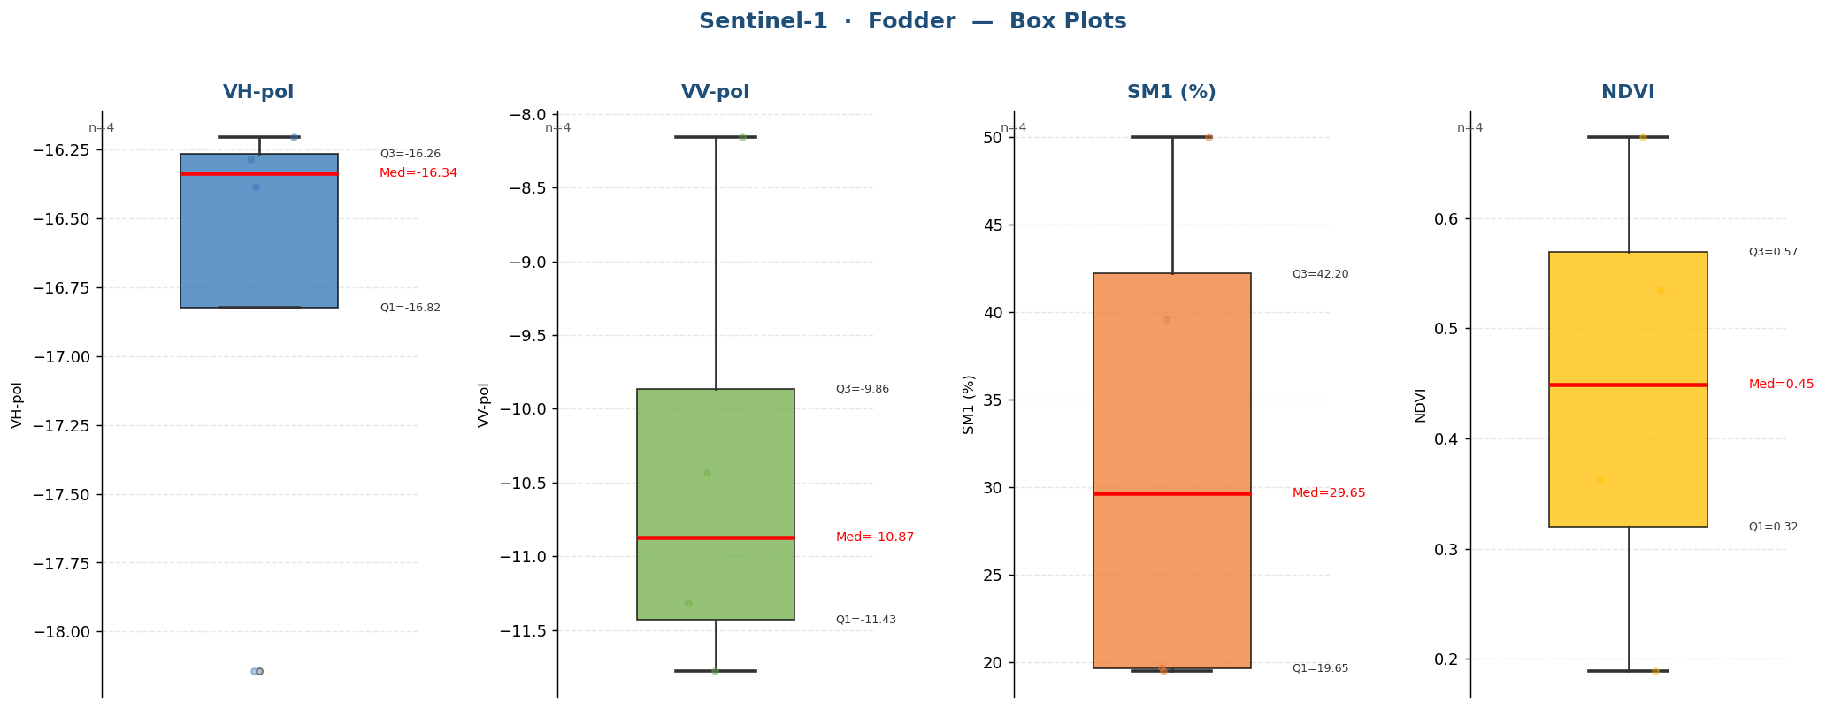

Raw Data (4 records)
Crop Name | VH-pol | VV-pol | SM1 (%) | NDVI | label
Fodder | -16.2845 | -11.3168 | 19.7000 | 0.6735 | Medium
Fodder | -16.3855 | -10.4330 | 19.5000 | 0.5346 | Medium
Fodder | -16.2047 | -8.1578 | 39.6000 | 0.3631 | Very High
Fodder | -18.1426 | -11.7774 | 50.0000 | 0.1891 | Very High

Jowar
Sentinel-1 · Jowar (12 records)
Statistic | VH-pol | VV-pol | SM1 (%) | NDVI
N | 12 | 12 | 12 | 12
Mean | -16.0174 | -9.8974 | 22.2833 | 0.5225
Std Dev | 1.9010 | 0.8833 | 10.0451 | 0.2082
Variance | 3.6140 | 0.7802 | 100.9033 | 0.0433
Min | -19.9231 | -11.2253 | 3.0000 | 0.1415
25% | -16.7210 | -10.5894 | 18.6250 | 0.4856
Median | -15.0754 | -9.6452 | 25.2000 | 0.5826
75% | -14.6372 | -9.4314 | 26.7000 | 0.6673
Max | -14.3238 | -8.2850 | 40.8000 | 0.7319
Skewness | -1.1764 | -0.1235 | -0.4448 | -1.1078

Box Plots — Jowar
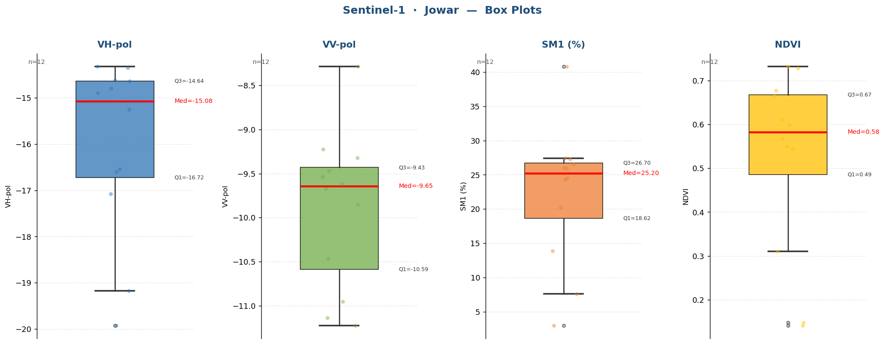

Raw Data (12 records)
Crop Name | VH-pol | VV-pol | SM1 (%) | NDVI | label
Jowar | -19.1728 | -11.2253 | 3.0000 | 0.1485 | Low
Jowar | -19.9231 | -10.9545 | 7.6000 | 0.1415 | Low
Jowar | -17.0767 | -9.8549 | 26.0000 | 0.5986 | High
Jowar | -15.2510 | -10.4677 | 27.4000 | 0.3101 | High
Jowar | -16.6025 | -11.1404 | 24.3000 | 0.7319 | High
Jowar | -14.8998 | -9.5386 | 25.9000 | 0.5667 | High
Jowar | -14.3546 | -9.4685 | 24.5000 | 0.6103 | High
Jowar | -14.6202 | -9.6195 | 20.2000 | 0.5497 | Medium
Jowar | -14.7972 | -9.6709 | 27.3000 | 0.6769 | High
Jowar | -14.6428 | -9.3201 | 40.8000 | 0.7280 | Very High
Jowar | -14.3238 | -9.2231 | 13.9000 | 0.6640 | Medium
Jowar | -16.5445 | -8.2850 | 26.5000 | 0.5442 | High

Kshan
Sentinel-1 · Kshan (1 records)
Statistic | VH-pol | VV-pol | SM1 (%) | NDVI
N | 1 | 1 | 1 | 1
Mean | -14.8990 | -9.8917 | 13.2000 | 0.4419
Std Dev
Variance
Min | -14.8990 | -9.8917 | 13.2000 | 0.4419
25% | -14.8990 | -9.8917 | 13.2000 | 0.4419
Median | -14.8990 | -9.8917 | 13.2000 | 0.4419
75% | -14.8990 | -9.8917 | 13.2000 | 0.4419
Max | -14.8990 | -9.8917 | 13.2000 | 0.4419
Skewness

Box Plots — Kshan
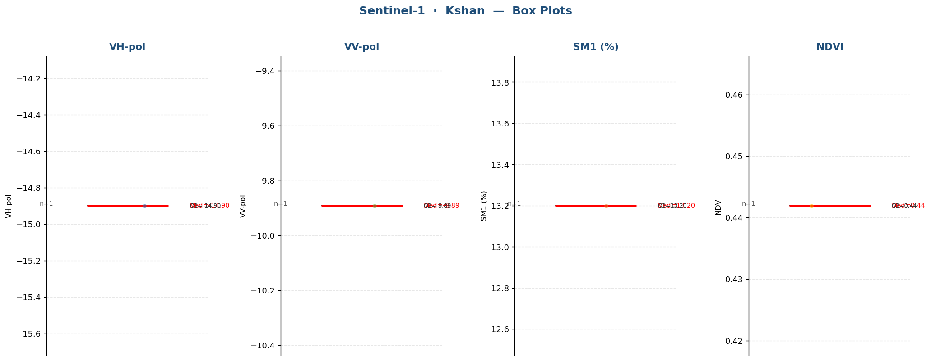

Raw Data (1 records)
Crop Name | VH-pol | VV-pol | SM1 (%) | NDVI | label
Kshan | -14.8990 | -9.8917 | 13.2000 | 0.4419 | Medium

Lemon
Sentinel-1 · Lemon (11 records)
Statistic | VH-pol | VV-pol | SM1 (%) | NDVI
N | 11 | 11 | 11 | 11
Mean | -16.8424 | -10.3142 | 8.5545 | 0.3633
Std Dev | 0.6167 | 0.8751 | 6.4289 | 0.1050
Variance | 0.3803 | 0.7659 | 41.3307 | 0.0110
Min | -17.7906 | -11.9346 | 1.9000 | 0.1886
25% | -17.2341 | -10.6041 | 4.4000 | 0.3489
Median | -16.8575 | -10.1382 | 6.6000 | 0.3579
75% | -16.5825 | -9.8283 | 9.5000 | 0.4201
Max | -15.6307 | -8.8291 | 23.5000 | 0.5398
Skewness | 0.5781 | -0.4776 | 1.5709 | -0.3809

Box Plots — Lemon
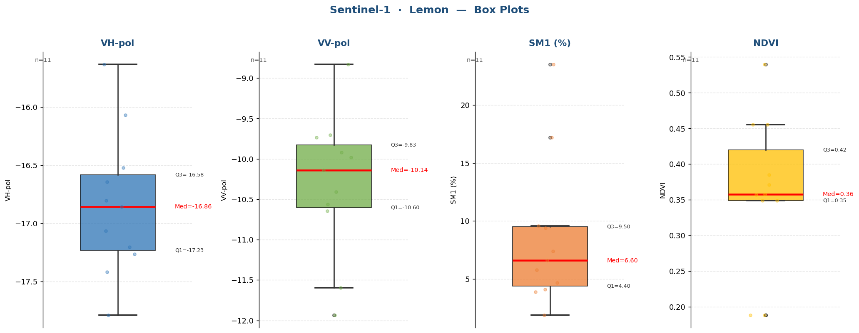

Raw Data (11 records)
Crop Name | VH-pol | VV-pol | SM1 (%) | NDVI | label
Lemon | -17.7906 | -11.9346 | 9.6000 | 0.1886 | Low
Lemon | -17.0656 | -9.7358 | 23.5000 | 0.1886 | High
Lemon | -15.6307 | -8.8291 | 4.1000 | 0.4554 | Low
Lemon | -17.2037 | -10.5619 | 17.2000 | 0.5398 | Medium
Lemon | -17.2645 | -11.5968 | 6.6000 | 0.3570 | Low
Lemon | -17.4183 | -9.7044 | 7.4000 | 0.4556 | Low
Lemon | -16.5228 | -9.9822 | 4.7000 | 0.3712 | Low
Lemon | -16.0669 | -9.9207 | 9.4000 | 0.3489 | Low
Lemon | -16.8035 | -10.1382 | 1.9000 | 0.3489 | Low
Lemon | -16.6423 | -10.6463 | 3.9000 | 0.3849 | Low
Lemon | -16.8575 | -10.4060 | 5.8000 | 0.3579 | Low

Maize
Sentinel-1 · Maize (1 records)
Statistic | VH-pol | VV-pol | SM1 (%) | NDVI
N | 1 | 1 | 1 | 1
Mean | -18.7179 | -13.9241 | 4.1000 | 0.1206
Std Dev
Variance
Min | -18.7179 | -13.9241 | 4.1000 | 0.1206
25% | -18.7179 | -13.9241 | 4.1000 | 0.1206
Median | -18.7179 | -13.9241 | 4.1000 | 0.1206
75% | -18.7179 | -13.9241 | 4.1000 | 0.1206
Max | -18.7179 | -13.9241 | 4.1000 | 0.1206
Skewness

Box Plots — Maize
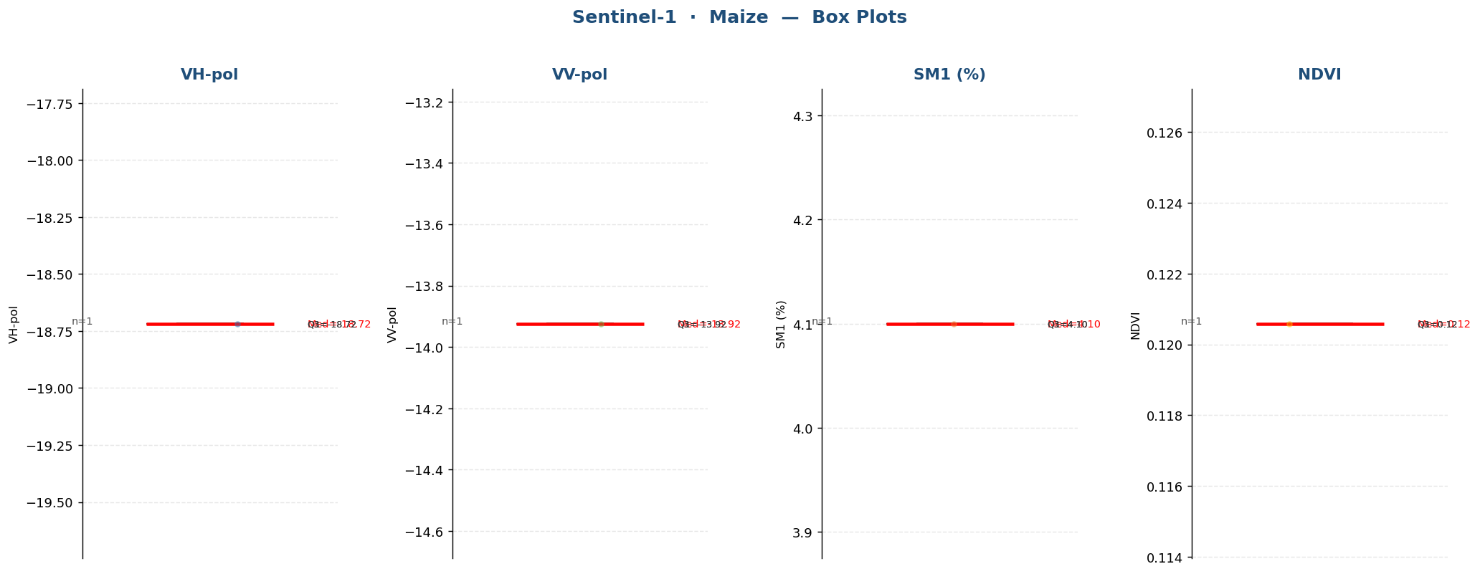

Raw Data (1 records)
Crop Name | VH-pol | VV-pol | SM1 (%) | NDVI | label
Maize | -18.7179 | -13.9241 | 4.1000 | 0.1206 | Low

Mustard
Sentinel-1 · Mustard (9 records)
Statistic | VH-pol | VV-pol | SM1 (%) | NDVI
N | 9 | 9 | 9 | 9
Mean | -13.2078 | -7.1736 | 17.1778 | 0.5281
Std Dev | 1.7971 | 2.0461 | 11.0516 | 0.1469
Variance | 3.2297 | 4.1866 | 122.1369 | 0.0216
Min | -16.9867 | -10.3769 | 6.0000 | 0.2745
25% | -14.0462 | -8.2394 | 9.2000 | 0.4494
Median | -12.4401 | -7.4465 | 11.5000 | 0.5525
75% | -12.1096 | -5.0445 | 22.7000 | 0.5940
Max | -11.5396 | -4.3533 | 37.6000 | 0.8110
Skewness | -1.3776 | 0.0307 | 1.0217 | 0.2834

Box Plots — Mustard
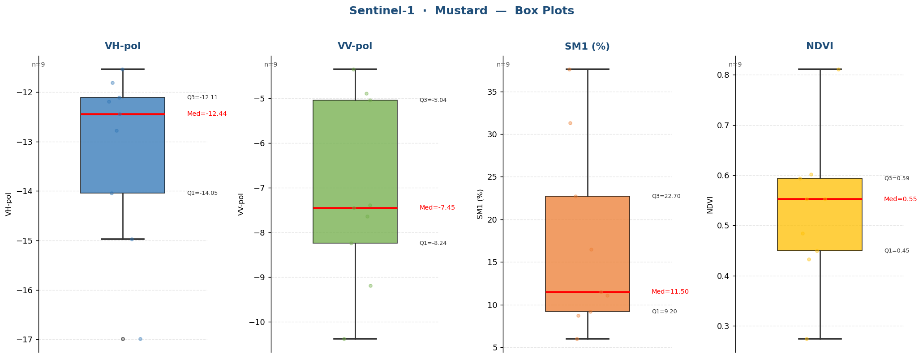

Raw Data (9 records)
Crop Name | VH-pol | VV-pol | SM1 (%) | NDVI | label
Mustard | -16.9867 | -9.1869 | 6.0000 | 0.2745 | Low
Mustard | -14.9698 | -10.3769 | 22.7000 | 0.4324 | High
Mustard | -14.0462 | -7.4465 | 9.2000 | 0.8110 | Low
Mustard | -12.4401 | -5.0445 | 31.3000 | 0.6022 | High
Mustard | -11.5396 | -7.6362 | 8.7000 | 0.5940 | Low
Mustard | -11.8141 | -4.8890 | 11.1000 | 0.4846 | Medium
Mustard | -12.1860 | -8.2394 | 11.5000 | 0.4494 | Medium
Mustard | -12.1096 | -4.3533 | 37.6000 | 0.5525 | Very High
Mustard | -12.7777 | -7.3896 | 16.5000 | 0.5525 | Medium

Orchad
Sentinel-1 · Orchad (1 records)
Statistic | VH-pol | VV-pol | SM1 (%) | NDVI
N | 1 | 1 | 1 | 1
Mean | -18.0399 | -11.0806 | 21.0000 | 0.4357
Std Dev
Variance
Min | -18.0399 | -11.0806 | 21.0000 | 0.4357
25% | -18.0399 | -11.0806 | 21.0000 | 0.4357
Median | -18.0399 | -11.0806 | 21.0000 | 0.4357
75% | -18.0399 | -11.0806 | 21.0000 | 0.4357
Max | -18.0399 | -11.0806 | 21.0000 | 0.4357
Skewness

Box Plots — Orchad
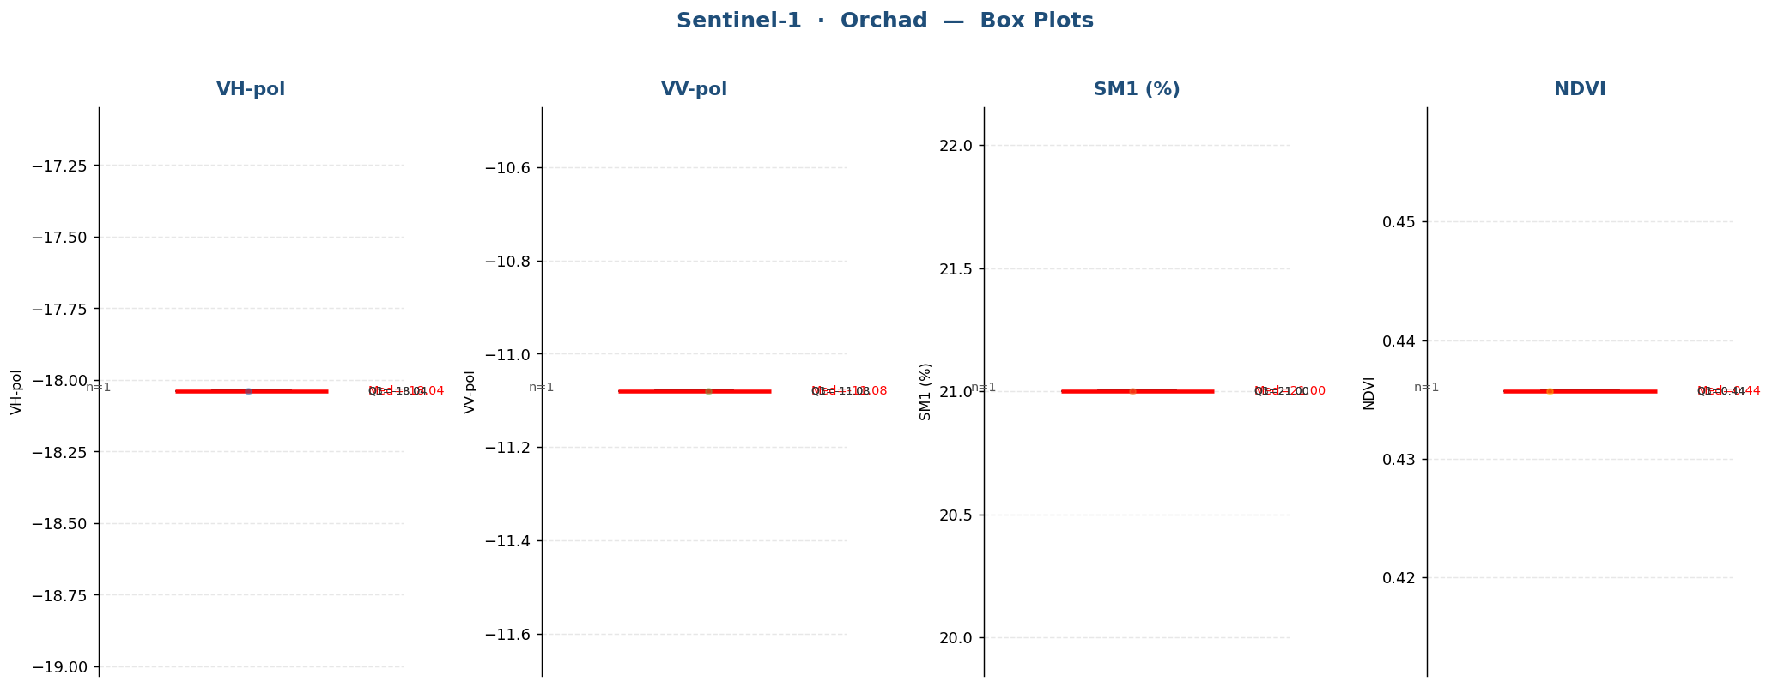

Raw Data (1 records)
Crop Name | VH-pol | VV-pol | SM1 (%) | NDVI | label
Orchad | -18.0399 | -11.0806 | 21.0000 | 0.4357 | Medium

Paddy
Sentinel-1 · Paddy (245 records)
Statistic | VH-pol | VV-pol | SM1 (%) | NDVI
N | 245 | 245 | 245 | 245
Mean | -16.1619 | -10.8974 | 37.7853 | 0.7049
Std Dev | 1.0388 | 1.3386 | 13.0181 | 0.1833
Variance | 1.0790 | 1.7919 | 169.4705 | 0.0336
Min | -19.4709 | -15.3080 | 5.6000 | 0.0759
25% | -16.7659 | -11.7524 | 28.1000 | 0.6160
Median | -16.1221 | -10.8443 | 40.3000 | 0.7863
75% | -15.4959 | -10.0103 | 50.0000 | 0.8271
Max | -13.4674 | -7.6416 | 54.7000 | 0.8889
Skewness | -0.2746 | -0.2770 | -0.6375 | -1.5147

Box Plots — Paddy
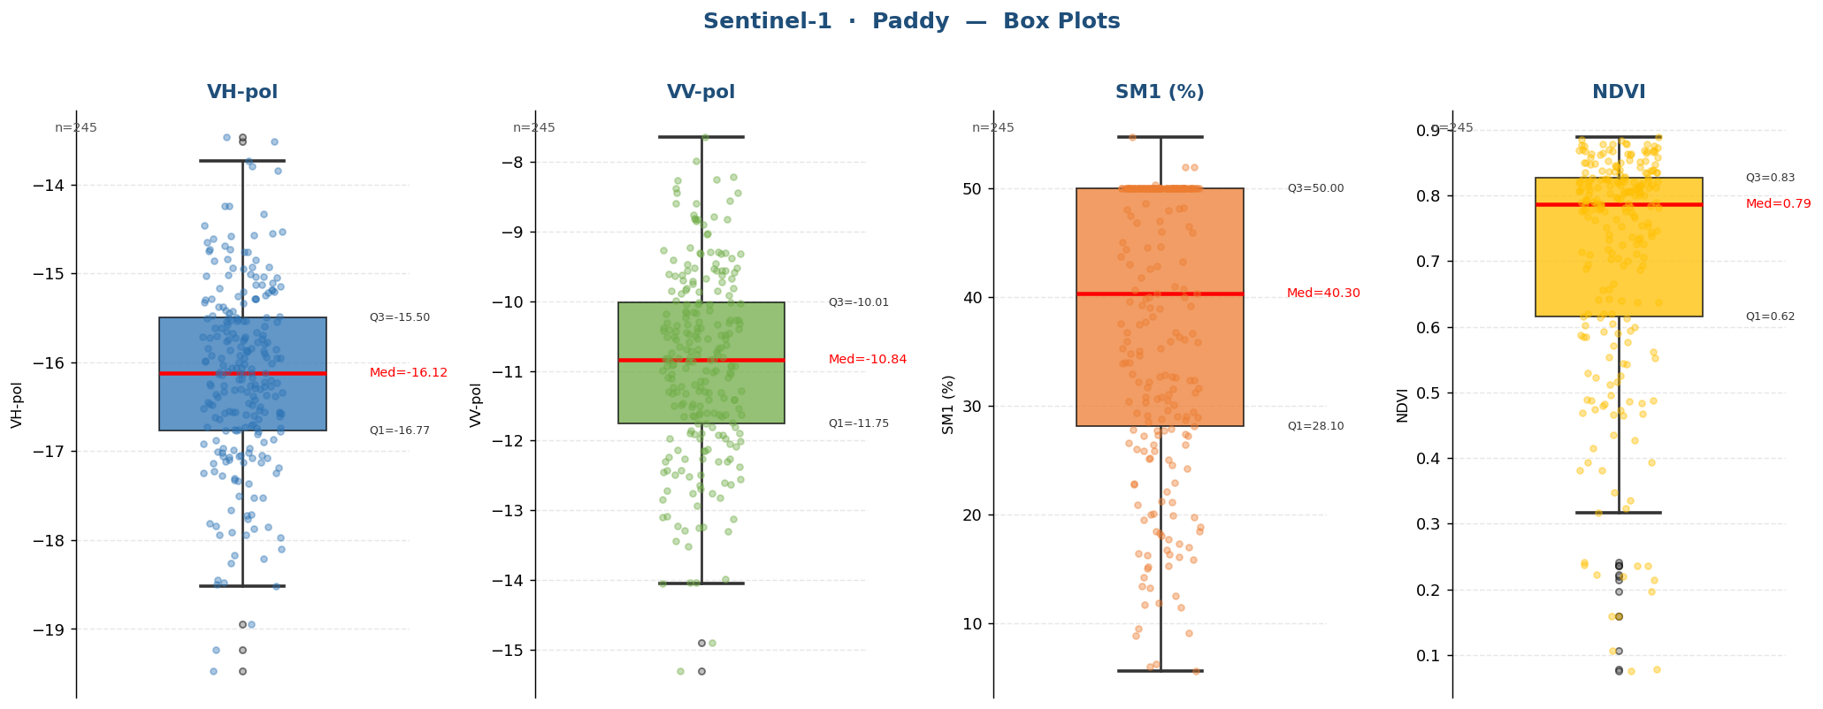

Raw Data (245 records)
Crop Name | VH-pol | VV-pol | SM1 (%) | NDVI | label
Paddy | -18.2091 | -11.8073 | 50.0000 | 0.0782 | Very High
Paddy | -19.2384 | -8.3738 | 50.0000 | 0.0759 | Very High
Paddy | -18.4955 | -8.8278 | 50.0000 | 0.1070 | Very High
Paddy | -16.3612 | -11.2994 | 25.8000 | 0.8791 | High
Paddy | -16.1688 | -10.9920 | 28.9000 | 0.8432 | High
Paddy | -15.1309 | -10.3330 | 36.6667 | 0.8773 | Very High
Paddy | -15.9520 | -12.0034 | 40.0000 | 0.8532 | Very High
Paddy | -17.1809 | -13.2382 | 30.3000 | 0.8696 | High
Paddy | -16.9626 | -13.4392 | 5.6000 | 0.8643 | Low
Paddy | -16.5716 | -11.4672 | 39.6000 | 0.8273 | Very High
Paddy | -16.9695 | -12.5117 | 32.3333 | 0.8233 | High
Paddy | -15.5307 | -10.9025 | 50.0000 | 0.8216 | Very High
Paddy | -16.7325 | -10.8443 | 48.2000 | 0.8377 | Very High
Paddy | -16.2985 | -9.7121 | 31.7000 | 0.8468 | High
Paddy | -15.9551 | -11.4084 | 30.6000 | 0.8275 | High
Paddy | -16.7127 | -11.3849 | 37.7000 | 0.8182 | Very High
Paddy | -16.0646 | -11.6524 | 36.7000 | 0.8393 | Very High
Paddy | -16.7360 | -12.6436 | 30.1000 | 0.8750 | High
Paddy | -15.9252 | -10.7431 | 32.7000 | 0.8154 | High
Paddy | -16.1256 | -10.8009 | 24.2000 | 0.8633 | High
Paddy | -16.0064 | -11.8065 | 50.0000 | 0.8334 | Very High
Paddy | -16.8686 | -12.6924 | 50.0000 | 0.8194 | Very High
Paddy | -15.9527 | -10.7657 | 50.0000 | 0.8446 | Very High
Paddy | -16.2625 | -9.5187 | 50.0000 | 0.8722 | Very High
Paddy | -15.9810 | -10.5879 | 50.0000 | 0.8491 | Very High
Paddy | -15.5414 | -11.0484 | 32.7000 | 0.8256 | High
Paddy | -15.9405 | -11.6325 | 28.5000 | 0.8243 | High
Paddy | -15.1456 | -11.3157 | 42.8000 | 0.8889 | Very High
Paddy | -16.7355 | -12.1398 | 45.9000 | 0.8846 | Very High
Paddy | -16.5040 | -12.4867 | 22.7333 | 0.8190 | High
Paddy | -16.7659 | -9.8138 | 50.0000 | 0.8545 | Very High
Paddy | -17.8128 | -11.8560 | 50.0000 | 0.8786 | Very High
Paddy | -17.8400 | -10.8665 | 50.0000 | 0.8637 | Very High
Paddy | -16.2248 | -11.2224 | 50.0000 | 0.8778 | Very High
Paddy | -17.2440 | -11.0995 | 50.0000 | 0.8690 | Very High
Paddy | -17.1227 | -13.2895 | 46.8000 | 0.7131 | Very High
Paddy | -17.0072 | -12.7521 | 28.7000 | 0.5768 | High
Paddy | -16.5502 | -12.4274 | 34.0000 | 0.1590 | High
Paddy | -16.0617 | -11.5104 | 47.5000 | 0.3165 | Very High
Paddy | -16.3776 | -12.1246 | 48.1000 | 0.3478 | Very High
Paddy | -15.9505 | -8.4370 | 50.0000 | 0.7250 | Very High
Paddy | -16.2971 | -10.7129 | 21.2000 | 0.7786 | Medium
Paddy | -14.9278 | -10.6912 | 41.8000 | 0.7754 | Very High
Paddy | -15.6177 | -8.2627 | 50.0000 | 0.6946 | Very High
Paddy | -17.2738 | -13.5249 | 35.3000 | 0.6576 | High
Paddy | -16.4653 | -9.8493 | 8.8000 | 0.6864 | Low
Paddy | -15.0107 | -8.8966 | 38.9000 | 0.7061 | Very High
Paddy | -18.9485 | -14.8997 | 19.5000 | 0.7407 | Medium
Paddy | -19.4709 | -13.9840 | 15.8000 | 0.6376 | Medium
Paddy | -15.2510 | -10.2705 | 50.0000 | 0.8327 | Very High
Paddy | -16.0289 | -9.8549 | 50.0000 | 0.7938 | Very High
Paddy | -14.2439 | -8.7544 | 50.0000 | 0.8055 | Very High
Paddy | -15.7696 | -8.5585 | 50.0000 | 0.7921 | Very High
Paddy | -15.8590 | -10.0176 | 50.0000 | 0.8346 | Very High
Paddy | -16.5640 | -10.3042 | 50.0000 | 0.8352 | Very High
Paddy | -15.5981 | -11.8940 | 50.0000 | 0.8222 | Very High
Paddy | -14.7579 | -11.1411 | 50.0000 | 0.7868 | Very High
Paddy | -13.5129 | -9.4527 | 50.0000 | 0.8363 | Very High
Paddy | -15.1237 | -11.7383 | 50.0000 | 0.8348 | Very High
Paddy | -16.5845 | -10.7586 | 50.0000 | 0.8531 | Very High
Paddy | -16.3697 | -12.8522 | 50.0000 | 0.8625 | Very High
Paddy | -16.5367 | -12.9330 | 50.0000 | 0.8786 | Very High
Paddy | -15.3391 | -9.5225 | 50.0000 | 0.8476 | Very High
Paddy | -17.0484 | -13.0900 | 50.0000 | 0.8751 | Very High
Paddy | -16.3075 | -11.4096 | 50.0000 | 0.8494 | Very High
Paddy | -16.9199 | -12.2625 | 50.0000 | 0.8629 | Very High
Paddy | -15.0295 | -11.9198 | 50.0000 | 0.8498 | Very High
Paddy | -16.7762 | -12.2400 | 50.0000 | 0.8251 | Very High
Paddy | -17.8696 | -12.3732 | 50.0000 | 0.8506 | Very High
Paddy | -16.6975 | -10.1320 | 50.0000 | 0.8146 | Very High
Paddy | -15.4476 | -9.3224 | 50.0000 | 0.8206 | Very High
Paddy | -14.6140 | -8.2553 | 50.0000 | 0.8657 | Very High
Paddy | -14.3331 | -9.2307 | 50.0000 | 0.8429 | Very High
Paddy | -13.7343 | -10.9272 | 41.0000 | 0.2148 | Very High
Paddy | -16.6355 | -11.3253 | 50.0000 | 0.2357 | Very High
Paddy | -15.8240 | -9.2641 | 50.0000 | 0.7030 | Very High
Paddy | -17.7578 | -10.4205 | 50.0000 | 0.4148 | Very High
Paddy | -15.4765 | -11.2944 | 11.7000 | 0.8141 | Medium
Paddy | -15.5371 | -10.6467 | 9.5000 | 0.8097 | Low
Paddy | -13.7972 | -10.3083 | 40.3000 | 0.8000 | Very High
Paddy | -14.5269 | -11.0137 | 50.0000 | 0.7875 | Very High
Paddy | -13.8432 | -10.5165 | 17.6667 | 0.7997 | Medium
Paddy | -16.6215 | -11.9717 | 11.4000 | 0.8107 | Medium
Paddy | -16.2729 | -11.3154 | 17.3000 | 0.8248 | Medium
Paddy | -17.3361 | -15.3080 | 22.8000 | 0.8219 | High
Paddy | -17.0758 | -11.1040 | 15.0000 | 0.8057 | Medium
Paddy | -18.1040 | -12.4902 | 27.9000 | 0.7788 | High
Paddy | -18.4524 | -14.0366 | 14.1667 | 0.7968 | Medium
Paddy | -17.2235 | -12.5492 | 40.7000 | 0.8683 | Very High
Paddy | -17.1218 | -13.2523 | 30.4000 | 0.8393 | High
Paddy | -16.8753 | -12.7543 | 36.3000 | 0.8677 | Very High
Paddy | -17.6664 | -12.7181 | 6.0000 | 0.8672 | Low
Paddy | -16.1193 | -11.0230 | 9.1000 | 0.8004 | Low
Paddy | -15.7447 | -10.8257 | 13.4000 | 0.8073 | Medium
Paddy | -16.7749 | -11.9260 | 11.8333 | 0.8679 | Medium
Paddy | -16.2273 | -9.7496 | 50.0000 | 0.8783 | Very High
Paddy | -15.1867 | -10.5111 | 50.0000 | 0.8381 | Very High
Paddy | -15.4285 | -9.0264 | 6.2000 | 0.8574 | Low
Paddy | -17.0169 | -11.4846 | 30.5000 | 0.8280 | High
Paddy | -15.2878 | -11.5343 | 54.7000 | 0.7138 | Very High
Paddy | -16.5741 | -11.6287 | 51.9333 | 0.7821 | Very High
Paddy | -15.7256 | -11.9075 | 35.0000 | 0.8358 | High
Paddy | -17.0775 | -12.3035 | 44.5000 | 0.8582 | Very High
Paddy | -16.2427 | -11.4123 | 27.4000 | 0.8505 | High
Paddy | -16.7603 | -12.3064 | 28.8000 | 0.7823 | High
Paddy | -16.4803 | -11.9773 | 29.3333 | 0.8356 | High
Paddy | -15.0181 | -12.1525 | 48.0000 | 0.7621 | Very High
Paddy | -17.1169 | -11.6305 | 50.3000 | 0.7589 | Very High
Paddy | -15.8683 | -9.6789 | 46.5000 | 0.8223 | Very High
Paddy | -16.5154 | -10.4936 | 50.0000 | 0.8056 | Very High
Paddy | -16.7722 | -10.8470 | 47.9333 | 0.8240 | Very High
Paddy | -17.3094 | -11.6359 | 32.3000 | 0.8465 | High
Paddy | -17.8534 | -14.0367 | 35.9000 | 0.8683 | Very High
Paddy | -17.1011 | -12.0817 | 39.2000 | 0.8043 | Very High
Paddy | -16.4507 | -11.6264 | 32.5667 | 0.7785 | High
Paddy | -18.2642 | -13.1322 | 33.9000 | 0.8674 | High
Paddy | -17.0700 | -12.4531 | 37.5000 | 0.8706 | Very High
Paddy | -18.5177 | -14.0548 | 32.8000 | 0.8615 | High
Paddy | -17.3270 | -12.6271 | 29.6000 | 0.8649 | High
Paddy | -18.4824 | -13.3082 | 37.5333 | 0.8835 | Very High
Paddy | -16.9866 | -10.9278 | 50.0000 | 0.7892 | Very High
Paddy | -16.4826 | -9.3057 | 50.0000 | 0.7876 | Very High
Paddy | -15.9937 | -11.8925 | 50.0000 | 0.7761 | Very High
Paddy | -16.5633 | -10.6730 | 50.0000 | 0.7764 | Very High
Paddy | -16.0184 | -10.4119 | 50.0000 | 0.8024 | Very High
Paddy | -17.3667 | -12.4326 | 50.0000 | 0.7928 | Very High
Paddy | -17.9381 | -12.6027 | 50.0000 | 0.8121 | Very High
Paddy | -15.8397 | -9.4114 | 50.0000 | 0.7802 | Very High
Paddy | -16.4180 | -12.8212 | 50.0000 | 0.8236 | Very High
Paddy | -16.3340 | -11.4744 | 50.0000 | 0.8192 | Very High
Paddy | -16.1961 | -11.2946 | 50.0000 | 0.8082 | Very High
Paddy | -15.8855 | -10.5399 | 50.0000 | 0.8271 | Very High
Paddy | -16.1304 | -9.5616 | 50.0000 | 0.8153 | Very High
Paddy | -15.1103 | -10.9344 | 50.0000 | 0.7808 | Very High
Paddy | -15.3738 | -10.4504 | 50.0000 | 0.7328 | Very High
Paddy | -15.7985 | -9.6160 | 50.0000 | 0.8010 | Very High
Paddy | -15.8696 | -9.4666 | 50.0000 | 0.8160 | Very High
Paddy | -16.3936 | -9.3125 | 50.0000 | 0.7747 | Very High
Paddy | -17.5061 | -9.3090 | 50.0000 | 0.7846 | Very High
Paddy | -16.1925 | -12.3009 | 32.2000 | 0.7693 | High
Paddy | -15.4148 | -9.6158 | 48.6000 | 0.7517 | Very High
Paddy | -14.5499 | -9.0371 | 50.0000 | 0.6045 | Very High
Paddy | -16.8129 | -11.1426 | 46.0000 | 0.7660 | Very High
Paddy | -15.9208 | -10.9516 | 44.3667 | 0.7529 | Very High
Paddy | -16.5619 | -8.4431 | 50.0000 | 0.7807 | Very High
Paddy | -15.5038 | -8.5997 | 50.0000 | 0.8024 | Very High
Paddy | -14.4620 | -9.8184 | 47.0000 | 0.7353 | Very High
Paddy | -15.3306 | -8.8439 | 50.0000 | 0.8129 | Very High
Paddy | -15.2110 | -10.4750 | 50.0000 | 0.7933 | Very High
Paddy | -16.0694 | -10.8137 | 50.0000 | 0.8048 | Very High
Paddy | -15.8576 | -11.0496 | 44.6000 | 0.8067 | Very High
Paddy | -15.7121 | -9.8841 | 50.0000 | 0.7895 | Very High
Paddy | -15.2854 | -11.1007 | 42.6000 | 0.6660 | Very High
Paddy | -16.2526 | -10.0419 | 35.8000 | 0.6420 | Very High
Paddy | -14.8470 | -8.8188 | 40.3000 | 0.6419 | Very High
Paddy | -16.5768 | -10.5464 | 45.0000 | 0.3935 | Very High
Paddy | -16.7535 | -10.2753 | 39.0333 | 0.6374 | Very High
Paddy | -15.3712 | -10.0103 | 50.0000 | 0.7904 | Very High
Paddy | -15.2898 | -9.6744 | 50.0000 | 0.8212 | Very High
Paddy | -15.7316 | -10.4896 | 27.8000 | 0.6933 | High
Paddy | -15.2523 | -10.1406 | 31.2000 | 0.7632 | High
Paddy | -14.7279 | -11.1960 | 40.0000 | 0.7674 | Very High
Paddy | -14.6474 | -9.7246 | 35.2333 | 0.7539 | High
Paddy | -15.5501 | -11.6525 | 36.1000 | 0.7050 | Very High
Paddy | -14.5775 | -10.0469 | 50.0000 | 0.7460 | Very High
Paddy | -16.0174 | -13.1048 | 31.6000 | 0.8070 | High
Paddy | -15.6780 | -10.3817 | 21.1000 | 0.7331 | Medium
Paddy | -16.2942 | -11.8968 | 50.0000 | 0.7432 | Very High
Paddy | -16.1986 | -11.2381 | 50.0000 | 0.7103 | Very High
Paddy | -17.0577 | -12.1506 | 50.0000 | 0.7863 | Very High
Paddy | -17.0155 | -10.9956 | 16.4000 | 0.8127 | Medium
Paddy | -16.2580 | -10.4575 | 31.0000 | 0.7773 | High
Paddy | -14.7511 | -9.8399 | 29.0000 | 0.7004 | High
Paddy | -15.4994 | -9.9092 | 18.0000 | 0.5157 | Medium
Paddy | -16.3406 | -10.4800 | 29.0000 | 0.5226 | High
Paddy | -15.7372 | -10.2955 | 25.0000 | 0.5842 | High
Paddy | -15.2830 | -12.2570 | 27.2000 | 0.4682 | High
Paddy | -15.8406 | -11.2872 | 22.1000 | 0.2371 | High
Paddy | -16.0575 | -10.9295 | 39.2333 | 0.5840 | Very High
Paddy | -16.6045 | -9.2898 | 16.2000 | 0.5923 | Medium
Paddy | -17.5208 | -11.7570 | 16.7000 | 0.4842 | Medium
Paddy | -15.5210 | -9.5294 | 20.1000 | 0.5537 | Medium
Paddy | -15.0464 | -9.6059 | 13.2000 | 0.5717 | Medium
Paddy | -15.7770 | -10.8237 | 18.4333 | 0.5880 | Medium
Paddy | -15.2181 | -10.8056 | 20.0000 | 0.6933 | Medium
Paddy | -16.2660 | -11.5031 | 22.9000 | 0.6136 | High
Paddy | -15.6985 | -10.3288 | 16.1000 | 0.4658 | Medium
Paddy | -16.5969 | -10.9966 | 15.2667 | 0.6567 | Medium
Paddy | -16.7265 | -10.9131 | 26.6000 | 0.7254 | High
Paddy | -15.6617 | -11.2298 | 29.1000 | 0.7385 | High
Paddy | -16.1061 | -11.6509 | 34.0000 | 0.7117 | High
Paddy | -15.5727 | -10.3191 | 35.9000 | 0.7257 | Very High
Paddy | -16.1365 | -10.7204 | 27.2667 | 0.7370 | High
Paddy | -16.2749 | -10.4284 | 34.6000 | 0.6018 | High
Paddy | -15.7128 | -10.3854 | 38.2000 | 0.6193 | Very High
Paddy | -14.7574 | -9.2956 | 29.4000 | 0.3809 | High
Paddy | -15.4959 | -9.9913 | 27.2000 | 0.4737 | High
Paddy | -16.4610 | -10.1643 | 34.8000 | 0.5989 | High
Paddy | -16.3319 | -10.8561 | 50.0000 | 0.6400 | Very High
Paddy | -15.7559 | -10.6825 | 50.0000 | 0.7181 | Very High
Paddy | -14.8442 | -9.5870 | 50.0000 | 0.6197 | Very High
Paddy | -16.1413 | -9.3840 | 50.0000 | 0.4732 | Very High
Paddy | -15.6192 | -10.5328 | 50.0000 | 0.5258 | Very High
Paddy | -16.1221 | -10.8092 | 40.6000 | 0.5947 | Very High
Paddy | -14.9344 | -9.6335 | 32.2000 | 0.6149 | High
Paddy | -15.4834 | -10.2362 | 36.7000 | 0.5906 | Very High
Paddy | -15.5138 | -11.2864 | 42.9667 | 0.5113 | Very High
Paddy | -14.5743 | -11.4995 | 20.9000 | 0.4873 | Medium
Paddy | -13.4674 | -10.1660 | 28.1000 | 0.4822 | High
Paddy | -14.7304 | -9.5604 | 26.4000 | 0.3240 | High
Paddy | -15.8753 | -11.7524 | 27.7000 | 0.4862 | High
Paddy | -15.2054 | -11.5983 | 30.8000 | 0.4956 | High
Paddy | -15.0408 | -9.5605 | 30.8000 | 0.5296 | High
Paddy | -15.1850 | -10.1610 | 43.7000 | 0.6191 | Very High
Paddy | -15.3008 | -10.3861 | 39.8333 | 0.4876 | Very High
Paddy | -15.1714 | -9.6992 | 32.9000 | 0.5527 | High
Paddy | -14.8586 | -10.0388 | 25.1000 | 0.4892 | High
Paddy | -14.9294 | -10.6627 | 31.5000 | 0.4357 | High
Paddy | -14.9477 | -10.8543 | 19.7000 | 0.2197 | Medium
Paddy | -14.2449 | -8.8256 | 18.3000 | 0.2417 | Medium
Paddy | -14.6945 | -9.3196 | 16.3000 | 0.3931 | Medium
Paddy | -17.2409 | -10.6310 | 19.9000 | 0.4265 | Medium
Paddy | -16.6363 | -8.5949 | 27.7000 | 0.1968 | High
Paddy | -15.7599 | -9.5581 | 51.9000 | 0.5441 | Very High
Paddy | -15.9026 | -10.0268 | 18.8000 | 0.5613 | Medium
Paddy | -17.0611 | -11.3209 | 18.4000 | 0.3355 | Medium
Paddy | -16.5584 | -10.4012 | 25.8000 | 0.2230 | High
Paddy | -15.6574 | -10.1838 | 24.5333 | 0.2360 | High
Paddy | -16.1104 | -10.2657 | 17.0000 | 0.6160 | Medium
Paddy | -15.0352 | -10.8682 | 25.2000 | 0.4803 | High
Paddy | -15.7048 | -10.3441 | 26.0000 | 0.5427 | High
Paddy | -17.7079 | -7.6416 | 12.4667 | 0.1585 | Medium
Paddy | -15.5320 | -8.2081 | 26.4000 | 0.4677 | High
Paddy | -15.7280 | -7.9874 | 43.2000 | 0.4652 | Very High
Paddy | -16.9013 | -11.5999 | 15.1667 | 0.3813 | Medium
Paddy | -16.3783 | -10.4340 | 50.0000 | 0.7863 | Very High
Paddy | -17.5256 | -10.5302 | 50.0000 | 0.8384 | Very High
Paddy | -17.1383 | -8.7888 | 50.0000 | 0.6878 | Very High
Paddy | -17.9127 | -9.8650 | 50.0000 | 0.8108 | Very High
Paddy | -17.9407 | -8.8102 | 50.0000 | 0.7967 | Very High
Paddy | -15.4954 | -11.9714 | 50.0000 | 0.7950 | Very High
Paddy | -17.9667 | -12.2668 | 50.0000 | 0.8156 | Very High
Paddy | -18.1656 | -12.0498 | 50.0000 | 0.7530 | Very High
Paddy | -17.7197 | -13.2334 | 50.0000 | 0.8116 | Very High
Paddy | -17.0457 | -11.6065 | 50.0000 | 0.7869 | Very High

Paddy&Dharu
Sentinel-1 · Paddy&Dharu (1 records)
Statistic | VH-pol | VV-pol | SM1 (%) | NDVI
N | 1 | 1 | 1 | 1
Mean | -17.2614 | -10.4076 | 39.8000 | 0.2853
Std Dev
Variance
Min | -17.2614 | -10.4076 | 39.8000 | 0.2853
25% | -17.2614 | -10.4076 | 39.8000 | 0.2853
Median | -17.2614 | -10.4076 | 39.8000 | 0.2853
75% | -17.2614 | -10.4076 | 39.8000 | 0.2853
Max | -17.2614 | -10.4076 | 39.8000 | 0.2853
Skewness

Box Plots — Paddy&Dharu
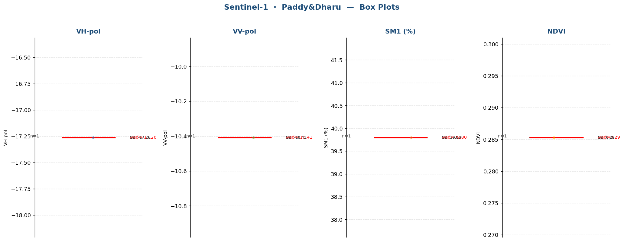

Raw Data (1 records)
Crop Name | VH-pol | VV-pol | SM1 (%) | NDVI | label
Paddy&Dharu | -17.2614 | -10.4076 | 39.8000 | 0.2853 | Very High

Pearl Millet
Sentinel-1 · Pearl Millet (41 records)
Statistic | VH-pol | VV-pol | SM1 (%) | NDVI
N | 41 | 41 | 41 | 41
Mean | -15.2760 | -9.7635 | 20.5829 | 0.4551
Std Dev | 1.1253 | 0.9327 | 14.7704 | 0.2103
Variance | 1.2663 | 0.8700 | 218.1646 | 0.0442
Min | -18.5871 | -12.0656 | 3.3000 | 0.0897
25% | -15.8915 | -10.2670 | 8.1000 | 0.3128
Median | -14.9769 | -9.8599 | 11.6000 | 0.4254
75% | -14.4623 | -9.3020 | 34.6000 | 0.5778
Max | -13.5725 | -7.8392 | 50.0000 | 0.8235
Skewness | -0.8429 | -0.0305 | 0.6199 | 0.1427

Box Plots — Pearl Millet
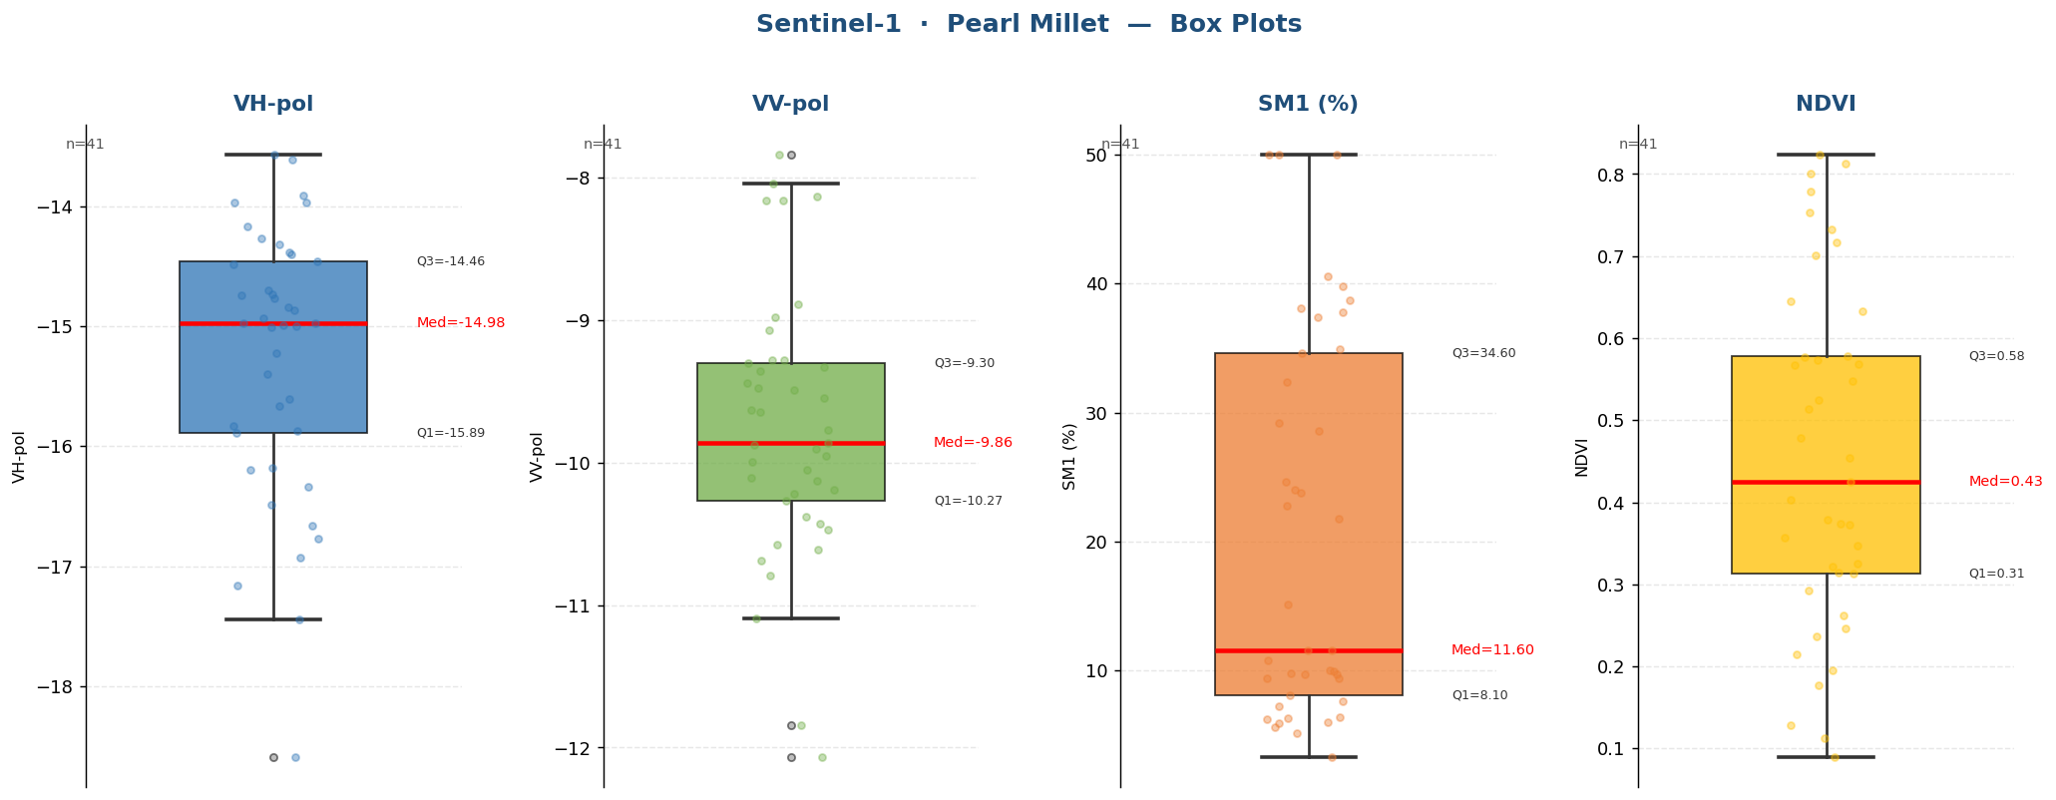

Raw Data (41 records)
Crop Name | VH-pol | VV-pol | SM1 (%) | NDVI | label
Pearl Millet | -17.1605 | -10.4691 | 7.2000 | 0.0897 | Low
Pearl Millet | -17.4439 | -10.2220 | 9.4000 | 0.2362 | Low
Pearl Millet | -18.5871 | -11.8398 | 5.6000 | 0.1289 | Low
Pearl Millet | -15.8711 | -10.3787 | 9.7000 | 0.2923 | Low
Pearl Millet | -15.8287 | -10.2670 | 8.1000 | 0.3128 | Low
Pearl Millet | -16.2000 | -9.9545 | 9.8000 | 0.3251 | Low
Pearl Millet | -14.4030 | -9.2791 | 6.2000 | 0.6454 | Low
Pearl Millet | -14.8398 | -9.9953 | 3.3000 | 0.5670 | Low
Pearl Millet | -15.0003 | -8.9785 | 5.9667 | 0.6333 | Low
Pearl Millet | -13.9688 | -8.1608 | 9.4000 | 0.4254 | Low
Pearl Millet | -14.9768 | -9.9020 | 6.3000 | 0.5478 | Low
Pearl Millet | -14.1692 | -7.8392 | 11.6000 | 0.3144 | Medium
Pearl Millet | -13.9688 | -8.1608 | 5.1667 | 0.3211 | Low
Pearl Millet | -13.6107 | -8.8875 | 5.9000 | 0.1766 | Low
Pearl Millet | -13.5725 | -9.5460 | 28.6000 | 0.3736 | High
Pearl Millet | -14.4623 | -10.5727 | 9.9000 | 0.1126 | Low
Pearl Millet | -15.8915 | -9.6320 | 32.4000 | 0.3569 | High
Pearl Millet | -14.2686 | -9.3569 | 29.1667 | 0.1956 | High
Pearl Millet | -14.7053 | -9.0727 | 7.6000 | 0.5726 | Low
Pearl Millet | -14.3234 | -8.0387 | 34.9333 | 0.7002 | High
Pearl Millet | -16.7707 | -11.0914 | 15.1000 | 0.8121 | Medium
Pearl Millet | -14.9377 | -9.8599 | 6.4000 | 0.7530 | Low
Pearl Millet | -16.9240 | -10.4272 | 9.7333 | 0.8000 | Low
Pearl Millet | -13.9087 | -9.2795 | 21.8000 | 0.5773 | High
Pearl Millet | -14.4839 | -10.0536 | 23.8000 | 0.5134 | High
Pearl Millet | -14.7704 | -9.6428 | 24.0333 | 0.5686 | High
Pearl Millet | -14.3881 | -9.4756 | 24.6000 | 0.7785 | High
Pearl Millet | -15.0057 | -9.8757 | 34.6000 | 0.5240 | High
Pearl Millet | -15.2211 | -9.3302 | 22.8000 | 0.4032 | High
Pearl Millet | -15.6038 | -12.0656 | 37.4000 | 0.8235 | Very High
Pearl Millet | -14.7458 | -9.4903 | 37.8000 | 0.3783 | Very High
Pearl Millet | -14.9936 | -9.4387 | 38.7000 | 0.5778 | Very High
Pearl Millet | -14.9769 | -10.1051 | 39.8000 | 0.3730 | Very High
Pearl Millet | -15.6675 | -9.3020 | 50.0000 | 0.7322 | Very High
Pearl Millet | -14.8658 | -9.7721 | 50.0000 | 0.2620 | Very High
Pearl Millet | -14.7341 | -10.1246 | 50.0000 | 0.7164 | Very High
Pearl Millet | -15.4016 | -10.6864 | 10.8000 | 0.4779 | Low
Pearl Millet | -16.6606 | -10.1922 | 10.0000 | 0.4541 | Low
Pearl Millet | -16.3404 | -10.7914 | 11.6000 | 0.3470 | Medium
Pearl Millet | -16.4876 | -8.1320 | 40.6000 | 0.2141 | Very High
Pearl Millet | -16.1771 | -10.6130 | 38.1000 | 0.2462 | Very High

Strobe
Sentinel-1 · Strobe (1 records)
Statistic | VH-pol | VV-pol | SM1 (%) | NDVI
N | 1 | 1 | 1 | 1
Mean | -17.4057 | -10.6208 | 50.0000 | 0.2191
Std Dev
Variance
Min | -17.4057 | -10.6208 | 50.0000 | 0.2191
25% | -17.4057 | -10.6208 | 50.0000 | 0.2191
Median | -17.4057 | -10.6208 | 50.0000 | 0.2191
75% | -17.4057 | -10.6208 | 50.0000 | 0.2191
Max | -17.4057 | -10.6208 | 50.0000 | 0.2191
Skewness

Box Plots — Strobe
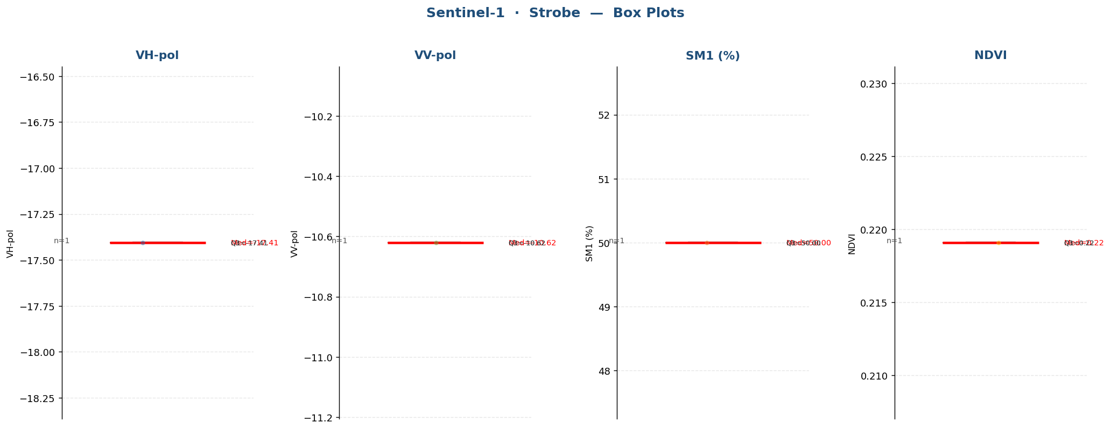

Raw Data (1 records)
Crop Name | VH-pol | VV-pol | SM1 (%) | NDVI | label
Strobe | -17.4057 | -10.6208 | 50.0000 | 0.2191 | Very High

Tobacco
Sentinel-1 · Tobacco (170 records)
Statistic | VH-pol | VV-pol | SM1 (%) | NDVI
N | 170 | 170 | 170 | 170
Mean | -14.6313 | -7.4708 | 26.5002 | 0.5653
Std Dev | 2.2723 | 2.3487 | 11.5904 | 0.1967
Variance | 5.1633 | 5.5162 | 134.3364 | 0.0387
Min | -19.9869 | -13.1870 | 7.5000 | 0.1760
25% | -16.4119 | -9.4480 | 17.1500 | 0.3942
Median | -14.4157 | -7.0134 | 25.1500 | 0.6396
75% | -13.0255 | -6.0108 | 34.5333 | 0.7161
Max | -7.9816 | -1.9596 | 52.3000 | 0.8396
Skewness | 0.0229 | -0.2361 | 0.4869 | -0.6522

Box Plots — Tobacco
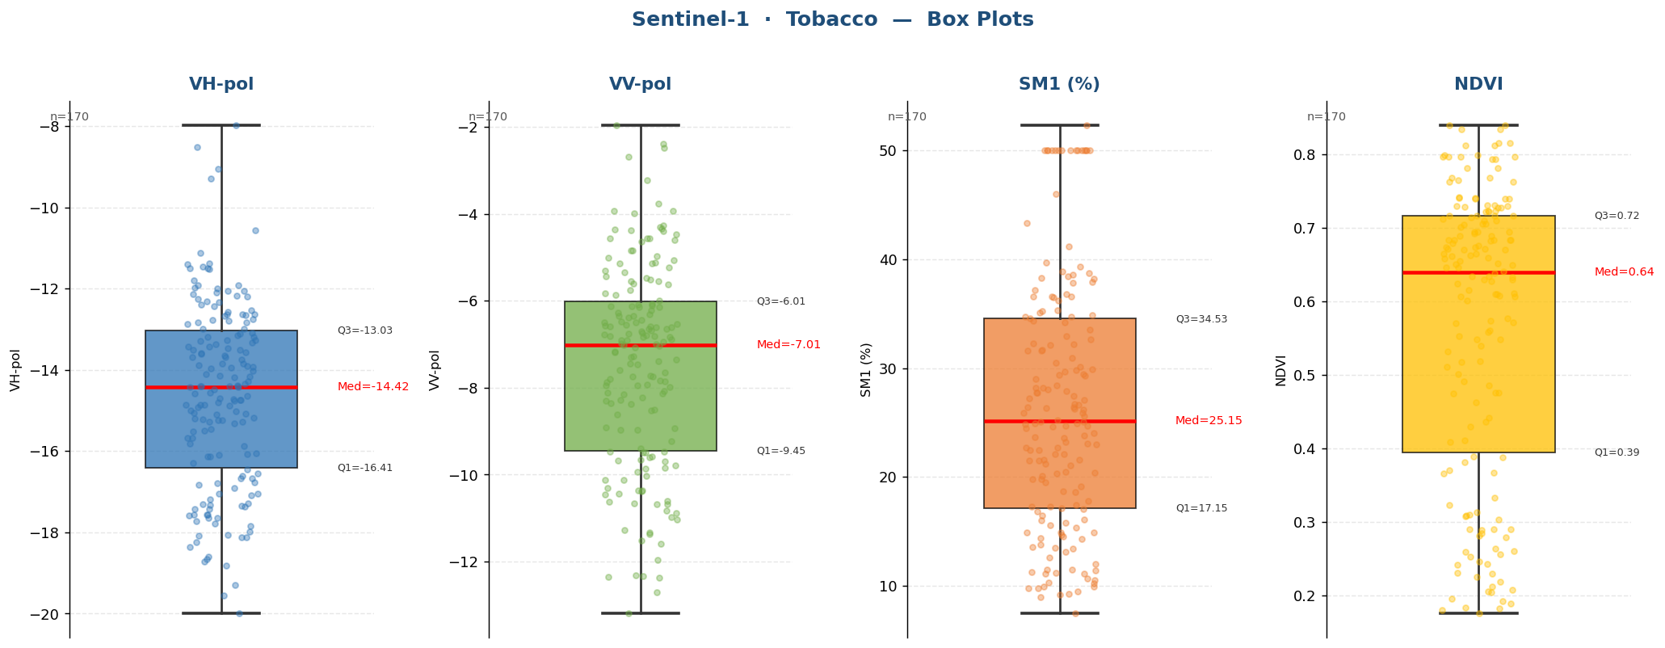

Raw Data (170 records)
Crop Name | VH-pol | VV-pol | SM1 (%) | NDVI | label
Tobacco | -14.6347 | -7.9885 | 31.7000 | 0.3098 | High
Tobacco | -18.0606 | -10.8244 | 11.5000 | 0.3658 | Medium
Tobacco | -16.1248 | -11.5078 | 11.2000 | 0.2845 | Medium
Tobacco | -18.6015 | -10.6884 | 11.4000 | 0.2074 | Medium
Tobacco | -17.6493 | -9.5854 | 12.6000 | 0.2057 | Medium
Tobacco | -18.8173 | -10.1263 | 10.2000 | 0.2188 | Low
Tobacco | -17.8344 | -10.6524 | 9.8000 | 0.2126 | Low
Tobacco | -16.0971 | -9.4985 | 36.6000 | 0.2786 | Very High
Tobacco | -15.5129 | -7.9240 | 30.9000 | 0.2888 | High
Tobacco | -15.4618 | -7.2705 | 27.1000 | 0.2593 | High
Tobacco | -15.1865 | -7.8300 | 31.5667 | 0.2640 | High
Tobacco | -17.9792 | -11.3312 | 11.1000 | 0.2249 | Medium
Tobacco | -17.2915 | -11.5914 | 10.7000 | 0.2604 | Low
Tobacco | -19.3034 | -10.8855 | 10.5000 | 0.2559 | Low
Tobacco | -19.5439 | -12.3344 | 9.0000 | 0.1893 | Low
Tobacco | -19.9869 | -12.3493 | 9.3000 | 0.2461 | Low
Tobacco | -17.4170 | -9.8417 | 11.3000 | 0.2299 | Medium
Tobacco | -17.1933 | -9.6678 | 21.5000 | 0.3073 | High
Tobacco | -16.7803 | -10.0210 | 25.1000 | 0.2041 | High
Tobacco | -17.0459 | -8.9234 | 17.4000 | 0.1760 | Medium
Tobacco | -17.5579 | -10.1138 | 14.5000 | 0.3092 | Medium
Tobacco | -16.1261 | -9.6026 | 26.4000 | 0.2426 | High
Tobacco | -14.8682 | -8.3489 | 16.0000 | 0.3136 | Medium
Tobacco | -16.8375 | -6.7417 | 37.2000 | 0.3331 | Very High
Tobacco | -18.1201 | -7.8017 | 38.3000 | 0.2417 | Very High
Tobacco | -17.4292 | -6.8350 | 36.5667 | 0.2812 | Very High
Tobacco | -17.5563 | -10.3103 | 9.5000 | 0.4084 | Low
Tobacco | -15.1081 | -10.3569 | 25.9000 | 0.5489 | High
Tobacco | -16.0484 | -9.6984 | 18.7000 | 0.3810 | Medium
Tobacco | -15.0229 | -8.9696 | 19.8333 | 0.4745 | Medium
Tobacco | -16.0769 | -7.0317 | 9.9000 | 0.6835 | Low
Tobacco | -18.3551 | -11.3751 | 14.9000 | 0.4363 | Medium
Tobacco | -16.6764 | -7.9476 | 13.5000 | 0.6301 | Medium
Tobacco | -14.7636 | -6.1344 | 28.2000 | 0.6789 | High
Tobacco | -14.4149 | -7.3549 | 25.2000 | 0.7126 | High
Tobacco | -14.0245 | -8.3723 | 27.2000 | 0.6409 | High
Tobacco | -14.8611 | -8.5111 | 27.7333 | 0.6894 | High
Tobacco | -16.5409 | -9.4665 | 17.1000 | 0.3885 | Medium
Tobacco | -15.2402 | -9.7859 | 13.4000 | 0.4109 | Medium
Tobacco | -17.3600 | -9.2243 | 13.6000 | 0.4414 | Medium
Tobacco | -18.1200 | -10.5993 | 12.0000 | 0.4915 | Medium
Tobacco | -18.0781 | -9.8641 | 15.3667 | 0.4293 | Medium
Tobacco | -18.2440 | -12.3101 | 9.8000 | 0.4862 | Low
Tobacco | -17.0564 | -8.1123 | 37.9000 | 0.4760 | Very High
Tobacco | -16.4524 | -10.4309 | 7.5000 | 0.2527 | Low
Tobacco | -17.5753 | -11.0292 | 26.4000 | 0.3670 | High
Tobacco | -12.7493 | -5.2225 | 27.9000 | 0.7654 | High
Tobacco | -16.7740 | -8.1524 | 38.2000 | 0.3894 | Very High
Tobacco | -12.1359 | -6.5826 | 34.3333 | 0.6514 | High
Tobacco | -17.7192 | -10.3633 | 20.3000 | 0.4759 | Medium
Tobacco | -17.6484 | -9.4967 | 21.5000 | 0.2901 | High
Tobacco | -15.0873 | -6.9089 | 17.3000 | 0.6112 | Medium
Tobacco | -15.4924 | -7.8751 | 24.7000 | 0.7282 | High
Tobacco | -15.0525 | -7.5974 | 29.4667 | 0.7423 | High
Tobacco | -16.2903 | -8.9605 | 10.3000 | 0.5582 | Low
Tobacco | -13.8549 | -6.5847 | 34.2000 | 0.6271 | High
Tobacco | -12.5702 | -6.8801 | 22.1000 | 0.5708 | High
Tobacco | -13.1134 | -6.6973 | 26.2667 | 0.6465 | High
Tobacco | -12.0053 | -4.5559 | 34.6000 | 0.7098 | High
Tobacco | -11.5177 | -5.1475 | 37.8000 | 0.7060 | Very High
Tobacco | -12.3139 | -4.6278 | 38.4000 | 0.6651 | Very High
Tobacco | -8.5193 | -4.3876 | 38.6000 | 0.6925 | Very High
Tobacco | -14.4875 | -6.6508 | 20.4000 | 0.6497 | Medium
Tobacco | -11.9224 | -4.3803 | 18.6000 | 0.7163 | Medium
Tobacco | -10.5732 | -6.8397 | 21.6000 | 0.6888 | High
Tobacco | -11.9098 | -5.0624 | 19.8000 | 0.7044 | Medium
Tobacco | -15.2095 | -8.1386 | 24.9000 | 0.4623 | High
Tobacco | -15.2798 | -8.5286 | 21.1000 | 0.5112 | Medium
Tobacco | -14.9254 | -6.8212 | 24.9000 | 0.6460 | High
Tobacco | -13.8776 | -6.7510 | 23.0000 | 0.6159 | High
Tobacco | -14.1030 | -6.6389 | 23.8333 | 0.6653 | High
Tobacco | -13.7533 | -6.4855 | 23.1000 | 0.6615 | High
Tobacco | -9.0537 | -5.7543 | 41.2000 | 0.6948 | Very High
Tobacco | -13.4286 | -6.9343 | 26.7000 | 0.5732 | High
Tobacco | -11.4553 | -5.5054 | 29.4000 | 0.7141 | High
Tobacco | -13.3615 | -8.2175 | 26.3000 | 0.5484 | High
Tobacco | -12.6595 | -6.2101 | 28.0667 | 0.6550 | High
Tobacco | -14.3984 | -7.8459 | 16.8000 | 0.7054 | Medium
Tobacco | -14.3983 | -6.4435 | 46.0000 | 0.5768 | Very High
Tobacco | -13.4604 | -5.8558 | 38.9000 | 0.6760 | Very High
Tobacco | -13.4343 | -5.6127 | 36.7667 | 0.6382 | Very High
Tobacco | -14.5867 | -5.5524 | 50.0000 | 0.6949 | Very High
Tobacco | -12.6734 | -6.9067 | 31.6000 | 0.7294 | High
Tobacco | -12.5303 | -6.3841 | 28.4000 | 0.6701 | High
Tobacco | -12.6323 | -6.1456 | 23.6333 | 0.7678 | High
Tobacco | -11.5008 | -4.5588 | 23.6000 | 0.8337 | High
Tobacco | -13.6459 | -5.1357 | 21.6000 | 0.8155 | High
Tobacco | -12.2502 | -3.9287 | 19.5000 | 0.7963 | Medium
Tobacco | -12.9911 | -4.2588 | 24.4667 | 0.8118 | High
Tobacco | -13.6907 | -6.3444 | 30.1000 | 0.7275 | High
Tobacco | -11.3752 | -3.2291 | 29.3000 | 0.7995 | High
Tobacco | -12.7811 | -4.8449 | 35.1000 | 0.7622 | High
Tobacco | -12.3364 | -3.9925 | 27.7333 | 0.7815 | High
Tobacco | -14.5675 | -7.0228 | 29.7000 | 0.6069 | High
Tobacco | -14.8695 | -6.8110 | 35.2000 | 0.6832 | High
Tobacco | -13.5160 | -4.3039 | 24.7000 | 0.7225 | High
Tobacco | -12.8364 | -4.9663 | 28.2000 | 0.7230 | High
Tobacco | -15.0041 | -4.5617 | 27.4333 | 0.7161 | High
Tobacco | -12.1865 | -5.4804 | 34.9000 | 0.7308 | High
Tobacco | -12.0578 | -3.9384 | 23.2000 | 0.7932 | High
Tobacco | -11.4954 | -5.0013 | 29.0000 | 0.6838 | High
Tobacco | -7.9817 | -2.4720 | 19.1000 | 0.7970 | Medium
Tobacco | -13.6156 | -5.8275 | 39.7000 | 0.6736 | Very High
Tobacco | -11.9856 | -7.1613 | 17.0333 | 0.7408 | Medium
Tobacco | -14.4127 | -6.2802 | 34.7000 | 0.8396 | High
Tobacco | -12.4329 | -5.9923 | 22.7000 | 0.6338 | High
Tobacco | -14.2756 | -7.0729 | 25.9000 | 0.7391 | High
Tobacco | -13.3380 | -4.8338 | 25.5667 | 0.6710 | High
Tobacco | -13.5618 | -6.5733 | 29.9000 | 0.6949 | High
Tobacco | -12.7871 | -6.1302 | 36.2000 | 0.7294 | Very High
Tobacco | -13.2865 | -6.6146 | 33.5000 | 0.6701 | High
Tobacco | -13.2657 | -6.3488 | 32.6333 | 0.7678 | High
Tobacco | -9.2966 | -2.3939 | 14.4000 | 0.8337 | Medium
Tobacco | -13.1988 | -7.2985 | 39.3000 | 0.8155 | Very High
Tobacco | -11.1272 | -2.6909 | 36.6000 | 0.7963 | Very High
Tobacco | -11.8073 | -6.0663 | 36.5333 | 0.8118 | Very High
Tobacco | -14.1498 | -6.6820 | 22.5000 | 0.7275 | High
Tobacco | -12.6271 | -4.4760 | 25.1000 | 0.7995 | High
Tobacco | -13.4989 | -3.7701 | 22.7000 | 0.7622 | High
Tobacco | -13.9548 | -5.4406 | 24.0000 | 0.7815 | High
Tobacco | -14.1771 | -6.1092 | 32.3000 | 0.6069 | High
Tobacco | -14.1747 | -7.6564 | 30.5000 | 0.6832 | High
Tobacco | -13.6783 | -1.9595 | 52.3000 | 0.7225 | Very High
Tobacco | -12.3941 | -4.3587 | 32.9000 | 0.7230 | High
Tobacco | -12.0652 | -4.6056 | 34.7000 | 0.7161 | High
Tobacco | -13.5964 | -4.3463 | 35.3000 | 0.7308 | High
Tobacco | -13.1855 | -6.1165 | 43.3000 | 0.7932 | Very High
Tobacco | -12.8693 | -5.3484 | 32.2000 | 0.6838 | High
Tobacco | -11.3940 | -5.1163 | 17.3000 | 0.7970 | Medium
Tobacco | -12.8372 | -5.6282 | 26.6000 | 0.6736 | High
Tobacco | -12.1822 | -6.5289 | 22.1000 | 0.7408 | High
Tobacco | -14.7466 | -8.9044 | 38.7000 | 0.8396 | Very High
Tobacco | -14.3410 | -6.5992 | 32.1000 | 0.6338 | High
Tobacco | -14.7369 | -6.9765 | 21.2000 | 0.7391 | Medium
Tobacco | -13.9063 | -6.0789 | 24.6000 | 0.6710 | High
Tobacco | -12.1042 | -5.3098 | 26.2000 | 0.6631 | High
Tobacco | -15.8141 | -10.4552 | 14.3000 | 0.5395 | Medium
Tobacco | -15.3249 | -8.0773 | 14.9000 | 0.6294 | Medium
Tobacco | -12.6285 | -5.5482 | 11.5000 | 0.7402 | Medium
Tobacco | -13.8420 | -7.9526 | 29.8000 | 0.7008 | High
Tobacco | -13.2748 | -6.3040 | 22.5000 | 0.7164 | High
Tobacco | -13.1435 | -6.8019 | 24.8333 | 0.7101 | High
Tobacco | -15.6703 | -7.7414 | 20.1000 | 0.6082 | Medium
Tobacco | -13.0004 | -6.5048 | 9.9000 | 0.6336 | Low
Tobacco | -14.4055 | -7.4684 | 13.1000 | 0.6105 | Medium
Tobacco | -15.1900 | -7.7474 | 15.5667 | 0.6010 | Medium
Tobacco | -13.1007 | -7.4471 | 13.8000 | 0.6599 | Medium
Tobacco | -14.8844 | -7.1927 | 15.8000 | 0.6585 | Medium
Tobacco | -13.9700 | -7.0041 | 16.1000 | 0.6243 | Medium
Tobacco | -18.7186 | -12.7144 | 9.2000 | 0.2896 | Low
Tobacco | -14.3749 | -6.5564 | 20.5000 | 0.6828 | Medium
Tobacco | -14.4165 | -6.7836 | 14.9000 | 0.5719 | Medium
Tobacco | -15.2343 | -8.2947 | 14.7000 | 0.6097 | Medium
Tobacco | -14.7162 | -8.6099 | 11.1000 | 0.6510 | Medium
Tobacco | -14.8094 | -9.4677 | 17.8000 | 0.5523 | Medium
Tobacco | -16.6138 | -10.9758 | 50.0000 | 0.3235 | Very High
Tobacco | -13.9336 | -8.2895 | 16.5000 | 0.5180 | Medium
Tobacco | -17.3451 | -12.3752 | 50.0000 | 0.3709 | Very High
Tobacco | -17.3187 | -13.1870 | 50.0000 | 0.3032 | Very High
Tobacco | -14.7003 | -9.3923 | 50.0000 | 0.2313 | Very High
Tobacco | -15.6775 | -7.7216 | 50.0000 | 0.5187 | Very High
Tobacco | -15.2732 | -6.4906 | 50.0000 | 0.5607 | Very High
Tobacco | -15.8735 | -7.3934 | 50.0000 | 0.5323 | Very High
Tobacco | -17.3018 | -9.9338 | 50.0000 | 0.1805 | Very High
Tobacco | -17.5705 | -11.2791 | 50.0000 | 0.1921 | Very High
Tobacco | -18.6610 | -11.9671 | 50.0000 | 0.1835 | Very High
Tobacco | -17.0863 | -9.6508 | 50.0000 | 0.5009 | Very High
Tobacco | -16.9113 | -10.6736 | 50.0000 | 0.2896 | Very High
Tobacco | -17.7785 | -10.3782 | 50.0000 | 0.1830 | Very High
Tobacco | -16.6607 | -10.6289 | 50.0000 | 0.1952 | Very High

Tobacco&Chickori
Sentinel-1 · Tobacco&Chickori (20 records)
Statistic | VH-pol | VV-pol | SM1 (%) | NDVI
N | 20 | 20 | 20 | 20
Mean | -15.5842 | -9.0640 | 12.5950 | 0.6383
Std Dev | 1.5633 | 1.0913 | 6.6538 | 0.1502
Variance | 2.4439 | 1.1908 | 44.2729 | 0.0226
Min | -19.9945 | -11.1160 | 3.8000 | 0.2520
25% | -15.9368 | -9.8144 | 8.7250 | 0.6081
Median | -15.0662 | -9.3168 | 10.6000 | 0.6613
75% | -14.8063 | -8.1092 | 13.5750 | 0.7451
Max | -13.3026 | -7.0393 | 28.0333 | 0.8194
Skewness | -1.6870 | 0.1271 | 1.1790 | -1.4438

Box Plots — Tobacco&Chickori
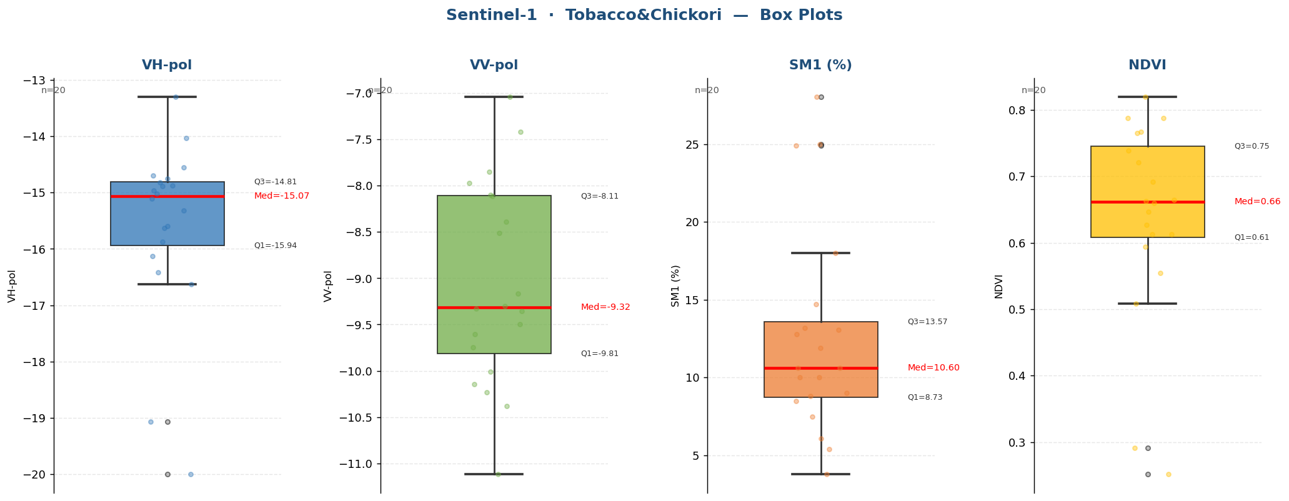

Raw Data (20 records)
Crop Name | VH-pol | VV-pol | SM1 (%) | NDVI | label
Tobacco&Chickori | -19.0639 | -11.1160 | 7.5000 | 0.2520 | Low
Tobacco&Chickori | -19.9945 | -10.3800 | 5.4000 | 0.2915 | Low
Tobacco&Chickori | -16.1288 | -9.7485 | 8.8000 | 0.5084 | Low
Tobacco&Chickori | -16.4222 | -9.4981 | 10.0000 | 0.6467 | Low
Tobacco&Chickori | -14.8783 | -8.5080 | 14.7000 | 0.5548 | Medium
Tobacco&Chickori | -15.3148 | -7.9706 | 18.0000 | 0.6918 | Medium
Tobacco&Chickori | -14.6970 | -8.0968 | 11.9000 | 0.6128 | Medium
Tobacco&Chickori | -14.8821 | -7.4203 | 13.2000 | 0.7880 | Medium
Tobacco&Chickori | -14.5588 | -10.0122 | 10.6000 | 0.6128 | Low
Tobacco&Chickori | -15.5967 | -7.0393 | 9.0000 | 0.7880 | Low
Tobacco&Chickori | -14.7559 | -9.3029 | 10.0000 | 0.7210 | Low
Tobacco&Chickori | -15.1132 | -9.1651 | 12.8000 | 0.8194 | Medium
Tobacco&Chickori | -15.8728 | -10.1428 | 25.0000 | 0.7654 | High
Tobacco&Chickori | -15.6287 | -9.3307 | 24.9000 | 0.6601 | High
Tobacco&Chickori | -14.9659 | -9.3583 | 28.0333 | 0.5942 | High
Tobacco&Chickori | -16.6308 | -10.2359 | 3.8000 | 0.6624 | Low
Tobacco&Chickori | -15.0192 | -8.1133 | 6.1000 | 0.7669 | Low
Tobacco&Chickori | -13.3026 | -9.6032 | 8.5000 | 0.7384 | Low
Tobacco&Chickori | -14.8231 | -7.8509 | 10.6000 | 0.6265 | Low
Tobacco&Chickori | -14.0353 | -8.3873 | 13.0667 | 0.6647 | Medium

Weed&Chickori
Sentinel-1 · Weed&Chickori (3 records)
Statistic | VH-pol | VV-pol | SM1 (%) | NDVI
N | 3 | 3 | 3 | 3
Mean | -15.3120 | -9.9271 | 37.6333 | 0.7413
Std Dev | 0.9949 | 1.0872 | 12.9894 | 0.1051
Variance | 0.9898 | 1.1820 | 168.7233 | 0.0110
Min | -16.1358 | -10.6999 | 24.1000 | 0.6200
25% | -15.8646 | -10.5486 | 31.4500 | 0.7110
Median | -15.5935 | -10.3974 | 38.8000 | 0.8020
75% | -14.9001 | -9.5407 | 44.4000 | 0.8020
Max | -14.2067 | -8.6839 | 50.0000 | 0.8020
Skewness | 1.1713 | 1.5824 | -0.4009 | -1.7321

Box Plots — Weed&Chickori
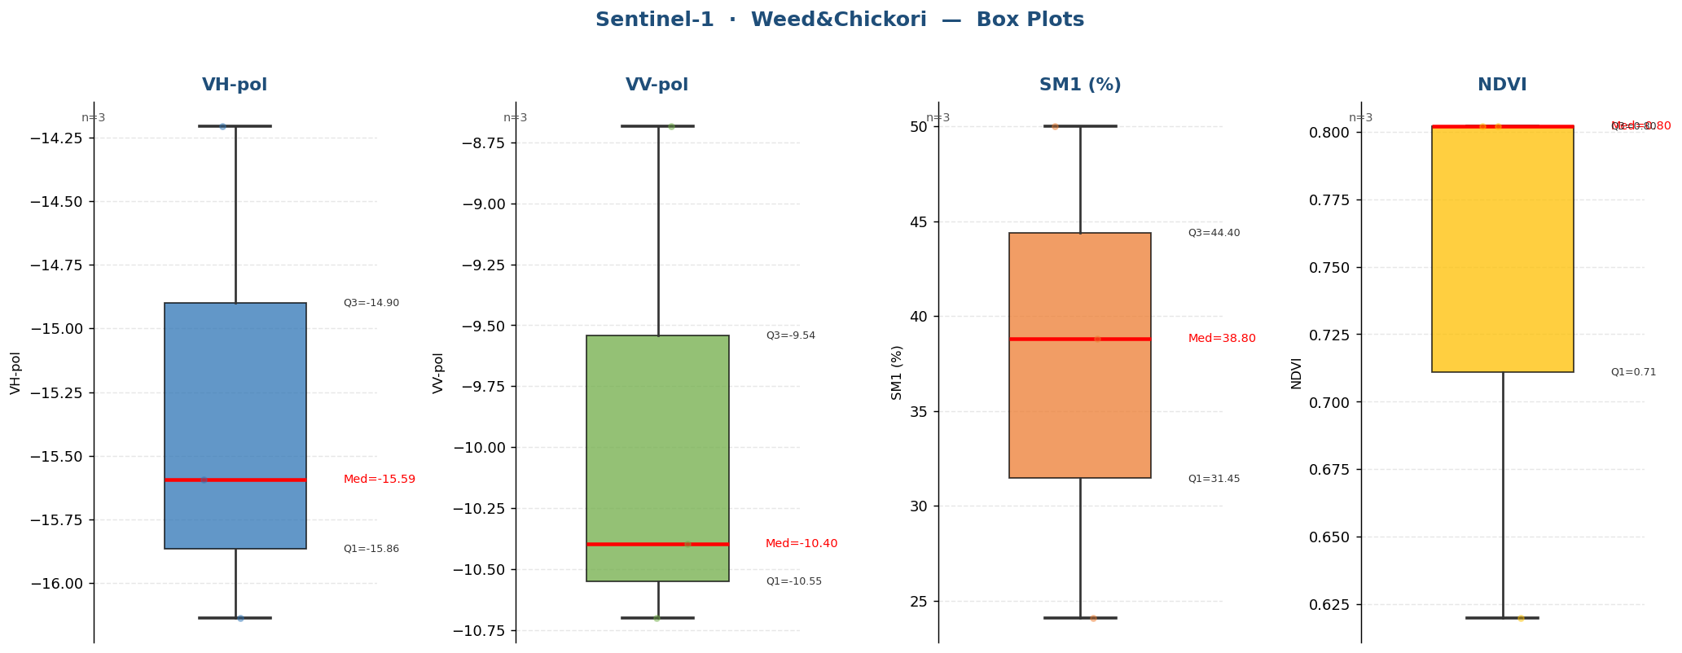

Raw Data (3 records)
Crop Name | VH-pol | VV-pol | SM1 (%) | NDVI | label
Weed&Chickori | -14.2067 | -8.6839 | 50.0000 | 0.6200 | Very High
Weed&Chickori | -15.5935 | -10.3974 | 24.1000 | 0.8020 | High
Weed&Chickori | -16.1358 | -10.6999 | 38.8000 | 0.8020 | Very High

Wheat
Sentinel-1 · Wheat (476 records)
Statistic | VH-pol | VV-pol | SM1 (%) | NDVI
N | 476 | 476 | 476 | 476
Mean | -16.7614 | -11.3048 | 24.3815 | 0.5692
Std Dev | 1.6689 | 1.5231 | 13.6499 | 0.2197
Variance | 2.7854 | 2.3199 | 186.3192 | 0.0483
Min | -21.1622 | -15.1282 | 3.3000 | 0.1732
25% | -17.9066 | -12.3532 | 11.8000 | 0.3691
Median | -16.6003 | -11.3962 | 22.0500 | 0.6046
75% | -15.5746 | -10.2226 | 34.7750 | 0.7709
Max | -12.2565 | -6.7689 | 56.4000 | 0.8996
Skewness | -0.2414 | 0.1615 | 0.4603 | -0.2209

Box Plots — Wheat
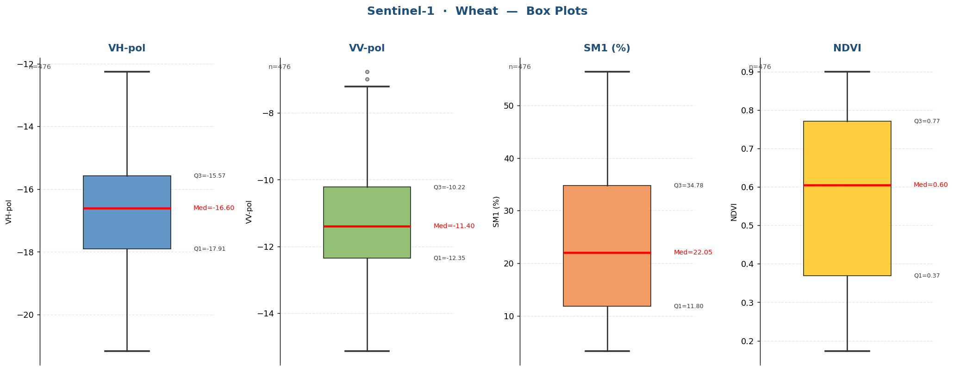

Raw Data (476 records)
Crop Name | VH-pol | VV-pol | SM1 (%) | NDVI | label
Wheat | -17.6808 | -10.1541 | 11.6000 | 0.3475 | Medium
Wheat | -18.7365 | -12.2959 | 11.8000 | 0.4038 | Medium
Wheat | -15.7210 | -7.9360 | 36.8000 | 0.5402 | Very High
Wheat | -19.2282 | -8.1167 | 47.3000 | 0.4588 | Very High
Wheat | -19.1796 | -11.2415 | 6.6333 | 0.4564 | Low
Wheat | -16.6537 | -10.0728 | 3.9000 | 0.4682 | Low
Wheat | -18.1092 | -11.7679 | 11.0000 | 0.3554 | Medium
Wheat | -18.5392 | -11.5032 | 8.8000 | 0.2735 | Low
Wheat | -18.3652 | -9.8880 | 7.9000 | 0.3583 | Low
Wheat | -18.9546 | -11.6986 | 8.9667 | 0.2530 | Low
Wheat | -20.5352 | -12.0889 | 11.7000 | 0.2575 | Medium
Wheat | -19.5427 | -13.2522 | 13.3000 | 0.1902 | Medium
Wheat | -20.3658 | -11.2344 | 12.2000 | 0.1732 | Medium
Wheat | -19.3716 | -10.7658 | 10.9000 | 0.2021 | Medium
Wheat | -20.8161 | -11.4518 | 8.1000 | 0.2415 | Low
Wheat | -18.9072 | -11.4608 | 6.4000 | 0.3237 | Low
Wheat | -18.0152 | -11.9774 | 8.5000 | 0.2602 | Low
Wheat | -17.9871 | -11.4391 | 7.0000 | 0.3099 | Low
Wheat | -17.9042 | -10.8925 | 8.3000 | 0.3619 | Low
Wheat | -19.7736 | -12.5648 | 11.3333 | 0.2061 | Medium
Wheat | -17.7219 | -11.5145 | 24.1000 | 0.2638 | High
Wheat | -18.6294 | -11.3281 | 22.2000 | 0.2659 | High
Wheat | -18.3170 | -9.9815 | 13.5000 | 0.1764 | Medium
Wheat | -17.9526 | -11.0020 | 25.7000 | 0.2995 | High
Wheat | -18.2019 | -11.2054 | 28.1333 | 0.4014 | High
Wheat | -17.9351 | -12.0211 | 16.1000 | 0.2800 | Medium
Wheat | -16.9283 | -12.0193 | 15.7000 | 0.4696 | Medium
Wheat | -17.8288 | -9.6835 | 17.8000 | 0.3876 | Medium
Wheat | -17.0496 | -11.1756 | 18.4000 | 0.2465 | Medium
Wheat | -16.8663 | -10.9578 | 11.3667 | 0.2451 | Medium
Wheat | -20.8249 | -14.0198 | 8.8000 | 0.2202 | Low
Wheat | -19.3345 | -12.7189 | 9.2000 | 0.2857 | Low
Wheat | -19.9954 | -12.7668 | 10.2000 | 0.2434 | Low
Wheat | -20.3044 | -12.8504 | 24.3000 | 0.2309 | High
Wheat | -20.6879 | -13.5636 | 10.8333 | 0.2049 | Medium
Wheat | -17.6814 | -9.7026 | 10.9000 | 0.2185 | Medium
Wheat | -18.7006 | -10.5411 | 13.2000 | 0.2047 | Medium
Wheat | -16.7137 | -10.1517 | 11.3000 | 0.2456 | Medium
Wheat | -18.0702 | -10.4169 | 7.4667 | 0.2266 | Low
Wheat | -17.4426 | -7.2141 | 35.6000 | 0.2168 | High
Wheat | -19.3064 | -10.4628 | 21.9000 | 0.2288 | High
Wheat | -17.7704 | -8.0550 | 7.1000 | 0.3866 | Low
Wheat | -17.4000 | -9.8061 | 12.9000 | 0.5165 | Medium
Wheat | -19.4026 | -9.6445 | 11.8000 | 0.2010 | Medium
Wheat | -17.8418 | -11.3459 | 24.3000 | 0.1864 | High
Wheat | -18.2054 | -11.2280 | 21.8000 | 0.2012 | High
Wheat | -17.8225 | -11.7969 | 21.5000 | 0.2260 | High
Wheat | -19.7691 | -12.1151 | 21.8000 | 0.2050 | High
Wheat | -20.5357 | -13.5457 | 20.6667 | 0.1839 | Medium
Wheat | -16.9906 | -10.6285 | 15.0000 | 0.2019 | Medium
Wheat | -19.8934 | -13.0458 | 20.3000 | 0.3827 | Medium
Wheat | -16.9565 | -11.4428 | 13.4000 | 0.3220 | Medium
Wheat | -17.7065 | -10.6512 | 16.5667 | 0.2562 | Medium
Wheat | -17.3825 | -11.0191 | 15.3000 | 0.3885 | Medium
Wheat | -17.0733 | -11.9141 | 8.6000 | 0.3233 | Low
Wheat | -16.8158 | -10.8271 | 8.3667 | 0.2394 | Low
Wheat | -16.2507 | -10.9905 | 13.3000 | 0.3148 | Medium
Wheat | -18.5024 | -10.8628 | 10.5000 | 0.3142 | Low
Wheat | -17.2366 | -10.4927 | 10.8000 | 0.3823 | Low
Wheat | -19.0517 | -12.6192 | 14.0000 | 0.2947 | Medium
Wheat | -18.0175 | -11.8905 | 12.0000 | 0.4419 | Medium
Wheat | -19.2848 | -11.4690 | 19.0000 | 0.2936 | Medium
Wheat | -18.4864 | -12.8438 | 9.3333 | 0.2847 | Low
Wheat | -17.1639 | -11.0600 | 14.1000 | 0.3111 | Medium
Wheat | -17.0875 | -10.1373 | 15.5000 | 0.6024 | Medium
Wheat | -16.3354 | -6.7689 | 7.6000 | 0.6742 | Low
Wheat | -15.5433 | -10.4386 | 5.8000 | 0.3066 | Low
Wheat | -18.3824 | -12.4277 | 7.1000 | 0.6234 | Low
Wheat | -16.9925 | -8.8858 | 38.5000 | 0.4930 | Very High
Wheat | -19.7611 | -12.3533 | 10.7000 | 0.4305 | Low
Wheat | -19.2444 | -12.0485 | 7.3000 | 0.3524 | Low
Wheat | -18.9984 | -11.8662 | 6.2667 | 0.3833 | Low
Wheat | -16.5716 | -9.3358 | 13.7000 | 0.3150 | Medium
Wheat | -16.2567 | -9.3700 | 17.3000 | 0.2988 | Medium
Wheat | -16.7824 | -10.4499 | 17.6000 | 0.7088 | Medium
Wheat | -15.5509 | -9.0879 | 31.7000 | 0.6888 | High
Wheat | -16.0693 | -10.7839 | 27.8000 | 0.6566 | High
Wheat | -14.8419 | -9.5072 | 28.0000 | 0.6638 | High
Wheat | -14.8283 | -10.8044 | 36.6333 | 0.7279 | Very High
Wheat | -15.4123 | -9.7091 | 43.5000 | 0.5913 | Very High
Wheat | -15.4243 | -11.7283 | 41.8000 | 0.6820 | Very High
Wheat | -15.6351 | -9.5733 | 37.2000 | 0.7103 | Very High
...

