Data Diagram
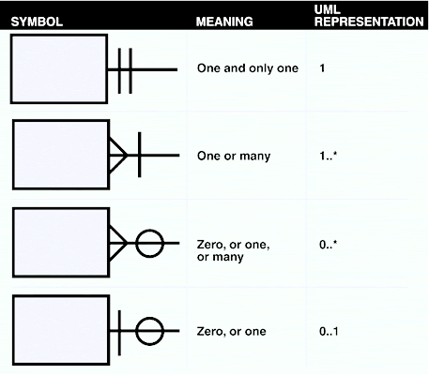
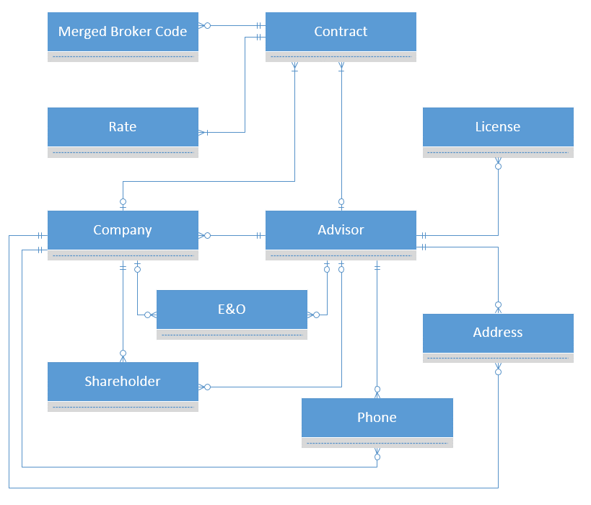
This Excel file should provide details regarding the fields required for the data extract. The format that this data is delivered in can either be a set of flat CSV files, an XML structure, or a SQL Server backup file. Each tab of this spreadsheet should describe the data expected in each file, section, or table and the diagram below has been provided to help navigate the relationships between the data in the tabs. The diagram below uses standard crow's foot notation (see diagram on the right for assistance). | Crow's Foot Notation

