Changes-Jan2016
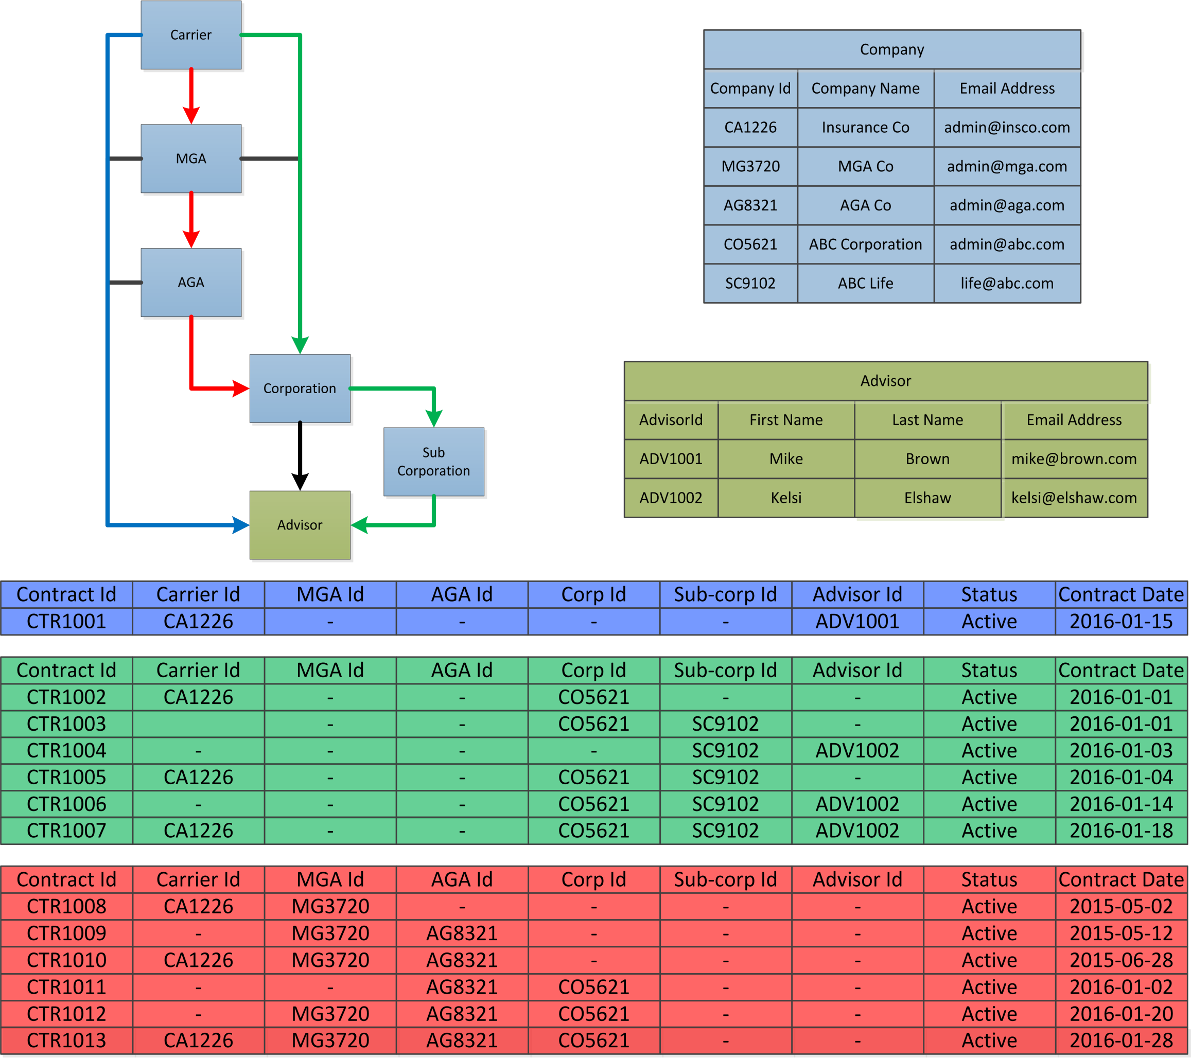
APEXA is now supporting the contracting process at every level of the hierarchy, which means APEXA now needs details for every contract and corporation (as opposed to just the advisor and their corporation). The primary changes are: 1) Contract records for every party involved are now required. 2) Full profile data is now required for every corporation and person involved in a contract. 3) Full profile data is now required for one principal for every corporation and is linked to the corporate record. 4) Advisor/corporation records now have an optional Group Onboarding Id that can be used in In-Trust to bulk onboard advisors/corporations. 5) The format of the contract record has changed to better represent the data being requested (e.g. instead of a name and code for an MGA, an ID for a full profile must now be provided). Below is a conceptual diagram of the new contract table and how it relates to the advisor and company tables. Once we receive data from all parties, we are expecting a contracting record that represents every permutation of the parties involved in a given contracting chain. Each party is responsible for providing every permutation they are involved in. In the diagram below there are 3 example contracts: 1) Blue Contract: a direct contract from a carrier to an Advisor 2) Green Contract: a direct contract from a carrier to a corporation, which has a sub-corporation, and is contracted to an advisor 3) Red Contract: a carrier is contracted to a corporation via an MGA and an AGA, but has not contracted with an Advisor via that corporation yet In this example, Insurance Co (CA1226) must provide at least the following records: CTR 1001 from Blue Contract CTR 1002, CTR1005, CTR1007 from Green Contract CTR 1008, CTR1010, CTR1013 from Red Contract Using the Red Contract as an example, our previous data specification would only have required CTR1013 from the carrier; however, since we now represent the full hierarchy of contracts,

Data Diagram
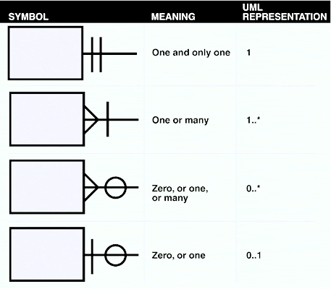
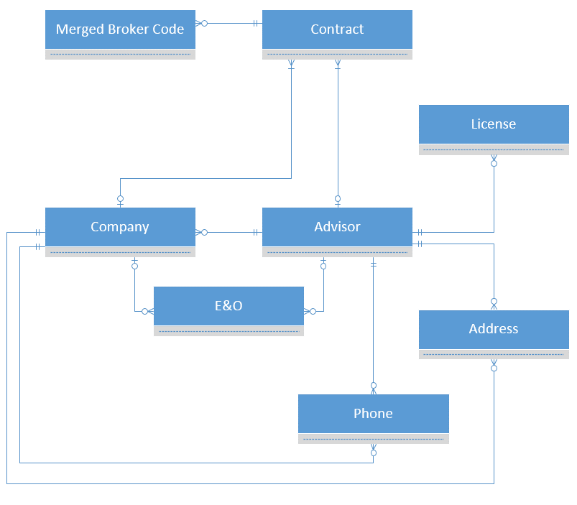
This Excel file should provide details regarding the fields required for the data extract. The format that this data is delivered in can either be a set of flat CSV files. Each tab of this spreadsheet should describe the data expected in each file, section, or table and the diagram below has been provided to help navigate the relationships between the data in the tabs. The diagram below uses standard crow's foot notation (see diagram on the right for assistance). | Crow's Foot Notation

