Plasticity Modeling
Al 6061 T6 Full Stress/Strain Curve
Using 0.031 in-sheet liner design
Stress/Strain Data from webplotdigitizer
Strain | Stress
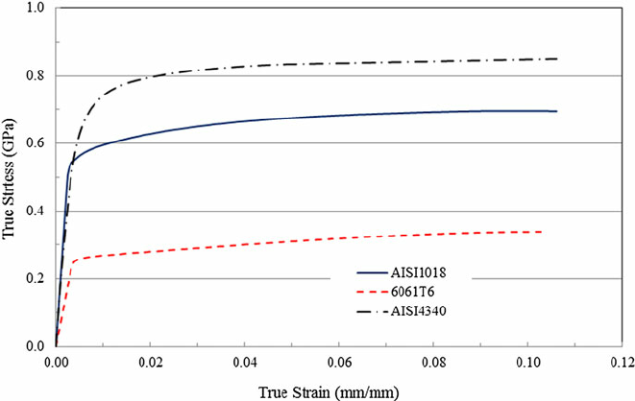
0 | 0
0.0003825136612 | 0.017557251908
0.00060109289617 | 0.034351145038
0.0010382513661 | 0.057251908397
0.0014754098361 | 0.084732824427
0.001912568306 | 0.11221374046
0.002349726776 | 0.14122137405
0.0026775956284 | 0.17633587786
0.0032240437158 | 0.21450381679
0.0034426229508 | 0.23893129771
0.0045355191257 | 0.25419847328 | 56.04616941 | 0
0.0053005464481 | 0.2572519084 |  | 0.00071054661219
0.0065027322404 | 0.26030534351 |  | 0.0018582516943
Al 6061 T6 Plastic Region Stress/Strain Curve
0.0079234972678 | 0.26335877863 |  | 0.0032245360114
0.0098907103825 | 0.26641221374 |  | 0.005137268416
0.01174863388 | 0.26946564885 |  | 0.006940711203
0.013715846995 | 0.27099236641 |  | 0.0088806839627
0.015901639344 | 0.27404580153 |  | 0.011011995602
0.017868852459 | 0.27709923664 |  | 0.012924728007
0.019617486339 | 0.2786259542 |  | 0.014646121531
0.021256830601 | 0.28015267176 |  | 0.016258225439
0.023770491803 | 0.28320610687 |  | 0.018717405931
0.026830601093 | 0.28625954198 |  | 0.02172303451
0.029234972678 | 0.2893129771 |  | 0.024072925384
0.031967213115 | 0.29236641221 |  | 0.026750685111
0.034371584699 | 0.29389312977 |  | 0.029127816341
0.036994535519 | 0.29847328244 |  | 0.031669046095
0.039617486339 | 0.30152671756 |  | 0.034237516205
0.042349726776 | 0.30305343511 |  | 0.036942516287
0.044754098361 | 0.30610687023 |  | 0.039292407161
0.04737704918 | 0.30763358779 |  | 0.041888117626
0.049781420765 | 0.3106870229 |  | 0.0442380085
0.05262295082 | 0.31374045802 |  | 0.047025057845
0.055136612022 | 0.31526717557 |  | 0.049511478692
0.057868852459 | 0.31832061069 |  | 0.052189238419
0.060273224044 | 0.31984732824 |  | 0.054566369648
0.063005464481 | 0.3213740458 |  | 0.05727136973
0.065519125683 | 0.32290076336 |  | 0.059757790577
0.068142076503 | 0.32442748092 |  | 0.062353501042
0.070655737705 | 0.32595419847 |  | 0.064839921889
0.073278688525 | 0.32748091603 |  | 0.067435632354
0.075901639344 | 0.32900763359 |  | 0.070031342818
0.078415300546 | 0.32900763359 |  | 0.07254500402
0.081147540984 | 0.33053435115 |  | 0.075250004102
0.083661202186 | 0.3320610687 |  | 0.07773642495
0.086174863388 | 0.33358778626 |  | 0.080222845797
0.08868852459 | 0.33511450382 |  | 0.082709266644
0.091420765027 | 0.33511450382 |  | 0.085441507081
0.09393442623 | 0.33511450382 |  | 0.087955168283

