Sheet1
Material Properties

 | Material | PTFE (General) |  | Source
 |  | CTE of Teflon PTFE (+25 to -190C) | 86e-6 +/- 3e-6 m/m-C | (1956 Kirby text)
 |  | CTE (linear) | 112-135 e-6m/m-K | http://www.engineeringtoolbox.com/linear-expansion-coefficients-d_95.html
 |  | Elasticity
 |  | Yield Strength
 |  | Shear Strength

 |  | Aluminum (6061 T6)
 |  | CTE, linear | 13.1*10^-6 in/in-F | matweb
 |  | Specific Heat Capacity | 0.214 BTU/lb-F, 0.896 J/g-C | matweb
 |  | Thermal Conductivity | 1160 BTU-in/hr-ft^2-F, 167 W/m-K | matweb
 |  | Ultimate Tensile Strength | 45000 psi, 60000 psi (at -321 F) | matweb
 |  | Yield Strength | 40000 psi, 47000 psi (at -321 F) | matweb
 |  | Elastic Modulus | 10000 ksi | matweb
 |  | Poissons Ratio | 0.33 | matweb
 |  | Shear Strength | 30000 psi | matweb

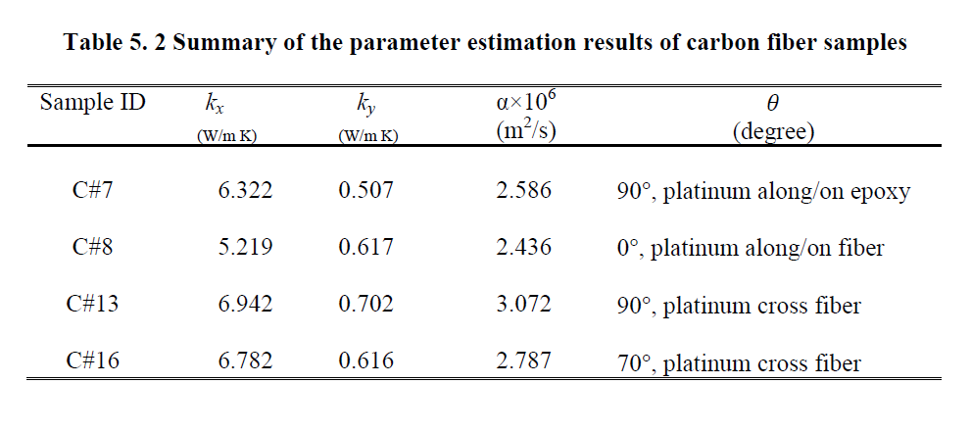
 |  | Carbon Fiber (Toray FL6673G-37KT)
 |  | CTE | -0.4 to -1.0*10^-6/K | http://www.toraycfa.com/product.html
 |  | Tensile Strength | 128 ksi, 883 MPa | Toray 3900 data sheet
 |  | Modulus of Elasticity | 9.9 msi, 68 GPa | Toray 3900 data sheet
 |  | Compression Strength (after impact) | 47.5 ksi, 328 MPa | Toray 3900 data sheet
 |  | Compression Strength | 206 ksi, 1420 MPa | Toray 3900 data sheet
 |  | Fiber Areal Weight | 196 g/sq m | Toray 3900 data sheet
 |  | Carbon Fiber Resin Data | Resin content 40 weight % | Toray 3900 data sheet
 |  | Tensile Strength | 13.9 ksi, 95.8 MPa | Toray 3900 data sheet
 |  | Elastic Modulus | 0.505 msi, 3.48 GPa | Toray 3900 data sheet
 |  | Strain (%) | 4.7 | Toray 3900 data sheet
 |  | Compression Strength | 22.5 ksi, 155 MPa | Toray 3900 data sheet | ky: through thickness thermal conductivity
 |  | Compression Modulus | 0.459 msi, 3.16 GPa | Toray 3900 data sheet | kx: in-plane thermal conductivity
 |  | Strain (%) | 11.6 | Toray 3900 data sheet | Source: Anisotrpic Thermal Property Measurement of Carbon-fiber/Epoxy Composite Materials (University of Nebraska) pg 108
 |  | Flexure Strength | 21.1 ksi, 146 MPa | Toray 3900 data sheet
 |  | Flexure Modulus | 0.423 msi, 2.92 GPa | Toray 3900 data sheet
 |  | Strain (%) | 7.9 | Toray 3900 data sheet
 |  | KIC | 1.54 ksi*in^.5, 1.69 Mpa*m^.5 | Toray 3900 data sheet

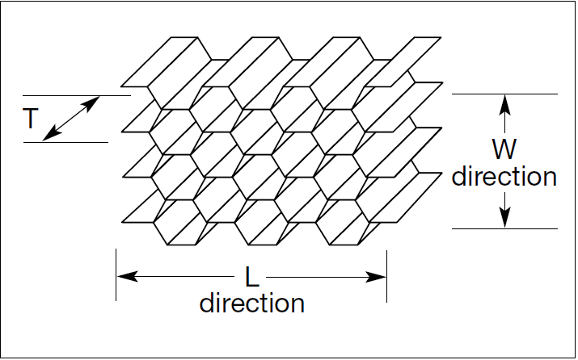
 |  | Nomex Honeycomb (AHN 4120 1/4-3.0)
 |  | CTE | 19.4e-6 in/in-F | HexWeb Honeycomb Attributes and Properties
 |  | Compressive Strength (bare) | 160 psi (min) | http://www.ahtinc.com/products/AHN4120.pdf
 |  | Compressive Strength (stabilized) | 225 psi (min) | http://www.ahtinc.com/products/AHN4120.pdf
 |  | Shear Strength (L Direction) | 127 psi (min) | http://www.ahtinc.com/products/AHN4120.pdf
 |  | Shear Modulus (L direction) | 4.5 ksi | http://www.ahtinc.com/products/AHN4120.pdf
 |  | Shear Strength (W Direction) | 64 psi (min) | http://www.ahtinc.com/products/AHN4120.pdf
 |  | Shear Modulus (W direction) | 2.5 ksi | http://www.ahtinc.com/products/AHN4120.pdf

 |  | Metlbond Structural Adhesive
 |  | Shear Strength (149 C) | 19.3 MPa | Structural Adhesives: Directory and Databook, RJ Hussey, Josephine Wilson pg 177
 |  | Shear Strength (RT) | 29 MPa | Structural Adhesives: Directory and Databook, RJ Hussey, Josephine Wilson pg 177
 |  | Peel (Bell) | 1.2 N/mm | Structural Adhesives: Directory and Databook, RJ Hussey, Josephine Wilson pg 177
 |  | Service Temp | -54 to 149 C | Structural Adhesives: Directory and Databook, RJ Hussey, Josephine Wilson pg 178

