Sheet1
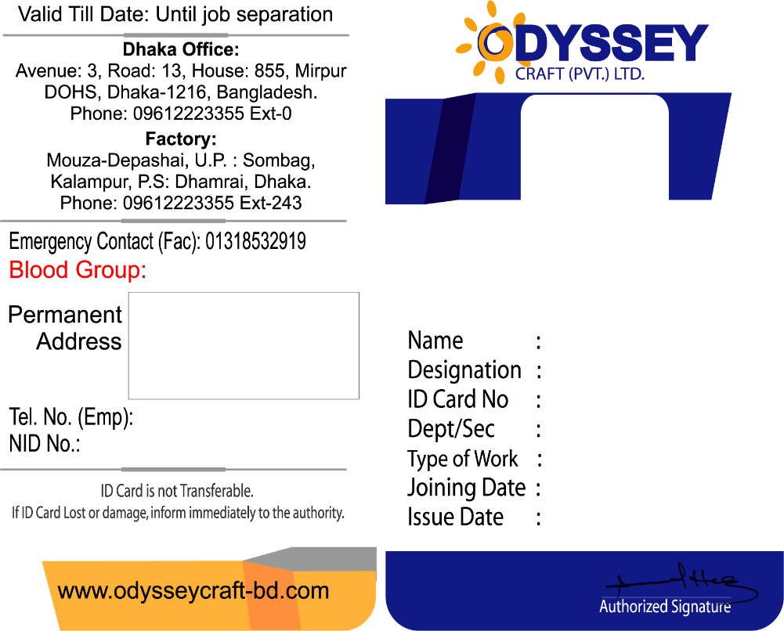
Blood Group
PermanentAddress
TEL
NID
NAME
DESIG
Blood Group
ID
PermanentAddress
DEPT
NAME
DESIG
TYPEOFWORK
ID
JOIN DATE
TEL
NID
DEPT
ISSUE DATE
TYPEOFWORK
JOIN DATE
ISSUE DATE

