Dashboard
Calidad del Agua — Bahía de Loreto 2014-2020
Parque Nacional Bahía de Loreto, México.
Fuente de datos: Fuente: Kaggle — Seawater Quality Bahía Loreto 2014-2020.

 | Filtrar por tipo de sitio | Filtrar por año
 | Promedio de dis_oxig | Promedio de water_ph | Promedio de water_salinity | Promedio de water_temp
2014 | 6.3804545455 | 7.8163636364 | 32.229545455 | 25.090227273
2016 | 6.6214285714 | 7.0374025974 | 34.314285714 | 25.192207792
2018 | 7.0796875 | 7.9903125 | 32.63125 | 24.01875
2014 | 6.3804545455 | 7.6395454545 | 29.159090909 | 26.888181818

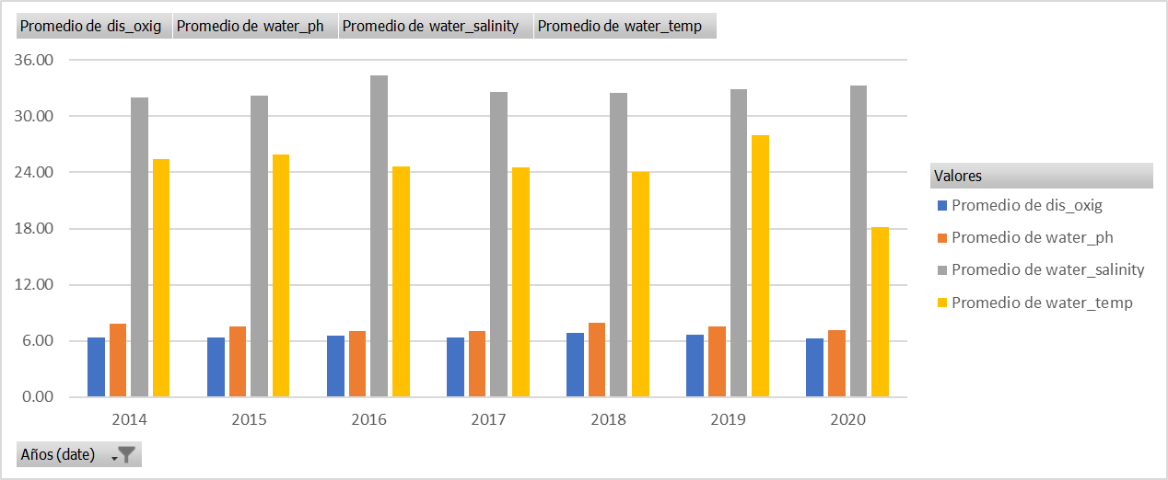

Variación de los promedios de los parametros ambientales del 2014 al 2020

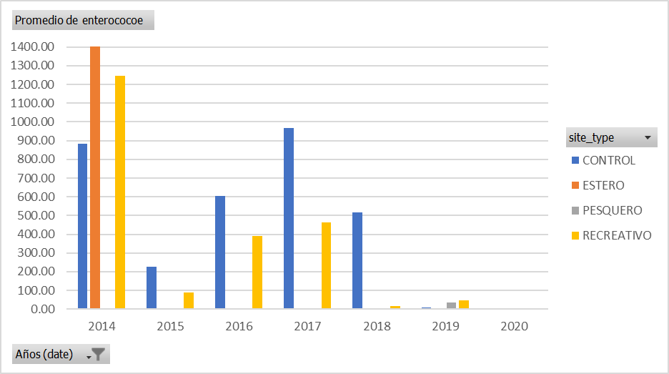

Variación del promedio de Enterococos en los diferentes tipos de sitios entre el 2014 y el 2020.

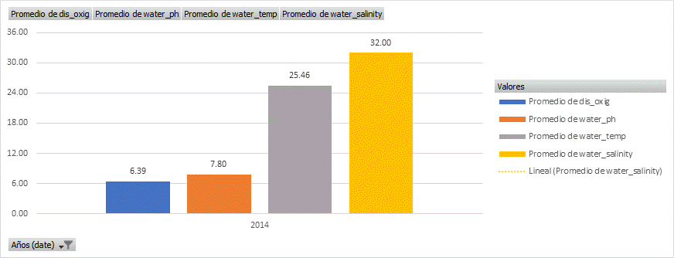

Valores promedio de los parametros ambientales durante el 2014.

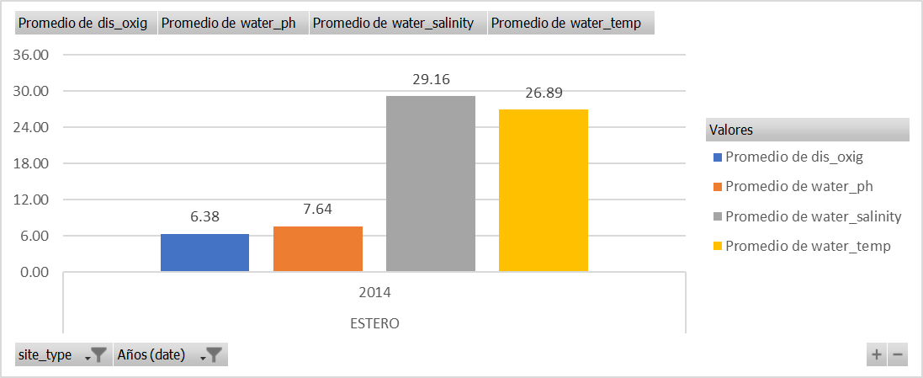

Valores promedio de los parametros ambientales para la zona tipo Estero durante el 2014.

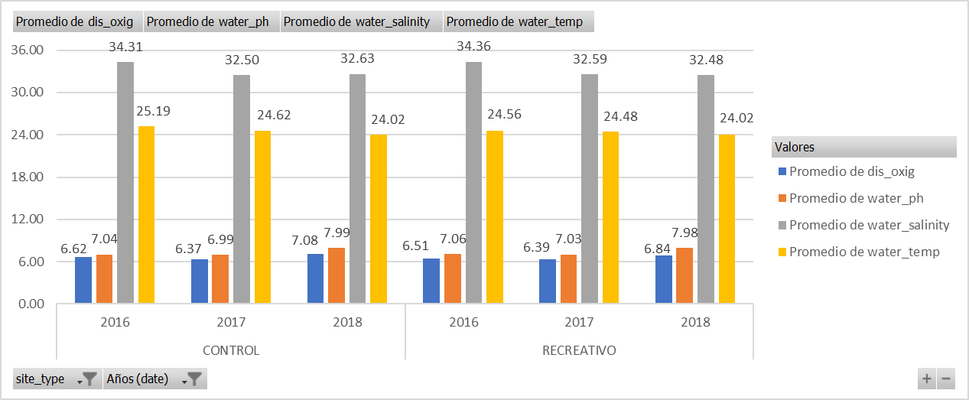

Valores promedio de los parametros ambientales para las zonas Control y Recreativo durante el 2014.

TablasDinamicas
 | Valores
Etiquetas de fila | Promedio de water_salinity | Promedio de dis_oxig | Promedio de water_ph | Promedio de water_temp
2014 | 31.998275862 | 6.3912068966 | 7.7976896552 | 25.455482759
2015 | 32.167625899 | 6.3778657074 | 7.5605995204 | 25.856666667
2016 | 34.355172414 | 6.5259698276 | 7.0529525862 | 24.664935345
2017 | 32.573938224 | 6.386374502 | 7.022250996 | 24.500772201
2018 | 32.49513382 | 6.8613802083 | 7.985390625 | 24.017153285
2019 | 32.883365571 | 6.6222047244 | 7.555936255 | 27.976653772
2020 | 33.25 | 6.2202777778 | 7.1694444444 | 18.111111111
Total general | 32.815944214 | 6.5243406382 | 7.4487129094 | 25.362695062

 | Valores
Etiquetas de fila | Promedio de dis_oxig | Promedio de water_ph | Promedio de water_salinity | Promedio de water_temp
CONTROL | 6.6479738562 | 7.4607189542 | 33.362745098 | 24.91745098
2014 | 6.3804545455 | 7.8163636364 | 32.229545455 | 25.090227273
2016 | 6.6214285714 | 7.0374025974 | 34.314285714 | 25.192207792
2018 | 7.0796875 | 7.9903125 | 32.63125 | 24.01875
ESTERO | 6.3804545455 | 7.6395454545 | 29.159090909 | 26.888181818
2014 | 6.3804545455 | 7.6395454545 | 29.159090909 | 26.888181818
Total general | 6.6143428571 | 7.4832 | 32.834285714 | 25.1652

Promedio de enterococoe | Etiquetas de columna
Etiquetas de fila | CONTROL | ESTERO | PESQUERO | RECREATIVO | Total general
2014 | 881.81409091 | 1406.2236364 |  | 1247.5970982 | 1204.1327241
2015 | 224.82530303 | 0.99 |  | 90.438487654 | 105.91671463
2016 | 605.82298701 |  |  | 391.59064599 | 427.14213362
2017 | 968.5988764 |  |  | 463.897669 | 550.61274131
2018 | 515.118125 |  |  | 15.357757256 | 54.268540146
2019 | 7.9633333333 |  | 33.785641026 | 45.170689655 | 40.887038462
2020 | 0.99 |  | 0.99 | 0.99 | 0.99
Total general | 587.46936416 | 631.91122449 | 29.412888889 | 314.83333487 | 346.52800452

