Sheet5
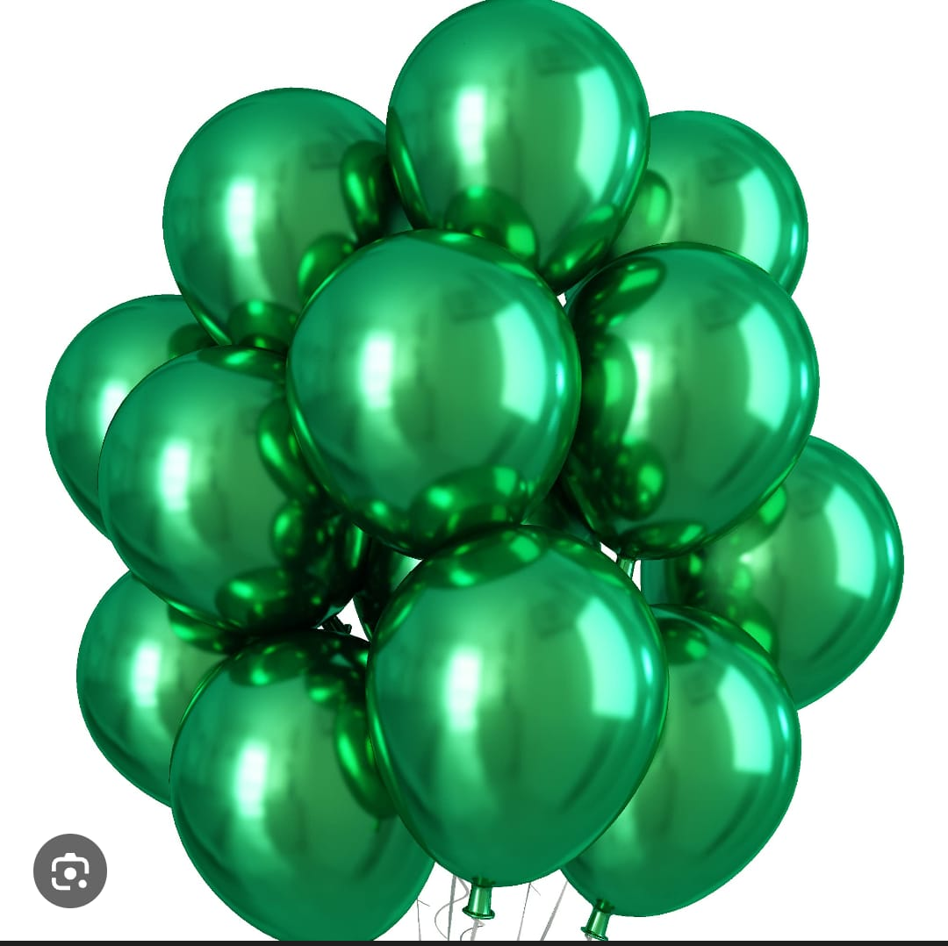
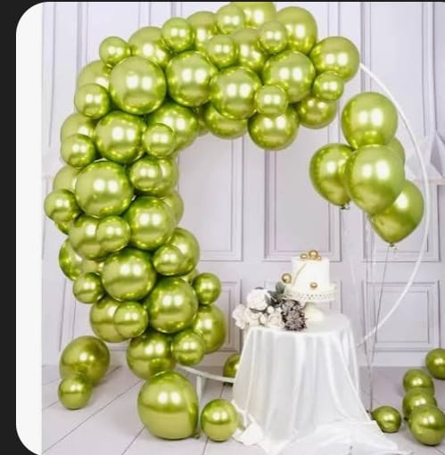
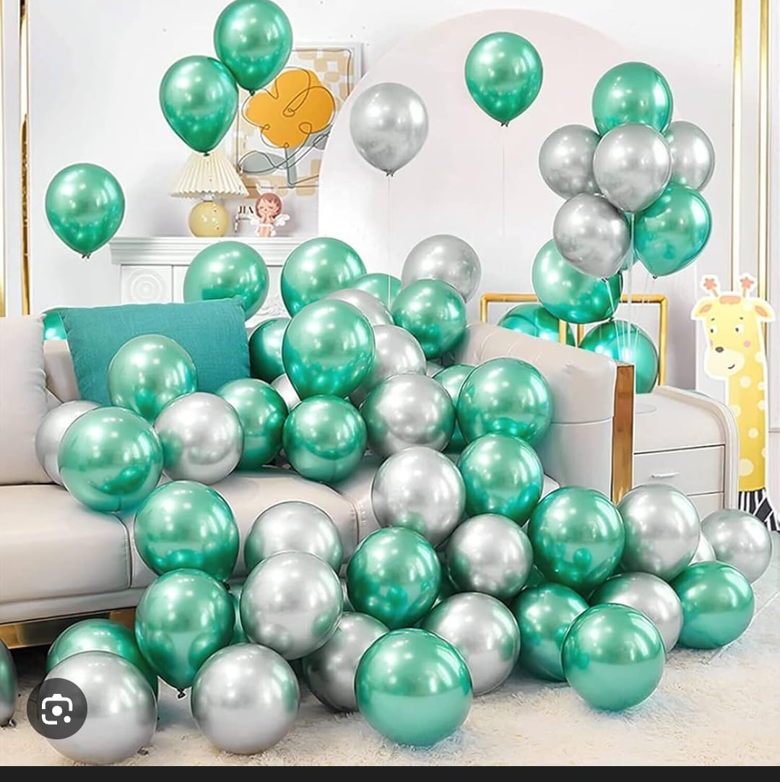
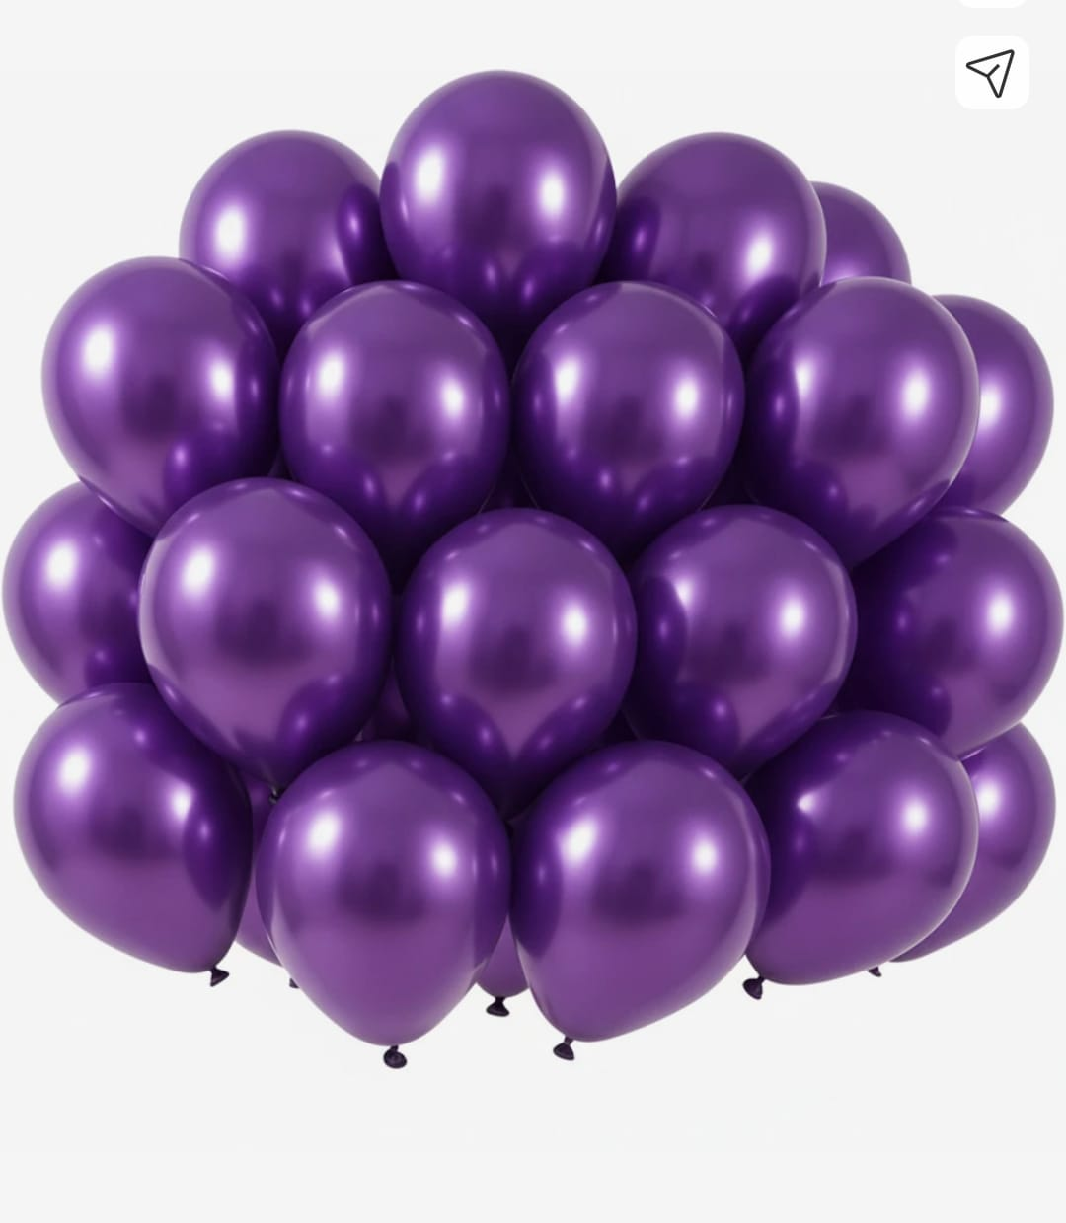

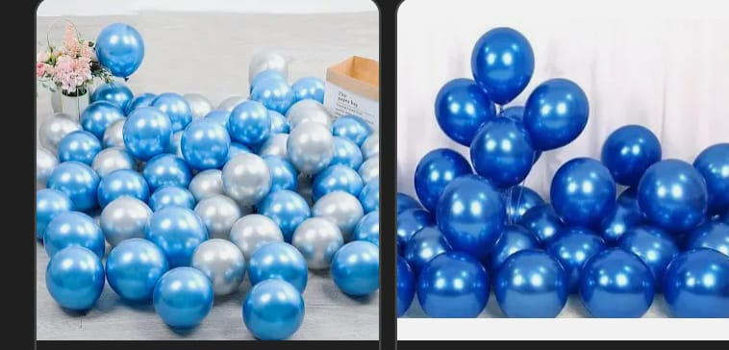

green |  | lime |  | light green | purple

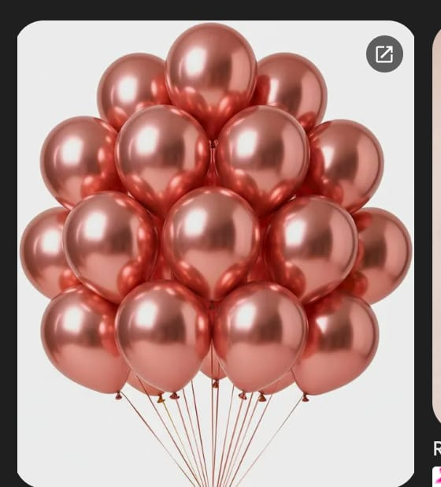
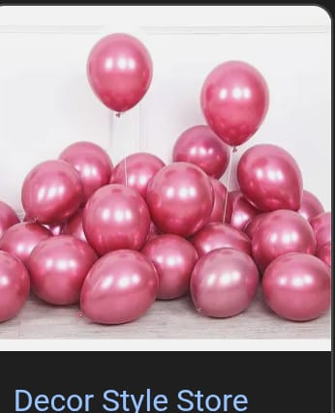
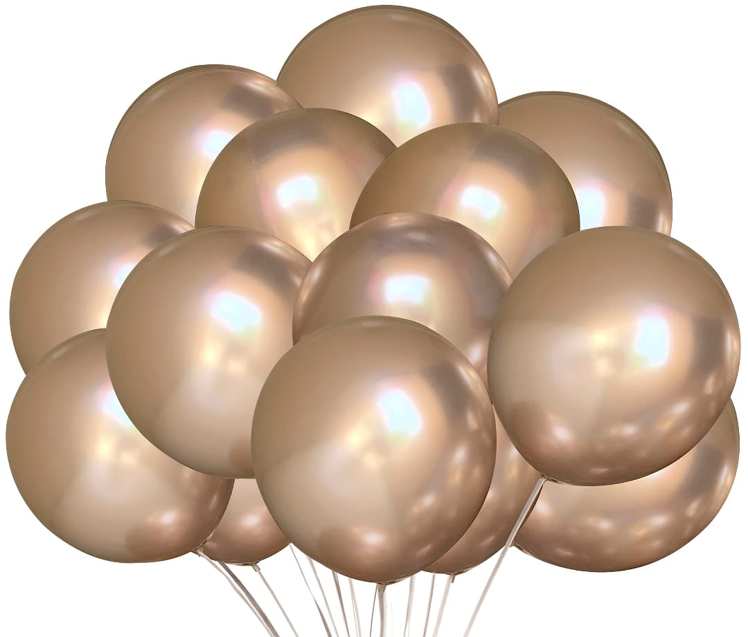
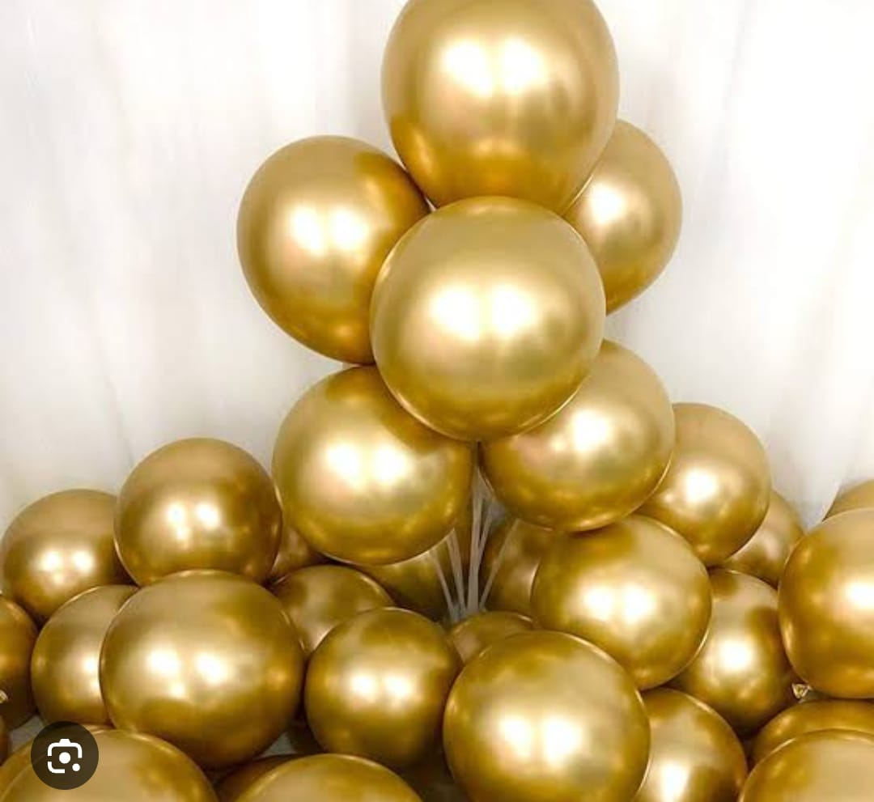

 |  |  |  |  |  | silver , light blue | blue

 | Rosegold

 |  |  | violet |  | gold
 |  | pink

Sheet6
Sr. | Balloons Color | Quality | Image
1 | Golden (9 Inch) | Chrome |  | 8 | Violet (9 Inch) | Chrome
2 | Silver (9 Inch) | 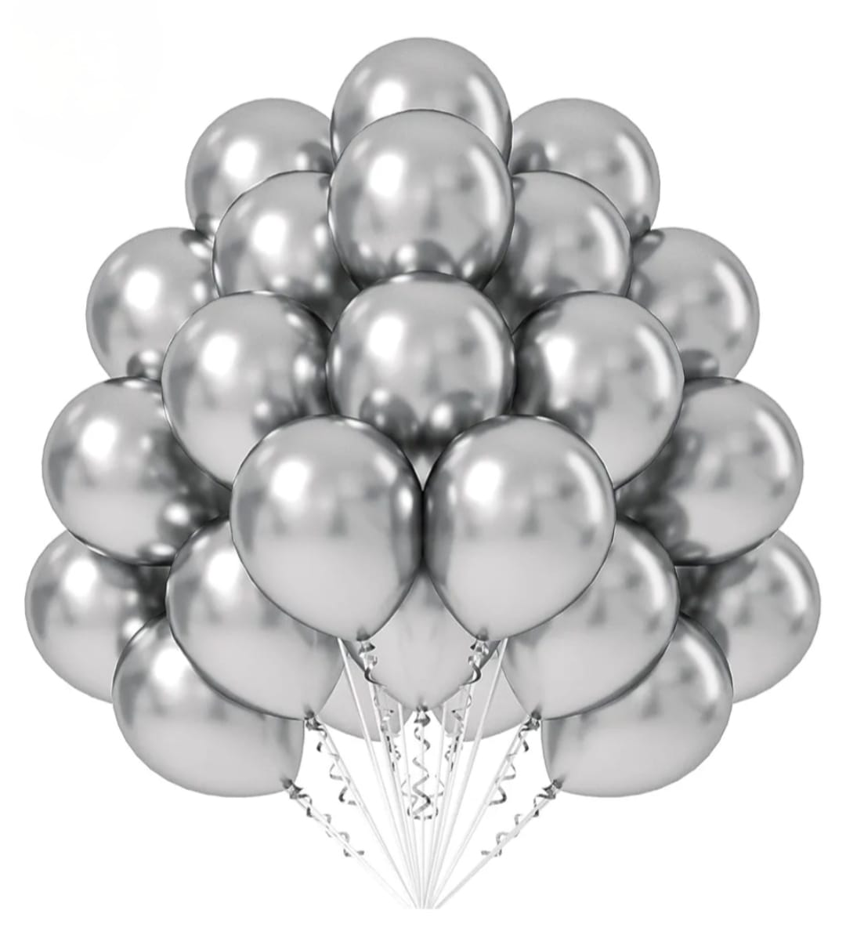 Chrome |  | 9 | Champane gold (9 Inch) | 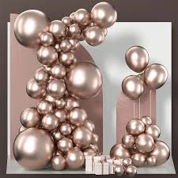 Chrome
3 | Purple (9 Inch) | Chrome |  | 10 | Green (9 Inch) | Chrome
4 | Rose Gold (9 Inch) | Chrome |  | 11 | Pink (9 Inch) | Chrome
5 | Sky Blue (9 Inch) | Chrome |  | 12 | Dark pink (9Inch) | Chrome
6 | Dark Blue (9 Inch) |  Chrome |  | 13 | Lime (9 Inch) | Chrome
7 | Navy Blue (9 inch) | Chrome |  | 14 | Dark Green (9 Inch) | Chrome

1 | Red (9 Inch) | Mettalic |  | 8 | Dark Blue (9 Inch) | Mettalic
2 | Silver (9 Inch) | Mettalic |  | 9 | Orange (9 Inch) | Mettalic
3 | Golden (9 Inch) | 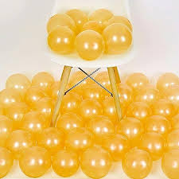 Mettalic |  | 10 | Metallic purple (9 Inch) | 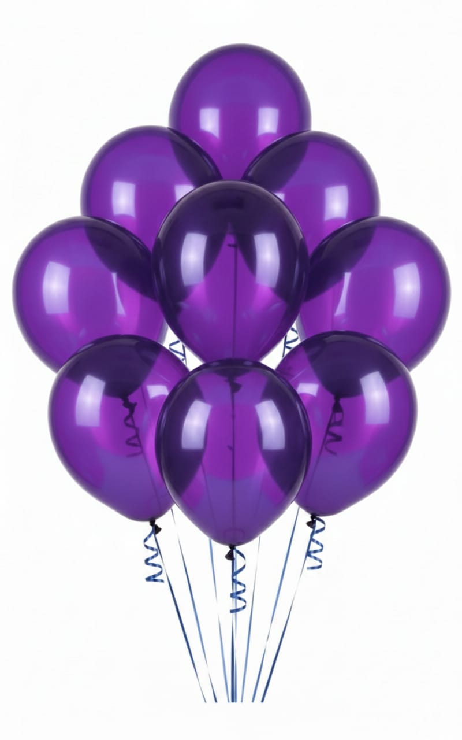 Mettalic
4 | Yellow (9 Inch) | Mettalic |  | 11 | Violet (9 Inch) | Mettalic
5 | Light Pink (9 Inch) | Mettalic |  | 12 | Blue (9 Inch) | 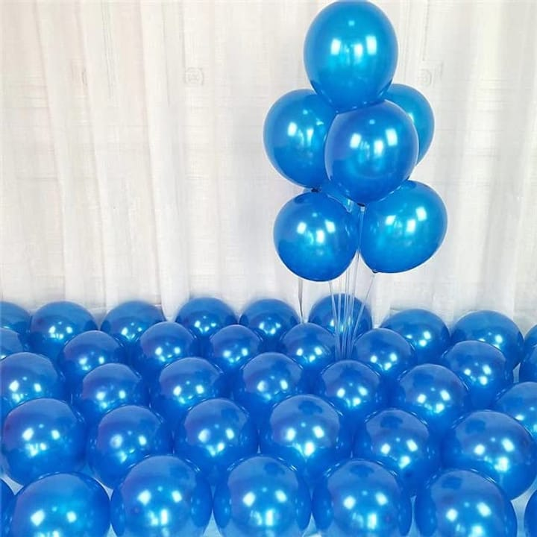 Mettalic
6 | Lime Green (9 Inch) | Mettalic |  | 13 | Pink (9 Inch) | Mettalic
7 | White (9 Inch) | 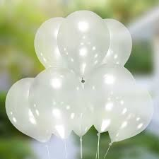 Mettalic |  | 14 | Green (9 Inch) | 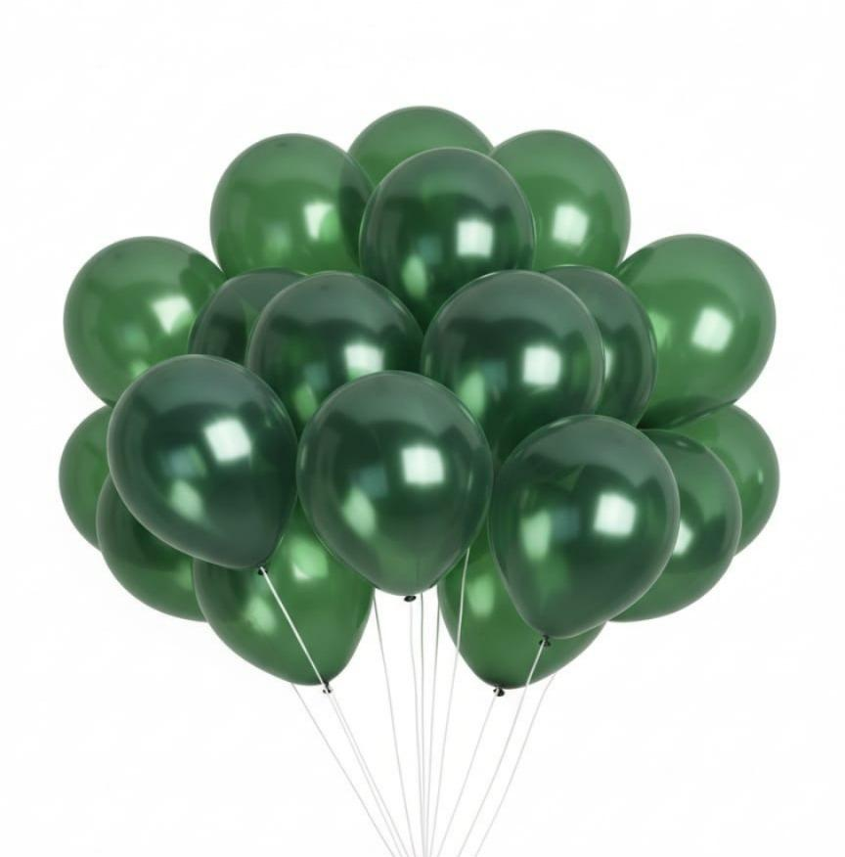 Mettalic

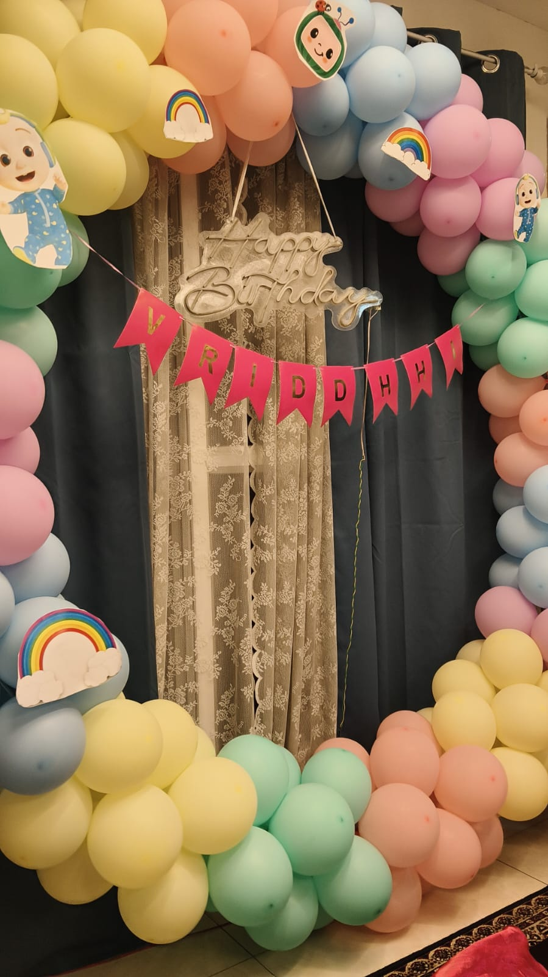
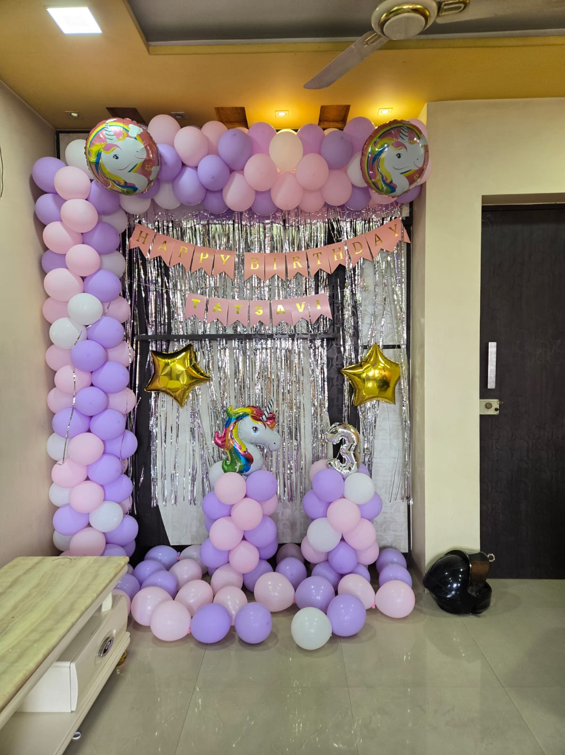
 | Blue (9 Inch) | Pastel
 | Pink (9 Inch) | Pastel
 | Light Green (9 Inch) | Pastel
 | Red (9 Inch) | Pastel
 | Violet (9 Inch) | Pastel
 | Light Pink (9 Inch) | Pastel
 | Orane (9 Inch) | Pastel
 | Yellow (9 Inch) | Pastel
 | Brown (9 Inch) | Pastel
 | Peach (9 Inch) | Pastel
 | Sea Blue (9 Inch) | Pastel
 | Purple (9 Inch) | Pastel
 | Navy Blue (9 Inch) | Pastel

Sheet7
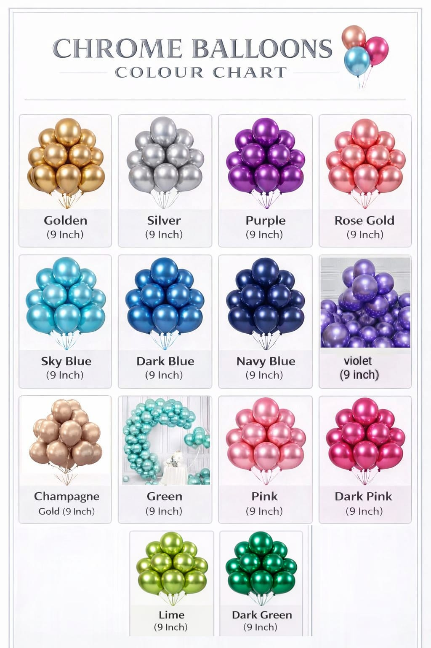
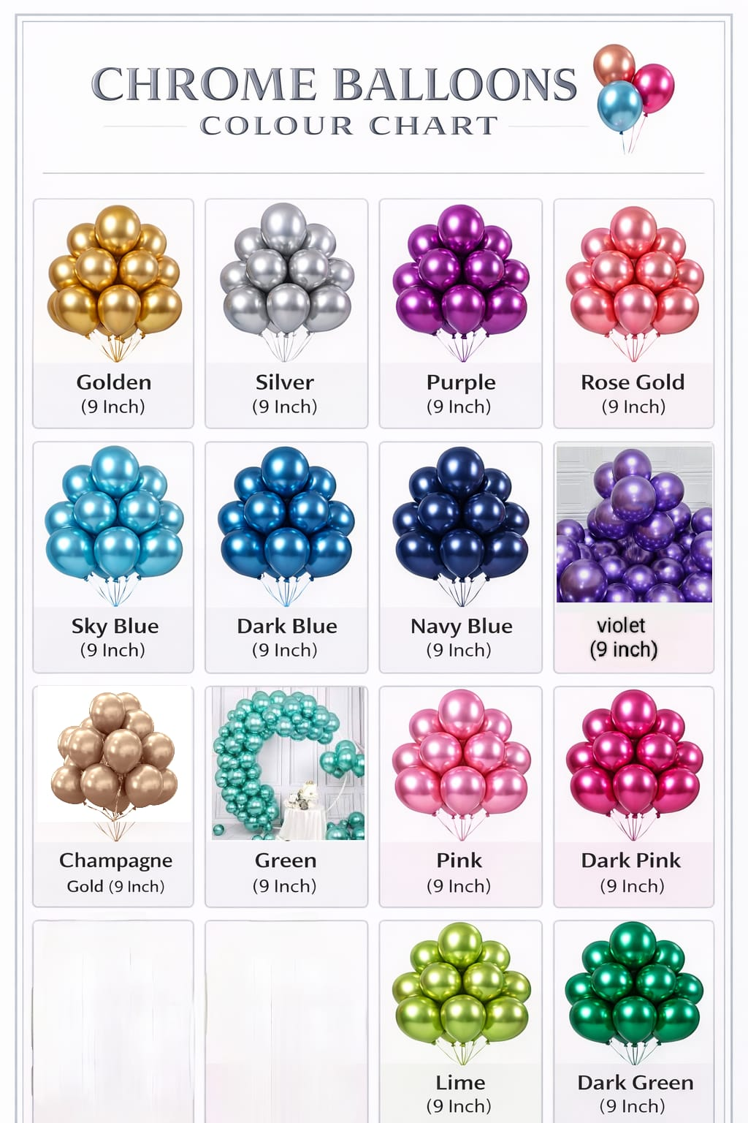
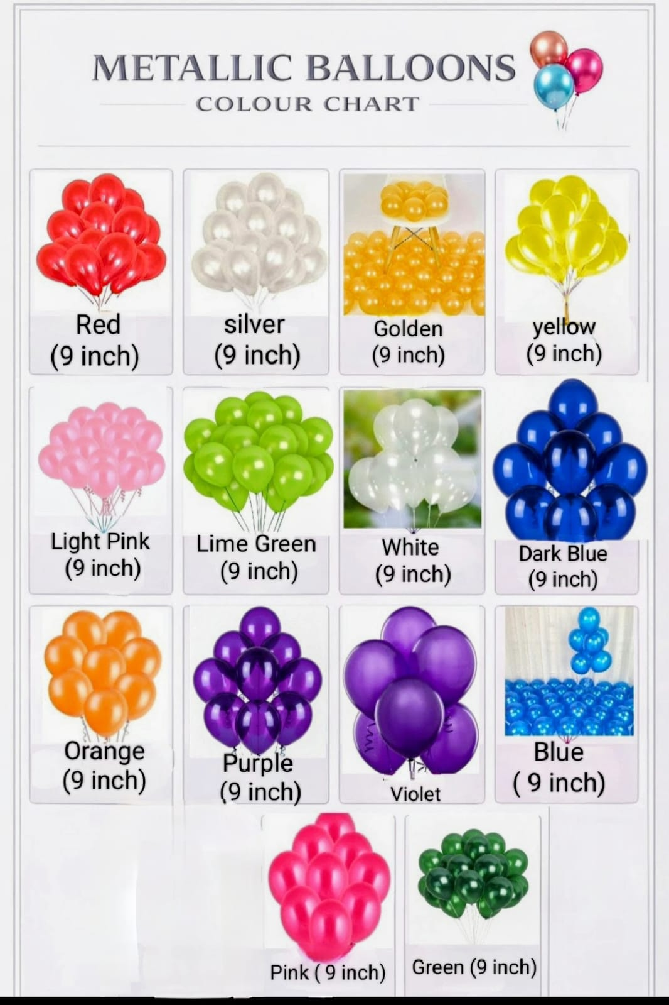

Sheet8
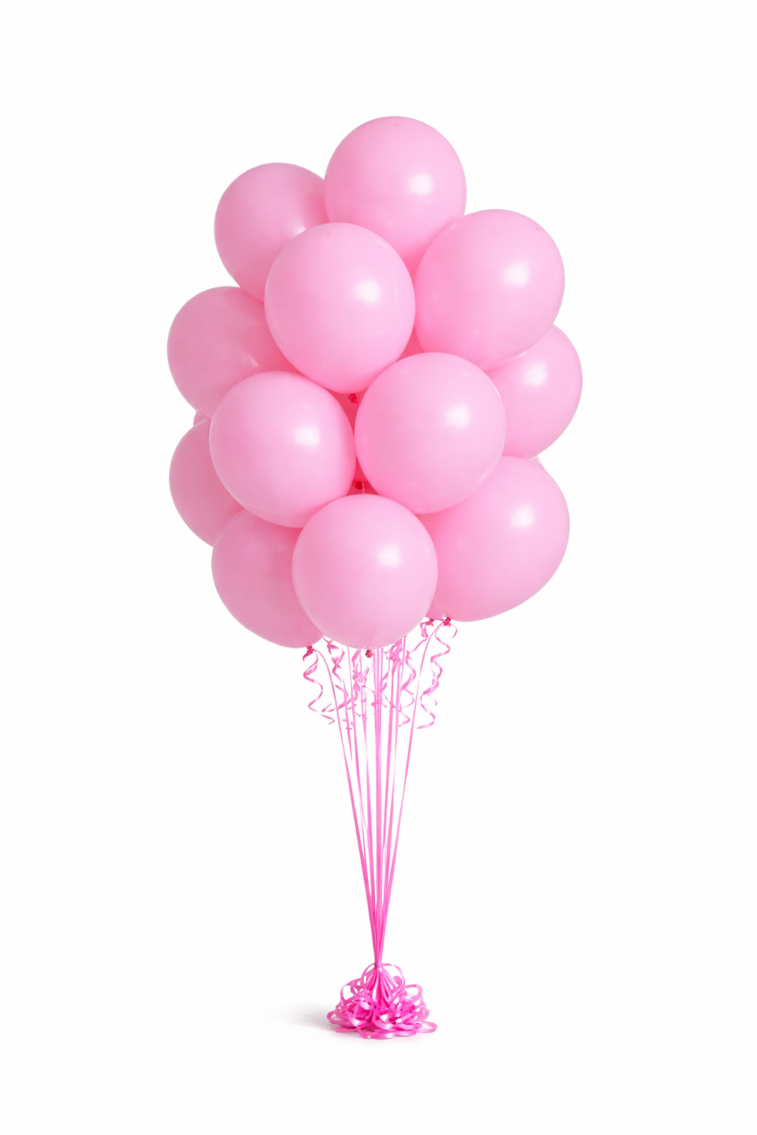
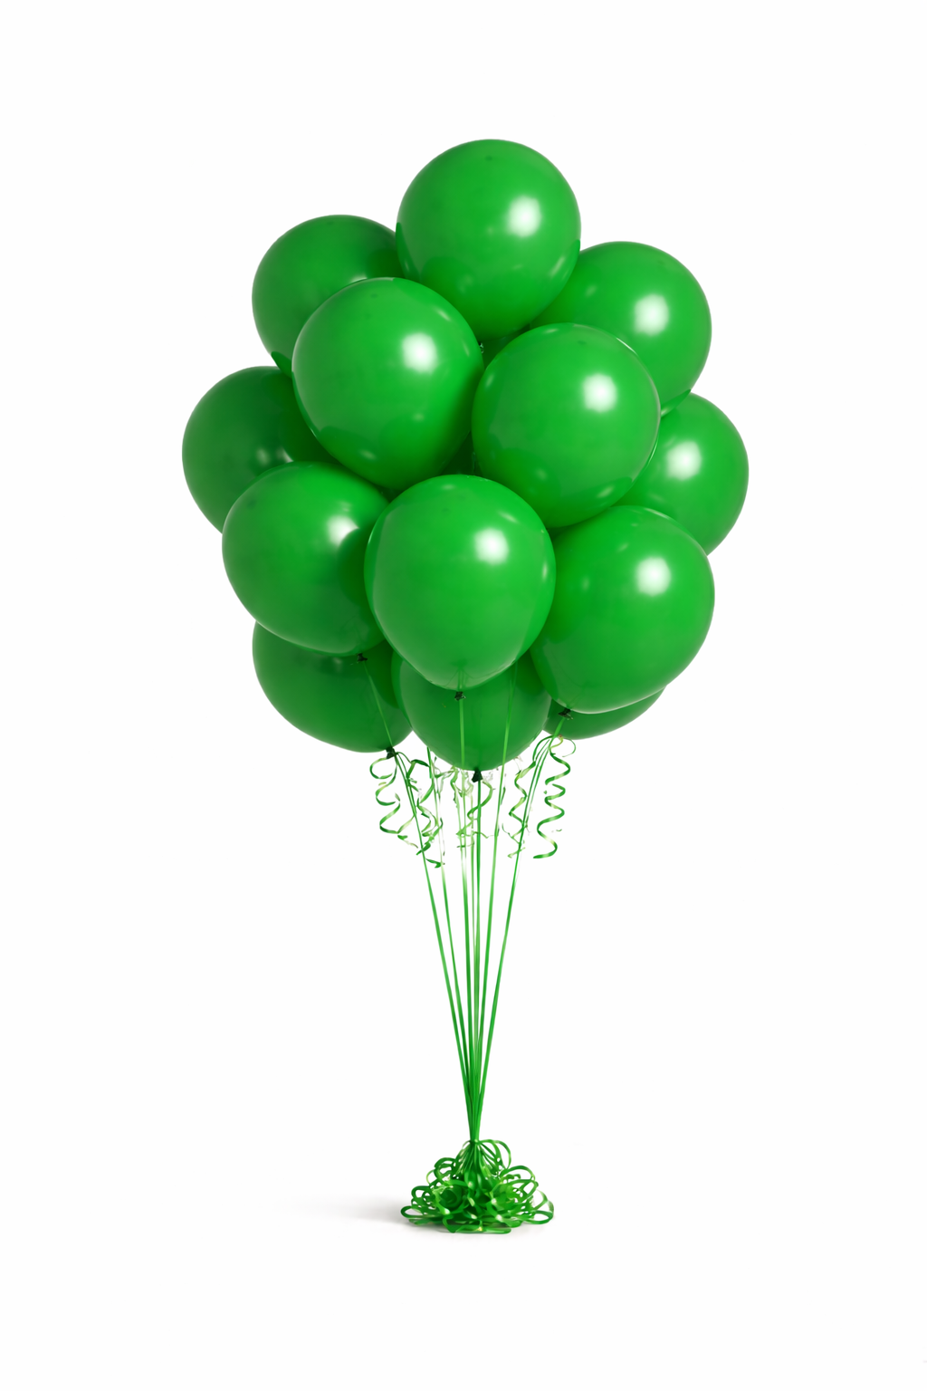
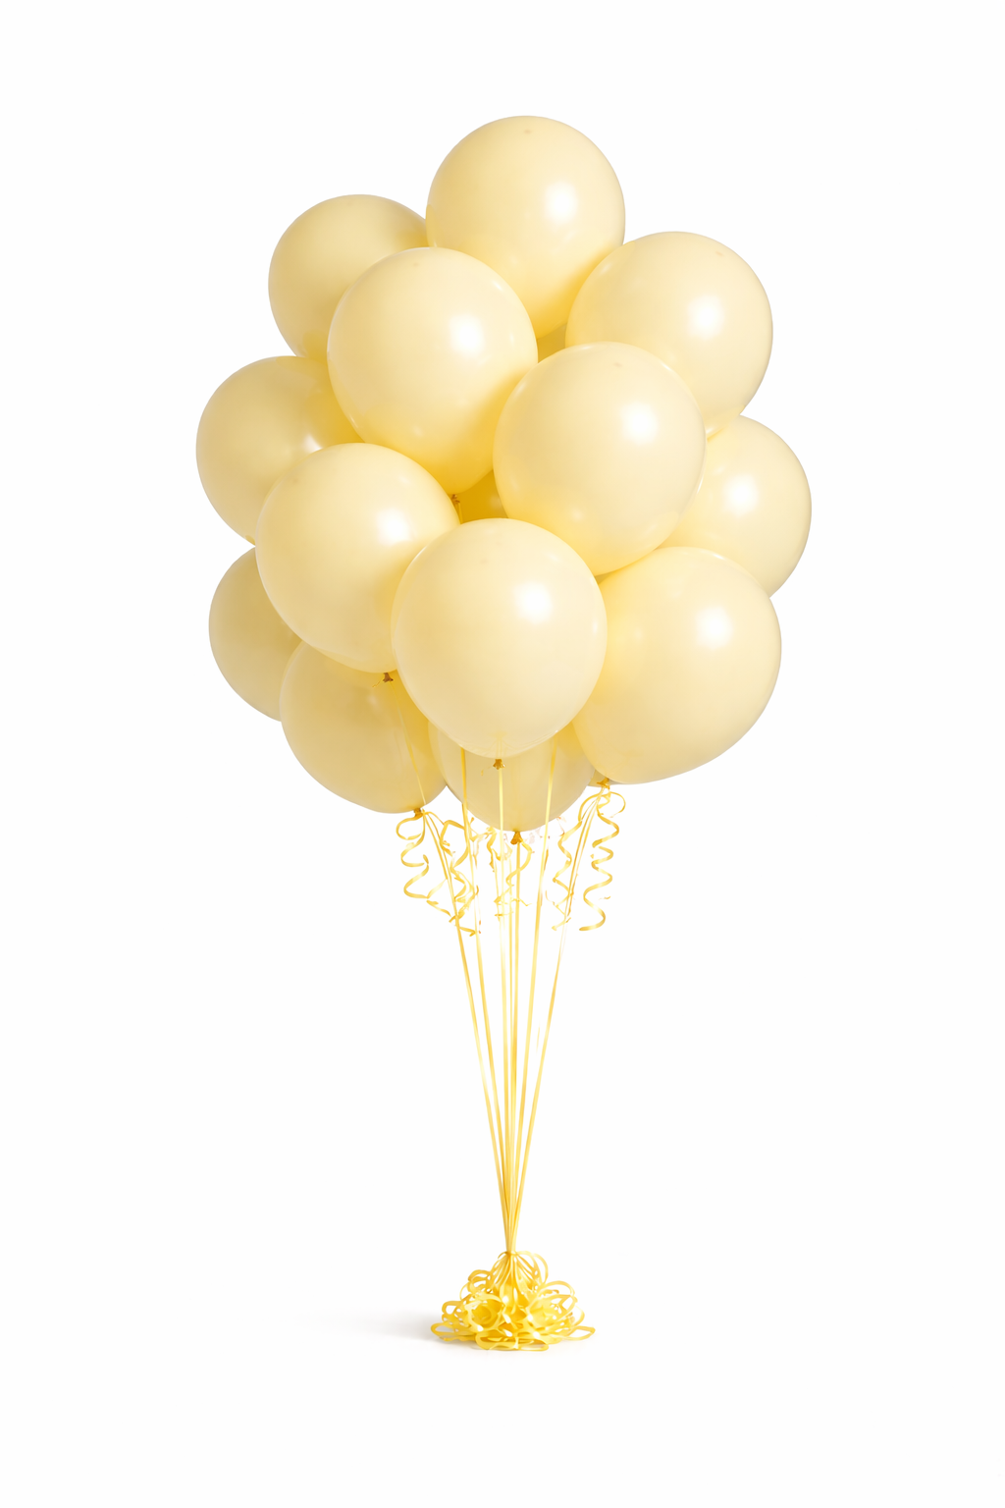

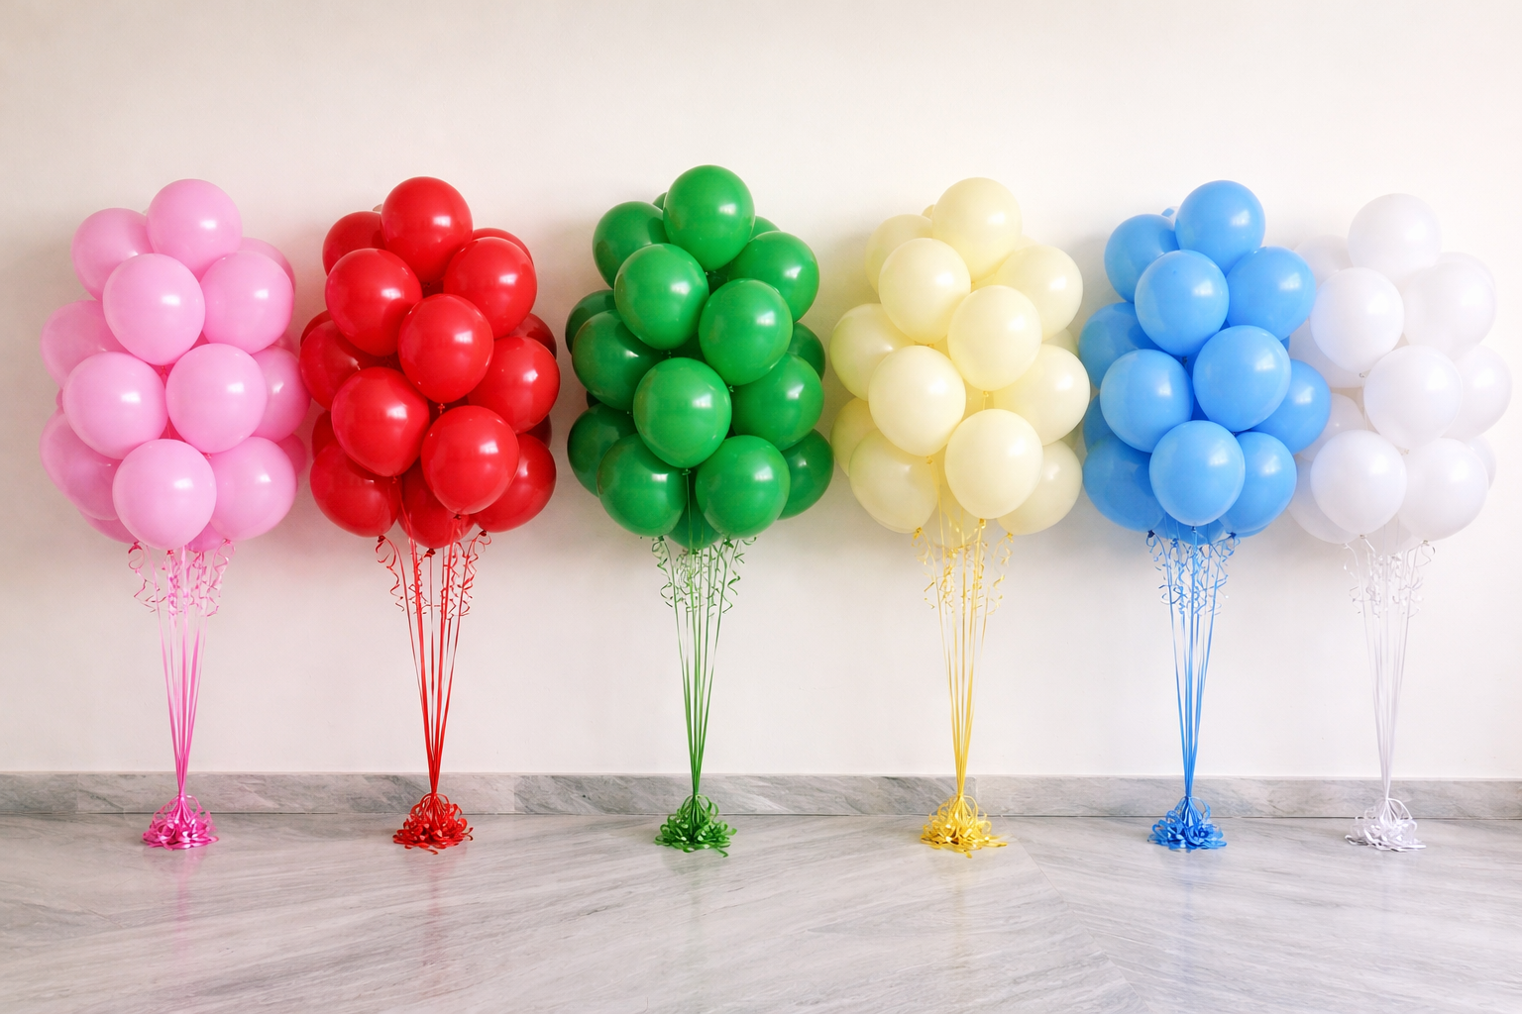
Standard Balloons



Pink | Red | Green | Cream | Blue | White

